instruction
Pull down menu
You can decide file name and folder name as free.
All links set "#"
This bar is colored with css background property and will follow along windows size.

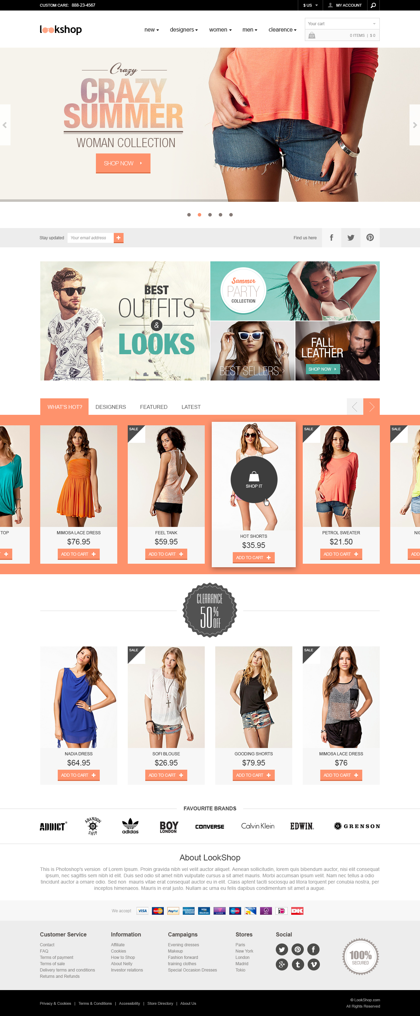

With hovering mouse, this element will get -70% alpha.
With click, hero-area will be changed with Fade-In and Fade-Out animation.

Prepare altenative image with duplicating this image.
Width is 1200px as fixed.

This bar is colored with css background property and will follow along windows size.

With hovering mouse, these banners will get -70% alpha.

With hovering mouse, these text will get orange background color as same as active one.
With click, bottom portofolio list will be changed.
Prepare altenartive lists as dummy.
With hovering mouse, this arrow will get orange background color like sample indicated at left.
With click, bottom portofolio list will be slided one by one.

This background is colored with css background property and will follow along windows size.
It means number of portofolio photos will be changed along window size

This "SALE" tag will be attached with set particular class.

With hovering mouse, this element will expand and new element with text "SHOP IT" will be displayed like sample indicated at left.

These text links will get under line with hovering mouse.

This bar is colored with css background property and will follow along windows size.

This bar is colored with css background property and will follow along windows size.

