Node.js SetUpAndSocketProgram
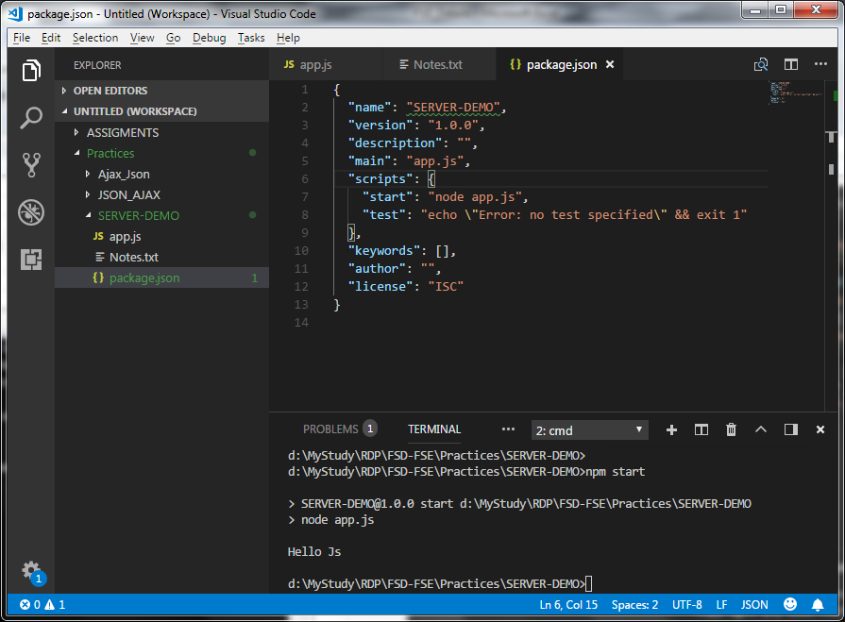
 | 1. Create folder SERVER-DEMO
 | 2. add app.js
 | 3. add some code like log in app.js
 | 4. to execute : node app.js

 | 5. To create package.json (This is descriptor file for Node.js code)
 | SERVER-DEMO> npm init

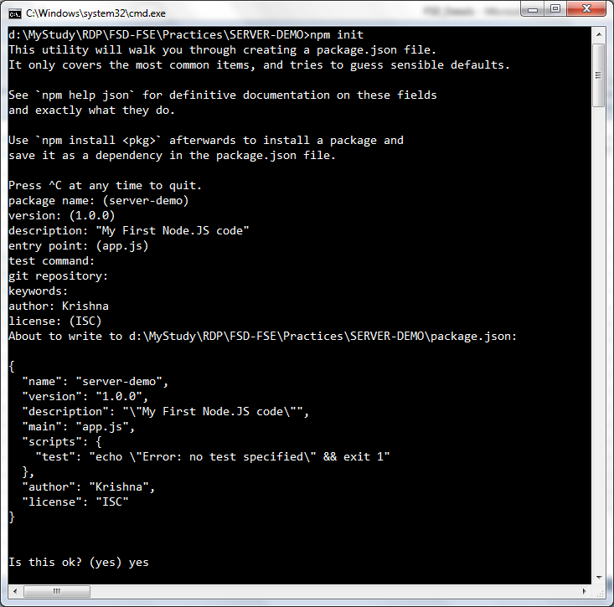

 | 6. Alternative to step 05 : npm init -y
 | It all default parameters

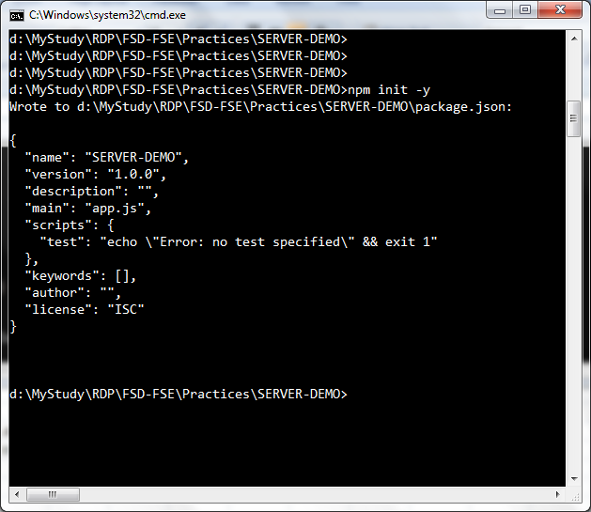

7 | Add start script in package.json file

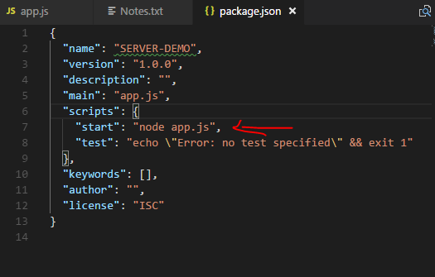

8 | To run app.js from command promte
 | d:\MyStudy\RDP\FSD-FSE\Practices\SERVER-DEMO>npm start
 |  | In this case if u make any changes in app.js you have to rerun the 'npm start' to effect the changes
 | Advance Alternate to step 08
9 | To monitor the code chage of application without restarting the sever
 | "start": "nodemon app.js"

 | To add nodemon dependencies
 | d:\MyStudy\RDP\FSD-FSE\Practices\SERVER-DEMO>npm install nodemon

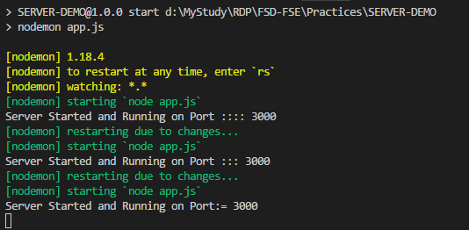

 | How to create express application

 | d:\MyStudy\RDP\FSD-FSE\Practices\SERVER-DEMO>npm install express

 | It will Add express dependancies

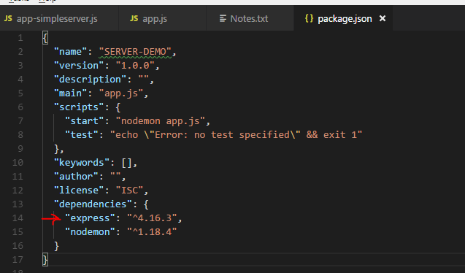

 |  | Wed, Aug 29

 |  | Friday, Aug 31

AngularJS
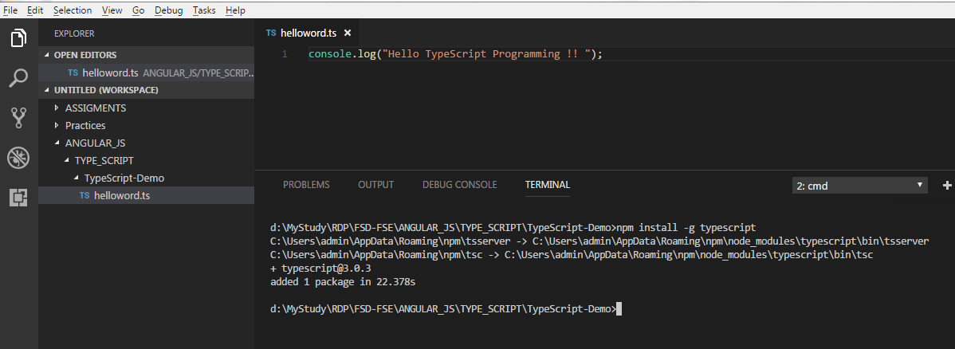
Recordings
username :: Jul_cohort_1130@stackroute.in
password :: P@ssw0rd

Building your first TypeScript file http://www.typescriptlang.org/docs/home.html

 | npm install -g typescript |  | To install typescript

 | compail and run ts file.
 | >tsc helloword.ts | It compail and create .js file
 | >node helloword.js | To run created .js file

 | Angular Set-Up and my-first-app
 | https://angular.io/guide/quickstart

 | https://angular.io/guide/quickstart |  |  | This site guide you on how to get quick start on Angular Step By Step

SpringBoot
Create web application using: |  |  |  | https://start.spring.io/
 |  |  |  |  |  | When Error |  | Caused by: java.net.BindException: Address already in use: bind
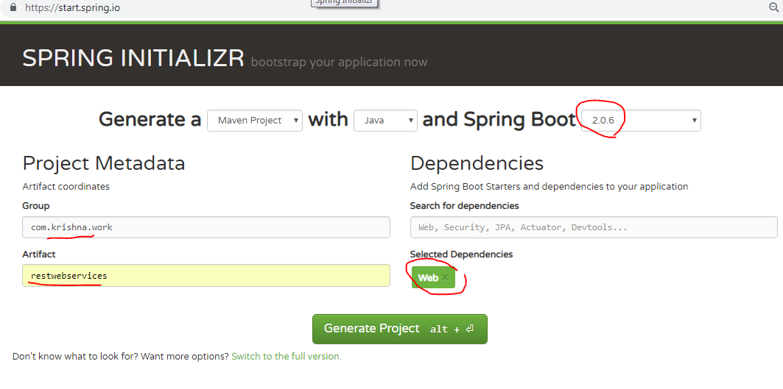
 |  |  |  |  |  | How to Know process/service run on specific port

 |  |  |  |  |  | step 1 | Run command promte as Admin Mode

 |  |  |  |  |  | Step 2 | C:\Windows\system32>netstat -ano | findstr 8080

 |  |  |  |  |  | Step 3 | C:\Windows\system32>taskkill /F /pid 3704

Open command Promte and run below commands
 | D:\MyStudy\SPRING_BOOT_WS\restwebservices>mvn clean package

 | D:\MyStudy\SPRING_BOOT_WS\restwebservices>java -jar target\restwebservices-0.0.1-SNAPSHOT.jar

Create eclispe workspace and import project in Eclipse
 | Only two files required to run sample rest we application
1. file with main method
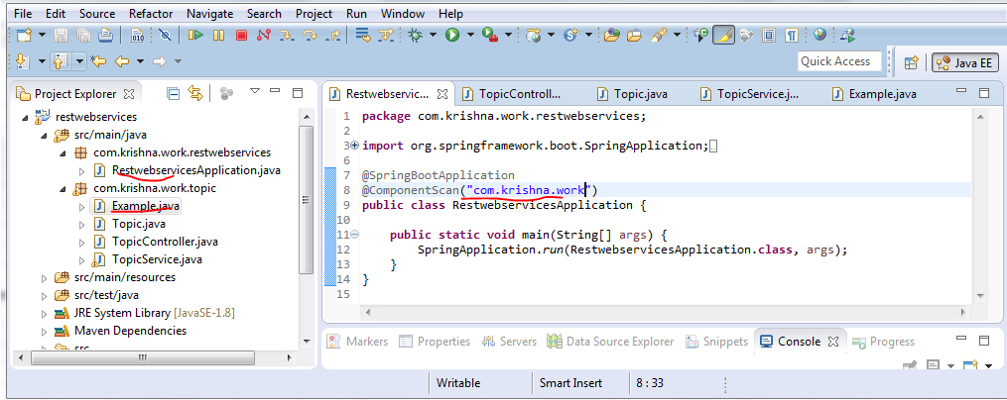

2. File with rest controler
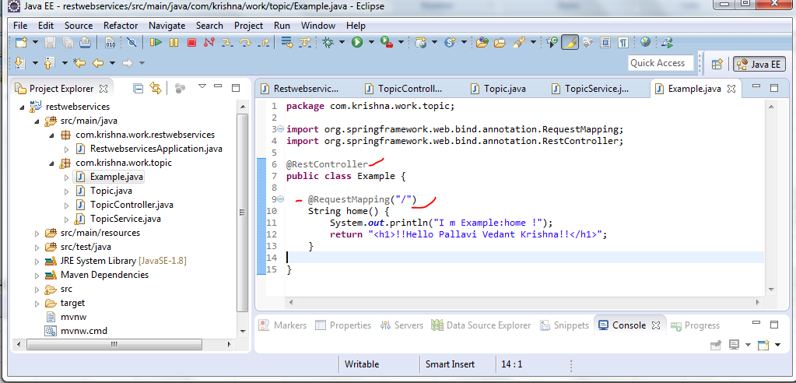

Hit on Chrome
 | http://localhost:8080/

I18N

Content Negotiation -

 | Bydefault below method will return the JSON response,

 | @GetMapping(path="/users")
 | public List<User> retriveAllUser(){
 |  | System.out.println("----UserResource::retriveAllUser-----");
 |  | return userDaoService.findAll();
 | }

 | To get the xml response from same method we need to add a dependancy in pom.xml

 |  | <dependency>
 |  |  | <groupId>com.fasterxml.jackson.dataformat</groupId>
 |  |  | <artifactId>jackson-dataformat-xml</artifactId>
 |  | </dependency>

 | Additionally, while calling this REST API we have to add/configue the 'Accept=application/xml' in Header part as below

 | Response would be like below

Static Filtering for RESTful Service
 |  | E.g. we want to remove/filter dob attribut from above List items
 |  | Solution | Approch 1: field level
 |  |  | Just add @JsonIgnore on the file which want to filter. It will work for both xml and json response.
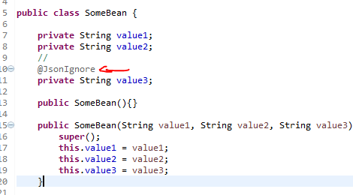

 |  |  | Approche 2: class level |  | It will ignore/filter the value1 and value2, But it has hard coding the field name, so 1st Approch in much better

 |  | This call Static filtering because while define the class itself we are mentioning the filter. It will not return @JsonIgnore field for all requests,
 |  | But it may be the case we want to ignore/filter different attributes for different request , where in Dynamic filter requires.

Security for RESTful Service

 |  | D:\MyStudy\KrishnaWorkSpace\SpringPractices\src\main\resources\SpringConfig.xml
 |  | D:\MyStudy\KrishnaWorkSpace
 |  | D:\MyStudy\KrishnaWorkSpace\SpringPractices

Micro-Services: Feign
 |  | Feign is the spring boot Netflex dependency which is used to call/Consume the Other External Rest serice from your application (Rest service)
 |  | Traditional way to call External Rest services is by using the RestTemplate But it has lot-off boiler plate code rewritting, Feing provide the shorter way with less code.
 |  | Below are the Simple steps to implement Feing in your Rest Service application
 | 1 | Add spring boot Feign dependency in pom
 | 2 | Add/Enable Feign poxy client
 | 3 | Add the External Service methods we want to call
 | 4 | Autowired the Feign proxy client we want to in Rest controller to use it

Micro-Services: ribbon

 |  | Spring boot 'ribbon' feture is used to load balancing feature, e.g. For a single service we want to have multiple instances running and
 |  | request should be distributten among those instances.
 |  |  | Ribbon take the Help of Eureka to know how many instances of perticular service running on current time.
 |  |  | And accordingly It re-direct or load balance request to one of the running instances.

Micro-Services: Eureka (Naming Server)
 |  | Eureka is naming server, It offers the service registration and service discovery functionality.
 |  | Ribbon feture take the help on Naming server/Eureka to know the running instances of the services.

Micro-Services: API GATEWAYS
 |  | In micro-service enviroment there are multiple service running and communication with each other.
 |  | In such cases there are some common feture such as Authentications, Authorizations, Security and Etc…
 |  |  | Rate Limits: to limit the request trafic with respect to time
 |  |  | Fault Tolerance: In case any service down there should be grassfull handling instead of failling the application.
 |  |  | Service Aggregation
 |  | So In such case, instead of communication different services directly with each-other they should communicate via API GATEWAYS.

Micro-Services: Zuul
 |  | API GATEWAYS get implemented using the Zuul
 |  | 1 | We have create seprate REST Service in which we have Implement ZuulFilter Interface.

Micro-Services: ZipKin Server/Spring Cloud Sleuth
 |  | Slulth
 |  | ZipKin is the distributed tracing system. In Micro-service Enviroment a single request get travel across mutiple services/applications
 |  | To trace the failure of request zipkin is used. It has the machnism to assign the unique id to request using spring cloude Sleuth
 |  | So by using that Uniqe Id request is tracable across multiple applications.
 |  | 1 | Add dependency in pom.xml : artifectId : spring-cloud-starter-sleuth
 |  | 2 | create a @Bean AlwaysSampler/Sampler(>=2.0.2) in class-main

 |  | But the logs get printed in different applications all the way request get travaled and it's difficult to see the logs in different application for give request id(sleuth)
 |  | To over come this Zipkin is used which consolidate/collect the logs from different services and display in Single location.

JavaDBconnectivty
F:\SOFTWARE\DB

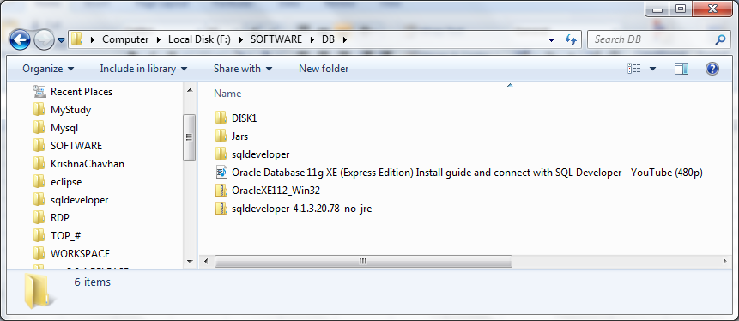

F:\SOFTWARE\DB\sqldeveloper
 | start/click on 'sqldeveloper'
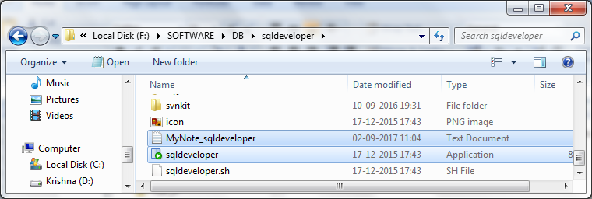

 | on start sqldeveloper will look like below, connect it with password
 |  | Below are the database and their password to work with sqldeveloper.
 |  |  | DataBase Name: | krishnadb
 |  |  | Password: |  | krishnadb
 |  |  | It's defined by me and has RDP and spring practices tables

 |  | below is the system provided. You can use for your practices.
 |  |  | DataBase Name: |  | SYSTEM
 |  |  | Password: |  | SYSTEM

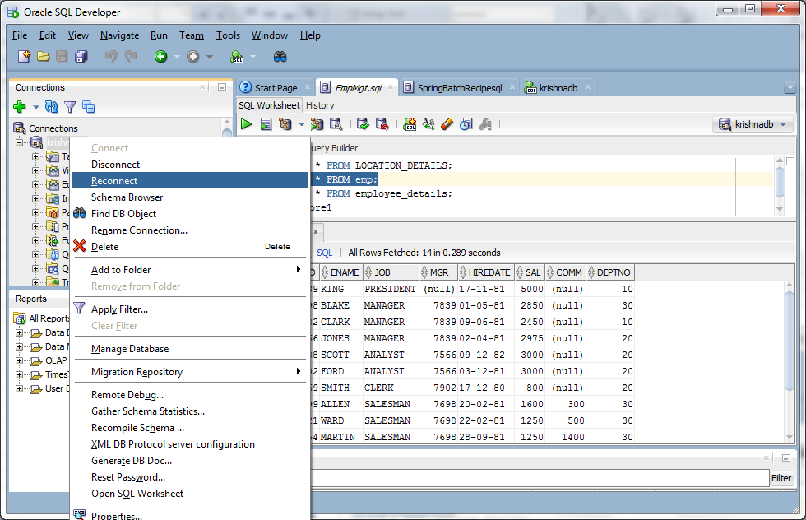

OracleDbConnection.java
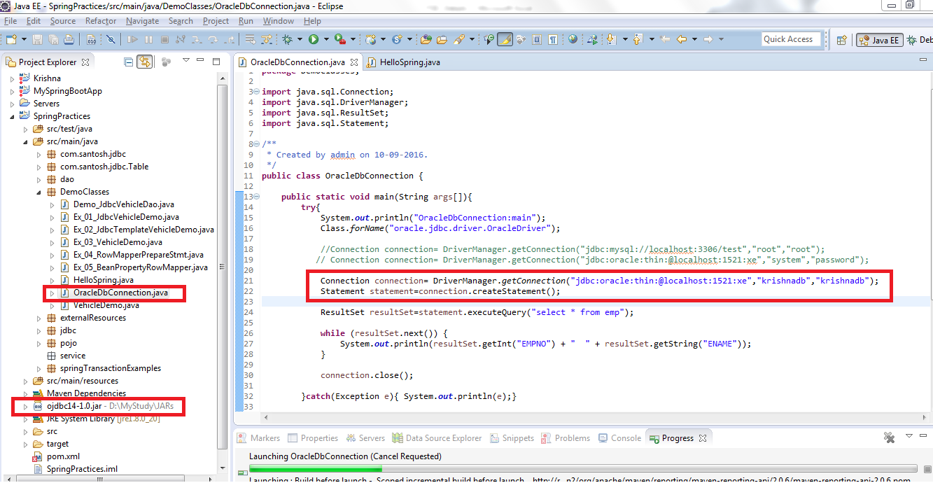

 |  | public static void main(String args[]){
 |  | try{
 |  | System.out.println("OracleDbConnection:main");
 |  | Class.forName("oracle.jdbc.driver.OracleDriver");

 |  | //Connection connection= DriverManager.getConnection("jdbc:mysql://localhost:3306/test","root","root"); |  |  |  | //To connect SQL
 |  | // Connection connection= DriverManager.getConnection("jdbc:oracle:thin:@localhost:1521:xe","system","password");

 |  | Connection connection= DriverManager.getConnection("jdbc:oracle:thin:@localhost:1521:xe","krishnadb","krishnadb");
 |  | Statement statement=connection.createStatement();
 |  | ResultSet resultSet=statement.executeQuery("select * from emp");
 |  | while (resultSet.next()) {
 |  | System.out.println(resultSet.getInt("EMPNO") + " " + resultSet.getString("ENAME"));
 |  | }
 |  | connection.close();
 |  | }catch(Exception e){ System.out.println(e);}

 |  | }

Env_profiles
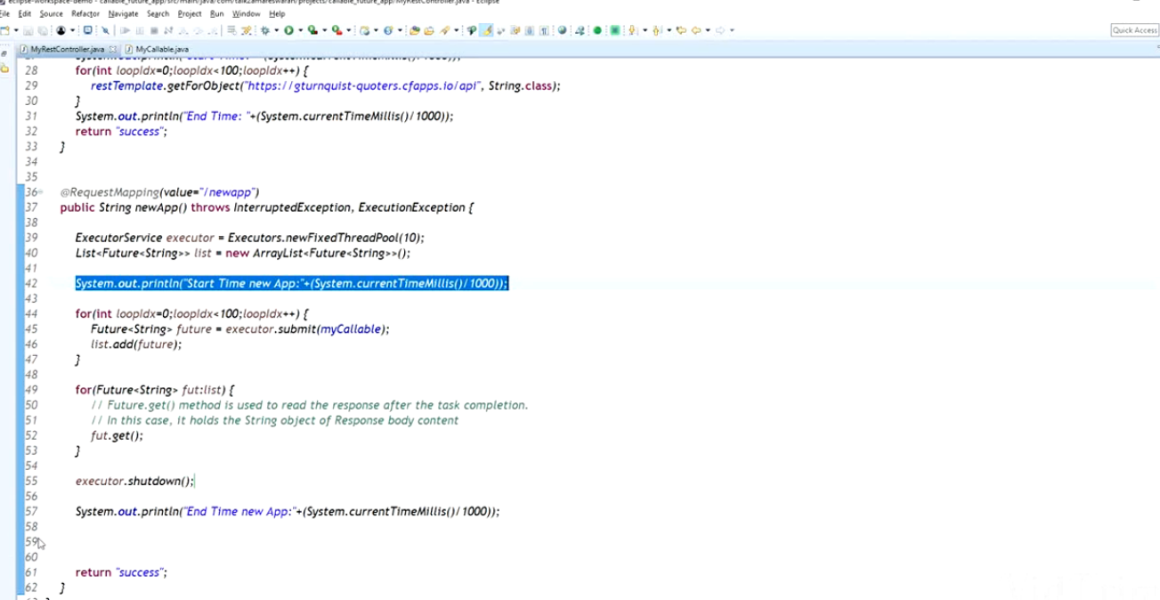
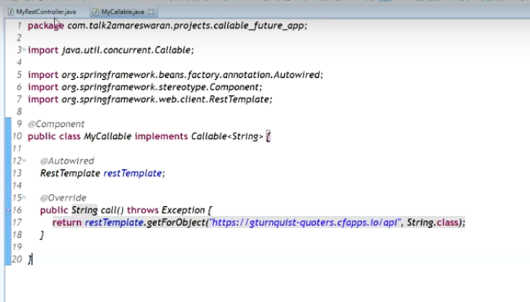
How use application.properties using profile

 | https://www.callicoder.com/spring-boot-configuration-properties-example/

 | Asych call to Rest Api
 | https://www.youtube.com/watch?v=Kohfw-0xc6o

