Labor
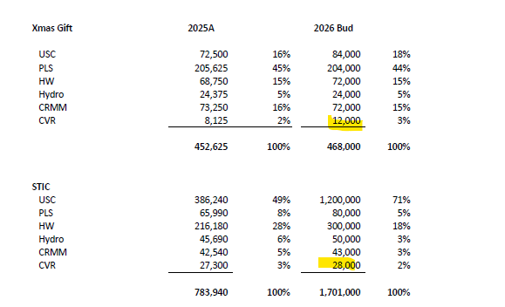
Last Name | First Name | Business Unit | Title | Annual Base Salary | 2026 Annual Base Salary | 2026 Wage Adjustment % | 2026 Wages | 2026 Hourly Rate | S/H | Benefits | Class | Health Ins | Annual Health Ins cost | FUTA | SUTA | Social Security | Medicare | Work Comp | Safe Harbor 3% | Profit Sharing 2% | X-Mas Gift Eligible | Bonus | Bonus %
 | Roy | CVR Engineering | VP of Engineering | $192,816.00 | $192,816.00 | 3.00% | $198,600.48 |  | S | Y | FT | 1,100.00 | 13,200.00 | 42.00 | 243.00 | 11,439.00 | 2,879.71 | 1,986.00 | 5,958.01 | 3,972.01 |  | 29,790.07 | 15%
 | Hayley | CVR Engineering | Senior Engineer | $161,491.00 | $161,491.00 | 3.00% | $166,335.73 |  | S | Y | FT | 1,100.00 | 13,200.00 | 42.00 | 243.00 | 10,312.82 | 2,411.87 | 1,663.36 | 4,990.07 | 3,326.71 |  | 24,950.36 | 15%
 | Bhkti | CVR Engineering | ENG - 3 | $117,000.00 | $117,000.00 | 3.00% | $120,510.00 |  | S | Y | FT | 1,100.00 | 13,200.00 | 42.00 | 243.00 | 7,471.62 | 1,747.40 | 1,205.10 | 3,615.30 | 2,410.20 | 1,500.00 | - | 0%
 | Joseph - PT | CVR Engineering | Priciple Eng | $6,240.00 | $6,240.00 | 3.00% | $6,427.20 |  | H | N | PT | - | - | 38.56 | 173.53 | 398.49 | 93.19 | 64.27 | - | - | - | - | 0%
 | Kevin | CVR Engineering | ENG - 2 | $122,498.93 | $122,498.93 | 3.00% | $126,173.90 |  | S | Y | FT | 1,100.00 | 13,200.00 | 42.00 | 243.00 | 7,822.78 | 1,829.52 | 1,261.74 | 3,785.22 | 2,523.48 | 1,500.00 | - | 0%
 | Craig | CVR Engineering | ENG - 1 | $89,600.00 | $89,600.00 | 3.00% | $92,288.00 |  | S | Y | FT | 1,100.00 | 13,200.00 | 42.00 | 243.00 | 5,721.86 | 1,338.18 | 922.88 | 2,768.64 | 1,845.76 | 1,500.00 | - | 0%
 | Taylor | CVR Engineering | ENG - 1 | $102,500.00 | $102,500.00 | 3.00% | $105,575.00 |  | S | Y | FT | 1,100.00 | 13,200.00 | 42.00 | 243.00 | 6,545.65 | 1,530.84 | 1,055.75 | 3,167.25 | 2,111.50 | 1,500.00 | - | 0%
 | Collin | CVR Engineering | Graphics Tech | $62,400.00 | $62,400.00 | 3.00% | $64,272.00 |  | S | Y | FT | 1,100.00 | 13,200.00 | 42.00 | 243.00 | 3,984.86 | 931.94 | 642.72 | 1,928.16 | 1,285.44 | 1,500.00 | - | 0%
 | Francis | CVR Engineering | ENG - 3 | $128,500.00 | $128,500.00 | 3.00% | $132,355.00 |  | S | Y | FT | 1,100.00 | 13,200.00 | 42.00 | 243.00 | 8,206.01 | 1,919.15 | 1,323.55 | 3,970.65 | 2,647.10 | 1,500.00 | - | 0%
 | Alicia | CVR Engineering | Senior Desinger | $89,400.00 | $89,400.00 | 3.00% | $92,082.00 |  | S | Y | FT | 1,100.00 | 13,200.00 | 42.00 | 243.00 | 5,709.08 | 1,335.19 | 920.82 | 2,762.46 | 1,841.64 | 1,500.00 | - | 0%
 | Auston - PT | CVR Engineering | Graphics Tech | $1,118.00 | $1,118.00 | 3.00% | $1,151.54 |  | H | N | PT | - | - | 6.91 | 31.09 | 71.40 | 16.70 | 11.52 | - | - | - | - | 0%
 | Randy - PT | CVR Engineering | Eng - 4 | $4,056.00 | $4,056.00 | 3.00% | $4,177.68 |  | H | N | PT | - | - | 25.07 | 112.80 | 259.02 | 60.58 | 41.78 | - | - | - | - | 0%

12 |  |  |  | 1,077,619.93 | 1,077,619.93 |  | $1,109,948.52 |  |  |  |  |  | 118,800.00 | 448.54 | 2,504.42 | 67,942.58 | 16,094.25 | 11,099.49 | 32,945.76 | 21,963.84 | 10,500.00 | 54,740.43
 |  |  |  |  |  | Billable Hours | 14,205.00
 |  |  |  |  |  | Non-Billable | 6,015.00 |  |  |  |  |  |  |  |  |  |  |  | 54,909.61 |  | 40,000.00
 |  |  |  |  |  | Toal Hours | 20,220.00 |  |  |  |  |  |  |  |  |  |  |  | Final |  | Final
 |  |  |  |  |  | DL Costing Rate | 54.89

 |  |  |  |  |  |  |  |  |  |  |  |  | Total OPEX: | 311,798.88

Corp OH Alloc & Interest Exp
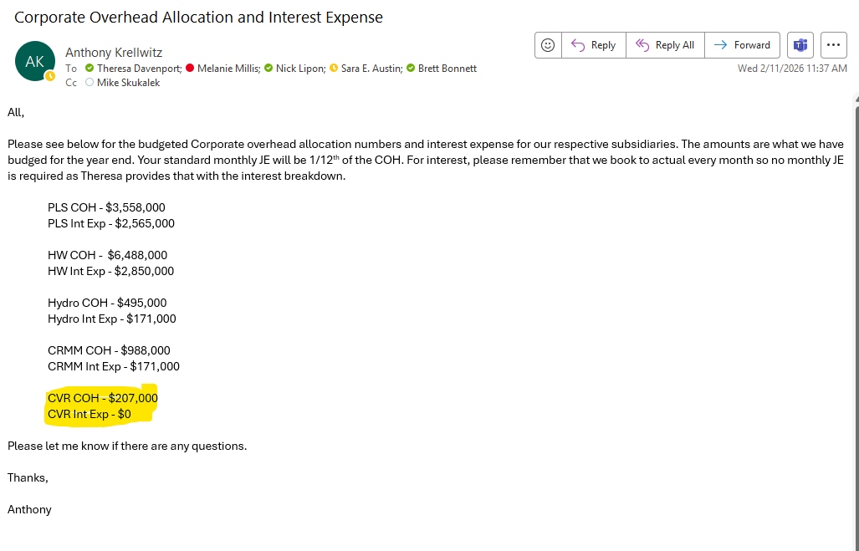
 | Corporate | Interest
 | Overhead | Expense
 | Allocation | Allocation
Year 2026 Allocation | 207,000 | 0
 | (Used) | (Used)

Note:
The detailed calculation is maintained in the USC budget file.

