Sayfa1
Preparation | Requirement Description | Test Steps (How to be Tested) | Expected Results | Actual Results | Proofs | Test Setup | Written By | Executed By | Passed/Failed
Open the application | Accepting Terms of Use and Privacy Policy and opening the app for the first time | 1- Check the "Terms of Use and Privacy Policy" page. 2- Press to the Terms of Use button. 3- Go back by pressing Done 4- Press to the Privacy Policy button. 5- Go back by pressing Done. 6- Press the Continue button without making a mark. 7- Press on the empty circle next to the text "I have read, understood and accept the Terms of Use". 8- Clear previous circle, then press on the empty circle next to the text "I have read, understood and accept the Privacy Policy". 9- Clear previous circle, then press on the both empty circles. 10- Press the Continue button. 11- Press the Get Started button. 12- Press the Continue button. 13- Press the Continue button. 14- Press the Continue button. 15- Press X to close the ad. | 1- The "Terms of Use and Privacy Policy" page is available. 2- The Terms of Use page opens. 3- Went back by pressing Done. 4- The Privacy Policy page opens. 5- Went back by pressing Done. 6- The Continue button is not pressable. 7- The relevant empty circle is marked, but the Continue button is still not pressable. 8- The relevant empty circle is marked, but the Continue button is still not pressable. 9- Both empty circles are marked and the Continue button becomes pressable(Can be understood with its black color). 10- The 'Welcome to Wonder' welcoming page opens.. The Get started button is available. 11- The 'Turn your words into artwork' page opens.. Continue and Skip Demo buttons are available. 12- The 'Turn yourself into Toon Character' page opens.. Continue and Skip Demo buttons are available. 13- The 'Learn more about your Past Life' page opens. Continue and Skip Demo buttons are available. 14- The Wonder PRO advertisement appears on the screen. 15- The application home page opens. | 1- The "Terms of Use and Privacy Policy" page was visible. 2- The Terms of Use page was opened. 3- Went back by pressing Done. 4- The Privacy Policy page opened. 5- Went back by pressing Done. 6- The Continue button was not pressable. 7- The relevant empty circle was marked with a tick and the Continue button was not pressable. 8- The relevant empty circle was marked with a tick and the Continue button was not pressable. 9- Both empty circles were marked and the Continue button had become pressable. 10- The 'Welcome to Wonder' welcoming page opened. The Get started button was seen. 11- The 'Turn your words into artwork' page opened. Continue and Skip Demo buttons were visible. 12- The 'Turn yourself into Toon Character' page opened. Continue and Skip Demo buttons were visible. 13- The 'Learn more about your Past Life' page opened. Continue and Skip Demo buttons were visible. 14- The Wonder PRO advertisement was seen on the screen. 15- The application home page opened. | 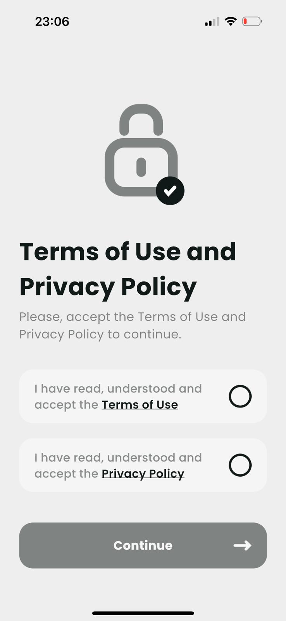 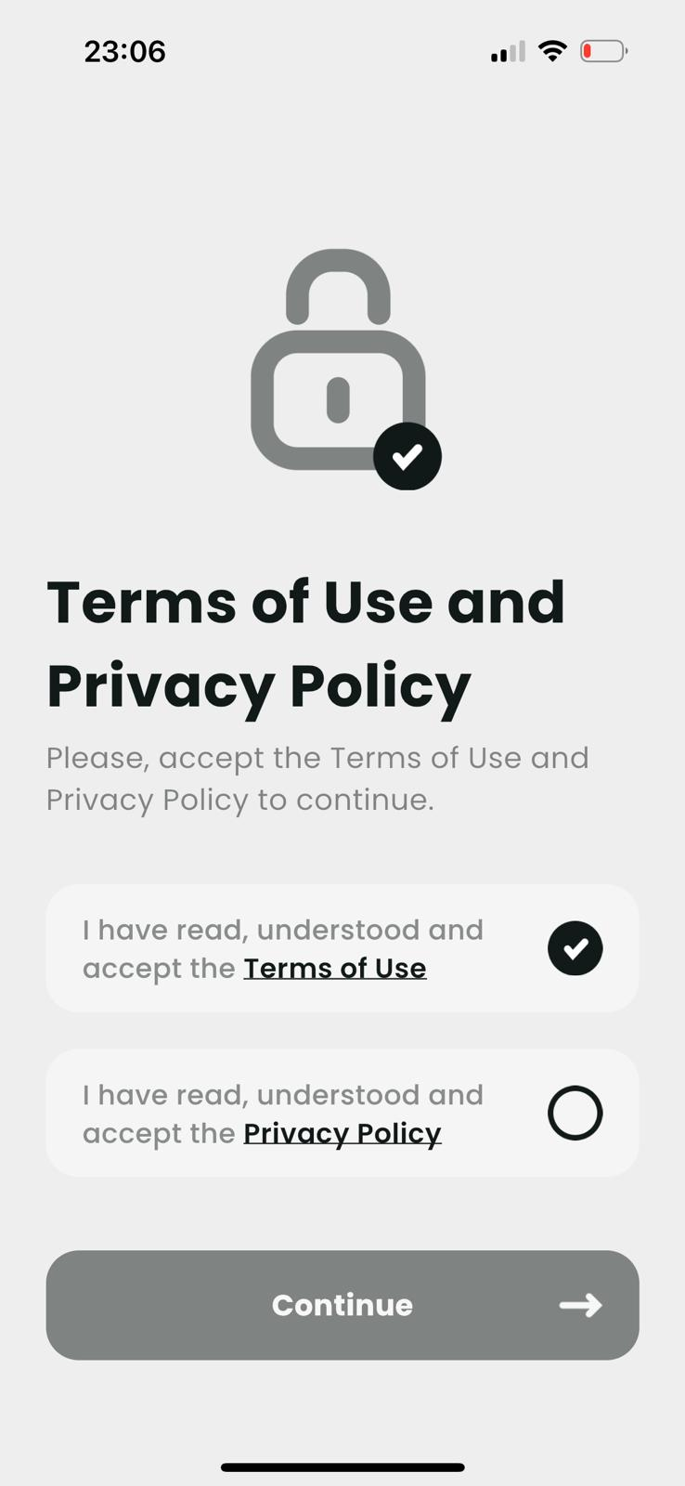 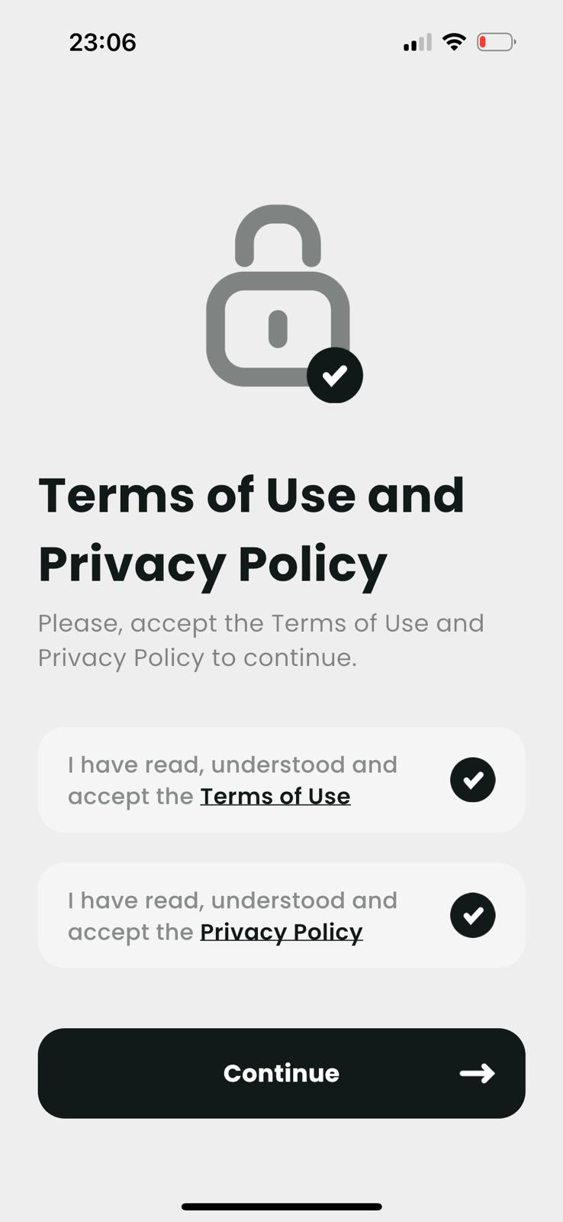 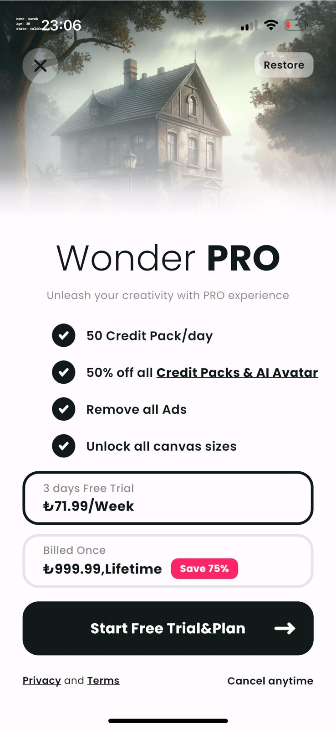 | Application Version: Wonder v4.3.5 Device: iPhone 14 Pro Operating System: iOS 17.1.2 Software Version: İOS 17.4 Processor: A16 Bionic Date: 03.13.2024 | Reşat Doğa BAŞOĞLU | Reşat Doğa BAŞOĞLU | PASSED
Open the application, come to the mainpage. *Log out from settings with Delete button when switching between other accounts. | Checking the Registering process of new users | 1- Press the profile button at the top left of the page. 2- Press the "Sign up with email" button. 3- Enter an invalid email and password. Then press the "Create Account" button. 4- Enter a valid email and password. Then press the "Create Account" button. 5- Return to the Profile. Press the "Sign up with Apple" button. 6- Press the Continue button. 7- Return to the Profile. Press the "Sign up with Google" button. 8- Press the Cancel button. 9- Return to the Profile. Press the "Sign up with Google" button. Press the Continue button. 10- Choose a proper account. Keep pressing Continue. 11- Return to the Profile. Press the "Sign up with Facebook button. 12- Press the Cancel button. 13- Return to the Profile. Press the "Sign up with Facebook" button. Press the Continue button. 14- Continue with the Facebook account. Keep pressing Continue. | 1- The profile page is opened. In the page, there are 4 different options for signing up. "Welcome to Wonder Sign up to access artworks in your gallery" writing is visible. 2- Sign in with page is opened. There are email address and password text lines and a "Create Account" button. The Create Account button is not pressable. 3- "Authentication failed Invalid email" text is shown. Registration failed. 4- Profile page is changed. User name is shown as Wonderer#"number" and "Let's Go" button is visible. Registration is successful. 5- The question "Would you like to sign in to Wonder AI Art Generator with your Apple ID?" is shown. There is a pressable Continue button. 6- Profile page is changed. User name is shown as Wonderer#"number" and "Let's Go" button is visible. Registration is successful. 7- The text "'wonder'" wants to use 'google.com' to log in" appears. There are pressable Continue and Cancel buttons. 8- "Authentication failed Please try again" text is shown. Registration failed. 9- Gmail page is opened. User is asked to choose a proper gmail account. 10- Profile page is changed. User name is shown as Wonderer#"number" and "Let's Go" button is visible. Registration is successful. 11- The text "'wonder'" wants to use 'facebook.com' to log in" is shown. There are pressable Continue and Cancel buttons. 12- "Authentication failed Please try again" text is shown. Registration failed. 13- Facebook page is opened. User is asked to continue with Facebook account. 14- Profile page is changed. User name is shown as Wonderer#"number" and "Let's Go" button is visible. Registration is successful. | 1- The profile page was opened. There were 4 different options for signing up. "Welcome to Wonder Sign up to access artworks in your gallery" writing was visible. 2- Sign in with page was opened. There were email address and password text lines and a "Create Account" button. The Create Account button was not pressable. 3- "Authentication failed Invalid email" text was shown. Registration failed. 4- Profile page is changed. User name is shown as Wonderer#"number" and "Let's Go" button was visible. Registration was Successful. 5- The question "Would you like to sign in to Wonder AI Art Generator with your Apple ID?" was shown. There was a pressable Continue button. 6- Profile page was changed. User name is shown as Wonderer#"number" and "Let's Go" button was visible. Registration was Successful. 7- The text "'wonder'" wants to use 'google.com' to log in" appeared. There were pressable Continue and Cancel buttons. 8- "Authentication failed Please try again" text was shown. Registration failed. 9- Gmail page was opened. I am asked to choose a proper gmail account. 10- Profile page was changed. User name is shown as Wonderer#"number" and "Let's Go" button was visible. Registration was successful. 11- The text "'wonder'" wants to use 'facebook.com' to log in" was shown. There were pressable Continue and Cancel buttons. 12- "Authentication failed Please try again" text was shown. Registration failed. 13- Facebook page was opened. I am asked to Continue with Facebook account. 14- Profile page was changed. User name is shown as Wonderer#"number" and "Let's Go" button was visible. Registration was Successful. | 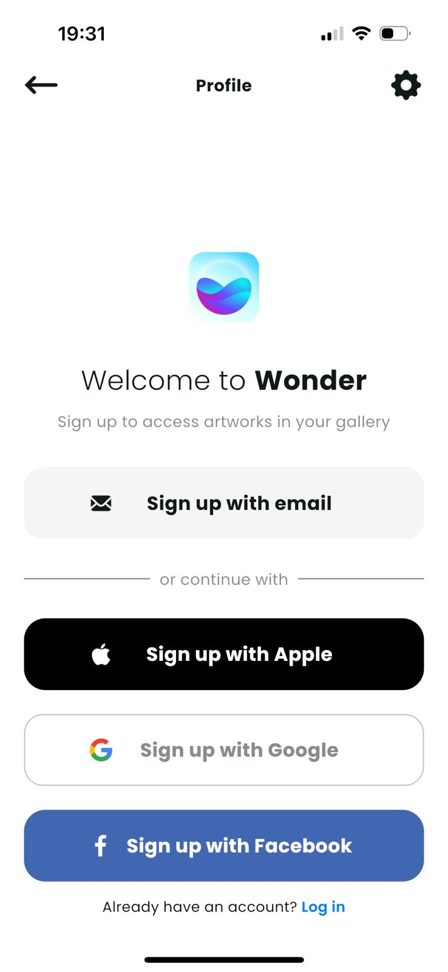 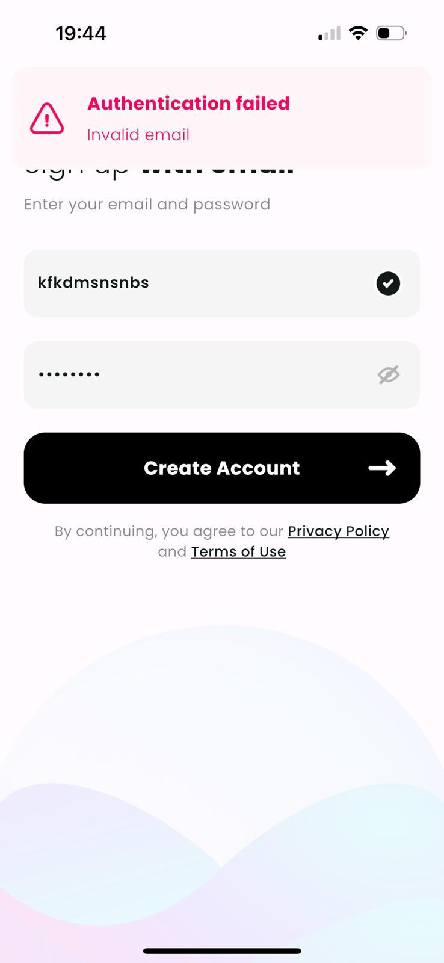 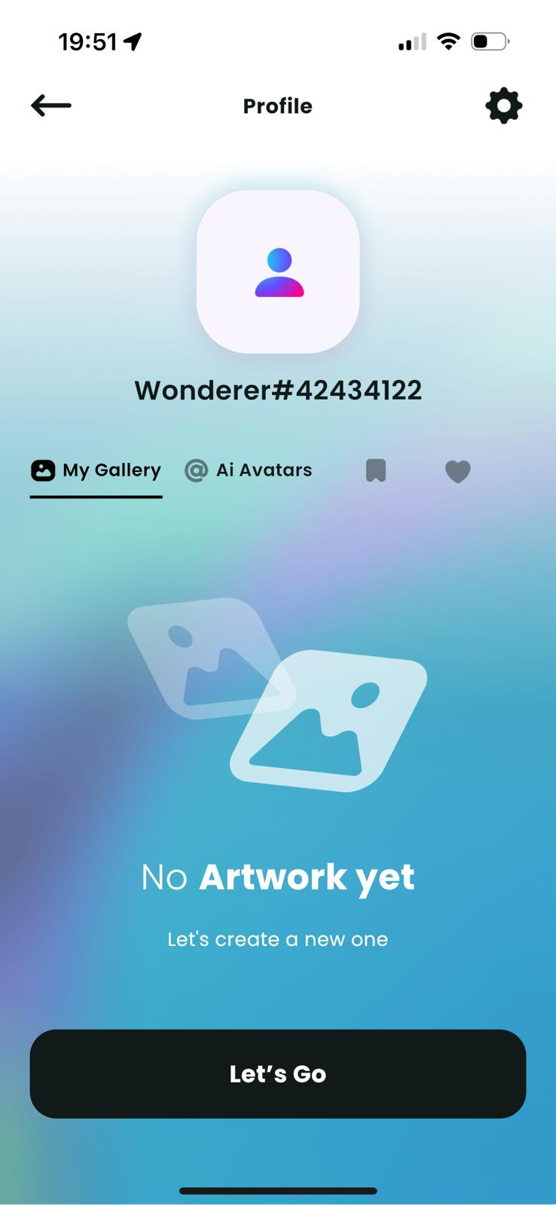 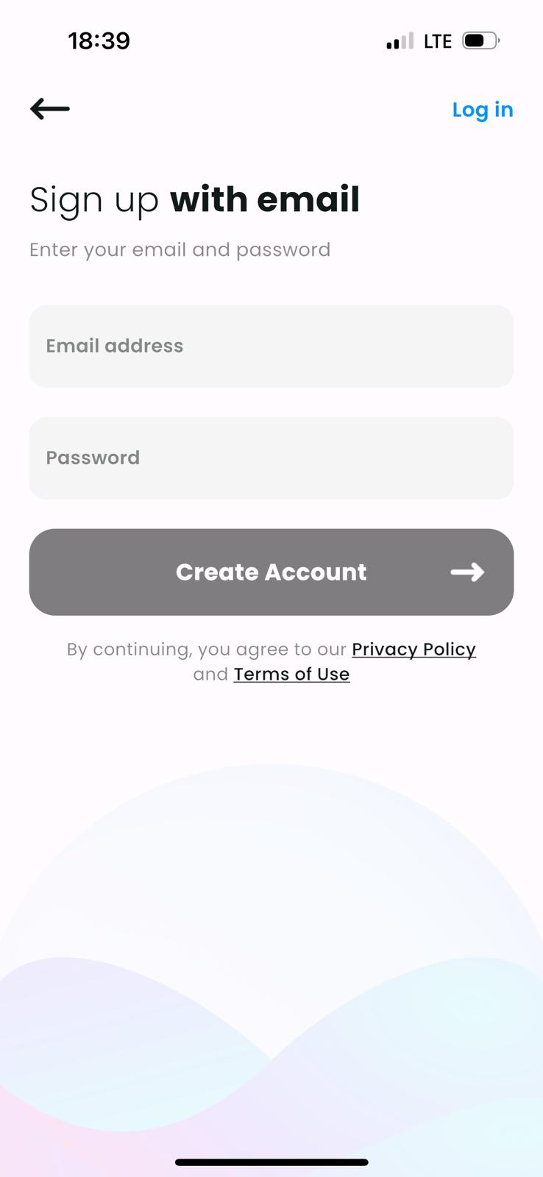 | Application Version: Wonder v4.3.5 Device: iPhone 14 Pro Operating System: iOS 17.1.2 Software Version: İOS 17.4 Processor: A16 Bionic Date: 03.13.2024 | Reşat Doğa BAŞOĞLU | Reşat Doğa BAŞOĞLU | PASSED
Open the application Log out from the Settings | Checking the Logging in Process of Registered Users | 1- Go to the Profile by pressing the " " button. 2- Press the "Log in" button. 3- Press the "Log in with email" button. 4- Enter invalid email and password, then press the "Log in" button. 5- Enter registered email and password, then press the "Log in" button. 6- Press the "Yes, Transfer Now" button. 7- Go to Seetings and Press the "Sign out" button. Return to the Log in page, then press the "Continue with Apple" button. 8- Continue with Apple ID. Pass verification steps. Press the "Yes, Transfer Now" button. 9- Go to Seetings and Press the "Sign out" button. Return to the Log in page, then press the "Continue with Google" button. 10- Grant the permissions and select the registered google account. Press the "Yes, Transfer Now" button. 11- Go to Seetings and Press the "Sign out" button. Return to the Log in page, then press the "Continue with Facebook" button. 12- Grant the permissions and select the registered facebook account. Press the "Yes, Transfer Now" button. | 1- The Profile opens. A "Log in" button is available at the bottom right of the page. 2- The Profile page changes. There are welcoming texts, "or continue with" text, "Log in with email", Continue with Apple", "Continue with Google" and "Continue with Facebook" options and a "Sign up" button available on the page. 3- "Log in with email" page opens. "Email address" and ""Password" typing sections and a "Log in" button are available on the page. 4- "Authentication Failed Please Try Again" text appears on the screen. Login Fails. 5- "Sync your account to this device!" section appears. "Yes, Transfer Now" and "Stay with Current Account" buttons are available on the page. 6- The user logs into the account. Profile opens. 7- Device asks if the User wants to continue with Apple ID. 8- The user logs into the account. Profile opens. 9- A text "'wonder'" wants to use 'google.com' to log in" appears. 10- The user logs into the account. Profile opens. 11- A text "'wonder'" wants to use 'facebook.com' to log in" appears. 12- The user logs into the account. Profile opens. | 1- The Profile opened. The "Log in" button was visible at the bottom right of the page. 2- The Profile page changed. Welcoming texts, "or continue with" text, "Log in with email", Continue with Apple", "Continue with Google" and "Continue with Facebook" options and the "Sign up" button were visible on the page. 3- "Log in with email" page opened. "Email address" and ""Password" typing sections and the "Log in" button were visible on the page. 4- "Authentication Failed Please Try Again" text appeared on the screen. Login Failed. 5- Main page opened. Login successful. 5- "Sync your account to this device!" section appeared. "Yes, Transfer Now" and "Stay with Current Account" buttons were visible on the page. 6- Logged into the account. The Profile page opened. 7- The device asked if I want to continue with Apple ID. 8- Logged into the account. The Profile page opened. 9- The text "'wonder'" wants to use 'google.com' to log in" appeared. 10- Logged into the account. The Profile page opened. 11- The text "'wonder'" wants to use facebook.com' to log in" appeared. 12- Logged into the account. The Profile page opened. | 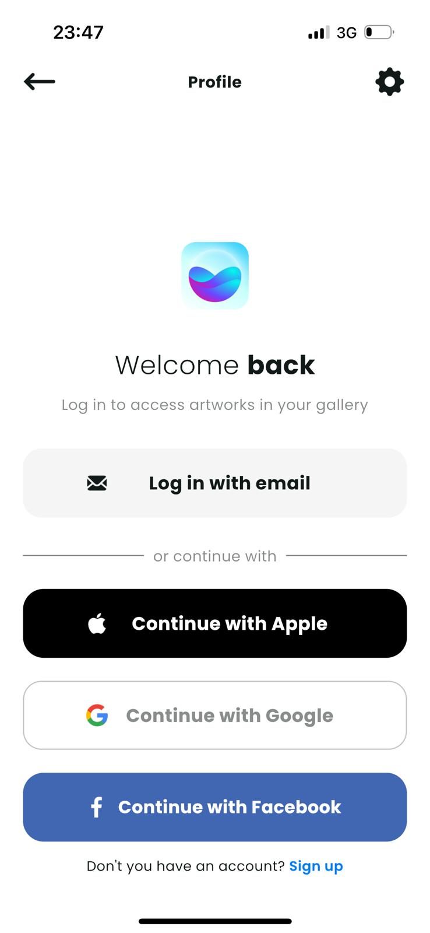 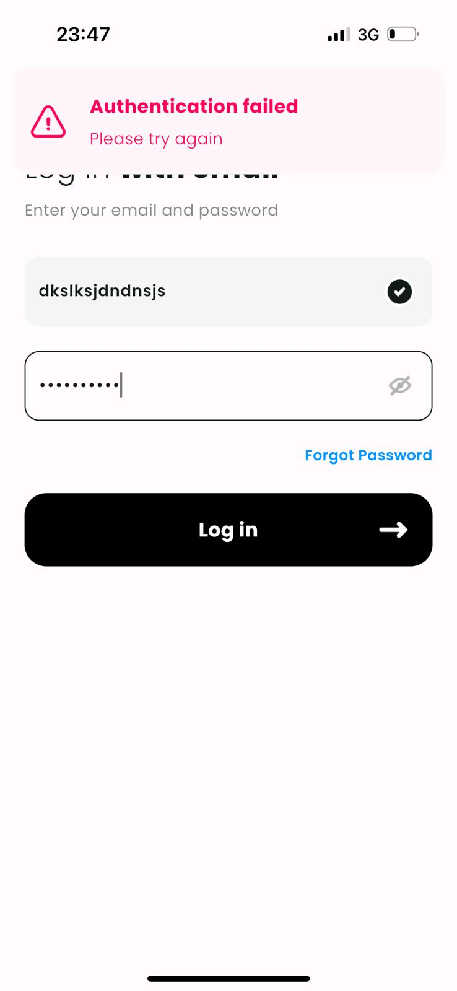 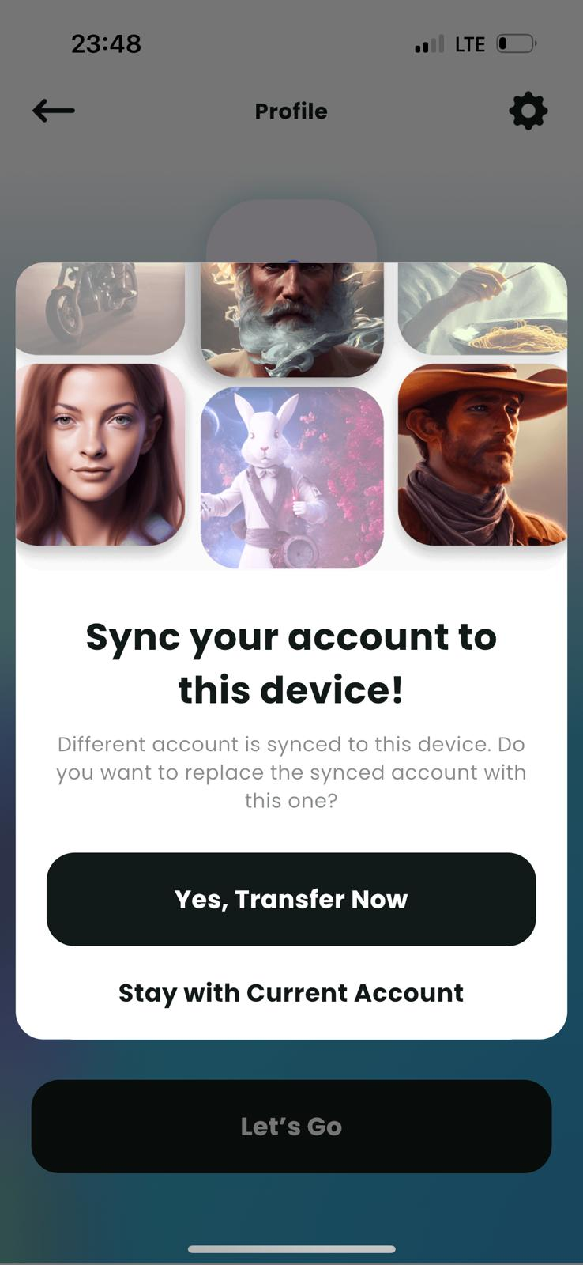 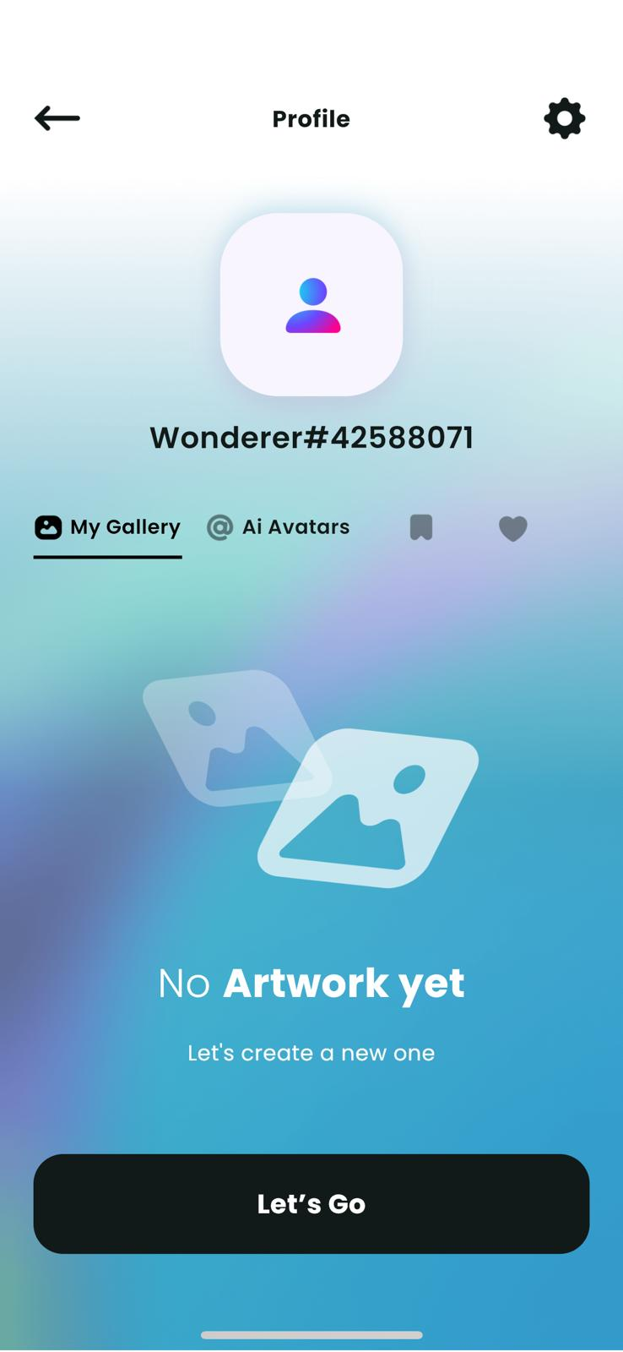 | Application Version: Wonder v4.3.5 Device: iPhone 14 Pro Operating System: iOS 17.1.2 Software Version: İOS 17.4 Processor: A16 Bionic Date: 03.13.2024 | Reşat Doğa BAŞOĞLU | Reşat Doğa BAŞOĞLU | PASSED
Open the application, log in the account (doga.basoglu@icloud.com), come to the mainpage. Open the Profile page by pressing Profile button. | Checking the Settings section | 1- Press the " " button at the top right of the Profile page. 2- Press the "Try Pro Now" button. 3- Return to the Settings page. Press the Share Wonder button. 4- Return to the Settings page. Press the Follow on Discord button. 5- Return to the Settings page. Press the Follow on Instagram button. 6-Return to the Settings page. Press the Follow on Twitter button. 7- Return to the Settings page. Press the Follow on Tiktok button. 8- Return to the Settings page. Press the About Codeway button. 9- Return to the Settings page. Press the Like Us,Rate Us? button. 10- Return to the Settings page. Press the Rights Policy button. 11- Return to the Settings page. Press the Community Guidelines button. 12- Return to the Settings page. Press the Sync Account & Device button. 13- Return to the Settings page. Press the Sync Sign Out button. 14- Sign in again. Return to the Settings page. Press the Delete Account button. 15- Press the "Continue" button. | 1- Setting page opens. "Try Pro Now" ads. is available. All buttons are visible. 2- Directed to the Wonder Premium Subscription screen. Confirmation option is active. 3 day free trial and weekly fee informations are visible. 3- Options of sharing the application appear along with the text "Hey! I use Wonder to create awesome artworks just by typing...". 4- Wonder channel invitation is opened in the relevant application. 5- Wonder Instagram page is opened in the relevant application. 6- The app directs the user to the Wonder's Twitter page. 7- The app directs the user to the Wonder's Tiktok page. 8- Codeway Instagram page is opened in the relevant application. 9- User is directed to the comments section of the Wonder app in the store. 10- The app directs the user to the Rights Policy page. Texts are readable. 11- The app directs the user to the Community guidelines page. 12- "Sync your account to this device" text appears. "Sync Now" and "Maybe Later" buttons are available. 13- "Signed out successfully" text appears. User signs out successfully. 14- "Are your sure to delete?" screen appears. "This action removes your account and cannot be undone. Before deleting, you must login again." text is visible. Continue and Cancel buttons are available. 15- "Signed out successfully" text appears. User signs out successfully. | 1- Setting page opened. "Try Pro Now" ads. was available. All buttons were visible. 2- Directed to the Wonder Premium Subscription screen. Confirmation option was active. 3 day free trial and weekly fee informations were visible. 3- Options of sharing the application appeared along with the text "Hey! I use Wonder to create awesome artworks just by typing...". 4- Wonder channel invitation opened in the Discord application. 5- Wonder Instagram page opened in the Instagram application. 6- In the app, directed to the Wonder's Twitter page. 7- In the app, directed to the Wonder's Tiktok page. 8- Codeway Instagram page opened in the Instagram application. 9- Directed to the comments section of the Wonder app in the store. 10- In the app, directed to the Rights Policy page. Texts were readable. 11- In the app, directed to the Community guidelines page. Texts were readable. 12- "Sync your account to this device" text appeared. "Sync Now" and "Maybe Later" buttons were available. 13- "Signed out successfully" text appeared. Signed out successfully. 14- "Are your sure to delete?" screen appeared. "This action removes your account and cannot be undone. Before deleting, you must login again." text was visible. Continue and Cancel buttons were visible. 15- "Signed out successfully" text appeared. Signed out successfully. | 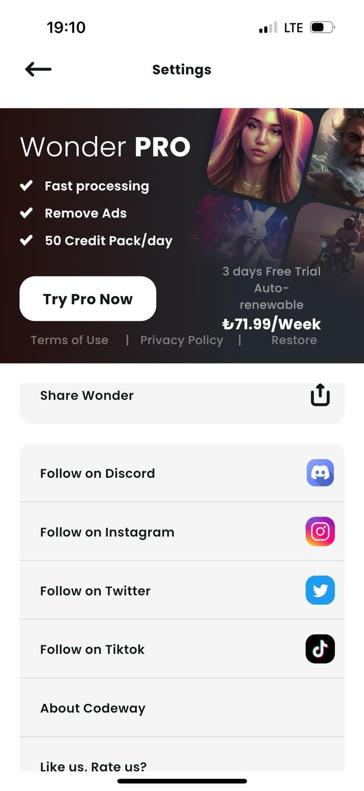 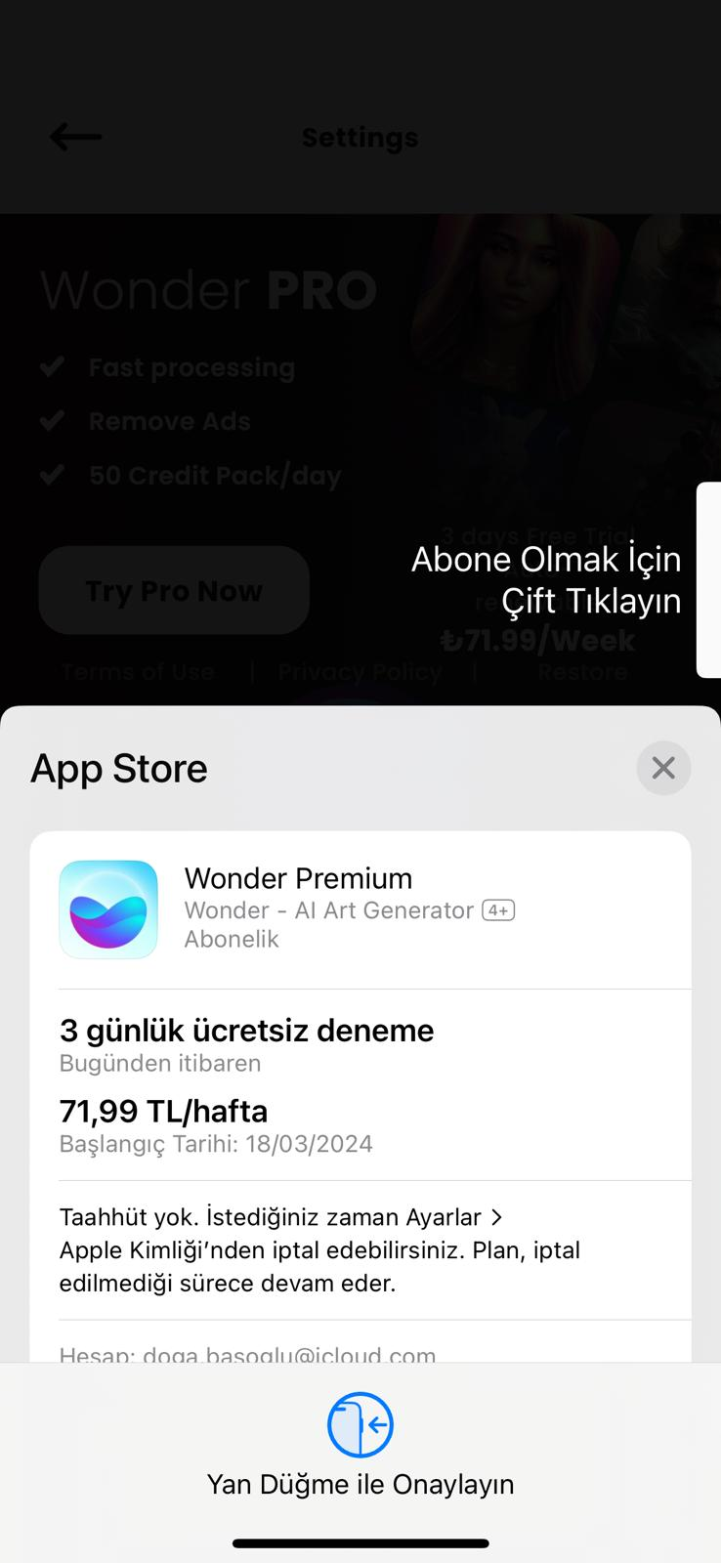 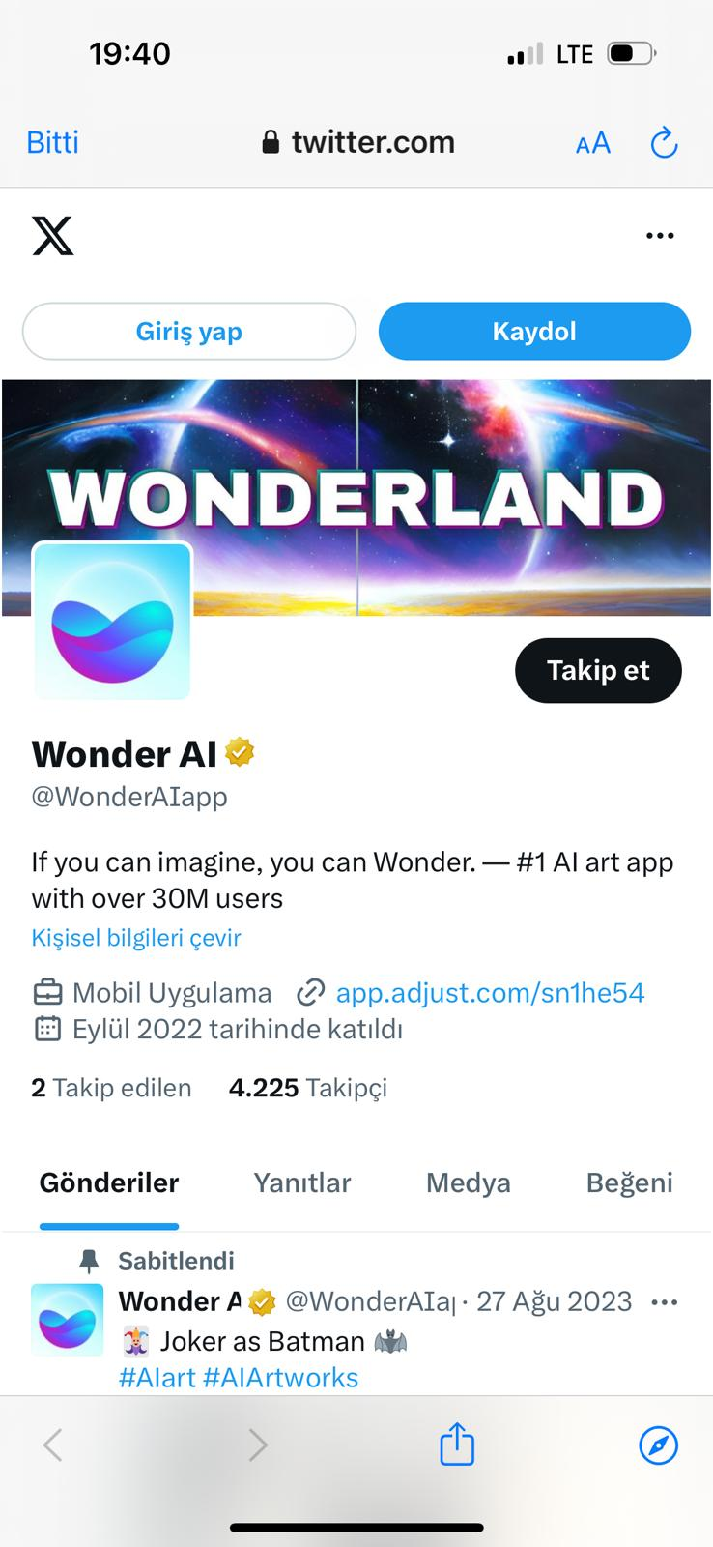 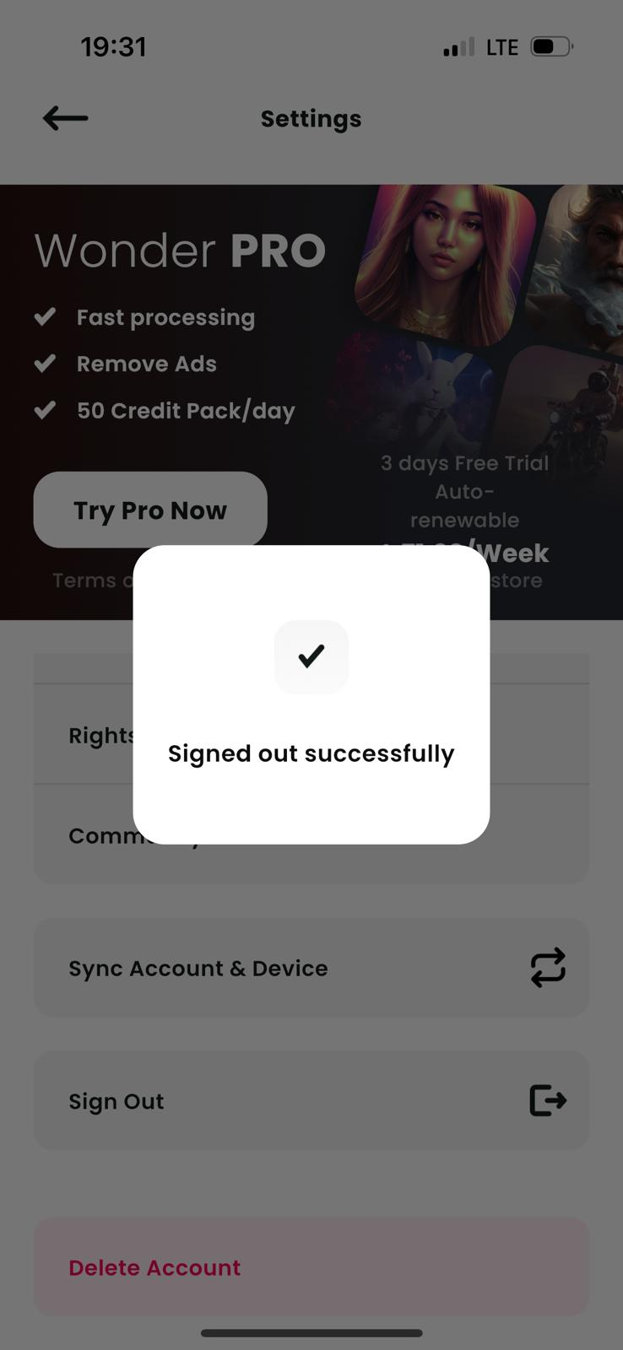 | Application Version: Wonder v4.3.5 Device: iPhone 14 Pro Operating System: iOS 17.1.2 Software Version: İOS 17.4 Processor: A16 Bionic Date: 03.14.2024 | Reşat Doğa BAŞOĞLU | Reşat Doğa BAŞOĞLU | PASSED
Open the application, log in the account (doga.basoglu@icloud.com), come to the mainpage. | Checking the AI Avatars section, Uploading Single and Couple Photos, Creating an Avatar. | 1- Press the "AI Avatars button at the top of the page. 2- Press the "Try Now" button. 3- Press the Persons' Create button. 4- Press the "Got It!" 5- Press the "Select 10 Photos" button. Select 7 good, 3 bad photos which are explained via photo examples and press "Add". 6- Press "Select 3 Photos" button and add 3 more good photos from Gallery. 7- Press one of the buttons. 8- Toggle between options by pressing each one. 9- Return to Select Avatar Type page by keep pressing back(left arrow) buttons at the top left of the page, then press the Couples' Create button. 10- Press the Separate photos' Create button. 11- Press the "Got It!" button. 12- Press the "Let's Go!" button. 13- Select 10 good photos which are suitable to explanation on photo examples and press "Add", Then choose a gender from the "Select your Gender" page. 14- Return to "Couple Avatar" page by keep pressing back(left arrow) buttons, then press the Duo photos' Create button, then press the "Got It!" button at the "What to expect" page. 15- Press the "Select 10 Photos" button then add 10 good Duo photos which are similar to Good Photo Examples. | 1- "AI Avatar" page is opened. "Welcome to the AI Avatar!" welcoming text is visible. "Try Now" button is available. 2- "Select Avatar Type" page is opened. Two Create buttons appear, one for person and one for Couple. Both of them are pressable. 3- What to Expect page is opened. There are single person pictures that divided into good results and bad results. A "Got It!" button is available. 4- Upload Photos page is opened. There are good and bad photo example pictures in the page. "Select 10 Photos" button is available. 5- Gallery is opened. After adding 7 good 3 bad pictures, Upload Photos is opened again and "Select 10 Photos" button changed as "Select 3 Photos". 6- The "Select your Gender" page is opened. There are 3 buttons named "Female", "Male" and "Other". 7- Join the new Wonder page is opened. A "Purchase for 'price'" button is available. There are also 3 different purchasing options for 50-100-200 avatars. 8- As the selected option changes, value of the Purchase button changes. 9- "Couple Avatar" page is opened. Two Create buttons appear, one for Separate photos and one for Duo photos. Both of them are pressable. 10- What to Expect page is opened. There are separate pictures that divided into good results and bad results. A "Got It!" button is available. 11- "How It Works? page is opened. A "Let's Go!" button is available. 12- "Upload Your Photos" page is opened. There are good and bad photo example pictures in the page. "Select 10 Photos" button is available. 13- "Upload your Couple's Photos" page is opened. There are good and bad photo example pictures in the page. "Select 10 Photos" button is available. 14- "Upload Your Photos" page is opened. There are good and bad photo example pictures in the page. "Select 10 Photos" button is available. 15- Join the new Wonder page is opened. A "Purchase for 'price'" button is available. | 1- AI Avatar page was opened. "Welcome to the AI Avatar!" welcoming text is visible. "Try Now" button was available. 2- "Select Avatar Type" page was opened. Person and Couple Create buttons were available. Both of them were pressable. 3- What to Expect page was opened. There were single person pictures that divided into good results and bad results. "Got It!" button was available. 4- Upload Photos page is opened. There were good and bad photo example pictures in the page. "Select 10 Photos" button was available. 5- Gallery was opened. After adding 7 good 3 bad pictures, Upload Photos was opened again and "Select 10 Photos" button changed as "Select 3 Photos". 6- The "Select your Gender" page was opened. There were 3 buttons named "Female", "Male" and "Other". 7- Join the new Wonder page was opened. "Purchase for 'price'" button was available. Purchase options for 50-100-200 avatars were available. 8- As the selected option changed, value of the Purchase button changed. 9- "Couple Avatar" page was opened. Separate photos and Duo photos Create buttons were available. Both of them were pressable. 10- What to Expect page was opened. There were separate pictures that divided into good results and bad results. "Got It!" button was available. 11- "How It Works? page was opened. "Let's Go!" button was available. 12- Upload Photos page is opened. There were good and bad photo example pictures in the page. "Select 10 Photos" button was available. 13- "Upload your Couple's Photos" page was opened. There were good and bad photo example pictures in the page. "Select 10 Photos" button was available. 14- "Upload Your Photos" page was opened. There were good and bad photo example pictures in the page. "Select 10 Photos" button was available. 15- Join the new Wonder page was opened. "Purchase for 'price'" button was available. | 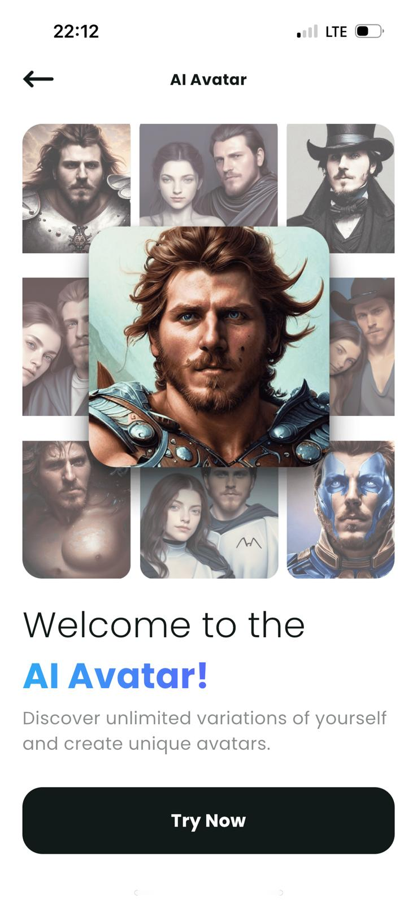 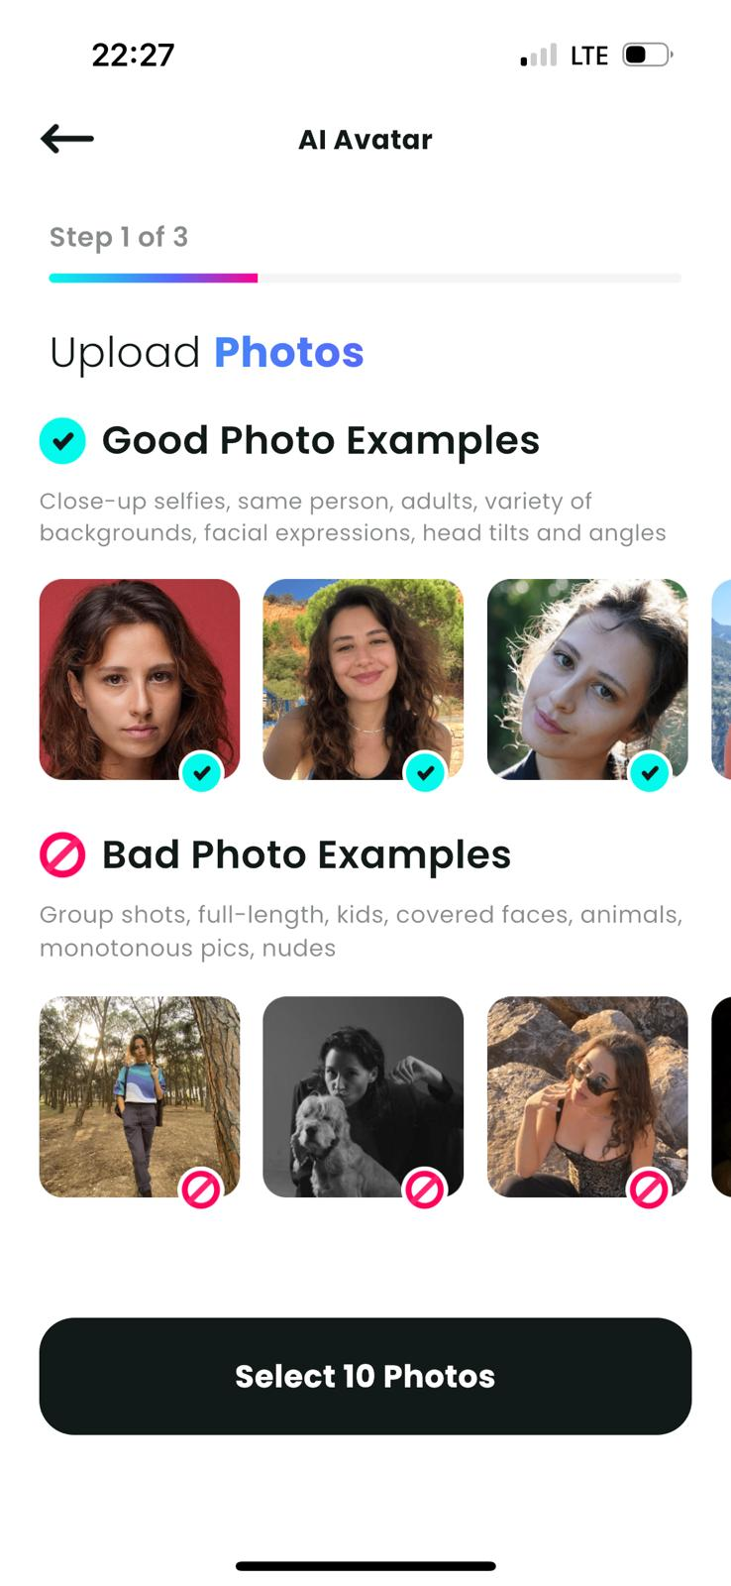 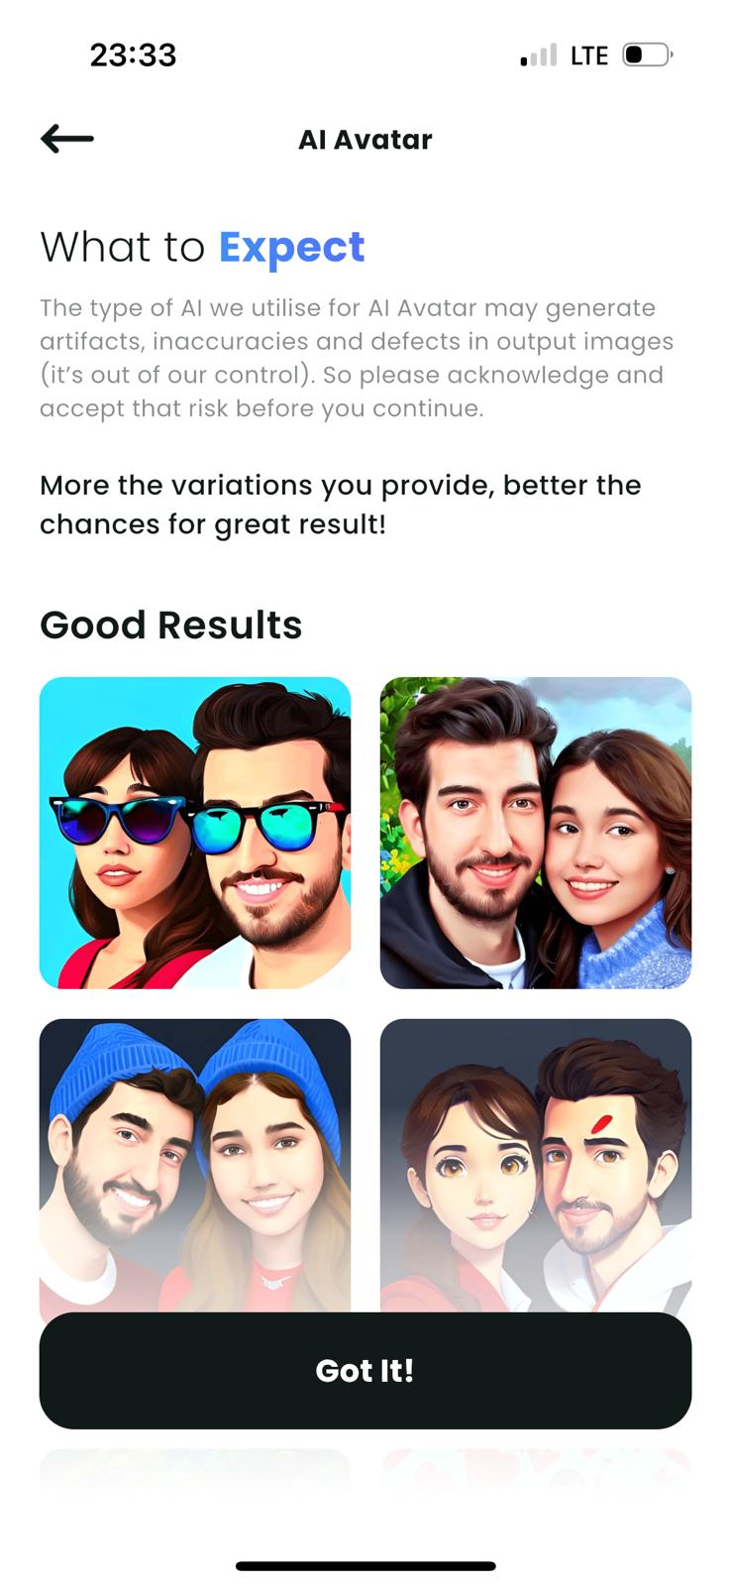 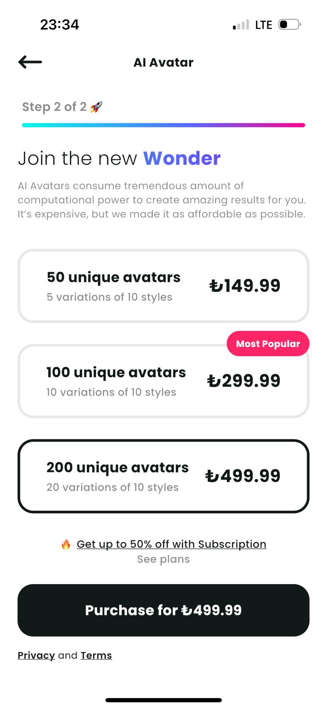 | Application Version: Wonder v4.3.5 Device: iPhone 14 Pro Operating System: iOS 17.1.2 Software Version: İOS 17.4 Processor: A16 Bionic Date: 03.14.2024 | Reşat Doğa BAŞOĞLU | Reşat Doğa BAŞOĞLU | PASSED
Open the application, log in the account (doga.basoglu@icloud.com), come to the mainpage. Turn on the device sound. | Checking the process of designing artworks by entering prompts. (Standard Membership) | 1- Check if "Enter a prompt" section, "Select Style" section," Aspect Ratio" section, style buttons and "Add your Photo", "I need inspiration" and "Create Watch an ad" buttons are available. 2- Press the "Enter a prompt" and type a meaningful phrase that can have a visual provision by entering text. 3- Press the "Create Watch an ad" button. After watching the ad a while, press the skip button at the top right of the page. 4- Press the X button, hereby close the ad. 5- Press X to return to the mainpage. 6- Try to change the Aspect Ratio by pressing the 2:3 button. 7- Press X at the top left of the screen and return the mainpage. 8- Press the "I need inspiration" button. 9- Select the Cinematic Style by pressing Cinematic button at the Select style section, then press the Create button. 10- Press the "Animate" button at the left. 11- Turn back and press "Edit" button at the left. Then press "Edit Photo" button on the next page. Try to draw on the picture. 12- Turn back by pressing back buttons at the top left. Press the "Share" button at he right bottom. 13- Switch to Original button and turn High Resolution on. 14- Turn back and press "Publish" button at the bottom left. 15- Turn Publish on feed and Hide Prompt switchers on, then press the "Comfirm Publish" button. | 1- All sections and buttons are available on the main page. 2- Text is written and Create button becomes pressable. 3- After watching the ad a while a skip button becomes visiple and after pressing, a X button becomes available. 4- Ad is closed and the Artwork appears on the screen as same as depicted and detailed in the prompt section. 5- Main page is appeared. It was seen that 1 of the 5 credits in the remaining credit section on the top right decreased and 4 credits remained. 6- Wonder Pro Ad appears on the screen. There are two buttons that indicates Auto-renewable and Billed Once options. An "Unlock Wonder Pro" button is available. 7- User returns to the mainpage. It is seen that Aspect Ratio didn't change. 8- The text in the prompt section changes. There is a new text that is written randomly but has a meaningful depiction. 9- Cinematic Style is selected. After pressing Create button and passing the ad, a new artwork which depicts Teddy bears swimming at the Olympics 400m butterfly event appears on the screen. 10- The Animate screen appears and the animation plays with a music sound. Sharing options are visible on the screen. 11- Edit Photo button appears on the screen. It can be seen that drawing could be made by pressing and holding the picture. 12- Share Screen is appeared on the screen. High Resolution Switcher, Frame and Original buttons and Sharing Options are available on the screen. 13- The Original button is activated. "Wonder" text at the bottom right of the picture disappears. High Resolution turns on. 14- Publish on feed and Hide Prompt switchers appear on the screen. "Comfirm Publish" button is available on the screen. 15- Switchers turns on. After pressing the Comfirm Publish button the "Published Successfully" text appears on the screen. | 1- All sections and buttons were available and clearly visible. 2- Create button became pressable when the text written. 3- After watching the ad a while skip button became visiple and after pressing, X button became available. 4- Ad was closed and the Artwork appeared on the screen as depicted and detailed in the prompt section. 5- It was seen that 1 of the 5 credits in the remaining credit section on the top right of mainpage decreased and 4 credits remained. 6- Wonder Pro Ad appeared on the screen. There were two buttons: Auto-renewable and Billed Once. "Unlock Wonder Pro" button was available. 7- Returned to the mainpage. It was seen that Aspect Ratio remained the same. 8- The text in the prompt section has changed. There is a new text that is written randomly but has a meaningful depiction. The text that appeared in the prompt section was: Teddy bears swimming at the Olympics 400m butterfly event. 9- Cinematic Style was selected. After pressing Create button and passing the ad, a new artwork which depicts Teddy bears swimming at the Olympics 400m butterfly event has appeared on the screen. 10- The Animate screen appeared and the animation played with a sound. Sharing options were visible on the screen. 11- Edit Photo button appeared on the screen. It was seen that drawing could be made by pressing and holding the picture. 12- Share Screen was appeared on the screen. High Resolution Switcher, Frame and Original buttons and Sharing Options were available on the screen. 13- The Original button was activated. "Wonder" text at the bottom right of the picture disappeared. High Resolution turned on. 14- Publish on feed and Hide Prompt switchers appeared on the screen. "Comfirm Publish" button was available on the screen. 15- Switchers turned on. "Published Successfully" text appeared on the screen. | 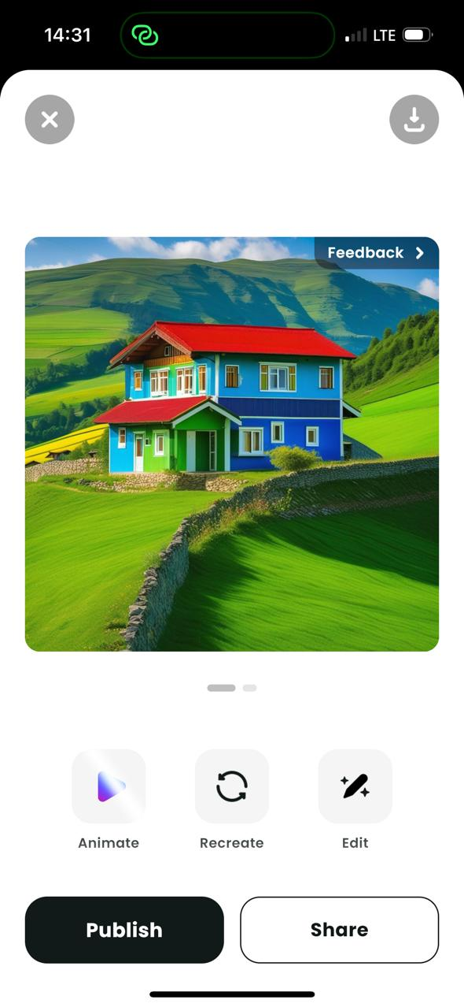 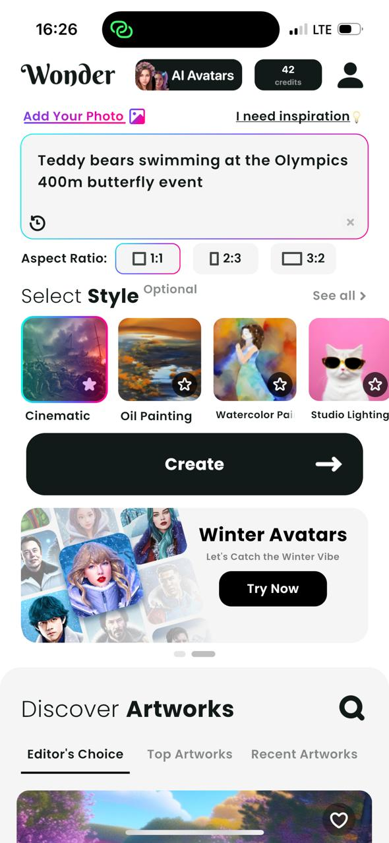 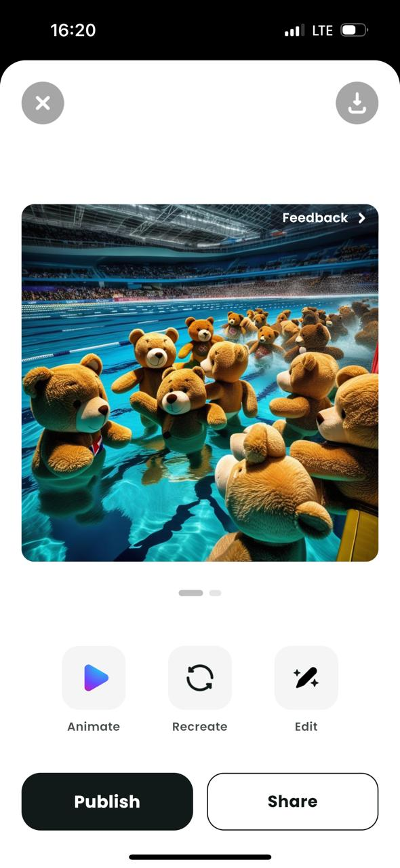 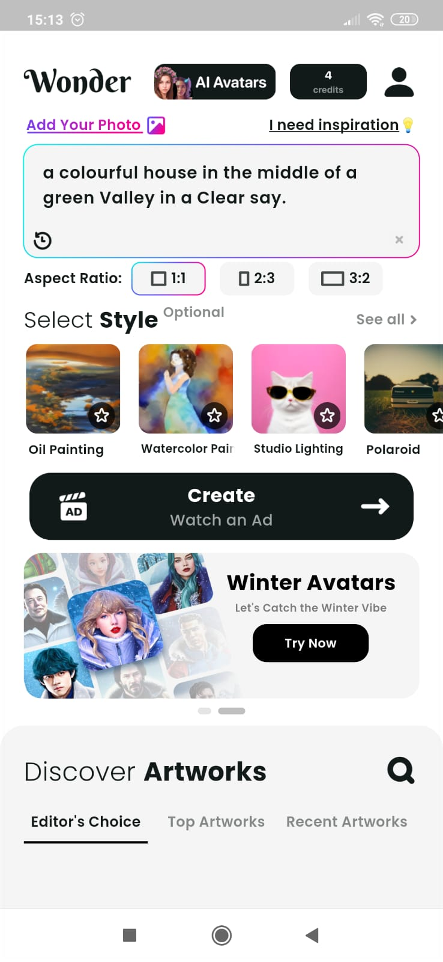 | Application Version: Wonder v4.3.5 Device: iPhone 14 Pro Operating System: iOS 17.1.2 Software Version: İOS 17.4 Processor: A16 Bionic Date: 03.15.2024 | Reşat Doğa BAŞOĞLU | Reşat Doğa BAŞOĞLU | PASSED
Open the application, log in the account (doga.basoglu@icloud.com), come to the mainpage. | For users who want to make their images Workart, check the "Add Your Photo" section. | 1- Press the "Add Your Photo" button at the top left of the page. 2- Press the Camera button. 3- Give the permission by pressing "Give Permission" button. 4- Return to the Image request screen. Press the Gallery button. 5- Select an Image from Gallery. 6- Change the part to be taken from the image by keeping it pressed. 7- Check the Adjust value's changeability. 8- Press the "Crop" button. 9- Press the "I need inspiration" button. Select a Style from the "Select Style" section, then press the Create button. 10- Press the "Recreate button. Skip the ad section. 11- Press the picture switcher on the bottom right of the picture. | 1- Input an Image request comes on the screen. There are Camera, Gallery and presented Image options on the screen. 2- A notification appears on the device: "Wonder" Wants to Access the Camera. 3- Device's camera opens. 4- Device's Gallery opens. 5- The "Input Image" Screen appears. Selected Image is seen on the screen. There are Output Size and Adjust Value sections and a "Crop" button on the screen. 6- By keeping pressed, it is seen that taken part of the picture can be changed. 7- By keeping pressed and directed, Adjust value changes. 8- User returns to the mainpage. Add your Photo button becomes "Remove Photo" button and the Cropped picture is added next to it. 9- A text comes to the prompt section, a style becomes selected. After passing the ad section previous picture changes as an Artwork. 10- Another Artwork appears on the screen. The concept remains the same, yet remarkable changes are seen in the picture. 11- Once pressed, the original picture appears on the page instead of last created. | 1- Input an Image request came on the screen. Camera, Gallery and presented Image options were available on the screen. 2- The notification '"Wonder" Wants to Access the Camera' appeared on the device. 3- The device's camera opened. 4- The device's Gallery opened. 5- The "Input Image" Screen appeared. Selected Image came to the screen. Output Size and Adjust Value sections and the "Crop" button were available on the screen. 6- It was seen that taken part of the picture can be changed while keeping pressed. 7- Adjust value was able to change by pressing. 8- Returned to the mainpage. It was seen that Add your Photo button has become "Remove Photo" button and the Cropped picture was seen next to it. 9- New text came to the prompt section, a style became selected. After passing the ad section, a new Artwork appears on the screen which is compatible with the text. 10- Another Artwork appeared on the screen. The concept remained the same. Remarkable changes were clearly seen in the picture. 11- Once pressed, the original picture appeared on the page instead of last created. | 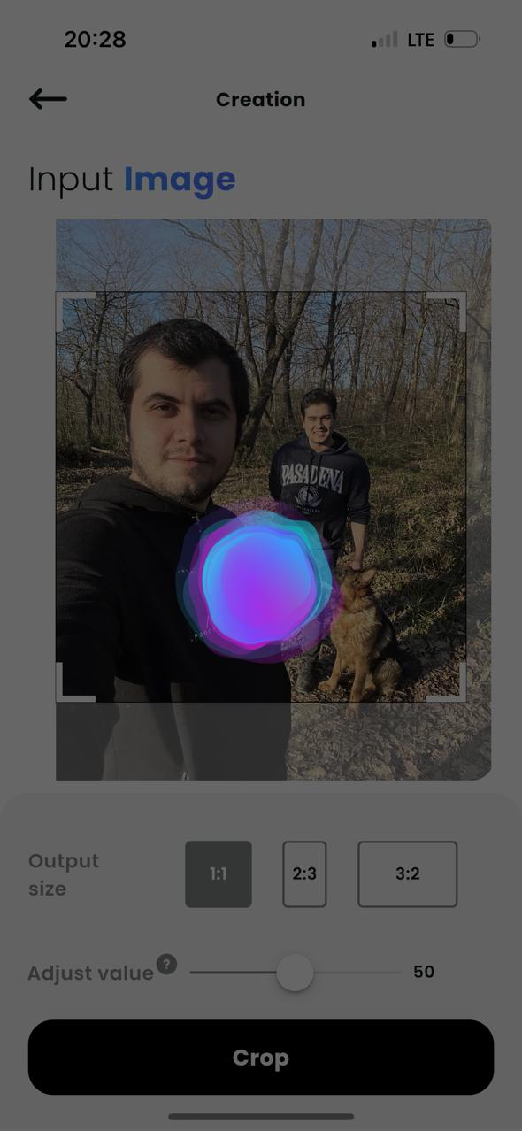 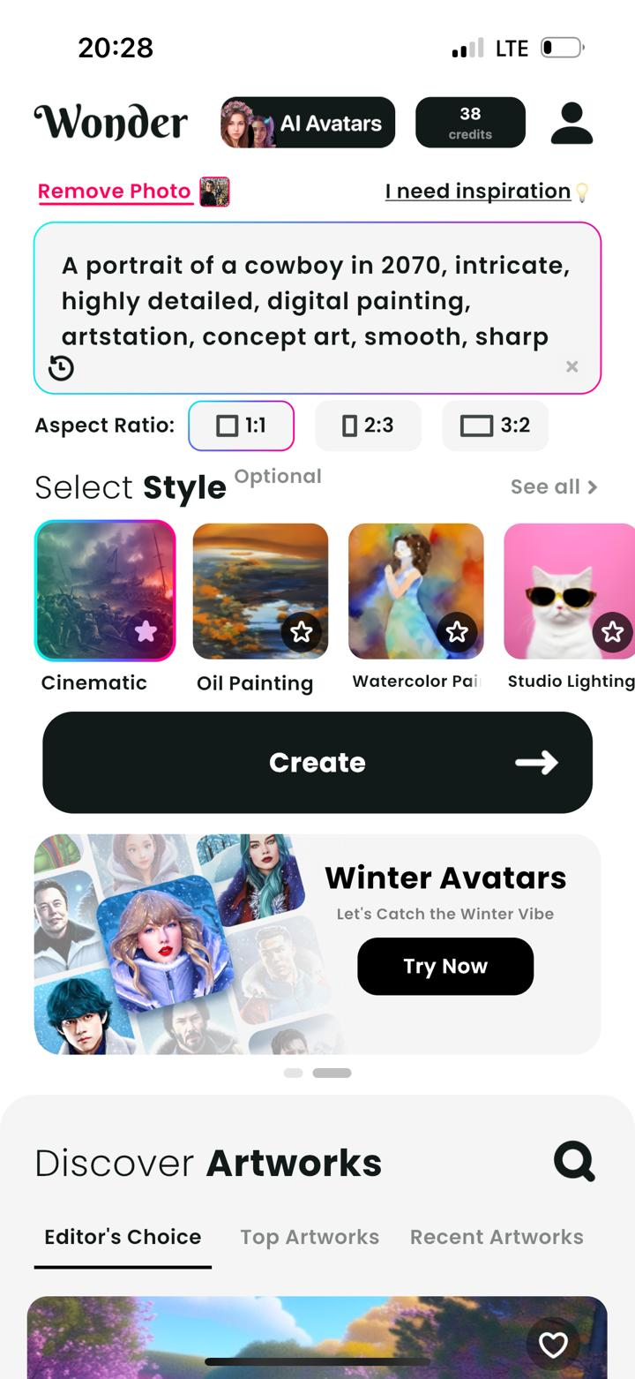 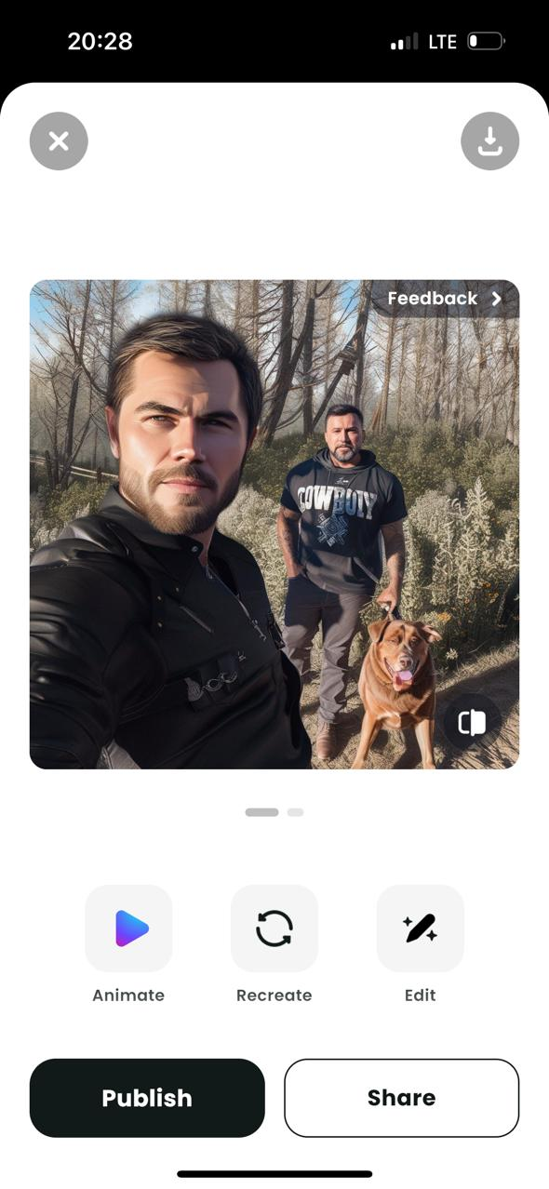 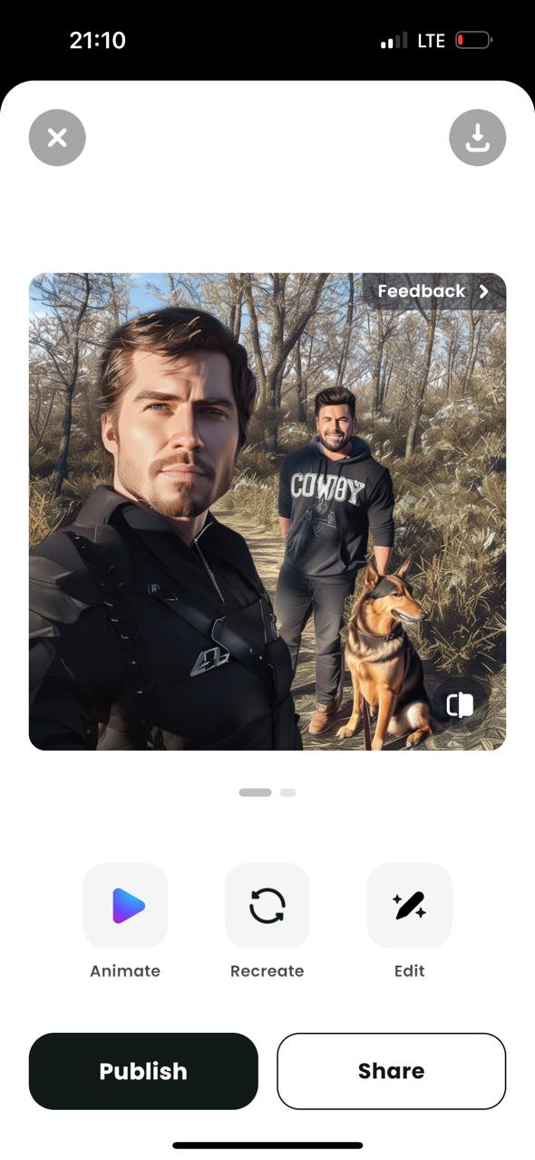 | Application Version: Wonder v4.3.5 Device: iPhone 14 Pro Operating System: iOS 17.1.2 Software Version: İOS 17.4 Processor: A16 Bionic Date: 03.15.2024 | Reşat Doğa BAŞOĞLU | Reşat Doğa BAŞOĞLU | PASSED
Open the application, log in the account (doga.basoglu@icloud.com), come to the mainpage. Manage the account to go through payment steps. | Checking the switching to Wonder Premium Account and usability of its features. | 1- Press the Profile button at the top right of the page. Press the Settings button at he top right of the next page. 2- Press the "Try Pro Now" button. 3- Select the weekly subscription option and press Continue button. Complete the payment steps. 4- Go to Settings section. 5- Return to the mainpage. 6- Try to change the Aspect Ratio by pressing another button in the "Aspect Ratio" Section. 7- Enter a prompt and press the "Create" button. 8- Return the mainpage. Press the "AI Avatars" button. Go to the "Join the new Wonder" page. 9-,Select the first option and press the "Purchase" button. Pass the payment process. 10- Press the Create button. 11- Press the "Share" button. 12- Turn back and press the "Publish" button. 13- Press the "Download" button. 14- Go to the Profile page, then press the "@Ai Avatars" button. | 1- Wonder Pro ad is visible on the Settings page. The "Try Pro Now" button is available. 2- Directed to the Wonder Premium Subscription screen. Confirmation option is active. 3 day free trial and weekly fee informations are visible. 3- Payment process completed. Wonder Premium is activated successfully. 4- It is seen that "Wonder Pro" benefits are replaced instead of the offerings. 5- In the credits section at the top right, it is seen that 50 credits were added to the account. Also "Watch and ad" text was disappeared from the Create button. 6- Aspect Ratio changes, It can be understood from the colored frame around it. 7- It can be seen that there are no advertisements while the Artwork is being created. Instead of an ad, "Creating takes up to 15 seconds" text appears on the screen. After at most 15 seconds, 2 Artworks become available on the Artwork screen. 8- It is seen that unique avatars offers' prices are reduced 50%. There is a text "You've got 50% off as Subscriber!" above the purchasing button. 9- Payment is successfull. 50 AI Avatars are added to the account. 10- AI Avatar creation is completed. In the next page; there are "Edit your prompt" section, "Animate" section and Publish and Share buttons with the Artwork. 11- Sharing options appears for the AI Avatar. 12- In the next page, Frame and Original switcher, High Resolution switcher and a "Download" button are available. 13- "Saved successfully" text appears on the screen, viz published successfully. 14- Created AI Avatar appears on the screen. "Create new avatars" button is available. | 1- Wonder Pro ad was visible on the Settings page. The "Try Pro Now" button was seen. 2- Directed to the Wonder Premium Subscription screen. Confirmation option was active. 3 day free trial and weekly fee informations were visible. 3- Payment process completed. Wonder Premium was activated. 4- "Wonder Pro" benefits were replaced instead of the offerings. 5- In the credits section it is seen that 50 credits were added to the account. Also "Watch and ad" text was not seen in the Create button. 6- Aspect Ratio has changed. 7- There was no advertisement while the Artwork was being created. "Creating takes up to 15 seconds" text appeared on the screen. Waited below 15 seconds, then 2 Artworks were available on the screen. 8- Unique avatars offers' prices were reduced 50%. There was "You've got 50% off as Subscriber!" text above the purchasing button. 9- Payment was successfull. 50 AI Avatars were added to the account. 10- AI Avatar was created. In the next page; "Edit your prompt" section, "Animate" section and Publish and Share buttons with the Artwork were visible. 11- Sharing options appeared for the AI Avatar. 12- On the next page, Frame and Original switcher, High Resolution switcher and the "Download" button were visible. 13- "Saved successfully" text appeared on the screen. Published successfully. 14- Created AI Avatar appeared on the screen. "Create new avatars button was visible. | 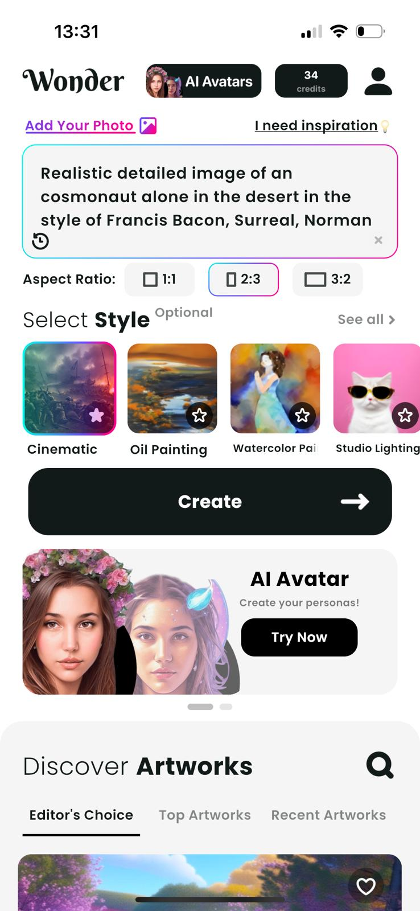 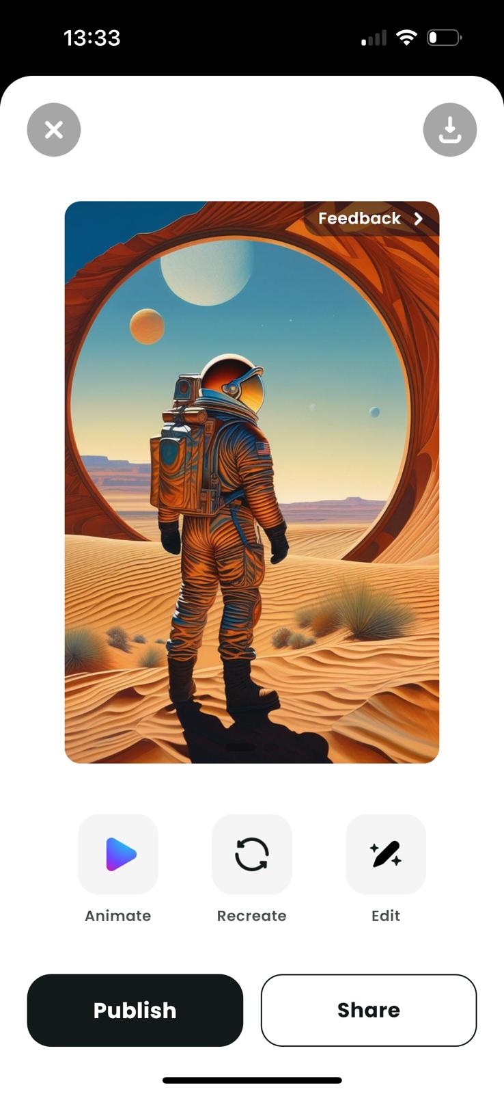 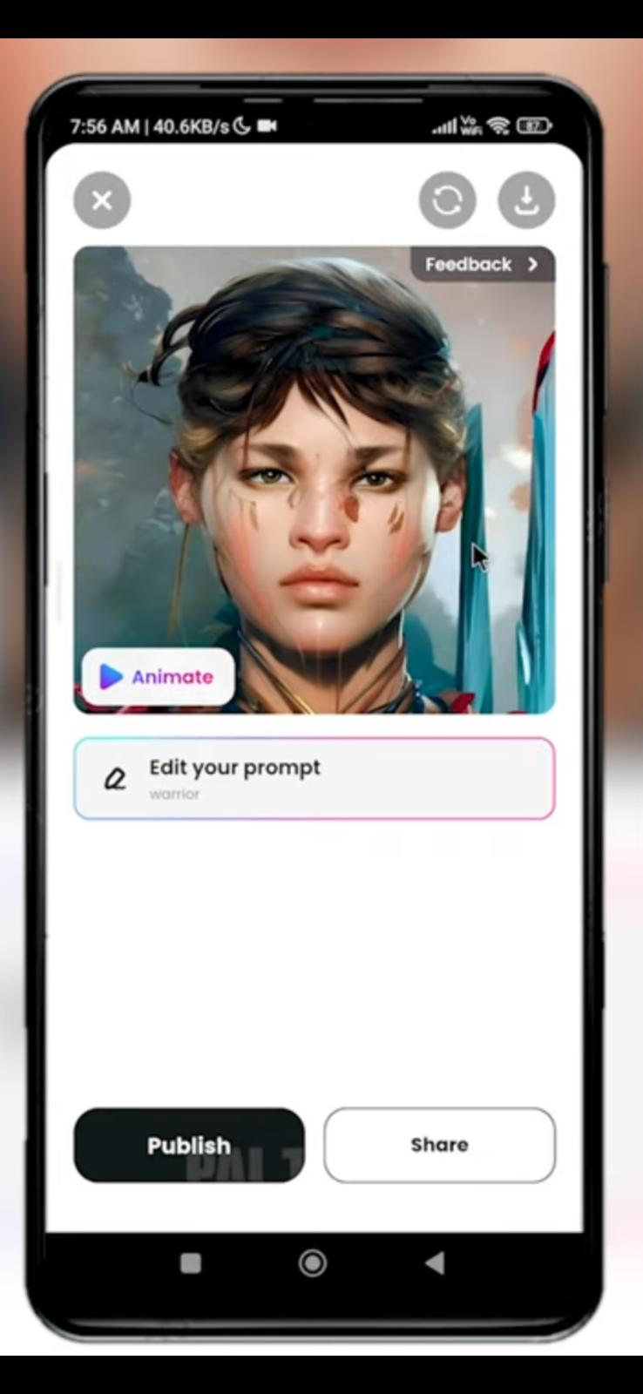 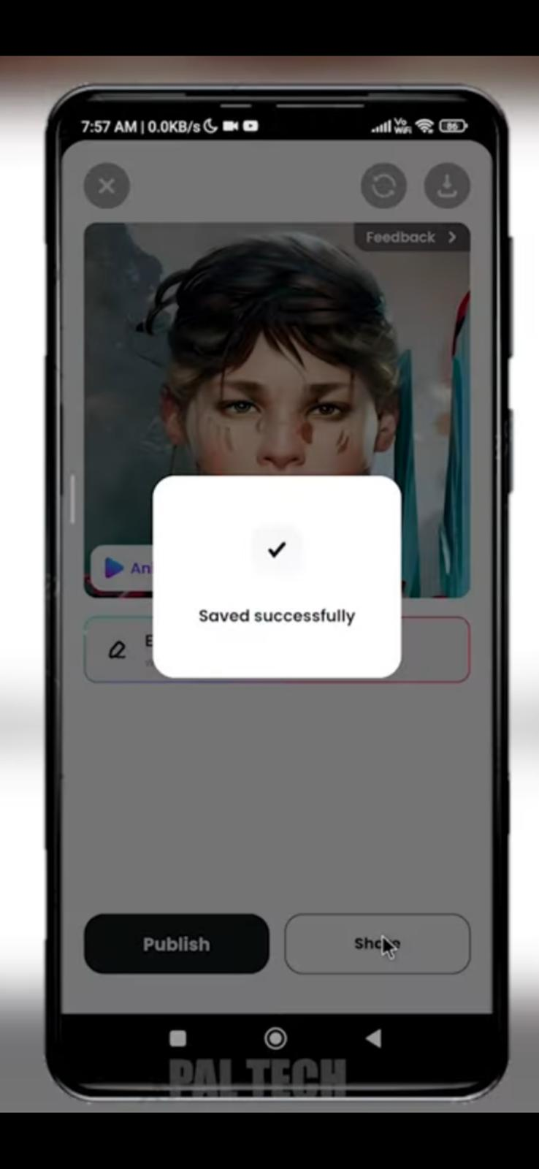 | Application Version: Wonder v4.3.5 Device: iPhone 14 Pro Operating System: iOS 17.1.2 Software Version: İOS 17.4 Processor: A16 Bionic Date: 03.15.2024 | Reşat Doğa BAŞOĞLU | Reşat Doğa BAŞOĞLU | PASSED
Open the application, log in the account (doga.basoglu@icloud.com), come to the mainpage. | Checking Usage of the Discover Artworks Section. | 1- Go to the "Discover Artworks" section by scrolling down the page. 2- Press the " " button. Type "fish" and do search. 3- Press "…" button of the first Artwork. 4- Press the "Not Interested" button. 5- Press "Like" button of an Artwork and press "Save" button of another Artwork, then press on an Artwork. 6- Go to Profile page. Press the "Saved" button. 7- Press the "Liked" button. 8- Press on the liked Artwork then press the "Try This Prompt" button. 9- Return to the Discover Artworks section by scrolling down, then press the "Top Artworks" button. 10- Return to the Discover Artworks section, then press the "Recent Artworks" button. 11- Return to the Discover Artworks section, then press the "Editor's Choice" button. 12- Press the "Try" button of an Artwork which has a prompt under the creator's name. | 1- Discover Artworks section is available. The Search button, Editor's Choice, "Top Artworks" and "Recent Artworks" buttons, Artworks, Like and Save buttons and "Try" buttons are available in that section. 2- Fish Artworks appears on the screen. They have "like", "save" and "..." buttons. 3- "Post Preferences" section appears on the screen. "Not Intereste" and "Report" buttons are available in this section. 4- The Artwork is removed from the page. 5- Buttons become activated. The Artwork opens in singular. Publisher's name is available on the page. There are more Artworks as "Recommended Artworks". 6- The saved Artwork appears on the screen. 7- The liked Artwork appears on the screen. 8- "fish" text is automatically written in the prompt section. 9- AI Artworks in the section change. 10- AI Artworks in the section change. 11- AI Artworks in the section change. 12- The Prompt Text is automatically written in the prompt section. | 1- Discover Artworks section is available. The Search button, Editor's Choice, "Top Artworks" and "Recent Artworks" buttons, Artworks, Like and Save buttons and "Try" buttons were visible. 2- Fish Artworks appeared on the screen. Relevant buttons were visible on them. 3- "Post Preferences" section appeared on the screen. "Not Intereste" and "Report" buttons were visible in the section. 4- The Artwork was removed from the page after pressing. 5- Buttons became activated. The Artwork opened in singular. Publisher's name is visible on the page. There are more Artworks as "Recommended Artworks". 6- Saved Artwork appeared on the screen. 7- The liked Artwork appeared on the screen. 8- "fish" text was written in the prompt section without any action. 9- AI Artworks in the section changed. 10- AI Artworks in the section changed. 11- AI Artworks in the section changed. 12- The Prompt Text was written in the prompt section without any action. | 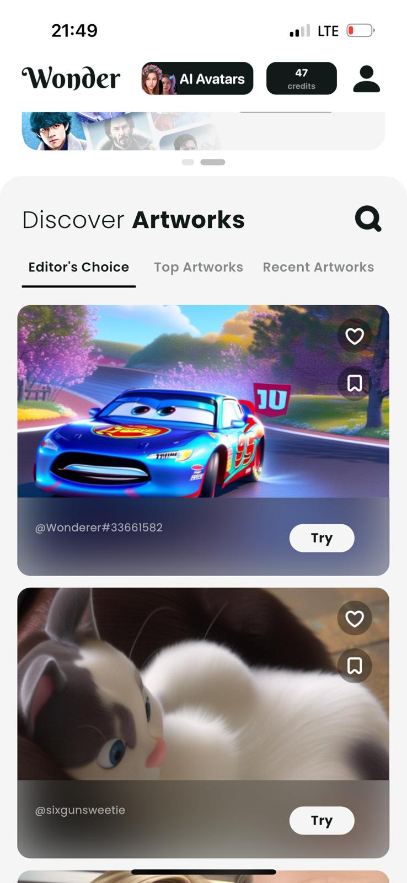 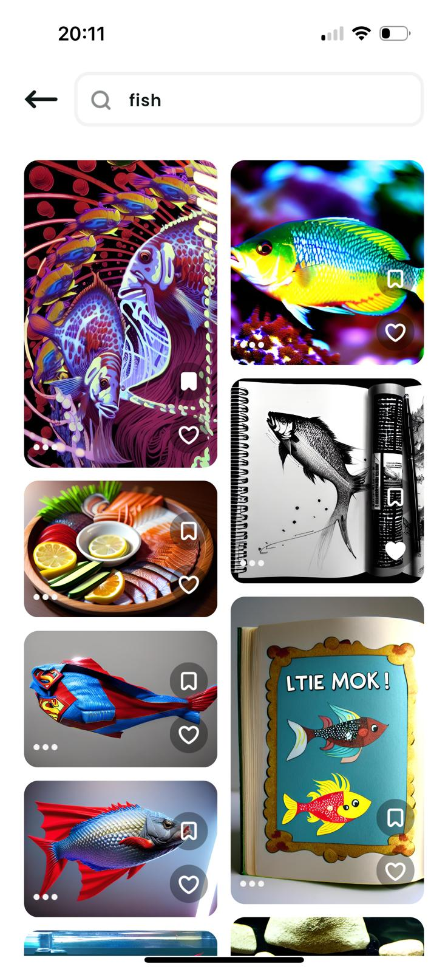 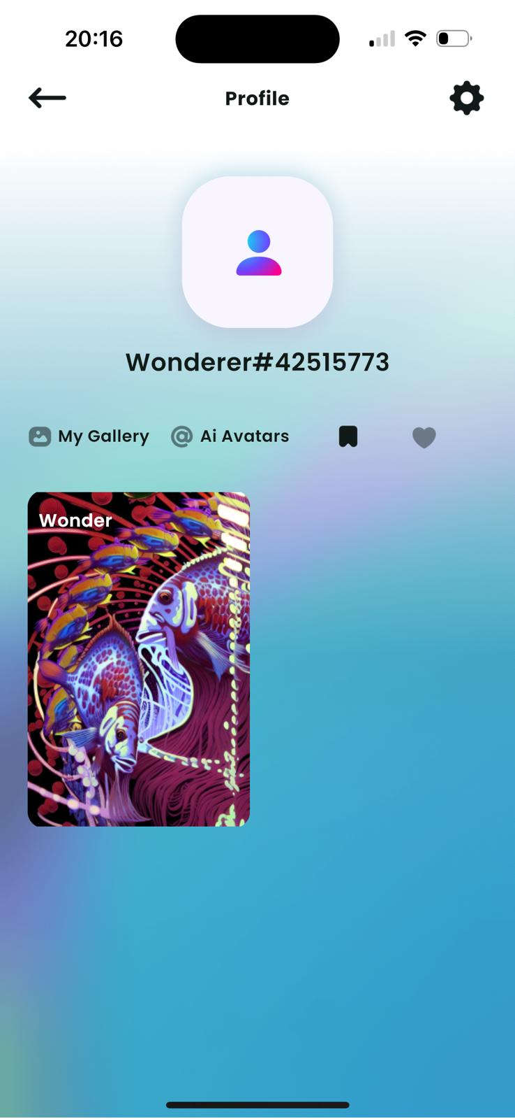 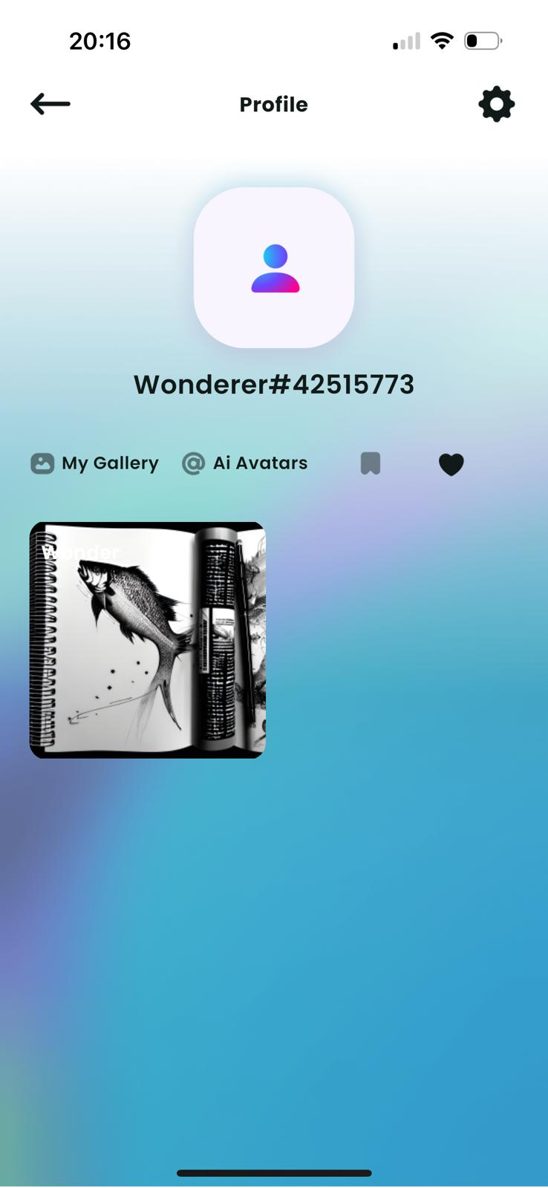 | Application Version: Wonder v4.3.5 Device: iPhone 14 Pro Operating System: iOS 17.1.2 Software Version: İOS 17.4 Processor: A16 Bionic Date: 03.15.2024 | Reşat Doğa BAŞOĞLU | Reşat Doğa BAŞOĞLU | PASSED

 |  | ,,

