Cerinta
VVTA, PPFDP Informatica, 2023-2024
 | Lab02. Testare Black-box. Tehnicile de testare EP, BVA
 | Student | Domsa Cosmin
 | Data predarii | <data> | Grupa | 1211

/**
* adauga o carte in repository
* @param c - o carte cu atributele: titlu, lista de autori, anAparitie,
* editura, lista de cuvinte cuvinteCheie
* @throws Exception - daca obiectul c nu este valid
*/
public void adaugaCarte(Carte c) throws Exception;

ECP
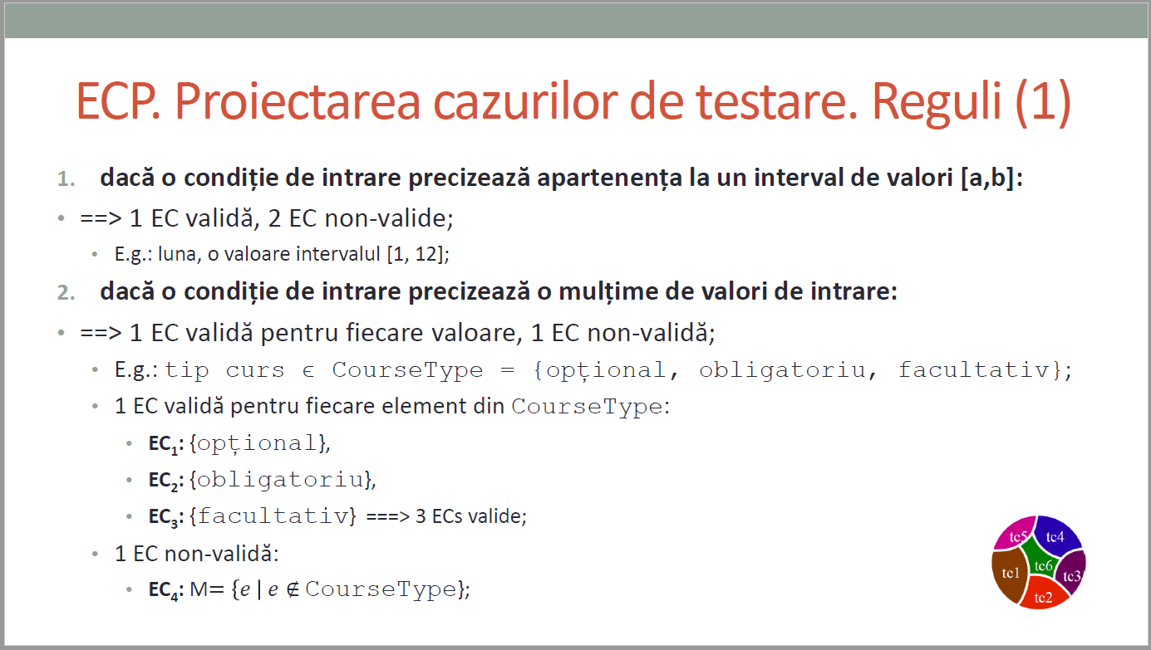
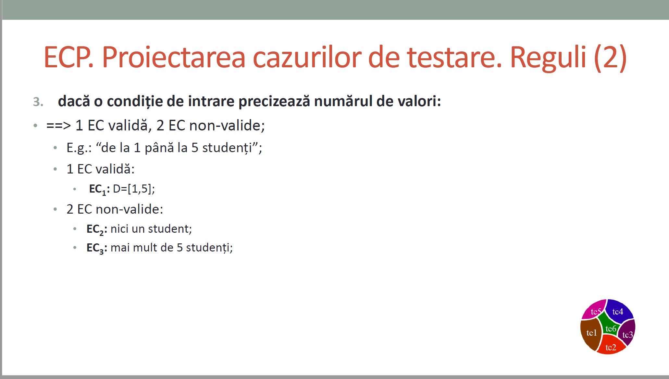
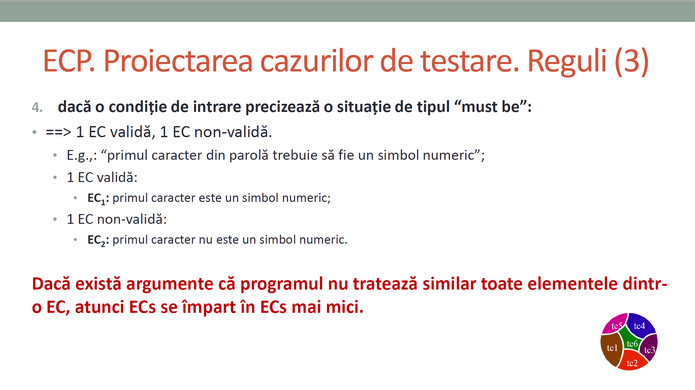
 |  |  | VVTA, PPFDP Informatica, 2023-2024
 |  |  |  | se vor identifica minimum 4 clase de echivalenta (2 valide, 2 non-valide)
 |  |  |  | se vor proiecta minimum 4 cazuri de testare (2 valide, 2 non-valide) sau se va realiza acoperire ECs de 100%.

 | Identificarea ECs valide/non-valide pentru date de intrare/ieşire |  |  |  |  | Proiectarea cazurilor de testare folosind ECP

 |  |  |  |  | No. TCxx_EC | EC | input data | output data
 | No. EC | Condition | Valid EC | Non-valid EC |  |  |  | expected
 | 1 | CNP-ul are 13 caractere |  |  | 1 | 1 | ("John", "Doe", "1234567890123", DidacticFunction.ASSISTANT, 3000.0) | TRUE
 |  |  |  |  | 2 | 1 | ("John", "Doe", "123456789012345", DidacticFunction.ASSISTANT, 3000.0) | FALSE
 | 2 | function este dintre cele enumerate |  |  | 3 | 2 | ("John", "Doe", "1234567890123", DidacticFunction.ASSISTANT, 3000.0) | TRUE
 |  |  |  |  | 4 | 3 | ("J", "Doe", "1234567890123", DidacticFunction.ASSISTANT, 3000.0) | FALSE
 | 3 | firstName are mai putin de 2 caractere |  |  | 5 | 3 | ("John", "Doe", "1234567890123", DidacticFunction.ASSISTANT, 3000.0) | TRUE
 |  |  |  |  | 6 | 4 | ("John", "Doe", "1234567890123", DidacticFunction.ASSISTANT, 3000.0) | TRUE
 | 4 | lastName are mai putin de 2 caractere |  |  | 7 | 4 | ("John", "D", "1234567890123", DidacticFunction.ASSISTANT, 3000.0) | FALSE
 |  |  |  |  | 8 | 5 | ("John", "Doe", "1234567890123", DidacticFunction.ASSISTANT, 3000.0) | TRUE
 | 5 | Salariul este negativ |  |  | 9 | 5 | ("John", "Doe", "1234567890123", DidacticFunction.ASSISTANT, -100.0) | FALSE
 |  |  |  |  | 10
 | 6
 | 7
 | 8
 | 9

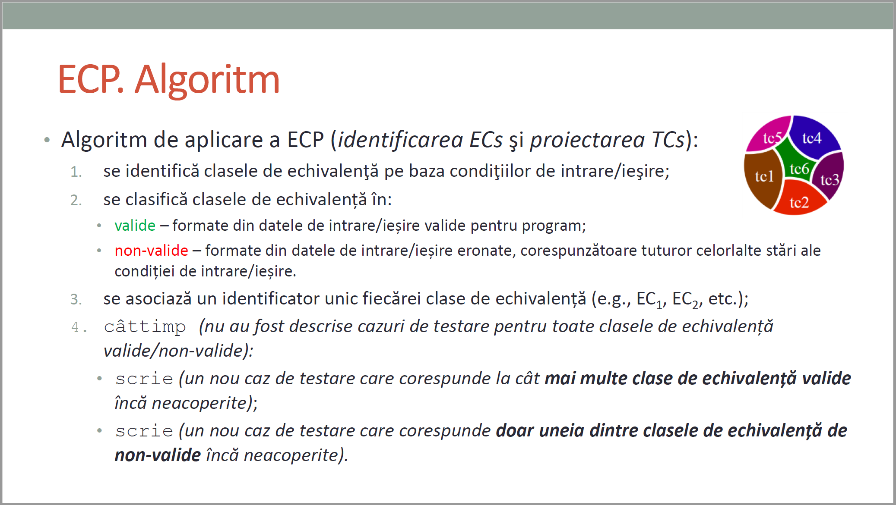
CURS 4

BVA
 |  |  |  | VVTA, PPFDP Informatica, 2023-2024
 |  | se vor identifica minimum 4 conditii BVA (2 valide, 2 non-valide)
 |  | se vor proiecta minimum 4 cazuri de testare (2 valide, 2 non-valide)

 | Identificarea condiţiilor BVA asociate ECs valide pentru date de intrare/ieşire |  |  |  | Proiectarea cazurilor de testare folosind condiţiile BVA

 |  |  |  |  | No TCxx_BVA | BVA condition | Correlated TC | Executable | input data | output data
 | Crt. No. | Valid EC | BVA Condition |  |  |  |  |  |  | expected result
 | a. | 1 | 1 | CNP la lungimea maxima | 1 | 1 | 1 | Yes | ("John", "Doe", "1234567890123", DidacticFunction.ASSISTANT, 3000.0) | TRUE
 |  |  | 2 | CNP depaseste maximul | 2 | 2 | 1 | Yes | ("John", "Doe", "123456789012345", DidacticFunction.ASSISTANT, 3000.0) | FALSE
 |  |  | 3 | CNP este null | 3 | 3 | 1 | No | ("John", "Doe", null, DidacticFunction.ASSISTANT, 3000.0) | DATA VALIDATION
 |  |  | 4 |  | 4 | 7 | 2 | Yes | ("John", "Doe", "1234567890123", DidacticFunction.ASSISTANT, 3000.0) | TRUE
 |  |  | 5 |  | 5 | 8 | 2 | No | ("John", "Doe", "1234567890123", DidacticFunction.PAREROLOG, 3000.0) | DATA VALIDATION
 |  |  | 6 |  | 6 | 9 | 2 | No | ("John", "Doe", "1234567890123", null, 3000.0) | DATA VALIDATION
 | b. | 2 | 7 | function este dintre cele enumerate | 7 | 13 | 3 | Yes | ("Joh", "Doe", "1234567890123", DidacticFunction.ASSISTANT, 3000.0) | TRUE
 |  |  | 8 | function nu este dintre cele enumerate | 8 | 14 | 3 | Yes | ("Jo", "Doe", "1234567890123", DidacticFunction.ASSISTANT, 3000.0) | FALSE
 |  |  | 9 | function este null | 9 | 15 | 3 | No | (null, "Doe", "1234567890123", DidacticFunction.ASSISTANT, 3000.0) | DATA VALIDATION
 |  |  | 10 |  | 10 | 19 | 4 | Yes | ("John", "Doe", "1234567890123", DidacticFunction.ASSISTANT, 3000.0) | TRUE
 |  |  | 11 |  | 11 | 20 | 4 | Yes | ("John", "Do", "1234567890123", DidacticFunction.ASSISTANT, 3000.0) | FALSE
 |  |  | 12 |  | 12 | 21 | 4 | No | ("John", null, "1234567890123", DidacticFunction.ASSISTANT, 3000.0) | DATA VALIDATION
 | c. | 3 | 13 | firstName are 3 caractere | 13 | 25 | 5 | Yes | ("John", "Doe", "1234567890123", DidacticFunction.ASSISTANT, 0.1) | TRUE
 |  |  | 14 | firstName are 2 caractere | 14 | 26 | 5 | Yes | ("John", "Doe", "1234567890123", DidacticFunction.ASSISTANT, 0.0) | FALSE
 |  |  | 15 | firstName este null | 15 | 27 | 5 | Yes | ("John", "Doe", "1234567890123", DidacticFunction.ASSISTANT, -0.1) | FALSE
 |  |  | 16 |  | 16 | 28 | 5 | No | ("John", "Doe", "1234567890123", DidacticFunction.ASSISTANT,null) | DATA VALIDATION
 |  |  | 17 |  | 17
 |  |  | 18 |  | 18
 | d. | 4 | 19 | lastName are 3 caractere | 19
 |  |  | 20 | lastName are 2 caractere | 20
 |  |  | 21 | lastName este null | 21
 |  |  | 22 |  | 22
 |  |  | 23 |  | 23
 |  |  | 24 |  | 24
 | e. | 5 | 25 | salariul este 0.1 | 25
 |  |  | 26 | salariul este 0 | 26
 |  |  | 27 | salariul este -0.1 | 27
 |  |  | 28 | salariul este null | 28
 |  |  | 29 |  | 29
 |  |  | 30 |  | 30
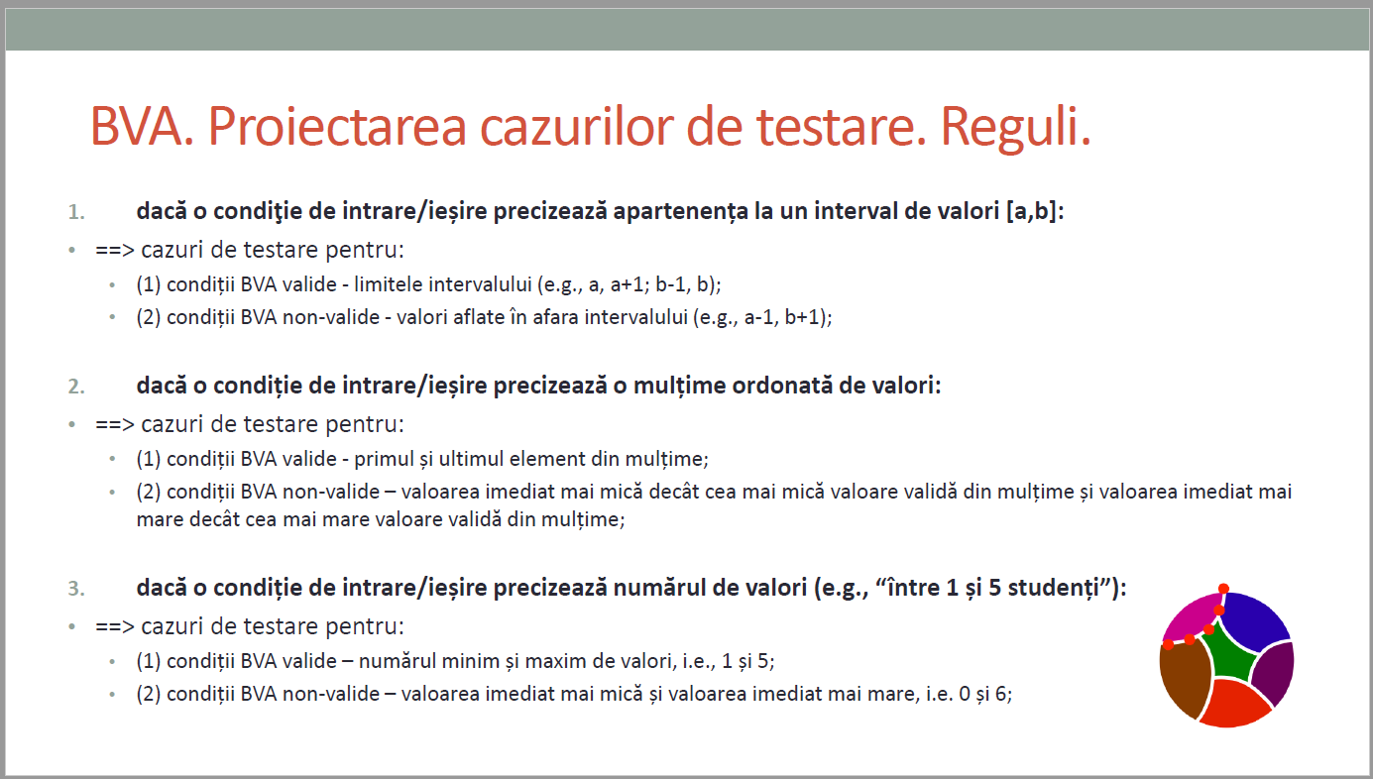
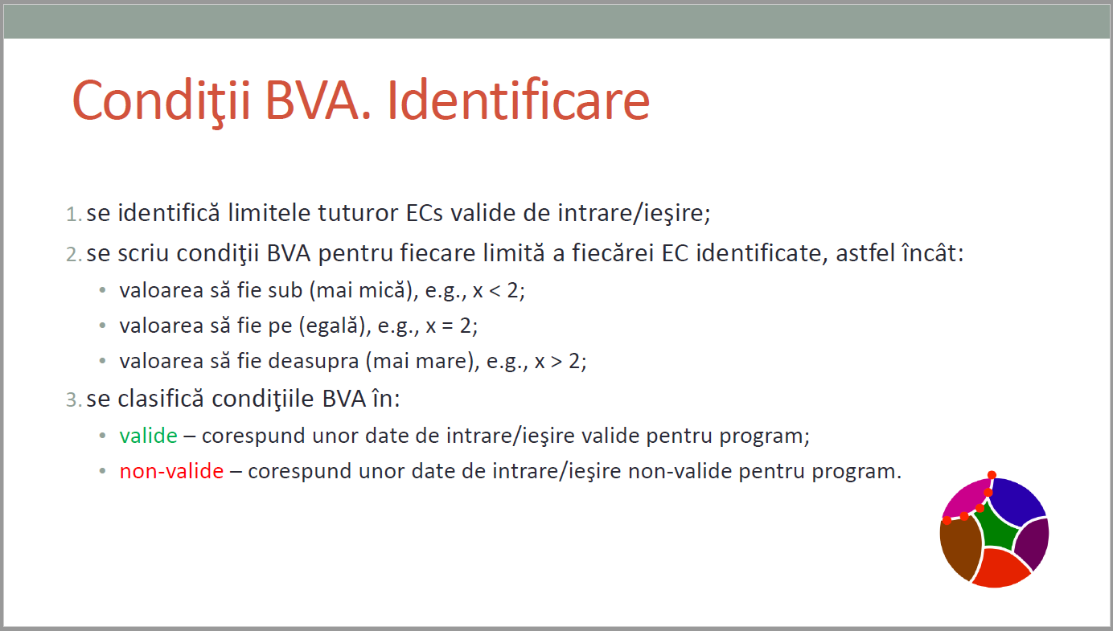
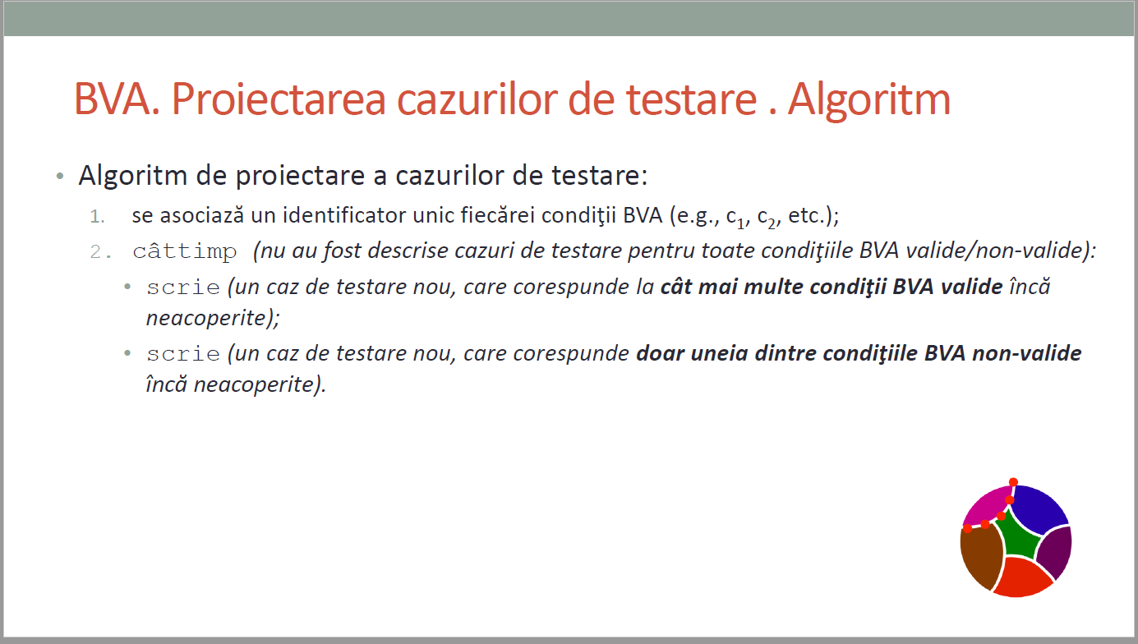
CURS 4

