Cerinta
VVTA, PPFDP Informatica, 2023-2024
 | Lab02. Testare Black-box. Tehnicile de testare EP, BVA
 | Student | Domsa Cosmin
 | Data predarii | <data> | Grupa | 1211

/**
* adauga o carte in repository
* @param c - o carte cu atributele: titlu, lista de autori, anAparitie,
* editura, lista de cuvinte cuvinteCheie
* @throws Exception - daca obiectul c nu este valid
*/
public void adaugaCarte(Carte c) throws Exception;

ECP
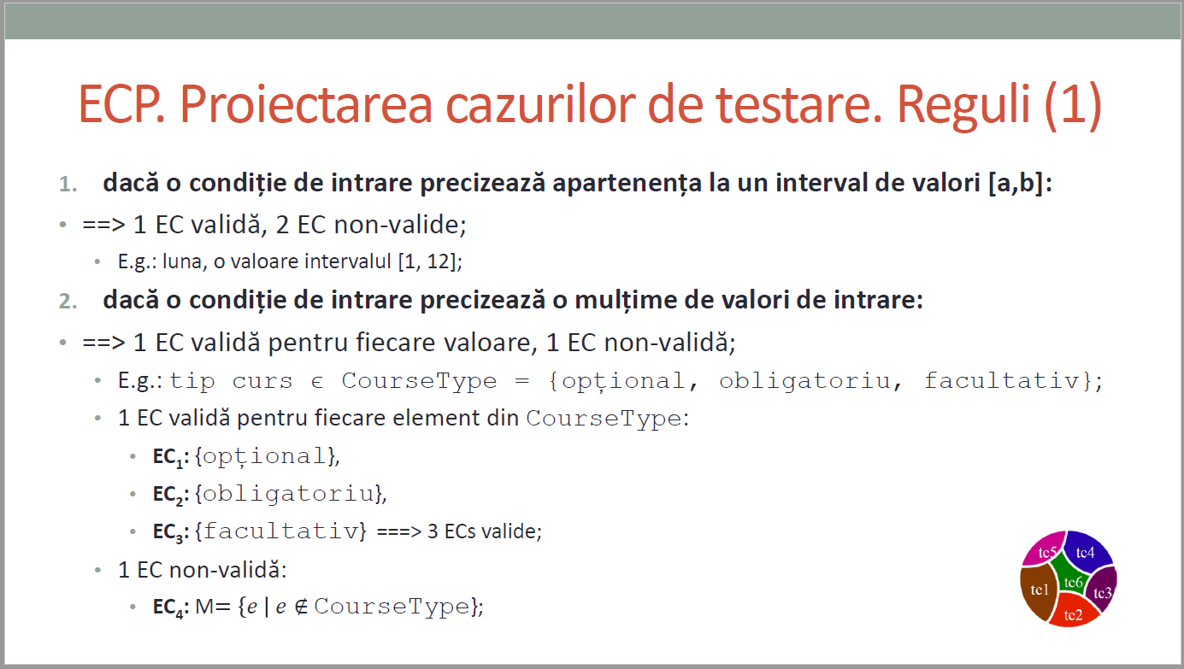
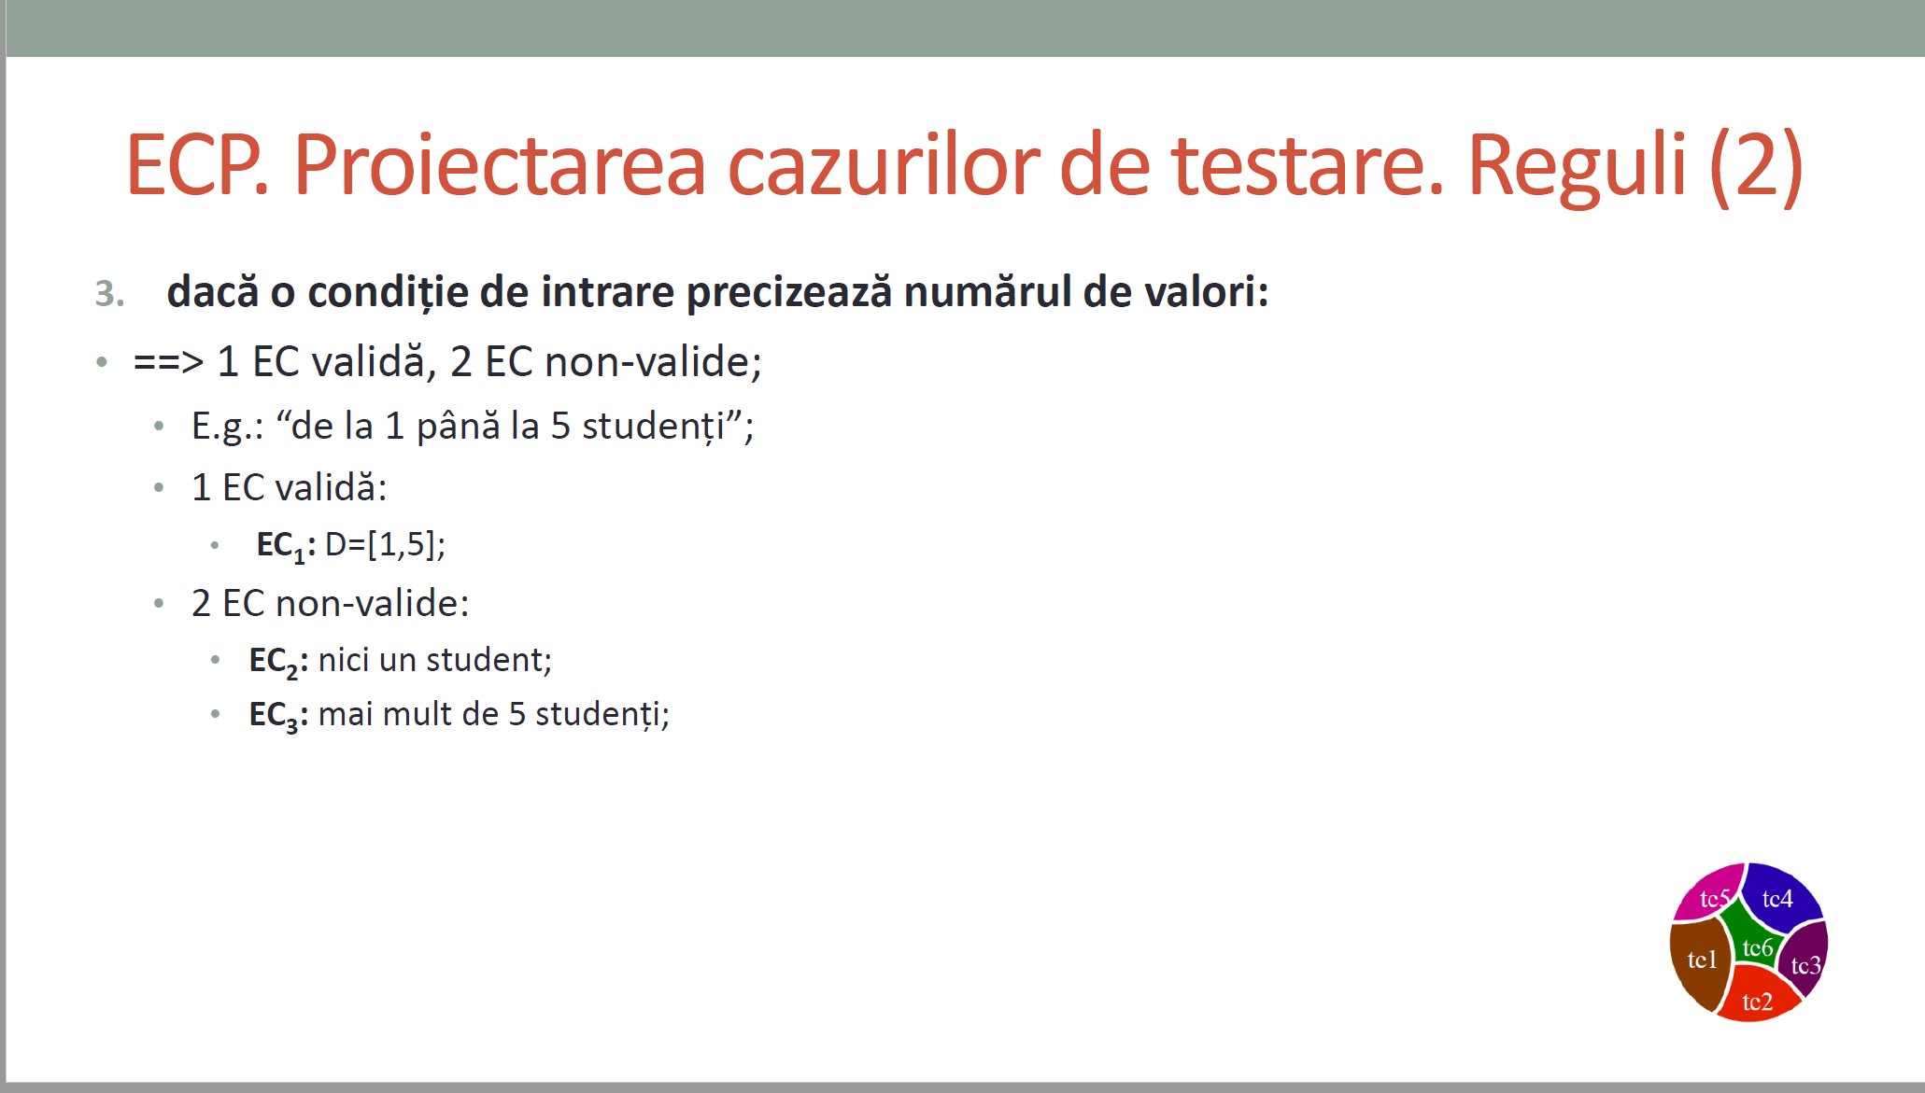
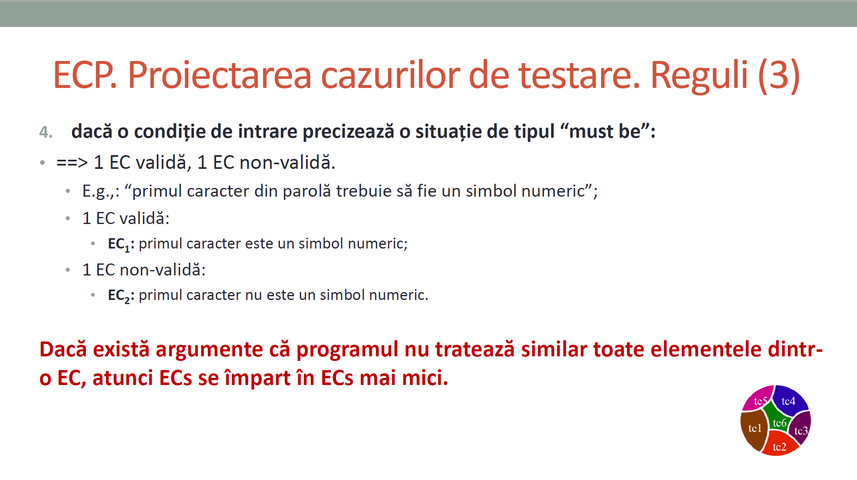
 |  |  | VVTA, PPFDP Informatica, 2023-2024
 |  |  |  | se vor identifica minimum 4 clase de echivalenta (2 valide, 2 non-valide)
 |  |  |  | se vor proiecta minimum 4 cazuri de testare (2 valide, 2 non-valide) sau se va realiza acoperire ECs de 100%.

 | Identificarea ECs valide/non-valide pentru date de intrare/ieşire |  |  |  |  | Proiectarea cazurilor de testare folosind ECP

 |  |  |  |  | No. TCxx_EC | EC | input data | output data
 | No. EC | Condition | Valid EC | Non-valid EC |  |  |  | expected
 | 1 | CNP-ul valid | CNP are 13 caractere |  | 1 | 1 | ("John", "Doe", "1234567890123", DidacticFunction.ASSISTANT, 3000.0) | TRUE
 | 2 |  |  | CNP are peste 13 caractere | 2 | 1 | ("John", "Doe", "123456789012345", DidacticFunction.ASSISTANT, 3000.0) | FALSE
 | 3 |  |  | CNP are sub 13 caractere | 3 | 1 | ("John", "Doe", "12345678901", DidacticFunction.ASSISTANT, 3000.0) | FALSE
 | 4 | Function valid | Function este ASSISTANT |  | 4 | 2 | ("John", "Doe", "1234567890123", DidacticFunction.ASSISTANT, 3000.0) | TRUE
 | 5 |  | Function este LECTURER |  | 5 | 2 | ("John", "Doe", "1234567890123", DidacticFunction.LECTURER, 3000.0) | TRUE
 | 6 |  | Function este PROFESSOR |  | 6 | 2 | ("John", "Doe", "1234567890123", DidacticFunction.PROFESSOR, 3000.0) | TRUE
 | 7 |  | Function este ASSOCIATE |  | 7 | 2 | ("John", "Doe", "1234567890123", DidacticFunction.ASSOCIATE, 3000.0) | TRUE
 | 8 | firstName valid | firstName are >2 caractere |  | 8 | 3 | ("Joh", "Doe", "1234567890123", DidacticFunction.ASSISTANT, 3000.0) | TRUE
 | 9 |  |  | firstName are <3 caractere | 9 | 3 | ("J0", "Doe", "1234567890123", DidacticFunction.ASSISTANT, 3000.0) | FALSE
 | 10 | lastName valid | lastName are >2 caractere |  | 10 | 4 | ("John", "Doe", "1234567890123", DidacticFunction.ASSISTANT, 3000.0) | TRUE
 | 11 |  |  | lastName are <3 caractere | 11 | 4 | ("John", "Do", "1234567890123", DidacticFunction.ASSISTANT, 3000.0) | FALSE
 | 12 | Salary valid | Salariul este mai mare >0.0 |  | 12 | 5 | ("John", "Doe", "1234567890123", DidacticFunction.ASSISTANT, 0.1) | TRUE
 | 13 |  |  | Salariul este <=0.0 | 13 | 5 | ("John", "Doe", "1234567890123", DidacticFunction.ASSISTANT, 0.0) | FALSE
 | 14

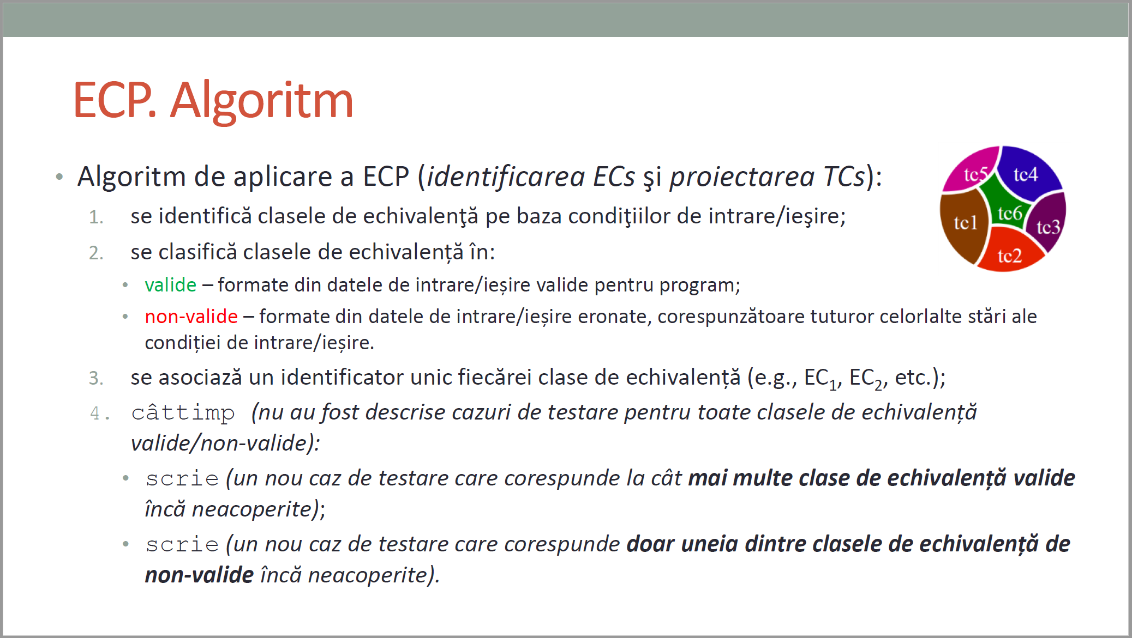
CURS 4

BVA
 |  |  |  | VVTA, PPFDP Informatica, 2023-2024
 |  | se vor identifica minimum 4 conditii BVA (2 valide, 2 non-valide)
 |  | se vor proiecta minimum 4 cazuri de testare (2 valide, 2 non-valide)

 | Identificarea condiţiilor BVA asociate ECs valide pentru date de intrare/ieşire |  |  |  | Proiectarea cazurilor de testare folosind condiţiile BVA

 |  |  |  |  | No TCxx_BVA | BVA condition | Correlated TC | Executable | input data | output data
 | Crt. No. | Valid EC | BVA Condition |  |  |  |  |  |  | expected result
 | a. | 1 | 1 | CNP are 13 caractere | 1 | 1 | 1 | Yes | ("John", "Doe", "1234567890123", DidacticFunction.ASSISTANT, 3000.0) | TRUE
 |  |  | 2 | CNP are 12 sau mai putin caractere | 2 | 2 | 1 | Yes | ("John", "Doe", "123456789012345", DidacticFunction.ASSISTANT, 3000.0) | FALSE
 |  |  | 3 | CNP are 14 sau mai multe caractere | 3 | 3 | 1 | Yes | ("John", "Doe", "123456789012", DidacticFunction.ASSISTANT, 3000.0) | FALSE
 |  |  | 4 | CNP este null | 4 | 4 | 1 | No | ("John", "Doe", null, DidacticFunction.ASSISTANT, 3000.0) | DATA VALIDATION
 |  |  | 5 |  | 5 | 7 | 2 | Yes | ("John", "Doe", "1234567890123", DidacticFunction.ASSISTANT, 3000.0) | TRUE
 |  |  | 6 |  | 6 | 8 | 2 | Yes | ("John", "Doe", "1234567890123", DidacticFunction.LECTURER, 3000.0) | TRUE
 | b. | 2 | 7 | function e ASSISTANT | 7 | 9 | 2 | Yes | ("John", "Doe", "1234567890123", DidacticFunction.PROFESSOR, 3000.0) | TRUE
 |  |  | 8 | function e LECTURER | 8 | 10 | 2 | Yes | ("John", "Doe", "1234567890123", DidacticFunction.ASSOCIATE, 3000.0) | TRUE
 |  |  | 9 | function e PROFESSOR | 9 | 11 | 2 | No | ("John", "Doe", "1234567890123", DidacticFunction.PAREROLOG, 3000.0) | DATA VALIDATION
 |  |  | 10 | function e ASSOCIATE | 10 | 12 | 2 | No | ("John", "Doe", "1234567890123", null, 3000.0) | DATA VALIDATION
 |  |  | 11 | function e PAREROLOG | 11 | 13 | 3 | Yes | ("Joh", "Doe", "1234567890123", DidacticFunction.ASSISTANT, 3000.0) | TRUE
 |  |  | 12 | function este null | 12 | 14 | 3 | Yes | ("Jo", "Doe", "1234567890123", DidacticFunction.ASSISTANT, 3000.0) | FALSE
 | c. | 3 | 13 | firstName are 3 caractere | 13 | 15 | 3 | No | (null, "Doe", "1234567890123", DidacticFunction.ASSISTANT, 3000.0) | DATA VALIDATION
 |  |  | 14 | firstName are 2 caractere | 14 | 19 | 4 | Yes | ("John", "Doe", "1234567890123", DidacticFunction.ASSISTANT, 3000.0) | TRUE
 |  |  | 15 | firstName este null | 15 | 20 | 4 | Yes | ("John", "Do", "1234567890123", DidacticFunction.ASSISTANT, 3000.0) | FALSE
 |  |  | 16 |  | 16 | 21 | 4 | No | ("John", null, "1234567890123", DidacticFunction.ASSISTANT, 3000.0) | DATA VALIDATION
 |  |  | 17 |  | 17 | 25 | 5 | Yes | ("John", "Doe", "1234567890123", DidacticFunction.ASSISTANT, 0.1) | TRUE
 |  |  | 18 |  | 18 | 26 | 5 | Yes | ("John", "Doe", "1234567890123", DidacticFunction.ASSISTANT, 0.0) | FALSE
 | d. | 4 | 19 | lastName are 3 caractere | 19 | 27 | 5 | Yes | ("John", "Doe", "1234567890123", DidacticFunction.ASSISTANT, -0.1) | FALSE
 |  |  | 20 | lastName are 2 caractere | 20 | 28 | 5 | No | ("John", "Doe", "1234567890123", DidacticFunction.ASSISTANT,null) | DATA VALIDATION
 |  |  | 21 | lastName este null | 21
 |  |  | 22 |  | 22
 |  |  | 23 |  | 23
 |  |  | 24 |  | 24
 | e. | 5 | 25 | salariul este 0.1 | 25
 |  |  | 26 | salariul este 0 | 26
 |  |  | 27 | salariul este -0.1 | 27
 |  |  | 28 | salariul este null | 28
 |  |  | 29 |  | 29
 |  |  | 30 |  | 30
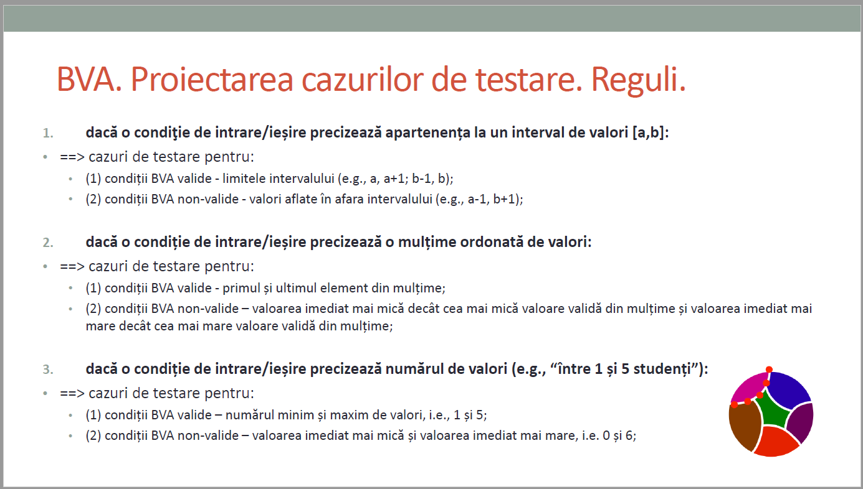
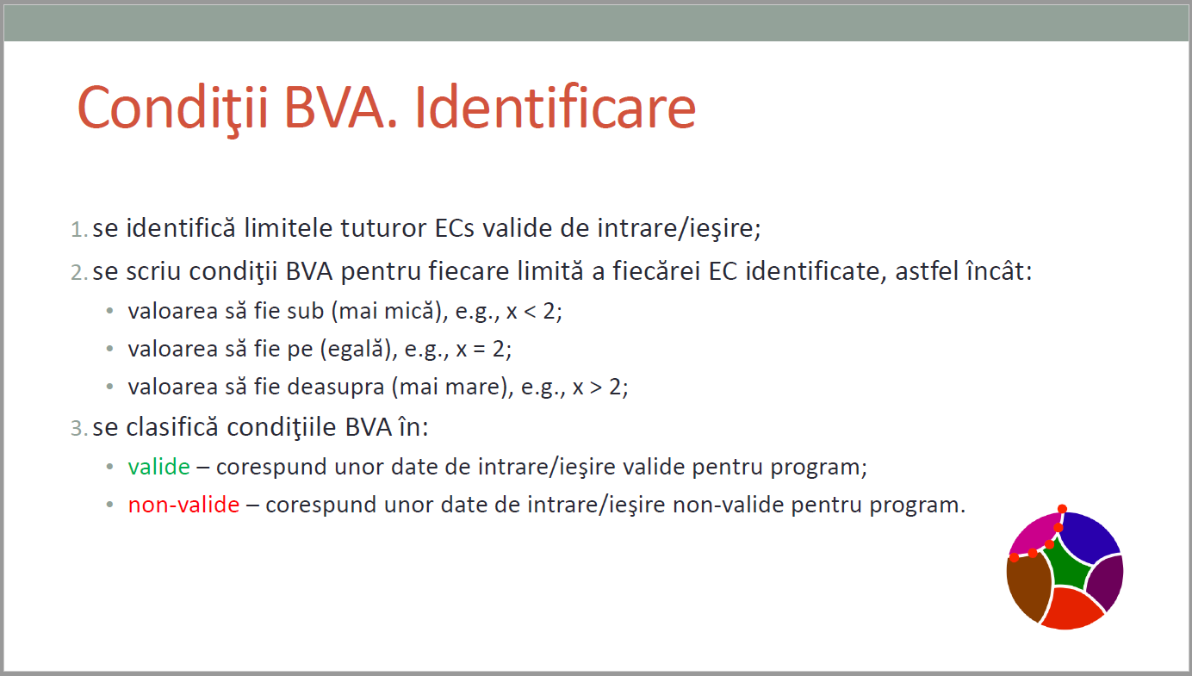
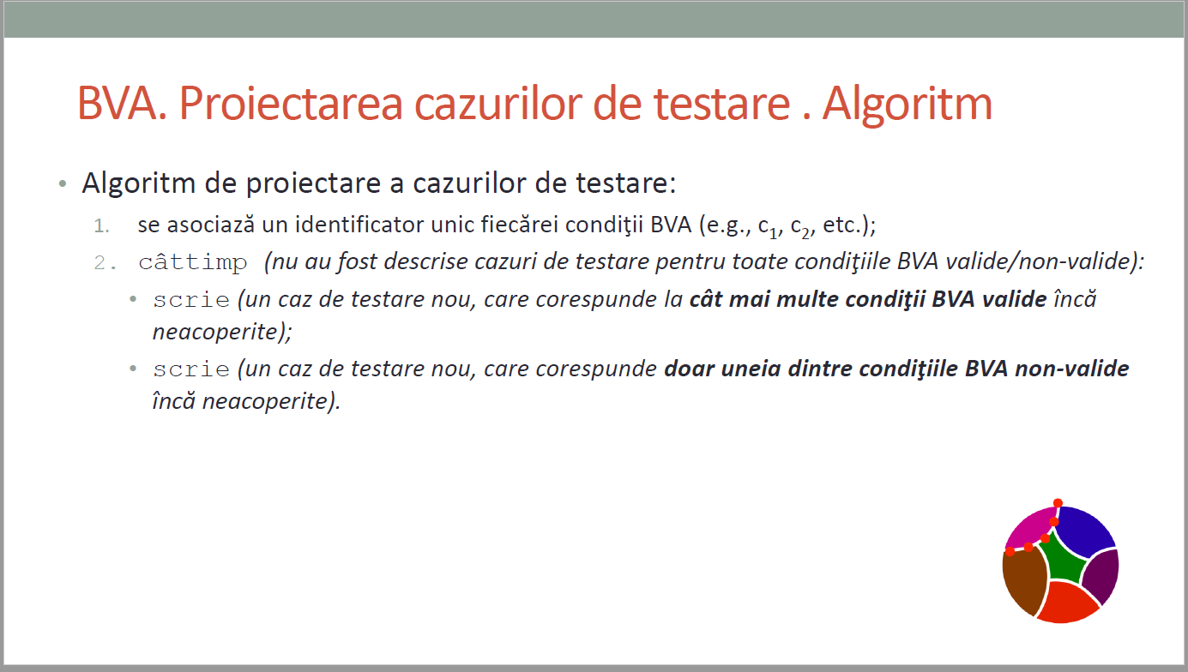
CURS 4

