Clarification
Clarification
17,000 TPD cane | CJ 1,388,726 lb/hr @ 14.58 Bx, 90.0 purity

PROCESS FLOW DIAGRAM

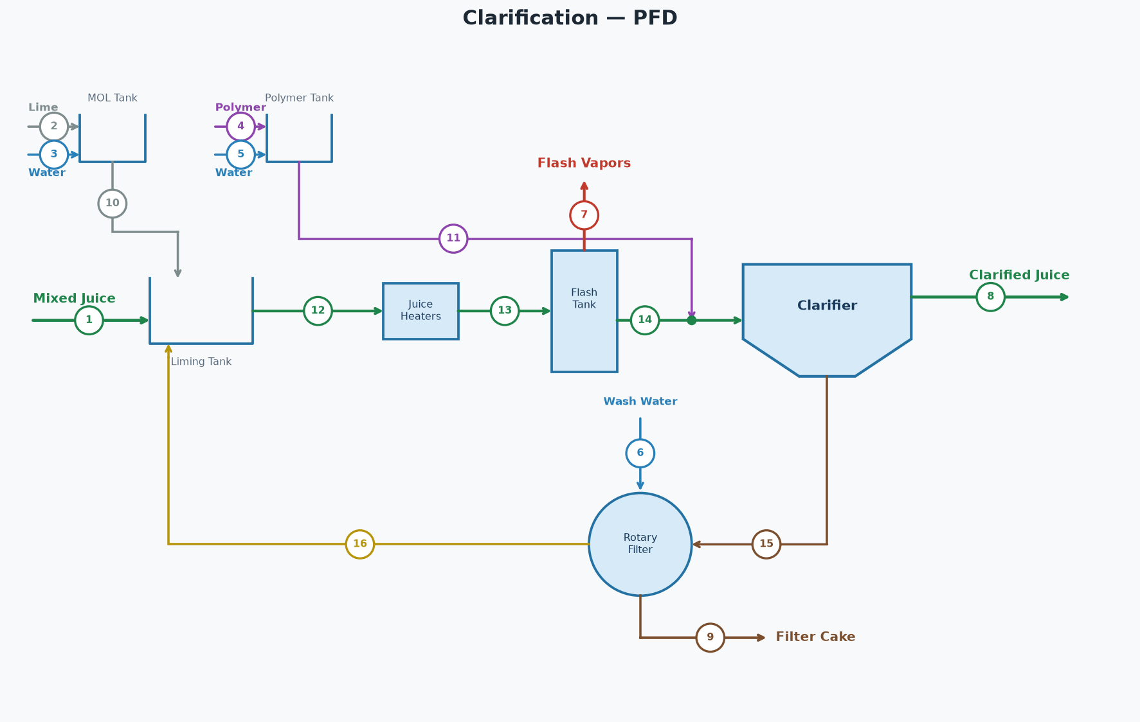

STREAM TABLE (tags match the diagram)
# | Stream | Dir | lb/hr | GPM | Brix lb/hr | Pol lb/hr | Brix % | Pol % | Purity % | % on Cane | °F
1 | Mixed Juice | In | 1,361,899 | 2,567 | 208,965 | 183,889 | 15.34 | 13.50 | 88.0 | 96.13 | 90.0
2 | Lime | In | 921 | 2 | 0 | 0 | 0.00 | 0.00 |  | 0.07
3 | Water for Lime | In | 8,288 | 17 | 0 | 0 | 0.00 | 0.00 |  | 0.59
4 | Polymer | In | 10 | 0 | 0 | 0 | 0.00 | 0.00 |  | 0.00
5 | Polymer Water | In | 1,973 | 4 | 0 | 0 | 0.00 | 0.00 |  | 0.14
6 | Filter Wash Water | In | 113,333 | 226 | 0 | 0 | 0.00 | 0.00 |  | 8.00
7 | Flash Vapors | Out | 12,698 | 25 | 0 | 0 | 0.00 | 0.00 |  | 0.90 | 212.0
8 | Clarified Juice | Out | 1,388,726 | 2,626 | 202,432 | 182,189 | 14.58 | 13.12 | 90.0 | 98.03 | 205.0
9 | Filter Cake | Out | 85,000 | 165 | 6,533 | 1,700 | 7.69 | 2.00 | 26.0 | 6.00
10 | Milk of Lime | Internal | 9,208 | 18 | 0 | 0 | 0.00 | 0.00 |  | 0.65
11 | Polymer Solution | Internal | 1,983 | 4 | 0 | 0 | 0.00 | 0.00 |  | 0.14
12 | Limed Juice Cold | Internal | 1,684,757 | 3,186 | 245,906 | 193,503 | 14.60 | 11.49 | 78.7 | 118.92 | 85.0
13 | Limed Juice Hot | Internal | 1,684,757 | 3,186 | 245,906 | 193,503 | 14.60 | 11.49 | 78.7 | 118.92 | 220.0
14 | Flashed Juice | Internal | 1,672,059 | 3,160 | 245,906 | 193,503 | 14.71 | 11.57 | 78.7 | 118.03 | 212.0
15 | Clarifier Underflow | Internal | 283,333 | 534 | 43,474 | 11,313 | 15.34 | 3.99 | 26.0 | 20.00
16 | Filtrate | Internal | 311,667 | 596 | 36,941 | 9,613 | 11.85 | 3.08 | 26.0 | 22.00
 | Total In (external) |  | 1,486,424 |  | 208,965 | 183,889
 | Total Out (external) |  | 1,486,424 |  | 208,965 | 183,889
 | Net (In - Out) |  | 0 |  | 0 | 0

PARAMETERS
Cane throughput | 17,000 | TPD
Filter wash water | 8.00 | % on cane
Filter cake | 6.00 | % on cane
Filter cake pol | 2.00 | %
Clarified juice purity | 90.00 | %
Limed juice cold temp | 85.0 | °F
Limed juice hot temp | 220.0 | °F
Clarified juice temp | 205.0 | °F
Lime dose | 1.30 | lb/ton cane
Milk of lime | 10.0 | °Baumé
Polymer dose | 0.014 | lb/ton cane
Polymer concentration | 5,000 | ppm
Clarifier underflow | 20.00 | % on cane

KEY RESULTS
Flash vapor | 0.754 | % of limed juice
Filter cake pol loss | 40,800 | lb/day
Clarified juice flow | 1,388,726 | lb/hr
Clarified juice flow | 2,626 | GPM
Clarified juice brix | 14.58 | %
Clarified juice purity | 90.00 | %
Clarified juice temp | 205.0 | °F

