Birkett Case 4 — Pre-evap + Tri
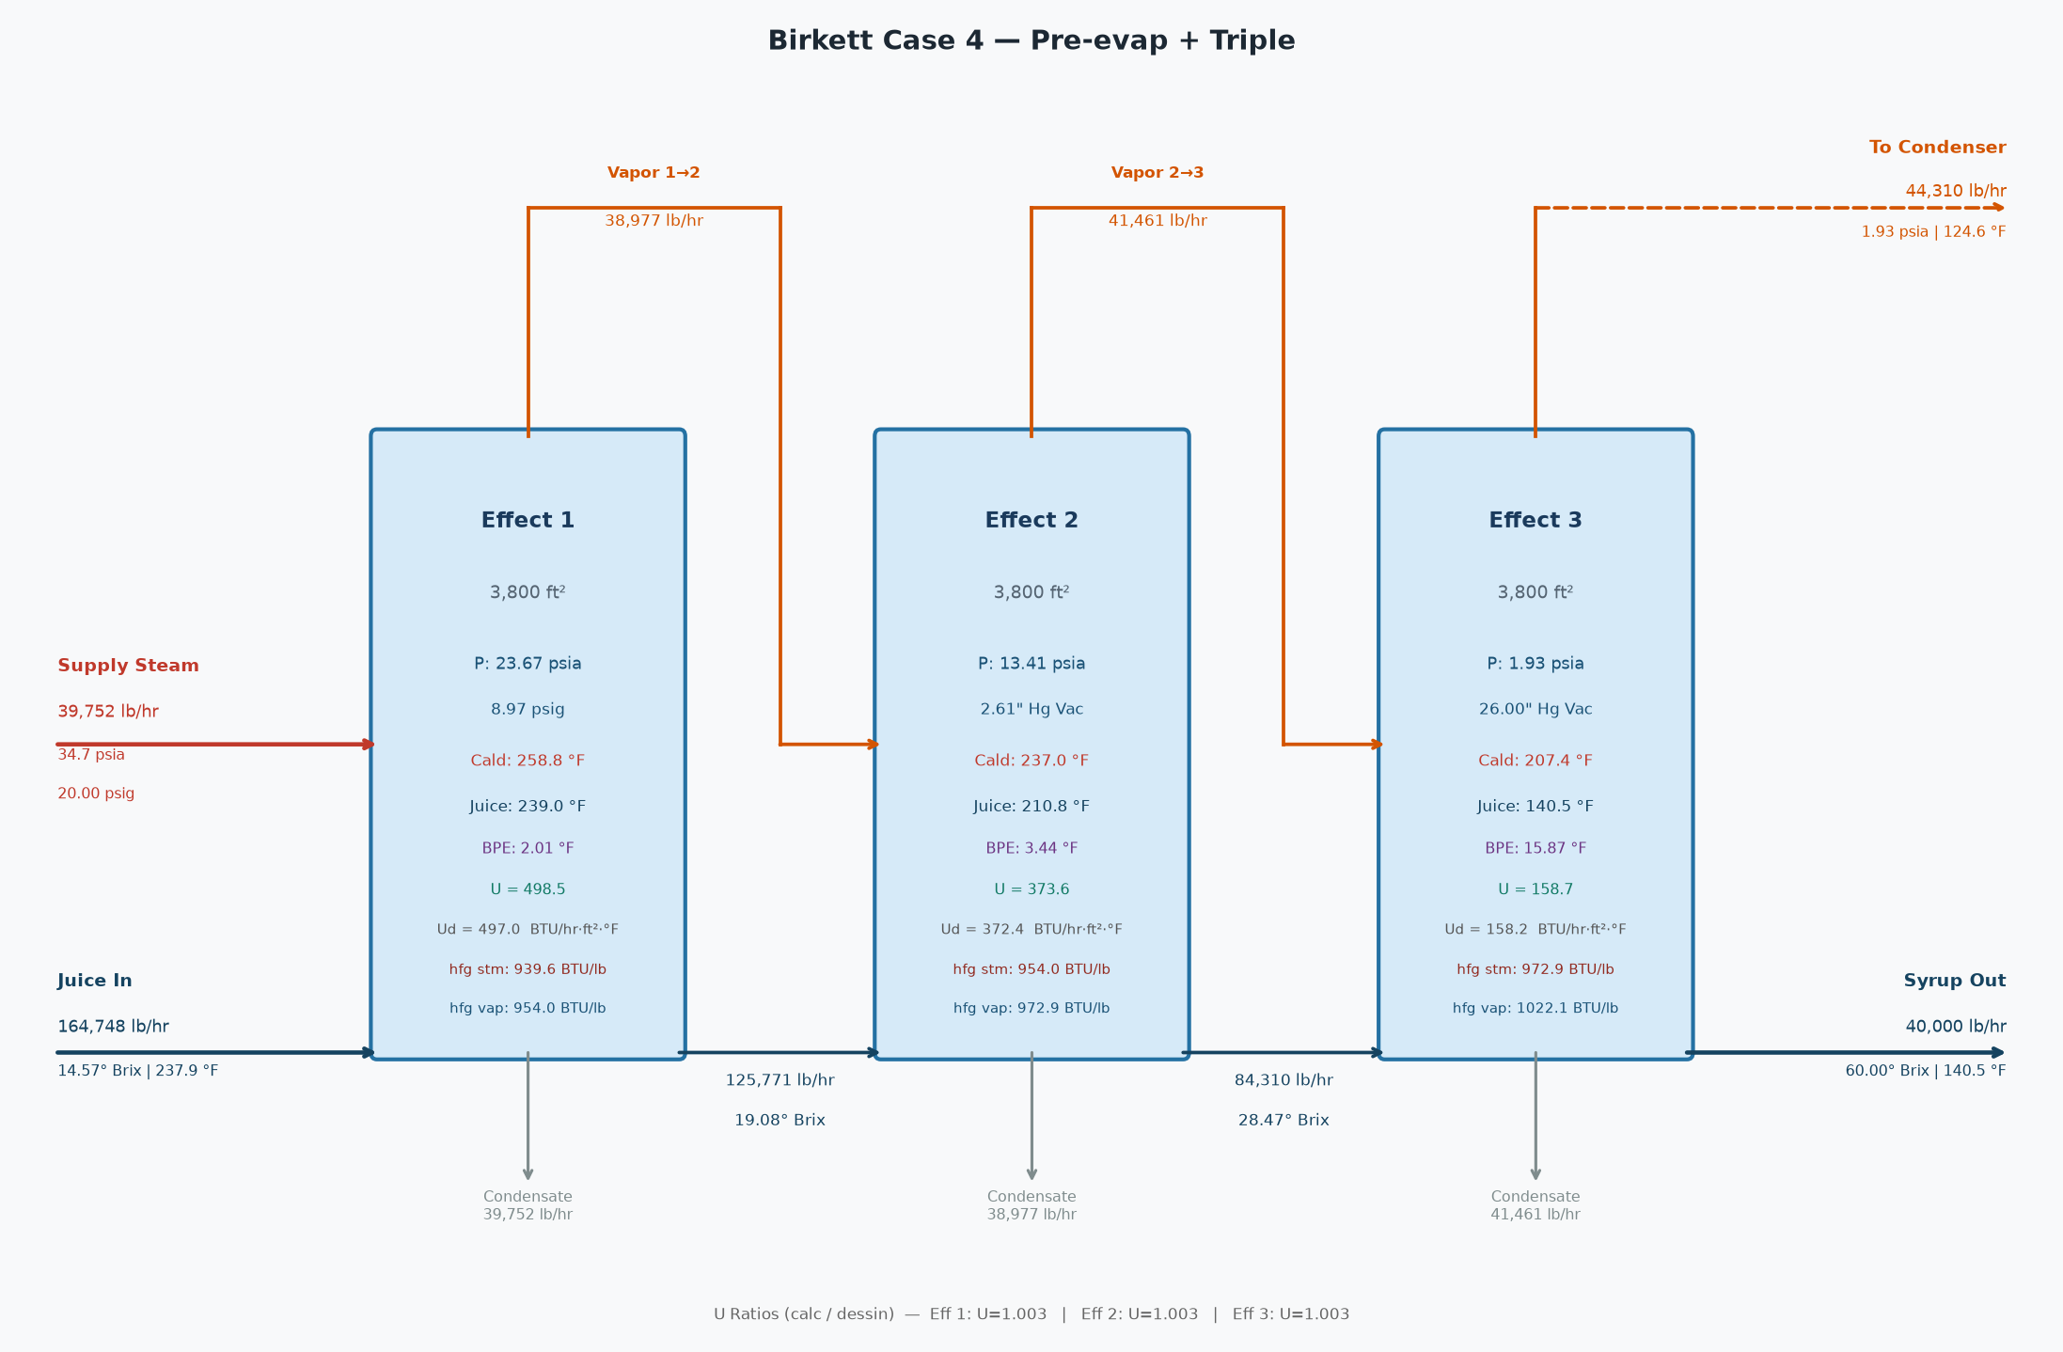
Birkett Case 4 — Pre-evap + Triple
3 effects | steam = 39,752 lb/hr | syrup out = 60.00 Bx

Birkett Case 4 — Pre-evap + Triple — SUMMARY
Stream | Flow (lb/hr) | Brix / P (psia) | Temp (°F)
Juice In | 164,748 | 14.57 | 237.9
Syrup Out | 40,000 | 60.00 | 140.5
Steam Req'd | 39,752 | 34.70 | 258.8
Steam pressure | 20.00 | psig
Last effect vacuum | 26.00 | "Hg
Avg U ratio (calc/Dessin) | 1.003

Birkett Case 4 — Pre-evap + Triple — EFFECT FLOWS
 | Effect 1 | Effect 2 | Effect 3
Juice in (lb/hr) | 164,748 | 125,771 | 84,310
Syrup out (lb/hr) | 125,771 | 84,310 | 40,000
Steam in (lb/hr) | 39,752 | 38,977 | 41,461
Evaporated (lb/hr) | 38,977 | 41,461 | 44,310
Vapor bleed (lb/hr) | 0 | 0 | 0
Heating surface (ft²) | 3,800 | 3,800 | 3,800

Birkett Case 4 — Pre-evap + Triple — EFFECT CONDITIONS
 | Effect 1 | Effect 2 | Effect 3
Brix in | 14.57 | 19.08 | 28.47
Brix out | 19.08 | 28.47 | 60.00
Juice temp (°F) | 237.94 | 239.03 | 210.83
Syrup temp (°F) | 239.03 | 210.83 | 140.50
Juice cp | 0.91 | 0.89 | 0.84
Syrup cp | 0.89 | 0.84 | 0.66
Vapor P (psia) | 23.67 | 13.41 | 1.93
Vapor temp (°F) | 237.03 | 207.39 | 124.63
Vapor h_fg (BTU/lb) | 954.03 | 972.88 | 1,022.13
Calandria P (psia) | 34.70 | 23.67 | 13.41
Calandria temp (°F) | 258.75 | 237.03 | 207.39
Calandria h_fg (BTU/lb) | 939.59 | 954.03 | 972.88
Duty (MM BTU/hr) | 37.35 | 37.19 | 40.34
U calc (BTU/hr·ft²·°F) | 498.50 | 373.60 | 158.68
U Dessin (BTU/hr·ft²·°F) | 496.96 | 372.42 | 158.21

Birkett Case 4 — Pre-evap + Triple — ENERGY BALANCE PER EFFECT
Effect | Steam (lb/hr) | h_fg (BTU/lb) | Entering (MM BTU/hr) | Sensible (MM BTU/hr) | Net for Evap (MM BTU/hr) | Evaporated (lb/hr)
Effect 1 | 39,752 | 939.6 | 37.350 | -0.165 | 37.185 | 38,977
Effect 2 | 38,977 | 954.0 | 37.185 | 3.151 | 40.336 | 41,461
Effect 3 | 41,461 | 972.9 | 40.336 | 4.954 | 45.291 | 44,310

Birkett Case 4 — Pre-evap + Triple — LAST EFFECT CONDENSER
Vapor to condenser | 44,310 | lb/hr
Vapor saturation temp | 124.6 | °F
Vapor h_fg | 1022.1 | BTU/lb
Heat load | 45,290,533 | BTU/hr
Injection water in | 100.0 | °F
Water outlet temp | 124.6 | °F
Injection water flow | 1,839,038 | lb/hr
Injection water flow | 3,675 | GPM
Total outlet flow | 1,883,348 | lb/hr

Birkett Case 4 — Pre-evap + Triple — PROCESS FLOW DIAGRAM

