Pan Floor - Three Boiling
Three Boiling Double Magma — Pan Floor
Syrup 162,744 lb/hr @ 60.0 Bx | Pol recovered in raw sugar = 87.26%

PROCESS FLOW DIAGRAM

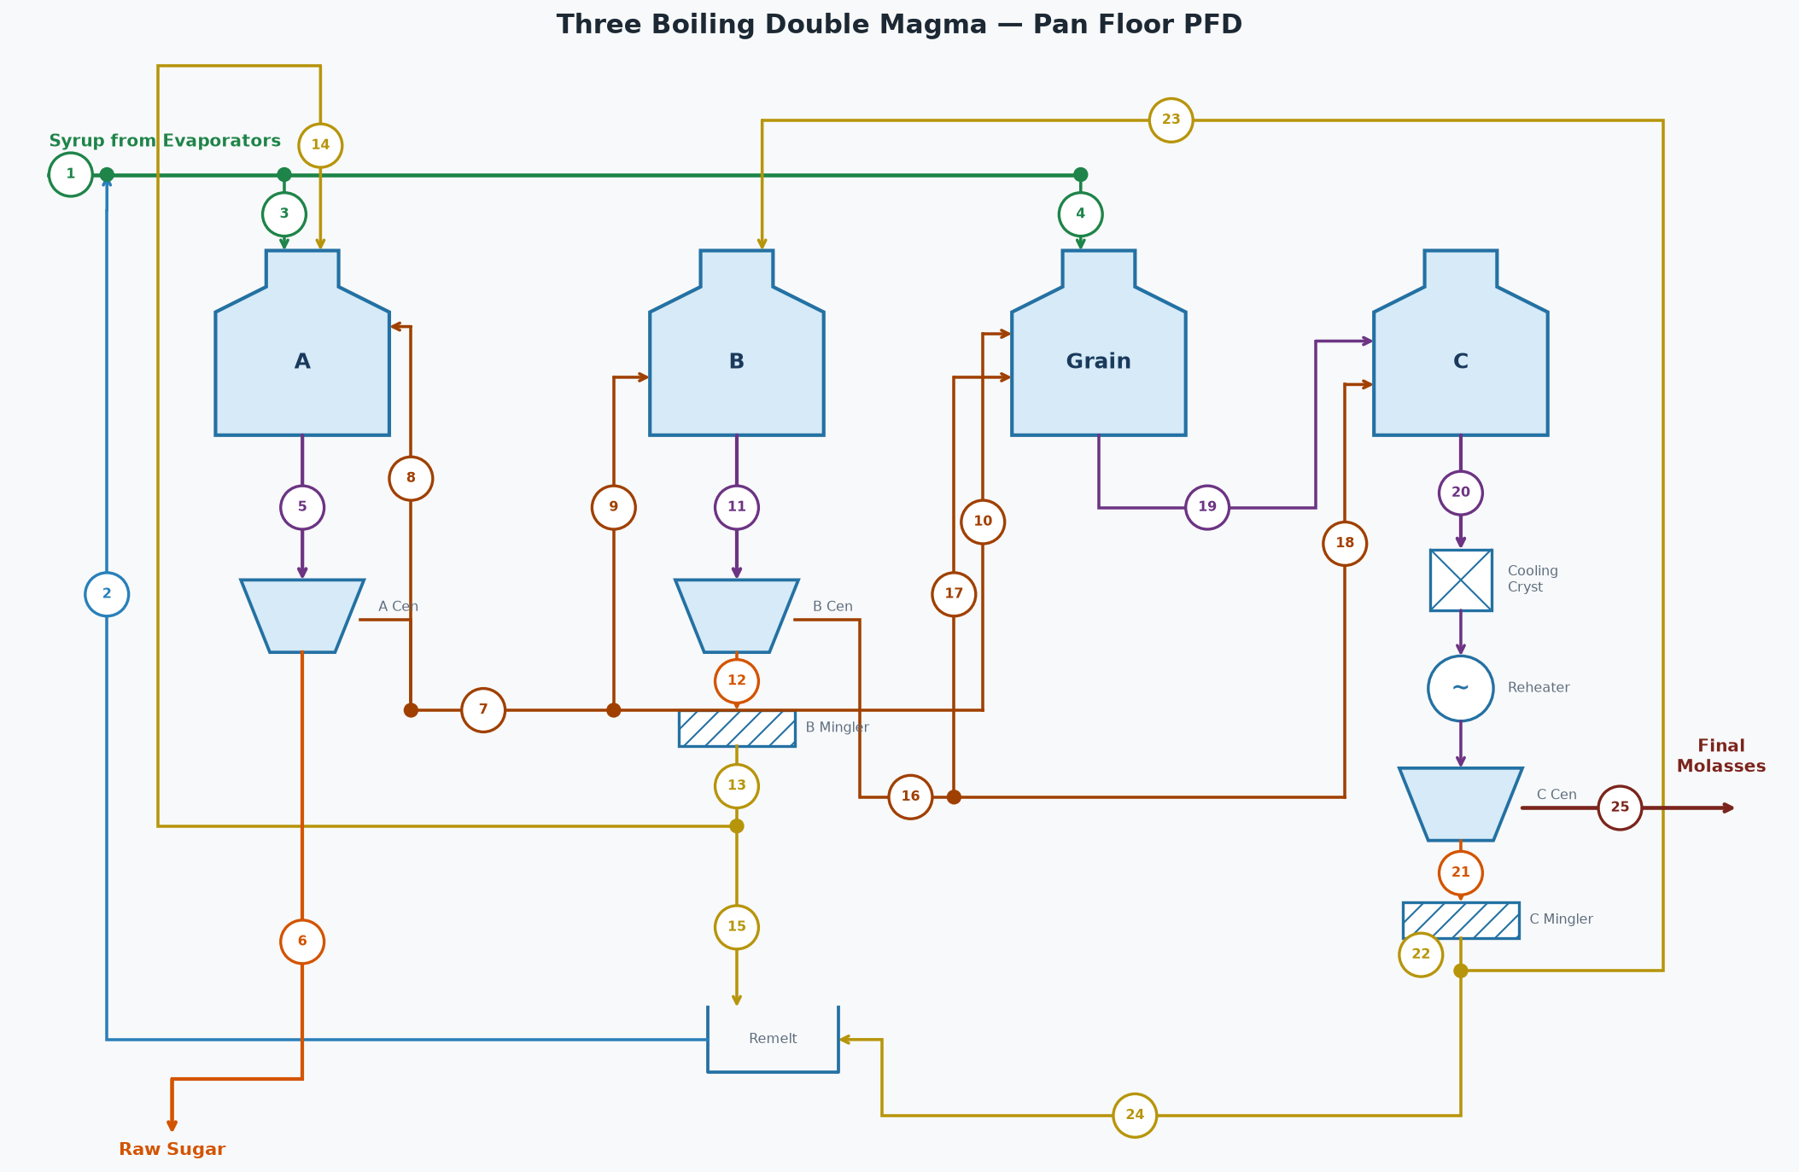

STREAM TABLE (tags match the diagram)
# | Stream | Flow (lb/hr) | Brix % | Purity %
1 | Syrup from Evaporators | 162,744 | 60.0 | 80.0
2 | Remelt Return to Syrup | 16,621 | 65.0 | 88.9
3 | Syrup to A Pans | 177,572 | 60.5 | 80.9
4 | Syrup to Grain Pans | 1,794 | 60.5 | 80.9
5 | A Massecuite | 149,082 | 92.0 | 83.3
6 | A Sugar (Raw Sugar) | 68,504 | 99.8 | 99.7
7 | A Molasses (diluted) | 98,268 | 70.0 | 67.0
8 | A Mol Top-off to A Pans | 0 | 70.0 | 67.0
9 | A Molasses to B Pans | 95,320 | 70.0 | 67.0
10 | A Molasses to Grain | 2,948 | 70.0 | 67.0
11 | B Massecuite | 85,266 | 94.0 | 69.5
12 | B Sugar | 39,197 | 95.0 | 92.0
13 | B Magma | 40,475 | 92.0 | 92.0
14 | B Magma to A Footing | 32,380 | 92.0 | 92.0
15 | B Magma to Remelt | 8,095 | 92.0 | 92.0
16 | B Molasses (diluted) | 61,305 | 70.0 | 50.0
17 | B Molasses to Grain | 6,131 | 70.0 | 50.0
18 | B Molasses to C Pans | 55,175 | 70.0 | 50.0
19 | Grain Massecuite | 8,454 | 88.0 | 59.2
20 | C Massecuite | 48,232 | 95.5 | 51.5
21 | C Sugar | 17,666 | 95.0 | 82.0
22 | C Magma | 18,242 | 92.0 | 82.0
23 | C Magma to B Footing | 14,594 | 92.0 | 82.0
24 | C Magma to Remelt | 3,648 | 92.0 | 82.0
25 | C Final Molasses | 35,706 | 82.0 | 34.0

STREAMS NOT SHOWN — WATER
Stream | Flow (lb/hr)
A Centrifugal Wash Water | 3,310
B Centrifugal Wash Water | 6,264
C Centrifugal Wash Water | 5,140
B Magma Mingler Water | 1,278
C Magma Mingler Water | 576
B Remelt Water | 3,363
C Remelt Water | 1,515
A Molasses Dilution Water | 14,381
B Molasses Dilution Water | 8,971
A Pans Water Evaporated | 60,870
B Pans Water Evaporated | 24,648
Grain Pans Water Evaporated | 2,418
C Pans Water Evaporated | 15,396
Total Fresh Water In (wash + mingler + remelt + dilution) | 44,799
Total Water Evaporated (all pans) | 103,332

OVERALL FLOOR BALANCE
Stream | Dir | Flow (lb/hr) | Solids (lb/hr) | Pol (lb/hr) | Water (lb/hr) | Brix % | Purity % | ft³/hr
Syrup From Evaporators | In | 162,744 | 97,646 | 78,117 | 65,098 | 60.0 | 80.0 | 2,028
Wash and Dilution Water | In | 44,799 | 0 | 0 | 44,799
A Product Sugar | Out | 68,504 | 68,367 | 68,162 | 137 | 99.8 | 99.7 | 708
C Final Molasses | Out | 35,706 | 29,279 | 9,955 | 6,427 | 82.0 | 34.0 | 402
Evaporated (all pans) | Out | 103,332 | 0 | 0 | 103,332
Total In |  | 207,543 | 97,646 | 78,117 | 109,896
Total Out |  | 207,543 | 97,646 | 78,117 | 109,896
Net (In - Out) |  | 0 | 0 | 0 | 0
Pol % recovered in raw sugar (A sugar / feed) | 87.26 | %

A PANS [A Pans]
Stream | Dir | Flow (lb/hr) | Solids (lb/hr) | Pol (lb/hr) | Water (lb/hr) | Brix % | Purity % | ft³/hr
Syrup | In | 177,572 | 107,366 | 86,844 | 70,206 | 60.5 | 80.9 | 2,208
B Magma | In | 32,380 | 29,789 | 27,406 | 2,590 | 92.0 | 92.0 | 347
A Molasses Top-off | In | 0 | 0 | 0 | 0 | 70.0 | 67.0 | 0
Massecuite Out | Out | 149,082 | 137,155 | 114,250 | 11,927 | 92.0 | 83.3 | 1,599
Evaporated Water | Out | 60,870 | 0 | 0 | 60,870
Total In |  | 209,952 | 137,155 | 114,250 | 72,796
Total Out |  | 209,952 | 137,155 | 114,250 | 72,796
Net (In - Out) |  | 0 | 0 | 0 | 0

A CENTRIFUGALS [A Centrifugals]
Stream | Dir | Flow (lb/hr) | Solids (lb/hr) | Pol (lb/hr) | Water (lb/hr) | Brix % | Purity % | ft³/hr
Massecuite | In | 149,082 | 137,155 | 114,250 | 11,927 | 92.0 | 83.3 | 1,599
Wash Water | In | 3,310 | 0 | 0 | 3,310
Sugar Out | Out | 68,504 | 68,367 | 68,162 | 137 | 99.8 | 99.7 | 708
Molasses Out | Out | 83,888 | 68,788 | 46,088 | 15,100 | 82.0 | 67.0 | 944
Total In |  | 152,392 | 137,155 | 114,250 | 15,237
Total Out |  | 152,392 | 137,155 | 114,250 | 15,237
Net (In - Out) |  | 0 | 0 | 0 | 0

A MOLASSES DILUTION (target 70.0 Bx)
Stream | Dir | Flow (lb/hr) | Solids (lb/hr) | Pol (lb/hr) | Water (lb/hr) | Brix % | Purity % | ft³/hr
A Molasses (undiluted) | In | 83,888 | 68,788 | 46,088 | 15,100 | 82.0 | 67.0 | 944
Dilution Water | In | 14,381 | 0 | 0 | 14,381
A Molasses (diluted) | Out | 98,268 | 68,788 | 46,088 | 29,481 | 70.0 | 67.0 | 1,169
Total In |  | 98,268 | 68,788 | 46,088 | 29,481
Total Out |  | 98,268 | 68,788 | 46,088 | 29,481
Net (In - Out) |  | 0 | 0 | 0 | 0

B PANS [B Pans]
Stream | Dir | Flow (lb/hr) | Solids (lb/hr) | Pol (lb/hr) | Water (lb/hr) | Brix % | Purity % | ft³/hr
C Magma | In | 14,594 | 13,426 | 11,009 | 1,167 | 92.0 | 82.0 | 157
A Molasses | In | 95,320 | 66,724 | 44,705 | 28,596 | 70.0 | 67.0 | 1,134
Massecuite Out | Out | 85,266 | 80,150 | 55,715 | 5,116 | 94.0 | 69.5 | 906
Evaporated Water | Out | 24,648 | 0 | 0 | 24,648
Total In |  | 109,914 | 80,150 | 55,715 | 29,764
Total Out |  | 109,914 | 80,150 | 55,715 | 29,764
Net (In - Out) |  | 0 | 0 | 0 | 0

B CENTRIFUGALS [B Centrifugals]
Stream | Dir | Flow (lb/hr) | Solids (lb/hr) | Pol (lb/hr) | Water (lb/hr) | Brix % | Purity % | ft³/hr
Massecuite | In | 85,266 | 80,150 | 55,715 | 5,116 | 94.0 | 69.5 | 906
Wash Water | In | 6,264 | 0 | 0 | 6,264
Sugar Out | Out | 39,197 | 37,237 | 34,258 | 1,960 | 95.0 | 92.0 | 415
Molasses Out | Out | 52,334 | 42,914 | 21,457 | 9,420 | 82.0 | 50.0 | 589
Total In |  | 91,530 | 80,150 | 55,715 | 11,380
Total Out |  | 91,530 | 80,150 | 55,715 | 11,380
Net (In - Out) |  | 0 | 0 | 0 | 0

B MOLASSES DILUTION (target 70.0 Bx)
Stream | Dir | Flow (lb/hr) | Solids (lb/hr) | Pol (lb/hr) | Water (lb/hr) | Brix % | Purity % | ft³/hr
B Molasses (undiluted) | In | 52,334 | 42,914 | 21,457 | 9,420 | 82.0 | 50.0 | 589
Dilution Water | In | 8,971 | 0 | 0 | 8,971
B Molasses (diluted) | Out | 61,305 | 42,914 | 21,457 | 18,392 | 70.0 | 50.0 | 730
Total In |  | 61,305 | 42,914 | 21,457 | 18,392
Total Out |  | 61,305 | 42,914 | 21,457 | 18,392
Net (In - Out) |  | 0 | 0 | 0 | 0

GRAIN PANS [Grain Pans]
Stream | Dir | Flow (lb/hr) | Solids (lb/hr) | Pol (lb/hr) | Water (lb/hr) | Brix % | Purity % | ft³/hr
Syrup | In | 1,794 | 1,085 | 877 | 709 | 60.5 | 80.9 | 22
A Molasses | In | 2,948 | 2,064 | 1,383 | 884 | 70.0 | 67.0 | 35
B Molasses | In | 6,131 | 4,291 | 2,146 | 1,839 | 70.0 | 50.0 | 73
Massecuite Out | Out | 8,454 | 7,439 | 4,406 | 1,014 | 88.0 | 59.2 | 92
Evaporated Water | Out | 2,418 | 0 | 0 | 2,418
Total In |  | 10,872 | 7,439 | 4,406 | 3,433
Total Out |  | 10,872 | 7,439 | 4,406 | 3,433
Net (In - Out) |  | 0 | 0 | 0 | 0

C PANS [C Pans]
Stream | Dir | Flow (lb/hr) | Solids (lb/hr) | Pol (lb/hr) | Water (lb/hr) | Brix % | Purity % | ft³/hr
Grain Massecuite | In | 8,454 | 7,439 | 4,406 | 1,014 | 88.0 | 59.2 | 92
B Molasses | In | 55,175 | 38,622 | 19,311 | 16,552 | 70.0 | 50.0 | 657
Massecuite Out | Out | 48,232 | 46,062 | 23,717 | 2,170 | 95.5 | 51.5 | 509
Evaporated Water | Out | 15,396 | 0 | 0 | 15,396
Total In |  | 63,628 | 46,062 | 23,717 | 17,567
Total Out |  | 63,628 | 46,062 | 23,717 | 17,567
Net (In - Out) |  | 0 | 0 | 0 | 0

C CRYSTALLIZERS [C Crystallizers]
Stream | Dir | Flow (lb/hr) | Solids (lb/hr) | Pol (lb/hr) | Water (lb/hr) | Brix % | Purity % | ft³/hr
Massecuite In (T=173.0 °F) | In | 48,232 | 46,062 | 23,717 | 2,170 | 95.5 | 51.5 | 509
Massecuite Out (T=120.0 °F) | Out | 48,232 | 46,062 | 23,717 | 2,170 | 95.5 | 51.5 | 509
ML purity in -> out | 33.0 -> 30.0 | %
Crystal content in -> out | 26.4 -> 29.3 | %
Duty | 1,165,803 | BTU/hr
Cooling Water | 58,290 | lb/hr (116 gpm, 85 -> 105 °F)

C REHEATERS [C Reheaters]
Stream | Dir | Flow (lb/hr) | Solids (lb/hr) | Pol (lb/hr) | Water (lb/hr) | Brix % | Purity % | ft³/hr
Massecuite In (T=120.0 °F) | In | 48,232 | 46,062 | 23,717 | 2,170 | 95.5 | 51.5 | 509
Massecuite Out (T=130.0 °F) | Out | 48,232 | 46,062 | 23,717 | 2,170 | 95.5 | 51.5 | 509
ML purity in -> out | 30.0 -> 30.0 | %
Crystal content in -> out | 29.3 -> 29.3 | %
Duty | 220,060 | BTU/hr
Hot Water | 14,671 | lb/hr (29 gpm, 150 -> 135 °F)

C CENTRIFUGALS [C Centrifugals]
Stream | Dir | Flow (lb/hr) | Solids (lb/hr) | Pol (lb/hr) | Water (lb/hr) | Brix % | Purity % | ft³/hr
Massecuite | In | 48,232 | 46,062 | 23,717 | 2,170 | 95.5 | 51.5 | 509
Wash Water | In | 5,140 | 0 | 0 | 5,140
Sugar Out | Out | 17,666 | 16,783 | 13,762 | 883 | 95.0 | 82.0 | 187
Molasses Out | Out | 35,706 | 29,279 | 9,955 | 6,427 | 82.0 | 34.0 | 402
Total In |  | 53,372 | 46,062 | 23,717 | 7,310
Total Out |  | 53,372 | 46,062 | 23,717 | 7,310
Net (In - Out) |  | 0 | 0 | 0 | 0

PAN VAPOR CONDENSERS (one per pan)
Condenser | Vapor (lb/hr) | Sat T (°F) | h_fg (BTU/lb) | Heat (MM BTU/hr) | Inj Water (lb/hr) | Inj Water (GPM) | Water Out (°F) | Total Out (lb/hr)
A Pans | 60,870 | 143.4 | 1011.2 | 61.555 | 1,153,659 | 2,305 | 143.4 | 1,214,529
B Pans | 24,648 | 133.1 | 1017.2 | 25.072 | 581,954 | 1,163 | 133.1 | 606,602
Grain Pans | 2,418 | 129.1 | 1019.6 | 2.466 | 63,123 | 126 | 129.1 | 65,541
C Pans | 15,396 | 119.7 | 1025.0 | 15.781 | 531,656 | 1,062 | 119.7 | 547,052
Total | 103,332 |  |  | 104.874 | 2,330,392 | 4,657 |  | 2,433,724
Injection water supply temp | 90.0 | °F

