SMSC Mills
SMSC Mills
5 mills | extraction = 95.43%

PROCESS FLOW DIAGRAM

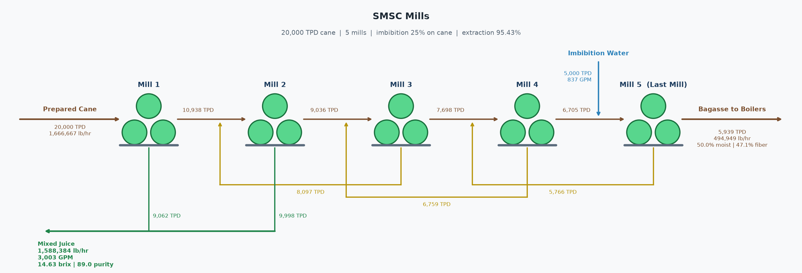

CANE FEED
Cane throughput | 20,000 | TPD
Cane pol | 13.00 | %
Cane fiber | 14.00 | %
Imbibition | 25.00 | % on cane
Imbibition flow | 837 | GPM

MIXED JUICE
Flow | 1,588,384 | lb/hr
Brix | 14.63 | %
Purity | 89.00 | %
Pol | 13.02 | %
Temperature | 90.0 | °F
Flow | 3,003 | GPM

BAGASSE
Flow | 494,949 | lb/hr
Flow | 5,939 | TPD
Fiber | 47.14 | %
Pol | 2.00 | %
Brix | 2.86 | %
Moisture | 50.00 | %

PERFORMANCE
Mill extraction | 95.43 | % pol in cane

STREAM TABLE (TPH)
Stream | Dir | Flow (TPH) | Pol (TPH) | Brix (TPH) | Fiber (TPH) | Water (TPH)
Cane | In | 833.33 | 108.33 | 123.23 | 116.67 | 593.43
Imbibition | In | 208.33 | 0.00 | 0.00 | 0.00 | 208.33
Mixed Juice | Out | 794.19 | 103.38 | 116.16 | 0.00 | 678.03
Bagasse | Out | 247.47 | 4.95 | 7.07 | 116.67 | 123.74
Total In |  | 1,041.67 | 108.33 | 123.23 | 116.67 | 801.77
Total Out |  | 1,041.67 | 108.33 | 123.23 | 116.67 | 801.77
Difference |  | 0.00 | 0.00 | 0.00 | 0.00 | 0.00

PER-MILL MACERATION BALANCE (TPD)
Mill | Bagasse In | Liquid In | Liquid In Source | Bagasse Out | Juice Out | Juice Out Dest
1 | 20,000.0 | 0.0 | None | 10,937.5 | 9,062.5 | To process
2 | 10,937.5 | 8,097.0 | Mill 3 maceration | 9,036.4 | 9,998.1 | To process
3 | 9,036.4 | 6,759.0 | Mill 4 maceration | 7,698.4 | 8,097.0 | Mill 2 maceration
4 | 7,698.4 | 5,766.0 | Mill 5 maceration | 6,705.4 | 6,759.0 | Mill 3 maceration
5 | 6,705.4 | 5,000.0 | Imbibition | 5,939.4 | 5,766.0 | Mill 4 maceration

