Clarification
Clarification
18,000 TPD cane | CJ 1,511,383 lb/hr @ 14.31 Bx, 88.5 purity

PROCESS FLOW DIAGRAM

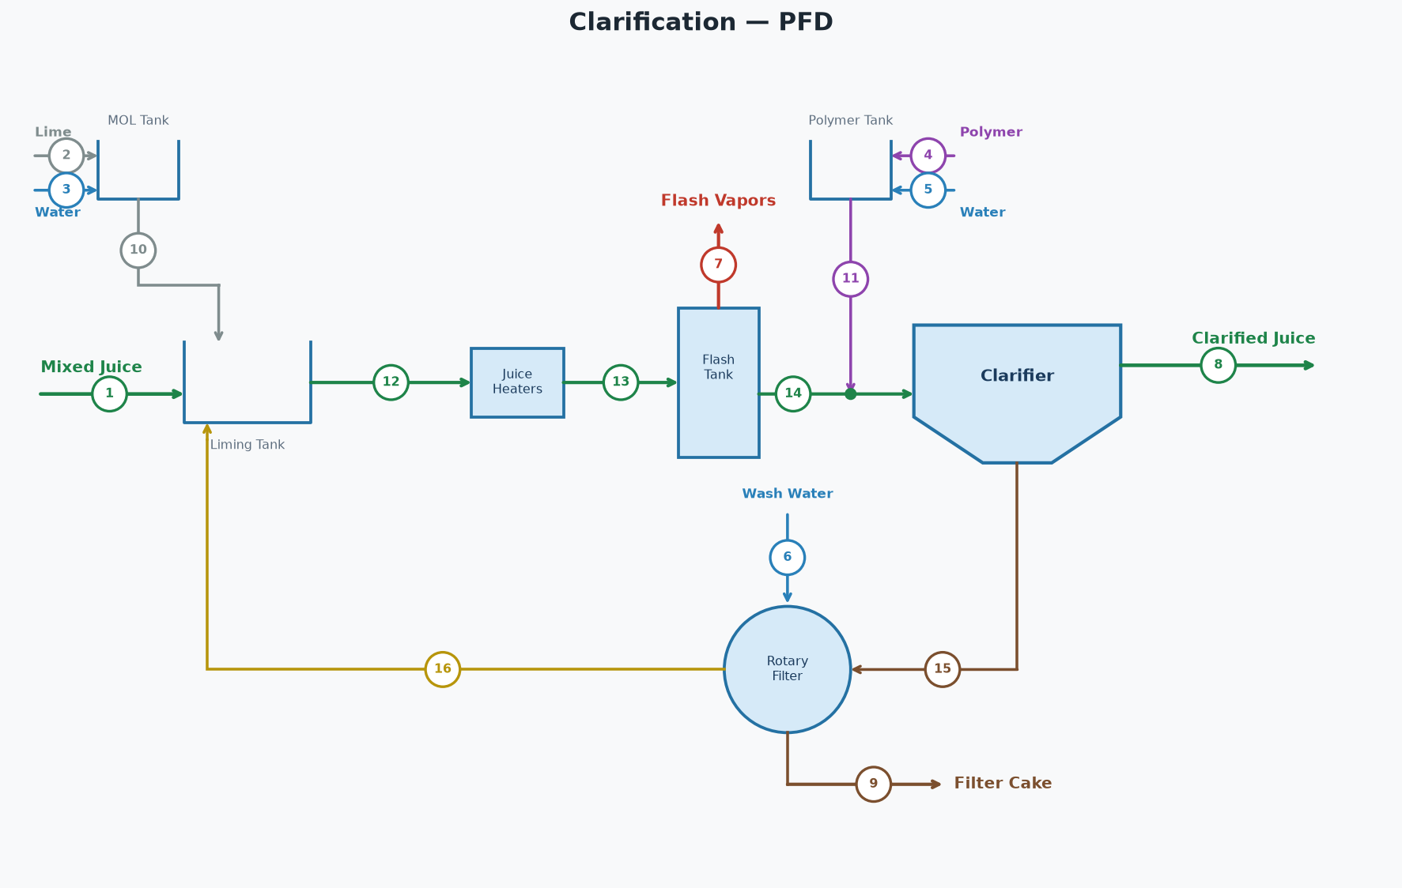

STREAM TABLE (tags match the diagram)
# | Stream | Dir | lb/hr | GPM | Brix lb/hr | Pol lb/hr | Brix % | Pol % | Purity % | % on Cane | °F
1 | Mixed Juice | In | 1,508,669 | 2,853 | 219,582 | 193,232 | 14.55 | 12.81 | 88.0 | 100.58 | 90.0
2 | Lime | In | 975 | 2 | 0 | 0 | 0.00 | 0.00 |  | 0.07
3 | Water for Lime | In | 8,775 | 18 | 0 | 0 | 0.00 | 0.00 |  | 0.59
4 | Polymer | In | 34 | 0 | 0 | 0 | 0.00 | 0.00 |  | 0.00
5 | Polymer Water | In | 6,716 | 13 | 0 | 0 | 0.00 | 0.00 |  | 0.45
6 | Filter Wash Water | In | 75,000 | 150 | 0 | 0 | 0.00 | 0.00 |  | 5.00
7 | Flash Vapors | Out | 13,786 | 28 | 0 | 0 | 0.00 | 0.00 |  | 0.92 | 212.0
8 | Clarified Juice | Out | 1,511,383 | 2,861 | 216,307 | 191,432 | 14.31 | 12.67 | 88.5 | 100.76 | 205.0
9 | Filter Cake | Out | 75,000 | 148 | 3,274 | 1,800 | 4.37 | 2.40 | 55.0 | 5.00
10 | Milk of Lime | Internal | 9,750 | 19 | 0 | 0 | 0.00 | 0.00 |  | 0.65
11 | Polymer Solution | Internal | 6,750 | 13 | 0 | 0 | 0.00 | 0.00 |  | 0.45
12 | Limed Juice Cold | Internal | 1,825,169 | 3,456 | 259,971 | 215,434 | 14.24 | 11.80 | 82.9 | 121.68 | 95.0
13 | Limed Juice Hot | Internal | 1,825,169 | 3,456 | 259,971 | 215,434 | 14.24 | 11.80 | 82.9 | 121.68 | 220.0
14 | Flashed Juice | Internal | 1,811,383 | 3,429 | 259,971 | 215,434 | 14.35 | 11.89 | 82.9 | 120.76 | 212.0
15 | Clarifier Underflow | Internal | 300,000 | 567 | 43,664 | 24,002 | 14.55 | 8.00 | 55.0 | 20.00
16 | Filtrate | Internal | 300,000 | 570 | 40,390 | 22,202 | 13.46 | 7.40 | 55.0 | 20.00
 | Total In (external) |  | 1,600,169 |  | 219,582 | 193,232
 | Total Out (external) |  | 1,600,169 |  | 219,582 | 193,232
 | Net (In - Out) |  | 0 |  | 0 | 0

PARAMETERS | KEY RESULTS
Cane throughput | 18,000 | TPD |  | Flash vapor | 0.755 | % of limed juice
Filter wash water | 5.00 | % on cane |  | Filter cake pol loss | 43,200 | lb/day
Filter cake | 5.00 | % on cane |  | Clarified juice flow | 1,511,383 | lb/hr
Filter cake pol | 2.40 | % |  | Clarified juice flow | 2,861 | GPM
Clarified juice purity | 88.50 | % |  | Clarified juice brix | 14.31 | %
Limed juice cold temp | 95.0 | °F |  | Clarified juice purity | 88.50 | %
Limed juice hot temp | 220.0 | °F |  | Clarified juice temp | 205.0 | °F
Clarified juice temp | 205.0 | °F
Lime dose | 1.30 | lb/ton cane
Milk of lime | 10.0 | °Baumé
Polymer dose | 0.045 | lb/ton cane
Polymer concentration | 5,000 | ppm
Clarifier underflow | 20.00 | % on cane

Parallel Juice Heating Station
Parallel Juice Heating Station — Parallel
2 heaters | juice out 1,825,169 lb/hr @ 220.0 °F | steam = 220,660 lb/hr

PROCESS FLOW DIAGRAM

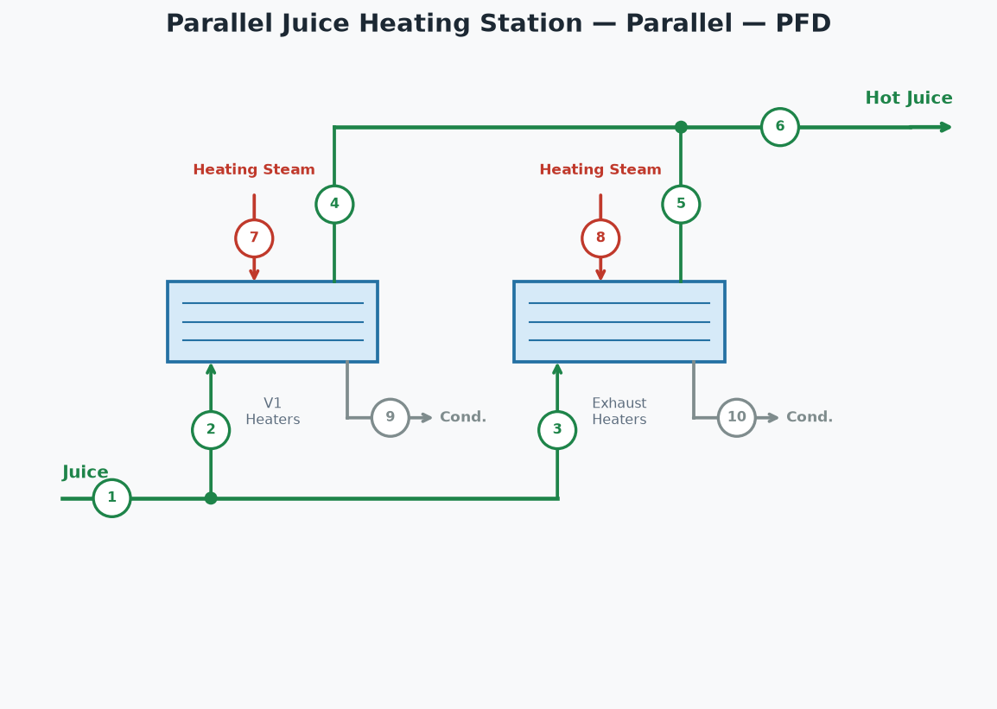

STREAM TABLE (tags match the diagram)
# | Stream | lb/hr | °F | psia
1 | Juice In | 1,825,169 | 95.0
2 | Juice to V1 Heaters | 1,368,877 | 95.0
3 | Juice to Exhaust Heaters | 456,292 | 95.0
4 | Hot Juice from V1 Heaters | 1,368,877 | 220.0
5 | Hot Juice from Exhaust Heaters | 456,292 | 220.0
6 | Hot Juice (combined) | 1,825,169 | 220.0
7 | Steam to V1 Heaters | 165,495 | 247.8 | 28.7
8 | Steam to Exhaust Heaters | 55,165 | 247.8 | 28.7
9 | Condensate from V1 Heaters | 165,495 | 247.8 | 28.7
10 | Condensate from Exhaust Heaters | 55,165 | 247.8 | 28.7

HEATER FLOWS
 | V1 Heaters | Exhaust Heaters
Juice (lb/hr) | 1,368,876.75 | 456,292.25
Juice cp (BTU/lb·°F) | 0.92 | 0.92
Juice ΔT (°F) | 125.00 | 125.00
Duty (BTU/hr) | 156,708,614.52 | 52,236,204.84
Req Area (ft²) | 10,687.96 | 3,562.65
Inst Area (ft²) | 11,000.00 | 5,000.00
Steam (lb/hr) | 165,494.78 | 55,164.93

HEATER CONDITIONS
 | V1 Heaters | Exhaust Heaters
Steam Type | V1 | Exhaust
T in (°F) | 95.00 | 95.00
T out (°F) | 220.00 | 220.00
LMTD (°F) | 73.31 | 73.31
U (BTU/hr·ft²·°F) | 200.00 | 200.00
Steam (psia) | 28.70 | 28.70
Total duty | 208,944,819 | BTU/hr
Total steam | 220,660 | lb/hr
Juice split between heaters | 75% / 25%
Hot juice out | 1,825,169 | lb/hr
Hot juice temperature | 220.0 | °F

CONDENSATE RETURN
Clean condensate (Exhaust steam heaters) | 53,131 | lb/hr
Dirty condensate (V1-V4 steam heaters) | 159,392 | lb/hr
Total condensate | 212,523 | lb/hr

Clarified Juice Heater
Clarified Juice Heater
1 heaters | juice out 1,511,383 lb/hr @ 225.0 °F | steam = 29,223 lb/hr

PROCESS FLOW DIAGRAM

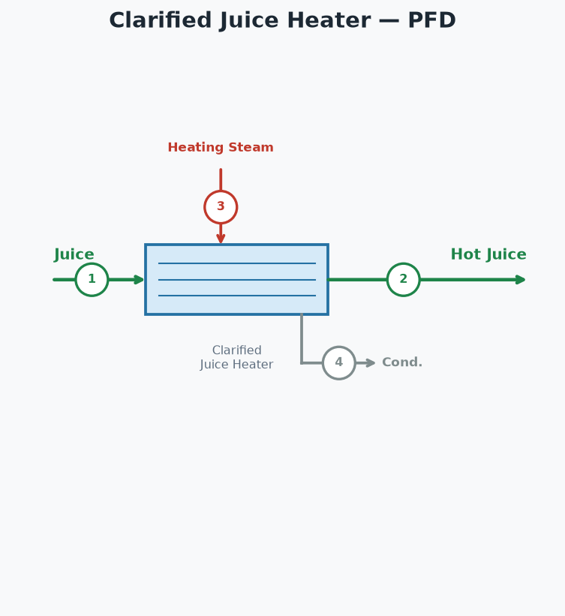

STREAM TABLE (tags match the diagram)
# | Stream | lb/hr | °F | psia
1 | Juice In | 1,511,383 | 205.0
2 | Hot Juice Out | 1,511,383 | 225.0
3 | Steam to Clarified Juice Heater | 29,223 | 247.8 | 28.7
4 | Condensate from Clarified Juice Heater | 29,223 | 247.8 | 28.7

HEATER FLOWS
 | Clarified Juice Heater
Juice (lb/hr) | 1,511,382.95
Juice cp (BTU/lb·°F) | 0.92
Juice ΔT (°F) | 20.00
Duty (BTU/hr) | 27,671,970.15
Req Area (ft²) | 4,715.13
Inst Area (ft²) | 6,000.00
Steam (lb/hr) | 29,223.45

HEATER CONDITIONS
 | Clarified Juice Heater
Steam Type | Exhaust
T in (°F) | 205.00
T out (°F) | 225.00
LMTD (°F) | 31.72
U (BTU/hr·ft²·°F) | 185.00
Steam (psia) | 28.70
Total duty | 27,671,970 | BTU/hr
Total steam | 29,223 | lb/hr
Hot juice out | 1,511,383 | lb/hr
Hot juice temperature | 225.0 | °F

CONDENSATE RETURN
Clean condensate (Exhaust steam heaters) | 28,146 | lb/hr
Dirty condensate (V1-V4 steam heaters) | 0 | lb/hr
Total condensate | 28,146 | lb/hr

Pan Floor - Four Boiling
Four Boiling Double Magma — Pan Floor
Syrup 332,781 lb/hr @ 65.0 Bx | Pol recovered in raw sugar = 94.61%

PROCESS FLOW DIAGRAM

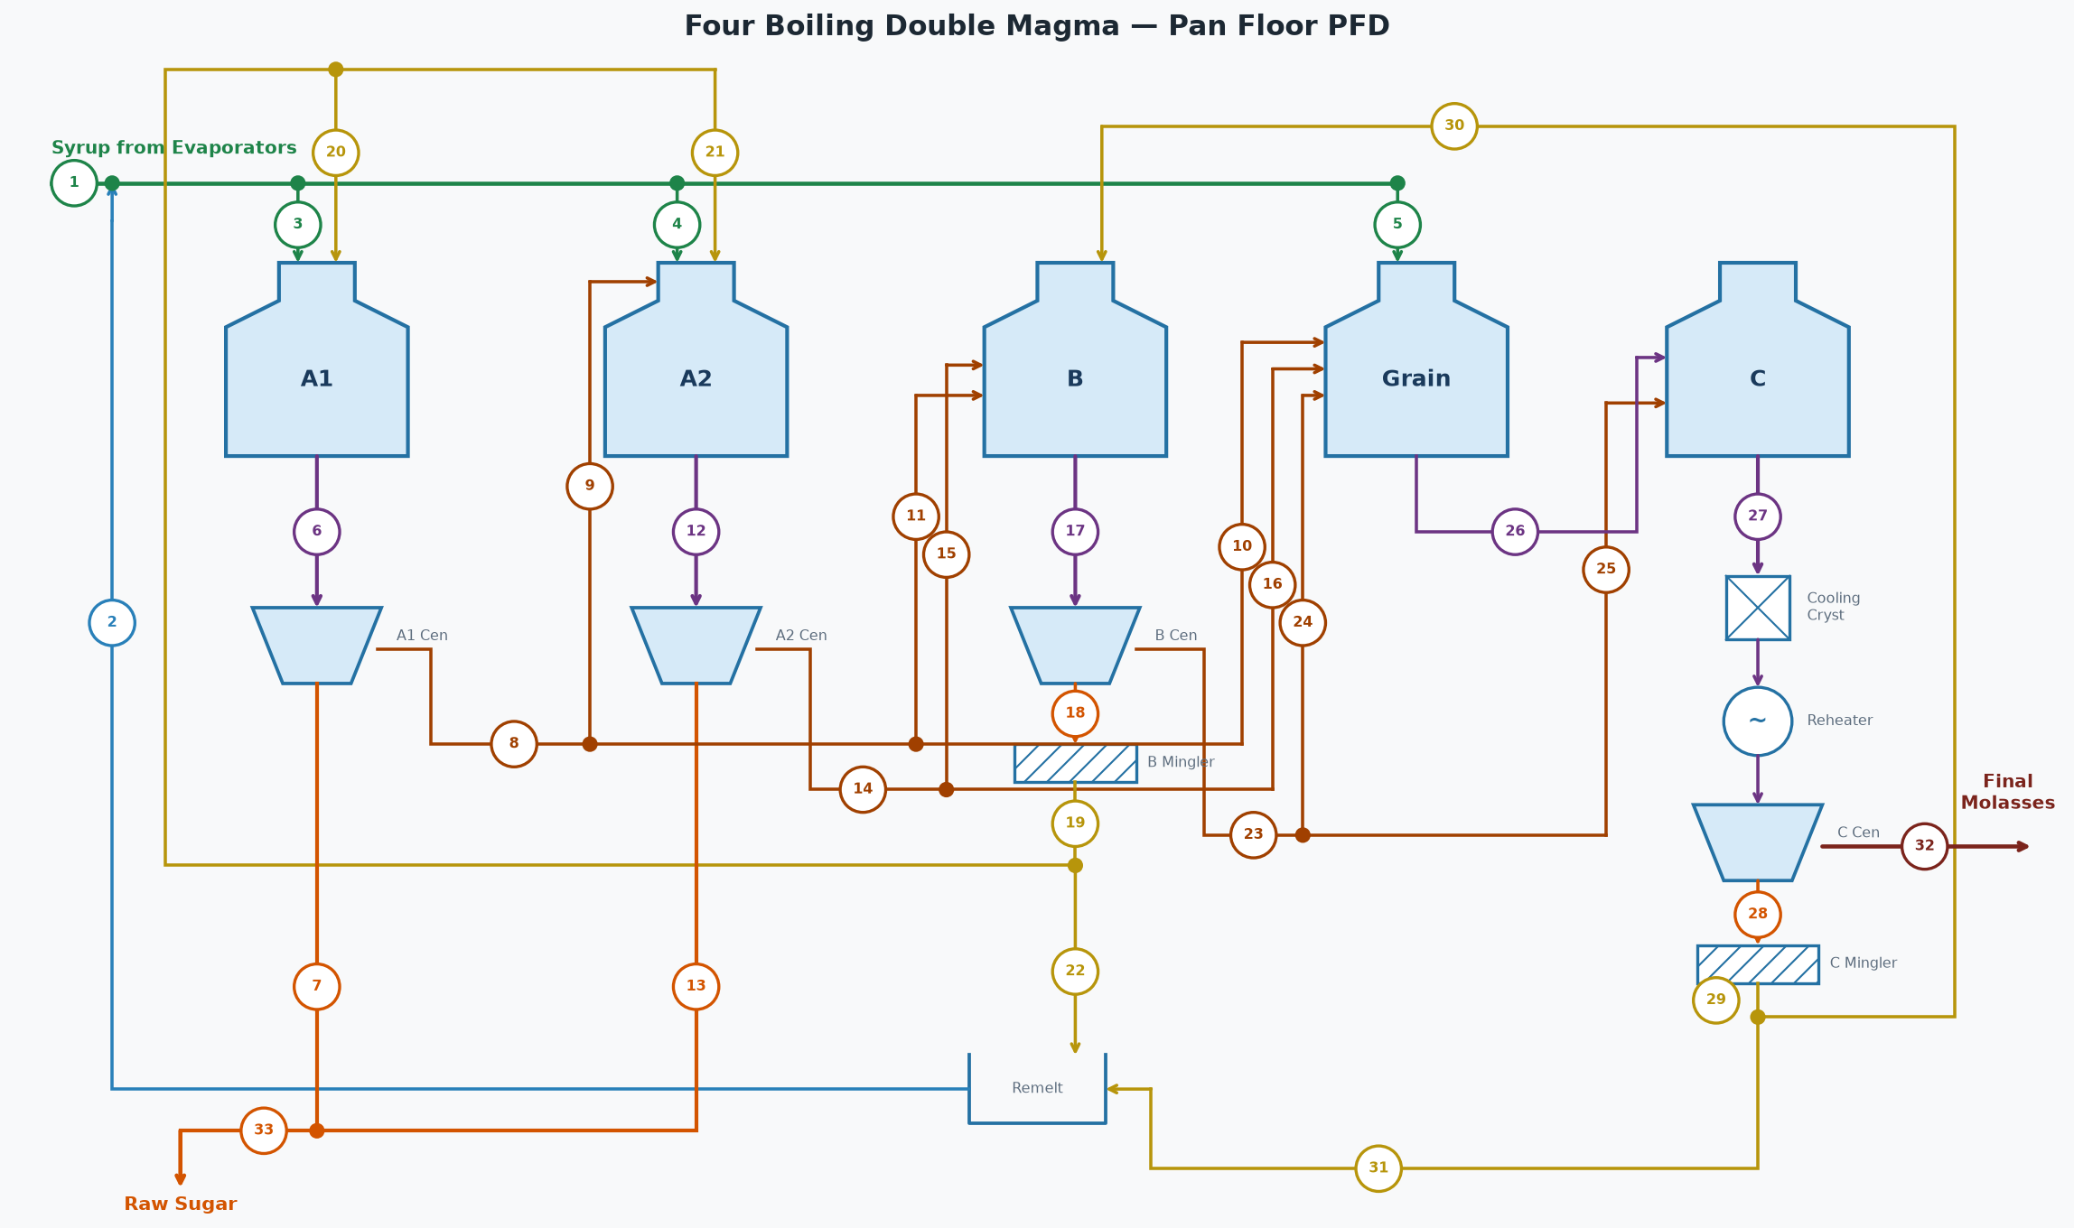

STREAM TABLE (tags match the diagram)
# | Stream | Flow (lb/hr) | Brix % | Purity %
1 | Syrup from Evaporators | 332,781 | 65.0 | 88.5
2 | Remelt Return to Syrup | 35,063 | 65.0 | 88.3
3 | Syrup to A1 Pans | 275,883 | 65.0 | 88.5
4 | Syrup to A2 Pans | 73,569 | 65.0 | 88.5
5 | Syrup to Grain Pans | 18,392 | 65.0 | 88.5
6 | A1 Massecuite | 226,272 | 92.0 | 89.0
7 | A1 Sugar | 117,982 | 99.8 | 99.7
8 | A1 Molasses (diluted) | 129,177 | 70.0 | 75.0
9 | A1 Molasses to A2 Pans | 103,342 | 70.0 | 75.0
10 | A1 Molasses to Grain | 3,875 | 70.0 | 75.0
11 | A1 Molasses to B Pans | 21,960 | 70.0 | 75.0
12 | A2 Massecuite | 161,963 | 92.0 | 82.6
13 | A2 Sugar | 64,300 | 99.8 | 99.3
14 | A2 Molasses (diluted) | 121,193 | 70.0 | 70.0
15 | A2 Molasses to B Pans | 121,193 | 70.0 | 70.0
16 | A2 Molasses to Grain | 0 | 70.0 | 70.0
17 | B Massecuite | 142,210 | 94.0 | 73.6
18 | B Sugar | 75,913 | 95.0 | 92.0
19 | B Magma | 78,388 | 92.0 | 92.0
20 | B Magma to A1 Footing | 31,355 | 92.0 | 92.0
21 | B Magma to A2 Footing | 31,355 | 92.0 | 92.0
22 | B Magma to Remelt | 15,678 | 92.0 | 92.0
23 | B Molasses (diluted) | 87,943 | 70.0 | 52.0
24 | B Molasses to Grain | 8,794 | 70.0 | 52.0
25 | B Molasses to C Pans | 79,148 | 70.0 | 52.0
26 | Grain Massecuite | 23,663 | 88.0 | 75.9
27 | C Massecuite | 79,819 | 95.5 | 58.5
28 | C Sugar | 44,040 | 95.0 | 82.0
29 | C Magma | 45,476 | 92.0 | 82.0
30 | C Magma to B Footing | 36,381 | 92.0 | 82.0
31 | C Magma to Remelt | 9,095 | 92.0 | 82.0
32 | C Final Molasses | 41,939 | 82.0 | 30.0
33 | Total Raw Sugar (A1+A2) | 182,282 | 99.8 | 99.6

STREAMS NOT SHOWN — WATER
Stream | Flow (lb/hr)
A1 Centrifugal Wash Water | 1,983
A2 Centrifugal Wash Water | 5,794
B Centrifugal Wash Water | 8,776
C Centrifugal Wash Water | 6,159
B Magma Mingler Water | 2,475
C Magma Mingler Water | 1,436
B Remelt Water | 6,512
C Remelt Water | 3,778
A1 Molasses Dilution Water | 18,904
A2 Molasses Dilution Water | 17,736
B Molasses Dilution Water | 12,870
A1 Pans Water Evaporated | 80,966
A2 Pans Water Evaporated | 46,303
B Pans Water Evaporated | 37,324
Grain Pans Water Evaporated | 7,399
C Pans Water Evaporated | 22,992
Total Fresh Water In (wash + mingler + remelt + dilution) | 86,423
Total Water Evaporated (all pans) | 194,983

OVERALL FLOOR BALANCE
Stream | Dir | Flow (lb/hr) | Solids (lb/hr) | Pol (lb/hr) | Water (lb/hr) | Brix % | Purity % | ft³/hr
Syrup From Evaporators | In | 332,781 | 216,307 | 191,432 | 116,473 | 65.0 | 88.5 | 4,053
Wash and Dilution Water | In | 86,423 | 0 | 0 | 86,423
A1 Product Sugar | Out | 117,982 | 117,746 | 117,393 | 236 | 99.8 | 99.7 | 1,220
A2 Product Sugar | Out | 64,300 | 64,171 | 63,722 | 129 | 99.8 | 99.3 | 665
C Final Molasses | Out | 41,939 | 34,390 | 10,317 | 7,549 | 82.0 | 30.0 | 472
Evaporated (all pans) | Out | 194,983 | 0 | 0 | 194,983
Total In |  | 419,204 | 216,307 | 191,432 | 202,897
Total Out |  | 419,204 | 216,307 | 191,432 | 202,897
Net (In - Out) |  | 0 | 0 | 0 | 0
 |  |  | Pol % recovered in raw sugar (A1+A2 / feed) | 94.61 | %

PAN FLOOR SYRUP (Evaporator Syrup + Remelt)
Stream | Dir | Flow (lb/hr) | Solids (lb/hr) | Pol (lb/hr) | Water (lb/hr) | Brix % | Purity % | ft³/hr
Evaporator Syrup | In | 332,781 | 216,307 | 191,432 | 116,473 | 65.0 | 88.5 | 4,053
B Remelt | In | 22,190 | 14,423 | 13,270 | 7,766 | 65.0 | 92.0 | 270
C Remelt | In | 12,873 | 8,368 | 6,861 | 4,506 | 65.0 | 82.0 | 157
Syrup (Pan Floor) | Out | 367,844 | 239,098 | 211,563 | 128,745 | 65.0 | 88.5 | 4,480
Total In |  | 367,844 | 239,098 | 211,563 | 128,745
Total Out |  | 367,844 | 239,098 | 211,563 | 128,745
Net (In - Out) |  | 0 | 0 | 0 | 0

A1 PANS [A1 Pans]
Stream | Dir | Flow (lb/hr) | Solids (lb/hr) | Pol (lb/hr) | Water (lb/hr) | Brix % | Purity % | ft³/hr
Syrup | In | 275,883 | 179,324 | 158,672 | 96,559 | 65.0 | 88.5 | 3,360
B Magma | In | 31,355 | 28,847 | 26,539 | 2,508 | 92.0 | 92.0 | 336
Massecuite Out | Out | 226,272 | 208,171 | 185,211 | 18,102 | 92.0 | 89.0 | 2,428
Evaporated Water | Out | 80,966 | 0 | 0 | 80,966
Total In |  | 307,238 | 208,171 | 185,211 | 99,067
Total Out |  | 307,238 | 208,171 | 185,211 | 99,067
Net (In - Out) |  | 0 | 0 | 0 | 0
Calandria steam type | V1
Calandria pressure | 21.70 | psia
Calandria steam flow | 92,955 | lb/hr

A1 CENTRIFUGALS [A1 Centrifugals]
Stream | Dir | Flow (lb/hr) | Solids (lb/hr) | Pol (lb/hr) | Water (lb/hr) | Brix % | Purity % | ft³/hr
Massecuite | In | 226,272 | 208,171 | 185,211 | 18,102 | 92.0 | 89.0 | 2,428
Wash Water | In | 1,983 | 0 | 0 | 1,983
Sugar Out | Out | 117,982 | 117,746 | 117,393 | 236 | 99.8 | 99.7 | 1,220
Molasses Out | Out | 110,273 | 90,424 | 67,818 | 19,849 | 82.0 | 75.0 | 1,240
Total In |  | 228,256 | 208,171 | 185,211 | 20,085
Total Out |  | 228,256 | 208,171 | 185,211 | 20,085
Net (In - Out) |  | 0 | 0 | 0 | 0

A1 MOLASSES DILUTION (target 70.0 Bx)
Stream | Dir | Flow (lb/hr) | Solids (lb/hr) | Pol (lb/hr) | Water (lb/hr) | Brix % | Purity % | ft³/hr
A1 Molasses (undiluted) | In | 110,273 | 90,424 | 67,818 | 19,849 | 82.0 | 75.0 | 1,240
Dilution Water | In | 18,904 | 0 | 0 | 18,904
A1 Molasses (diluted) | Out | 129,177 | 90,424 | 67,818 | 38,753 | 70.0 | 75.0 | 1,537
Total In |  | 129,177 | 90,424 | 67,818 | 38,753
Total Out |  | 129,177 | 90,424 | 67,818 | 38,753
Net (In - Out) |  | 0 | 0 | 0 | 0

A2 PANS [A2 Pans]
Stream | Dir | Flow (lb/hr) | Solids (lb/hr) | Pol (lb/hr) | Water (lb/hr) | Brix % | Purity % | ft³/hr
Syrup | In | 73,569 | 47,820 | 42,313 | 25,749 | 65.0 | 88.5 | 896
A1 Molasses | In | 103,342 | 72,339 | 54,255 | 31,003 | 70.0 | 75.0 | 1,230
B Magma | In | 31,355 | 28,847 | 26,539 | 2,508 | 92.0 | 92.0 | 336
Massecuite Out | Out | 161,963 | 149,006 | 123,106 | 12,957 | 92.0 | 82.6 | 1,738
Evaporated Water | Out | 46,303 | 0 | 0 | 46,303
Total In |  | 208,266 | 149,006 | 123,106 | 59,260
Total Out |  | 208,266 | 149,006 | 123,106 | 59,260
Net (In - Out) |  | 0 | 0 | 0 | 0
Calandria steam type | V1
Calandria pressure | 21.70 | psia
Calandria steam flow | 53,608 | lb/hr

A2 CENTRIFUGALS [A2 Centrifugals]
Stream | Dir | Flow (lb/hr) | Solids (lb/hr) | Pol (lb/hr) | Water (lb/hr) | Brix % | Purity % | ft³/hr
Massecuite | In | 161,963 | 149,006 | 123,106 | 12,957 | 92.0 | 82.6 | 1,738
Wash Water | In | 5,794 | 0 | 0 | 5,794
Sugar Out | Out | 64,300 | 64,171 | 63,722 | 129 | 99.8 | 99.3 | 665
Molasses Out | Out | 103,457 | 84,835 | 59,384 | 18,622 | 82.0 | 70.0 | 1,164
Total In |  | 167,757 | 149,006 | 123,106 | 18,751
Total Out |  | 167,757 | 149,006 | 123,106 | 18,751
Net (In - Out) |  | 0 | 0 | 0 | 0

A2 MOLASSES DILUTION (target 70.0 Bx)
Stream | Dir | Flow (lb/hr) | Solids (lb/hr) | Pol (lb/hr) | Water (lb/hr) | Brix % | Purity % | ft³/hr
A2 Molasses (undiluted) | In | 103,457 | 84,835 | 59,384 | 18,622 | 82.0 | 70.0 | 1,164
Dilution Water | In | 17,736 | 0 | 0 | 17,736
A2 Molasses (diluted) | Out | 121,193 | 84,835 | 59,384 | 36,358 | 70.0 | 70.0 | 1,442
Total In |  | 121,193 | 84,835 | 59,384 | 36,358
Total Out |  | 121,193 | 84,835 | 59,384 | 36,358
Net (In - Out) |  | 0 | 0 | 0 | 0

B PANS [B Pans]
Stream | Dir | Flow (lb/hr) | Solids (lb/hr) | Pol (lb/hr) | Water (lb/hr) | Brix % | Purity % | ft³/hr
A2 Molasses | In | 121,193 | 84,835 | 59,384 | 36,358 | 70.0 | 70.0 | 1,442
C Magma | In | 36,381 | 33,470 | 27,445 | 2,910 | 92.0 | 82.0 | 390
A1 Molasses | In | 21,960 | 15,372 | 11,529 | 6,588 | 70.0 | 75.0 | 261
Massecuite Out | Out | 142,210 | 133,677 | 98,359 | 8,533 | 94.0 | 73.6 | 1,511
Evaporated Water | Out | 37,324 | 0 | 0 | 37,324
Total In |  | 179,533 | 133,677 | 98,359 | 45,856
Total Out |  | 179,533 | 133,677 | 98,359 | 45,856
Net (In - Out) |  | 0 | 0 | 0 | 0
Calandria steam type | Exhaust
Calandria pressure | 28.70 | psia
Calandria steam flow | 44,863 | lb/hr

B CENTRIFUGALS [B Centrifugals]
Stream | Dir | Flow (lb/hr) | Solids (lb/hr) | Pol (lb/hr) | Water (lb/hr) | Brix % | Purity % | ft³/hr
Massecuite | In | 142,210 | 133,677 | 98,359 | 8,533 | 94.0 | 73.6 | 1,511
Wash Water | In | 8,776 | 0 | 0 | 8,776
Sugar Out | Out | 75,913 | 72,117 | 66,348 | 3,796 | 95.0 | 92.0 | 803
Molasses Out | Out | 75,073 | 61,560 | 32,011 | 13,513 | 82.0 | 52.0 | 844
Total In |  | 150,986 | 133,677 | 98,359 | 17,309
Total Out |  | 150,986 | 133,677 | 98,359 | 17,309
Net (In - Out) |  | 0 | 0 | 0 | 0

B MAGMA (mingler target 92.0 Bx)
Stream | Dir | Flow (lb/hr) | Solids (lb/hr) | Pol (lb/hr) | Water (lb/hr) | Brix % | Purity % | ft³/hr
B Sugar | In | 75,913 | 72,117 | 66,348 | 3,796 | 95.0 | 92.0 | 803
Mingler Water | In | 2,475 | 0 | 0 | 2,475
B Magma | Out | 78,388 | 72,117 | 66,348 | 6,271 | 92.0 | 92.0 | 841
Total In |  | 78,388 | 72,117 | 66,348 | 6,271
Total Out |  | 78,388 | 72,117 | 66,348 | 6,271
Net (In - Out) |  | 0 | 0 | 0 | 0

B MAGMA DISTRIBUTION
Stream | Dir | Flow (lb/hr) | Solids (lb/hr) | Pol (lb/hr) | Water (lb/hr) | Brix % | Purity % | ft³/hr
Magma (total) | In | 78,388 | 72,117 | 66,348 | 6,271 | 92.0 | 92.0 | 841
B Magma to A1 Footing | Out | 31,355 | 28,847 | 26,539 | 2,508 | 92.0 | 92.0 | 336
B Magma to A2 Footing | Out | 31,355 | 28,847 | 26,539 | 2,508 | 92.0 | 92.0 | 336
B Magma to Remelt | Out | 15,678 | 14,423 | 13,270 | 1,254 | 92.0 | 92.0 | 168
Total In |  | 78,388 | 72,117 | 66,348 | 6,271
Total Out |  | 78,388 | 72,117 | 66,348 | 6,271
Net (In - Out) |  | 0 | 0 | 0 | 0

B REMELT (target 65.0 Bx)
Stream | Dir | Flow (lb/hr) | Solids (lb/hr) | Pol (lb/hr) | Water (lb/hr) | Brix % | Purity % | ft³/hr
B Magma (to Remelt) | In | 15,678 | 14,423 | 13,270 | 1,254 | 92.0 | 92.0 | 168
Remelt Water | In | 6,512 | 0 | 0 | 6,512
B Remelt | Out | 22,190 | 14,423 | 13,270 | 7,766 | 65.0 | 92.0 | 270
Total In |  | 22,190 | 14,423 | 13,270 | 7,766
Total Out |  | 22,190 | 14,423 | 13,270 | 7,766
Net (In - Out) |  | 0 | 0 | 0 | 0
Target remelt brix | 65.0 | Bx

B MOLASSES DILUTION (target 70.0 Bx)
Stream | Dir | Flow (lb/hr) | Solids (lb/hr) | Pol (lb/hr) | Water (lb/hr) | Brix % | Purity % | ft³/hr
B Molasses (undiluted) | In | 75,073 | 61,560 | 32,011 | 13,513 | 82.0 | 52.0 | 844
Dilution Water | In | 12,870 | 0 | 0 | 12,870
B Molasses (diluted) | Out | 87,943 | 61,560 | 32,011 | 26,383 | 70.0 | 52.0 | 1,046
Total In |  | 87,943 | 61,560 | 32,011 | 26,383
Total Out |  | 87,943 | 61,560 | 32,011 | 26,383
Net (In - Out) |  | 0 | 0 | 0 | 0

GRAIN PANS [Grain Pans]
Stream | Dir | Flow (lb/hr) | Solids (lb/hr) | Pol (lb/hr) | Water (lb/hr) | Brix % | Purity % | ft³/hr
Syrup | In | 18,392 | 11,955 | 10,578 | 6,437 | 65.0 | 88.5 | 224
A1 Molasses | In | 3,875 | 2,713 | 2,035 | 1,163 | 70.0 | 75.0 | 46
A2 Molasses | In | 0 | 0 | 0 | 0 | 70.0 | 70.0 | 0
B Molasses | In | 8,794 | 6,156 | 3,201 | 2,638 | 70.0 | 52.0 | 105
Massecuite Out | Out | 23,663 | 20,824 | 15,814 | 2,840 | 88.0 | 75.9 | 259
Evaporated Water | Out | 7,399 | 0 | 0 | 7,399
Total In |  | 31,062 | 20,824 | 15,814 | 10,238
Total Out |  | 31,062 | 20,824 | 15,814 | 10,238
Net (In - Out) |  | 0 | 0 | 0 | 0
Calandria steam type | Exhaust
Calandria pressure | 28.70 | psia
Calandria steam flow | 8,918 | lb/hr

C PANS [C Pans]
Stream | Dir | Flow (lb/hr) | Solids (lb/hr) | Pol (lb/hr) | Water (lb/hr) | Brix % | Purity % | ft³/hr
Grain Massecuite | In | 23,663 | 20,824 | 15,814 | 2,840 | 88.0 | 75.9 | 259
B Molasses | In | 79,148 | 55,404 | 28,810 | 23,745 | 70.0 | 52.0 | 942
Massecuite Out | Out | 79,819 | 76,228 | 44,624 | 3,592 | 95.5 | 58.5 | 842
Evaporated Water | Out | 22,992 | 0 | 0 | 22,992
Total In |  | 102,812 | 76,228 | 44,624 | 26,584
Total Out |  | 102,812 | 76,228 | 44,624 | 26,584
Net (In - Out) |  | 0 | 0 | 0 | 0
Calandria steam type | V1
Calandria pressure | 21.70 | psia
Calandria steam flow | 26,857 | lb/hr

C CRYSTALLIZERS [C Crystallizers]
Stream | Dir | Flow (lb/hr) | Solids (lb/hr) | Pol (lb/hr) | Water (lb/hr) | Brix % | Purity % | ft³/hr
Massecuite In (T=173.0 °F) | In | 79,819 | 76,228 | 44,624 | 3,592 | 95.5 | 58.5 | 842
Massecuite Out (T=120.0 °F) | Out | 79,819 | 76,228 | 44,624 | 3,592 | 95.5 | 58.5 | 842
ML purity in -> out | 33.0 -> 30.0 | %
Crystal content in -> out | 36.4 -> 38.9 | %
Duty | 1,929,291 | BTU/hr
Cooling Water | 96,465 | lb/hr (193 gpm, 85 -> 105 °F)

C REHEATERS [C Reheaters]
Stream | Dir | Flow (lb/hr) | Solids (lb/hr) | Pol (lb/hr) | Water (lb/hr) | Brix % | Purity % | ft³/hr
Massecuite In (T=120.0 °F) | In | 79,819 | 76,228 | 44,624 | 3,592 | 95.5 | 58.5 | 842
Massecuite Out (T=140.0 °F) | Out | 79,819 | 76,228 | 44,624 | 3,592 | 95.5 | 58.5 | 842
ML purity in -> out | 30.0 -> 30.0 | %
Crystal content in -> out | 38.9 -> 38.9 | %
Duty | 728,355 | BTU/hr
Hot Water | 48,557 | lb/hr (97 gpm, 150 -> 135 °F)

C CENTRIFUGALS [C Centrifugals]
Stream | Dir | Flow (lb/hr) | Solids (lb/hr) | Pol (lb/hr) | Water (lb/hr) | Brix % | Purity % | ft³/hr
Massecuite | In | 79,819 | 76,228 | 44,624 | 3,592 | 95.5 | 58.5 | 842
Wash Water | In | 6,159 | 0 | 0 | 6,159
Sugar Out | Out | 44,040 | 41,838 | 34,307 | 2,202 | 95.0 | 82.0 | 466
Molasses Out | Out | 41,939 | 34,390 | 10,317 | 7,549 | 82.0 | 30.0 | 472
Total In |  | 85,978 | 76,228 | 44,624 | 9,751
Total Out |  | 85,978 | 76,228 | 44,624 | 9,751
Net (In - Out) |  | 0 | 0 | 0 | 0

C MAGMA (mingler target 92.0 Bx)
Stream | Dir | Flow (lb/hr) | Solids (lb/hr) | Pol (lb/hr) | Water (lb/hr) | Brix % | Purity % | ft³/hr
C Sugar | In | 44,040 | 41,838 | 34,307 | 2,202 | 95.0 | 82.0 | 466
Mingler Water | In | 1,436 | 0 | 0 | 1,436
C Magma | Out | 45,476 | 41,838 | 34,307 | 3,638 | 92.0 | 82.0 | 488
Total In |  | 45,476 | 41,838 | 34,307 | 3,638
Total Out |  | 45,476 | 41,838 | 34,307 | 3,638
Net (In - Out) |  | 0 | 0 | 0 | 0

C MAGMA DISTRIBUTION
Stream | Dir | Flow (lb/hr) | Solids (lb/hr) | Pol (lb/hr) | Water (lb/hr) | Brix % | Purity % | ft³/hr
Magma (total) | In | 45,476 | 41,838 | 34,307 | 3,638 | 92.0 | 82.0 | 488
C Magma to B Footing | Out | 36,381 | 33,470 | 27,445 | 2,910 | 92.0 | 82.0 | 390
C Magma to Remelt | Out | 9,095 | 8,368 | 6,861 | 728 | 92.0 | 82.0 | 98
Total In |  | 45,476 | 41,838 | 34,307 | 3,638
Total Out |  | 45,476 | 41,838 | 34,307 | 3,638
Net (In - Out) |  | 0 | 0 | 0 | 0

C REMELT (target 65.0 Bx)
Stream | Dir | Flow (lb/hr) | Solids (lb/hr) | Pol (lb/hr) | Water (lb/hr) | Brix % | Purity % | ft³/hr
C Magma (to Remelt) | In | 9,095 | 8,368 | 6,861 | 728 | 92.0 | 82.0 | 98
Remelt Water | In | 3,778 | 0 | 0 | 3,778
C Remelt | Out | 12,873 | 8,368 | 6,861 | 4,506 | 65.0 | 82.0 | 157
Total In |  | 12,873 | 8,368 | 6,861 | 4,506
Total Out |  | 12,873 | 8,368 | 6,861 | 4,506
Net (In - Out) |  | 0 | 0 | 0 | 0
Target remelt brix | 65.0 | Bx

PAN VAPOR CONDENSERS (one per pan)
Condenser | Vapor (lb/hr) | Sat T (°F) | h_fg (BTU/lb) | Heat (MM BTU/hr) | Inj Water (lb/hr) | Inj Water (GPM) | Water Out (°F) | Total Out (lb/hr)
A1 Pans | 80,966 | 143.4 | 1011.2 | 82.281 | 1,701,576 | 3,400 | 138.4 | 1,782,541
A2 Pans | 46,303 | 143.4 | 1011.2 | 47.055 | 973,106 | 1,945 | 138.4 | 1,019,409
B Pans | 37,324 | 133.1 | 1017.2 | 38.153 | 1,001,851 | 2,002 | 128.1 | 1,039,175
Grain Pans | 7,399 | 129.1 | 1019.6 | 7.580 | 222,560 | 445 | 124.1 | 229,959
C Pans | 22,992 | 119.7 | 1025.0 | 23.682 | 959,435 | 1,917 | 114.7 | 982,427
Total | 194,983 |  |  | 198.752 | 4,858,528 | 9,709 |  | 5,053,511
Injection water supply temp | 90.0 | °F
Note: if using CoolingTowerSystem, ignore these injection water demands - they are re-solved there at the delivered water temp.

CONDENSATE RETURN
Clean condensate (Exhaust steam pans) | 51,797 | lb/hr
Dirty condensate (V1-V4 steam pans) | 169,790 | lb/hr
Total condensate | 221,588 | lb/hr

Pre-Evaporator
Pre-Evaporator
vapor bleed = 271,131 lb/hr | area = 35,000 ft² | U ratio = 1.000

Pre-Evaporator — PROCESS FLOW DIAGRAM

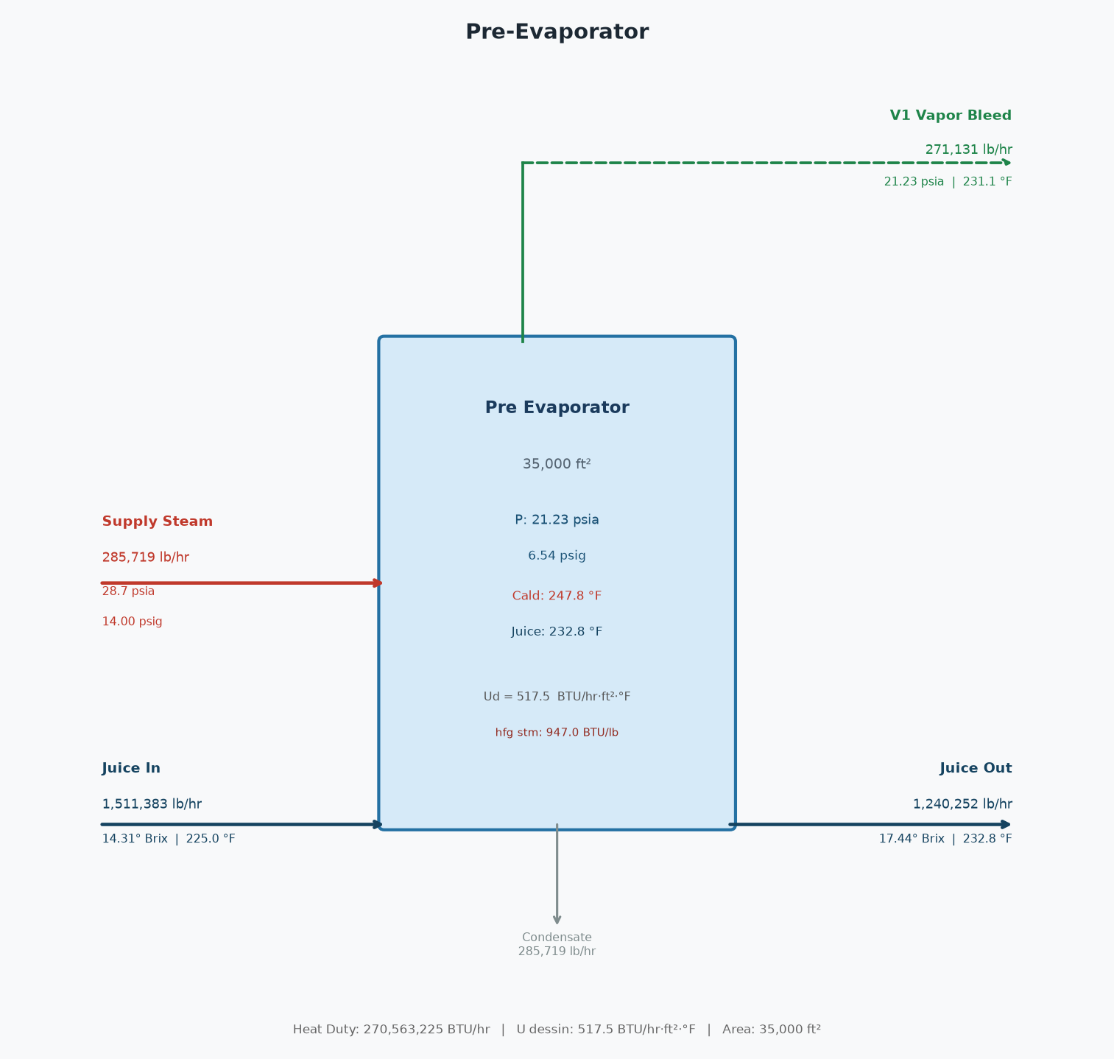

Pre-Evaporator — STREAMS
Stream | Flow (lb/hr) | Brix / P (psia) | Temp (°F)
Juice In | 1,511,383 | 14.31 | 225.0
Juice Out | 1,240,252 | 17.44 | 232.8
Vapor Bleed | 271,131 | 21.23 | 231.1
Exhaust Steam | 285,719 | 28.70 | 247.8

Pre-Evaporator — PERFORMANCE
Vapor pressure | 21.2332 | psia
Vapor pressure | 6.5372 | psig
Vapor temp | 231.1294 | °F
Calandria temp | 247.7814 | °F
Heat duty | 270,563,225 | BTU/hr
Heating surface | 35,000 | ft²
U Dessin | 517.4506 | BTU/hr·ft²·°F
U calc | 517.4506 | BTU/hr·ft²·°F
U ratio (calc/Dessin) | 1.000

Evaporator Station
Evaporator Station
3 sets | total steam = 273,757 lb/hr | total condenser injection water = 6,456,768 lb/hr (12,903 GPM)

Set 1 (4-eff 25k ft²) — PROCESS FLOW DIAGRAM

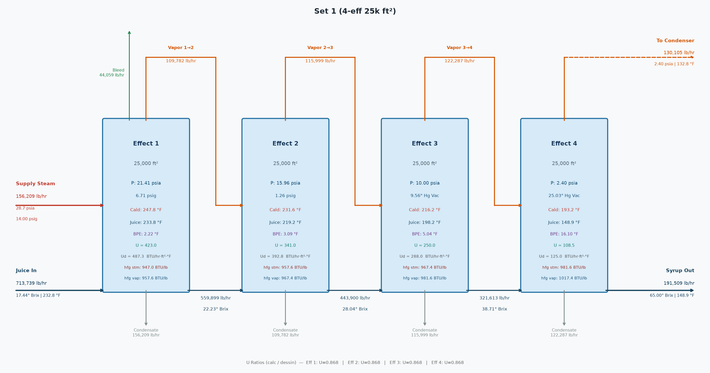

Set 1 (4-eff 25k ft²) — SUMMARY
Stream | Flow (lb/hr) | Brix / P (psia) | Temp (°F)
Juice In | 713,739 | 17.44 | 232.8
Syrup Out | 191,509 | 65.00 | 148.9
Steam Req'd | 156,209 | 28.70 | 247.8
Steam pressure | 14.00 | psig
Last effect vacuum | 25.03 | "Hg
Avg U ratio (calc/Dessin) | 0.868

Set 1 (4-eff 25k ft²) — EFFECT FLOWS
 | Effect 1 | Effect 2 | Effect 3 | Effect 4
Juice in (lb/hr) | 713,739 | 559,899 | 443,900 | 321,613
Syrup out (lb/hr) | 559,899 | 443,900 | 321,613 | 191,509
Steam in (lb/hr) | 156,209 | 109,782 | 115,999 | 122,287
Evaporated (lb/hr) | 153,841 | 115,999 | 122,287 | 130,105
Vapor bleed (lb/hr) | 44,059 | 0 | 0 | 0
Heating surface (ft²) | 25,000 | 25,000 | 25,000 | 25,000

Set 1 (4-eff 25k ft²) — EFFECT CONDITIONS
 | Effect 1 | Effect 2 | Effect 3 | Effect 4
Brix in | 17.44 | 22.23 | 28.04 | 38.71
Brix out | 22.23 | 28.04 | 38.71 | 65.00
Juice temp (°F) | 232.84 | 233.79 | 219.24 | 198.21
Syrup temp (°F) | 233.79 | 219.24 | 198.21 | 148.91
Juice cp | 0.90 | 0.87 | 0.84 | 0.78
Syrup cp | 0.87 | 0.84 | 0.78 | 0.63
Vapor P (psia) | 21.41 | 15.96 | 10.00 | 2.40
Vapor temp (°F) | 231.57 | 216.16 | 193.16 | 132.81
Vapor h_fg (BTU/lb) | 957.57 | 967.39 | 981.63 | 1,017.39
Calandria P (psia) | 28.70 | 21.41 | 15.96 | 10.00
Calandria temp (°F) | 247.78 | 231.57 | 216.16 | 193.16
Calandria h_fg (BTU/lb) | 946.96 | 957.57 | 967.39 | 981.63
Duty (MM BTU/hr) | 147.92 | 105.12 | 112.22 | 120.04
U calc (BTU/hr·ft²·°F) | 423.04 | 341.02 | 250.03 | 108.50
U Dessin (BTU/hr·ft²·°F) | 487.27 | 392.82 | 288.01 | 124.95

Set 1 (4-eff 25k ft²) — ENERGY BALANCE PER EFFECT
Effect | Steam (lb/hr) | h_fg (BTU/lb) | Entering (MM BTU/hr) | Sensible (MM BTU/hr) | Net for Evap (MM BTU/hr) | Evaporated (lb/hr)
Effect 1 | 156,209 | 947.0 | 147.923 | -0.610 | 147.313 | 153,841
Effect 2 | 109,782 | 957.6 | 105.123 | 7.093 | 112.216 | 115,999
Effect 3 | 115,999 | 967.4 | 112.216 | 7.824 | 120.040 | 122,287
Effect 4 | 122,287 | 981.6 | 120.040 | 12.326 | 132.367 | 130,105

Set 1 (4-eff 25k ft²) — LAST EFFECT CONDENSER
Vapor to condenser | 130,105 | lb/hr
Vapor saturation temp | 132.8 | °F
Vapor h_fg | 1017.4 | BTU/lb
Heat load | 133,017,107 | BTU/hr
Injection water in | 90.0 | °F
Water outlet temp | 127.8 | °F
Injection water flow | 3,517,715 | lb/hr
Injection water flow | 7,030 | GPM
Total outlet flow | 3,647,820 | lb/hr
Note: if using CoolingTowerSystem, ignore this injection water demand - it is re-solved there at the delivered water temp.

Set 1 (4-eff 25k ft²) — CONDENSATE RETURN
Clean condensate | 150,447 | lb/hr
Dirty condensate | 345,354 | lb/hr
Total condensate | 495,801 | lb/hr

Set 2 (4-eff 12k ft²) — PROCESS FLOW DIAGRAM

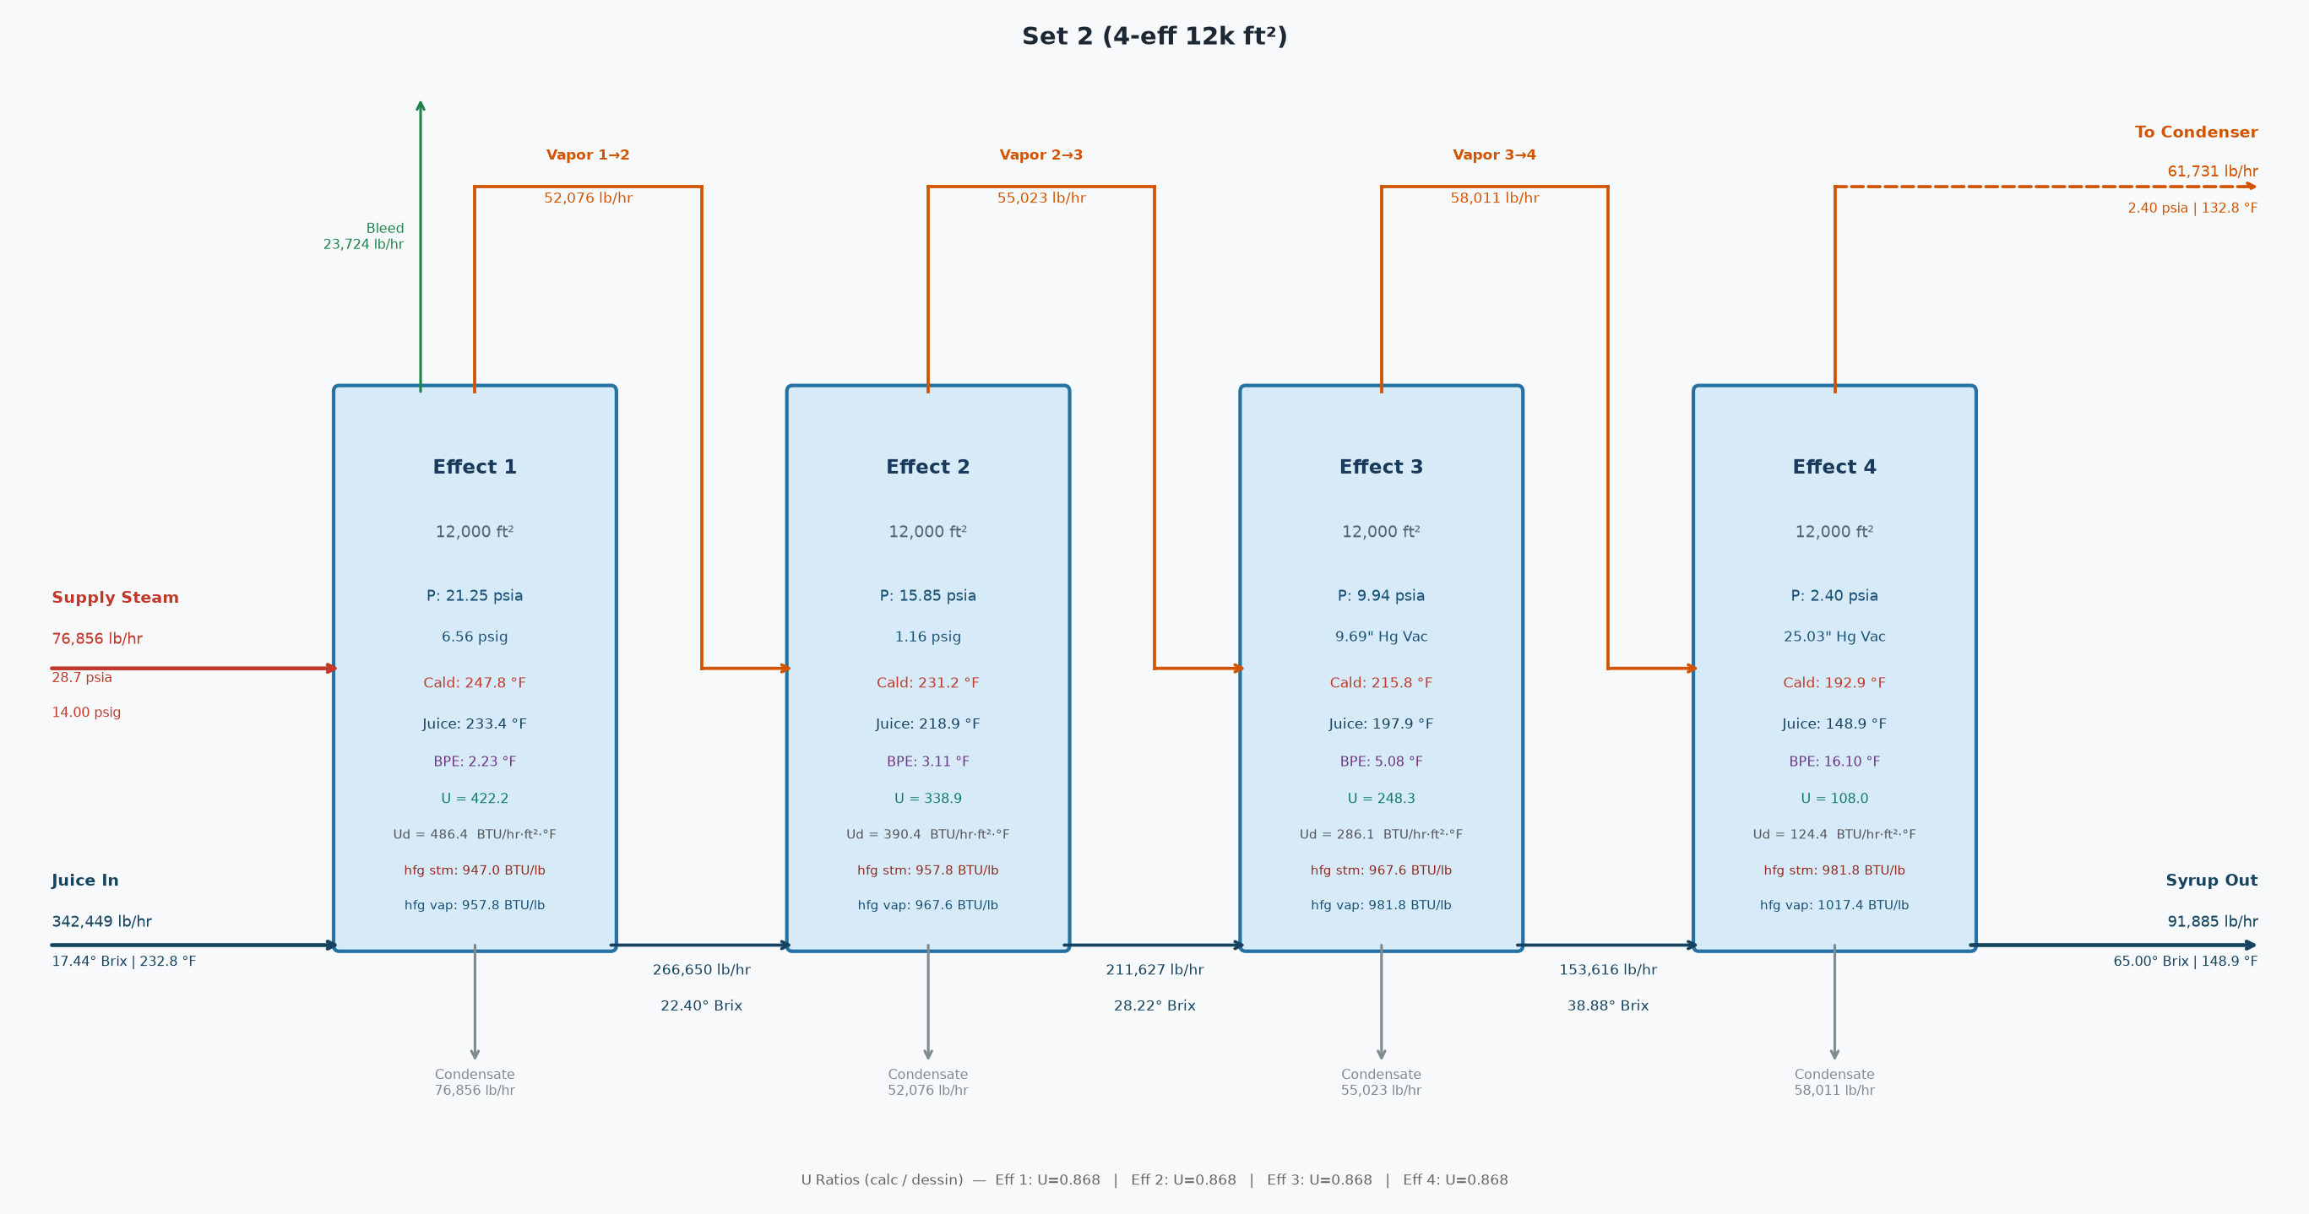

Set 2 (4-eff 12k ft²) — SUMMARY
Stream | Flow (lb/hr) | Brix / P (psia) | Temp (°F)
Juice In | 342,449 | 17.44 | 232.8
Syrup Out | 91,885 | 65.00 | 148.9
Steam Req'd | 76,856 | 28.70 | 247.8
Steam pressure | 14.00 | psig
Last effect vacuum | 25.03 | "Hg
Avg U ratio (calc/Dessin) | 0.868

Set 2 (4-eff 12k ft²) — EFFECT FLOWS
 | Effect 1 | Effect 2 | Effect 3 | Effect 4
Juice in (lb/hr) | 342,449 | 266,650 | 211,627 | 153,616
Syrup out (lb/hr) | 266,650 | 211,627 | 153,616 | 91,885
Steam in (lb/hr) | 76,856 | 52,076 | 55,023 | 58,011
Evaporated (lb/hr) | 75,800 | 55,023 | 58,011 | 61,731
Vapor bleed (lb/hr) | 23,724 | 0 | 0 | 0
Heating surface (ft²) | 12,000 | 12,000 | 12,000 | 12,000

Set 2 (4-eff 12k ft²) — EFFECT CONDITIONS
 | Effect 1 | Effect 2 | Effect 3 | Effect 4
Brix in | 17.44 | 22.40 | 28.22 | 38.88
Brix out | 22.40 | 28.22 | 38.88 | 65.00
Juice temp (°F) | 232.84 | 233.42 | 218.92 | 197.94
Syrup temp (°F) | 233.42 | 218.92 | 197.94 | 148.91
Juice cp | 0.90 | 0.87 | 0.84 | 0.78
Syrup cp | 0.87 | 0.84 | 0.78 | 0.63
Vapor P (psia) | 21.25 | 15.85 | 9.94 | 2.40
Vapor temp (°F) | 231.19 | 215.81 | 192.87 | 132.81
Vapor h_fg (BTU/lb) | 957.82 | 967.61 | 981.81 | 1,017.39
Calandria P (psia) | 28.70 | 21.25 | 15.85 | 9.94
Calandria temp (°F) | 247.78 | 231.19 | 215.81 | 192.87
Calandria h_fg (BTU/lb) | 946.96 | 957.82 | 967.61 | 981.81
Duty (MM BTU/hr) | 72.78 | 49.88 | 53.24 | 56.96
U calc (BTU/hr·ft²·°F) | 422.25 | 338.94 | 248.34 | 107.98
U Dessin (BTU/hr·ft²·°F) | 486.36 | 390.43 | 286.07 | 124.37

Set 2 (4-eff 12k ft²) — ENERGY BALANCE PER EFFECT
Effect | Steam (lb/hr) | h_fg (BTU/lb) | Entering (MM BTU/hr) | Sensible (MM BTU/hr) | Net for Evap (MM BTU/hr) | Evaporated (lb/hr)
Effect 1 | 76,856 | 947.0 | 72.779 | -0.177 | 72.602 | 75,800
Effect 2 | 52,076 | 957.8 | 49.879 | 3.362 | 53.241 | 55,023
Effect 3 | 55,023 | 967.6 | 53.241 | 3.715 | 56.956 | 58,011
Effect 4 | 58,011 | 981.8 | 56.956 | 5.849 | 62.804 | 61,731

Set 2 (4-eff 12k ft²) — LAST EFFECT CONDENSER
Vapor to condenser | 61,731 | lb/hr
Vapor saturation temp | 132.8 | °F
Vapor h_fg | 1017.4 | BTU/lb
Heat load | 63,113,098 | BTU/hr
Injection water in | 90.0 | °F
Water outlet temp | 127.8 | °F
Injection water flow | 1,669,063 | lb/hr
Injection water flow | 3,335 | GPM
Total outlet flow | 1,730,794 | lb/hr
Note: if using CoolingTowerSystem, ignore this injection water demand - it is re-solved there at the delivered water temp.

Set 2 (4-eff 12k ft²) — CONDENSATE RETURN
Clean condensate | 74,021 | lb/hr
Dirty condensate | 163,863 | lb/hr
Total condensate | 237,884 | lb/hr

Set 3 (3-eff 11-9k ft²) — PROCESS FLOW DIAGRAM

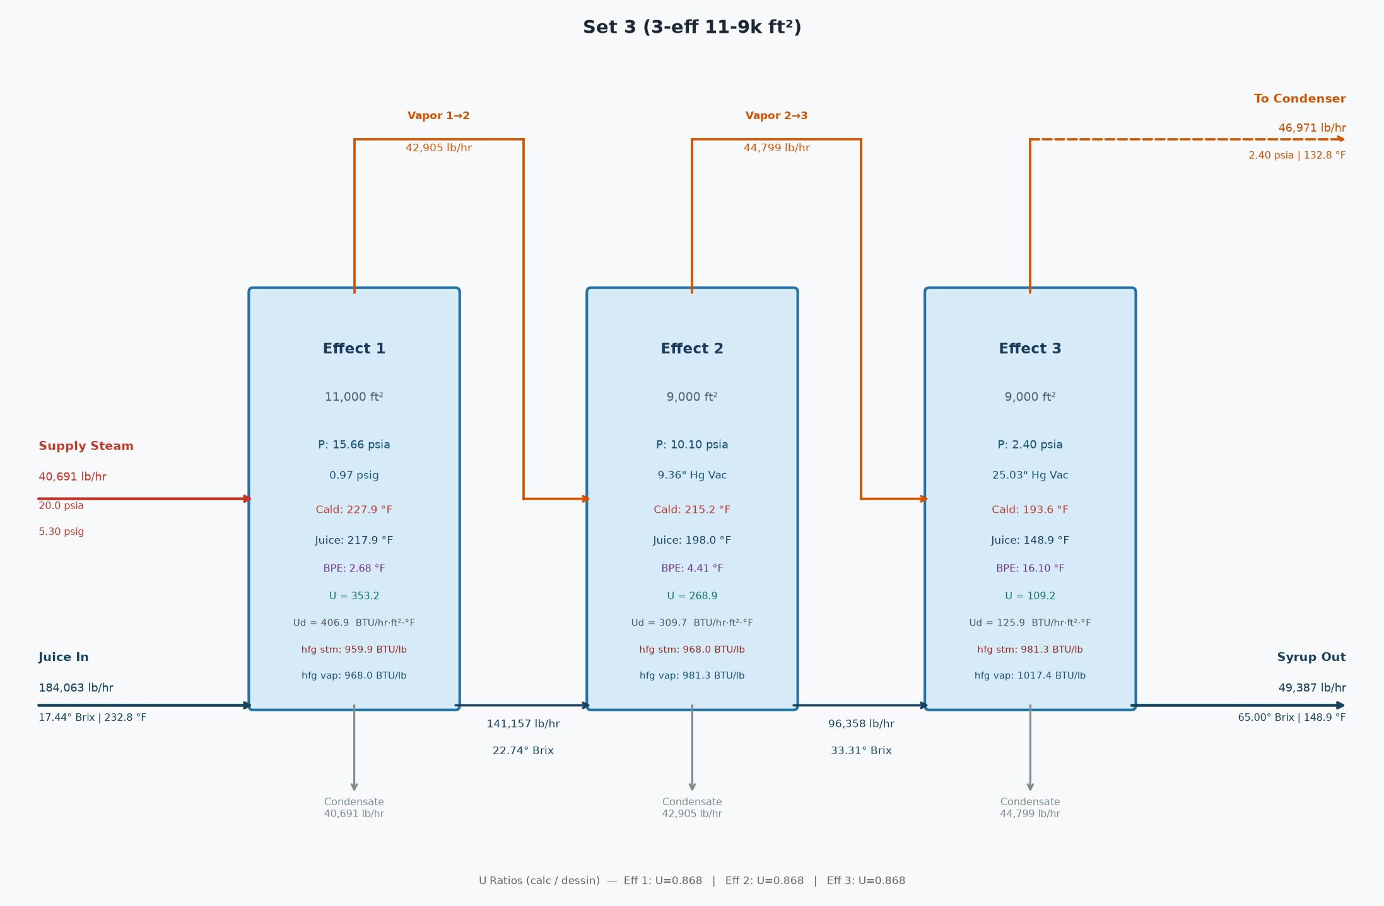

Set 3 (3-eff 11-9k ft²) — SUMMARY
Stream | Flow (lb/hr) | Brix / P (psia) | Temp (°F)
Juice In | 184,063 | 17.44 | 232.8
Syrup Out | 49,387 | 65.00 | 148.9
Steam Req'd | 40,691 | 20.00 | 227.9
Steam pressure | 5.30 | psig
Last effect vacuum | 25.03 | "Hg
Avg U ratio (calc/Dessin) | 0.868

Set 3 (3-eff 11-9k ft²) — EFFECT FLOWS
 | Effect 1 | Effect 2 | Effect 3
Juice in (lb/hr) | 184,063 | 141,157 | 96,358
Syrup out (lb/hr) | 141,157 | 96,358 | 49,387
Steam in (lb/hr) | 40,691 | 42,905 | 44,799
Evaporated (lb/hr) | 42,905 | 44,799 | 46,971
Vapor bleed (lb/hr) | 0 | 0 | 0
Heating surface (ft²) | 11,000 | 9,000 | 9,000

Set 3 (3-eff 11-9k ft²) — EFFECT CONDITIONS
 | Effect 1 | Effect 2 | Effect 3
Brix in | 17.44 | 22.74 | 33.31
Brix out | 22.74 | 33.31 | 65.00
Juice temp (°F) | 232.84 | 217.88 | 198.04
Syrup temp (°F) | 217.88 | 198.04 | 148.91
Juice cp | 0.90 | 0.87 | 0.81
Syrup cp | 0.87 | 0.81 | 0.63
Vapor P (psia) | 15.66 | 10.10 | 2.40
Vapor temp (°F) | 215.20 | 193.63 | 132.81
Vapor h_fg (BTU/lb) | 968.00 | 981.35 | 1,017.39
Calandria P (psia) | 20.00 | 15.66 | 10.10
Calandria temp (°F) | 227.93 | 215.20 | 193.63
Calandria h_fg (BTU/lb) | 959.91 | 968.00 | 981.35
Duty (MM BTU/hr) | 39.06 | 41.53 | 43.96
U calc (BTU/hr·ft²·°F) | 353.20 | 268.88 | 109.24
U Dessin (BTU/hr·ft²·°F) | 406.89 | 309.75 | 125.87

Set 3 (3-eff 11-9k ft²) — ENERGY BALANCE PER EFFECT
Effect | Steam (lb/hr) | h_fg (BTU/lb) | Entering (MM BTU/hr) | Sensible (MM BTU/hr) | Net for Evap (MM BTU/hr) | Evaporated (lb/hr)
Effect 1 | 40,691 | 959.9 | 39.060 | 2.472 | 41.532 | 42,905
Effect 2 | 42,905 | 968.0 | 41.532 | 2.431 | 43.963 | 44,799
Effect 3 | 44,799 | 981.3 | 43.963 | 3.825 | 47.788 | 46,971

Set 3 (3-eff 11-9k ft²) — LAST EFFECT CONDENSER
Vapor to condenser | 46,971 | lb/hr
Vapor saturation temp | 132.8 | °F
Vapor h_fg | 1017.4 | BTU/lb
Heat load | 48,022,735 | BTU/hr
Injection water in | 90.0 | °F
Water outlet temp | 127.8 | °F
Injection water flow | 1,269,989 | lb/hr
Injection water flow | 2,538 | GPM
Total outlet flow | 1,316,961 | lb/hr
Note: if using CoolingTowerSystem, ignore this injection water demand - it is re-solved there at the delivered water temp.

Set 3 (3-eff 11-9k ft²) — CONDENSATE RETURN
Clean condensate | 40,023 | lb/hr
Dirty condensate | 87,563 | lb/hr
Total condensate | 127,586 | lb/hr

Deaerator
Deaerator
10.0 psig | water in = 800,000 lb/hr | steam = 34,753 lb/hr

Deaerator — PROCESS FLOW DIAGRAM

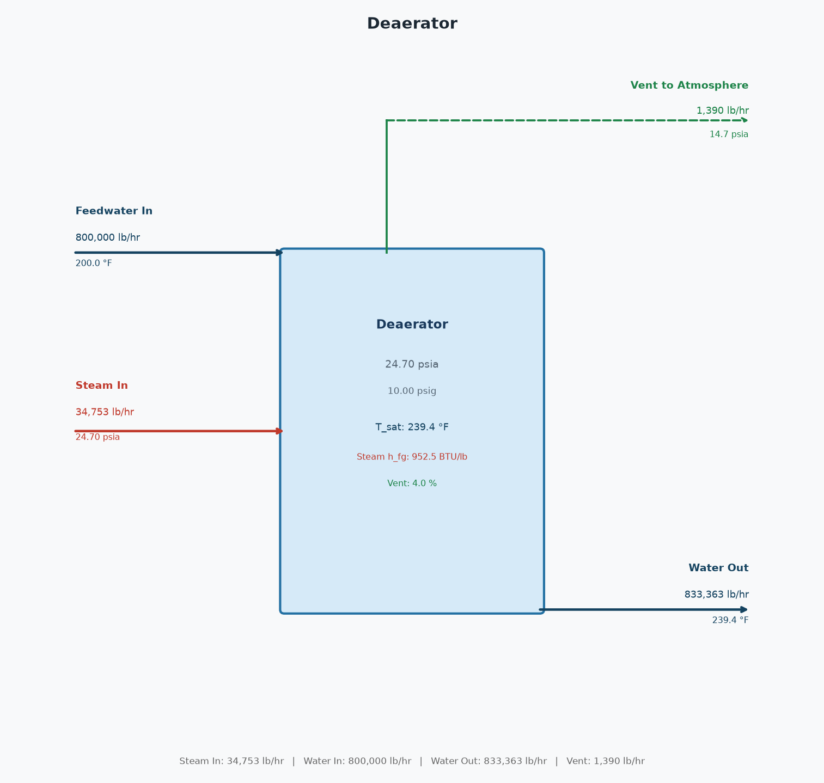

Deaerator — STREAMS
Stream | Flow (lb/hr) | P (psia) | Temp (°F)
Steam In | 34,753 | 24.70 | 239.4
Feedwater In | 800,000 | 14.70 | 200.0
Water Out | 833,363 | 24.70 | 239.4
Vent | 1,390 | 14.70 | 239.4

Deaerator — ENERGY / MASS BALANCE
Operating pressure | 24.70 | psia
Operating pressure | 10.00 | psig
Saturation temp | 239.4 | °F
Feedwater enthalpy | 168.10 | BTU/lb
Water out enthalpy | 207.82 | BTU/lb
Steam h_fg | 952.49 | BTU/lb
Vent pct | 4.00 | %
Net (In - Out) | 0.0000 | lb/hr

Cane Prep Turbines
Cane Prep Turbines — 105 Ton Fiber/hr
3 units | total HP = 5,040 | steam = 190,859 lb/hr | exhaust available = 184,186 lb/hr

PROCESS FLOW DIAGRAM (one representative turbine)

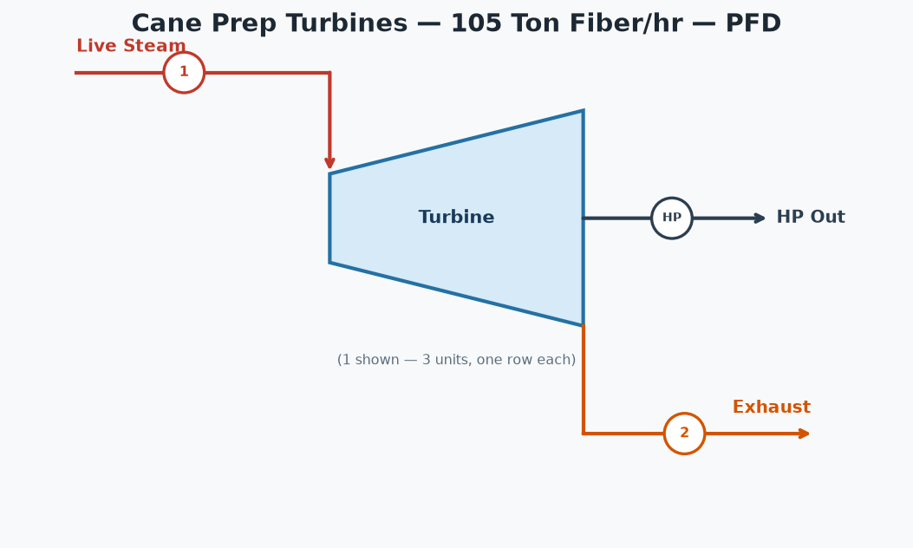

TURBINE TABLE
Unit | (1) Inlet Flow (lb/hr) | (2) Exhaust Avail (lb/hr) | HP | HP/TFH | Steam Rate (lb/HP-hr) | Inlet psia | Inlet °F | Outlet psia | Outlet °F | Outlet Quality
Knife 1 | 63,620 | 61,395 | 1,680 | 16.0 | 37.87 | 179.7 | 375.2 | 30.7 | 251.6 | 0.9650
Knife 2 | 63,620 | 61,395 | 1,680 | 16.0 | 37.87 | 179.7 | 375.2 | 30.7 | 251.6 | 0.9650
Knife 3 | 63,620 | 61,395 | 1,680 | 16.0 | 37.87 | 179.7 | 375.2 | 30.7 | 251.6 | 0.9650
TOTAL | 190,859 | 184,186 | 5,040 | 48.0 | 37.87

Mill Turbines
Mill Turbines — 105 Ton Fiber/hr
6 units | total HP = 10,500 | steam = 385,487 lb/hr | exhaust available = 371,432 lb/hr

PROCESS FLOW DIAGRAM (one representative turbine)

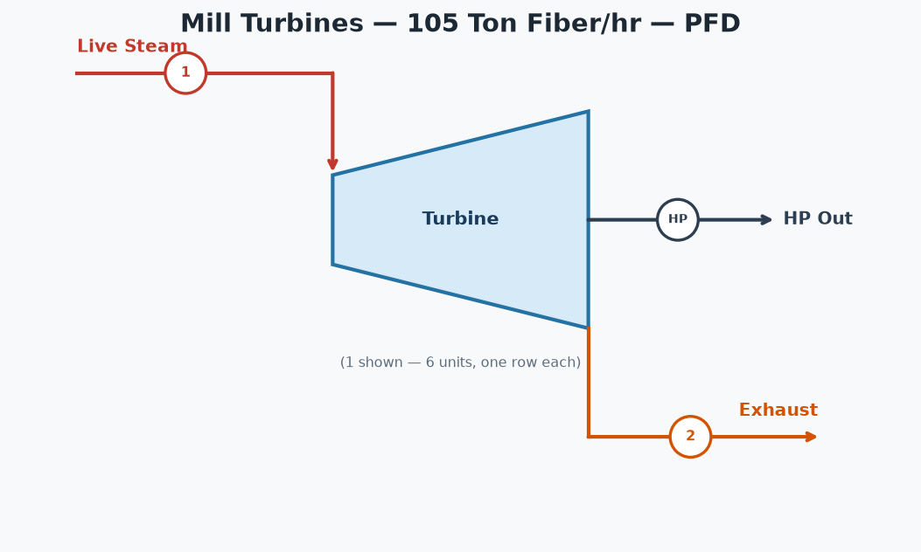

TURBINE TABLE
Unit | (1) Inlet Flow (lb/hr) | (2) Exhaust Avail (lb/hr) | HP | HP/TFH | Steam Rate (lb/HP-hr) | Inlet psia | Inlet °F | Outlet psia | Outlet °F | Outlet Quality
Mill 1 | 69,388 | 66,858 | 1,890 | 18.0 | 36.71 | 184.7 | 376.8 | 29.7 | 249.7 | 0.9635
Mill 2 | 61,678 | 59,429 | 1,680 | 16.0 | 36.71 | 184.7 | 376.8 | 29.7 | 249.7 | 0.9635
Mill 3 | 61,678 | 59,429 | 1,680 | 16.0 | 36.71 | 184.7 | 376.8 | 29.7 | 249.7 | 0.9635
Mill 4 | 61,678 | 59,429 | 1,680 | 16.0 | 36.71 | 184.7 | 376.8 | 29.7 | 249.7 | 0.9635
Mill 5 | 61,678 | 59,429 | 1,680 | 16.0 | 36.71 | 184.7 | 376.8 | 29.7 | 249.7 | 0.9635
Mill 6 | 69,388 | 66,858 | 1,890 | 18.0 | 36.71 | 184.7 | 376.8 | 29.7 | 249.7 | 0.9635
TOTAL | 385,487 | 371,432 | 10,500 | 100.0 | 36.71

Fan and pump Turbines
Fan and pump Turbines
12 units | total HP = 6,863 | steam = 256,125 lb/hr | exhaust available = 246,902 lb/hr

PROCESS FLOW DIAGRAM (one representative turbine)

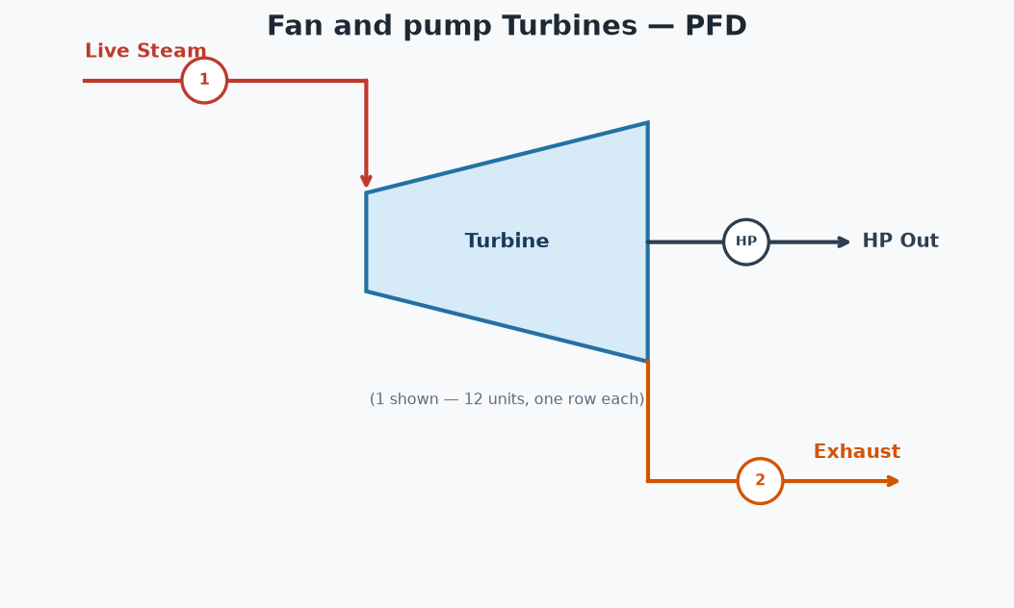

TURBINE TABLE
Unit | (1) Inlet Flow (lb/hr) | (2) Exhaust Avail (lb/hr) | HP | Steam Rate (lb/HP-hr) | Inlet psia | Inlet °F | Outlet psia | Outlet °F | Outlet Quality
ID 123 | 27,990 | 26,982 | 750 | 37.32 | 184.7 | 376.8 | 30.7 | 251.6 | 0.9640
ID 4 | 8,770 | 8,454 | 235 | 37.32 | 184.7 | 376.8 | 30.7 | 251.6 | 0.9640
ID 5 | 14,928 | 14,390 | 400 | 37.32 | 184.7 | 376.8 | 30.7 | 251.6 | 0.9640
ID 6 | 29,669 | 28,601 | 795 | 37.32 | 184.7 | 376.8 | 30.7 | 251.6 | 0.9640
ID 7 | 44,784 | 43,171 | 1,200 | 37.32 | 184.7 | 376.8 | 30.7 | 251.6 | 0.9640
FD 7 | 8,695 | 8,382 | 233 | 37.32 | 184.7 | 376.8 | 30.7 | 251.6 | 0.9640
ID 8 | 48,516 | 46,769 | 1,300 | 37.32 | 184.7 | 376.8 | 30.7 | 251.6 | 0.9640
FD 8 | 13,062 | 12,592 | 350 | 37.32 | 184.7 | 376.8 | 30.7 | 251.6 | 0.9640
BFW 1 | 14,928 | 14,390 | 400 | 37.32 | 184.7 | 376.8 | 30.7 | 251.6 | 0.9640
BFW 2 | 14,928 | 14,390 | 400 | 37.32 | 184.7 | 376.8 | 30.7 | 251.6 | 0.9640
BFW 3 | 14,928 | 14,390 | 400 | 37.32 | 184.7 | 376.8 | 30.7 | 251.6 | 0.9640
JCE 1 | 14,928 | 14,390 | 400 | 37.32 | 184.7 | 376.8 | 30.7 | 251.6 | 0.9640
TOTAL | 256,125 | 246,902 | 6,863 | 37.32

Cooling Tower System
Cooling Tower System
8 condensers | return = 10,099,123 lb/hr @ 129.3 °F | makeup = 979,153 lb/hr

PROCESS FLOW DIAGRAM

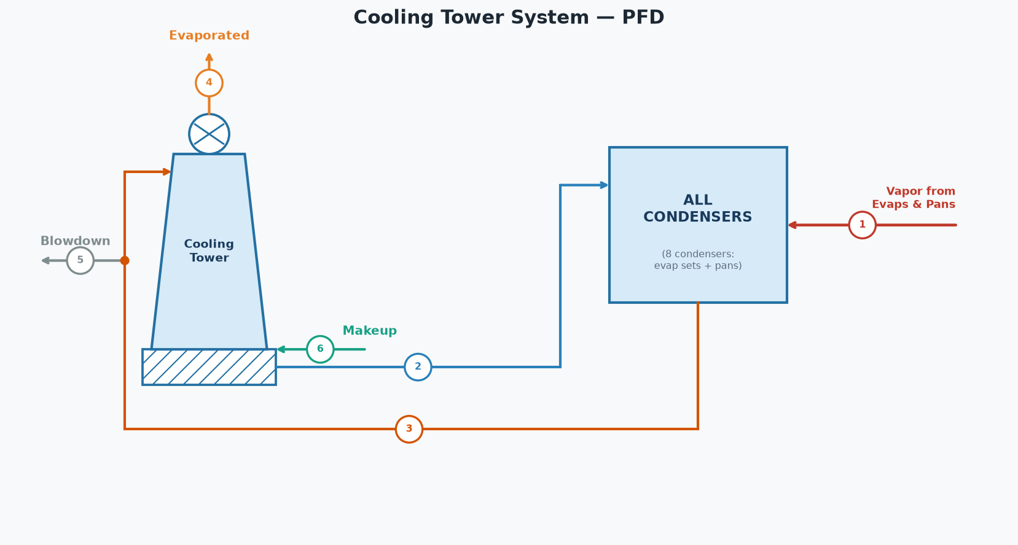

SYSTEM STREAMS (tags match the diagram)
# | Stream | lb/hr | GPM | °F
1 | Vapor from Evaporators & Pans | 433,790
2 | Injection Water | 9,665,333 | 19,408 | 83.5
3 | Hot Water Return to Tower | 10,099,123 | 20,279 | 129.3
4 | Evaporated to Atmosphere | 403,031 | 809
5 | Blowdown | 1,009,912 | 2,028 | 129.3
6 | Makeup Water | 979,153 | 1,966 | 70.0

CONDENSER INVENTORY (8 condensers)
Condenser | Vapor (lb/hr) | Sat T (°F) | h_fg (BTU/lb) | Heat (MM BTU/hr) | Inj Water (lb/hr) | Inj Water (GPM) | Water Out (°F) | Total Out (lb/hr)
A1 Pans | 80,966 | 143.4 | 1011.2 | 82.281 | 1,499,417 | 2,996 | 138.4 | 1,580,382
A2 Pans | 46,303 | 143.4 | 1011.2 | 47.055 | 857,494 | 1,714 | 138.4 | 903,797
B Pans | 37,324 | 133.1 | 1017.2 | 38.153 | 855,410 | 1,709 | 128.1 | 892,733
Grain Pans | 7,399 | 129.1 | 1019.6 | 7.580 | 186,803 | 373 | 124.1 | 194,202
C Pans | 22,992 | 119.7 | 1025.0 | 23.682 | 758,968 | 1,517 | 114.7 | 781,960
Condenser 6 | 130,105 | 132.8 | 1017.4 | 133.017 | 3,000,403 | 5,996 | 127.8 | 3,130,508
Condenser 7 | 61,731 | 132.8 | 1017.4 | 63.113 | 1,423,612 | 2,845 | 127.8 | 1,485,343
Condenser 8 | 46,971 | 132.8 | 1017.4 | 48.023 | 1,083,226 | 2,165 | 127.8 | 1,130,197
Total | 433,790 |  |  | 442.905 | 9,665,333 | 19,315 |  | 10,099,123
Injection water supply temp | 83.5 | °F

HOT WATER RETURN TO TOWER
Injection water (all condensers) | 9,665,333 | lb/hr
Vapor condensed (all condensers) | 433,790 | lb/hr
Total return | 10,099,123 | lb/hr
Total return | 20,279 | GPM
Mixed return temperature | 129.3 | °F

COOLING TOWER (blowdown 10.0%)
Hot water in | 10,099,123 | lb/hr
Hot water temperature | 129.3 | °F
Cool water temperature | 85.0 | °F
Blowdown | 1,009,912 | lb/hr
Blowdown | 2,028 | GPM
Evaporated to atmosphere | 403,031 | lb/hr
Cool water from tower | 8,686,180 | lb/hr
Cool water from tower | 17,442 | GPM

SYSTEM BALANCE
Cold water demand (condensers) | 9,665,333 | lb/hr
Cool water available (tower) | 8,686,180 | lb/hr
Makeup water required | 979,153 | lb/hr
Makeup water required | 1,966 | GPM
Makeup water temperature | 70.0 | °F
Injection Water | 83.5 | °F
Surplus (overflow) | 0 | lb/hr
Water in (vapor + makeup) | 1,412,943 | lb/hr
Water out (evap + BD + surplus) | 1,412,943 | lb/hr
Net (In - Out) | 0.00 | lb/hr

