Pan Floor - Two Boiling
Two Boiling — Pan Floor
Syrup 166,666 lb/hr @ 60.0 Bx | Pol recovered in raw sugar = 85.74%

PROCESS FLOW DIAGRAM

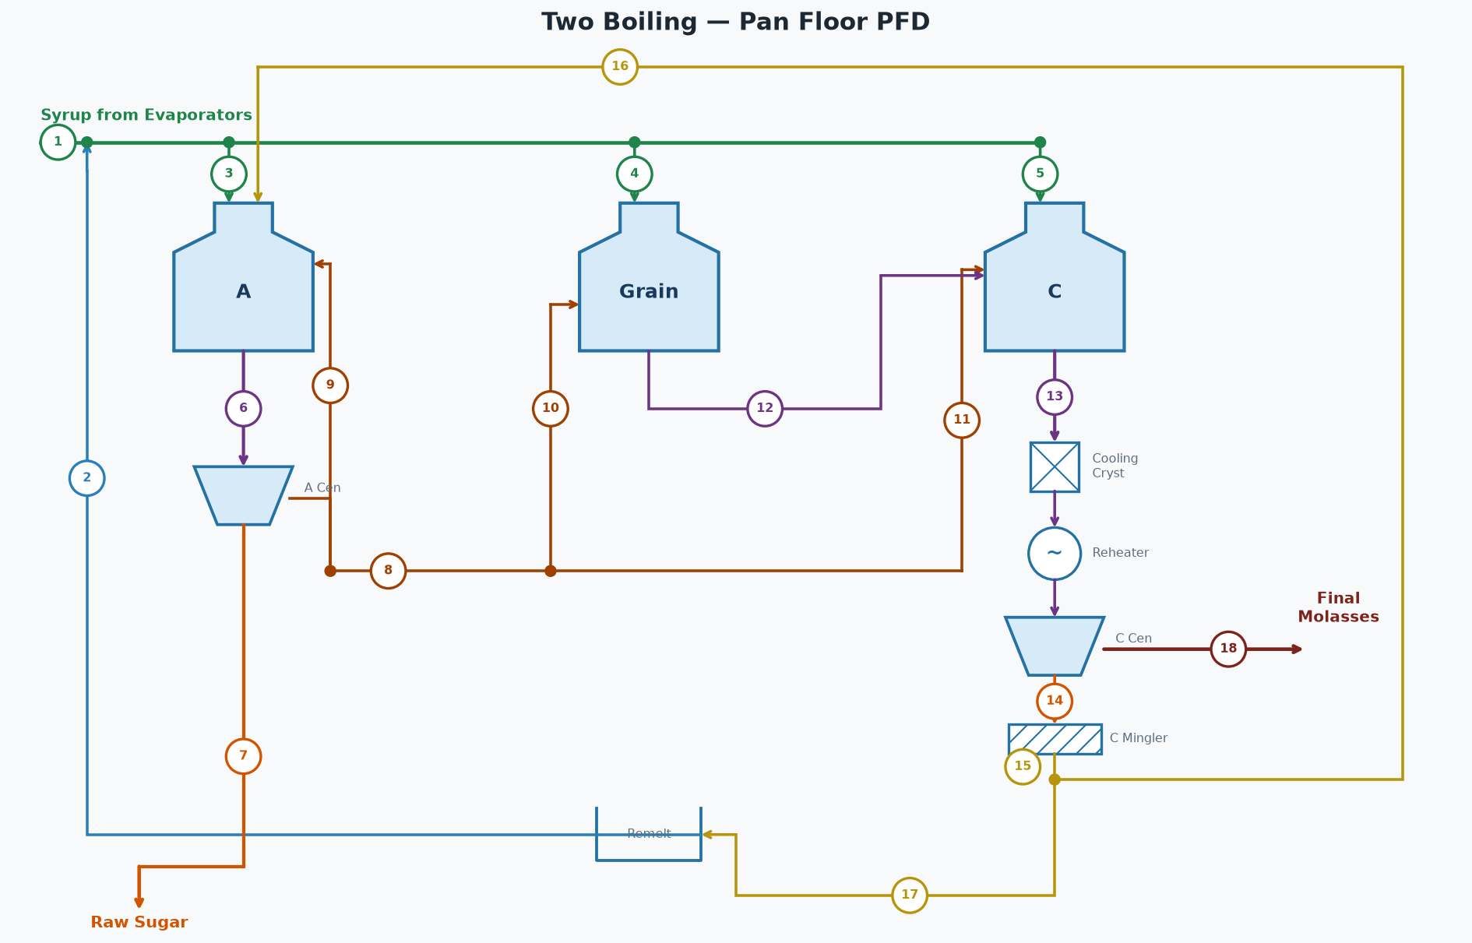

STREAM TABLE (tags match the diagram)
# | Stream | Flow (lb/hr) | Brix % | Purity %
1 | Syrup from Evaporators | 166,666 | 60.0 | 78.0
2 | Remelt Return to Syrup | 13,030 | 65.0 | 78.0
3 | Syrup to A Pans | 168,914 | 60.4 | 78.0
4 | Syrup to Grain Pans | 1,797 | 60.4 | 78.0
5 | Syrup to C Pans | 8,985 | 60.4 | 78.0
6 | A Massecuite | 179,587 | 92.0 | 74.3
7 | A Sugar (Raw Sugar) | 67,480 | 99.7 | 99.4
8 | A Molasses (diluted) | 139,917 | 70.0 | 57.0
9 | A Mol Top-off to A Pans | 41,975 | 70.0 | 57.0
10 | A Molasses to Grain | 4,198 | 70.0 | 57.0
11 | A Molasses to C Pans | 93,745 | 70.0 | 57.0
12 | Grain Massecuite | 4,572 | 88.0 | 62.7
13 | C Massecuite | 78,605 | 95.5 | 58.8
14 | C Sugar | 44,575 | 95.0 | 78.0
15 | C Magma | 46,028 | 92.0 | 78.0
16 | C Magma to A Footing | 36,823 | 92.0 | 78.0
17 | C Magma to Remelt | 9,206 | 92.0 | 78.0
18 | C Final Molasses | 39,904 | 82.0 | 34.0

STREAMS NOT SHOWN — WATER
Stream | Flow (lb/hr)
A Centrifugal Wash Water | 7,335
C Centrifugal Wash Water | 5,874
C Magma Mingler Water | 1,454
C Remelt Water | 3,824
A Molasses Dilution Water | 20,476
A Pans Water Evaporated | 68,125
Grain Pans Water Evaporated | 1,423
C Pans Water Evaporated | 28,696
Total Fresh Water In (wash + mingler + remelt + dilution) | 38,962
Total Water Evaporated | 98,244

OVERALL FLOOR BALANCE
Stream | Dir | Flow (lb/hr) | Solids (lb/hr) | Pol (lb/hr) | Water (lb/hr) | Brix % | Purity % | ft³/hr
Syrup From Evaporators | In | 166,666 | 100,000 | 78,000 | 66,666 | 60.0 | 78.0 | 2,077
Wash and Dilution Water | In | 38,962 | 0 | 0 | 38,962
A Product Sugar | Out | 67,480 | 67,278 | 66,874 | 202 | 99.7 | 99.4 | 698
C Final Molasses | Out | 39,904 | 32,722 | 11,125 | 7,183 | 82.0 | 34.0 | 449
Evaporated (all pans) | Out | 98,244 | 0 | 0 | 98,244
Total In |  | 205,628 | 100,000 | 78,000 | 105,629
Total Out |  | 205,628 | 100,000 | 78,000 | 105,629
Net (In - Out) |  | 0 | 0 | 0 | 0
Pol % recovered | 85.74 | %

PAN FLOOR SYRUP (Evaporator Syrup + Remelt)
Stream | Dir | Flow (lb/hr) | Solids (lb/hr) | Pol (lb/hr) | Water (lb/hr) | Brix % | Purity % | ft³/hr
Evaporator Syrup | In | 166,666 | 100,000 | 78,000 | 66,666 | 60.0 | 78.0 | 2,077
C Remelt | In | 13,030 | 8,469 | 6,606 | 4,560 | 65.0 | 78.0 | 159
Syrup (Pan Floor) | Out | 179,696 | 108,469 | 84,606 | 71,227 | 60.4 | 78.0 | 2,236
Total In |  | 179,696 | 108,469 | 84,606 | 71,227
Total Out |  | 179,696 | 108,469 | 84,606 | 71,227
Net (In - Out) |  | 0 | 0 | 0 | 0

A PANS [A Pans]
Stream | Dir | Flow (lb/hr) | Solids (lb/hr) | Pol (lb/hr) | Water (lb/hr) | Brix % | Purity % | ft³/hr
Syrup | In | 168,914 | 101,961 | 79,529 | 66,953 | 60.4 | 78.0 | 2,101
C Magma | In | 36,823 | 33,877 | 26,424 | 2,946 | 92.0 | 78.0 | 395
A Molasses Top-off | In | 41,975 | 29,383 | 16,748 | 12,593 | 70.0 | 57.0 | 499
Massecuite Out | Out | 179,587 | 165,220 | 122,701 | 14,367 | 92.0 | 74.3 | 1,927
Evaporated Water | Out | 68,125 | 0 | 0 | 68,125
Total In |  | 247,712 | 165,220 | 122,701 | 82,491
Total Out |  | 247,712 | 165,220 | 122,701 | 82,491
Net (In - Out) |  | 0 | 0 | 0 | 0
Calandria steam type | Exhaust
Calandria pressure | 21.70 | psia
Calandria steam flow | 78,531 | lb/hr

A CENTRIFUGALS [A Centrifugals]
Stream | Dir | Flow (lb/hr) | Solids (lb/hr) | Pol (lb/hr) | Water (lb/hr) | Brix % | Purity % | ft³/hr
Massecuite | In | 179,587 | 165,220 | 122,701 | 14,367 | 92.0 | 74.3 | 1,927
Wash Water | In | 7,335 | 0 | 0 | 7,335
Sugar Out | Out | 67,480 | 67,278 | 66,874 | 202 | 99.7 | 99.4 | 698
Molasses Out | Out | 119,442 | 97,942 | 55,827 | 21,499 | 82.0 | 57.0 | 1,344
Total In |  | 186,922 | 165,220 | 122,701 | 21,702
Total Out |  | 186,922 | 165,220 | 122,701 | 21,702
Net (In - Out) |  | 0 | 0 | 0 | 0

A MOLASSES DILUTION (target 70.0 Bx)
Stream | Dir | Flow (lb/hr) | Solids (lb/hr) | Pol (lb/hr) | Water (lb/hr) | Brix % | Purity % | ft³/hr
A Molasses (undiluted) | In | 119,442 | 97,942 | 55,827 | 21,499 | 82.0 | 57.0 | 1,344
Dilution Water | In | 20,476 | 0 | 0 | 20,476
A Molasses (diluted) | Out | 139,917 | 97,942 | 55,827 | 41,975 | 70.0 | 57.0 | 1,665
Total In |  | 139,917 | 97,942 | 55,827 | 41,975
Total Out |  | 139,917 | 97,942 | 55,827 | 41,975
Net (In - Out) |  | 0 | 0 | 0 | 0

GRAIN PANS [Grain Pans]
Stream | Dir | Flow (lb/hr) | Solids (lb/hr) | Pol (lb/hr) | Water (lb/hr) | Brix % | Purity % | ft³/hr
Syrup | In | 1,797 | 1,085 | 846 | 712 | 60.4 | 78.0 | 22
A Molasses | In | 4,198 | 2,938 | 1,675 | 1,259 | 70.0 | 57.0 | 50
Massecuite Out | Out | 4,572 | 4,023 | 2,521 | 549 | 88.0 | 62.7 | 50
Evaporated Water | Out | 1,423 | 0 | 0 | 1,423
Total In |  | 5,994 | 4,023 | 2,521 | 1,972
Total Out |  | 5,994 | 4,023 | 2,521 | 1,972
Net (In - Out) |  | 0 | 0 | 0 | 0
Calandria steam type | Exhaust
Calandria pressure | 29.70 | psia
Calandria steam flow | 1,713 | lb/hr

C PANS [C Pans]
Stream | Dir | Flow (lb/hr) | Solids (lb/hr) | Pol (lb/hr) | Water (lb/hr) | Brix % | Purity % | ft³/hr
Grain Massecuite | In | 4,572 | 4,023 | 2,521 | 549 | 88.0 | 62.7 | 50
A Molasses | In | 93,745 | 65,621 | 37,404 | 28,123 | 70.0 | 57.0 | 1,116
Syrup | In | 8,985 | 5,423 | 4,230 | 3,561 | 60.4 | 78.0 | 112
Massecuite Out | Out | 78,605 | 75,068 | 44,155 | 3,537 | 95.5 | 58.8 | 829
Evaporated Water | Out | 28,696 | 0 | 0 | 28,696
Total In |  | 107,301 | 75,068 | 44,155 | 32,233
Total Out |  | 107,301 | 75,068 | 44,155 | 32,233
Net (In - Out) |  | 0 | 0 | 0 | 0
Calandria steam type | Exhaust
Calandria pressure | 21.70 | psia
Calandria steam flow | 33,672 | lb/hr

C CRYSTALLIZERS [C Crystallizers]
Stream | Dir | Flow (lb/hr) | Solids (lb/hr) | Pol (lb/hr) | Water (lb/hr) | Brix % | Purity % | ft³/hr
Massecuite In (T=173.8 °F) | In | 78,605 | 75,068 | 44,155 | 3,537 | 95.5 | 58.8 | 829
Massecuite Out (T=120.0 °F) | Out | 78,605 | 75,068 | 44,155 | 3,537 | 95.5 | 58.8 | 829
ML purity in -> out | 30.0 -> 30.0 | %
Crystal content in -> out | 39.3 -> 39.3 | %
Duty | 1,930,653 | BTU/hr
Cooling Water | 96,533 | lb/hr (193 gpm, 85 -> 105 °F)

C REHEATERS [C Reheaters]
Stream | Dir | Flow (lb/hr) | Solids (lb/hr) | Pol (lb/hr) | Water (lb/hr) | Brix % | Purity % | ft³/hr
Massecuite In (T=120.0 °F) | In | 78,605 | 75,068 | 44,155 | 3,537 | 95.5 | 58.8 | 829
Massecuite Out (T=130.0 °F) | Out | 78,605 | 75,068 | 44,155 | 3,537 | 95.5 | 58.8 | 829
ML purity in -> out | 30.0 -> 30.0 | %
Crystal content in -> out | 39.3 -> 39.3 | %
Duty | 358,636 | BTU/hr
Hot Water | 23,909 | lb/hr (48 gpm, 150 -> 135 °F)

C CENTRIFUGALS [C Centrifugals]
Stream | Dir | Flow (lb/hr) | Solids (lb/hr) | Pol (lb/hr) | Water (lb/hr) | Brix % | Purity % | ft³/hr
Massecuite | In | 78,605 | 75,068 | 44,155 | 3,537 | 95.5 | 58.8 | 829
Wash Water | In | 5,874 | 0 | 0 | 5,874
Sugar Out | Out | 44,575 | 42,346 | 33,030 | 2,229 | 95.0 | 78.0 | 471
Molasses Out | Out | 39,904 | 32,722 | 11,125 | 7,183 | 82.0 | 34.0 | 449
Total In |  | 84,479 | 75,068 | 44,155 | 9,412
Total Out |  | 84,479 | 75,068 | 44,155 | 9,412
Net (In - Out) |  | 0 | 0 | 0 | 0

C MAGMA (mingler target 92.0 Bx)
Stream | Dir | Flow (lb/hr) | Solids (lb/hr) | Pol (lb/hr) | Water (lb/hr) | Brix % | Purity % | ft³/hr
C Sugar | In | 44,575 | 42,346 | 33,030 | 2,229 | 95.0 | 78.0 | 471
Mingler Water | In | 1,454 | 0 | 0 | 1,454
C Magma | Out | 46,028 | 42,346 | 33,030 | 3,682 | 92.0 | 78.0 | 494
Total In |  | 46,028 | 42,346 | 33,030 | 3,682
Total Out |  | 46,028 | 42,346 | 33,030 | 3,682
Net (In - Out) |  | 0 | 0 | 0 | 0

C MAGMA DISTRIBUTION
Stream | Dir | Flow (lb/hr) | Solids (lb/hr) | Pol (lb/hr) | Water (lb/hr) | Brix % | Purity % | ft³/hr
Magma (total) | In | 46,028 | 42,346 | 33,030 | 3,682 | 92.0 | 78.0 | 494
C Magma to A Footing | Out | 36,823 | 33,877 | 26,424 | 2,946 | 92.0 | 78.0 | 395
C Magma to Remelt | Out | 9,206 | 8,469 | 6,606 | 736 | 92.0 | 78.0 | 99
Total In |  | 46,028 | 42,346 | 33,030 | 3,682
Total Out |  | 46,028 | 42,346 | 33,030 | 3,682
Net (In - Out) |  | 0 | 0 | 0 | 0

C REMELT (target 65.0 Bx)
Stream | Dir | Flow (lb/hr) | Solids (lb/hr) | Pol (lb/hr) | Water (lb/hr) | Brix % | Purity % | ft³/hr
C Magma (to Remelt) | In | 9,206 | 8,469 | 6,606 | 736 | 92.0 | 78.0 | 99
Remelt Water | In | 3,824 | 0 | 0 | 3,824
C Remelt | Out | 13,030 | 8,469 | 6,606 | 4,560 | 65.0 | 78.0 | 159
Total In |  | 13,030 | 8,469 | 6,606 | 4,560
Total Out |  | 13,030 | 8,469 | 6,606 | 4,560
Net (In - Out) |  | 0 | 0 | 0 | 0
Target remelt brix | 65.0 | Bx

PAN VAPOR CONDENSERS (one per pan)
Condenser | Vapor (lb/hr) | Sat T (°F) | h_fg (BTU/lb) | Heat (MM BTU/hr) | Inj Water (lb/hr) | Inj Water (GPM) | Water Out (°F) | Total Out (lb/hr)
A Pans | 68,125 | 143.4 | 1011.2 | 69.231 | 1,431,708 | 2,861 | 138.4 | 1,499,832
Grain Pans | 1,423 | 129.1 | 1019.6 | 1.458 | 42,804 | 86 | 124.1 | 44,227
C Pans | 28,696 | 119.7 | 1025.0 | 29.557 | 1,197,448 | 2,393 | 114.7 | 1,226,144
Total | 98,244 |  |  | 100.246 | 2,671,960 | 5,340 |  | 2,770,204
Injection water supply temp | 90.0 | °F
Note: if using CoolingTowerSystem, ignore these injection water demands - they are re-solved there at the delivered water temp.

CONDENSATE RETURN
Clean condensate (Exhaust steam pans) | 111,502 | lb/hr
Dirty condensate (V1-V4 steam pans) | 0 | lb/hr
Total condensate | 111,502 | lb/hr

