My Test Set
My Test Set
4 effects | steam = 244,876 lb/hr | syrup out = 65.00 Bx

My Test Set — PROCESS FLOW DIAGRAM

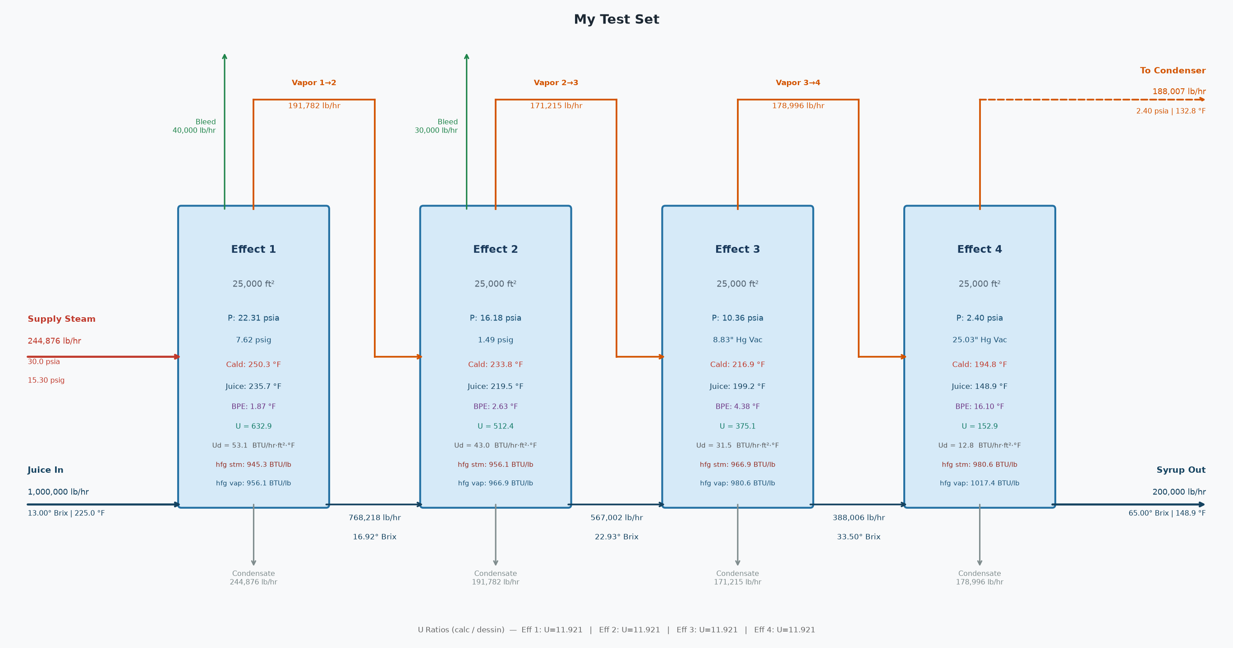

My Test Set — SUMMARY
Stream | Flow (lb/hr) | Brix / P (psia) | Temp (°F)
Juice In | 1,000,000 | 13.00 | 225.0
Syrup Out | 200,000 | 65.00 | 148.9
Steam Req'd | 244,876 | 30.00 | 250.3
Steam pressure | 15.30 | psig
Last effect vacuum | 25.03 | "Hg
Avg U ratio (calc/Dessin) | 11.921

My Test Set — EFFECT FLOWS
 | Effect 1 | Effect 2 | Effect 3 | Effect 4
Juice in (lb/hr) | 1,000,000 | 768,218 | 567,002 | 388,006
Syrup out (lb/hr) | 768,218 | 567,002 | 388,006 | 200,000
Steam in (lb/hr) | 244,876 | 191,782 | 171,215 | 178,996
Evaporated (lb/hr) | 231,782 | 201,215 | 178,996 | 188,007
Vapor bleed (lb/hr) | 40,000 | 30,000 | 0 | 0
Heating surface (ft²) | 25,000 | 25,000 | 25,000 | 25,000

My Test Set — EFFECT CONDITIONS
 | Effect 1 | Effect 2 | Effect 3 | Effect 4
Brix in | 13.00 | 16.92 | 22.93 | 33.50
Brix out | 16.92 | 22.93 | 33.50 | 65.00
Juice temp (°F) | 225.00 | 235.69 | 219.50 | 199.22
Syrup temp (°F) | 235.69 | 219.50 | 199.22 | 148.91
Juice cp | 0.92 | 0.90 | 0.87 | 0.81
Syrup cp | 0.90 | 0.87 | 0.81 | 0.63
Vapor P (psia) | 22.31 | 16.18 | 10.36 | 2.40
Vapor temp (°F) | 233.82 | 216.87 | 194.83 | 132.81
Vapor h_fg (BTU/lb) | 956.12 | 966.95 | 980.61 | 1,017.39
Calandria P (psia) | 30.00 | 22.31 | 16.18 | 10.36
Calandria temp (°F) | 250.31 | 233.82 | 216.87 | 194.83
Calandria h_fg (BTU/lb) | 945.27 | 956.12 | 966.95 | 980.61
Duty (MM BTU/hr) | 231.47 | 183.37 | 165.56 | 175.53
U calc (BTU/hr·ft²·°F) | 632.93 | 512.41 | 375.14 | 152.89
U Dessin (BTU/hr·ft²·°F) | 53.09 | 42.98 | 31.47 | 12.83

My Test Set — ENERGY BALANCE PER EFFECT
Effect | Steam (lb/hr) | h_fg (BTU/lb) | Entering (MM BTU/hr) | Sensible (MM BTU/hr) | Net for Evap (MM BTU/hr) | Evaporated (lb/hr)
Effect 1 | 244,876 | 945.3 | 231.473 | -9.862 | 221.611 | 231,782
Effect 2 | 191,782 | 956.1 | 183.367 | 11.198 | 194.564 | 201,215
Effect 3 | 171,215 | 966.9 | 165.556 | 9.970 | 175.526 | 178,996
Effect 4 | 178,996 | 980.6 | 175.526 | 15.750 | 191.275 | 188,007

My Test Set — LAST EFFECT CONDENSER
Vapor to condenser | 188,007 | lb/hr
Vapor saturation temp | 132.8 | °F
Vapor h_fg | 1017.4 | BTU/lb
Heat load | 192,215,148 | BTU/hr
Injection water in | 90.0 | °F
Water outlet temp | 127.8 | °F
Injection water flow | 5,083,242 | lb/hr
Injection water flow | 10,158 | GPM
Total outlet flow | 5,271,249 | lb/hr
Note: if using CoolingTowerSystem, ignore this injection water demand - it is re-solved there at the delivered water temp.

My Test Set — CONDENSATE RETURN
Clean condensate | 235,203 | lb/hr
Dirty condensate | 536,821 | lb/hr
Total condensate | 772,024 | lb/hr

