Mill Floor
Mill Floor
5 mills | extraction = 95.51%

PROCESS FLOW DIAGRAM

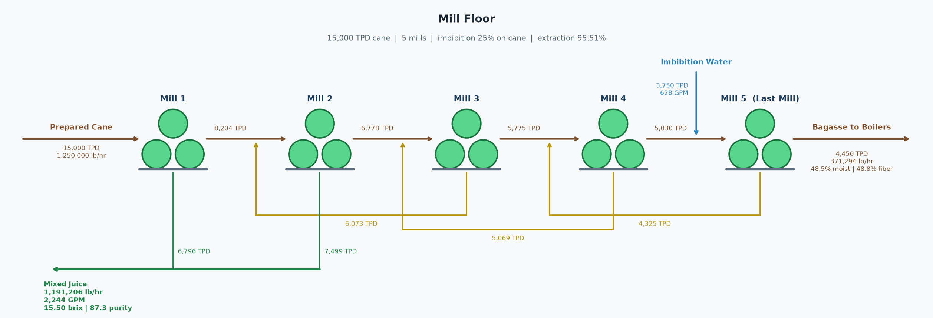

CANE FEED
Cane throughput | 15,000 | TPD
Cane pol | 13.50 | %
Cane fiber | 14.50 | %
Imbibition | 25.00 | % on cane
Imbibition flow | 628 | GPM

MIXED JUICE
Flow | 1,191,206 | lb/hr
Brix | 15.50 | %
Purity | 87.29 | %
Pol | 13.53 | %
Temperature | 120.0 | °F
Flow | 2,244 | GPM

BAGASSE
Flow | 371,294 | lb/hr
Flow | 4,456 | TPD
Fiber | 48.82 | %
Pol | 2.04 | %
Brix | 2.68 | %
Moisture | 48.50 | %

PERFORMANCE
Mill extraction | 95.51 | % pol in cane

STREAM TABLE (TPH)
Stream | Dir | Flow (TPH) | Pol (TPH) | Brix (TPH) | Fiber (TPH) | Water (TPH)
Cane | In | 625.00 | 84.38 | 97.31 | 90.63 | 437.07
Imbibition | In | 156.25 | 0.00 | 0.00 | 0.00 | 156.25
Mixed Juice | Out | 595.60 | 80.59 | 92.32 | 0.00 | 503.28
Bagasse | Out | 185.65 | 3.79 | 4.98 | 90.63 | 90.04
Total In |  | 781.25 | 84.38 | 97.31 | 90.63 | 593.32
Total Out |  | 781.25 | 84.38 | 97.31 | 90.63 | 593.32
Difference |  | 0.00 | 0.00 | 0.00 | 0.00 | 0.00

PER-MILL MACERATION BALANCE (TPD)
Mill | Bagasse In | Liquid In | Liquid In Source | Bagasse Out | Juice Out | Juice Out Dest
1 | 15,000.0 | 0.0 | None | 8,204.3 | 6,795.7 | To process
2 | 8,204.3 | 6,073.0 | Mill 3 maceration | 6,778.5 | 7,498.8 | To process
3 | 6,778.5 | 5,069.3 | Mill 4 maceration | 5,774.9 | 6,073.0 | Mill 2 maceration
4 | 5,774.9 | 4,324.6 | Mill 5 maceration | 5,030.1 | 5,069.3 | Mill 3 maceration
5 | 5,030.1 | 3,750.0 | Imbibition | 4,455.5 | 4,324.6 | Mill 4 maceration

Clarification
Clarification
15,000 TPD cane | CJ 1,196,760 lb/hr @ 15.18 Bx, 87.5 purity

PROCESS FLOW DIAGRAM

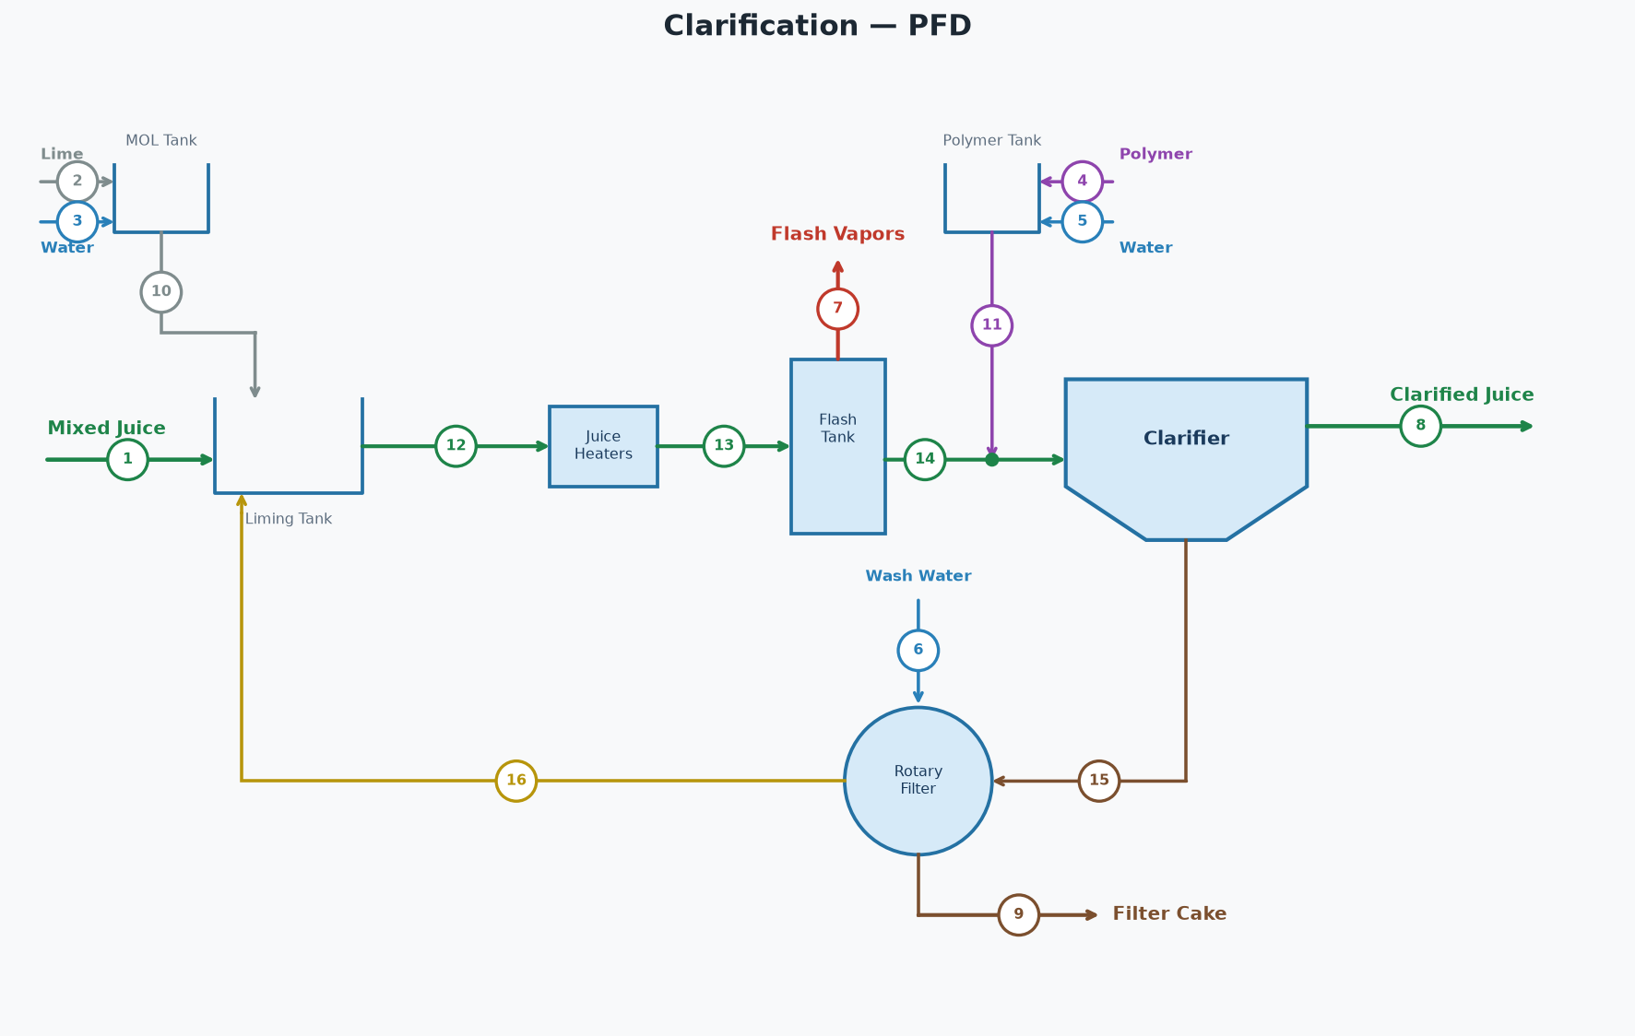

STREAM TABLE (tags match the diagram)
# | Stream | Dir | lb/hr | GPM | Brix lb/hr | Pol lb/hr | Brix % | Pol % | Purity % | % on Cane | °F
1 | Mixed Juice | In | 1,191,206 | 2,244 | 184,644 | 161,176 | 15.50 | 13.53 | 87.3 | 95.30 | 120.0
2 | Lime | In | 813 | 2 | 0 | 0 | 0.00 | 0.00 |  | 0.07
3 | Water for Lime | In | 7,313 | 15 | 0 | 0 | 0.00 | 0.00 |  | 0.59
4 | Polymer | In | 28 | 0 | 0 | 0 | 0.00 | 0.00 |  | 0.00
5 | Polymer Water | In | 5,597 | 11 | 0 | 0 | 0.00 | 0.00 |  | 0.45
6 | Filter Wash Water | In | 62,500 | 125 | 0 | 0 | 0.00 | 0.00 |  | 5.00
7 | Flash Vapors | Out | 8,196 | 16 | 0 | 0 | 0.00 | 0.00 |  | 0.66 | 212.0
8 | Clarified Juice | Out | 1,196,760 | 2,258 | 181,701 | 158,988 | 15.18 | 13.28 | 87.5 | 95.74 | 205.0
9 | Filter Cake | Out | 62,500 | 123 | 2,943 | 2,188 | 4.71 | 3.50 | 74.3 | 5.00
10 | Milk of Lime | Internal | 8,125 | 16 | 0 | 0 | 0.00 | 0.00 |  | 0.65
11 | Polymer Solution | Internal | 5,625 | 11 | 0 | 0 | 0.00 | 0.00 |  | 0.45
12 | Limed Juice Cold | Internal | 1,454,956 | 2,745 | 220,452 | 187,790 | 15.15 | 12.91 | 85.2 | 116.40 | 120.0
13 | Limed Juice Hot | Internal | 1,454,956 | 2,745 | 220,452 | 187,790 | 15.15 | 12.91 | 85.2 | 116.40 | 218.0
14 | Flashed Juice | Internal | 1,446,760 | 2,729 | 220,452 | 187,790 | 15.24 | 12.98 | 85.2 | 115.74 | 212.0
15 | Clarifier Underflow | Internal | 250,000 | 471 | 38,751 | 28,802 | 15.50 | 11.52 | 74.3 | 20.00
16 | Filtrate | Internal | 250,000 | 473 | 35,808 | 26,615 | 14.32 | 10.65 | 74.3 | 20.00
 | Total In (external) |  | 1,267,456 |  | 184,644 | 161,176
 | Total Out (external) |  | 1,267,456 |  | 184,644 | 161,176
 | Net (In - Out) |  | 0 |  | 0 | 0

PARAMETERS | KEY RESULTS
Cane throughput | 15,000 | TPD |  | Flash vapor | 0.563 | % of limed juice
Filter wash water | 5.00 | % on cane |  | Filter cake pol loss | 52,500 | lb/day
Filter cake | 5.00 | % on cane |  | Clarified juice flow | 1,196,760 | lb/hr
Filter cake pol | 3.50 | % |  | Clarified juice flow | 2,257 | GPM
Clarified juice purity | 87.50 | % |  | Clarified juice brix | 15.18 | %
Limed juice cold temp | 120.0 | °F |  | Clarified juice purity | 87.50 | %
Limed juice hot temp | 218.0 | °F |  | Clarified juice temp | 205.0 | °F
Clarified juice temp | 205.0 | °F
Lime dose | 1.30 | lb/ton cane
Milk of lime | 10.0 | °Baumé
Polymer dose | 0.045 | lb/ton cane
Polymer concentration | 5,000 | ppm
Clarifier underflow | 20.00 | % on cane

Parallel Juice Heating Station
Parallel Juice Heating Station — Parallel
2 heaters | juice out 1,454,956 lb/hr @ 218.0 °F | steam = 137,057 lb/hr

PROCESS FLOW DIAGRAM

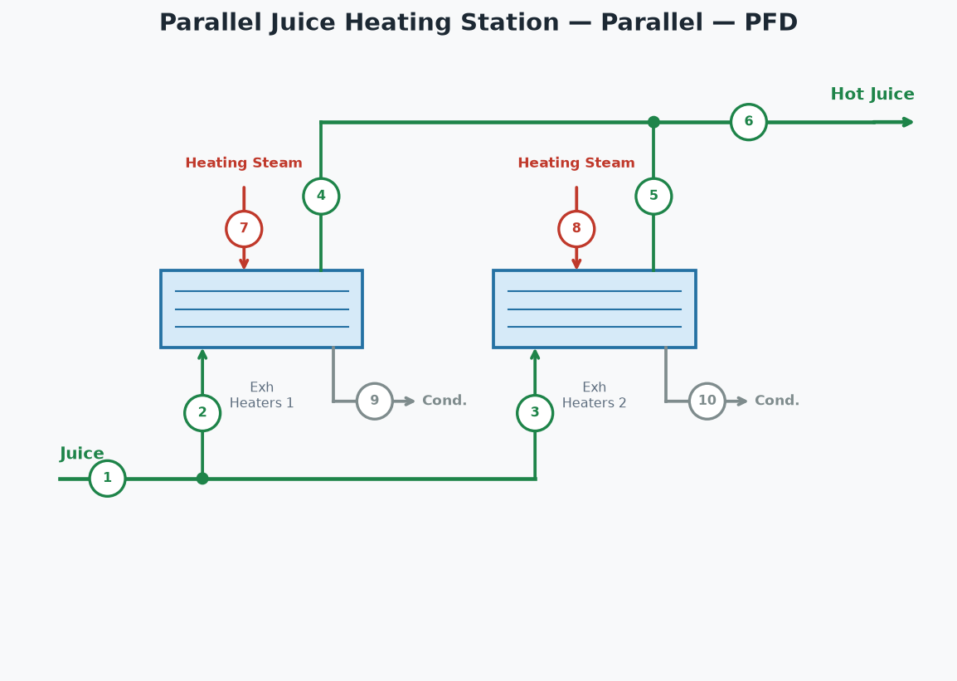

STREAM TABLE (tags match the diagram)
# | Stream | lb/hr | °F | psia
1 | Juice In | 1,454,956 | 120.0
2 | Juice to Exh Heaters 1 | 1,091,217 | 120.0
3 | Juice to Exh Heaters 2 | 363,739 | 120.0
4 | Hot Juice from Exh Heaters 1 | 1,091,217 | 218.0
5 | Hot Juice from Exh Heaters 2 | 363,739 | 218.0
6 | Hot Juice (combined) | 1,454,956 | 218.0
7 | Steam to Exh Heaters 1 | 102,793 | 247.0 | 28.3
8 | Steam to Exh Heaters 2 | 34,264 | 247.0 | 28.3
9 | Condensate from Exh Heaters 1 | 102,793 | 247.0 | 28.3
10 | Condensate from Exh Heaters 2 | 34,264 | 247.0 | 28.3

HEATER FLOWS
 | Exh Heaters 1 | Exh Heaters 2
Juice (lb/hr) | 1,091,217.15 | 363,739.05
Juice cp (BTU/lb·°F) | 0.91 | 0.91
Juice ΔT (°F) | 98.00 | 98.00
Duty (BTU/hr) | 97,389,751.21 | 32,463,250.40
Req Area (ft²) | 7,341.29 | 2,447.10
Inst Area (ft²) | 11,000.00 | 5,000.00
Steam (lb/hr) | 102,792.97 | 34,264.32

HEATER CONDITIONS
 | Exh Heaters 1 | Exh Heaters 2
Steam Type | Exhaust | Exhaust
T in (°F) | 120.00 | 120.00
T out (°F) | 218.00 | 218.00
LMTD (°F) | 66.33 | 66.33
U (BTU/hr·ft²·°F) | 200.00 | 200.00
Steam (psia) | 28.30 | 28.30
Total duty | 129,853,002 | BTU/hr
Total steam | 137,057 | lb/hr
Juice split between heaters | 75% / 25%
Hot juice out | 1,454,956 | lb/hr
Hot juice temperature | 218.0 | °F

CONDENSATE RETURN
Clean condensate (Exhaust steam heaters) | 132,115 | lb/hr
Dirty condensate (V1-V4 steam heaters) | 0 | lb/hr
Total condensate | 132,115 | lb/hr

Pan Floor - Three Boiling
Three Boiling Double Magma — Pan Floor
Syrup 288,414 lb/hr @ 63.0 Bx | Pol recovered in raw sugar = 92.21%

PROCESS FLOW DIAGRAM

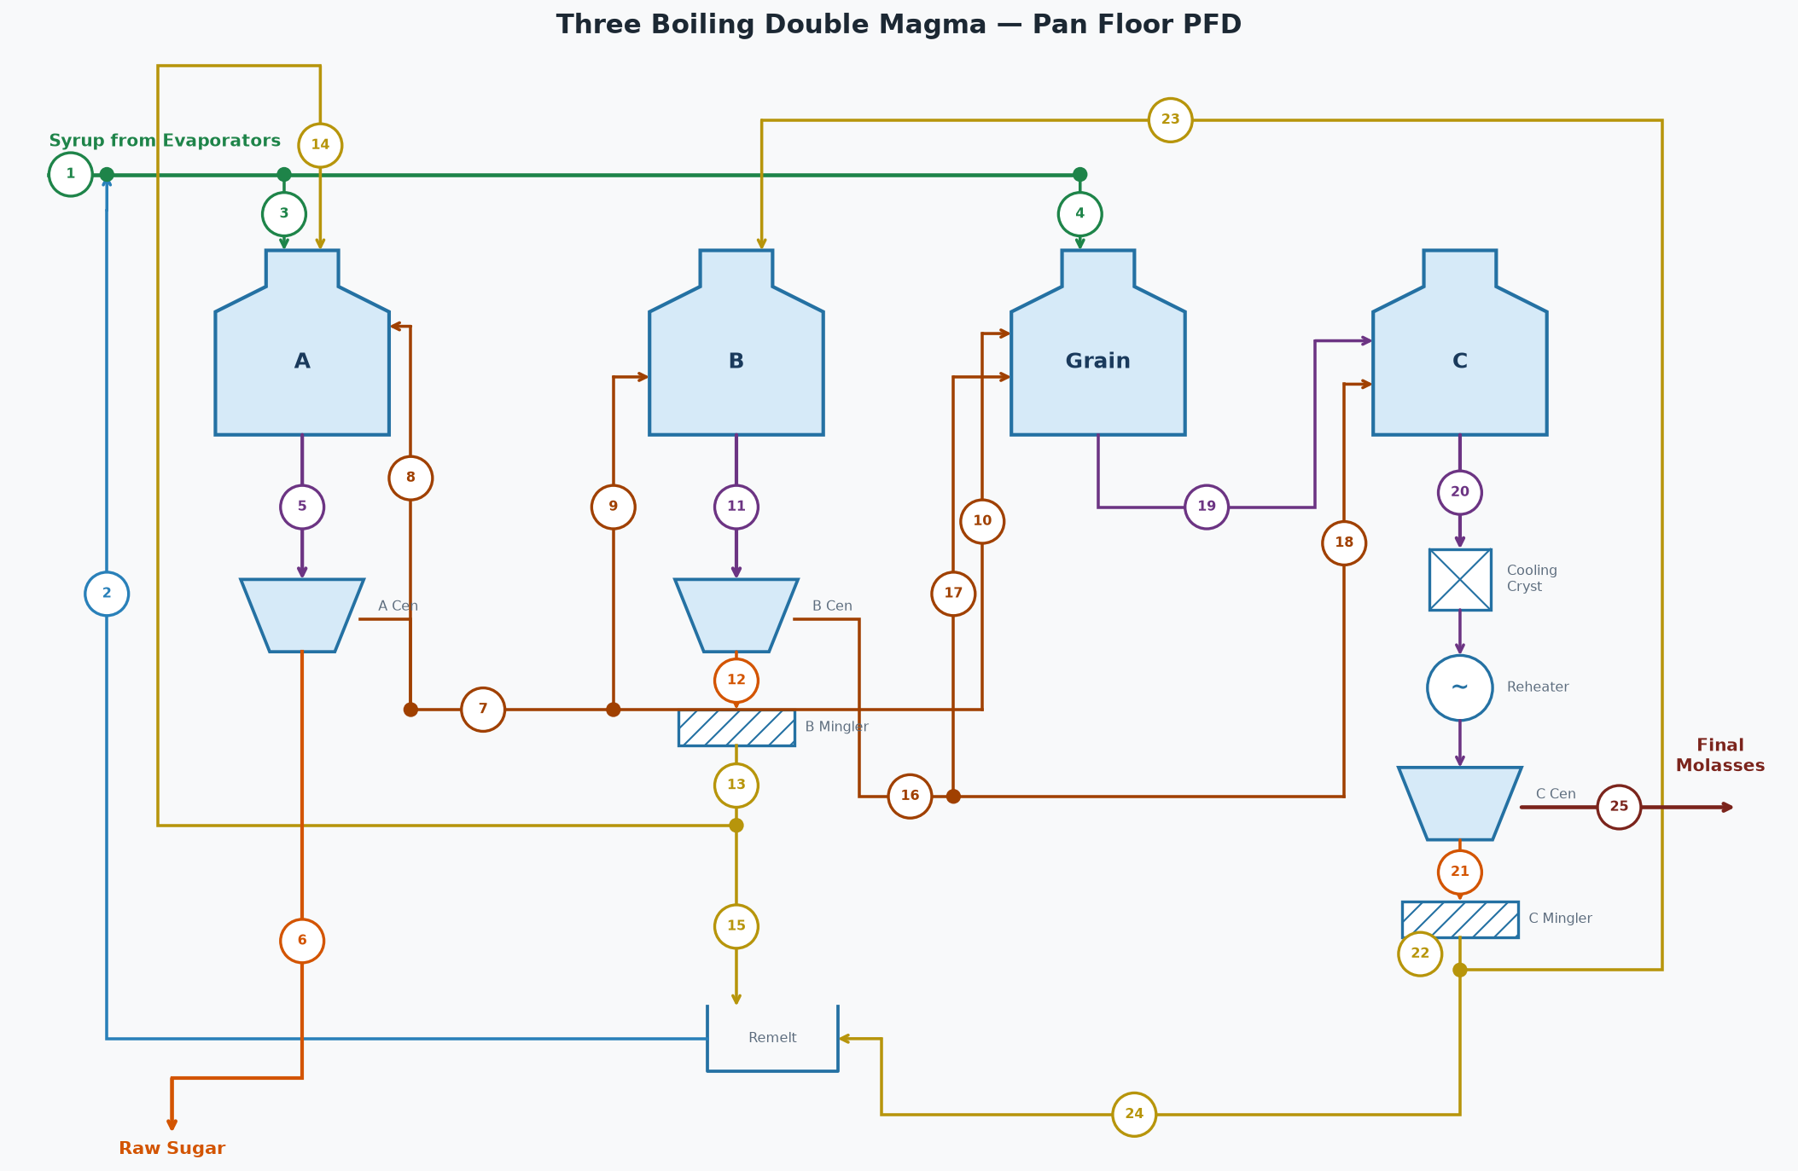

STREAM TABLE (tags match the diagram)
# | Stream | Flow (lb/hr) | Brix % | Purity %
1 | Syrup from Evaporators | 288,414 | 63.0 | 87.5
2 | Remelt Return to Syrup | 43,921 | 65.0 | 85.2
3 | Syrup to A Pans | 332,335 | 63.3 | 87.2
4 | Syrup to Grain Pans | 0 | 63.3 | 87.2
5 | A Massecuite | 287,630 | 92.8 | 87.9
6 | A Sugar (Raw Sugar) | 147,407 | 99.9 | 99.6
7 | A Molasses (diluted) | 149,669 | 80.0 | 73.5
8 | A Mol Top-off to A Pans | 0 | 80.0 | 73.5
9 | A Molasses to B Pans | 139,311 | 80.0 | 73.5
10 | A Molasses to Grain | 10,357 | 80.0 | 73.5
11 | B Massecuite | 132,732 | 94.8 | 74.2
12 | B Sugar | 71,555 | 99.0 | 90.5
13 | B Magma | 75,603 | 93.7 | 90.5
14 | B Magma to A Footing | 60,482 | 93.7 | 90.5
15 | B Magma to Remelt | 15,121 | 93.7 | 90.5
16 | B Molasses (diluted) | 68,738 | 80.0 | 53.3
17 | B Molasses to Grain | 7,575 | 80.0 | 53.3
18 | B Molasses to C Pans | 61,163 | 80.0 | 53.3
19 | Grain Massecuite | 15,869 | 90.4 | 65.0
20 | C Massecuite | 67,675 | 93.5 | 55.9
21 | C Sugar | 29,669 | 96.9 | 80.0
22 | C Magma | 30,662 | 93.8 | 80.0
23 | C Magma to B Footing | 15,331 | 93.8 | 80.0
24 | C Magma to Remelt | 15,331 | 93.8 | 80.0
25 | C Final Molasses | 38,350 | 90.0 | 35.9

STREAMS NOT SHOWN — WATER
Stream | Flow (lb/hr)
A Centrifugal Wash Water | 14
B Centrifugal Wash Water | 94
C Centrifugal Wash Water | 344
B Magma Mingler Water | 4,047
C Magma Mingler Water | 993
B Remelt Water | 6,676
C Remelt Water | 6,793
A Molasses Dilution Water | 9,431
B Molasses Dilution Water | 7,467
A Pans Water Evaporated | 105,186
B Pans Water Evaporated | 21,911
Grain Pans Water Evaporated | 2,063
C Pans Water Evaporated | 9,357
Total Fresh Water In (wash + mingler + remelt + dilution) | 35,860
Total Water Evaporated (all pans) | 138,517

OVERALL FLOOR BALANCE
Stream | Dir | Flow (lb/hr) | Solids (lb/hr) | Pol (lb/hr) | Water (lb/hr) | Brix % | Purity % | ft³/hr
Syrup From Evaporators | In | 288,414 | 181,701 | 158,988 | 106,713 | 63.0 | 87.5 | 3,545
Wash and Dilution Water | In | 35,860 | 0 | 0 | 35,860
A Product Sugar | Out | 147,407 | 147,186 | 146,597 | 221 | 99.9 | 99.6 | 1,524
C Final Molasses | Out | 38,350 | 34,515 | 12,391 | 3,835 | 90.0 | 35.9 | 415
Evaporated (all pans) | Out | 138,517 | 0 | 0 | 138,517
Total In |  | 324,274 | 181,701 | 158,988 | 142,573
Total Out |  | 324,274 | 181,701 | 158,988 | 142,573
Net (In - Out) |  | 0 | 0 | 0 | 0
 |  |  | Pol % recovered in raw sugar (A sugar / feed) | 92.21 | %

A PANS [A Pans]
Stream | Dir | Flow (lb/hr) | Solids (lb/hr) | Pol (lb/hr) | Water (lb/hr) | Brix % | Purity % | ft³/hr
Syrup | In | 332,335 | 210,249 | 183,315 | 122,085 | 63.3 | 87.2 | 4,080
B Magma | In | 60,482 | 56,672 | 51,288 | 3,810 | 93.7 | 90.5 | 644
A Molasses Top-off | In | 0 | 0 | 0 | 0 | 80.0 | 73.5 | 0
Massecuite Out | Out | 287,630 | 266,921 | 234,602 | 20,709 | 92.8 | 87.9 | 3,074
Evaporated Water | Out | 105,186 | 0 | 0 | 105,186
Total In |  | 392,817 | 266,921 | 234,602 | 125,896
Total Out |  | 392,817 | 266,921 | 234,602 | 125,896
Net (In - Out) |  | 0 | 0 | 0 | 0
Calandria steam type | Exhaust
Calandria pressure | 28.30 | psia
Calandria steam flow | 111,475 | lb/hr

A CENTRIFUGALS [A Centrifugals]
Stream | Dir | Flow (lb/hr) | Solids (lb/hr) | Pol (lb/hr) | Water (lb/hr) | Brix % | Purity % | ft³/hr
Massecuite | In | 287,630 | 266,921 | 234,602 | 20,709 | 92.8 | 87.9 | 3,074
Wash Water | In | 14 | 0 | 0 | 14
Sugar Out | Out | 147,407 | 147,186 | 146,597 | 221 | 99.9 | 99.6 | 1,524
Molasses Out | Out | 140,238 | 119,735 | 88,005 | 20,503 | 85.4 | 73.5 | 1,552
Total In |  | 287,645 | 266,921 | 234,602 | 20,724
Total Out |  | 287,645 | 266,921 | 234,602 | 20,724
Net (In - Out) |  | 0 | 0 | 0 | 0

A MOLASSES DILUTION (target 80.0 Bx)
Stream | Dir | Flow (lb/hr) | Solids (lb/hr) | Pol (lb/hr) | Water (lb/hr) | Brix % | Purity % | ft³/hr
A Molasses (undiluted) | In | 140,238 | 119,735 | 88,005 | 20,503 | 85.4 | 73.5 | 1,552
Dilution Water | In | 9,431 | 0 | 0 | 9,431
A Molasses (diluted) | Out | 149,669 | 119,735 | 88,005 | 29,934 | 80.0 | 73.5 | 1,700
Total In |  | 149,669 | 119,735 | 88,005 | 29,934
Total Out |  | 149,669 | 119,735 | 88,005 | 29,934
Net (In - Out) |  | 0 | 0 | 0 | 0

B PANS [B Pans]
Stream | Dir | Flow (lb/hr) | Solids (lb/hr) | Pol (lb/hr) | Water (lb/hr) | Brix % | Purity % | ft³/hr
C Magma | In | 15,331 | 14,381 | 11,504 | 951 | 93.8 | 80.0 | 163
A Molasses | In | 139,311 | 111,449 | 81,915 | 27,862 | 80.0 | 73.5 | 1,582
Massecuite Out | Out | 132,732 | 125,830 | 93,420 | 6,902 | 94.8 | 74.2 | 1,405
Evaporated Water | Out | 21,911 | 0 | 0 | 21,911
Total In |  | 154,643 | 125,830 | 93,420 | 28,813
Total Out |  | 154,643 | 125,830 | 93,420 | 28,813
Net (In - Out) |  | 0 | 0 | 0 | 0
Calandria steam type | Exhaust
Calandria pressure | 28.30 | psia
Calandria steam flow | 27,070 | lb/hr

B CENTRIFUGALS [B Centrifugals]
Stream | Dir | Flow (lb/hr) | Solids (lb/hr) | Pol (lb/hr) | Water (lb/hr) | Brix % | Purity % | ft³/hr
Massecuite | In | 132,732 | 125,830 | 93,420 | 6,902 | 94.8 | 74.2 | 1,405
Wash Water | In | 94 | 0 | 0 | 94
Sugar Out | Out | 71,555 | 70,840 | 64,110 | 716 | 99.0 | 90.5 | 743
Molasses Out | Out | 61,270 | 54,990 | 29,310 | 6,280 | 89.8 | 53.3 | 664
Total In |  | 132,826 | 125,830 | 93,420 | 6,996
Total Out |  | 132,826 | 125,830 | 93,420 | 6,996
Net (In - Out) |  | 0 | 0 | 0 | 0

B MOLASSES DILUTION (target 80.0 Bx)
Stream | Dir | Flow (lb/hr) | Solids (lb/hr) | Pol (lb/hr) | Water (lb/hr) | Brix % | Purity % | ft³/hr
B Molasses (undiluted) | In | 61,270 | 54,990 | 29,310 | 6,280 | 89.8 | 53.3 | 664
Dilution Water | In | 7,467 | 0 | 0 | 7,467
B Molasses (diluted) | Out | 68,738 | 54,990 | 29,310 | 13,748 | 80.0 | 53.3 | 781
Total In |  | 68,738 | 54,990 | 29,310 | 13,748
Total Out |  | 68,738 | 54,990 | 29,310 | 13,748
Net (In - Out) |  | 0 | 0 | 0 | 0

GRAIN PANS [Grain Pans]
Stream | Dir | Flow (lb/hr) | Solids (lb/hr) | Pol (lb/hr) | Water (lb/hr) | Brix % | Purity % | ft³/hr
Syrup | In | 0 | 0 | 0 | 0 | 63.3 | 87.2 | 0
A Molasses | In | 10,357 | 8,286 | 6,090 | 2,071 | 80.0 | 73.5 | 118
B Molasses | In | 7,575 | 6,060 | 3,230 | 1,515 | 80.0 | 53.3 | 86
Massecuite Out | Out | 15,869 | 14,346 | 9,320 | 1,523 | 90.4 | 65.0 | 172
Evaporated Water | Out | 2,063 | 0 | 0 | 2,063
Total In |  | 17,932 | 14,346 | 9,320 | 3,586
Total Out |  | 17,932 | 14,346 | 9,320 | 3,586
Net (In - Out) |  | 0 | 0 | 0 | 0
Calandria steam type | Exhaust
Calandria pressure | 28.30 | psia
Calandria steam flow | 2,616 | lb/hr

C PANS [C Pans]
Stream | Dir | Flow (lb/hr) | Solids (lb/hr) | Pol (lb/hr) | Water (lb/hr) | Brix % | Purity % | ft³/hr
Grain Massecuite | In | 15,869 | 14,346 | 9,320 | 1,523 | 90.4 | 65.0 | 172
B Molasses | In | 61,163 | 48,930 | 26,080 | 12,233 | 80.0 | 53.3 | 695
Massecuite Out | Out | 67,675 | 63,276 | 35,400 | 4,399 | 93.5 | 55.9 | 721
Evaporated Water | Out | 9,357 | 0 | 0 | 9,357
Total In |  | 77,032 | 63,276 | 35,400 | 13,756
Total Out |  | 77,032 | 63,276 | 35,400 | 13,756
Net (In - Out) |  | 0 | 0 | 0 | 0
Calandria steam type | V1
Calandria pressure | 21.64 | psia
Calandria steam flow | 11,282 | lb/hr

C CRYSTALLIZERS [C Crystallizers]
Stream | Dir | Flow (lb/hr) | Solids (lb/hr) | Pol (lb/hr) | Water (lb/hr) | Brix % | Purity % | ft³/hr
Massecuite In (T=172.0 °F) | In | 67,675 | 63,276 | 35,400 | 4,399 | 93.5 | 55.9 | 721
Massecuite Out (T=120.0 °F) | Out | 67,675 | 63,276 | 35,400 | 4,399 | 93.5 | 55.9 | 721
ML purity in -> out | 35.9 -> 35.9 | %
Crystal content in -> out | 29.2 -> 29.2 | %
Duty | 1,644,112 | BTU/hr
Cooling Water | 82,206 | lb/hr (164 gpm, 85 -> 105 °F)

C REHEATERS [C Reheaters]
Stream | Dir | Flow (lb/hr) | Solids (lb/hr) | Pol (lb/hr) | Water (lb/hr) | Brix % | Purity % | ft³/hr
Massecuite In (T=120.0 °F) | In | 67,675 | 63,276 | 35,400 | 4,399 | 93.5 | 55.9 | 721
Massecuite Out (T=140.0 °F) | Out | 67,675 | 63,276 | 35,400 | 4,399 | 93.5 | 55.9 | 721
ML purity in -> out | 35.9 -> 35.9 | %
Crystal content in -> out | 29.2 -> 29.2 | %
Duty | 632,844 | BTU/hr
Hot Water | 42,190 | lb/hr (84 gpm, 150 -> 135 °F)

C CENTRIFUGALS [C Centrifugals]
Stream | Dir | Flow (lb/hr) | Solids (lb/hr) | Pol (lb/hr) | Water (lb/hr) | Brix % | Purity % | ft³/hr
Massecuite | In | 67,675 | 63,276 | 35,400 | 4,399 | 93.5 | 55.9 | 721
Wash Water | In | 344 | 0 | 0 | 344
Sugar Out | Out | 29,669 | 28,761 | 23,009 | 908 | 96.9 | 80.0 | 311
Molasses Out | Out | 38,350 | 34,515 | 12,391 | 3,835 | 90.0 | 35.9 | 415
Total In |  | 68,019 | 63,276 | 35,400 | 4,743
Total Out |  | 68,019 | 63,276 | 35,400 | 4,743
Net (In - Out) |  | 0 | 0 | 0 | 0

PAN VAPOR CONDENSERS (one per pan)
Condenser | Vapor (lb/hr) | Sat T (°F) | h_fg (BTU/lb) | Heat (MM BTU/hr) | Inj Water (lb/hr) | Inj Water (GPM) | Water Out (°F) | Total Out (lb/hr)
A Pans | 105,186 | 143.4 | 1011.2 | 106.370 | 1,993,588 | 3,984 | 143.4 | 2,098,774
B Pans | 21,911 | 133.1 | 1017.2 | 22.288 | 517,335 | 1,034 | 133.1 | 539,245
Grain Pans | 2,063 | 129.1 | 1019.6 | 2.103 | 53,849 | 108 | 129.1 | 55,912
C Pans | 9,357 | 119.7 | 1025.0 | 9.591 | 323,113 | 646 | 119.7 | 332,470
Total | 138,517 |  |  | 140.352 | 2,887,884 | 5,771 |  | 3,026,401
Injection water supply temp | 90.0 | °F
Note: if using CoolingTowerSystem, ignore these injection water demands - they are re-solved there at the delivered water temp.

CONDENSATE RETURN
Clean condensate (Exhaust steam pans) | 136,068 | lb/hr
Dirty condensate (V1-V4 steam pans) | 11,047 | lb/hr
Total condensate | 147,116 | lb/hr

Quad
Quad
4 effects | steam = 256,868 lb/hr | syrup out = 63.00 Bx

Quad — PROCESS FLOW DIAGRAM

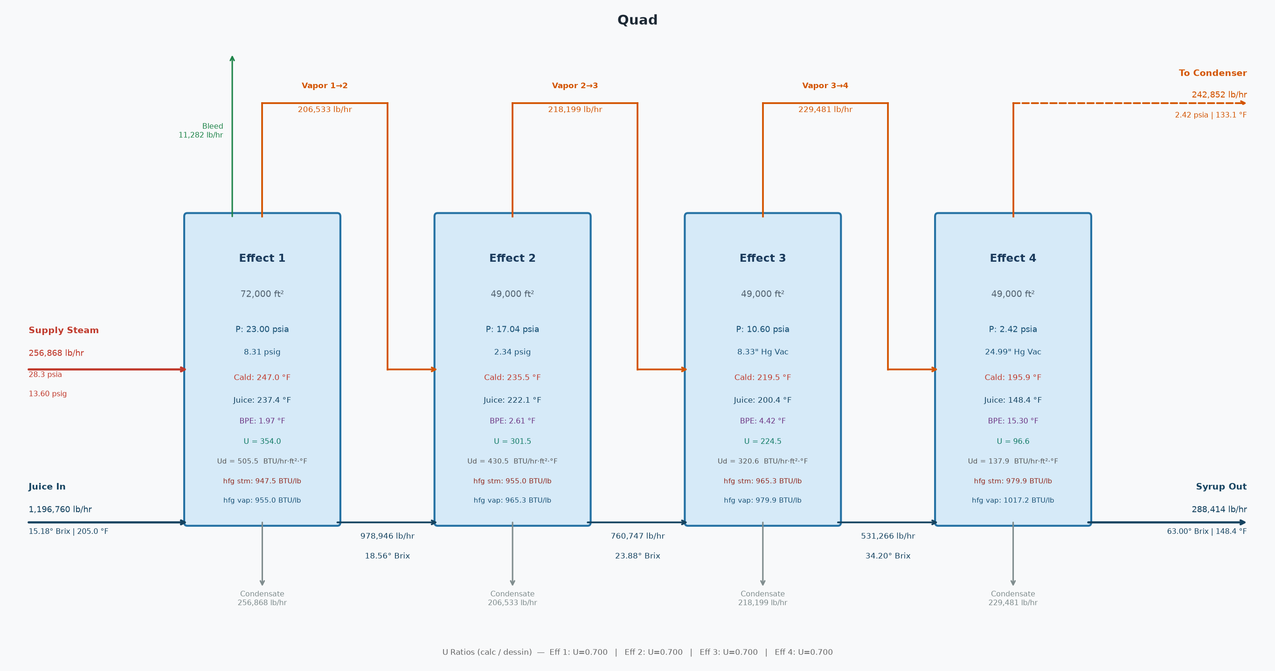

Quad — SUMMARY
Stream | Flow (lb/hr) | Brix / P (psia) | Temp (°F)
Juice In | 1,196,760 | 15.18 | 205.0
Syrup Out | 288,414 | 63.00 | 148.4
Steam Req'd | 256,868 | 28.30 | 247.0
Steam pressure | 13.60 | psig
Last effect vacuum | 24.99 | "Hg
Avg U ratio (calc/Dessin) | 0.700

Quad — EFFECT FLOWS
 | Effect 1 | Effect 2 | Effect 3 | Effect 4
Juice in (lb/hr) | 1,196,760 | 978,946 | 760,747 | 531,266
Syrup out (lb/hr) | 978,946 | 760,747 | 531,266 | 288,414
Steam in (lb/hr) | 256,868 | 206,533 | 218,199 | 229,481
Evaporated (lb/hr) | 217,815 | 218,199 | 229,481 | 242,852
Vapor bleed (lb/hr) | 11,282 | 0 | 0 | 0
Heating surface (ft²) | 72,000 | 49,000 | 49,000 | 49,000

Quad — EFFECT CONDITIONS
 | Effect 1 | Effect 2 | Effect 3 | Effect 4
Brix in | 15.18 | 18.56 | 23.88 | 34.20
Brix out | 18.56 | 23.88 | 34.20 | 63.00
Juice temp (°F) | 205.00 | 237.44 | 222.12 | 200.37
Syrup temp (°F) | 237.44 | 222.12 | 200.37 | 148.43
Juice cp | 0.91 | 0.89 | 0.86 | 0.80
Syrup cp | 0.89 | 0.86 | 0.80 | 0.64
Vapor P (psia) | 23.00 | 17.04 | 10.60 | 2.42
Vapor temp (°F) | 235.47 | 219.51 | 195.95 | 133.13
Vapor h_fg (BTU/lb) | 955.04 | 965.28 | 979.93 | 1,017.20
Calandria P (psia) | 28.30 | 23.00 | 17.04 | 10.60
Calandria temp (°F) | 246.99 | 235.47 | 219.51 | 195.95
Calandria h_fg (BTU/lb) | 947.48 | 955.04 | 965.28 | 979.93
Duty (MM BTU/hr) | 243.38 | 197.25 | 210.62 | 224.87
U calc (BTU/hr·ft²·°F) | 354.00 | 301.46 | 224.50 | 96.58
U Dessin (BTU/hr·ft²·°F) | 505.53 | 430.52 | 320.65 | 137.90

Quad — ENERGY BALANCE PER EFFECT
Effect | Steam (lb/hr) | h_fg (BTU/lb) | Entering (MM BTU/hr) | Sensible (MM BTU/hr) | Net for Evap (MM BTU/hr) | Evaporated (lb/hr)
Effect 1 | 256,868 | 947.5 | 243.377 | -35.354 | 208.023 | 217,815
Effect 2 | 206,533 | 955.0 | 197.248 | 13.374 | 210.622 | 218,199
Effect 3 | 218,199 | 965.3 | 210.622 | 14.253 | 224.875 | 229,481
Effect 4 | 229,481 | 979.9 | 224.875 | 22.155 | 247.030 | 242,852

Quad — LAST EFFECT CONDENSER
Vapor to condenser | 242,852 | lb/hr
Vapor saturation temp | 133.1 | °F
Vapor h_fg | 1017.2 | BTU/lb
Heat load | 247,029,592 | BTU/hr
Injection water in | 90.0 | °F
Water outlet temp | 133.1 | °F
Injection water flow | 5,727,893 | lb/hr
Injection water flow | 11,447 | GPM
Total outlet flow | 5,970,745 | lb/hr
Note: if using CoolingTowerSystem, ignore this injection water demand - it is re-solved there at the delivered water temp.

Quad — CONDENSATE RETURN
Clean condensate | 247,601 | lb/hr
Dirty condensate | 647,525 | lb/hr
Total condensate | 895,126 | lb/hr

Deaerator
Deaerator
12.6 psig | water in = 650,000 lb/hr | steam = 25,203 lb/hr

Deaerator — PROCESS FLOW DIAGRAM

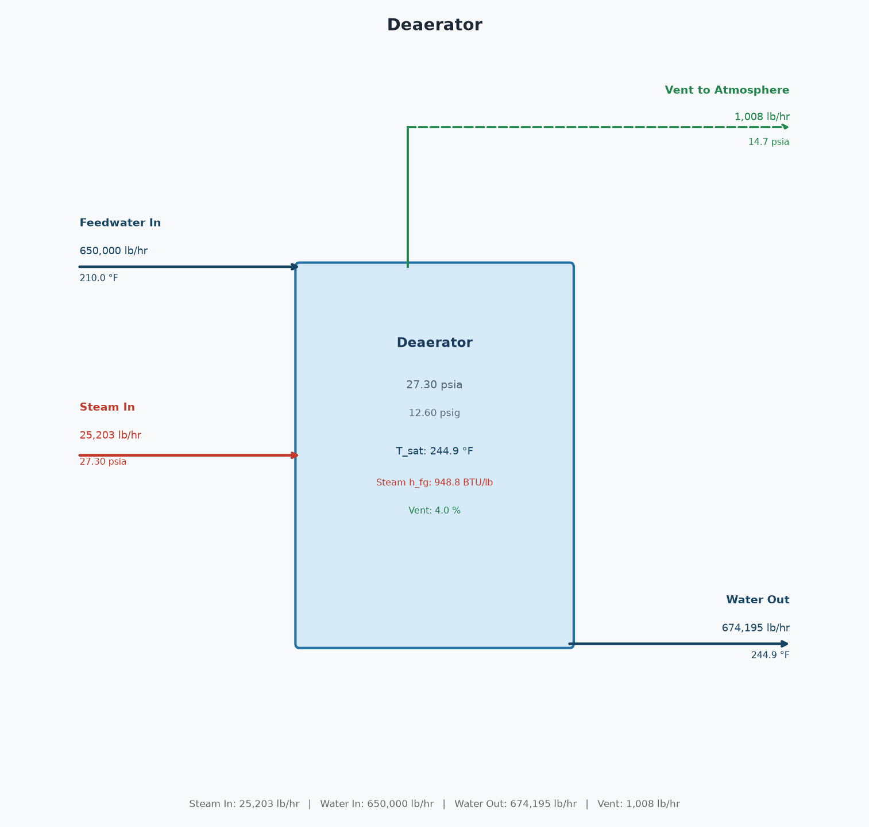

Deaerator — STREAMS
Stream | Flow (lb/hr) | P (psia) | Temp (°F)
Steam In | 25,203 | 27.30 | 244.9
Feedwater In | 650,000 | 14.70 | 210.0
Water Out | 674,195 | 27.30 | 244.9
Vent | 1,008 | 14.70 | 244.9

Deaerator — ENERGY / MASS BALANCE
Operating pressure | 27.30 | psia
Operating pressure | 12.60 | psig
Saturation temp | 244.9 | °F
Feedwater enthalpy | 178.17 | BTU/lb
Water out enthalpy | 213.48 | BTU/lb
Steam h_fg | 948.79 | BTU/lb
Vent pct | 4.00 | %
Net (In - Out) | 0.0000 | lb/hr

Cane Prep Turbines
Cane Prep Turbines — 91 Ton Fiber/hr
3 units | total HP = 3,806 | steam = 128,971 lb/hr | exhaust available = 123,277 lb/hr

PROCESS FLOW DIAGRAM (one representative turbine)

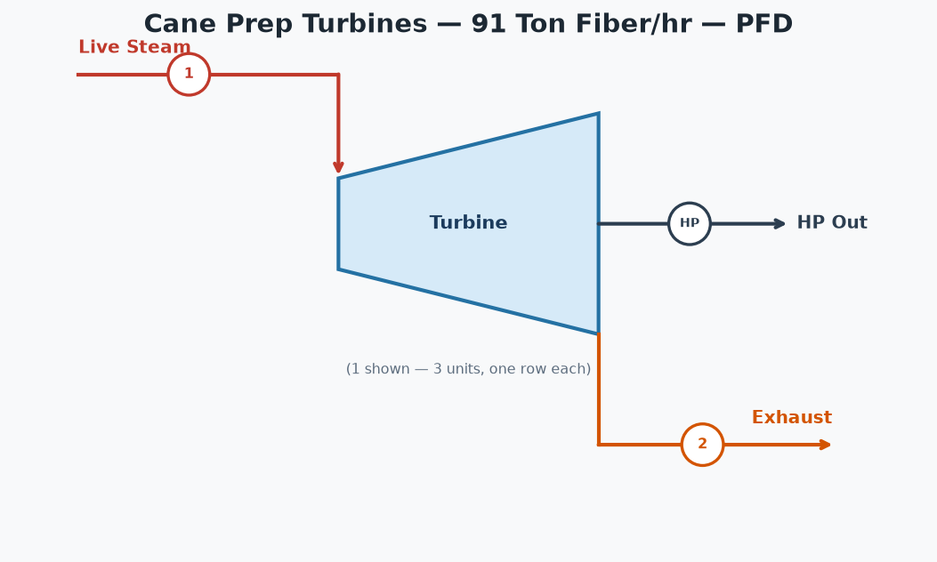

TURBINE TABLE
Unit | (1) Inlet Flow (lb/hr) | (2) Exhaust Avail (lb/hr) | HP | HP/TFH | Steam Rate (lb/HP-hr) | Inlet psia | Inlet °F | Outlet psia | Outlet °F | Outlet Quality
Knife 1 | 42,990 | 41,092 | 1,269 | 14.0 | 33.88 | 180.0 | 373.1 | 29.7 | 249.7 | 0.9559
Knife 2 | 42,990 | 41,092 | 1,269 | 14.0 | 33.88 | 180.0 | 373.1 | 29.7 | 249.7 | 0.9559
Knife 3 | 42,990 | 41,092 | 1,269 | 14.0 | 33.88 | 180.0 | 373.1 | 29.7 | 249.7 | 0.9559
TOTAL | 128,971 | 123,277 | 3,806 | 42.0 | 33.88

Mill Turbines
Mill Turbines — 91 Ton Fiber/hr
5 units | total HP = 4,984 | steam = 168,890 lb/hr | exhaust available = 161,435 lb/hr

PROCESS FLOW DIAGRAM (one representative turbine)

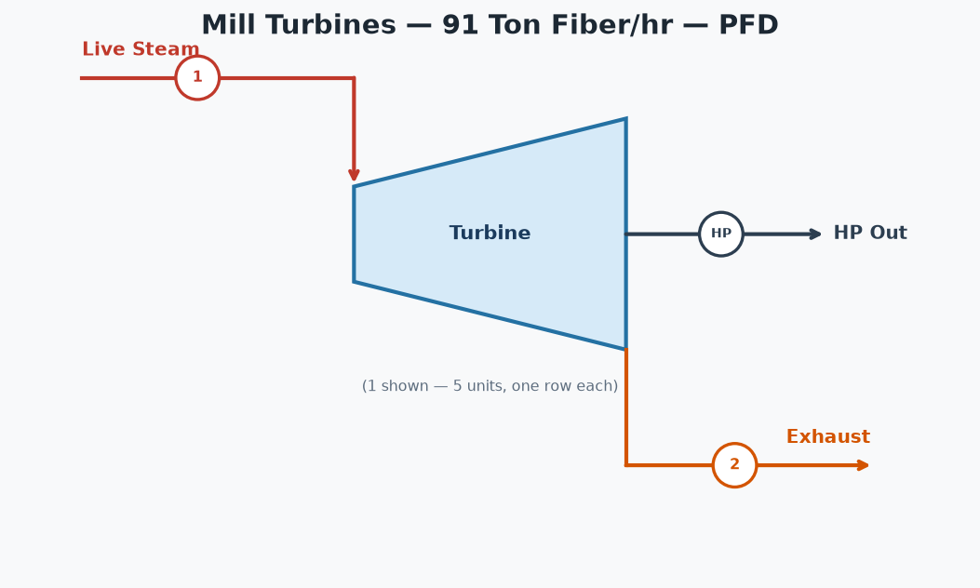

TURBINE TABLE
Unit | (1) Inlet Flow (lb/hr) | (2) Exhaust Avail (lb/hr) | HP | HP/TFH | Steam Rate (lb/HP-hr) | Inlet psia | Inlet °F | Outlet psia | Outlet °F | Outlet Quality
Mill 1 | 33,778 | 32,287 | 997 | 11.0 | 33.88 | 180.0 | 373.1 | 29.7 | 249.7 | 0.9559
Mill 2 | 33,778 | 32,287 | 997 | 11.0 | 33.88 | 180.0 | 373.1 | 29.7 | 249.7 | 0.9559
Mill 3 | 33,778 | 32,287 | 997 | 11.0 | 33.88 | 180.0 | 373.1 | 29.7 | 249.7 | 0.9559
Mill 4 | 33,778 | 32,287 | 997 | 11.0 | 33.88 | 180.0 | 373.1 | 29.7 | 249.7 | 0.9559
Mill 5 | 33,778 | 32,287 | 997 | 11.0 | 33.88 | 180.0 | 373.1 | 29.7 | 249.7 | 0.9559
TOTAL | 168,890 | 161,435 | 4,984 | 55.0 | 33.88

Fan and pump Turbines
Fan and pump Turbines
8 units | total HP = 4,450 | steam = 150,784 lb/hr | exhaust available = 144,127 lb/hr

PROCESS FLOW DIAGRAM (one representative turbine)

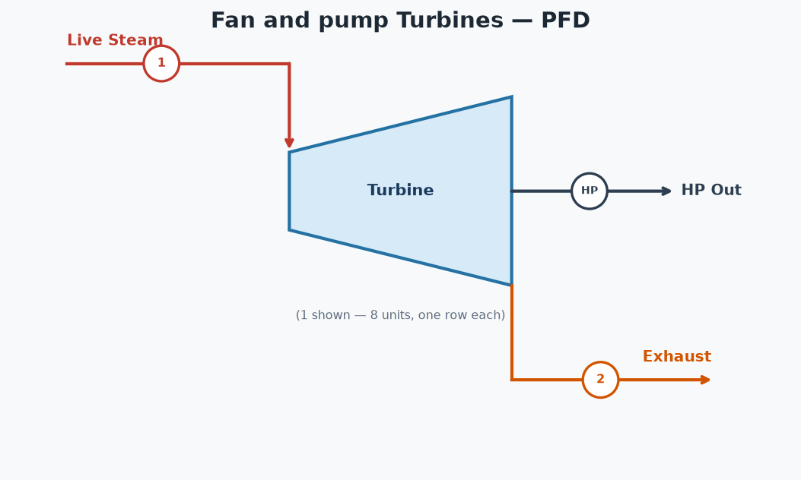

TURBINE TABLE
Unit | (1) Inlet Flow (lb/hr) | (2) Exhaust Avail (lb/hr) | HP | Steam Rate (lb/HP-hr) | Inlet psia | Inlet °F | Outlet psia | Outlet °F | Outlet Quality
ID 123 | 20,330 | 19,433 | 600 | 33.88 | 180.0 | 373.1 | 29.7 | 249.7 | 0.9559
ID 4 | 6,777 | 6,478 | 200 | 33.88 | 180.0 | 373.1 | 29.7 | 249.7 | 0.9559
ID 5 | 15,248 | 14,575 | 450 | 33.88 | 180.0 | 373.1 | 29.7 | 249.7 | 0.9559
ID 6 | 23,719 | 22,672 | 700 | 33.88 | 180.0 | 373.1 | 29.7 | 249.7 | 0.9559
ID 7 | 37,272 | 35,627 | 1,100 | 33.88 | 180.0 | 373.1 | 29.7 | 249.7 | 0.9559
FD 7 | 10,165 | 9,716 | 300 | 33.88 | 180.0 | 373.1 | 29.7 | 249.7 | 0.9559
BFW 1 | 23,719 | 22,672 | 700 | 33.88 | 180.0 | 373.1 | 29.7 | 249.7 | 0.9559
JCE 1 | 13,554 | 12,955 | 400 | 33.88 | 180.0 | 373.1 | 29.7 | 249.7 | 0.9559
TOTAL | 150,784 | 144,127 | 4,450 | 33.88

Cooling Tower System
Cooling Tower System
5 condensers | return = 8,622,656 lb/hr @ 135.0 °F | makeup = 830,245 lb/hr

PROCESS FLOW DIAGRAM

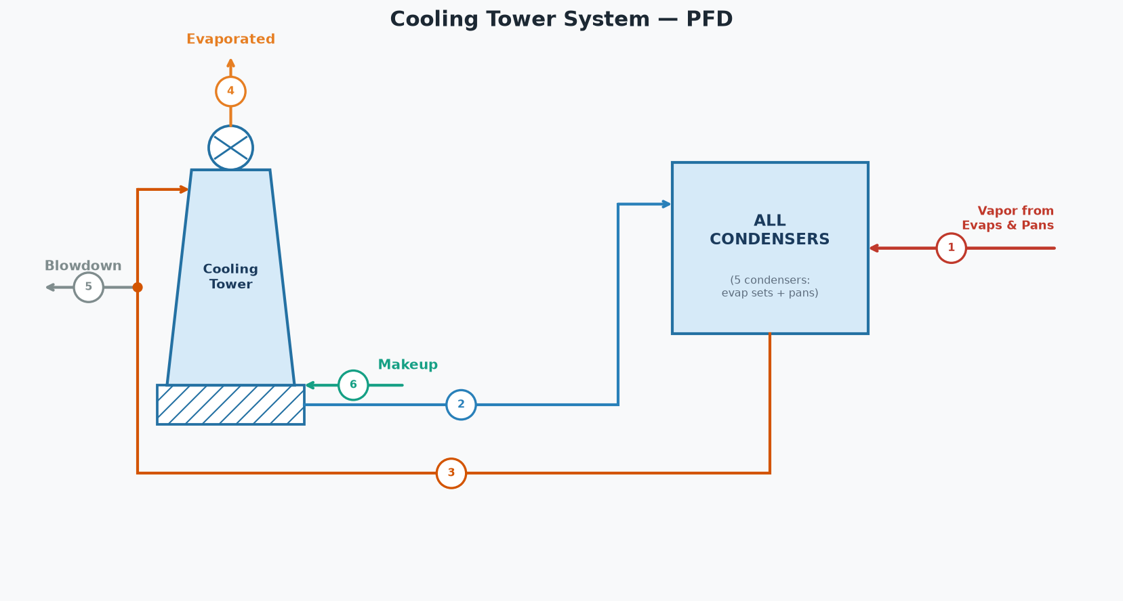

SYSTEM STREAMS (tags match the diagram)
# | Stream | lb/hr | GPM | °F
1 | Vapor from Evaporators & Pans | 381,369
2 | Injection Water | 8,241,287 | 16,549 | 88.0
3 | Hot Water Return to Tower | 8,622,656 | 17,315 | 135.0
4 | Evaporated to Atmosphere | 349,349 | 702
5 | Blowdown | 862,266 | 1,731 | 135.0
6 | Makeup Water | 830,245 | 1,667 | 70.0

CONDENSER INVENTORY (5 condensers)
Condenser | Vapor (lb/hr) | Sat T (°F) | h_fg (BTU/lb) | Heat (MM BTU/hr) | Inj Water (lb/hr) | Inj Water (GPM) | Water Out (°F) | Total Out (lb/hr)
A Pans | 105,186 | 143.4 | 1011.2 | 106.370 | 1,921,045 | 3,839 | 143.4 | 2,026,231
B Pans | 21,911 | 133.1 | 1017.2 | 22.288 | 494,221 | 988 | 133.1 | 516,132
Grain Pans | 2,063 | 129.1 | 1019.6 | 2.103 | 51,208 | 102 | 129.1 | 53,271
C Pans | 9,357 | 119.7 | 1025.0 | 9.591 | 302,574 | 605 | 119.7 | 311,932
Condenser 5 | 242,852 | 133.1 | 1017.2 | 247.030 | 5,472,239 | 10,936 | 133.1 | 5,715,091
Total | 381,369 |  |  | 387.382 | 8,241,287 | 16,469 |  | 8,622,656
Injection water supply temp | 88.0 | °F

HOT WATER RETURN TO TOWER
Injection water (all condensers) | 8,241,287 | lb/hr
Vapor condensed (all condensers) | 381,369 | lb/hr
Total return | 8,622,656 | lb/hr
Total return | 17,315 | GPM
Mixed return temperature | 135.0 | °F

COOLING TOWER (blowdown 10.0%)
Hot water in | 8,622,656 | lb/hr
Hot water temperature | 135.0 | °F
Cool water temperature | 90.0 | °F
Blowdown | 862,266 | lb/hr
Blowdown | 1,731 | GPM
Evaporated to atmosphere | 349,349 | lb/hr
Cool water from tower | 7,411,042 | lb/hr
Cool water from tower | 14,882 | GPM

SYSTEM BALANCE
Cold water demand (condensers) | 8,241,287 | lb/hr
Cool water available (tower) | 7,411,042 | lb/hr
Makeup water required | 830,245 | lb/hr
Makeup water required | 1,667 | GPM
Makeup water temperature | 70.0 | °F
Injection Water | 88.0 | °F
Surplus (overflow) | 0 | lb/hr
Water in (vapor + makeup) | 1,211,614 | lb/hr
Water out (evap + BD + surplus) | 1,211,614 | lb/hr
Net (In - Out) | 0.00 | lb/hr

