ID Fan Turbines
ID Fan Turbines
6 units | total HP = 4,680 | steam = 175,820 lb/hr | exhaust available = 169,279 lb/hr

PROCESS FLOW DIAGRAM (one representative turbine)

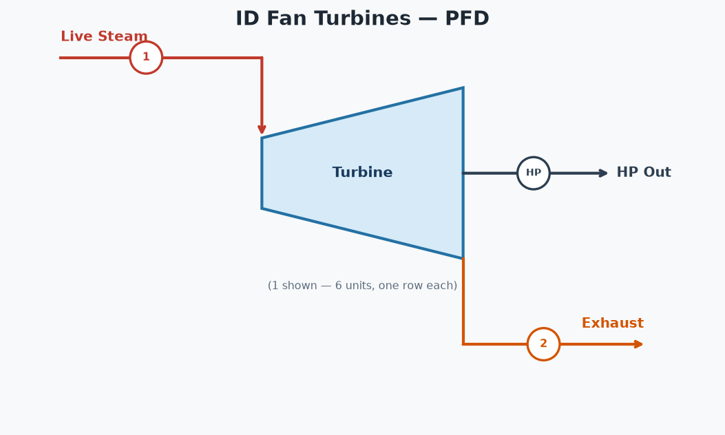

TURBINE TABLE
Unit | (1) Inlet Flow (lb/hr) | (2) Exhaust Avail (lb/hr) | HP | Steam Rate (lb/HP-hr) | Inlet psia | Inlet °F | Outlet psia | Outlet °F | Outlet Quality
123 ID Fan | 28,176 | 27,128 | 750 | 37.57 | 190.0 | 377.5 | 32.0 | 254.0 | 0.9628
4 ID Fan | 8,829 | 8,500 | 235 | 37.57 | 190.0 | 377.5 | 32.0 | 254.0 | 0.9628
5 ID Fan | 15,027 | 14,468 | 400 | 37.57 | 190.0 | 377.5 | 32.0 | 254.0 | 0.9628
6 ID Fan | 29,867 | 28,756 | 795 | 37.57 | 190.0 | 377.5 | 32.0 | 254.0 | 0.9628
7 ID Fan | 45,082 | 43,405 | 1,200 | 37.57 | 190.0 | 377.5 | 32.0 | 254.0 | 0.9628
8 ID Fan | 48,839 | 47,022 | 1,300 | 37.57 | 190.0 | 377.5 | 32.0 | 254.0 | 0.9628
TOTAL | 175,820 | 169,279 | 4,680 | 37.57

STREAM TAGS PER UNIT (tags match the diagram)
Unit | (1) Live Steam (lb/hr) | (2) Exhaust (lb/hr) | HP Out
123 ID Fan | 28,176 | 27,128 | 750
4 ID Fan | 8,829 | 8,500 | 235
5 ID Fan | 15,027 | 14,468 | 400
6 ID Fan | 29,867 | 28,756 | 795
7 ID Fan | 45,082 | 43,405 | 1,200
8 ID Fan | 48,839 | 47,022 | 1,300

