Cooling Tower System
Cooling Tower System
5 condensers | return = 4,433,379 lb/hr @ 134.0 °F | makeup = 428,996 lb/hr

PROCESS FLOW DIAGRAM

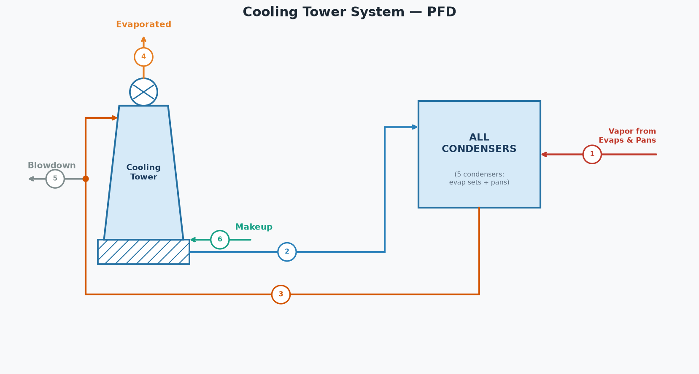

SYSTEM STREAMS (tags match the diagram)
# | Stream | lb/hr | GPM | °F
1 | Vapor from Evaporators & Pans | 190,000
2 | Cool Water to Condensers (delivered blend) | 4,243,379 | 8,521 | 88.5
3 | Hot Water Return to Tower | 4,433,379 | 8,902 | 134.0
4 | Evaporated to Atmosphere | 175,658 | 353
5 | Blowdown | 443,338 | 890 | 134.0
6 | Makeup Water | 428,996 | 861 | 75.0

CONDENSER INVENTORY (5 condensers)
Condenser | Vapor (lb/hr) | Sat T (°F) | h_fg (BTU/lb) | Heat (MM BTU/hr) | Inj Water (lb/hr) | Inj Water (GPM) | Water Out (°F) | Total Out (lb/hr)
Set 1 Condenser | 60,000 | 133.1 | 1017.2 | 61.034 | 1,368,491 | 2,735 | 133.1 | 1,428,491
Set 2 Condenser | 35,000 | 133.1 | 1017.2 | 35.603 | 798,287 | 1,595 | 133.1 | 833,287
A Pans | 55,000 | 143.4 | 1011.2 | 55.619 | 1,013,603 | 2,026 | 143.4 | 1,068,603
B Pans | 25,000 | 133.1 | 1017.2 | 25.431 | 570,205 | 1,139 | 133.1 | 595,205
C Pans | 15,000 | 119.7 | 1025.0 | 15.375 | 492,794 | 985 | 119.7 | 507,794
Total | 190,000 |  |  | 193.061 | 4,243,379 | 8,480 |  | 4,433,379
Injection water supply temp | 88.5 | °F

HOT WATER RETURN TO TOWER
Injection water (all condensers) | 4,243,379 | lb/hr
Vapor condensed (all condensers) | 190,000 | lb/hr
Total return | 4,433,379 | lb/hr
Total return | 8,902 | GPM
Mixed return temperature | 134.0 | °F

COOLING TOWER (blowdown 10.0%)
Hot water in | 4,433,379 | lb/hr
Hot water temperature | 134.0 | °F
Cool water temperature | 90.0 | °F
Blowdown | 443,338 | lb/hr
Blowdown | 890 | GPM
Evaporated to atmosphere | 175,658 | lb/hr
Cool water from tower | 3,814,383 | lb/hr
Cool water from tower | 7,659 | GPM

SYSTEM BALANCE
Cold water demand (condensers) | 4,243,379 | lb/hr
Cool water available (tower) | 3,814,383 | lb/hr
Makeup water required | 428,996 | lb/hr
Makeup water required | 861 | GPM
Makeup water temperature | 75.0 | °F
Delivered injection water temp (cool + makeup blend) | 88.5 | °F
Surplus (overflow) | 0 | lb/hr
Water in (vapor + makeup) | 618,996 | lb/hr
Water out (evap + BD + surplus) | 618,996 | lb/hr
Net (In - Out) | 0.00 | lb/hr

