Clarified Juice Heater
Clarified Juice Heater
1 heaters | juice out 1,390,000 lb/hr @ 225.0 °F | steam = 26,877 lb/hr

PROCESS FLOW DIAGRAM

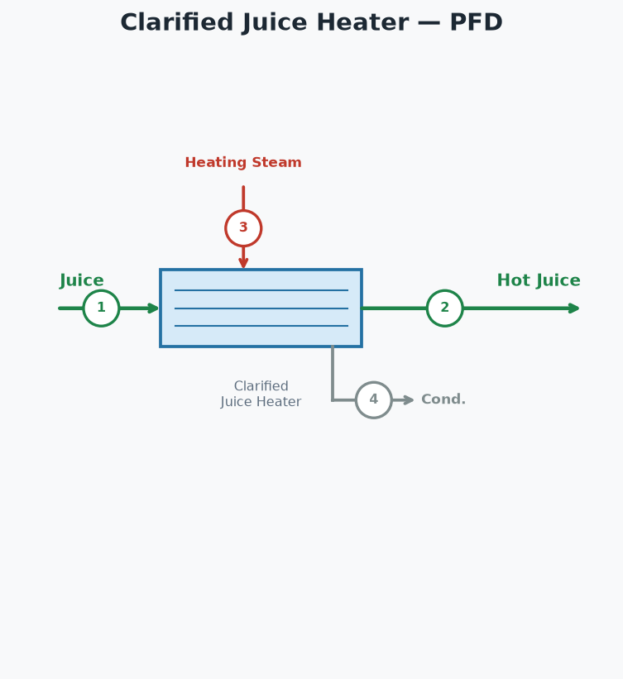

STREAM TABLE (tags match the diagram)
# | Stream | lb/hr | °F | psia
1 | Juice In | 1,390,000 | 205.0
2 | Hot Juice Out | 1,390,000 | 225.0
3 | Steam to Clarified Juice Heater | 26,877 | 250.3 | 30.0
4 | Condensate from Clarified Juice Heater | 26,877 | 250.3 | 30.0

HEATER PERFORMANCE
Heater | Juice (lb/hr) | T in (°F) | T out (°F) | LMTD (°F) | Duty (BTU/hr) | U (BTU/hr·ft²·°F) | Req Area (ft²) | Inst Area (ft²) | Steam (psia) | Steam (lb/hr)
Clarified Juice Heater | 1,390,000 | 205.0 | 225.0 | 34.3 | 25,404,263 | 185.0 | 3,999 | 6,000 | 30.0 | 26,877
TOTAL |  |  |  |  | 25,404,263 |  |  |  |  | 26,877
Hot juice out | 1,390,000 | lb/hr
Hot juice temperature | 225.0 | °F

