Juice Heaters - Parallel
Juice Heaters - Parallel — Parallel
2 heaters | juice out 1,400,000 lb/hr @ 220.0 °F | steam = 167,323 lb/hr

PROCESS FLOW DIAGRAM

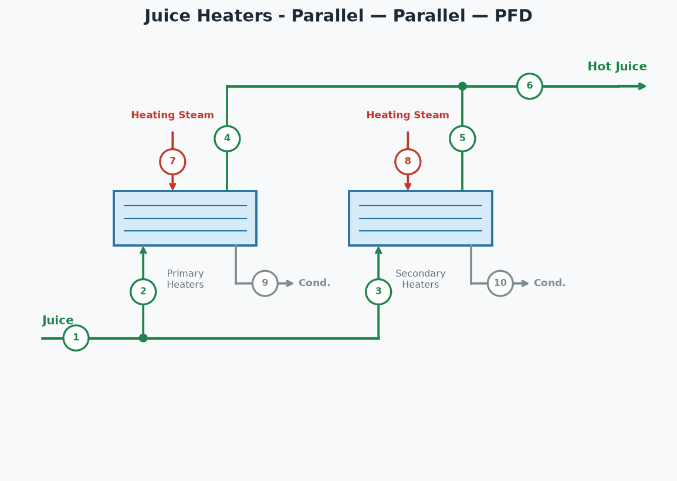

STREAM TABLE (tags match the diagram)
# | Stream | lb/hr | °F | psia
1 | Juice In | 1,400,000 | 95.0
2 | Juice to Primary Heaters | 700,000 | 95.0
3 | Juice to Secondary Heaters | 700,000 | 95.0
4 | Hot Juice from Primary Heaters | 700,000 | 220.0
5 | Hot Juice from Secondary Heaters | 700,000 | 220.0
6 | Hot Juice (combined) | 1,400,000 | 220.0
7 | Steam to Primary Heaters | 82,938 | 225.2 | 19.0
8 | Steam to Secondary Heaters | 84,385 | 250.3 | 30.0
9 | Condensate from Primary Heaters | 82,938 | 225.2 | 19.0
10 | Condensate from Secondary Heaters | 84,385 | 250.3 | 30.0

HEATER PERFORMANCE
Heater | Juice (lb/hr) | T in (°F) | T out (°F) | LMTD (°F) | Duty (BTU/hr) | U (BTU/hr·ft²·°F) | Req Area (ft²) | Inst Area (ft²) | Steam (psia) | Steam (lb/hr)
Primary Heaters | 700,000 | 95.0 | 220.0 | 38.8 | 79,761,500 | 220.0 | 9,340 | 8,000 | 19.0 | 82,938
Secondary Heaters | 700,000 | 95.0 | 220.0 | 76.5 | 79,761,500 | 220.0 | 4,740 | 8,000 | 30.0 | 84,385
TOTAL |  |  |  |  | 159,523,000 |  |  |  |  | 167,323
Juice split between heaters | 50% / 50%
Hot juice out | 1,400,000 | lb/hr
Hot juice temperature | 220.0 | °F

Juice Heaters - Series
Juice Heaters - Series — Series
2 heaters | juice out 1,400,000 lb/hr @ 220.0 °F | steam = 165,876 lb/hr

PROCESS FLOW DIAGRAM

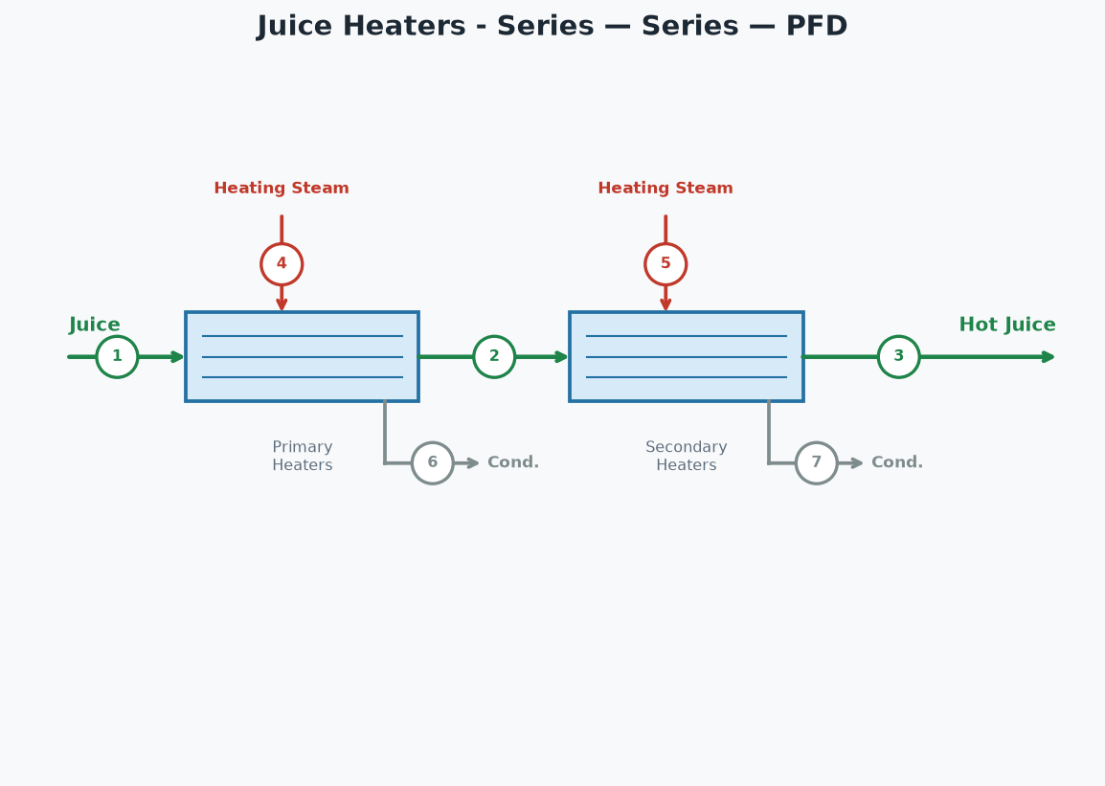

STREAM TABLE (tags match the diagram)
# | Stream | lb/hr | °F | psia
1 | Juice In | 1,400,000 | 95.0
2 | Juice out of Primary Heaters | 1,400,000 | 220.0
3 | Hot Juice Out | 1,400,000 | 220.0
4 | Steam to Primary Heaters | 165,876 | 225.2 | 19.0
5 | Steam to Secondary Heaters | 0 | 250.3 | 30.0
6 | Condensate from Primary Heaters | 165,876 | 225.2 | 19.0
7 | Condensate from Secondary Heaters | 0 | 250.3 | 30.0

HEATER PERFORMANCE
Heater | Juice (lb/hr) | T in (°F) | T out (°F) | LMTD (°F) | Duty (BTU/hr) | U (BTU/hr·ft²·°F) | Req Area (ft²) | Inst Area (ft²) | Steam (psia) | Steam (lb/hr)
Primary Heaters | 1,400,000 | 95.0 | 220.0 | 38.8 | 159,523,000 | 220.0 | 18,680 | 8,000 | 19.0 | 165,876
Secondary Heaters | 1,400,000 | 220.0 | 220.0 | 30.3 | 0 | 220.0 | 0 | 8,000 | 30.0 | 0
TOTAL |  |  |  |  | 159,523,000 |  |  |  |  | 165,876
Hot juice out | 1,400,000 | lb/hr
Hot juice temperature | 220.0 | °F

