Clarification
Clarification
19,000 TPD cane | CJ 1,595,349 lb/hr @ 14.31 Bx, 88.5 purity

PROCESS FLOW DIAGRAM

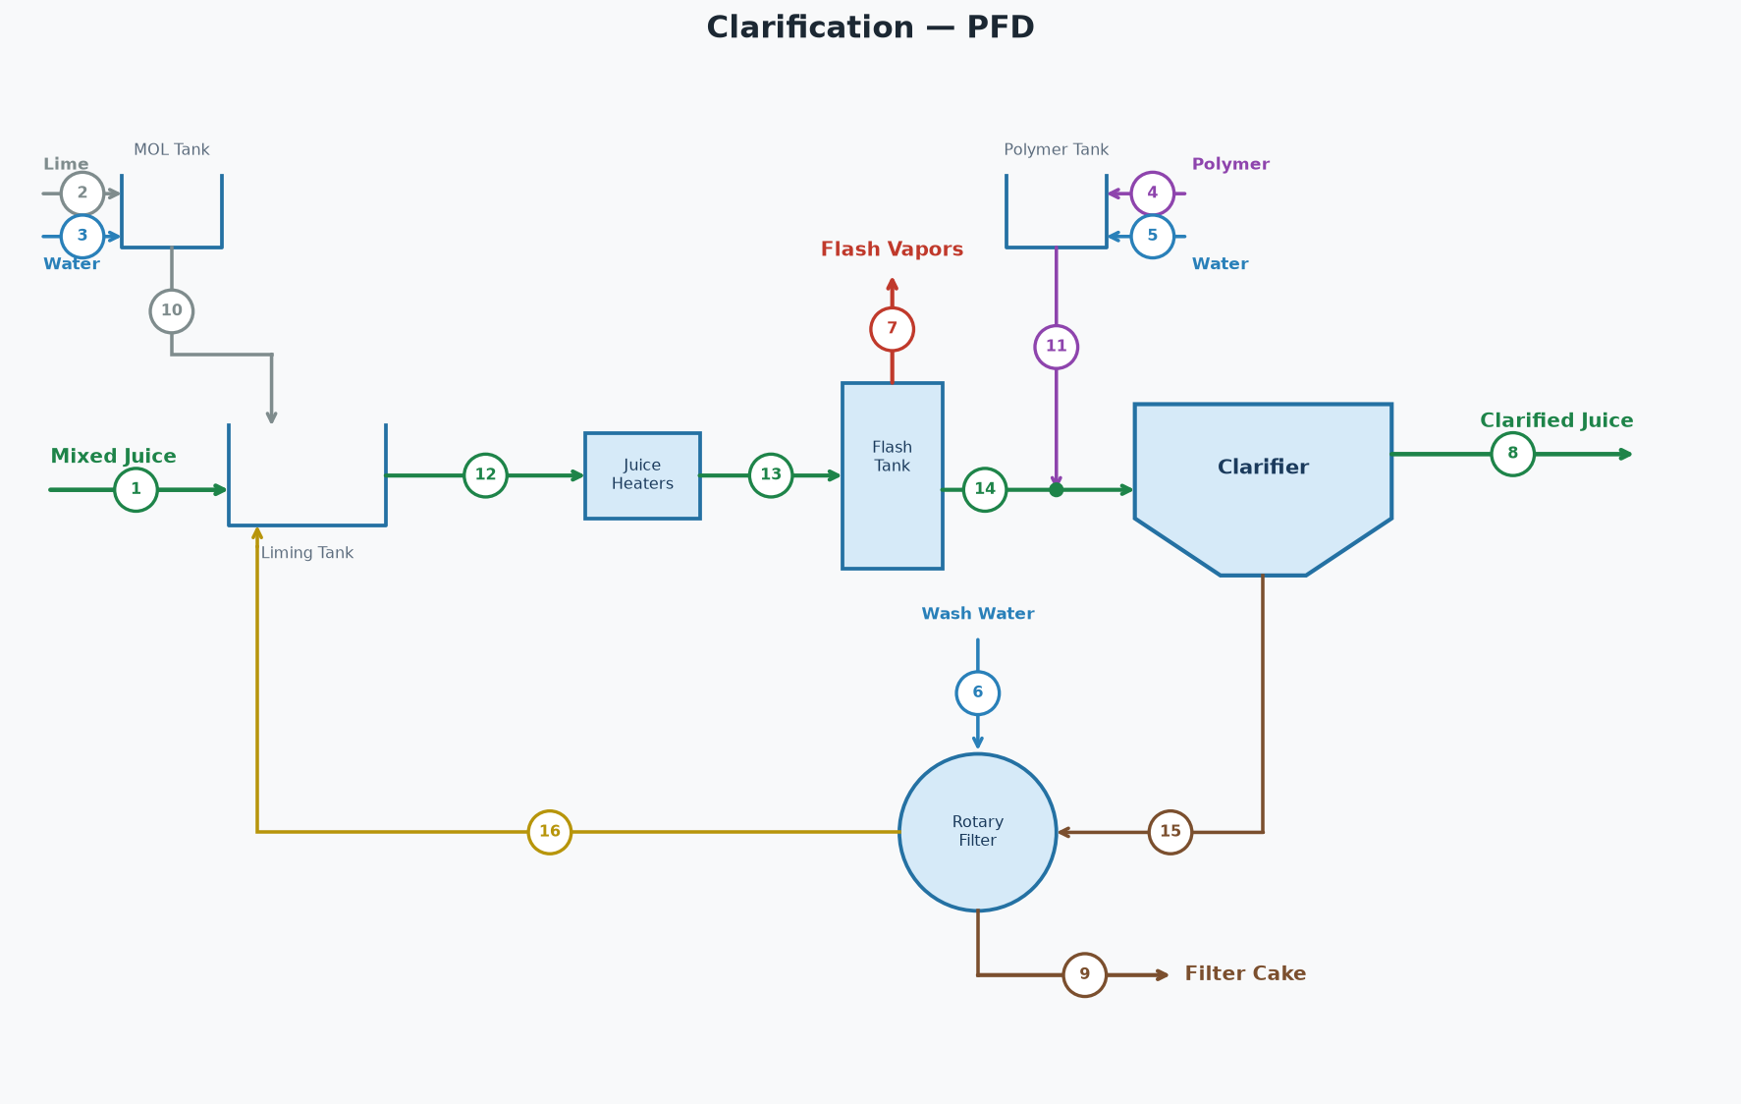

STREAM TABLE (tags match the diagram)
# | Stream | Dir | lb/hr | GPM | Brix lb/hr | Pol lb/hr | Brix % | Pol % | Purity % | % on Cane | °F
1 | Mixed Juice | In | 1,592,484 | 3,012 | 231,781 | 203,967 | 14.55 | 12.81 | 88.0 | 100.58 | 90.0
2 | Lime | In | 1,029 | 2 | 0 | 0 | 0.00 | 0.00 |  | 0.07
3 | Water for Lime | In | 9,263 | 19 | 0 | 0 | 0.00 | 0.00 |  | 0.59
4 | Polymer | In | 36 | 0 | 0 | 0 | 0.00 | 0.00 |  | 0.00
5 | Polymer Water | In | 7,089 | 14 | 0 | 0 | 0.00 | 0.00 |  | 0.45
6 | Filter Wash Water | In | 79,167 | 158 | 0 | 0 | 0.00 | 0.00 |  | 5.00
7 | Flash Vapors | Out | 14,552 | 29 | 0 | 0 | 0.00 | 0.00 |  | 0.92 | 212.0
8 | Clarified Juice | Out | 1,595,349 | 3,020 | 228,324 | 202,067 | 14.31 | 12.67 | 88.5 | 100.76 | 205.0
9 | Filter Cake | Out | 79,167 | 156 | 3,456 | 1,900 | 4.37 | 2.40 | 55.0 | 5.00
10 | Milk of Lime | Internal | 10,292 | 21 | 0 | 0 | 0.00 | 0.00 |  | 0.65
11 | Polymer Solution | Internal | 7,125 | 14 | 0 | 0 | 0.00 | 0.00 |  | 0.45
12 | Limed Juice Cold | Internal | 1,926,567 | 3,648 | 274,414 | 227,403 | 14.24 | 11.80 | 82.9 | 121.68 | 95.0
13 | Limed Juice Hot | Internal | 1,926,567 | 3,648 | 274,414 | 227,403 | 14.24 | 11.80 | 82.9 | 121.68 | 220.0
14 | Flashed Juice | Internal | 1,912,015 | 3,619 | 274,414 | 227,403 | 14.35 | 11.89 | 82.9 | 120.76 | 212.0
15 | Clarifier Underflow | Internal | 316,667 | 599 | 46,090 | 25,336 | 14.55 | 8.00 | 55.0 | 20.00
16 | Filtrate | Internal | 316,667 | 602 | 42,633 | 23,436 | 13.46 | 7.40 | 55.0 | 20.00
 | Total In (external) |  | 1,689,067 |  | 231,781 | 203,967
 | Total Out (external) |  | 1,689,067 |  | 231,781 | 203,967
 | Net (In - Out) |  | 0 |  | 0 | 0

PARAMETERS
Cane throughput | 19,000 | TPD
Filter wash water | 5.00 | % on cane
Filter cake | 5.00 | % on cane
Filter cake pol | 2.40 | %
Clarified juice purity | 88.50 | %
Limed juice cold temp | 95.0 | °F
Limed juice hot temp | 220.0 | °F
Clarified juice temp | 205.0 | °F
Lime dose | 1.30 | lb/ton cane
Milk of lime | 10.0 | °Baumé
Polymer dose | 0.045 | lb/ton cane
Polymer concentration | 5,000 | ppm
Clarifier underflow | 20.00 | % on cane

KEY RESULTS
Flash vapor | 0.755 | % of limed juice
Filter cake pol loss | 45,600 | lb/day
Clarified juice flow | 1,595,349 | lb/hr
Clarified juice flow | 3,020 | GPM
Clarified juice brix | 14.31 | %
Clarified juice purity | 88.50 | %
Clarified juice temp | 205.0 | °F

Parallel Juice Heating Station
Parallel Juice Heating Station — Parallel
2 heaters | juice out 1,926,567 lb/hr @ 220.0 °F | steam = 233,337 lb/hr

PROCESS FLOW DIAGRAM

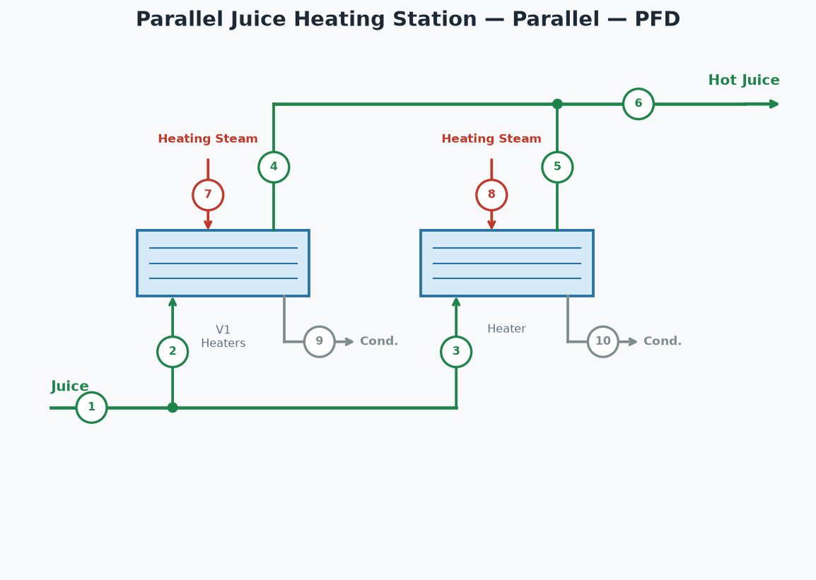

STREAM TABLE (tags match the diagram)
# | Stream | lb/hr | °F | psia
1 | Juice In | 1,926,567 | 95.0
2 | Juice to V1 Heaters | 1,444,925 | 95.0
3 | Juice to Heater | 481,642 | 95.0
4 | Hot Juice from V1 Heaters | 1,444,925 | 220.0
5 | Hot Juice from Heater | 481,642 | 220.0
6 | Hot Juice (combined) | 1,926,567 | 220.0
7 | Steam to V1 Heaters | 175,003 | 250.3 | 30.0
8 | Steam to Heater | 58,334 | 250.3 | 30.0
9 | Condensate from V1 Heaters | 175,003 | 250.3 | 30.0
10 | Condensate from Heater | 58,334 | 250.3 | 30.0

HEATER PERFORMANCE
Heater | Juice (lb/hr) | T in (°F) | T out (°F) | LMTD (°F) | Duty (BTU/hr) | U (BTU/hr·ft²·°F) | Req Area (ft²) | Inst Area (ft²) | Steam (psia) | Steam (lb/hr)
V1 Heaters | 1,444,925 | 95.0 | 220.0 | 76.5 | 165,414,649 | 200.0 | 10,813 | 11,000 | 30.0 | 175,003
Heater | 481,642 | 95.0 | 220.0 | 76.5 | 55,138,216 | 200.0 | 3,604 | 5,000 | 30.0 | 58,334
TOTAL |  |  |  |  | 220,552,865 |  |  |  |  | 233,337
Juice split between heaters | 75% / 25%
Hot juice out | 1,926,567 | lb/hr
Hot juice temperature | 220.0 | °F

Clarified Juice Heater
Clarified Juice Heater
1 heaters | juice out 1,595,349 lb/hr @ 225.0 °F | steam = 30,902 lb/hr

PROCESS FLOW DIAGRAM

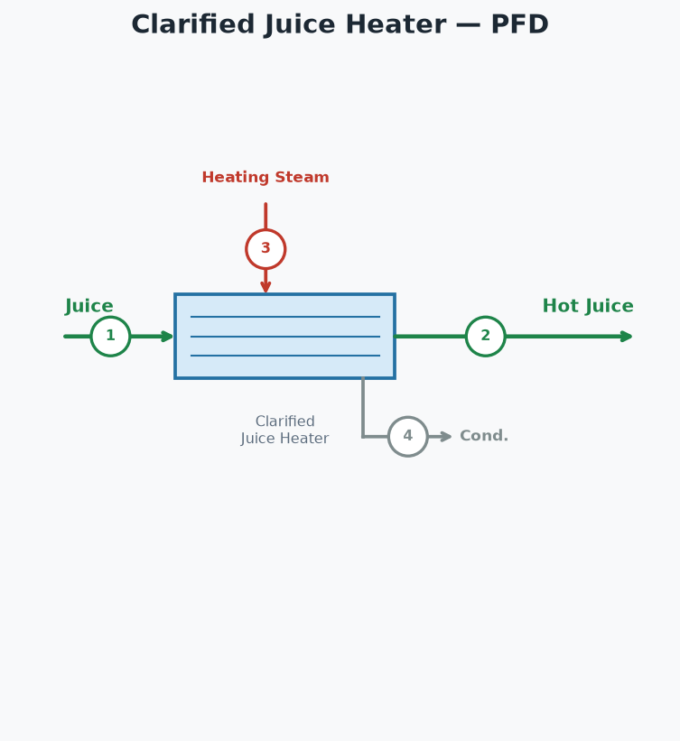

STREAM TABLE (tags match the diagram)
# | Stream | lb/hr | °F | psia
1 | Juice In | 1,595,349 | 205.0
2 | Hot Juice Out | 1,595,349 | 225.0
3 | Steam to Clarified Juice Heater | 30,902 | 250.3 | 30.0
4 | Condensate from Clarified Juice Heater | 30,902 | 250.3 | 30.0

HEATER PERFORMANCE
Heater | Juice (lb/hr) | T in (°F) | T out (°F) | LMTD (°F) | Duty (BTU/hr) | U (BTU/hr·ft²·°F) | Req Area (ft²) | Inst Area (ft²) | Steam (psia) | Steam (lb/hr)
Clarified Juice Heater | 1,595,349 | 205.0 | 225.0 | 34.3 | 29,209,302 | 185.0 | 4,598 | 6,000 | 30.0 | 30,902
TOTAL |  |  |  |  | 29,209,302 |  |  |  |  | 30,902
Hot juice out | 1,595,349 | lb/hr
Hot juice temperature | 225.0 | °F

Pan Floor - Four Boiling
Four Boiling Double Magma — Pan Floor
Syrup 351,268 lb/hr @ 65.0 Bx | Pol recovered in raw sugar = 94.61%

PROCESS FLOW DIAGRAM

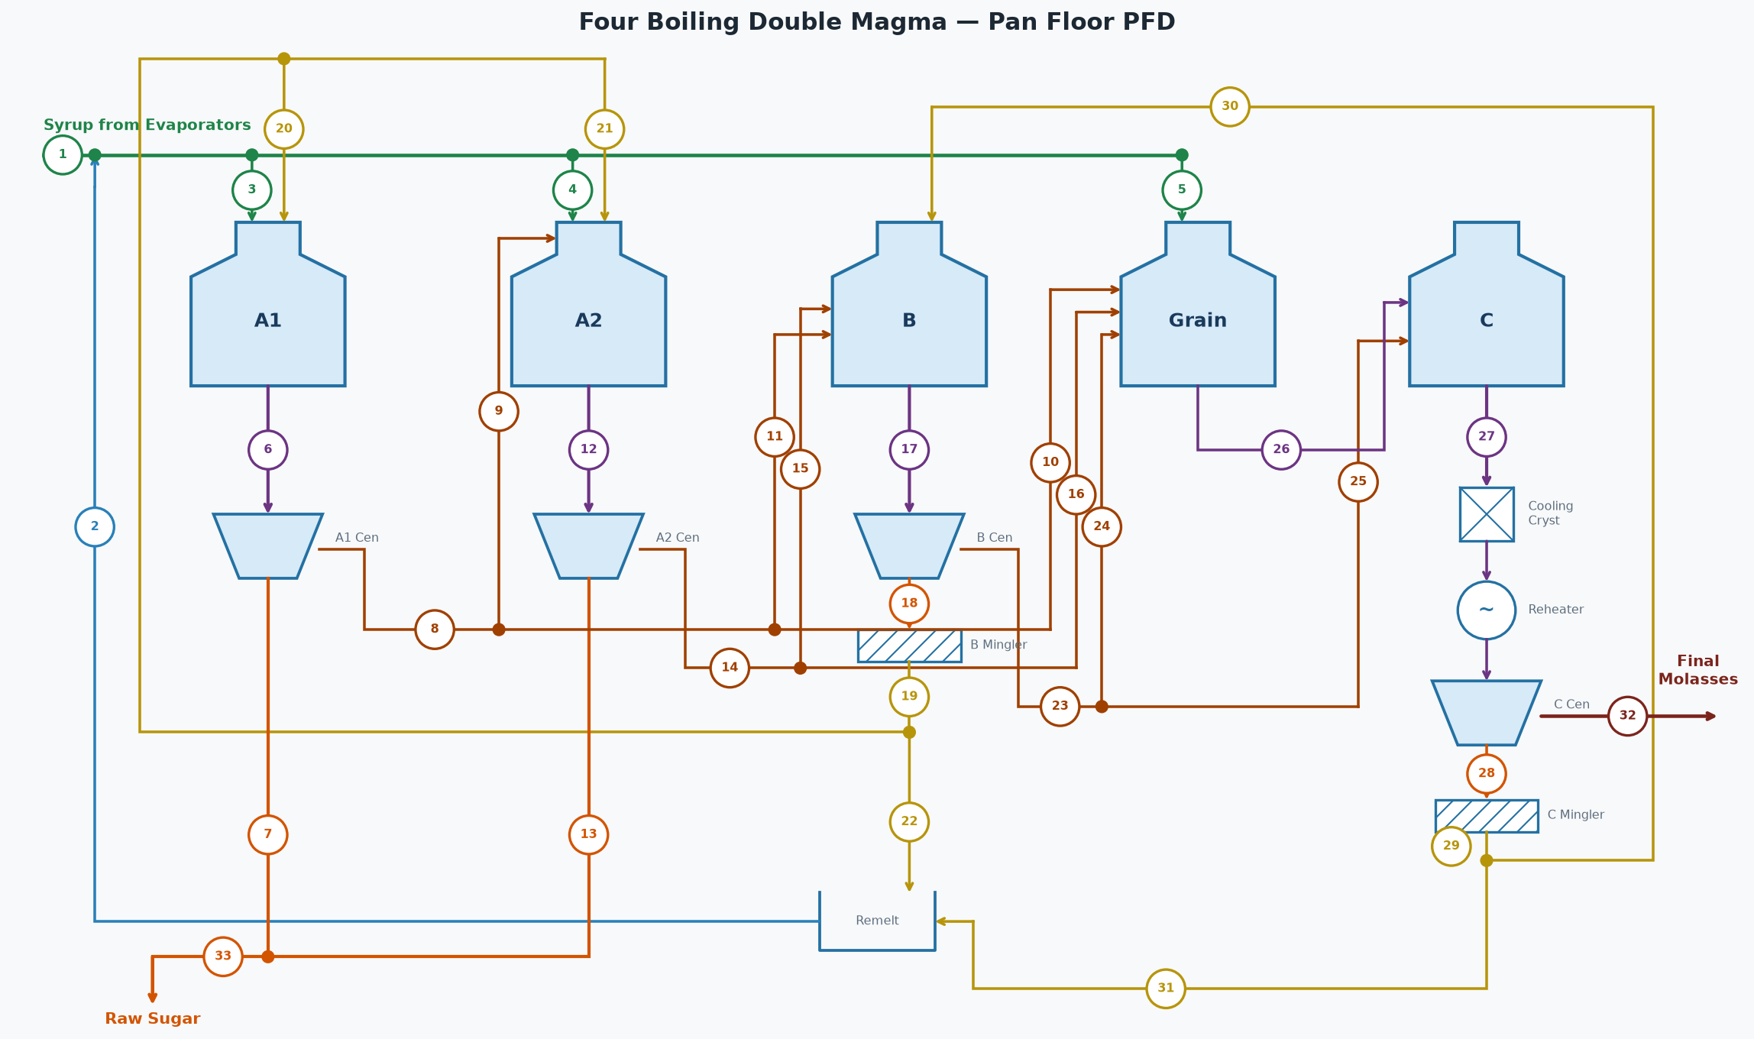

STREAM TABLE (tags match the diagram)
# | Stream | Flow (lb/hr) | Brix % | Purity %
1 | Syrup from Evaporators | 351,268 | 65.0 | 88.5
2 | Remelt Return to Syrup | 37,011 | 65.0 | 88.3
3 | Syrup to A1 Pans | 291,210 | 65.0 | 88.5
4 | Syrup to A2 Pans | 77,656 | 65.0 | 88.5
5 | Syrup to Grain Pans | 19,414 | 65.0 | 88.5
6 | A1 Massecuite | 238,843 | 92.0 | 89.0
7 | A1 Sugar | 124,537 | 99.8 | 99.7
8 | A1 Molasses (diluted) | 136,354 | 70.0 | 75.0
9 | A1 Molasses to A2 Pans | 109,083 | 70.0 | 75.0
10 | A1 Molasses to Grain | 4,091 | 70.0 | 75.0
11 | A1 Molasses to B Pans | 23,180 | 70.0 | 75.0
12 | A2 Massecuite | 170,961 | 92.0 | 82.6
13 | A2 Sugar | 67,872 | 99.8 | 99.3
14 | A2 Molasses (diluted) | 127,926 | 70.0 | 70.0
15 | A2 Molasses to B Pans | 127,926 | 70.0 | 70.0
16 | A2 Molasses to Grain | 0 | 70.0 | 70.0
17 | B Massecuite | 150,110 | 94.0 | 73.6
18 | B Sugar | 80,130 | 95.0 | 92.0
19 | B Magma | 82,743 | 92.0 | 92.0
20 | B Magma to A1 Footing | 33,097 | 92.0 | 92.0
21 | B Magma to A2 Footing | 33,097 | 92.0 | 92.0
22 | B Magma to Remelt | 16,549 | 92.0 | 92.0
23 | B Molasses (diluted) | 92,828 | 70.0 | 52.0
24 | B Molasses to Grain | 9,283 | 70.0 | 52.0
25 | B Molasses to C Pans | 83,546 | 70.0 | 52.0
26 | Grain Massecuite | 24,978 | 88.0 | 75.9
27 | C Massecuite | 84,254 | 95.5 | 58.5
28 | C Sugar | 46,486 | 95.0 | 82.0
29 | C Magma | 48,002 | 92.0 | 82.0
30 | C Magma to B Footing | 38,402 | 92.0 | 82.0
31 | C Magma to Remelt | 9,600 | 92.0 | 82.0
32 | C Final Molasses | 44,269 | 82.0 | 30.0
33 | Total Raw Sugar (A1+A2) | 192,409 | 99.8 | 99.6

STREAMS NOT SHOWN — WATER
Stream | Flow (lb/hr)
A1 Centrifugal Wash Water | 2,094
A2 Centrifugal Wash Water | 6,116
B Centrifugal Wash Water | 9,264
C Centrifugal Wash Water | 6,501
B Magma Mingler Water | 2,613
C Magma Mingler Water | 1,516
B Remelt Water | 6,874
C Remelt Water | 3,988
A1 Molasses Dilution Water | 19,954
A2 Molasses Dilution Water | 18,721
B Molasses Dilution Water | 13,585
A1 Pans Water Evaporated | 85,464
A2 Pans Water Evaporated | 48,875
B Pans Water Evaporated | 39,397
Grain Pans Water Evaporated | 7,810
C Pans Water Evaporated | 24,270
Total Fresh Water In (wash + mingler + remelt + dilution) | 91,225
Total Water Evaporated (all pans) | 205,816

OVERALL FLOOR BALANCE
Stream | Dir | Flow (lb/hr) | Solids (lb/hr) | Pol (lb/hr) | Water (lb/hr) | Brix % | Purity % | ft³/hr
Syrup From Evaporators | In | 351,268 | 228,324 | 202,067 | 122,944 | 65.0 | 88.5 | 4,278
Wash and Dilution Water | In | 91,225 | 0 | 0 | 91,225
A1 Product Sugar | Out | 124,537 | 124,288 | 123,915 | 249 | 99.8 | 99.7 | 1,288
A2 Product Sugar | Out | 67,872 | 67,736 | 67,262 | 136 | 99.8 | 99.3 | 702
C Final Molasses | Out | 44,269 | 36,300 | 10,890 | 7,968 | 82.0 | 30.0 | 498
Evaporated (all pans) | Out | 205,816 | 0 | 0 | 205,816
Total In |  | 442,493 | 228,324 | 202,067 | 214,169
Total Out |  | 442,493 | 228,324 | 202,067 | 214,169
Net (In - Out) |  | 0 | 0 | 0 | 0
Pol % recovered in raw sugar (A1+A2 / feed) | 94.61 | %

A1 PANS [A1 Pans]
Stream | Dir | Flow (lb/hr) | Solids (lb/hr) | Pol (lb/hr) | Water (lb/hr) | Brix % | Purity % | ft³/hr
Syrup | In | 291,210 | 189,286 | 167,487 | 101,923 | 65.0 | 88.5 | 3,547
B Magma | In | 33,097 | 30,449 | 28,014 | 2,648 | 92.0 | 92.0 | 355
Massecuite Out | Out | 238,843 | 219,736 | 195,501 | 19,107 | 92.0 | 89.0 | 2,562
Evaporated Water | Out | 85,464 | 0 | 0 | 85,464
Total In |  | 324,307 | 219,736 | 195,501 | 104,571
Total Out |  | 324,307 | 219,736 | 195,501 | 104,571
Net (In - Out) |  | 0 | 0 | 0 | 0

A1 CENTRIFUGALS [A1 Centrifugals]
Stream | Dir | Flow (lb/hr) | Solids (lb/hr) | Pol (lb/hr) | Water (lb/hr) | Brix % | Purity % | ft³/hr
Massecuite | In | 238,843 | 219,736 | 195,501 | 19,107 | 92.0 | 89.0 | 2,562
Wash Water | In | 2,094 | 0 | 0 | 2,094
Sugar Out | Out | 124,537 | 124,288 | 123,915 | 249 | 99.8 | 99.7 | 1,288
Molasses Out | Out | 116,400 | 95,448 | 71,586 | 20,952 | 82.0 | 75.0 | 1,309
Total In |  | 240,937 | 219,736 | 195,501 | 21,201
Total Out |  | 240,937 | 219,736 | 195,501 | 21,201
Net (In - Out) |  | 0 | 0 | 0 | 0

A1 MOLASSES DILUTION (target 70.0 Bx)
Stream | Dir | Flow (lb/hr) | Solids (lb/hr) | Pol (lb/hr) | Water (lb/hr) | Brix % | Purity % | ft³/hr
A1 Molasses (undiluted) | In | 116,400 | 95,448 | 71,586 | 20,952 | 82.0 | 75.0 | 1,309
Dilution Water | In | 19,954 | 0 | 0 | 19,954
A1 Molasses (diluted) | Out | 136,354 | 95,448 | 71,586 | 40,906 | 70.0 | 75.0 | 1,623
Total In |  | 136,354 | 95,448 | 71,586 | 40,906
Total Out |  | 136,354 | 95,448 | 71,586 | 40,906
Net (In - Out) |  | 0 | 0 | 0 | 0

A2 PANS [A2 Pans]
Stream | Dir | Flow (lb/hr) | Solids (lb/hr) | Pol (lb/hr) | Water (lb/hr) | Brix % | Purity % | ft³/hr
Syrup | In | 77,656 | 50,476 | 44,663 | 27,180 | 65.0 | 88.5 | 946
A1 Molasses | In | 109,083 | 76,358 | 57,269 | 32,725 | 70.0 | 75.0 | 1,298
B Magma | In | 33,097 | 30,449 | 28,014 | 2,648 | 92.0 | 92.0 | 355
Massecuite Out | Out | 170,961 | 157,284 | 129,945 | 13,677 | 92.0 | 82.6 | 1,834
Evaporated Water | Out | 48,875 | 0 | 0 | 48,875
Total In |  | 219,836 | 157,284 | 129,945 | 62,552
Total Out |  | 219,836 | 157,284 | 129,945 | 62,552
Net (In - Out) |  | 0 | 0 | 0 | 0

A2 CENTRIFUGALS [A2 Centrifugals]
Stream | Dir | Flow (lb/hr) | Solids (lb/hr) | Pol (lb/hr) | Water (lb/hr) | Brix % | Purity % | ft³/hr
Massecuite | In | 170,961 | 157,284 | 129,945 | 13,677 | 92.0 | 82.6 | 1,834
Wash Water | In | 6,116 | 0 | 0 | 6,116
Sugar Out | Out | 67,872 | 67,736 | 67,262 | 136 | 99.8 | 99.3 | 702
Molasses Out | Out | 109,205 | 89,548 | 62,684 | 19,657 | 82.0 | 70.0 | 1,228
Total In |  | 177,077 | 157,284 | 129,945 | 19,793
Total Out |  | 177,077 | 157,284 | 129,945 | 19,793
Net (In - Out) |  | 0 | 0 | 0 | 0

A2 MOLASSES DILUTION (target 70.0 Bx)
Stream | Dir | Flow (lb/hr) | Solids (lb/hr) | Pol (lb/hr) | Water (lb/hr) | Brix % | Purity % | ft³/hr
A2 Molasses (undiluted) | In | 109,205 | 89,548 | 62,684 | 19,657 | 82.0 | 70.0 | 1,228
Dilution Water | In | 18,721 | 0 | 0 | 18,721
A2 Molasses (diluted) | Out | 127,926 | 89,548 | 62,684 | 38,378 | 70.0 | 70.0 | 1,522
Total In |  | 127,926 | 89,548 | 62,684 | 38,378
Total Out |  | 127,926 | 89,548 | 62,684 | 38,378
Net (In - Out) |  | 0 | 0 | 0 | 0

B PANS [B Pans]
Stream | Dir | Flow (lb/hr) | Solids (lb/hr) | Pol (lb/hr) | Water (lb/hr) | Brix % | Purity % | ft³/hr
A2 Molasses | In | 127,926 | 89,548 | 62,684 | 38,378 | 70.0 | 70.0 | 1,522
C Magma | In | 38,402 | 35,330 | 28,970 | 3,072 | 92.0 | 82.0 | 412
A1 Molasses | In | 23,180 | 16,226 | 12,170 | 6,954 | 70.0 | 75.0 | 276
Massecuite Out | Out | 150,110 | 141,104 | 103,823 | 9,007 | 94.0 | 73.6 | 1,595
Evaporated Water | Out | 39,397 | 0 | 0 | 39,397
Total In |  | 189,507 | 141,104 | 103,823 | 48,404
Total Out |  | 189,507 | 141,104 | 103,823 | 48,404
Net (In - Out) |  | 0 | 0 | 0 | 0

B CENTRIFUGALS [B Centrifugals]
Stream | Dir | Flow (lb/hr) | Solids (lb/hr) | Pol (lb/hr) | Water (lb/hr) | Brix % | Purity % | ft³/hr
Massecuite | In | 150,110 | 141,104 | 103,823 | 9,007 | 94.0 | 73.6 | 1,595
Wash Water | In | 9,264 | 0 | 0 | 9,264
Sugar Out | Out | 80,130 | 76,124 | 70,034 | 4,007 | 95.0 | 92.0 | 848
Molasses Out | Out | 79,244 | 64,980 | 33,790 | 14,264 | 82.0 | 52.0 | 891
Total In |  | 159,374 | 141,104 | 103,823 | 18,270
Total Out |  | 159,374 | 141,104 | 103,823 | 18,270
Net (In - Out) |  | 0 | 0 | 0 | 0

B MOLASSES DILUTION (target 70.0 Bx)
Stream | Dir | Flow (lb/hr) | Solids (lb/hr) | Pol (lb/hr) | Water (lb/hr) | Brix % | Purity % | ft³/hr
B Molasses (undiluted) | In | 79,244 | 64,980 | 33,790 | 14,264 | 82.0 | 52.0 | 891
Dilution Water | In | 13,585 | 0 | 0 | 13,585
B Molasses (diluted) | Out | 92,828 | 64,980 | 33,790 | 27,849 | 70.0 | 52.0 | 1,105
Total In |  | 92,828 | 64,980 | 33,790 | 27,849
Total Out |  | 92,828 | 64,980 | 33,790 | 27,849
Net (In - Out) |  | 0 | 0 | 0 | 0

GRAIN PANS [Grain Pans]
Stream | Dir | Flow (lb/hr) | Solids (lb/hr) | Pol (lb/hr) | Water (lb/hr) | Brix % | Purity % | ft³/hr
Syrup | In | 19,414 | 12,619 | 11,166 | 6,795 | 65.0 | 88.5 | 236
A1 Molasses | In | 4,091 | 2,863 | 2,148 | 1,227 | 70.0 | 75.0 | 49
A2 Molasses | In | 0 | 0 | 0 | 0 | 70.0 | 70.0 | 0
B Molasses | In | 9,283 | 6,498 | 3,379 | 2,785 | 70.0 | 52.0 | 110
Massecuite Out | Out | 24,978 | 21,980 | 16,692 | 2,997 | 88.0 | 75.9 | 273
Evaporated Water | Out | 7,810 | 0 | 0 | 7,810
Total In |  | 32,787 | 21,980 | 16,692 | 10,807
Total Out |  | 32,787 | 21,980 | 16,692 | 10,807
Net (In - Out) |  | 0 | 0 | 0 | 0

C PANS [C Pans]
Stream | Dir | Flow (lb/hr) | Solids (lb/hr) | Pol (lb/hr) | Water (lb/hr) | Brix % | Purity % | ft³/hr
Grain Massecuite | In | 24,978 | 21,980 | 16,692 | 2,997 | 88.0 | 75.9 | 273
B Molasses | In | 83,546 | 58,482 | 30,411 | 25,064 | 70.0 | 52.0 | 994
Massecuite Out | Out | 84,254 | 80,462 | 47,103 | 3,791 | 95.5 | 58.5 | 889
Evaporated Water | Out | 24,270 | 0 | 0 | 24,270
Total In |  | 108,523 | 80,462 | 47,103 | 28,061
Total Out |  | 108,523 | 80,462 | 47,103 | 28,061
Net (In - Out) |  | 0 | 0 | 0 | 0

C CRYSTALLIZERS [C Crystallizers]
Stream | Dir | Flow (lb/hr) | Solids (lb/hr) | Pol (lb/hr) | Water (lb/hr) | Brix % | Purity % | ft³/hr
Massecuite In (T=173.0 °F) | In | 84,254 | 80,462 | 47,103 | 3,791 | 95.5 | 58.5 | 889
Massecuite Out (T=120.0 °F) | Out | 84,254 | 80,462 | 47,103 | 3,791 | 95.5 | 58.5 | 889
ML purity in -> out | 33.0 -> 30.0 | %
Crystal content in -> out | 36.4 -> 38.9 | %
Duty | 2,036,473 | BTU/hr
Cooling Water | 101,824 | lb/hr (203 gpm, 85 -> 105 °F)

C REHEATERS [C Reheaters]
Stream | Dir | Flow (lb/hr) | Solids (lb/hr) | Pol (lb/hr) | Water (lb/hr) | Brix % | Purity % | ft³/hr
Massecuite In (T=120.0 °F) | In | 84,254 | 80,462 | 47,103 | 3,791 | 95.5 | 58.5 | 889
Massecuite Out (T=140.0 °F) | Out | 84,254 | 80,462 | 47,103 | 3,791 | 95.5 | 58.5 | 889
ML purity in -> out | 30.0 -> 30.0 | %
Crystal content in -> out | 38.9 -> 38.9 | %
Duty | 768,819 | BTU/hr
Hot Water | 51,255 | lb/hr (102 gpm, 150 -> 135 °F)

C CENTRIFUGALS [C Centrifugals]
Stream | Dir | Flow (lb/hr) | Solids (lb/hr) | Pol (lb/hr) | Water (lb/hr) | Brix % | Purity % | ft³/hr
Massecuite | In | 84,254 | 80,462 | 47,103 | 3,791 | 95.5 | 58.5 | 889
Wash Water | In | 6,501 | 0 | 0 | 6,501
Sugar Out | Out | 46,486 | 44,162 | 36,213 | 2,324 | 95.0 | 82.0 | 492
Molasses Out | Out | 44,269 | 36,300 | 10,890 | 7,968 | 82.0 | 30.0 | 498
Total In |  | 90,755 | 80,462 | 47,103 | 10,293
Total Out |  | 90,755 | 80,462 | 47,103 | 10,293
Net (In - Out) |  | 0 | 0 | 0 | 0

PAN VAPOR CONDENSERS (one per pan)
Condenser | Vapor (lb/hr) | Sat T (°F) | h_fg (BTU/lb) | Heat (MM BTU/hr) | Inj Water (lb/hr) | Inj Water (GPM) | Water Out (°F) | Total Out (lb/hr)
A1 Pans | 85,464 | 143.4 | 1011.2 | 86.425 | 1,619,785 | 3,237 | 143.4 | 1,705,249
A2 Pans | 48,875 | 143.4 | 1011.2 | 49.425 | 926,331 | 1,851 | 143.4 | 975,207
B Pans | 39,397 | 133.1 | 1017.2 | 40.076 | 930,208 | 1,859 | 133.1 | 969,605
Grain Pans | 7,810 | 129.1 | 1019.6 | 7.962 | 203,852 | 407 | 129.1 | 211,662
C Pans | 24,270 | 119.7 | 1025.0 | 24.876 | 838,058 | 1,675 | 119.7 | 862,327
Total | 205,816 |  |  | 208.765 | 4,518,234 | 9,029 |  | 4,724,050
Injection water supply temp | 90.0 | °F
Note: if using CoolingTowerSystem, ignore these injection water demands - they are re-solved there at the delivered water temp.

