Deaerator
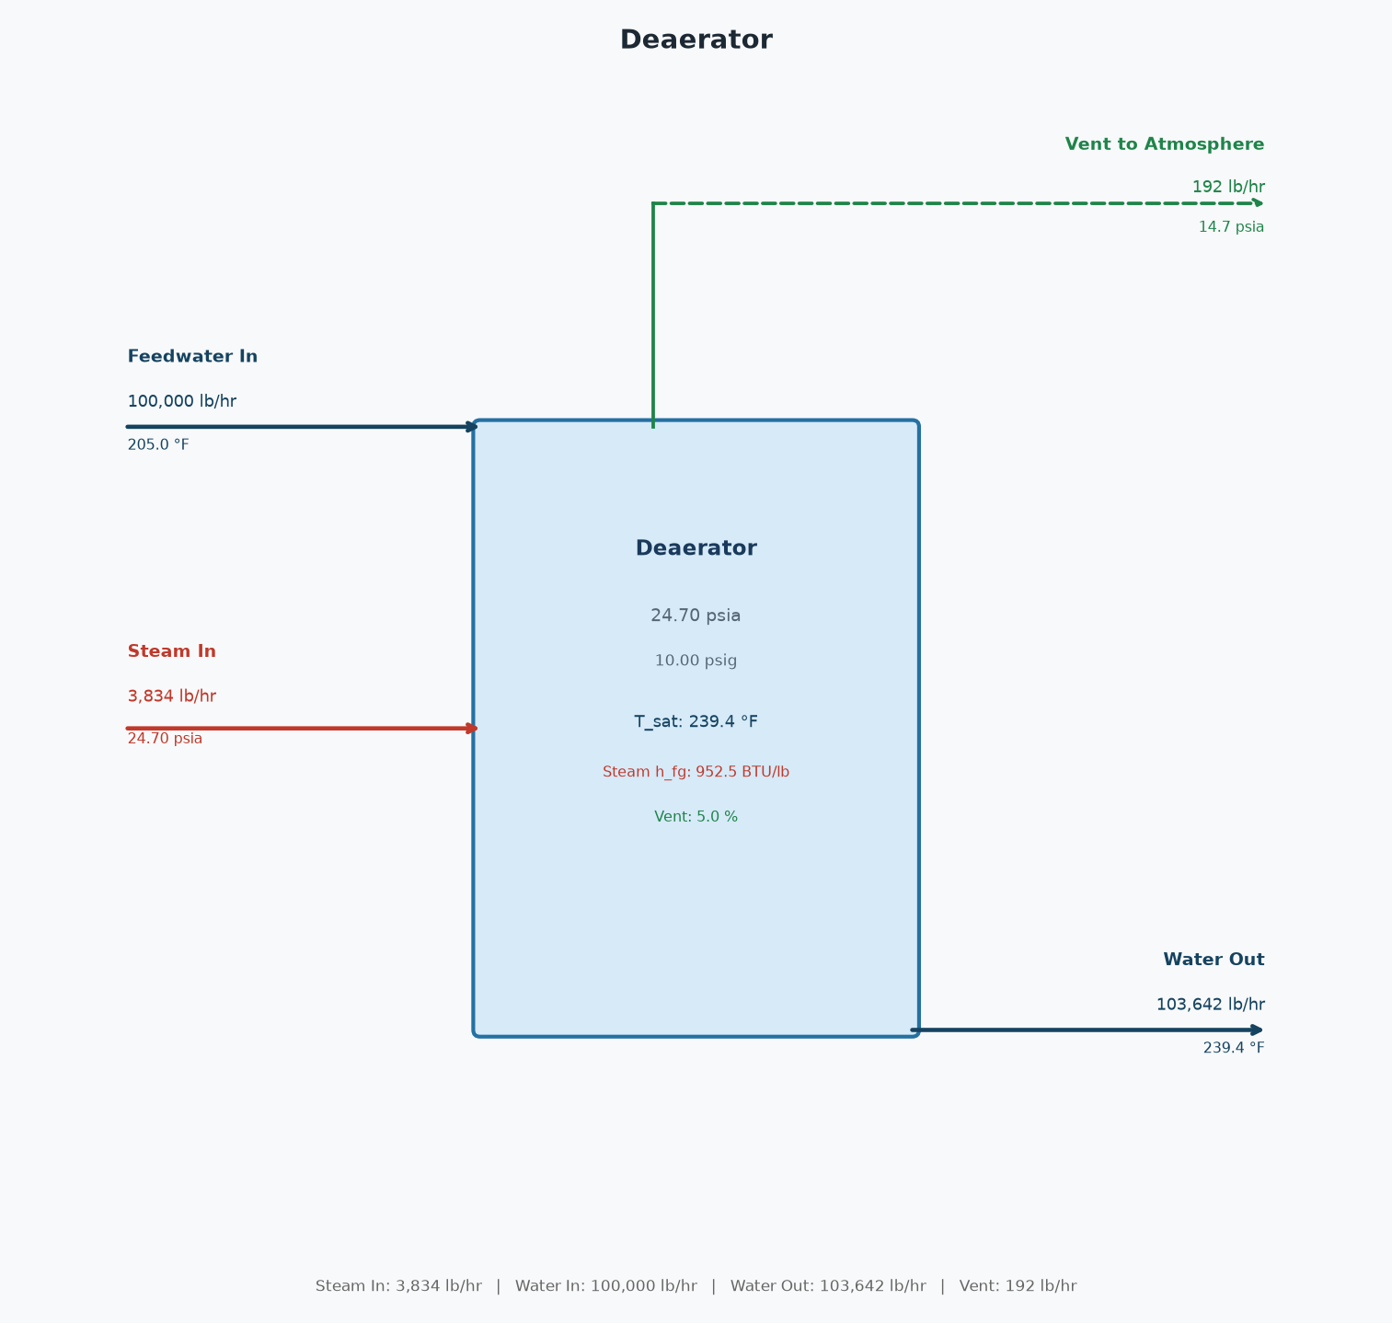
Deaerator
10.0 psig | water in = 100,000 lb/hr | steam = 3,834 lb/hr

Deaerator — STREAMS
Stream | Flow (lb/hr) | P (psia) | Temp (°F)
Steam In | 3,834 | 24.70 | 239.4
Feedwater In | 100,000 | 14.70 | 205.0
Water Out | 103,642 | 24.70 | 239.4
Vent | 192 | 14.70 | 239.4

Deaerator — ENERGY / MASS BALANCE
Operating pressure | 24.70 | psia
Operating pressure | 10.00 | psig
Saturation temp | 239.4 | °F
Feedwater enthalpy | 173.13 | BTU/lb
Water out enthalpy | 207.82 | BTU/lb
Steam h_fg | 952.49 | BTU/lb
Vent pct | 5.00 | %
Net (In - Out) | 0.0000 | lb/hr

Deaerator — PROCESS FLOW DIAGRAM

