Metadata
<- Metadata ->

 | Columns Metadata | PivotTables and Other Relevant Metadata

brand
Description: The brand or manufacturer of the vehicle.
Data Type:
object
Unit:
N/A
Most Frequent:
Ford
Unique Values:
28
Notes:
The brand Land Rover was originally abbreviated as 'rover', so I changed it to 'land rover'.
title_status
Description: The legal status or title of the vehicle (e.g., clean, salvage).
Data Type:
object
Unit:
N/A
Unique Values:
2
Notes:
The title status is either clean or salvage.
country
Description: The country where the vehicle is located.
Data Type:
object
Unit:
N/A
Unique Values:
2
Notes:
This dataset has vehicles from the U.S. and Canada.
Price
Description: The price of the vehicle.
Data Type:
int64
Unit:
USD
Unique Values:
789
Notes:
We're assuming that Canadian dollars were converted to USD for this analysis
color
Description: The color of the vehicle. The color of the vehicle.
Data Type:
object
Unit:
N/A
Unique Values:
47
Notes:
None.
Mileage Per Year
Description:
This is a measure of how many miles a car drives in a year on average.
(value in 'mileage' column / value in 'Car Age' column) when Car Age > 0.
When Car Age = 0, the value in the 'Mileage Per Year' column is the value in the 'mileage' column.
Data Type:
Number
Unit:
N/A
Notes:
I made this column to get a better predictor of price from the information. that I have available.
 |  | Brand & Model | Count of Brand & Model | Countries | Vehicles count | Title status | Count of title_status | Vehicle Count Top 10's |  |  |  |  |  | Vehicle Price Top 10's |  |  |  |  |  | Vehicle Mileage Top 10's |  |  |  |  |  | Distributions of Price and mileage |  |  |  | Interesting, but Less Important Metadata
 |  | acura | 3 | canada | 7 | clean vehicle | 2334
 |  | audi | 3 | usa | 2449 | salvage insurance | 122
 |  | bmw | 16 | Grand Total | 2456 | Grand Total | 2456
 |  | buick | 12 |  |  |  |  | Top 10 Brands | Count | Top 10 Models | Count | Top 10 States | Count | Brand | Average Price | Year | Average Price | State | Average Price | Brand | Average Mileage | Model | Average Mileage | State | Average Mileage | Metric | Value | Metric | Value |  | Top 10 oldest models | Average vehicle age | Top 10 oldest brands | Average vehicle age
 |  | cadillac | 9 |  |  |  |  | ford | 1217 | door | 620 | pennsylvania | 298 | harley-davidson | 54680 | 1973 | 29800 | kentucky | 44969.444444 | peterbilt | 639992.33333 | truck | 639992.33333 | montana | 363810 | Shapiro-Wilk (Price) | 0.94797122478 | Skewness (Price) | 0.96082013795 |  | convertible | 17 | acura | 9.6666666667
 |  | chevrolet | 286 |  |  |  |  | dodge | 430 | f-150 | 219 | florida | 245 | lincoln | 36300 | 2020 | 25083.854167 | ontario | 30357.142857 | toyota | 274117 | cruiser | 274117 | maryland | 123319.33333 | Shapiro-Wilk p-value (Price) | 1.194932521E-28 | Skewness (Mileage) | 7.2256234617 |  | pickup | 15.333333333 | audi | 6.6666666667
 |  | chrysler | 18 |  |  |  |  | nissan | 312 | doors | 148 | texas | 209 | lexus | 33220 | 2019 | 24025.404709 | illinois | 27696.100917 | acura | 120379.66667 | pickup | 212579.75 | arkansas | 115227.81818 | Shapiro-Wilk (Mileage) | 0.59095168114 | Kurtosis (Price) | 1.3968473793 |  | pk | 14.8 | bmw | 4.625
 |  | dodge | 430 |  |  |  |  | chevrolet | 286 | caravan | 102 | california | 185 | maserati | 30300 | 2018 | 19058.339241 | new mexico | 27375 | audi | 96822.666667 | se | 190552 | utah | 111888.42857 | Shapiro-Wilk p-value (Mileage) | 0 |  |  |  | chassis | 13 | buick | 3.1666666667
 |  | ford | 1217 |  |  |  |  | gmc | 40 | mpv | 86 | michigan | 169 | land rover | 28900 | 2017 | 18645.898936 | washington | 26771.428571 | honda | 86052.727273 | f-750 | 188394 | idaho | 110318 |  |  |  |  |  | cruiser | 12 | cadillac | 3.4444444444
The small p-values indicate that 'mileage' and 'Price' are not normally distributed.
Price:
This value .96082 indicates a right-skewed (or positively skewed) distribution for the "Price" column. This means that there are a few cars with very high prices, whereas the majority are priced lower. A right-skewed distribution has a long right tail.
Mileage:
The value 7.235623 indicates that "Mileage" is highly right-skewed. This indicates that while most cars have lower mileage, there are some cars with exceptionally high mileage. The long right tail is indicative of these outliers.
 |  | gmc | 40 |  |  |  |  | jeep | 30 | fusion | 65 | north carolina | 146 | mercedes-benz | 28704 | 2016 | 18280.91133 | indiana | 24956.666667 | chrysler | 73004 | pk | 179241 | oregon | 94675.518519 |  |  |  |  |  | coupe | 11.25 | chevrolet | 3.979020979
 |  | harley-davidson | 1 |  |  |  |  | chrysler | 18 | durango | 64 | minnesota | 116 | bmw | 28046.875 | 2015 | 15563.168367 | michigan | 23899.822485 | chevrolet | 60603.066434 | chassis | 150437.66667 | louisiana | 81517.909091 |  |  |  |  |  | country | 9.5 | chrysler | 5.2222222222
 |  | heartland rover | 4 |  |  |  |  | bmw | 16 | journey | 61 | illinois | 109 | cadillac | 27712.222222 | 2014 | 11932.087379 | alabama | 23872.058824 | hyundai | 56683.866667 | cab | 133269.875 | georgia | 78592.882353 |  |  |  |  |  | camaro | 9.5 | dodge | 2.6790697674
 |  | honda | 11 |  |  |  |  | hyundai | 15 | rogue | 54 | wisconsin | 93 | ford | 21987.351684 | 2013 | 8867.3529412 | nevada | 23653.529412 | gmc | 55592.475 | connect | 118483 | kansas | 77347.666667 |  |  |  |  |  | utility | 9 | ford | 3.0361544782
 |  | hyundai | 15 |  |  |  |  | infiniti | 12 | van | 44 | virginia | 88 | buick | 21358.75 | 2011 | 8737.5652174 | pennsylvania | 22886.755034 | mercedes-benz | 54597 | cutaway | 115296.25 | south carolina | 74665.354839 |  |  |  |  |  | se | 9 | gmc | 4.275
 |  | infiniti | 12
 |  | jaguar | 1 |  |  |  |  | Top 10 Vehicle Years | Count | Top 10 Colors | Count |  |  | Model | Average Price | Color | Average Price |  |  | Year | Average Mileage | Color | Average Mileage
 |  | jeep | 30 |  |  |  |  | 2019 | 892 | white | 702 |  |  | sl-class | 84900 | kona blue metallic | 35999 |  |  | 1998 | 300021 | not specified | 279822.8
model
Description: The specific model of the vehicle.
Data Type:
object
Unit:
N/A
Unique Values:
126
Notes:
None.
state
Description: The state or province where the vehicle is located.
Data Type:
object
Unit:
N/A
Unique Values:
43
Notes:
This column also includes the Canadian province 'Ontario'.
 |  | kia | 12 |  |  |  |  | 2018 | 395 | black | 510 |  |  | gx | 55600 | ruby red | 34995 |  |  | 2004 | 239584 | dark blue | 160528
mileage
Description: The number of miles the vehicle has been driven.
Data Type:
object
Unit:
N/A
Range:
0 - 1,017,936
Unique Values:
26
Notes:
None.
 |  | land rover | 4 |  |  |  |  | 2017 | 376 | gray | 389 |  |  | road/street | 54680 | royal crimson metallic tinted clearcoat | 32999 |  |  | 2000 | 231240 | burgundy | 159990
Car Age
Description: (2020 - value in the 'year' column). This is a measure of how old a car is.
Data Type:
int64
Unit:
YYYY
Range:
47
Notes:
I made this column to get a better predictor of price from the information that I have available. The formula was made considering that the dataset is from 2020.
 |  | lexus | 2 |  |  |  |  | 2016 | 203 | silver | 296 |  |  | m | 53500 | competition orange | 30977 |  |  | 1999 | 226972 | phantom black | 122975
 |  | lincoln | 1 |  |  |  |  | 2015 | 196 | red | 187 |  |  | corvette | 52025 | off-white | 30747.5 |  |  | 2010 | 218849 | gold | 113620.70588
year
Description: The specific model of the vehicle.
Data Type:
int64
Unit:
YYYY
Range:
1973-2020
Unique Values:
26
Notes:
None.
 |  | maserati | 1 |  |  |  |  | 2014 | 103 | blue | 147 |  |  | discovery | 46900 | ruby red metallic tinted clearcoat | 29750 |  |  | 1994 | 206162 | off-white | 106946.5
 |  | mazda | 1 |  |  |  |  | 2013 | 85 | no_color | 61 |  |  | srw | 45331.578947 | ingot silver | 28999 |  |  | 2003 | 204767.4 | beige | 90178
 |  | mercedes-benz | 10 |  |  |  |  | 2012 | 71 | orange | 18 |  |  | max | 44658.536585 | shadow black | 26260.8 |  |  | 2002 | 185460 | brown | 82505.066667
 |  | nissan | 312 |  |  |  |  | 2020 | 48 | charcoal | 18 |  |  | expedition | 42667.857143 | triple yellow tri-coat | 25594.666667 |  |  | 2005 | 183137.25 | tan | 73382
 |  | peterbilt | 3 |  |  |  |  | 2011 | 23 | green | 18 |  |  | drw | 41980 | toreador red | 25000 |  |  | 2001 | 182193.8 | orange | 72285.277778
 |  | ram | 1
 |  | toyota | 1
 |  | Grand total | 2456

Metadata Plots
Metadata Plots

Count of Vehicles by Brand
 | Total
acura | 3
audi | 3
bmw | 16
buick | 12
cadillac | 9
chevrolet | 286
chrysler | 18
dodge | 430
ford | 1217
gmc | 40
harley-davidson | 1
heartland rover | 4
honda | 11
hyundai | 15
infiniti | 12
jaguar | 1
jeep | 30
kia | 12
land rover | 4
lexus | 2
lincoln | 1
maserati | 1
mazda | 1
mercedes-benz | 10
nissan | 312
peterbilt | 3
ram | 1
toyota | 1

Count of Vehicles by U.S. State
 | Total
alabama | 17
arizona | 32
arkansas | 11
california | 185
colorado | 18
connecticut | 25
florida | 245
georgia | 51
idaho | 2
illinois | 109
indiana | 12
kansas | 3
kentucky | 9
louisiana | 11
maryland | 3
massachusetts | 27
michigan | 169
minnesota | 116
mississippi | 24
missouri | 46
montana | 1
nebraska | 4
nevada | 85
new hampshire | 4
new jersey | 87
new mexico | 4
new york | 58
north carolina | 146
ohio | 31
oklahoma | 66
ontario | 7
oregon | 27
pennsylvania | 298
rhode island | 2
south carolina | 62
tennessee | 25
texas | 209
utah | 7
vermont | 2
virginia | 88
washington | 14
west virginia | 21
wisconsin | 93

Count of Vehicles By Color
 | Total
beige | 5
billet silver metallic clearcoat | 3
black | 510
black clearcoat | 2
blue | 147
bright white clearcoat | 2
brown | 15
burgundy | 1
cayenne red | 2
charcoal | 18
not specified | 5
competition orange | 1
dark blue | 1
glacier white | 1
gold | 17
gray | 389
green | 18
guard | 1
ingot silver | 1
ingot silver metallic | 4
jazz blue pearlcoat | 1
kona blue metallic | 1
lightning blue | 1
magnetic metallic | 6
morningsky blue | 1
no_color | 61
off-white | 2
orange | 18
oxford white | 4
pearl white | 1
phantom black | 1
purple | 1
red | 187
royal crimson metallic tinted clearcoat | 1
ruby red | 1
ruby red metallic tinted clearcoat | 2
shadow black | 5
silver | 296
super black | 3
tan | 1
toreador red | 1
triple yellow tri-coat | 3
turquoise | 1
tuxedo black metallic | 2
white | 702
white platinum tri-coat metallic | 2
yellow | 8

Count of Vehicles: U.S. vs. Canada
 | Total
canada | 7
usa | 2449

Count of Vehicles: Clean Vehicle vs. Salvage Insurace
 | Total
clean vehicle | 2334
salvage insurance | 122

 | Metric | Value
 | Shapiro-Wilk (Price) | 0.94797122478
 | Shapiro-Wilk p-value (Price) | 1.194932521E-28
 | Shapiro-Wilk (Mileage) | 0.59095168114
 | Shapiro-Wilk p-value (Mileage) | 0

The small p-values indicate that neither 'mileage' or 'Price' are normally distributed.

 | Metric | Value
 | Skewness (Price) | 0.96082013795
 | Skewness (Mileage) | 7.2256234617
 | Kurtosis (Price) | 1.3968473793

Price:
This value .96082 indicates a right-skewed (or positively skewed) distribution for the "Price" column. This means that there are a few cars with very high prices, whereas the majority are priced lower. A right-skewed distribution has a long right tail.
Mileage:
The value 7.235623 indicates that "Mileage" is highly right-skewed. This indicates that while most cars have lower mileage, there are some cars with exceptionally high mileage. The long right tail is indicative of these outliers.

Price by Year
 | Total
1973 | 29800
1984 | 25
1994 | 25
1998 | 25
1999 | 25
2000 | 175
2001 | 1485
2002 | 1400
2003 | 4585
2004 | 2725
2005 | 3581.25
2006 | 4809
2007 | 648.33333333
2008 | 5192.6923077
2009 | 4491
2010 | 2561.3636364
2011 | 8737.5652174
2012 | 7765.1830986
2013 | 8867.3529412
2014 | 11932.087379
2015 | 15563.168367
2016 | 18280.91133
2017 | 18645.898936
2018 | 19058.339241
2019 | 24025.404709
2020 | 25083.854167

Mileage by Year
 | Total
1973 | 46226
1984 | 41577
1994 | 206162
1998 | 300021
1999 | 226972
2000 | 231240
2001 | 182193.8
2002 | 185460
2003 | 204767.4
2004 | 239584
2005 | 183137.25
2006 | 132554.4
2007 | 165806.83333
2008 | 155682
2009 | 161195
2010 | 218849
2011 | 119025.13043
2012 | 134914.11268
2013 | 118901.16471
2014 | 96406.757282
2015 | 70572.994898
2016 | 57542.541872
2017 | 48357.449468
2018 | 34278.21519
2019 | 24053.810538
2020 | 10633.104167

Average Price by Car Age
 | Total
0 | 25083.854167
1 | 24025.404709
2 | 19058.339241
3 | 18645.898936
4 | 18280.91133
5 | 15563.168367
6 | 11932.087379
7 | 8867.3529412
8 | 7765.1830986
9 | 8737.5652174
10 | 2561.3636364
11 | 4491
12 | 5192.6923077
13 | 648.33333333
14 | 4809
15 | 3581.25
16 | 2725
17 | 4585
18 | 1400
19 | 1485
20 | 175
21 | 25
22 | 25
26 | 25
36 | 25
47 | 29800

Heatmaps
 |  | Heatmaps

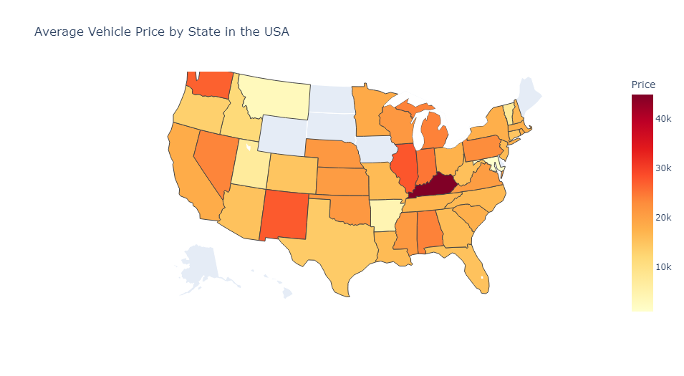

 |  |  |  |  |  |  |  |  |  | Location | Price
 |  |  |  |  |  |  |  |  |  | alabama | 23872.058824
 |  |  |  |  |  |  |  |  |  | arizona | 15168.75
 |  |  |  |  |  |  |  |  |  | arkansas | 4114.5454545
 |  |  |  |  |  |  |  |  |  | california | 18318.783784
 |  |  |  |  |  |  |  |  |  | colorado | 14788.888889
 |  |  |  |  |  |  |  |  |  | connecticut | 14713.6
 |  |  |  |  |  |  |  |  |  | florida | 15137.163265
 |  |  |  |  |  |  |  |  |  | georgia | 16050.313725
 |  |  |  |  |  |  |  |  |  | idaho | 11500
 |  |  |  |  |  |  |  |  |  | illinois | 27696.100917
 |  |  |  |  |  |  |  |  |  | indiana | 24956.666667
 |  |  |  |  |  |  |  |  |  | kansas | 20666.666667
 |  |  |  |  |  |  |  |  |  | kentucky | 44969.444444
 |  |  |  |  |  |  |  |  |  | louisiana | 16181.181818
 |  |  |  |  |  |  |  |  |  | maryland | 883.33333333
 |  |  |  |  |  |  |  |  |  | massachusetts | 17650.555556
 |  |  |  |  |  |  |  |  |  | michigan | 23899.822485
 |  |  |  |  |  |  |  |  |  | minnesota | 18678.232759
 |  |  |  |  |  |  |  |  |  | mississippi | 21148.333333
 |  |  |  |  |  |  |  |  |  | missouri | 16192.391304
 |  |  |  |  |  |  |  |  |  | montana | 2825
 |  |  |  |  |  |  |  |  |  | nebraska | 21350
 |  |  |  |  |  |  |  |  |  | nevada | 23653.529412
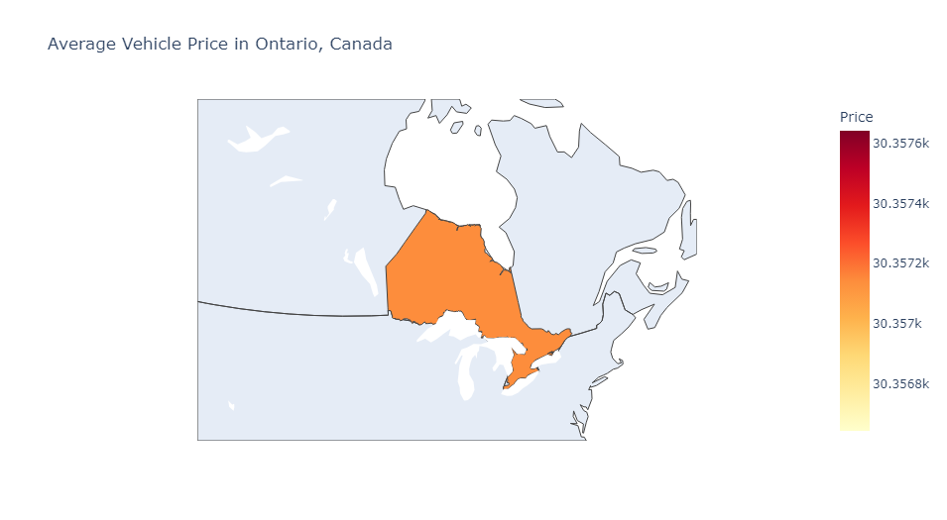
 |  |  |  |  |  |  |  |  |  | new hampshire | 16757.5
 |  |  |  |  |  |  |  |  |  | new jersey | 16209.712644
 |  |  |  |  |  |  |  |  |  | new mexico | 27375
 |  |  |  |  |  |  |  |  |  | new york | 17850.706897
 |  |  |  |  |  |  |  |  |  | north carolina | 16485.273973
 |  |  |  |  |  |  |  |  |  | ohio | 17460.967742
 |  |  |  |  |  |  |  |  |  | oklahoma | 21342.045455
 |  |  |  |  |  |  |  |  |  | ontario | 30357.142857
 |  |  |  |  |  |  |  |  |  | oregon | 13109.259259
 |  |  |  |  |  |  |  |  |  | pennsylvania | 22886.755034
 |  |  |  |  |  |  |  |  |  | rhode island | 17808
 |  |  |  |  |  |  |  |  |  | south carolina | 17827.822581
 |  |  |  |  |  |  |  |  |  | tennessee | 16909.96
 |  |  |  |  |  |  |  |  |  | texas | 13932.832536
 |  |  |  |  |  |  |  |  |  | utah | 6964.2857143
 |  |  |  |  |  |  |  |  |  | vermont | 7498
 |  |  |  |  |  |  |  |  |  | virginia | 20496.477273
 |  |  |  |  |  |  |  |  |  | washington | 26771.428571
 |  |  |  |  |  |  |  |  |  | west virginia | 15447.619048
 |  |  |  |  |  |  |  |  |  | wisconsin | 21330.107527

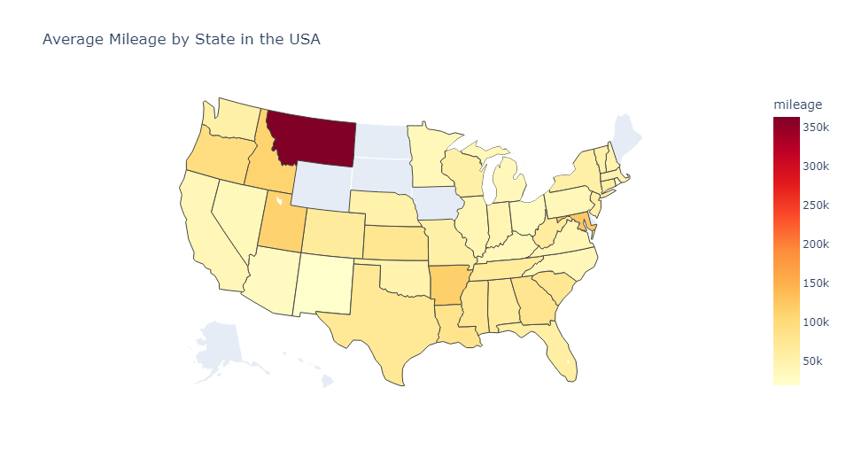

 |  |  |  |  |  |  |  |  |  | location | mileage
 |  |  |  |  |  |  |  |  |  | alabama | 64916.176471
 |  |  |  |  |  |  |  |  |  | arizona | 29817.34375
 |  |  |  |  |  |  |  |  |  | arkansas | 115227.81818
 |  |  |  |  |  |  |  |  |  | california | 39861.372973
 |  |  |  |  |  |  |  |  |  | colorado | 66366.611111
 |  |  |  |  |  |  |  |  |  | connecticut | 59195.12
 |  |  |  |  |  |  |  |  |  | florida | 56618.261224
 |  |  |  |  |  |  |  |  |  | georgia | 78592.882353
 |  |  |  |  |  |  |  |  |  | idaho | 110318
 |  |  |  |  |  |  |  |  |  | illinois | 39983.091743
 |  |  |  |  |  |  |  |  |  | indiana | 45022.083333
 |  |  |  |  |  |  |  |  |  | kansas | 77347.666667
 |  |  |  |  |  |  |  |  |  | kentucky | 36672.111111
 |  |  |  |  |  |  |  |  |  | louisiana | 81517.909091
 |  |  |  |  |  |  |  |  |  | maryland | 123319.33333
 |  |  |  |  |  |  |  |  |  | massachusetts | 47495.407407
 |  |  |  |  |  |  |  |  |  | michigan | 36366.87574
 |  |  |  |  |  |  |  |  |  | minnesota | 36492.12931
 |  |  |  |  |  |  |  |  |  | mississippi | 73161.916667
 |  |  |  |  |  |  |  |  |  | missouri | 55114.391304
 |  |  |  |  |  |  |  |  |  | montana | 363810
 |  |  |  |  |  |  |  |  |  | nebraska | 51117
 |  |  |  |  |  |  |  |  |  | nevada | 35855.776471
 |  |  |  |  |  |  |  |  |  | new hampshire | 47319.5
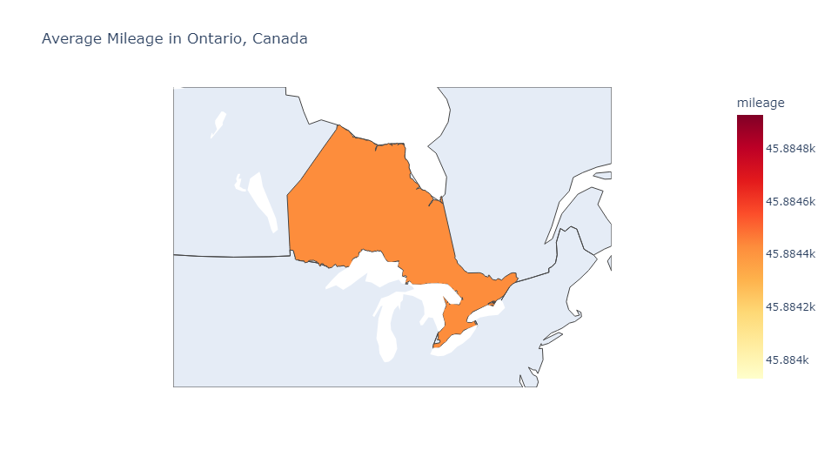
 |  |  |  |  |  |  |  |  |  | new jersey | 55759.586207
 |  |  |  |  |  |  |  |  |  | new mexico | 19833.5
 |  |  |  |  |  |  |  |  |  | new york | 55144.568966
 |  |  |  |  |  |  |  |  |  | north carolina | 37331.554795
 |  |  |  |  |  |  |  |  |  | ohio | 31403.064516
 |  |  |  |  |  |  |  |  |  | oklahoma | 48240.848485
 |  |  |  |  |  |  |  |  |  | ontario | 45884.428571
 |  |  |  |  |  |  |  |  |  | oregon | 94675.518519
 |  |  |  |  |  |  |  |  |  | pennsylvania | 38777.365772
 |  |  |  |  |  |  |  |  |  | rhode island | 18887
 |  |  |  |  |  |  |  |  |  | south carolina | 74665.354839
 |  |  |  |  |  |  |  |  |  | tennessee | 65131.68
 |  |  |  |  |  |  |  |  |  | texas | 71533.880383
 |  |  |  |  |  |  |  |  |  | utah | 111888.42857
 |  |  |  |  |  |  |  |  |  | vermont | 53286
 |  |  |  |  |  |  |  |  |  | virginia | 40244.329545
 |  |  |  |  |  |  |  |  |  | washington | 54973.642857
 |  |  |  |  |  |  |  |  |  | west virginia | 63339.52381
 |  |  |  |  |  |  |  |  |  | wisconsin | 55564.827957

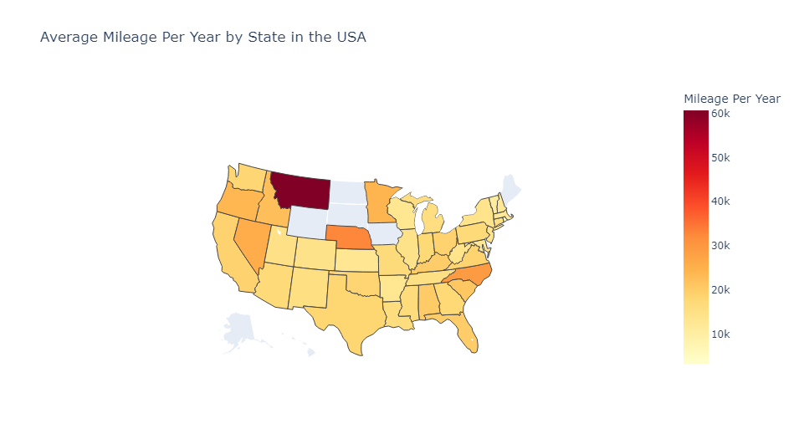

 |  |  |  |  |  |  |  |  |  | location | Mileage Per Year
 |  |  |  |  |  |  |  |  |  | alabama | 17374.491766
 |  |  |  |  |  |  |  |  |  | arizona | 14054.683958
 |  |  |  |  |  |  |  |  |  | arkansas | 12465.365941
 |  |  |  |  |  |  |  |  |  | california | 15989.122554
 |  |  |  |  |  |  |  |  |  | colorado | 13793.692434
 |  |  |  |  |  |  |  |  |  | connecticut | 15991.481905
 |  |  |  |  |  |  |  |  |  | florida | 19389.618524
 |  |  |  |  |  |  |  |  |  | georgia | 25930.378433
 |  |  |  |  |  |  |  |  |  | idaho | 22592.458333
 |  |  |  |  |  |  |  |  |  | illinois | 11372.355676
 |  |  |  |  |  |  |  |  |  | indiana | 17248.772917
 |  |  |  |  |  |  |  |  |  | kansas | 16121.5
 |  |  |  |  |  |  |  |  |  | kentucky | 14430.394345
 |  |  |  |  |  |  |  |  |  | louisiana | 14937.921677
 |  |  |  |  |  |  |  |  |  | maryland | 12951.412907
 |  |  |  |  |  |  |  |  |  | massachusetts | 10615.670208
 |  |  |  |  |  |  |  |  |  | michigan | 11757.260908
 |  |  |  |  |  |  |  |  |  | minnesota | 19770.369315
 |  |  |  |  |  |  |  |  |  | mississippi | 15525.818613
 |  |  |  |  |  |  |  |  |  | missouri | 16476.448193
 |  |  |  |  |  |  |  |  |  | montana | 60635
 |  |  |  |  |  |  |  |  |  | nebraska | 32702.166667
 |  |  |  |  |  |  |  |  |  | nevada | 25891.168391
 |  |  |  |  |  |  |  |  |  | new hampshire | 12523.375
 |  |  |  |  |  |  |  |  |  | new jersey | 16506.065641
 |  |  |  |  |  |  |  |  |  | new mexico | 15482
 |  |  |  |  |  |  |  |  |  | new york | 17504.318596
 |  |  |  |  |  |  |  |  |  | north carolina | 25219.261573
 |  |  |  |  |  |  |  |  |  | ohio | 16054.32757
 |  |  |  |  |  |  |  |  |  | oklahoma | 17797.782146
 |  |  |  |  |  |  |  |  |  | ontario | 35519.416667
 |  |  |  |  |  |  |  |  |  | oregon | 26725.137472
 |  |  |  |  |  |  |  |  |  | pennsylvania | 15895.477176
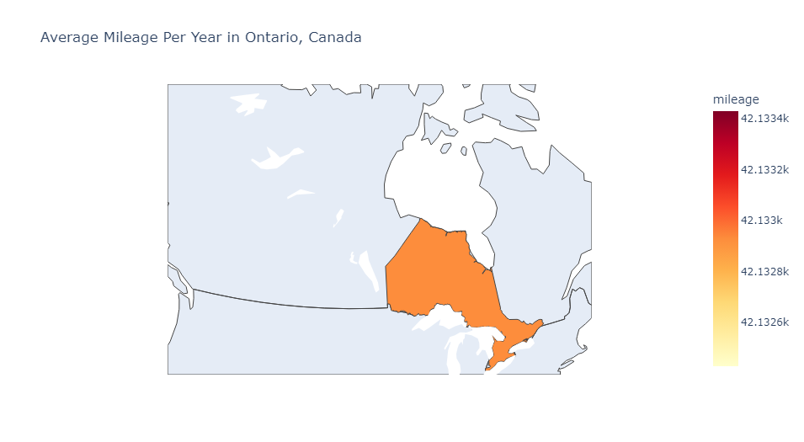
 |  |  |  |  |  |  |  |  |  | rhode island | 3361.8333333
 |  |  |  |  |  |  |  |  |  | south carolina | 21777.880859
 |  |  |  |  |  |  |  |  |  | tennessee | 13749.9137
 |  |  |  |  |  |  |  |  |  | texas | 18765.407343
 |  |  |  |  |  |  |  |  |  | utah | 16626.011469
 |  |  |  |  |  |  |  |  |  | vermont | 10657.2
 |  |  |  |  |  |  |  |  |  | virginia | 14291.376939
 |  |  |  |  |  |  |  |  |  | washington | 18683.183557
 |  |  |  |  |  |  |  |  |  | west virginia | 13313.084751
 |  |  |  |  |  |  |  |  |  | wisconsin | 12408.851726

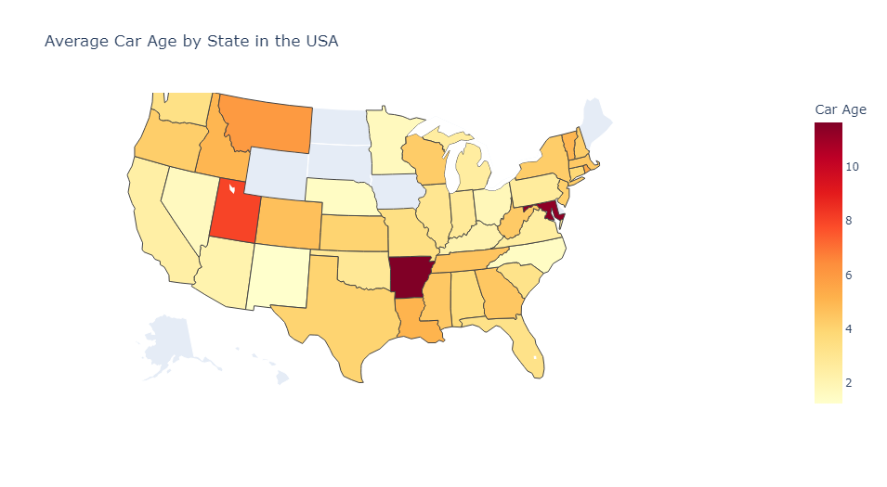

 |  |  |  |  |  |  |  |  |  | location | Car Age
 |  |  |  |  |  |  |  |  |  | alabama | 4.3863636364
 |  |  |  |  |  |  |  |  |  | arizona | 2.859375
 |  |  |  |  |  |  |  |  |  | arkansas | 8.6984126984
 |  |  |  |  |  |  |  |  |  | california | 2.5003687059
 |  |  |  |  |  |  |  |  |  | colorado | 4.9
 |  |  |  |  |  |  |  |  |  | connecticut | 3.9393939394
 |  |  |  |  |  |  |  |  |  | florida | 3.9202288921
 |  |  |  |  |  |  |  |  |  | georgia | 5.7435897436
 |  |  |  |  |  |  |  |  |  | idaho | 5
 |  |  |  |  |  |  |  |  |  | illinois | 3.6884344051
 |  |  |  |  |  |  |  |  |  | indiana | 3.8625
 |  |  |  |  |  |  |  |  |  | kansas | 5
 |  |  |  |  |  |  |  |  |  | kentucky | 1.1875
 |  |  |  |  |  |  |  |  |  | louisiana | 4.875
 |  |  |  |  |  |  |  |  |  | maryland | 11.333333333
 |  |  |  |  |  |  |  |  |  | massachusetts | 6.975
 |  |  |  |  |  |  |  |  |  | michigan | 4.9582778819
 |  |  |  |  |  |  |  |  |  | minnesota | 4.0578251658
 |  |  |  |  |  |  |  |  |  | mississippi | 6.6349206349
 |  |  |  |  |  |  |  |  |  | missouri | 4.3133333333
 |  |  |  |  |  |  |  |  |  | montana | 6
 |  |  |  |  |  |  |  |  |  | nebraska | 1.5
 |  |  |  |  |  |  |  |  |  | nevada | 1.7545948204
 |  |  |  |  |  |  |  |  |  | new hampshire | 4.25
 |  |  |  |  |  |  |  |  |  | new jersey | 4.5750773036
 |  |  |  |  |  |  |  |  |  | new mexico | 1.3333333333
 |  |  |  |  |  |  |  |  |  | new york | 4.8055555556
 |  |  |  |  |  |  |  |  |  | north carolina | 4.2735058309
 |  |  |  |  |  |  |  |  |  | ohio | 2.2329545455
 |  |  |  |  |  |  |  |  |  | oklahoma | 3.9009469697
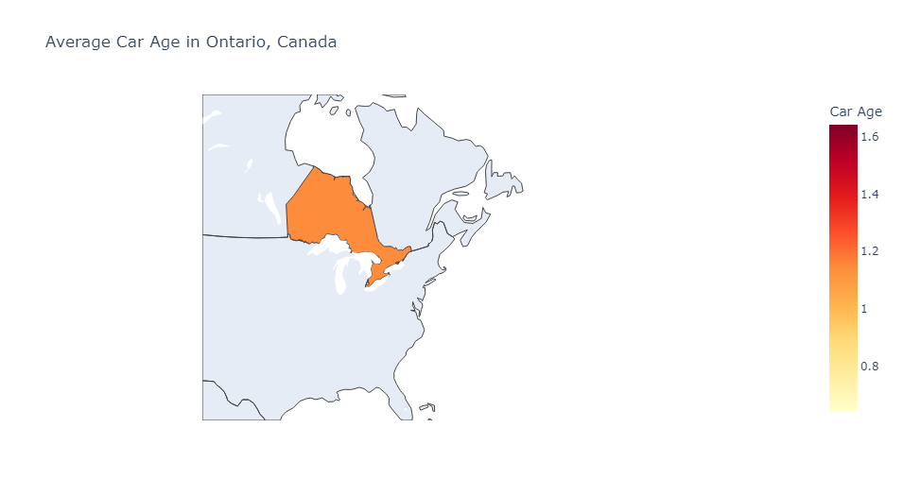
 |  |  |  |  |  |  |  |  |  | ontario | 1.5
 |  |  |  |  |  |  |  |  |  | oregon | 3.9642857143
 |  |  |  |  |  |  |  |  |  | pennsylvania | 4.7253245778
 |  |  |  |  |  |  |  |  |  | rhode island | 5.5
 |  |  |  |  |  |  |  |  |  | south carolina | 5.5714285714
 |  |  |  |  |  |  |  |  |  | tennessee | 4.1875
 |  |  |  |  |  |  |  |  |  | texas | 4.8888230114
 |  |  |  |  |  |  |  |  |  | utah | 5.5
 |  |  |  |  |  |  |  |  |  | vermont | 5
 |  |  |  |  |  |  |  |  |  | virginia | 4.3176129426
 |  |  |  |  |  |  |  |  |  | washington | 3.125
 |  |  |  |  |  |  |  |  |  | west virginia | 4.2987012987
 |  |  |  |  |  |  |  |  |  | wisconsin | 3.6356318681

Non-Geographic Heatmaps

Price Heatmaps (quantitative values are averages) |  |  |  |  |  |  |  |  |  |  |  |  |  |  |  | Mileage Heatmaps (quantiative measurements are averages) |  |  |  |  |  |  |  |  |  |  |  |  |  | Car Age heatmap (quantiative measurement are averages)

brand | Price |  | model | Price | year | Price | title_status | Price | color | Price |  | state | Price | country | Price | brand | mileage | model | mileage | year | mileage | title_status | mileage | color | mileage | state | mileage | country | mileage
harley-davidson | 54680 |  | 5 | 36400 | 1973 | 29800 | clean vehicle | 19931.504284 | beige | 13764 |  | alabama | 23872.058824 | canada | 30357.142857 | acura | 120379.66667 | 5 | 47213 | 1973 | 46226 | clean vehicle | 45345.659811 | beige | 90178 | alabama | 64916.176471 | canada | 45884.428571 | location | Car Age
lincoln | 36300 |  | 300 | 19100 | 1984 | 25 | salvage insurance | 3117.0491803 | billet silver metallic clearcoat | 18490.666667 |  | arizona | 15168.75 | usa | 19064.071458 | audi | 96822.666667 | 300 | 37045.5 | 1984 | 41577 | salvage insurance | 141285.98361 | billet silver metallic clearcoat | 34816.333333 | arizona | 29817.34375 | usa | 50123.507146 | alabama | 4.3863636364
lexus | 33220 |  | 1500 | 27265.128205 | 1994 | 25 |  |  | black | 20528.235294 |  | arkansas | 4114.5454545 |  |  | bmw | 37295.75 | 1500 | 45078.307692 | 1994 | 206162 |  |  | black | 45451.945098 | arkansas | 115227.81818 |  |  | arizona | 2.859375
maserati | 30300 |  | 2500 | 31612.75 | 1998 | 25 |  |  | black clearcoat | 19652.5 |  | california | 18318.783784 |  |  | buick | 29632.083333 | 2500 | 68111.25 | 1998 | 300021 |  |  | black clearcoat | 27836 | california | 39861.372973 |  |  | arkansas | 8.6984126984
land rover | 28900 |  | 3500 | 38325 | 1999 | 25 |  |  | blue | 17890.816327 |  | colorado | 14788.888889 |  |  | cadillac | 32976.666667 | 3500 | 72353.25 | 1999 | 226972 |  |  | blue | 48571.421769 | colorado | 66366.611111 |  |  | california | 2.5003687059
mercedes-benz | 28704 |  | 2500hd | 32500 | 2000 | 175 |  |  | bright white clearcoat | 23247 |  | connecticut | 14713.6 |  |  | chevrolet | 60603.066434 | 2500hd | 14856 | 2000 | 231240 |  |  | bright white clearcoat | 24449 | connecticut | 59195.12 |  |  | colorado | 4.9
bmw | 28046.875 |  | acadia | 21400 | 2001 | 1485 |  |  | brown | 16477.2 |  | florida | 15137.163265 |  |  | chrysler | 73004 | acadia | 54332 | 2001 | 182193.8 |  |  | brown | 82505.066667 | florida | 56618.261224 |  |  | connecticut | 3.9393939394
cadillac | 27712.222222 |  | altima | 13923.809524 | 2002 | 1400 |  |  | burgundy | 2000 |  | georgia | 16050.313725 |  |  | dodge | 43688.960465 | altima | 32175.761905 | 2002 | 185460 |  |  | burgundy | 159990 | georgia | 78592.882353 |  |  | florida | 3.9202288921
ford | 21987.351684 |  | armada | 25825 | 2003 | 4585 |  |  | cayenne red | 9794 |  | idaho | 11500 |  |  | ford | 50436.972062 | armada | 40176.5 | 2003 | 204767.4 |  |  | cayenne red | 63427 | idaho | 110318 |  |  | georgia | 5.7435897436
buick | 21358.75 |  | bus | 10050 | 2004 | 2725 |  |  | charcoal | 16822.222222 |  | illinois | 27696.100917 |  |  | gmc | 55592.475 | bus | 94455 | 2004 | 239584 |  |  | charcoal | 35153.722222 | illinois | 39983.091743 |  |  | idaho | 5
chevrolet | 19388.027972 |  | cab | 12128.75 | 2005 | 3581.25 |  |  | competition orange | 30977 |  | indiana | 24956.666667 |  |  | harley-davidson | 9502 | cab | 133269.875 | 2005 | 183137.25 |  |  | competition orange | 28937 | indiana | 45022.083333 |  |  | illinois | 3.6884344051
audi | 18641.666667 |  | camaro | 25916.666667 | 2006 | 4809 |  |  | dark blue | 25 |  | kansas | 20666.666667 |  |  | heartland rover | 1 | camaro | 28135.166667 | 2006 | 132554.4 |  |  | dark blue | 160528 | kansas | 77347.666667 |  |  | indiana | 3.8625
dodge | 17864.695349 |  | caravan | 16040.686275 | 2007 | 648.33333333 |  |  | glacier white | 11621 |  | kentucky | 44969.444444 |  |  | honda | 86052.727273 | caravan | 33958.519608 | 2007 | 165806.83333 |  |  | glacier white | 12840 | kentucky | 36672.111111 |  |  | kansas | 5
mazda | 16000 |  | cargo | 10950 | 2008 | 5192.6923077 |  |  | gold | 16094.117647 |  | louisiana | 16181.181818 |  |  | hyundai | 56683.866667 | cargo | 95629 | 2008 | 155682 |  |  | gold | 113620.70588 | louisiana | 81517.909091 |  |  | kentucky | 1.1875
chrysler | 13686.111111 |  | challenger | 26025 | 2009 | 4491 |  |  | gray | 17662.773779 |  | maryland | 883.33333333 |  |  | infiniti | 25023.166667 | challenger | 20577.5 | 2009 | 161195 |  |  | gray | 46700.318766 | maryland | 123319.33333 |  |  | louisiana | 4.875
infiniti | 13098.333333 |  | charger | 23707.904762 | 2010 | 2561.3636364 |  |  | green | 18436.666667 |  | massachusetts | 17650.555556 |  |  | jaguar | 20849 | charger | 27529.047619 | 2010 | 218849 |  |  | green | 42685.277778 | massachusetts | 47495.407407 |  |  | maryland | 11.333333333
nissan | 12065.820513 |  | chassis | 8566.6666667 | 2011 | 8737.5652174 |  |  | guard | 14295 |  | michigan | 23899.822485 |  |  | jeep | 38723.266667 | chassis | 150437.66667 | 2011 | 119025.13043 |  |  | guard | 59391 | michigan | 36366.87574 |  |  | massachusetts | 6.975
kia | 12050.833333 |  | cherokee | 20600 | 2012 | 7765.1830986 |  |  | ingot silver | 28999 |  | minnesota | 18678.232759 |  |  | kia | 48955 | cherokee | 32720 | 2012 | 134914.11268 |  |  | ingot silver | 15550 | minnesota | 36492.12931 |  |  | michigan | 4.9582778819
gmc | 11190.25 |  | colorado | 19642.833333 | 2013 | 8867.3529412 |  |  | ingot silver metallic | 24216.5 |  | mississippi | 21148.333333 |  |  | land rover | 26613.75 | colorado | 48902.75 | 2013 | 118901.16471 |  |  | ingot silver metallic | 20993 | mississippi | 73161.916667 |  |  | minnesota | 4.0578251658
ram | 11050 |  | compass | 16633.333333 | 2014 | 11932.087379 |  |  | jazz blue pearlcoat | 20227 |  | missouri | 16192.391304 |  |  | lexus | 22391 | compass | 32249.666667 | 2014 | 96406.757282 |  |  | jazz blue pearlcoat | 62230 | missouri | 55114.391304 |  |  | mississippi | 6.6349206349
jeep | 10933.833333 |  | connect | 8500 | 2015 | 15563.168367 |  |  | kona blue metallic | 35999 |  | montana | 2825 |  |  | lincoln | 14541 | connect | 118483 | 2015 | 70572.994898 |  |  | kona blue metallic | 13674 | montana | 363810 |  |  | missouri | 4.3133333333
acura | 7266.6666667 |  | convertible | 13000 | 2016 | 18280.91133 |  |  | lightning blue | 21687 |  | nebraska | 21350 |  |  | maserati | 37021 | convertible | 58817 | 2016 | 57542.541872 |  |  | lightning blue | 7109 | nebraska | 51117 |  |  | montana | 6
honda | 6684.5454545 |  | corvette | 52025 | 2017 | 18645.898936 |  |  | magnetic metallic | 23838.166667 |  | nevada | 23653.529412 |  |  | mazda | 47753 | corvette | 14512.75 | 2017 | 48357.449468 |  |  | magnetic metallic | 46138.666667 | nevada | 35855.776471 |  |  | nebraska | 1.5
toyota | 6300 |  | country | 4450 | 2018 | 19058.339241 |  |  | morningsky blue | 8495 |  | new hampshire | 16757.5 |  |  | mercedes-benz | 54597 | country | 1 | 2018 | 34278.21519 |  |  | morningsky blue | 45043 | new hampshire | 47319.5 |  |  | nevada | 1.7545948204
hyundai | 5203.2 |  | coupe | 4786.25 | 2019 | 24025.404709 |  |  | no_color | 23585.147541 |  | new jersey | 16209.712644 |  |  | nissan | 42426.230769 | coupe | 94744.25 | 2019 | 24053.810538 |  |  | no_color | 46939.114754 | new jersey | 55759.586207 |  |  | new hampshire | 4.25
heartland rover | 3707.5 |  | cruiser | 6300 | 2020 | 25083.854167 |  |  | not specified | 11844.6 |  | new mexico | 27375 |  |  | peterbilt | 639992.33333 | cruiser | 274117 | 2020 | 10633.104167 |  |  | not specified | 279822.8 | new mexico | 19833.5 |  |  | new jersey | 4.5750773036
jaguar | 2800 |  | cruze | 6000 |  |  |  |  | off-white | 30747.5 |  | new york | 17850.706897 |  |  | ram | 30421 | cruze | 47057 |  |  |  |  | off-white | 106946.5 | new york | 55144.568966 |  |  | new mexico | 1.3333333333
peterbilt | 533.33333333 |  | cutaway | 12958.333333 |  |  |  |  | orange | 13560.555556 |  | north carolina | 16485.273973 |  |  | toyota | 274117 | cutaway | 115296.25 |  |  |  |  | orange | 72285.277778 | north carolina | 37331.554795 |  |  | new york | 4.8055555556
 |  |  | cx-3 | 16000 |  |  |  |  | oxford white | 19288 |  | ohio | 17460.967742 |  |  |  |  | cx-3 | 47753 |  |  |  |  | oxford white | 40588 | ohio | 31403.064516 |  |  | north carolina | 4.2735058309
 |  |  | d | 10250 |  |  |  |  | pearl white | 12750 |  | oklahoma | 21342.045455 |  |  |  |  | d | 15411 |  |  |  |  | pearl white | 24629 | oklahoma | 48240.848485 |  |  | ohio | 2.2329545455
 |  |  | dart | 6800 |  |  |  |  | phantom black | 5998 |  | ontario | 30357.142857 |  |  |  |  | dart | 49033 |  |  |  |  | phantom black | 122975 | ontario | 45884.428571 |  |  | oklahoma | 3.9009469697
 |  |  | discovery | 46900 |  |  |  |  | purple | 15100 |  | oregon | 13109.259259 |  |  |  |  | discovery | 32387 |  |  |  |  | purple | 33641 | oregon | 94675.518519 |  |  | ontario | 1.5
 |  |  | door | 13022.312903 |  |  |  |  | red | 19273.176471 |  | pennsylvania | 22886.755034 |  |  |  |  | door | 86348.177419 |  |  |  |  | red | 47370.390374 | pennsylvania | 38777.365772 |  |  | oregon | 3.9642857143
 |  |  | doors | 16794.027027 |  |  |  |  | royal crimson metallic tinted clearcoat | 32999 |  | rhode island | 17808 |  |  |  |  | doors | 41574.912162 |  |  |  |  | royal crimson metallic tinted clearcoat | 16194 | rhode island | 18887 |  |  | pennsylvania | 4.7253245778
 |  |  | dr | 20000 |  |  |  |  | ruby red | 34995 |  | south carolina | 17827.822581 |  |  |  |  | dr | 24581 |  |  |  |  | ruby red | 10421 | south carolina | 74665.354839 |  |  | rhode island | 5.5
 |  |  | drw | 41980 |  |  |  |  | ruby red metallic tinted clearcoat | 29750 |  | tennessee | 16909.96 |  |  |  |  | drw | 58979.2 |  |  |  |  | ruby red metallic tinted clearcoat | 23252 | tennessee | 65131.68 |  |  | south carolina | 5.5714285714
 |  |  | durango | 29276.5625 |  |  |  |  | shadow black | 26260.8 |  | texas | 13932.832536 |  |  |  |  | durango | 25022.640625 |  |  |  |  | shadow black | 23965.2 | texas | 71533.880383 |  |  | tennessee | 4.1875
 |  |  | e-class | 29400 |  |  |  |  | silver | 17739.760135 |  | utah | 6964.2857143 |  |  |  |  | e-class | 37561 |  |  |  |  | silver | 47896.429054 | utah | 111888.42857 |  |  | texas | 4.8888230114
 |  |  | ecosport | 14171.428571 |  |  |  |  | super black | 9795.6666667 |  | vermont | 7498 |  |  |  |  | ecosport | 25055.142857 |  |  |  |  | super black | 41627.666667 | vermont | 53286 |  |  | utah | 5.5
 |  |  | edge | 22664.705882 |  |  |  |  | tan | 2200 |  | virginia | 20496.477273 |  |  |  |  | edge | 32633.735294 |  |  |  |  | tan | 73382 | virginia | 40244.329545 |  |  | vermont | 5
 |  |  | el | 28800 |  |  |  |  | toreador red | 25000 |  | washington | 26771.428571 |  |  |  |  | el | 43524 |  |  |  |  | toreador red | 13239 | washington | 54973.642857 |  |  | virginia | 4.3176129426
 |  |  | elantra | 9800 |  |  |  |  | triple yellow tri-coat | 25594.666667 |  | west virginia | 15447.619048 |  |  |  |  | elantra | 35687 |  |  |  |  | triple yellow tri-coat | 23857.333333 | west virginia | 63339.52381 |  |  | washington | 3.125
 |  |  | enclave | 32250 |  |  |  |  | turquoise | 20802 |  | wisconsin | 21330.107527 |  |  |  |  | enclave | 22256.5 |  |  |  |  | turquoise | 33791 | wisconsin | 55564.827957 |  |  | west virginia | 4.2987012987
 |  |  | encore | 14400 |  |  |  |  | tuxedo black metallic | 15540.5 |  |  |  |  |  |  |  | encore | 33276 |  |  |  |  | tuxedo black metallic | 67817 |  |  |  |  | wisconsin | 3.6356318681
 |  |  | energi | 8300 |  |  |  |  | white | 19600.222222 |  |  |  |  |  |  |  | energi | 71989 |  |  |  |  | white | 53953.539886
 |  |  | equinox | 15438.888889 |  |  |  |  | white platinum tri-coat metallic | 18556 |  |  |  |  |  |  |  | equinox | 34437.944444 |  |  |  |  | white platinum tri-coat metallic | 55987
 |  |  | escape | 14738.461538 |  |  |  |  | yellow | 15106.25 |  |  |  |  |  |  |  | escape | 36165.358974 |  |  |  |  | yellow | 64277.5
 |  |  | esv | 33300 |  |  |  |  |  |  |  |  |  |  |  |  |  | esv | 57932
 |  |  | expedition | 42667.857143 |  |  |  |  |  |  |  |  |  |  |  |  |  | expedition | 32941.714286
 |  |  | explorer | 26794.871795 |  |  |  |  |  |  |  |  |  |  |  |  |  | explorer | 33339.538462
 |  |  | f-150 | 28196.840183 |  |  |  |  |  |  |  |  |  |  |  |  |  | f-150 | 23946.059361
 |  |  | f-650 | 34800 |  |  |  |  |  |  |  |  |  |  |  |  |  | f-650 | 98794
 |  |  | f-750 | 20300 |  |  |  |  |  |  |  |  |  |  |  |  |  | f-750 | 188394
 |  |  | fiesta | 8657.1428571 |  |  |  |  |  |  |  |  |  |  |  |  |  | fiesta | 24777.071429
 |  |  | flex | 23778.424242 |  |  |  |  |  |  |  |  |  |  |  |  |  | flex | 22846.121212
 |  |  | focus | 10644.444444 |  |  |  |  |  |  |  |  |  |  |  |  |  | focus | 35086.222222
 |  |  | forte | 6250 |  |  |  |  |  |  |  |  |  |  |  |  |  | forte | 42508.5
 |  |  | frontier | 18107.142857 |  |  |  |  |  |  |  |  |  |  |  |  |  | frontier | 17465.142857
 |  |  | fusion | 15269.569231 |  |  |  |  |  |  |  |  |  |  |  |  |  | fusion | 29929.6
 |  |  | ghibli | 30300 |  |  |  |  |  |  |  |  |  |  |  |  |  | ghibli | 37021
 |  |  | glc | 24900 |  |  |  |  |  |  |  |  |  |  |  |  |  | glc | 33687
 |  |  | gle | 34000 |  |  |  |  |  |  |  |  |  |  |  |  |  | gle | 30103.5
 |  |  | gx | 55600 |  |  |  |  |  |  |  |  |  |  |  |  |  | gx | 8186
 |  |  | hybrid | 14180 |  |  |  |  |  |  |  |  |  |  |  |  |  | hybrid | 29294.8
 |  |  | impala | 16008.333333 |  |  |  |  |  |  |  |  |  |  |  |  |  | impala | 36788.083333
 |  |  | journey | 15605.737705 |  |  |  |  |  |  |  |  |  |  |  |  |  | journey | 32100.131148
 |  |  | juke | 8400 |  |  |  |  |  |  |  |  |  |  |  |  |  | juke | 58529
 |  |  | kicks | 15300 |  |  |  |  |  |  |  |  |  |  |  |  |  | kicks | 20793
 |  |  | ld | 25433.333333 |  |  |  |  |  |  |  |  |  |  |  |  |  | ld | 28945.666667
 |  |  | limited | 26000 |  |  |  |  |  |  |  |  |  |  |  |  |  | limited | 16669
 |  |  | m | 53500 |  |  |  |  |  |  |  |  |  |  |  |  |  | m | 29355
 |  |  | malibu | 13533.583333 |  |  |  |  |  |  |  |  |  |  |  |  |  | malibu | 34903.333333
 |  |  | max | 44658.536585 |  |  |  |  |  |  |  |  |  |  |  |  |  | max | 28271.682927
 |  |  | maxima | 15900 |  |  |  |  |  |  |  |  |  |  |  |  |  | maxima | 37085.333333
 |  |  | mdx | 16900 |  |  |  |  |  |  |  |  |  |  |  |  |  | mdx | 63500
 |  |  | mpv | 7740.4651163 |  |  |  |  |  |  |  |  |  |  |  |  |  | mpv | 35880.151163
 |  |  | murano | 20765 |  |  |  |  |  |  |  |  |  |  |  |  |  | murano | 37599.8
 |  |  | mustang | 25841.758621 |  |  |  |  |  |  |  |  |  |  |  |  |  | mustang | 21551.931034
 |  |  | nautilus | 36300 |  |  |  |  |  |  |  |  |  |  |  |  |  | nautilus | 14541
 |  |  | note | 6050 |  |  |  |  |  |  |  |  |  |  |  |  |  | note | 30011
 |  |  | nvp | 22700 |  |  |  |  |  |  |  |  |  |  |  |  |  | nvp | 21282
 |  |  | pacifica | 26200 |  |  |  |  |  |  |  |  |  |  |  |  |  | pacifica | 15376.333333
 |  |  | passenger | 18933.333333 |  |  |  |  |  |  |  |  |  |  |  |  |  | passenger | 44103
 |  |  | pathfinder | 18622.727273 |  |  |  |  |  |  |  |  |  |  |  |  |  | pathfinder | 31871.909091
 |  |  | pickup | 6147.5 |  |  |  |  |  |  |  |  |  |  |  |  |  | pickup | 212579.75
 |  |  | pioneer | 4050 |  |  |  |  |  |  |  |  |  |  |  |  |  | pioneer | 1
 |  |  | pk | 3335 |  |  |  |  |  |  |  |  |  |  |  |  |  | pk | 179241
 |  |  | q5 | 19500 |  |  |  |  |  |  |  |  |  |  |  |  |  | q5 | 65833
 |  |  | q70 | 18500 |  |  |  |  |  |  |  |  |  |  |  |  |  | q70 | 71967
 |  |  | ranger | 29066.666667 |  |  |  |  |  |  |  |  |  |  |  |  |  | ranger | 9916.5
 |  |  | road/street | 54680 |  |  |  |  |  |  |  |  |  |  |  |  |  | road/street | 9502
 |  |  | rogue | 15094.444444 |  |  |  |  |  |  |  |  |  |  |  |  |  | rogue | 31280.944444
 |  |  | se | 2899 |  |  |  |  |  |  |  |  |  |  |  |  |  | se | 190552
 |  |  | sedan | 7825 |  |  |  |  |  |  |  |  |  |  |  |  |  | sedan | 51356.25
 |  |  | sentra | 9573.2142857 |  |  |  |  |  |  |  |  |  |  |  |  |  | sentra | 36423.607143
 |  |  | series | 36962.5 |  |  |  |  |  |  |  |  |  |  |  |  |  | series | 26923.75
 |  |  | sl-class | 84900 |  |  |  |  |  |  |  |  |  |  |  |  |  | sl-class | 25302
 |  |  | sonic | 5850 |  |  |  |  |  |  |  |  |  |  |  |  |  | sonic | 36866.5
 |  |  | sorento | 17260 |  |  |  |  |  |  |  |  |  |  |  |  |  | sorento | 46652.6
 |  |  | soul | 12700 |  |  |  |  |  |  |  |  |  |  |  |  |  | soul | 23514
 |  |  | spark | 7200 |  |  |  |  |  |  |  |  |  |  |  |  |  | spark | 42561
 |  |  | sport | 13258.75 |  |  |  |  |  |  |  |  |  |  |  |  |  | sport | 34887.35
 |  |  | sportage | 13000 |  |  |  |  |  |  |  |  |  |  |  |  |  | sportage | 71991
 |  |  | srw | 45331.578947 |  |  |  |  |  |  |  |  |  |  |  |  |  | srw | 25792.684211
 |  |  | srx | 18402 |  |  |  |  |  |  |  |  |  |  |  |  |  | srx | 26667
 |  |  | suburban | 33156.25 |  |  |  |  |  |  |  |  |  |  |  |  |  | suburban | 40696.3125
 |  |  | suv | 19995 |  |  |  |  |  |  |  |  |  |  |  |  |  | suv | 48115
 |  |  | tahoe | 36011.111111 |  |  |  |  |  |  |  |  |  |  |  |  |  | tahoe | 45829.555556
 |  |  | taurus | 17960 |  |  |  |  |  |  |  |  |  |  |  |  |  | taurus | 26122.9
 |  |  | titan | 24120 |  |  |  |  |  |  |  |  |  |  |  |  |  | titan | 38255.6
 |  |  | trail | 1880 |  |  |  |  |  |  |  |  |  |  |  |  |  | trail | 1
 |  |  | transit | 23251.219512 |  |  |  |  |  |  |  |  |  |  |  |  |  | transit | 22662.463415
 |  |  | traverse | 24116.666667 |  |  |  |  |  |  |  |  |  |  |  |  |  | traverse | 43198.833333
 |  |  | trax | 14412.5 |  |  |  |  |  |  |  |  |  |  |  |  |  | trax | 27539.125
 |  |  | truck | 533.33333333 |  |  |  |  |  |  |  |  |  |  |  |  |  | truck | 639992.33333
 |  |  | utility | 8430 |  |  |  |  |  |  |  |  |  |  |  |  |  | utility | 114547
 |  |  | van | 12158.068182 |  |  |  |  |  |  |  |  |  |  |  |  |  | van | 82326.659091
 |  |  | vans | 16600 |  |  |  |  |  |  |  |  |  |  |  |  |  | vans | 104445
 |  |  | vehicl | 25 |  |  |  |  |  |  |  |  |  |  |  |  |  | vehicl | 7232
 |  |  | versa | 8438.2352941 |  |  |  |  |  |  |  |  |  |  |  |  |  | versa | 39053.764706
 |  |  | volt | 16550 |  |  |  |  |  |  |  |  |  |  |  |  |  | volt | 39162.5
 |  |  | wagon | 24075.862069 |  |  |  |  |  |  |  |  |  |  |  |  |  | wagon | 39132.37931
 |  |  | x3 | 24550 |  |  |  |  |  |  |  |  |  |  |  |  |  | x3 | 42596.5
 |  |  | xd | 36300 |  |  |  |  |  |  |  |  |  |  |  |  |  | xd | 16224
 |  |  | xt5 | 37500 |  |  |  |  |  |  |  |  |  |  |  |  |  | xt5 | 16013
 |  |  | xterra | 6700 |  |  |  |  |  |  |  |  |  |  |  |  |  | xterra | 92982

Multivariate Analysis
 |  | Multivariate Analysis

Let's begin with a correlation analysis to determine if there is a relationship between car mileage and price in the dataset.
H₀ : There is no relationship between the mileage of a car and its price.
H_{a} : There is a relationship between the mileage of a car and its price.
We'll begin with a scatterplot to visualize the relationship between the two.

 | mileage
6300 | 274117
2899 | 190552
5350 | 39590
25000 | 64146
27700 | 6654
5700 | 45561
7300 | 149050
13350 | 23525
14600 | 9371
5250 | 63418
10400 | 107856
12920 | 39650
31900 | 22909
5430 | 138650
20700 | 100757
12710 | 25747
5200 | 46194
16500 | 20002
5210 | 35714
38100 | 54380
12520 | 30114
7300 | 38823
15000 | 61578
6180 | 46010
20800 | 105510
11900 | 28040
21500 | 11451
12000 | 31039
4190 | 44174
13000 | 93698
12710 | 26364
18500 | 71967
29800 | 46226
5330 | 37792
13000 | 58817
11900 | 27965
16600 | 110907
19200 | 2430
7320 | 32366
7000 | 176567
12710 | 30049
16600 | 97983
30500 | 30442
6330 | 38123
55000 | 15273
12520 | 28972
16200 | 30061
19000 | 18414
5580 | 46829
54000 | 26241
...

By the looks of it, it seems like there is indeed a linear relationship between the mileage of a vehicle and its price.
This relationship, if it exists, seems to be a negative linear relationship.
E.g. as the mileage of a vehicle goes up, the price goes down:
We'll conduct a correlation analysis to determine if this is the case. Below are are our results including other useful insights.

Regression Statistics
R value | -0.38773
Multiple R | 0.38772706207
R Square | 0.15033227466
Adjusted R Square | 0.1499860368
Standard Error | 11028.671934
Observations | 2456

ANOVA
 | df | SS | MS | F | Significance F
Regression | 1 | 52810964781 | 52810964781 | 434.187849 | 6.3989867465E-89
Residual | 2454 | 2.9848395774E+11 | 121631604.62
Total | 2455 | 3.5129492252E+11

 | Coefficients | Standard Error | t Stat | P-value | Lower 95% | Upper 95% | Lower 95.0% | Upper 95.0%
Intercept | 23352.682805 | 302.07745325 | 77.306937522 | 0 | 22760.329717 | 23945.035892 | 22760.329717 | 23945.035892
X Variable 1 | -0.084939197948 | 0.0040763298872 | -20.837174688 | 6.3989867464E-89 | -0.092932600198 | -0.076945795698 | -0.092932600198 | -0.076945795698

We have an R value of -0.38773, which indeed shows a moderate negative linear relationship between price and mileage.
The very small Significance F (6.40E-89), small p-values of the intercept and X Variable 1, and 95% confidence interval all indicate that this relationship is statistically significant. Thus, we reject our null hypothesis ttat here is no relationship between the mileage of a car and its price.
The R square value, however, indicates that only 15% of the variance in vehicle prices is explained by a vehicle’s mileage.
We can run a mulltifactor ANOVA test to discover which variables make up that other 85%, and if other variables are better predictors of price in comparison to mileage. We have to keep in mind, however, that unexplained variability is another consideration. Below are the results.

Feature | sum_sq | df | F | PR(>F)
brand | 8546983000 | 27 | 9.320567E+24 | 4.990122E-38
state | 7100145000 | 42 | 4.977499E+24 | 1.266538E-37
title_status | 595715300 | 1 | 1.75401E+25 | 3.002084E-38
color | 4296450000 | 46 | 2.750079E+24 | 3.079377E-37
country | 155664600 | 1 | 4.58335E+24 | 2.247482E-37
model | 75883880000 | 125 | 1.787445E+25 | 1.839685E-38
year | 5930040000 | 25 | 6.984106E+24 | 7.709496E-38
mileage | 186341900000 | 2400 | 2.286086E+24 | 3.999424E-37
Mileage Per Year | 227971200000 | 2416 | 2.778282E+24 | 2.985183E-37
Car Age | 6829.852 | 1 | 2.010965E+20 | 7.733284E-31
Residual | 1.018892E-16 | 3

We see that all features significantly affect price based on their small p-values in the multifactor ANOVA test based on the p-values. Let's run a multiple linear regression to see how mileage, mileage per year, and car age affects price. Our model will take all variables (numerical and categorical) into consideration, but we'll only display the results for those three.

 | Coefficient | Standard Error | t-value | p-value | 95% CI Lower | 95% CI Upper
Mileage | -0.02947137064 | 0.0051768125084 | -5.6929569291 | 1.4139996149E-08 | -0.039623276565 | -0.019319464716
Car Age | -663.51271579 | 88.20605128 | -7.5223038121 | 7.7711481411E-14 | -836.4877913 | -490.53764028
Mileage Per Year | -0.07293971644 | 0.021234147358 | -3.4350197919 | 0.00060340772415 | -0.11458060376 | -0.031298829115

The model appears to be a good fit for the data.
 | Value
R-squared | 0.73497802841
Adjusted R-squared | 0.70665963018
F-statistic | 25.954081955
Prob (F-statistic) | 0
AIC | 50304.647302
BIC | 51686.544153
Durbin-Watson | 2.0352841039

From the data, we see that the coefficient for mileage is −0.0294.
This implies that for every additional mile on the car, its price decreases by approximately $0.0294, on average, holding all other variables constant.
The extremely small p-value (close to zero) indicates that this effect is statistically significant with 95% confidence.
Conclusion:
For every one additional mile on the car, price decreases by $.0294 if we keep the brand, title status, etc. constant.
Ex: Let's say that a car costs $20,000 and has no miles on it. After 60,000 miles, it will cost $18,236.
Both the intercept and the coefficient for 'Mileage Per Year' are statistically significant, with p-values close to zero.
Conclusion:
For every additional mile driven per year, the price decreases by approximately $0.0729 or about 8 cents.
Ex: Let's say that a car costs $20,000. If the car drives 10,000 miles in two years, it will cost $18,542.

The negative coefficient for "Car Age" confirms that as cars get older, they typically decrease in value. This relationship is statistically significant, as indicated by the t-value and the very small p-value.
Conclusion
For each year increase in a car's age, its price is expected to decrease by approximately $663.51, holding all else constant.

Predictive Modeling
 |  | Predictive Modeling

Multivariate Time Series Analysis: Vector Auto Regression

From the results of our Vector Auto Regression, we can draw the following insights:

1.) A vehicle's price is expected to decrease as its mileage and age increase.
2.) Vehicles that have recently had high mileage or high mileage per year are expected to accumulate even more mileage in the subsequent periods.
3.) Older vehicles are predicted to have higher mileage, reflecting their longer time on the road.
4.) If a vehicle has been driven extensively in the recent past, it might be used less intensively in the following year.

Variable | Price_coefficient | Price_std.error | Price_t-stat | Prob
const | 9112.709952 | 2060.803181 | 4.422 | 0
L1.Price | 0.034636 | 0.025188 | 1.375 | 0.169
L1.mileage | 0.004484 | 0.007625 | 0.588 | 0.556
L1.Vehicle Age | 31.790685 | 135.891002 | 0.234 | 0.815
L1.Mileage Per Year | 0.011507 | 0.034692 | 0.332 | 0.74
L2.Price | 0.103141 | 0.02514 | 4.103 | 0
L2.mileage | -0.004673 | 0.007633 | -0.612 | 0.54
L2.Vehicle Age | -199.570403 | 135.926831 | -1.468 | 0.142
L2.Mileage Per Year | 0.00623 | 0.034758 | 0.179 | 0.858
L3.Price | 0.143858 | 0.025177 | 5.714 | 0
L3.mileage | -0.002026 | 0.007721 | -0.262 | 0.793
L3.Vehicle Age | 18.286582 | 136.537863 | 0.134 | 0.893
L3.Mileage Per Year | 0.004652 | 0.035225 | 0.132 | 0.895
L4.Price | 0.076883 | 0.025331 | 3.035 | 0.002
L4.mileage | 0.011951 | 0.007741 | 1.544 | 0.123
L4.Vehicle Age | -193.077212 | 136.647546 | -1.413 | 0.158
L4.Mileage Per Year | -0.091045 | 0.035433 | -2.569 | 0.01
L5.Price | 0.056198 | 0.025319 | 2.22 | 0.026
L5.mileage | 0.005305 | 0.007746 | 0.685 | 0.493
L5.Vehicle Age | -143.134692 | 136.721016 | -1.047 | 0.295
L5.Mileage Per Year | -0.015658 | 0.035505 | -0.441 | 0.659
L6.Price | 0.098085 | 0.025198 | 3.893 | 0
L6.mileage | 0.006323 | 0.00774 | 0.817 | 0.414
L6.Vehicle Age | -84.316984 | 135.572857 | -0.622 | 0.534
L6.Mileage Per Year | -0.001239 | 0.035305 | -0.035 | 0.972
L7.Price | 0.046434 | 0.02513 | 1.848 | 0.065
L7.mileage | 0.0042 | 0.007659 | 0.548 | 0.583
L7.Vehicle Age | 66.151616 | 135.204656 | 0.489 | 0.625
L7.Mileage Per Year | -0.037736 | 0.034916 | -1.081 | 0.28
L8.Price | 0.058112 | 0.025148 | 2.311 | 0.021
L8.mileage | -0.015814 | 0.00765 | -2.067 | 0.039
L8.Vehicle Age | 134.263871 | 135.033378 | 0.994 | 0.32
L8.Mileage Per Year | 0.076348 | 0.03485 | 2.191 | 0.028
Relationship between Price and Other Variables:
The price of a vehicle is influenced by its past prices, especially at lags 2, 3, 4, 5, and 6. This suggests that the price of a vehicle tends to follow a pattern based on its recent historical prices.
There's a negative relationship between price and mileage, especially at the 8th lag. This implies that vehicles with higher mileage tend to have lower prices, which is consistent with the common understanding that vehicles depreciate in value as they are driven more.
Vehicle Age, especially at the 4th lag, negatively affects the price, indicating that older vehicles are generally priced lower.
Relationship between Mileage and Other Variables:
The Mileage of a vehicle is influenced positively by its past mileage, especially at lags 2 and 3. This could indicate a consistent increase in mileage over time.
Mileage Per Year at lags 2 and 3 significantly affects Mileage, suggesting that vehicles with a higher annual mileage in the recent past tend to have a higher overall mileage.
Vehicle Age at the 8th lag has a positive effect on Mileage, suggesting that as vehicles get older, they accumulate more miles.
Relationship between Vehicle Age and Other Variables:
The Vehicle Age is slightly influenced by its past values, especially at lags 1 and 2, indicating a consistency in the age data.
Mileage at lag 2 positively affects Vehicle Age, implying that vehicles with higher mileage tend to be older. This is intuitive as older vehicles have had more time on the road and thus accumulated more miles.
Mileage Per Year at lags 2 and 3 also has an influence on Vehicle Age, although the relationship is not as pronounced.
Relationship between Mileage Per Year and Other Variables:
The Mileage Per Year of a vehicle is influenced by its past values, especially at lags 1, 2, and 3. This suggests a consistency in how much a vehicle is driven year over year.
The negative coefficient for Mileage at the 1st lag suggests that a recent increase in mileage might lead to a decrease in Mileage Per Year, indicating that a vehicle might be driven less intensively in the following year after a year of heavy use.

ADF Testing

Variable | Test Statistic | P-Value | Number of Lags Chosen | Critical Value (1%) | Critical Value (5%) | Critical Value (10%) | Result
Price | -4.7484 | 0.0001 | 24 | -3.434 | -2.863 | -2.568 | Stationary
Mileage | -9.9294 | 0 | 9 | -3.434 | -2.863 | -2.568 | Stationary
Vehicle Age | -5.0525 | 0 | 25 | -3.434 | -2.863 | -2.568 | Stationary
Mileage Per Year | -8.9497 | 0 | 9 | -3.434 | -2.863 | -2.568 | Stationary
Cointegration Testing

Name | Test Statistic | Critical Value (95%) | Significance | Eigenvalues
Price | 604.8 | 40.1749 | TRUE | 0.2896683
mileage | 277.07 | 24.2761 | TRUE | 0.21169648
Vehicle Age | 138.51 | 12.3212 | TRUE | 0.17833433
Mileage Per Year | 4.28 | 4.1296 | TRUE | 0.0101264

Durbin-Watson Testing

 |  | Variable | Durbin-Watson Statistic
 |  | Price | 2
 |  | mileage | 2.01
 |  | Vehicle Age | 2.01
 |  | Mileage Per Year | 2
Sample Output

Year | Price_pred | Mileage_pred | Vehicle Age_pred | Mileage Per Year_pred
2018 | 20448.823191 | 58616.374327 | 3.694586 | 15312.531858
2015 | 22889.268689 | 44920.318083 | 3.726541 | 13032.946243
2018 | 21287.8543 | 53580.733911 | 3.700002 | 15182.560774
2020 | 21807.597292 | 43371.490472 | 3.442749 | 13881.85372
2016 | 21231.590747 | 52454.872278 | 3.687683 | 16042.079802
2019 | 19779.010368 | 51417.544005 | 3.181546 | 18524.639738
2018 | 19779.010368 | 51417.544005 | 3.181546 | 18524.639738
2018 | 19779.010368 | 51417.544005 | 3.181546 | 18524.639738
2018 | 19779.010368 | 51417.544005 | 3.181546 | 18524.639738
2018 | 19779.010368 | 51417.544005 | 3.181546 | 18524.639738
Forecast Accuracy

Metric | Price | mileage | Vehicle Age | Mileage Per Year
mape | 1.2695 | 421.0894 | inf | 303.1433
me | 3302.1144 | 7739.5925 | 0.6153 | -699.1657
mae | 8207.3035 | 23854.7413 | 1.64 | 6702.5835
mpe | 1.1244 | 420.9354 | inf | 302.8969
rmse | 10100.0342 | 31034.6277 | 1.8753 | 8850.8778
corr | 0.0637 | 0.0604 | 0.2137 | 0.1457
minmax | 0.3629 | 0.3842 | 0.4442 | 0.2867

Report
Report and Actionable Recommendations

Data Analytics Report
Introduction
The data presented includes the results of a Vector Auto Regression (VAR) and a multiple linear regression model aimed at understanding the relationship between a vehicle's price and various attributes such as mileage, age, and mileage per year. This report analyzes the insights derived from the models and proposes actionable recommendations.
Insights from Vector Auto Regression (VAR)
Key Findings:
1. Vehicle Price Decreases with Mileage and Age: The older the vehicle and the higher the mileage, the lower the price.
2. High Recent Mileage Predicts Further Increase: Vehicles with a recent history of high mileage are expected to accumulate even more mileage in the subsequent periods.
3. Older Vehicles Have Higher Mileage: This is a reflection of their longer time on the road.
4. Potential Decrease in Use After Intensive Driving: If a vehicle has been driven extensively in the recent past, it might be used less intensively in the following year.
Statistical Analysis (VAR):
The VAR model presents the relationship between the price and other variables across different lags (L1 to L8). The coefficients and their respective p-values help in determining the statistical significance of these relationships.
Noteworthy points include:
- Positive and significant price coefficients across various lags, indicating a persistent influence of past prices on the current price.
- L4 Mileage Per Year has a significant negative coefficient, suggesting an influence on the price with a p-value of 0.01.
- L8 Mileage also has a significant coefficient, indicating a substantial impact on the vehicle's price with a p-value of 0.039.
Insights from Multiple Linear Regression
Key Findings:
1. Mileage Effect on Price:
- Coefficient: -0.0294
- Impact: For every additional mile, the price decreases by $0.0294, holding other factors constant.
- Example: A $20,000 car will be worth $18,236 after 60,000 miles.
2. Mileage Per Year Effect on Price:
- Coefficient: -0.0729
- Impact: For every additional mile driven per year, the price decreases by about $0.0729.
- Example: A $20,000 car driven 10,000 miles in two years will cost $18,542.
3. Car Age Effect on Price:
- Coefficient: -663.51
- Impact: For each year increase in a car's age, its price is expected to decrease by approximately $663.51, holding all else constant.
Statistical Significance:
All the variables in the multiple linear regression model are statistically significant, with p-values close to zero, indicating a high level of confidence in the predictions.
Recommendations
Based on the insights from the VAR and multiple linear regression model, here are actionable recommendations:
1. Vehicle Maintenance:
- Recommendation for Sellers: To maintain a higher resale value, limit the mileage accrued per year.
- Recommendation for Buyers: Look for vehicles with lower mileage and lesser age to ensure a higher resale value in the future.
2. Pricing Strategy for Dealers:
- Recommendation for Dealers: When pricing used vehicles for sale, consider the age and the mileage of the vehicle rigorously, as these are statistically significant factors affecting the price.
3. Vehicle Usage:
- Recommendation for Vehicle Owners: To preserve the value of the vehicle, avoid intensive use in short periods.
4. Market Analysis:
- Recommendation for Market Analysts: Continuously monitor the trends in vehicle age and mileage to make informed predictions about the vehicle's market value.
Conclusion
The data analysis suggests that a vehicle's price is significantly influenced by its age, mileage, and mileage per year. Understanding these relationships can guide individuals and dealers in making informed decisions regarding the pricing and purchase of vehicles. It is advisable to maintain a balance in vehicle usage to preserve its market value over time.

Limitations
The VAR (Vector AutoRegressive) model, despite being a powerful tool for time series analysis, has its own set of limitations. One of such is the forecast error. As we move further out into the future, long-term forecasts become more and more unreliable. In the model, however, I used a lag order of 8 was chosen because it had the lowest AIC.
The VAR models also requires the time series you are analyzing to be stationary. This is a significant limitation as many time series data are non-stationary and transforming them to be stationary often involves losing valuable information. In the model, however, I did ADF tests to assure that all features in the model were stationary.
Another limitation of VAR forecasting is that it requires a large amount of data and a careful selection of the lag length. If there are too few observations or too many lags, the model may overfit and produce inaccurate forecasts. This dataset, however, is arguably only moderately sized. Perhaps working with a dataset with more observations would be better.

