Sensitivity
Weight scenarios
Weights apply to three top-level components. Advancement is the average of technology and achievement z-scores.

Scenario | Production wt | Automation wt | Advancement wt | Technology effective wt | Achievement effective wt | Fixed mean | Adaptive mean | Difference | Adaptive % difference | Hedges' g | Level 1 difference | Levels 2–12 difference | Baseline-adjusted difference | Rank correlation vs equal | Top-quartile overlap
Equal weights | 33.3% | 33.3% | 33.3% | 16.7% | 16.7% | 47.30 | 52.70 | 5.41 | 11.4% | 0.82 | 5.45 | 5.40 | -0.04 | 1.00 | 100.0%
Production emphasis | 50.0% | 25.0% | 25.0% | 12.5% | 12.5% | 47.16 | 52.84 | 5.68 | 12.1% | 0.79 | 6.08 | 5.65 | -0.43 | 0.99 | 100.0%
Automation emphasis | 25.0% | 50.0% | 25.0% | 12.5% | 12.5% | 47.09 | 52.91 | 5.83 | 12.4% | 0.81 | 5.74 | 5.84 | 0.09 | 0.99 | 94.4%
Advancement emphasis | 25.0% | 25.0% | 50.0% | 25.0% | 25.0% | 47.64 | 52.36 | 4.71 | 9.9% | 0.83 | 4.52 | 4.73 | 0.21 | 0.95 | 77.8%
Output emphasis | 40.0% | 40.0% | 20.0% | 10.0% | 10.0% | 47.02 | 52.98 | 5.96 | 12.7% | 0.78 | 6.19 | 5.94 | -0.24 | 0.98 | 94.4%
Balanced range low | 40.0% | 30.0% | 30.0% | 15.0% | 15.0% | 47.24 | 52.76 | 5.52 | 11.7% | 0.81 | 5.70 | 5.50 | -0.20 | 1.00 | 100.0%
Balanced range high | 30.0% | 30.0% | 40.0% | 20.0% | 20.0% | 47.43 | 52.57 | 5.13 | 10.8% | 0.83 | 5.08 | 5.14 | 0.06 | 0.99 | 94.4%

Adaptive minus fixed FDI by weighting scenario

Level Results
Equal-weight FDI by level and arm

Equal-weight FDI by level
Arm | Level | Runs | Mean FDI | SD | Arm difference at level
fixed | 1 | 3 | 44.13 | 4.83 | 5.45
fixed | 2 | 3 | 41.99 | 15.65 | 2.21
fixed | 3 | 3 | 46.05 | 8.90 | 5.48
fixed | 4 | 3 | 47.75 | 5.54 | 6.50
fixed | 5 | 3 | 50.77 | 6.50 | -0.54
fixed | 6 | 3 | 50.02 | 3.53 | 4.64
fixed | 7 | 3 | 47.89 | 4.46 | 2.92
fixed | 8 | 3 | 49.39 | 4.98 | 0.30
fixed | 9 | 3 | 53.96 | 1.55 | -2.84
fixed | 10 | 3 | 40.37 | 10.67 | 18.10
fixed | 11 | 3 | 52.18 | 4.78 | 6.72
fixed | 12 | 3 | 43.05 | 3.98 | 15.95
adaptive | 1 | 3 | 49.57 | 5.72 | 5.45
adaptive | 2 | 3 | 44.20 | 5.01 | 2.21
adaptive | 3 | 3 | 51.54 | 9.98 | 5.48
adaptive | 4 | 3 | 54.26 | 4.65 | 6.50
adaptive | 5 | 3 | 50.23 | 2.38 | -0.54
adaptive | 6 | 3 | 54.66 | 1.59 | 4.64
adaptive | 7 | 3 | 50.81 | 1.91 | 2.92
adaptive | 8 | 3 | 49.69 | 3.46 | 0.30
adaptive | 9 | 3 | 51.12 | 0.73 | -2.84
adaptive | 10 | 3 | 58.47 | 1.13 | 18.10
adaptive | 11 | 3 | 58.90 | 1.60 | 6.72
adaptive | 12 | 3 | 59.00 | 3.05 | 15.95

Level | Fixed | Adaptive
1 | 44.128462415 | 49.574883826
2 | 41.988677804 | 44.202113937
3 | 46.051153596 | 51.535263763
4 | 47.754726489 | 54.258162412
5 | 50.772170741 | 50.234292367
6 | 50.016419868 | 54.65760223
7 | 47.892690066 | 50.812518027
8 | 49.393671844 | 49.688739239
9 | 53.958807257 | 51.121107412
10 | 40.369402542 | 58.469235902
11 | 52.175689639 | 58.896465725
12 | 43.048344082 | 58.999398816

FDI Variation
Equal-weight FDI by specificity level
Lines show each arm's mean. Hollow dots show all three runs within each level.

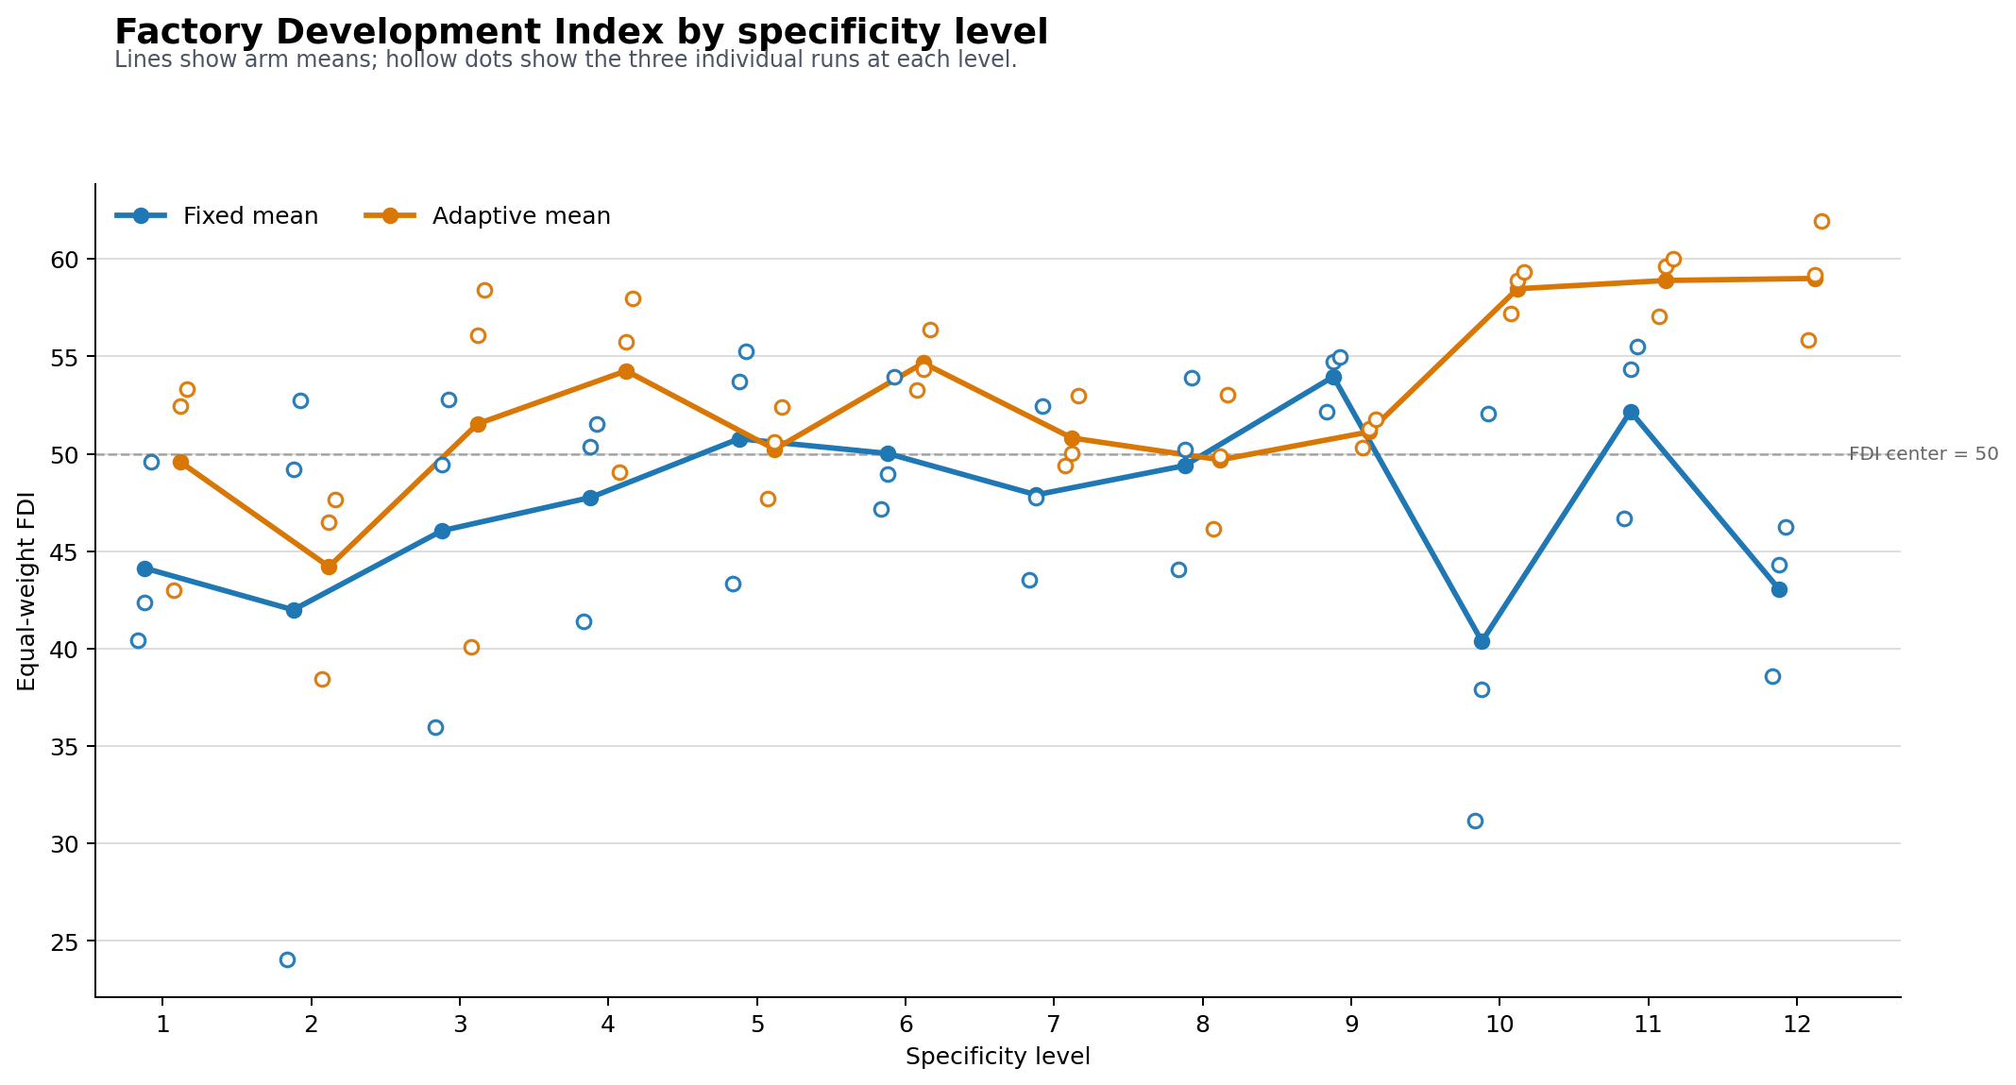

Level | Fixed mean | Fixed SD | Adaptive mean | Adaptive SD
1 | 44.13 | 4.83 | 49.57 | 5.72
2 | 41.99 | 15.65 | 44.20 | 5.01
3 | 46.05 | 8.90 | 51.54 | 9.98
4 | 47.75 | 5.54 | 54.26 | 4.65
5 | 50.77 | 6.50 | 50.23 | 2.38
6 | 50.02 | 3.53 | 54.66 | 1.59
7 | 47.89 | 4.46 | 50.81 | 1.91
8 | 49.39 | 4.98 | 49.69 | 3.46
9 | 53.96 | 1.55 | 51.12 | 0.73
10 | 40.37 | 10.67 | 58.47 | 1.13
11 | 52.18 | 4.78 | 58.90 | 1.60
12 | 43.05 | 3.98 | 59.00 | 3.05

