wheat
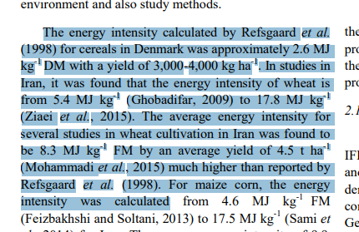
wheat yield | 2900 | kg/ha
kcal | 10765000 | kcal | https://www.researchgate.net/figure/Energy-inputs-of-wheat-production-per-hectare-in-the-United-States_tbl3_26575685
 | 12511.2983 | KWh
 | 45040.67388 | MJ
 | 15.531266855 | MJ/kg | https://www.myfoodresearch.com/uploads/8/4/8/5/84855864/_24__fr-cafei-043_maysami.pdf
 | 45.04067388 | GJ | https://www.researchgate.net/figure/Energy-input-GJ-ha-from-various-sources-in-wheat-cultivation-The-labels-F1-F23_fig3_353984672
 | 4.3142407931 | KWh/kg
 | 15.531266855 | GJ/ton
 | 4314.2407931 | KWh/ton |  |  |  | 14444.456

to produce | 13000000 | tons |  | compare to | https://www.statista.com/statistics/190345/total-us-domestic-grain-use-from-2001/
 | 56085130310 | KWh
 | 56.08513031 | TWh |  |  |  | 1.87777928E+11
 |  |  |  |  |  | 187.777928 | TWh

 |  |  |  | file:///C:/Users/RuggeriniA/Downloads/ldna27247enn.pdf

meat
https://ourworldindata.org/meat-production#meat-consumption-tends-to-rise-as-we-get-richer
https://www.researchgate.net/figure/Energy-consumption-in-meat-supply-chain-MJ-kg-of-purchasable-meat_fig3_312345750

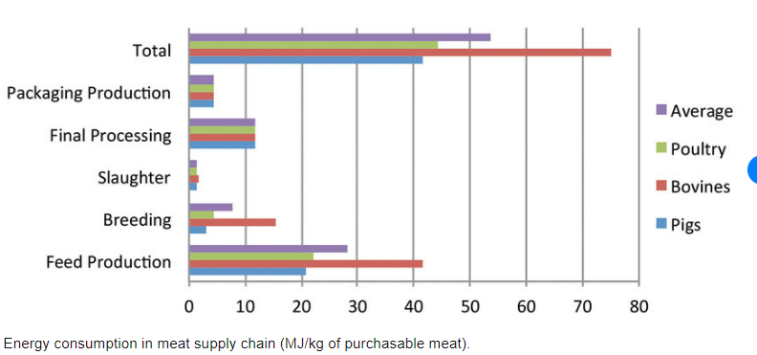
 | 52 | MJ/kg
 | 52000 | MJ/tonne
 | 14444.456 | KWh/tonne

 | 1000 | tons
 | 14444456 | KWh
 | 0.014444456 | TWh

