MS4M
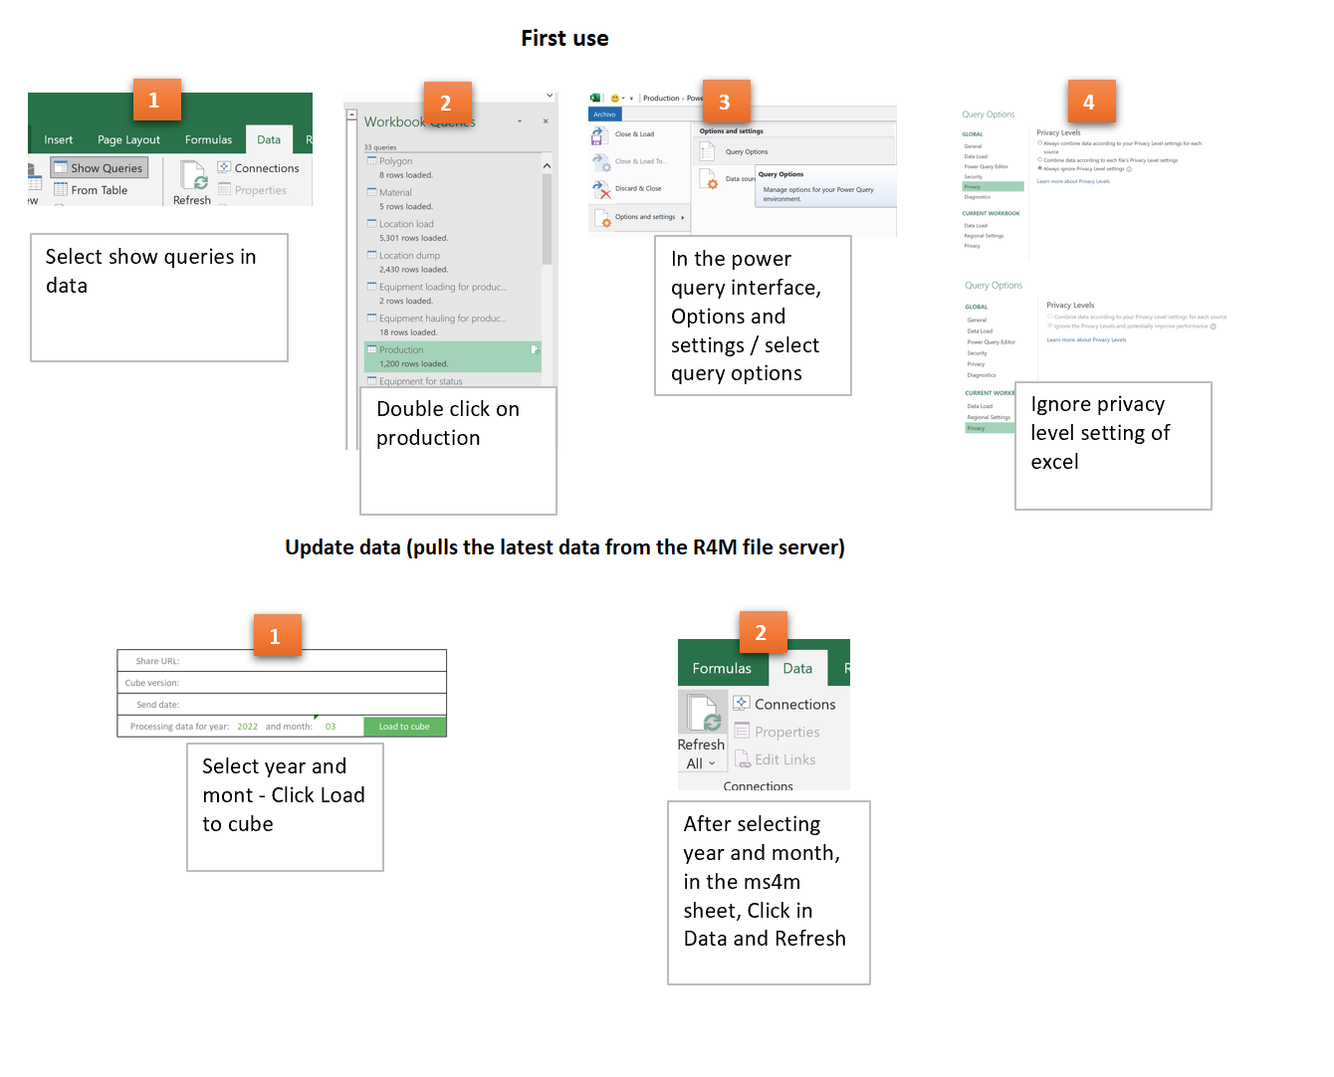
Share URL:
Cube version: | cn3.7 LINDERO
Send date:
Processing data for year: |  | 2023 | and month: | 09

