Sheet1
T9: Simulation Model |  |  | Team Number: |  | 9

Due Date: 4/24
Deliverables:
1. This spreadsheet completed for your aircraft. All cells in blue need to be edited by your team. Cells in dark blue enable/disable parts.
2. Associated stl models for your aircraft as specified below. Note that you should group all models that do not move in the body of your aircraft into one stl file. Control surfaces, rolling landing gear, etc should each be an individual stl file.

Fuselage |  |  |  |  |  |  |  |  | Notes
 | x [m] | y [m] | z [m] | roll [rad] | pitch [rad | yaw [rad]
part pose | 0 | 0 | 0 | 0 | 0 | 0 | Note: Body frame origin chosen as very tip of the aircraft nose, which would be the end of the motor shaft |  | Frame Definitions | body frame convention: x forward through nose, y out left wing, z up
stl pose | 0 | 0 | 0 | 0 | 0 | 0 |  |  | world -> body frame | You must define a point on your aicraft as 0, 0, 0 in the body frame, the choice is up to you.
inertial pose | -0.350082 | 0.000048 | -0.013866 | 0 | 0 | 0 |  |  | world -> body frame -> part pose | Define the position of each part of your aircraft, relative to this body frame.
mass [kg] | 0.224955 |  |  |  |  |  |  |  | world -> body frame -> part pose -> stl pose | The stl model pose is defined relative to the part pose.
 | ixx [kg-m^2] | ixy [kg-m^2] | ixz [kg-m^2] | iyy [kg-m^2] | iyz [kg-m^2] | izz [kg-m^2] |  |  | world -> body frame -> part pose -> inertial pose | The inertial pose is defined relative to the part pose. This is the location of your center of mass and defines the coordinates of your inertia matrix (ixx etc.)
inertia [kg-m^2] | 4.30E-03 | -2.00E-06 | -6.80E-05 | 1.51E-02 | 0.00E+00 | 1.92E-02
stl filename | fuselage_team9.stl |  |  |  |  |  |  |  | stl file should include fuselage, wing, horizontal tail, vertical tail, motore, and landing gear wire/ skids (anything that doesn't move relative to the aircraft frame)
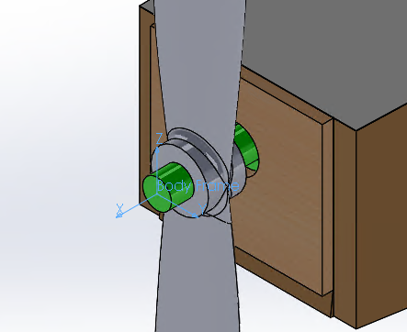
stl scale [mm] | 0.001 |  |  |  |  |  |  |  | should not include: rolling wheels, ailerons, rudder, elevator (anything that does move relative to the frame of the aircraft)
color | brown |  |  |  |  |  |  |  | Set this to make your parts appear different colors.

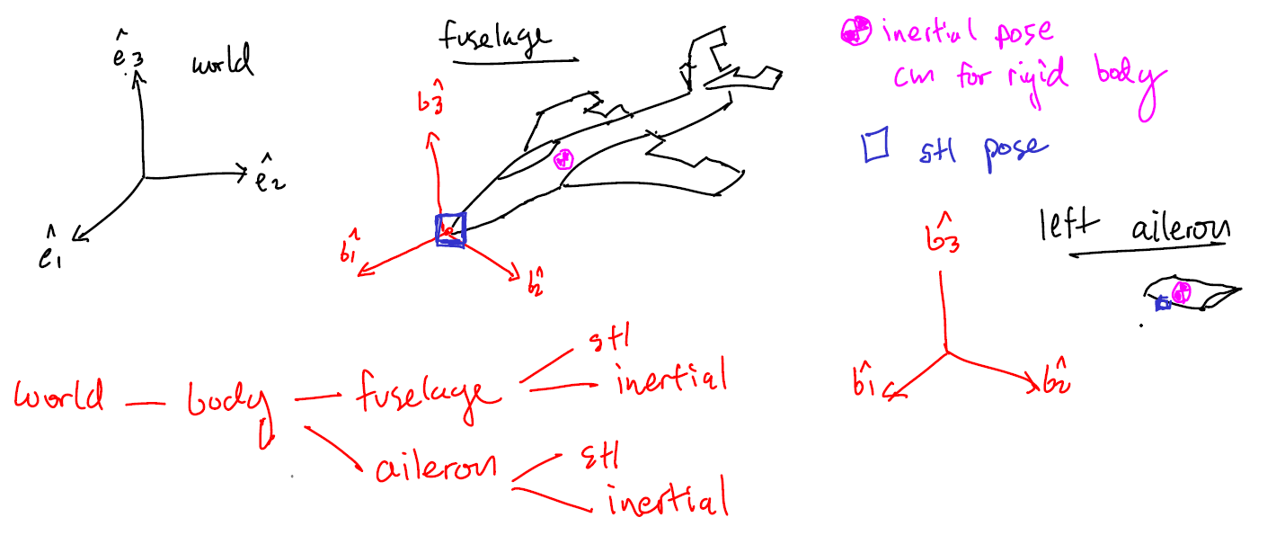
Front Left Landing Gear |  | used? | no |  |  |  |  |  | Do you have this part? (yes/no)
 | x [m] | y [m] | z [m] | roll [rad] | pitch [rad | yaw [rad]
part pose | -0.07 | -0.05 | -0.065 | 0 | 0 | 0
stl pose | 0 | 0 | 0 | 0 | 0 | 0
inertial pose | 0 | 0 | 0 | 0 | 0 | 0
mass [kg] | 0.001
 | ixx [kg-m^2] | ixy [kg-m^2] | ixz [kg-m^2] | iyy [kg-m^2] | iyz [kg-m^2] | izz [kg-m^2]
inertia (kg-m^2) | 1.00E-06 | 0 | 0 | 1.00E-07 | 0 | 1.00E-06
stl filename | wheel.stl
stl scale [m/units] | 0.01
color | black
radius | 0.025
thickness | 0.02

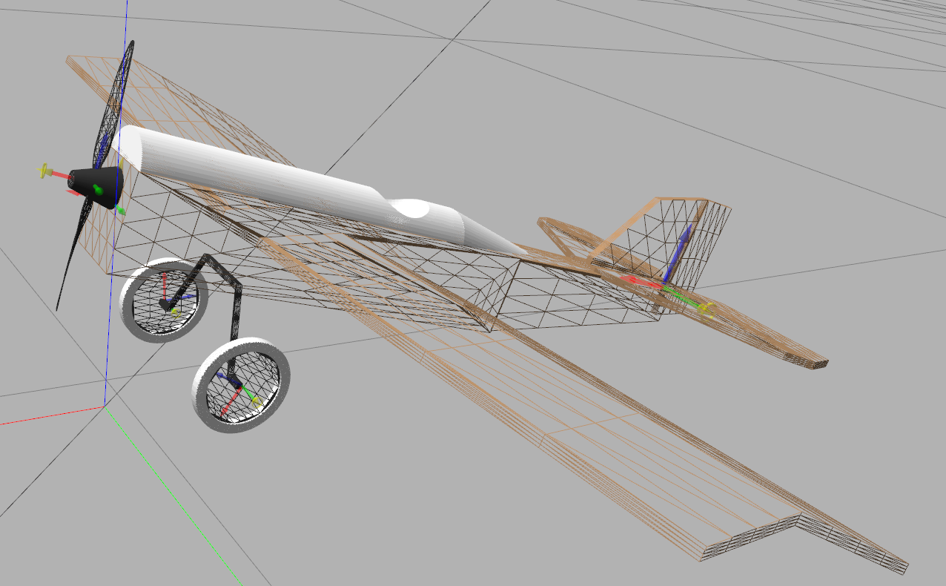
Front Right Landing Gear |  | used? | no |  |  |  | Do you have this part? (yes/no)
 | x [m] | y [m] | z [m] | roll [rad] | pitch [rad | yaw [rad]
part pose | -0.07 | 0.05 | -0.065 | 0 | 0 | 0
stl pose | 0 | 0 | 0 | 0 | 0 | 0
inertial pose | 0 | 0 | 0 | 0 | 0 | 0
mass [kg] | 0.001
 | ixx [kg-m^2] | ixy [kg-m^2] | ixz [kg-m^2] | iyy [kg-m^2] | iyz [kg-m^2] | izz [kg-m^2]
inertia (kg-m^2) | 1.00E-06 | 0 | 0 | 1.00E-07 | 0 | 1.00E-06
stl filename | wheel.stl
stl scale [m/units] | 0.01
color | black
radius | 0.025
thickness | 0.02

Rear Landing Gear |  | used? | no |  |  |  | Do you have this part? (yes/no)
 | x [m] | y [m] | z [m] | roll [rad] | pitch [rad | yaw [rad]
part pose | -0.4 | 0 | 0 | 0 | 0 | 0
stl pose | 0 | 0 | 0 | 0 | 0 | 0
inertial pose | 0 | 0 | 0 | 0 | 0 | 0
mass [kg] | 0.001
 | ixx [kg-m^2] | ixy [kg-m^2] | ixz [kg-m^2] | iyy [kg-m^2] | iyz [kg-m^2] | izz [kg-m^2]
inertia (kg-m^2) | 1.00E-06 | 0 | 0 | 1.00E-07 | 0 | 1.00E-06 |  | A full example model is availabe here: https://github.com/jgoppert/fixedwing_gazebo/tree/master/models/miniscout
stl filename | wheel.stl |  |  |  |  |  |  | Your models will also be posted here as I complete them.
stl scale [m/units] | 0.01
color | black
radius | 0.025
thickness | 0.02

Rudder |  | used? | no |  |  |  | Do you have this part? (yes/no)
 | x [m] | y [m] | z [m] | roll [rad] | pitch [rad | yaw [rad]
part pose | -0.421 | 0 | 0.023 | 0 | 0 | 0
stl pose | 0 | 0 | 0 | 0 | 0 | 0
inertial pose | -0.02 | 0 | 0 | 0 | 0 | 0
mass [kg] | 0.001
 | ixx [kg-m^2] | ixy [kg-m^2] | ixz [kg-m^2] | iyy [kg-m^2] | iyz [kg-m^2] | izz [kg-m^2]
inertia (kg-m^2) | 1.00E-06 | 0 | 0 | 1.00E-06 | 0 | 1.00E-06
stl filename | rudder.stl
stl scale [m/units] | 0.01
lower limit [deg] | 0
upper_limit [deg] | 0
color | white

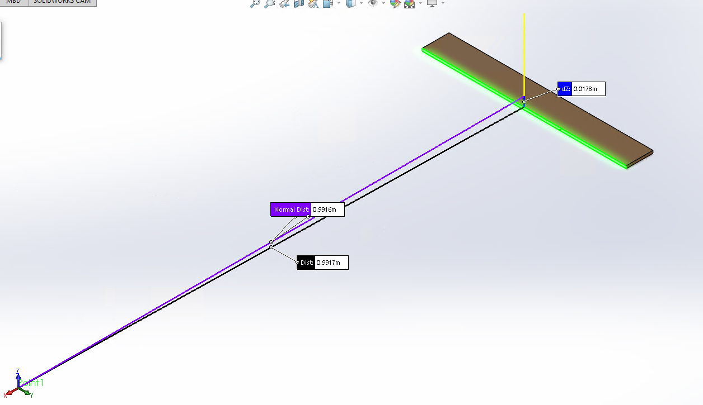
Elevator |  | used? | yes |  |  |  | Do you have this part? (yes/no)
 | x [m] | y [m] | z [m] | roll [rad] | pitch [rad | yaw [rad]
part pose | -0.9917 | 0 | 0.0178 | 0 | 0 | 0 | Note: Part pose relative to the body frame origin and the center of the forward-looking face
stl pose | 0 | 0 | 0 | 0 | 0 | 0
inertial pose | -1.01782 | 0.000188 | -0.020337 | 0 | 0 | 0
mass [kg] | 0.00609
 | ixx [kg-m^2] | ixy [kg-m^2] | ixz [kg-m^2] | iyy [kg-m^2] | iyz [kg-m^2] | izz [kg-m^2]
inertia (kg-m^2) | 8.10E-05 | 0 | 0 | 1.00E-06 | 0 | 8.30E-05
stl filename | elevator_team9.stl
stl scale [mm] | 0.001
lower limit [deg] | -55
upper_limit [deg] | 55
color | white
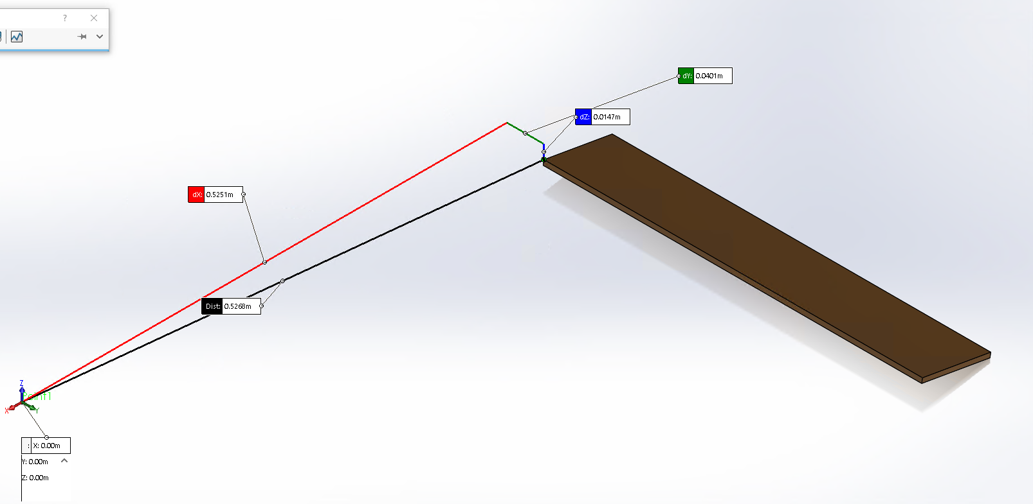
Left Aileron |  | used? | yes |  |  |  | Do you have this part? (yes/no)
 | x [m] | y [m] | z [m] | roll [rad] | pitch [rad | yaw [rad]
part pose | -0.5251 | 0.0401 | -0.0147 | 0 | 0 | 0 | Note: Part pose relative to the body frame origin and the vertex on top of the aileron closest to the fuselage
stl pose | 0 | 0 | 0 | 0 | 0 | 0
inertial pose | -0.56166 | 0.24505 | -0.023604 | 0 | 0 | 0
mass [kg] | 0.008926
 | ixx [kg-m^2] | ixy [kg-m^2] | ixz [kg-m^2] | iyy [kg-m^2] | iyz [kg-m^2] | izz [kg-m^2]
inertia (kg-m^2) | 1.25E-04 | 0.00E+00 | 1.00E-06 | 4.00E-06 | 0 | 1.29E-04
stl filename | left_aileron_team9.stl
stl scale [mm] | 0.001
lower limit [deg] | -55
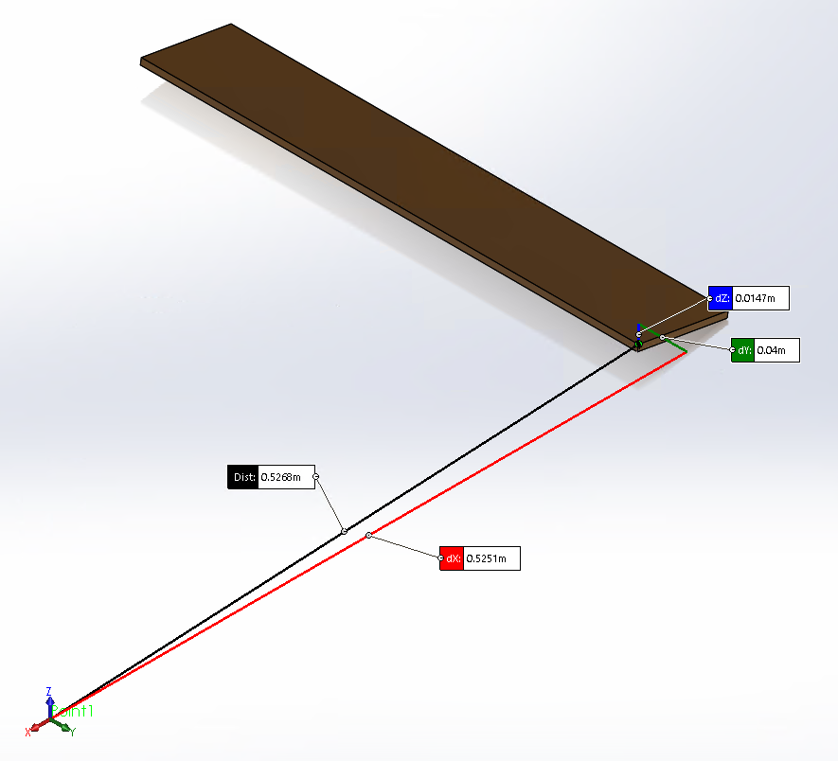
upper_limit [deg] | 55
color | white

Right Aileron |  | used? | yes |  |  |  | Do you have this part? (yes/no)
 | x [m] | y [m] | z [m] | roll [rad] | pitch [rad | yaw [rad]
part pose | -0.5251 | -0.0401 | -0.0147 | 0 | 0 | 0 | Note: Part pose relative to the body frame origin and the vertex on top of the aileron closest to the fuselage
stl pose | 0 | 0 | 0 | 0 | 0 | 0
inertial pose | -0.56166 | -0.24505 | -0.023604 | 0 | 0 | 0
mass [kg] | 0.008926
 | ixx [kg-m^2] | ixy [kg-m^2] | ixz [kg-m^2] | iyy [kg-m^2] | iyz [kg-m^2] | izz [kg-m^2]
inertia (kg-m^2) | 1.25E-04 | 0 | 0.000001 | 4.00E-06 | 0 | 1.29E-04
stl filename | right_aileron_team9.stl
stl scale [mm] | 0.001
lower limit [deg] | -55
upper_limit [deg] | 55
color | white |  |  |  |  |  | For aerodynamics info see: http://gazebosim.org/tutorials?tut=aerodynamics&cat=physics

Vertical Tail Lifting Surface |  |  |  |  |  |  | no inertia properties, this is embedded in fuselage rigid body
a0 [rad] | 0 |  |  |  |  |  | zero lift angle of attack
cla [CL/rad] | 4.053 |  |  |  |  |  | lift coefficient vs alpha slope
cda [CD/rad] | 0.792 |  |  |  |  |  | drag coefficient vs alpha slope, note assumes linear drag model
cma [CM/rad] | -1.492 |  |  |  |  |  | pitch moment coefficient vs alpha, slope
alpha_stall [rad] | 0.274 |  |  |  |  |  | stall angle of attack
cla_stall [rad | -3.285 |  |  |  |  |  | lift coefficient vs alpha slope in stall region
cda_stall [rad] | -1.138 |  |  |  |  |  | drag coefficient vs alpha slope in stall region
cma_stall [rad] | 0 |  |  |  |  |  | pitch moment coefficient vs alpha in stall region
cp [m] | -0.591 | 0 | 0.0675 |  |  |  | center of pressure, (x, y, z)
area [m^2] | 0.02 |  |  |  |  |  | area of lift surface, note this is just one side of your wing, since two lifting surfaces are used to model dihedral
forward | 1 | 0 | 0 |  |  |  | coordinate frame of airfoil, forward is opposite drag, upward is oppose lift
upward | 0 | 1 | 0 |  |  |  | upward is oppose lift
clc [CL/rad] | 0 |  |  |  | Rudder is not used |  | CL change due to control deflection (rudder)

Horizontal Tail Lifting Surface |  |  |  |  |  |  | no inertia properties, this is embedded in fuselage rigid body
a0 [rad] | -0.163
cla [CL/rad] | 4.053
cda [CD/rad] | 0.792
cma [CM/rad] | -1.492
alpha_stall [rad] | 0.274
cla_stall [rad | -3.285
cda_stall [rad] | -1.138
cma_stall [rad] | 0
cp [m] | -0.566 | 0 | 0
area [m^2] | 0.06
forward | 1 | 0 | 0
upward | 0 | 0 | 1
clc [CL/rad] | -3.603

Left Wing Lifting Surface |  |  |  |  |  |  | no inertia properties, this is embedded in fuselage rigid body
a0 [rad] | 0.082
cla [CL/rad] | 4.053
cda [CD/rad] | 0.792
cma [CM/rad] | -1.492
alpha_stall [rad] | 0.274
cla_stall [rad | -3.285
cda_stall [rad] | -1.138
cma_stall [rad] | 0
cp [m] | -0.102 | 0.013 | 0
area [m^2] | 0.135
forward | 1 | 0 | 0
upward | 0 | -0.052 | 0.998
clc [CL/rad] | -7.207 |  |  |  | Each aileron is much larger |  | CL change due to control deflection (left aileron)
 |  |  |  |  | than the elevator
Right Wing Lifting Surface |  |  |  |  |  |  | no inertia properties, this is embedded in fuselage rigid body
a0 [rad] | 0.082
cla [CL/rad] | 4.053
cda [CD/rad] | 0.792
cma [CM/rad] | -1.492
alpha_stall [rad] | 0.274
cla_stall [rad | -3.285
cda_stall [rad] | -1.138
cma_stall [rad] | 0
cp [m] | -0.102 | -0.013 | 0
area [m^2] | 0.135
forward | 1 | 0 | 0
upward | 0 | 0.052 | 0.998
clc [CL/rad] | -7.207 |  |  |  |  |  | CL change due to control deflection (right aileron)

Propeller 1 |  | used? | yes
 | x [m] | y [m] | z [m] | roll [rad] | pitch [rad | yaw [rad]
part pose | 0.0051 | 0 | 0 | 0 | 0 | 0 | Note the yaw here to change the thrust alignment.
stl pose | 0 | 0 | 0 | 0 | 0 | 0
inertial pose | -0.009257 | -0.000635 | 0.000604 | 0 | 0 | 0
mass [kg] | 0.011908
 | ixx [kg-m^2] | ixy [kg-m^2] | ixz [kg-m^2] | iyy [kg-m^2] | iyz [kg-m^2] | izz [kg-m^2]
inertia (kg-m^2) | 1.60E-05 | 0 | 0 | 1.60E-05 | 0.000001 | 0.00E+00
stl filename | propeller_team9.stl
stl scale [mm] | 0.001
color | black
blade number | 2
max thrust w/ motor [N] | 4 |  |  |  |  |  | The maximum thrust you expect to obtain from this propeller/motor combination.
CT vs J polynomial | 0.12584922 | -0.02151464 | -0.26157402 | 0.14307574 | -0.03926412 |  | 4th order polyfit of Thrust Coefficient vs Advance Ratio, CT = a + b*J + c*J^2 + d*J^3 + e*J^4, coeff order [a, b, c, d, e]
CP vs J polynomial | 0.05531865 | 0.027009 | -0.0517585 | -0.07700613 | -0.00036864 |  | 4th order polyfit of Power Coefficient vs Advance Ratio, CP = a + b*J + c*J^2 + d*J^3 + e*J^4, coeff order [a, b, c, d, e]

Propeller 2 |  | used? | no |  |  |  | Do you have this part? (yes/no) Use to support teams with twin motors.
 | x [m] | y [m] | z [m] | roll [rad] | pitch [rad | yaw [rad]
part pose | 0 | 0 | 0 | 0 | 0 | 0
stl pose | 0 | 0 | 0 | 0 | 0 | 0
inertial pose | 0 | 0 | 0 | 0 | 0 | 0
mass [kg] | 0
 | ixx [kg-m^2] | ixy [kg-m^2] | ixz [kg-m^2] | iyy [kg-m^2] | iyz [kg-m^2] | izz [kg-m^2]
inertia (kg-m^2) | 0.00E+00 | 0 | 0 | 0.00E+00 | 0 | 0.00E+00
stl filename | none
stl scale [m/units] | 0.01
color | black
blade number | 2
max thrust w/ motor [N] | 0
CT vs J polynomial | 0 | 0 | 0 | 0 | 0
CP vs J polynomial | 0 | 0 | 0 | 0 | 0

Propeller Blade Lifting Surface |  |  |  |  |  |  | no inertia properties, this is embedded in fuselage rigid body
a0 [rad] | 0.467
cla [CL/rad] | 4.053
cda [CD/rad] | 0.792
cma [CM/rad] | 0
alpha_stall [rad] | 2
cla_stall [rad | -3.285
cda_stall [rad] | -1.138
cma_stall [rad] | 0
cp [m] | 0 | 0 | 0.0583 |  |  |  | center of pressure, (x, y, z), should be about 3/4 radius of prop along z axis
area [m^2] | 2.33E-04 |  |  |  |  |  | area of the prop

Motor Properties |  |  |  |  |  |  | see: http://web.mit.edu/drela/Public/web/qprop/motor1_theory.pdf
KV [rpm/Volt] | 2300 |  |  |  |  |  | motor speed constant
Battery Voltage [Volts] | 11.1 |  |  |  |  |  | battery voltage
i0 [Amps] | 0 |  |  |  |  |  | zero-torque current
R0 [Ohm] | 0 |  |  |  |  |  | motor resistance

