Sheet1
T9: Simulation Model |  |  | Team Number: |  | 10

Due Date: 4/24
Deliverables:
1. This spreadsheet completed for your aircraft. All cells in blue need to be edited by your team. Cells in dark blue enable/disable parts.
2. Associated stl models for your aircraft as specified below. Note that you should group all models that do not move in the body of your aircraft into one stl file. Control surfaces, rolling landing gear, etc should each be an individual stl file.

Fuselage |  |  |  |  |  |  | Notes
 | x [m] | y [m] | z [m] | roll [rad] | pitch [rad | yaw [rad]
part pose | 0 | 0 | 0 | 0 | 0 | 0 | Frame Definitions |  | body frame convention: x forward through nose, y out left wing, z up
stl pose | 0 | 0 | 0 | 0 | 0 | 0 | world -> body frame |  | You must define a point on your aicraft as 0, 0, 0 in the body frame, the choice is up to you.
inertial pose | -0.144717 | 0.00014 | -0.022825 | 0 | 0 | 0 | world -> body frame -> part pose |  | Define the position of each part of your aircraft, relative to this body frame.
mass [kg] | 0.244 |  |  |  |  |  | world -> body frame -> part pose -> stl pose |  | The stl model pose is defined relative to the part pose.
 | ixx [kg-m^2] | ixy [kg-m^2] | ixz [kg-m^2] | iyy [kg-m^2] | iyz [kg-m^2] | izz [kg-m^2] | world -> body frame -> part pose -> inertial pose |  | The inertial pose is defined relative to the part pose. This is the location of your center of mass and defines the coordinates of your inertia matrix (ixx etc.)
inertia [kg-m^2] | 3.17E-03 | -9.92E-07 | 1.03E-04 | 2.18E-03 | -4.00E-08 | 5.24E-03
stl filename | Body.stl |  |  |  |  |  | stl file should include fuselage, wing, horizontal tail, vertical tail, motore, and landing gear wire/ skids (anything that doesn't move relative to the aircraft frame)
stl scale [m/units] | 0.001 |  |  |  |  |  | should not include: rolling wheels, ailerons, rudder, elevator (anything that does move relative to the frame of the aircraft)
color | brown |  |  |  |  |  | Set this to make your parts appear different colors.

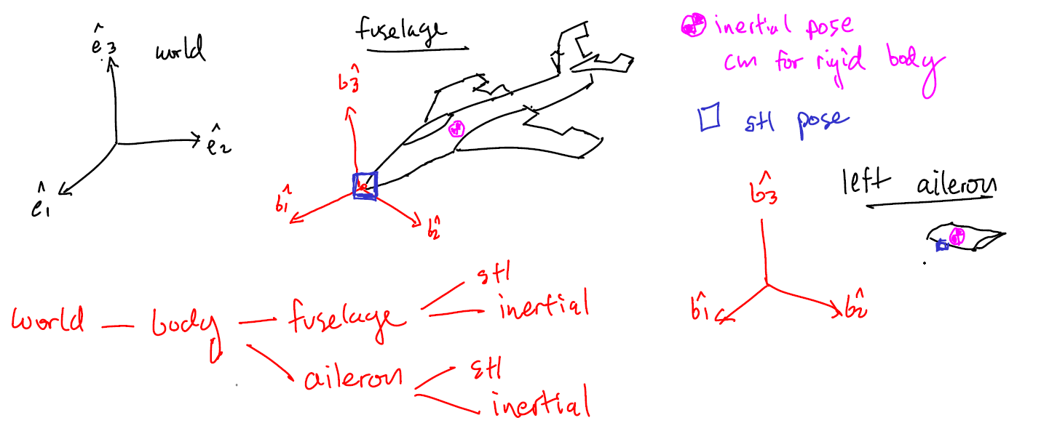
Front Left Landing Gear |  | used? | yes |  |  |  | Do you have this part? (yes/no)
 | x [m] | y [m] | z [m] | roll [rad] | pitch [rad | yaw [rad]
part pose | -0.105486 | 0.028444 | -0.092851 | 0 | 0 | 0
stl pose | 0 | 0 | 0 | 0 | 0 | 0
inertial pose | 0 | 0.0081 | 0 | 0 | 0 | 0
mass [kg] | 0.004
 | ixx [kg-m^2] | ixy [kg-m^2] | ixz [kg-m^2] | iyy [kg-m^2] | iyz [kg-m^2] | izz [kg-m^2]
inertia (kg-m^2) | 9.17E-07 | 0 | 0 | 1.68E-06 | 0 | 9.17E-07
stl filename | Wheel.stl
stl scale [m/units] | 0.001
color | black
radius | 0.03048
thickness | 0.0162

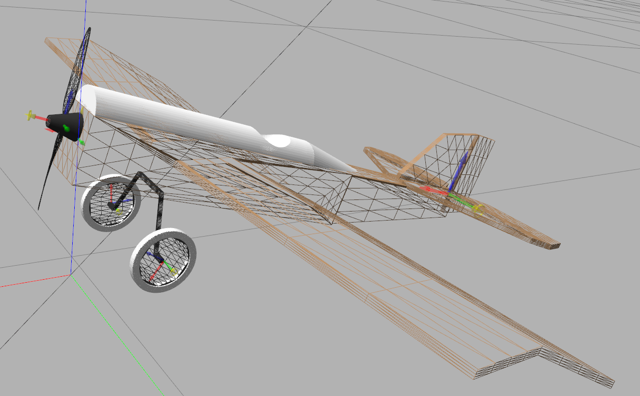
Front Right Landing Gear |  | used? | yes |  |  |  | Do you have this part? (yes/no)
 | x [m] | y [m] | z [m] | roll [rad] | pitch [rad | yaw [rad]
part pose | -0.105486 | -0.028444 | -0.092851 | 3.141592 | 0 | 0
stl pose | 0 | 0 | 0 | 0 | 0 | 0
inertial pose | 0 | 0.0081 | 0 | 0 | 0 | 0
mass [kg] | 0.004
 | ixx [kg-m^2] | ixy [kg-m^2] | ixz [kg-m^2] | iyy [kg-m^2] | iyz [kg-m^2] | izz [kg-m^2]
inertia (kg-m^2) | 9.17E-07 | 0 | 0 | 1.68E-06 | 0 | 9.17E-07
stl filename | Wheel.stl
stl scale [m/units] | 0.001
color | black
radius | 0.03048
thickness | 0.0162

Rear Landing Gear |  | used? | no |  |  |  | Do you have this part? (yes/no)
 | x [m] | y [m] | z [m] | roll [rad] | pitch [rad | yaw [rad]
part pose | 0 | 0 | 0 | 0 | 0 | 0
stl pose | 0 | 0 | 0 | 0 | 0 | 0
inertial pose | 0 | 0 | 0 | 0 | 0 | 0
mass [kg] | 0
 | ixx [kg-m^2] | ixy [kg-m^2] | ixz [kg-m^2] | iyy [kg-m^2] | iyz [kg-m^2] | izz [kg-m^2]
inertia (kg-m^2) | 0.00E+00 | 0 | 0 | 0.00E+00 | 0 | 0.00E+00 |  | A full example model is availabe here: https://github.com/jgoppert/fixedwing_gazebo/tree/master/models/miniscout
stl filename | wheel.stl |  |  |  |  |  |  | Your models will also be posted here as I complete them.
stl scale [m/units] | 0.001
color | black
radius | 0
thickness | 0

Rudder |  | used? | yes |  |  |  | Do you have this part? (yes/no)
 | x [m] | y [m] | z [m] | roll [rad] | pitch [rad | yaw [rad]
part pose | -0.478265 | -0.0025 | -0.002782 | 0 | 0 | 0
stl pose | 0 | 0 | 0 | 0 | 0 | 0
inertial pose | -0.016521 | 0.002421 | 0.055262 | 0 | 0 | 0
mass [kg] | 0.001
 | ixx [kg-m^2] | ixy [kg-m^2] | ixz [kg-m^2] | iyy [kg-m^2] | iyz [kg-m^2] | izz [kg-m^2]
inertia (kg-m^2) | 4.91E-07 | 1.00E-09 | 1.80E-08 | 5.42E-07 | 0 | 5.40E-08
stl filename | Rudder.stl
stl scale [m/units] | 0.001
lower limit [deg] | -35
upper_limit [deg] | 35
color | brown

Elevator |  | used? | yes |  |  |  | Do you have this part? (yes/no)
 | x [m] | y [m] | z [m] | roll [rad] | pitch [rad | yaw [rad]
part pose | -0.482 | 0 | -0.002782 | 0 | 0 | 0
stl pose | 0 | 0 | 0 | 0 | 0 | 0
inertial pose | -0.015209 | 0 | -0.002418 | 0 | 0 | 0
mass [kg] | 0.002
 | ixx [kg-m^2] | ixy [kg-m^2] | ixz [kg-m^2] | iyy [kg-m^2] | iyz [kg-m^2] | izz [kg-m^2]
inertia (kg-m^2) | 1.29E-05 | 0 | -2.00E-09 | 1.13E-07 | 0 | 1.30E-05
stl filename | Elevator.stl
stl scale [m/units] | 0.001
lower limit [deg] | -35
upper_limit [deg] | 35
color | brown

Left Aileron |  | used? | yes |  |  |  | Do you have this part? (yes/no)
 | x [m] | y [m] | z [m] | roll [rad] | pitch [rad | yaw [rad]
part pose | -0.216453 | 0.189607 | -0.024819 | 0.0873 | 0 | 0
stl pose | 0 | 0 | 0 | 0 | 0 | 0
inertial pose | -1.87E-02 | 0 | -2.44E-03 | 0 | 0 | 0
mass [kg] | 0.003
 | ixx [kg-m^2] | ixy [kg-m^2] | ixz [kg-m^2] | iyy [kg-m^2] | iyz [kg-m^2] | izz [kg-m^2]
inertia (kg-m^2) | 1.65E-05 | 0 | -3.00E-09 | 2.30E-07 | 0 | 1.67E-05
stl filename | Aileron.stl
stl scale [m/units] | 0.001
lower limit [deg] | -35
upper_limit [deg] | 35
color | brown

Right Aileron |  | used? | yes |  |  |  | Do you have this part? (yes/no)
 | x [m] | y [m] | z [m] | roll [rad] | pitch [rad | yaw [rad]
part pose | -0.216453 | -0.189607 | -0.024819 | -0.0873 | 0 | 0
stl pose | 0 | 0 | 0 | 0 | 0 | 0
inertial pose | -1.87E-02 | 0 | -2.44E-03 | 0 | 0 | 0
mass [kg] | 0.003
 | ixx [kg-m^2] | ixy [kg-m^2] | ixz [kg-m^2] | iyy [kg-m^2] | iyz [kg-m^2] | izz [kg-m^2]
inertia (kg-m^2) | 1.65E-05 | 0 | -3.00E-09 | 2.30E-07 | 0 | 1.67E-05
stl filename | Aileron.stl
stl scale [m/units] | 0.001
lower limit [deg] | -35
upper_limit [deg] | 35
color | brown |  |  |  |  |  | For aerodynamics info see: http://gazebosim.org/tutorials?tut=aerodynamics&cat=physics

Vertical Tail Lifting Surface |  | NACA 0010 |  |  |  |  | no inertia properties, this is embedded in fuselage rigid body
a0 [rad] | 0 |  |  |  |  |  | zero lift angle of attack
cla [CL/rad] | 5.61 |  |  |  |  |  | lift coefficient vs alpha slope
cda [CD/rad] | 0.312 |  |  |  |  |  | drag coefficient vs alpha slope, note assumes linear drag model
cma [CM/rad] | -9.78 |  |  |  |  |  | pitch moment coefficient vs alpha, slope
alpha_stall [rad] | 0.34 |  |  |  |  |  | stall angle of attack
cla_stall [rad | -12.1 |  |  |  |  |  | lift coefficient vs alpha slope in stall region
cda_stall [rad] | 0.9083 |  |  |  |  |  | drag coefficient vs alpha slope in stall region
cma_stall [rad] | -0.434 |  |  |  |  |  | pitch moment coefficient vs alpha in stall region
cp [m] | -0.42 | 0 | 0.05 |  |  |  | center of pressure, (x, y, z)
area [m^2] | 0.05 |  |  |  |  |  | area of lift surface, note this is just one side of your wing, since two lifting surfaces are used to model dihedral
forward | 1 | 0 | 0 |  |  |  | coordinate frame of airfoil, forward is opposite drag, upward is oppose lift
upward | 0 | 1 | 0 |  |  |  | upward is oppose lift
clc [CL/rad] | 3.82 |  |  |  |  |  | CL change due to control deflection (rudder)

Horizontal Tail Lifting Surface |  |  |  |  |  |  | no inertia properties, this is embedded in fuselage rigid body
a0 [rad] | 0 |  |  |  |  |  | zero lift angle of attack
cla [CL/rad] | 5.61 |  |  |  |  |  | lift coefficient vs alpha slope
cda [CD/rad] | 0.312 |  |  |  |  |  | drag coefficient vs alpha slope, note assumes linear drag model
cma [CM/rad] | -9.78 |  |  |  |  |  | pitch moment coefficient vs alpha, slope
alpha_stall [rad] | 0.34 |  |  |  |  |  | stall angle of attack
cla_stall [rad | -12.1 |  |  |  |  |  | lift coefficient vs alpha slope in stall region
cda_stall [rad] | 0.9083 |  |  |  |  |  | drag coefficient vs alpha slope in stall region
cma_stall [rad] | -0.434 |  |  |  |  |  | pitch moment coefficient vs alpha in stall region
cp [m] | -0.42 | 0 | 0.02 |  |  |  | center of pressure, (x, y, z)
area [m^2] | 0.05 |  |  |  |  |  | area of lift surface, note this is just one side of your wing, since two lifting surfaces are used to model dihedral
forward | 1 | 0 | 0 |  |  |  | coordinate frame of airfoil, forward is opposite drag, upward is oppose lift
upward | 0 | 0 | 1 |  |  |  | upward is oppose lift
clc [CL/rad] | 3.82 |  |  |  |  |  | CL change due to control deflection (rudder)

Left Wing Lifting Surface |  | NACA 3307 |  |  |  |  | no inertia properties, this is embedded in fuselage rigid body
a0 [rad] | -0.04799655 |  |  |  |  |  | zero lift angle of attack
cla [CL/rad] | 5.2894 |  |  |  |  |  | lift coefficient vs alpha slope
cda [CD/rad] | 0.773 |  |  |  |  |  | drag coefficient vs alpha slope, note assumes linear drag model
cma [CM/rad] | -0.286533 |  |  |  |  |  | pitch moment coefficient vs alpha, slope
alpha_stall [rad] | 10.25 |  |  |  |  |  | stall angle of attack
cla_stall [rad | -5.945 |  |  |  |  |  | lift coefficient vs alpha slope in stall region
cda_stall [rad] | -0.56 |  |  |  |  |  | drag coefficient vs alpha slope in stall region
cma_stall [rad] | -0.67 |  |  |  |  |  | pitch moment coefficient vs alpha in stall region
cp [m] | -0.032 | 0.25 | 0.01 |  |  |  | center of pressure, (x, y, z)
area [m^2] | 0.0707 |  |  |  |  |  | area of lift surface, note this is just one side of your wing, since two lifting surfaces are used to model dihedral
forward | 1 | 0 | 0 |  |  |  | coordinate frame of airfoil, forward is opposite drag, upward is oppose lift
upward | 0 | -0.087 | 0.996 |  |  |  | upward is oppose lift
clc [CL/rad] | 2.56 |  |  |  |  |  | CL change due to control deflection (rudder)

Right Wing Lifting Surface |  |  |  |  |  |  | no inertia properties, this is embedded in fuselage rigid body
a0 [rad] | -0.04799655 |  |  |  |  |  | zero lift angle of attack
cla [CL/rad] | 5.2894 |  |  |  |  |  | lift coefficient vs alpha slope
cda [CD/rad] | 0.773 |  |  |  |  |  | drag coefficient vs alpha slope, note assumes linear drag model
cma [CM/rad] | -0.286533 |  |  |  |  |  | pitch moment coefficient vs alpha, slope
alpha_stall [rad] | 10.25 |  |  |  |  |  | stall angle of attack
cla_stall [rad | -5.945 |  |  |  |  |  | lift coefficient vs alpha slope in stall region
cda_stall [rad] | -0.56 |  |  |  |  |  | drag coefficient vs alpha slope in stall region
cma_stall [rad] | -0.67 |  |  |  |  |  | pitch moment coefficient vs alpha in stall region
cp [m] | -0.032 | -0.25 | 0.01 |  |  |  | center of pressure, (x, y, z)
area [m^2] | 0.0707 |  |  |  |  |  | area of lift surface, note this is just one side of your wing, since two lifting surfaces are used to model dihedral
forward | 1 | 0 | 0 |  |  |  | coordinate frame of airfoil, forward is opposite drag, upward is oppose lift
upward | 0 | 0.087 | 0.996 |  |  |  | upward is oppose lift
clc [CL/rad] | 2.56 |  |  |  |  |  | CL change due to control deflection (rudder)

Propeller 1
 | x [m] | y [m] | z [m] | roll [rad] | pitch [rad | yaw [rad]
part pose | 0.0067 | 0 | -0.01997 | 0 | 0 | 0 | Note the yaw here to change the thrust alignment.
stl pose | 0 | 0 | 0 | 0 | 0 | 0
inertial pose | 0.0033 | 0 | 0 | 0 | 0 | 0
mass [kg] | 0.001
 | ixx [kg-m^2] | ixy [kg-m^2] | ixz [kg-m^2] | iyy [kg-m^2] | iyz [kg-m^2] | izz [kg-m^2]
inertia (kg-m^2) | 1.06E-06 | 0 | 0 | 1.06E-06 | 0 | 6.00E-09
stl filename | Propeller.stl
stl scale [m/units] | 0.001
color | black
blade number | 2
max thrust w/ motor [N] | 3.73 N |  |  |  |  |  | The maximum thrust you expect to obtain from this propeller/motor combination.
CT vs J polynomial | N/A | N/A | N/A | N/A | N/A |  | 4th order polyfit of Thrust Coefficient vs Advance Ratio, CT = a + b*J + c*J^2 + d*J^3 + e*J^4, coeff order [a, b, c, d, e]
CP vs J polynomial | N/A | N/A | N/A | N/A | N/A |  | 4th order polyfit of Power Coefficient vs Advance Ratio, CP = a + b*J + c*J^2 + d*J^3 + e*J^4, coeff order [a, b, c, d, e]

Propeller 2 |  | used? | no |  |  |  | Do you have this part? (yes/no) Use to support teams with twin motors.
 | x [m] | y [m] | z [m] | roll [rad] | pitch [rad | yaw [rad]
part pose | 0 | 0 | 0 | 0 | 0 | 0
stl pose | 0 | 0 | 0 | 0 | 0 | 0
inertial pose | 0 | 0 | 0 | 0 | 0 | 0
mass [kg] | 0
 | ixx [kg-m^2] | ixy [kg-m^2] | ixz [kg-m^2] | iyy [kg-m^2] | iyz [kg-m^2] | izz [kg-m^2]
inertia (kg-m^2) | 0.00E+00 | 0 | 0 | 0.00E+00 | 0 | 0.00E+00
stl filename | none
stl scale [m/units] | 0.01
color | black
blade number | 2
max thrust w/ motor [N] | 0
CT vs J polynomial | 0 | 0 | 0 | 0 | 0
CP vs J polynomial | 0 | 0 | 0 | 0 | 0

Propeller Blade Lifting Surface |  |  |  |  |  |  | no inertia properties, this is embedded in fuselage rigid body
a0 [rad] | 0.4
cla [CL/rad] | 4.75
cda [CD/rad] | 0.64
cma [CM/rad] | 0
alpha_stall [rad] | 1.5
cla_stall [rad | -3.85
cda_stall [rad] | -0.92
cma_stall [rad] | 0
cp [m] | 0 | 0 | 0.05 |  |  |  | center of pressure, (x, y, z), should be about 3/4 radius of prop along z axis
area [m^2] | 2.00E-04 |  |  |  |  |  | area of the prop

Motor Properties |  |  |  |  |  |  | see: http://web.mit.edu/drela/Public/web/qprop/motor1_theory.pdf
KV [rpm/Volt] | 2280 |  |  |  |  |  | motor speed constant
Battery Voltage [Volts] | 11.1 |  |  |  |  |  | battery voltage
i0 [Amps] | 0.5 |  | Estimate Provided by Phil due to a lack of info for our motor |  |  |  | zero-torque current
R0 [Ohm] | 0.2 |  | Estimate Provided by Phil due to a lack of info for our motor |  |  |  | motor resistance

