Sheet1
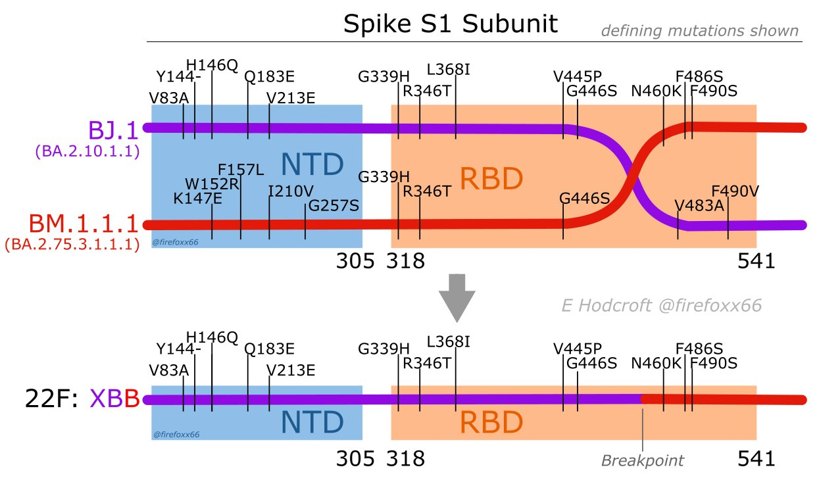
Variant | Pos | Ref | Alt | New Pos
BJ.1 | 339 | G | H | 2
BJ.1 | 346 | R | T | 9
BJ.1 | 368 | L | I | 31
BJ.1 | 445 | V | P | 108
BJ.1 | 446 | G | S | 109
BJ.1 | 483 | V | A | 146
BJ.1 | 490 | F | V | 153
BM.1.1.1 | 339 | G | H | 2
BM.1.1.1 | 346 | R | T | 9
BM.1.1.1 | 446 | G | S | 109
BM.1.1.1 | 460 | N | K | 123
BM.1.1.1 | 486 | F | S | 149
BM.1.1.1 | 490 | F | S | 153
XBB.1 | 339 | G | H | 2
XBB.1 | 346 | R | T | 9
XBB.1 | 368 | L | I | 31
XBB.1 | 445 | V | P | 108
XBB.1 | 446 | G | S | 109
XBB.1 | 460 | N | K | 123
XBB.1 | 486 | F | S | 149
XBB.1 | 490 | F | S | 153

