SCR36
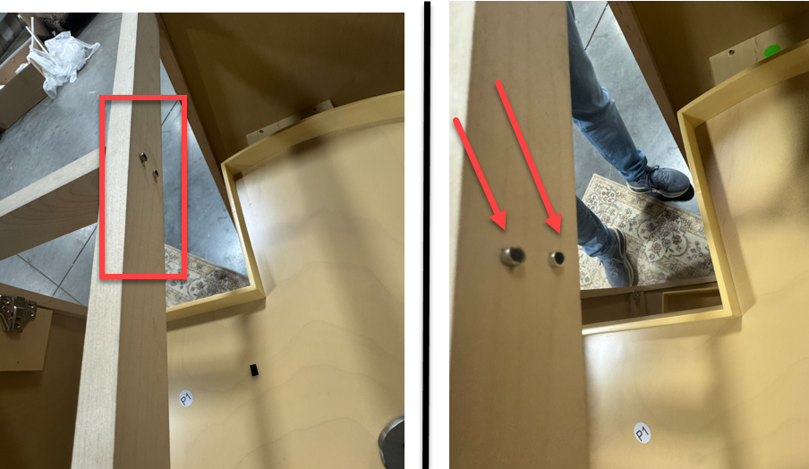
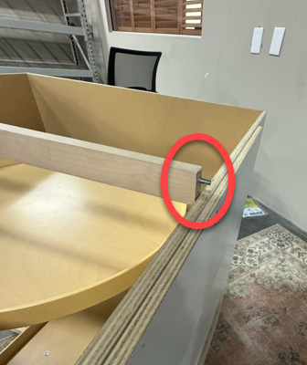
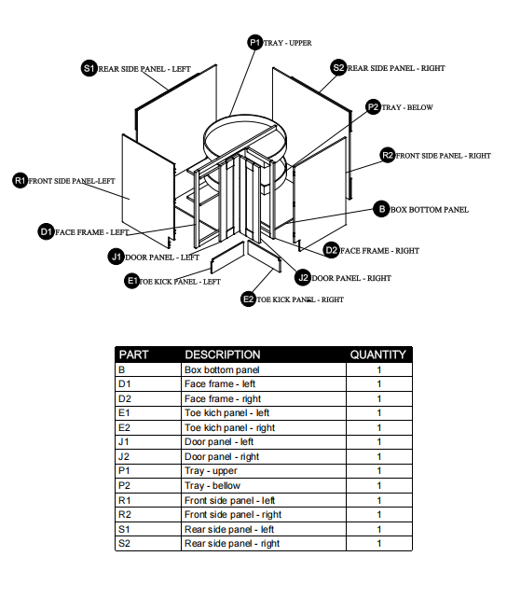
 |  | Hardware |  |  |  |  | Corner Base - Lazy Susan SCR36
 |  | Code | Quantity | Description | Picture |  | Take panel BR and SR - standing uprgiht. Identify QJ slot 1 lift SR slightly off the floor and insert all 3 connectors then press SR toward the floor (or downward) to fully engage. Leave standing
 |  | HH | 4 | Rubber bumper |  |  | Grab panel BP and orient to QJ slot 2. Lift BP panel and support the panel on bottome block on SR. While resting on support block, Align QJ2 slots with all 3 conectors
 |  | mm | 14 | 插销 |  |  | Insert connects into keyslot and then slide BP toward BR to fully engage
 |  | OO | 2 | Soft-close hinge |  |  | Leave BP resting as it is
 |  | oo | 1 | 插销垫块 |  |  | Take Panel SL and orient to QJ 3. Orient QJ 3 to the slot and insert all 3 connectors.
 |  |  |  |  |  |  | Ensure panel SL is perpendicular or 90 degree angle with panel BP
 |  |  |  |  |  |  | Fully engage by sliding panel SL toward panel SR completely
 |  |  |  |  |  |  | Grab support block and slide it under the rear corner of panel SL. Then slide the block forward 4 in to provide clearance for panel BL
 |  |  | Corrections Needed Needed |  |  |  | STOP - looking down the block should beyond the panel BP (bottom panel).
 |  |  |  |  |  |  | Using **Note panelBR is intended to flex away from the bottome deck.
 |  | 1 | Right Side Panel |  |  |  | Using panel BL press at 90 degree against panel bR to open the flex slightly to engage QJ 4
 |  |  |  | All base cabinets should have inset to avoid blowout. Right side panel to have inset like the left side. Router came in damaged, then when engaging with slide it broke |  |  | Insert the connecters into QJ4 slots
 |  |  |  | Router position/direction needs to be reversed on Right Side Panel |  |  | Remove support block and press downward on SL to fully engage QJ4
 |  | 2 | Spring pin bore/dia | Edge bore drilling to be center (currently off center). Also, ensure the diameter is 5.2 mm |  |  | The will be a small gap at QJ 5, slightly lift panel BR and align all 3 connectors to the entry point of the keyslot.

 |  | 3 | Face Frame | End of frame has 3 drill pin holes.Should not have pPre-installed pin |  |  | While carefully lifting BR, locate entry point of top slot then insert (do not engage) top connector.
 |  |  |  | To prevent pin from going all in and embedding. Depth should be 18mm not 36mm. |  |  | While holding BR in lifted position, CLOSE the flex point at the bottom by tapping panel BR toward BL (tap with your foor)

 |  | 4 | Face Frame- backside | Back side, show pins going through and unsightly. Needs to be fixed |  |  | NOTE**Before you egage QJ5! Ensure thatBR and BL are fully flush together and all 3 connectors in QJ5 are inserted fully in the entry points
 |  |  |  |  |  |  | Finally, press downward on BR to fully engage QJ5

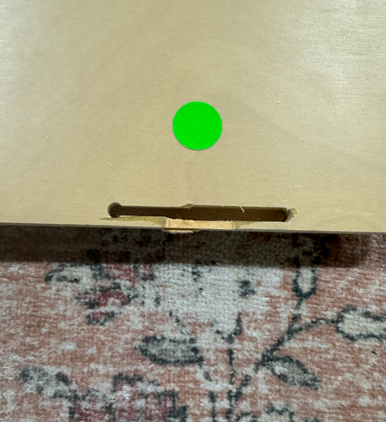
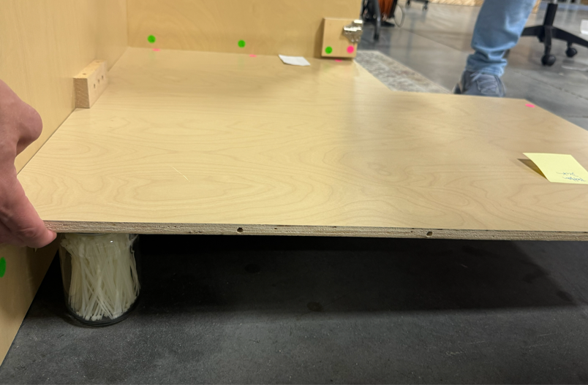
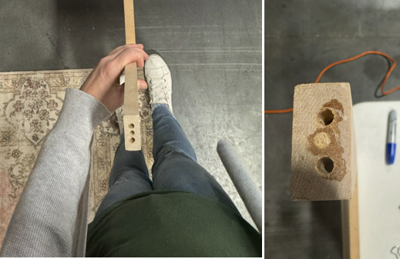
 |  |  |  |  |  |  | Lazy susan 1+2
Router slot blowout - needs to be inset for bases |  |  | Drill holes off center - should be middle of edge |  |  | 3 drillHoles | Install Lazy Susan by placing braces on top support blocks, then insert spring pin.
 |  |  |  |  |  |  | Repeat step 8 for second shelf.

 |  |  |  |  |  |  | Next step face frame, 1st make sure BP is flush with SR and SL as it may have shifted.
 |  |  |  |  |  |  | preassemble face frame
 |  |  |  |  |  |  | Locate QJ - inser right side of face frame into entry points, then do the same with left side.
 |  |  |  |  |  |  | Then push down together engaging face frame on channel lock route, insert spring pin into right rear panel.

 |  |  |  |  |  |  | Rotate cabinet on either right or rear back panel.
 |  |  |  |  |  |  | Assemble toekick by engasging channel lock route.
 |  |  |  |  |  |  | Then apply the toekick to the base channel locks and engage. | STOP

 | Face Frame

