Sheet1
Smoothing L-Curve
500 | 1.844
7000 | 2.128
250 | 1.751
1000 | 1.934
15000 | 2.174
50000 | 2.218
3000
4000
5000
Model | Smoothness | RMS
42 | 500 | 1.844
35 | 7000 | 2.128
44 | 250 | 1.751
45 | 1000 | 1.934
46 | 15000 | 2.174
43 | 50000 | 2.218
 | 3000
 | 4000
 | 5000

Sheet2
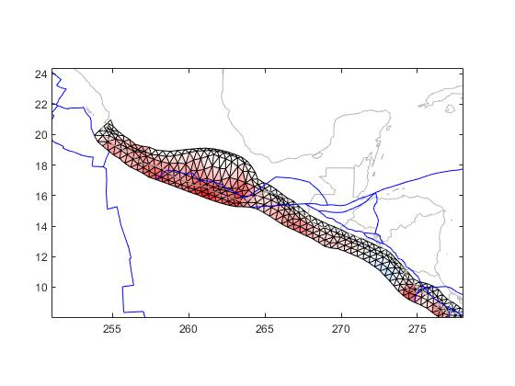
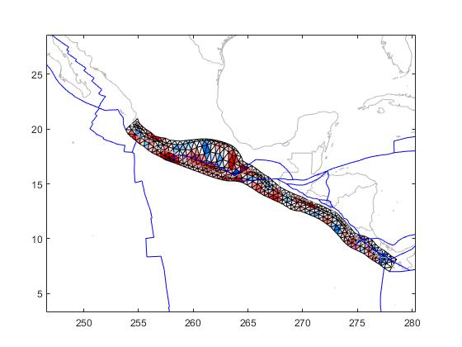
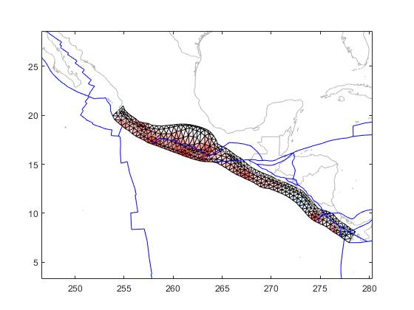
35 | 7000 | 45 | 1000 | 45 | 1000

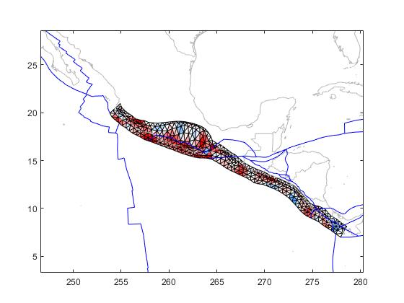

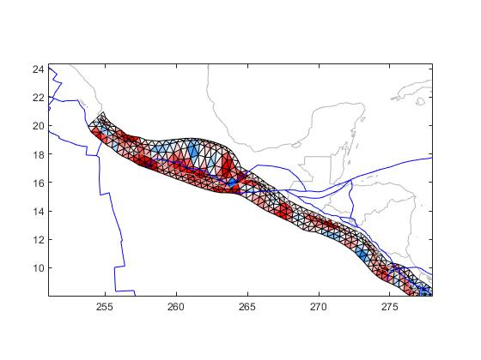

43 | 50000 | 44 | 250 | 46 | 15000

