工作表1
Rectangular Connector
J63A series | 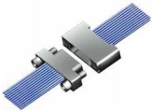 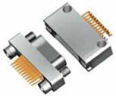 | Specification
 |  | Operating Temperature | - 55℃ ~ + 125℃
 |  | Vibration | 10 ~ 2000Hz, 196m/s²
 |  | Shock | 980m/s², 6ms
 |  | Rated Current | 1A
 |  | Contact Resistance | ≤21mΩ
 |  | Insulation Resistance | ≥5000MΩ @ 100VDC
 |  | Dielectric Withstand Voltage | 250V
 |  | Mechanical Life | 500 cycles
J30 series |  | Specification
 |  | Operating Temperature | - 55℃ ~ +185℃
 |  | Vibration | 10 ~ 2000Hz, 196m/s²
 |  | Shock | 735m/s²
 |  | Rated Current | 3A
 |  | Contact Resistance | ≤10mΩ
 |  | Insulation Resistance | ≥5000MΩ
 |  | Dielectric Withstand Voltage | 800V
 |  | Mechanical Life | 500 cycles
J30 V2 series |  | Specification
 |  | Operating Temperature | - 55℃ ~ +125℃
 |  | Vibration | 10~2000Hz, 196m/s²
 |  | Shock | 735m/s²
 |  | Rated Current | 3A
 |  | Contact Resistance | ≤10mΩ
 |  | Insulation Resistance | ≥5000MΩ
 |  | Dielectric Withstand Voltage | 800V
 |  | Mechanical Life | 500 cycles
J30J series | 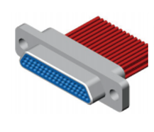 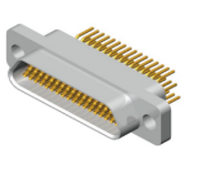 | Specification
 |  | Operating Temperature | - 55℃ ~ +125℃
 |  | Vibration | 10~2000Hz, 196m/s²
 |  | Shock | 735m/s²
 |  | Rated Current | 3A
 |  | Contact Resistance | ≤10mΩ
 |  | Insulation Resistance | ≥5000MΩ
 |  | Dielectric Withstand Voltage | 800V
 |  | Mechanical Life | 500 cycles
J30J/X series |  | Specification
 |  | Operating Temperature | - 55℃ ~ +125℃
 |  | Vibration | 10Hz ~ 2000Hz, 196m/s²
 |  | Shock | 735m/s², 11ms
 |  | Rated Current | 3A
 |  | Contact Resistance | ≤ 10mΩ
 |  | Insulation Resistance | ≥ 5000MΩ (500VDC)
 |  | Dielectric Withstand Voltage | 800V
 |  | Mechanical Life | 20000 cycles
 |  | Salt Spray | 48h
J30J HT series |  | Specification
 |  | Operating Temperature | - 55℃ ~ +125℃
 |  | Vibration | 10~2000Hz, 294m/s²
 |  | Shock | 980m/s²
 |  | Rated Current | 3A
 |  | Contact Resistance | ≤ 10mΩ
 |  | Insulation Resistance | ≥ 5000MΩ
 |  | Dielectric Withstand Voltage | 800V
 |  | Mechanical Life | 500 cycles
 |  | Salt Spray | 96h
J30J Z series (40% size of J30J) |  | Specification
 |  | Operating Temperature | - 55℃ ~ +125℃
 |  | Vibration | 10Hz ~ 2000Hz, 196m/s²
 |  | Shock | 735m/s², 11ms
 |  | Rated Current | 3A
 |  | Contact Resistance | ≤ 10mΩ
 |  | Insulation Resistance | ≥ 5000MΩ
 |  | Dielectric Withstand Voltage | 600V
 |  | Mechanical Life | 20000 cycles
J30J High & Low current pins mixed series |  | Specification
 |  | Operating Temperature | - 55℃ ~ +125℃
 |  | Vibration | 10~2000Hz, 196m/s²
 |  | Shock | 735m/s²
 |  | Rated Current | 3A / 20A
 |  | Contact Resistance | ≤ 10mΩ
 |  | Insulation Resistance | ≥ 5000MΩ
 |  | Dielectric Withstand Voltage | 800V
 |  | Mechanical Life | 500 cycles
HJ30J High-Speed Transmission Series |  | Specification
 |  | Operating Temperature | - 55℃ ~ +125℃
 |  | Vibration | 10~2000Hz, 196m/s²
 |  | Shock | 735m/s²
 |  | Rated Current | 3A
 |  | Contact Resistance | ≤ 20mΩ
 |  | Insulation Resistance | ≥ 5000MΩ
 |  | Dielectric Withstand Voltage | 800V
 |  | Mechanical Life | 500 cycles
J24H micro Series |  | Specification
 |  | Operating Temperature | - 55℃ ~ +125℃
 |  | Vibration | 10~2000Hz, 196m/s²
 |  | Shock | 980m/s²
 |  | Rated Current | 3A
 |  | Contact Resistance | ≤10mΩ
 |  | Insulation Resistance | ≥1000MΩ
 |  | Dielectric Withstand Voltage | 1000V
 |  | Mechanical Life | 500 cycles
J29A micro Series |  | Specification
 |  | Operating Temperature | - 55℃ ~ +125℃
 |  | Vibration | 10~2000Hz, 147m/s²
 |  | Shock | 1200m/s², 6ms
 |  | Rated Current | 5A
 |  | Contact Resistance | ≤10mΩ
 |  | Insulation Resistance | ≥5000MΩ
 |  | Dielectric Withstand Voltage | 1500V
 |  | Mechanical Life | 500 cycles
J18 Series | 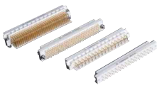 | Specification
 |  | Withstand Voltage | 1000V
 |  | Insulation Resistance | ≥5000MΩ
 |  | Contact Diameter | 0.76mm
 |  | Contact Resistance | ≤0.01Ω
 |  | Rated Current | 2A
 |  | Operating Temperature | - 65 ~ +125℃
 |  | Vibration | 10~2000Hz, 147m/s²
 |  | Acceleration | 980m/s²
 |  | Mechanical Life | 1000 cycles
JL24 Series | 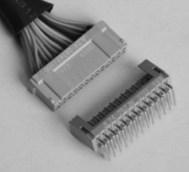 | Specification
 |  | Rated Voltage | 300V (AC)
 |  | Rated Current | 1A (φ0.6)
 |  | Contact Resistance | ≤12.5mΩ
 |  | Insulation Resistance | 5000MΩ
 |  | Withstand Voltage | 1000V (AC)
 |  | Mechanical Life | 500 cycles
 |  | Operating Temperature | - 65 ~ +125℃
 |  | Vibration | 10Hz ~ 2000Hz, 147m/s²
 |  | Shock | 980m/s²
J36A(Normal) J36W(Low-magnetic) Series | 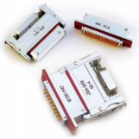 | Specification
 |  | Rated Current | 5A
 |  | Contact Resistance | <0.006Ω
 |  | Insulation Resistance | ≥5000MΩ
 |  | Withstand Voltage | 1000V
 |  | Mechanical Life | 500 cycles
 |  | Operating Temperature | - 55℃ ~ +125℃
 |  | Vibration | 10Hz ~ 2000Hz, 245m/s²
 |  | Shock | 980m/s²
J14A(Low-frequency) J14P(Low-frequency) J14W(Low-magnetic) Series | 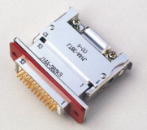 | Specification
 |  | Rated Current | 3A
 |  | Contact Resistance | <0.006Ω
 |  | Insulation Resistance | ≥2000MΩ
 |  | Withstand Voltage | 800V
 |  | Mechanical Life | 500 cycles
 |  | Operating Temperature | - 55℃ ~ +125℃
 |  | Vibration | 10Hz ~ 2000Hz, 196m/s²
 |  | Shock | 980m/s²

RF Connector
SMP Series | 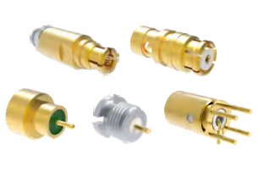 | Specification *maximum sea-level
 |  | 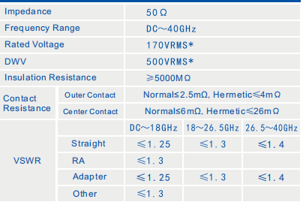 |  | 帮把这些参数弄成黑色字体，图片转换成文字（跟上面表格的格式一样）

SSMP Series | 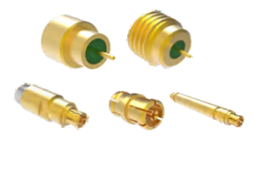 | Specification *maximum sea-level
 |  | 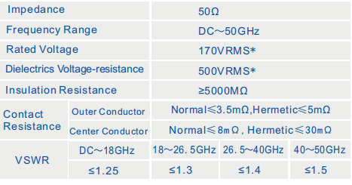

CSMP Series | 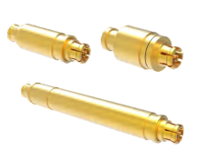 | Specification *maximum sea-level
 |  | 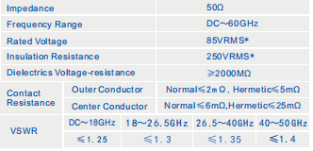

ASMP Series | 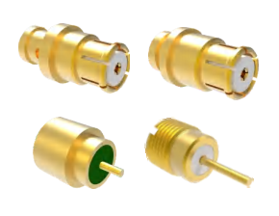 | Specification *maximum sea-level
 |  | 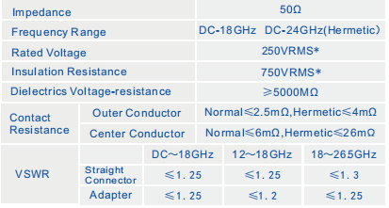

SMA Series | 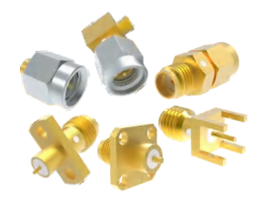 | Specification *maximum sea-level
 |  | 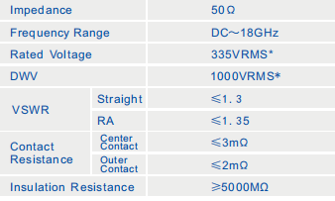

SSMA Series | 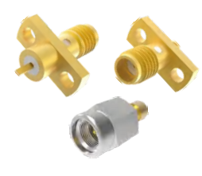 | Specification *maximum sea-level
 |  | 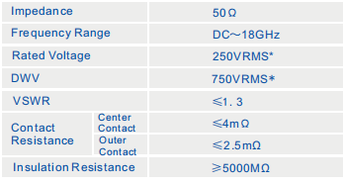

K2.92mm Series | 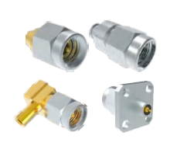 | Specification *maximum sea-level
 |  | 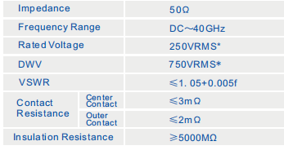

3.5mm Series | 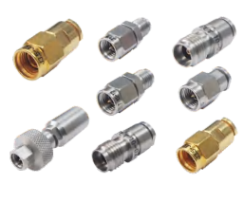 | Specification *maximum sea-level
 |  | 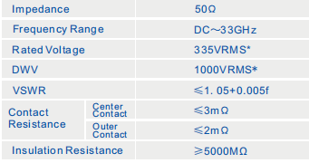

2.4mm Series | 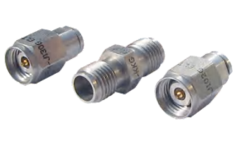 | Specification *maximum sea-level
 |  | 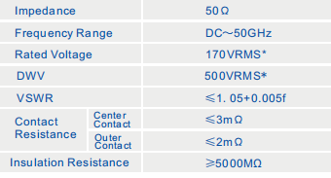

1.0mm Series | 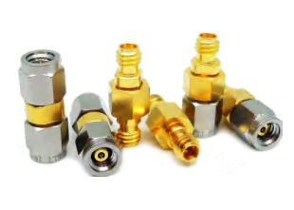 | Specification *maximum sea-level
 |  | 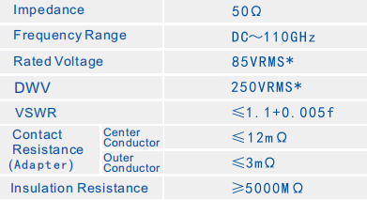

MSSM Series | 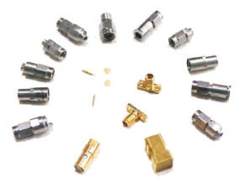 | Specification *maximum sea-level
 |  | 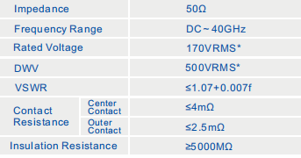

N Type Series | 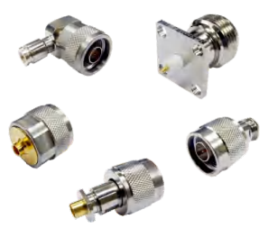 | Specification *maximum sea-level
 |  | 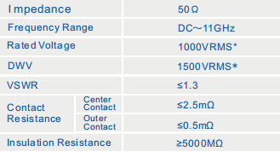

TMA Series | 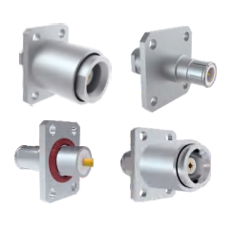 | Specification *maximum sea-level
 |  | 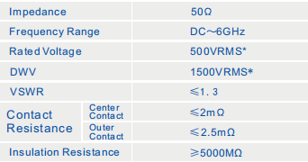

TNC Series | 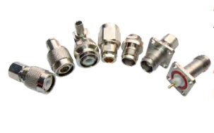 | Specification *maximum sea-level
 |  | 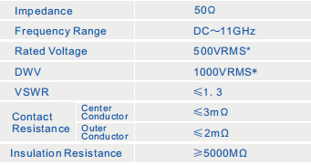

TNCA Series | 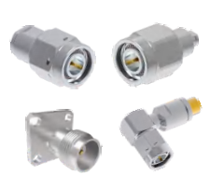 | Specification *maximum sea-level
 |  | 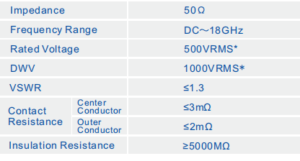

SBMA Series | 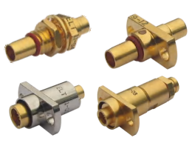 | Specification *maximum sea-level
 |  | 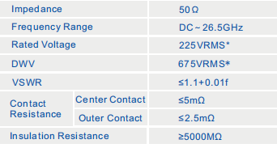

BMA Series | 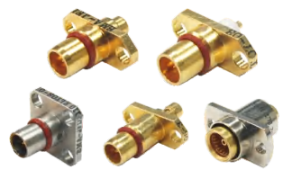 | Specification *maximum sea-level
 |  | 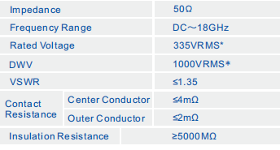

Circular Connector
GJB599 I series | 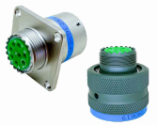 | Specification
 |  | Salt Spray | 1000h
 |  | Insulation Resistance | ≥5000MΩ
 |  | Withstand Voltage | 2300V
 |  | Mechanical Life | 500 cycles
 |  | Operating Temperature | - 65℃ ~ +200℃
 |  | Vibration | 10Hz ~ 2000Hz, 294m/s²
 |  | Shock | 3 ms duration, 300 g peak acceleration
GJB599 II series | 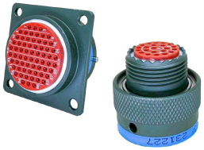 | Specification
 |  | Salt Spray | 1000h
 |  | Insulation Resistance | ≥5000MΩ
 |  | Withstand Voltage | 2300V
 |  | Mechanical Life | 500 cycles
 |  | Operating Temperature | - 65℃ ~ +200℃
 |  | Vibration | 10Hz ~ 1000Hz, 1g²/Hz
 |  | Shock | 3 ms duration, 300 g peak acceleration
GJB599 III series | 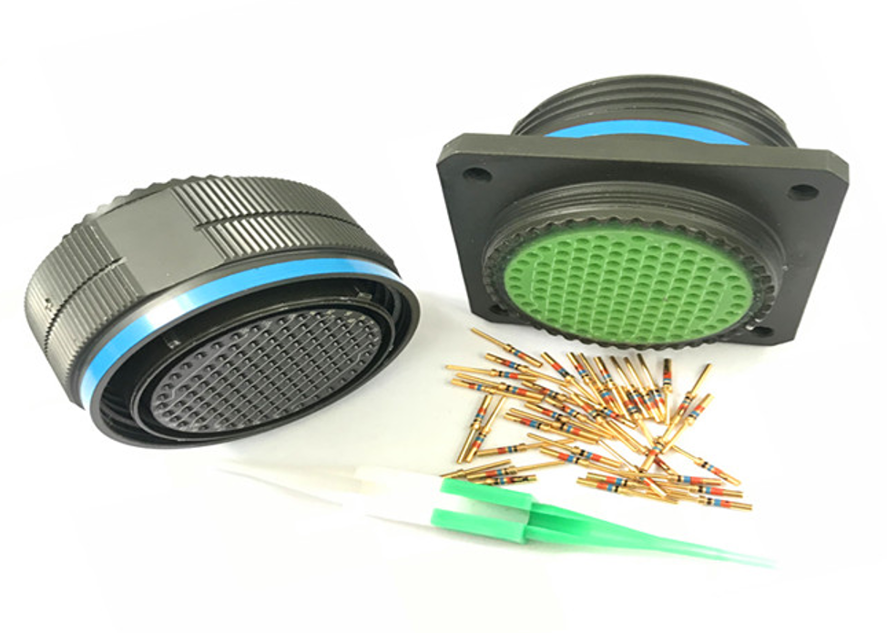 | Specification
 |  | Salt Spray | 1000h
 |  | Insulation Resistance | ≥5000MΩ
 |  | Withstand Voltage | 2300V
 |  | Mechanical Life | 500 cycles
 |  | Operating Temperature | - 65℃ ~ +200℃
 |  | Vibration | 100Hz ~ 1000Hz, 5g²/Hz
 |  | Shock | 3 ms duration, 300 g peak acceleration
XCA series | 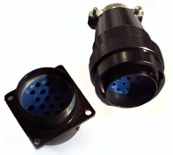 | Specification
 |  | Salt Spray | 1000h
 |  | Insulation Resistance | ≥5000MΩ
 |  | Withstand Voltage | 1500V
 |  | Mechanical Life | 1000 cycles
 |  | Operating Temperature | - 55℃ ~ +200℃
 |  | Vibration | 10Hz ~ 2000Hz, 196m/s²
 |  | Shock | Acceleration: 980 m/s²
XCG series | 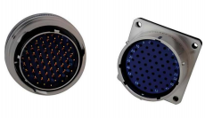 | Specification
 |  | Salt Spray | 1000h
 |  | Insulation Resistance | ≥5000MΩ
 |  | Withstand Voltage | ≥1500V
 |  | Mechanical Life | 1000 cycles
 |  | Operating Temperature | - 55℃ ~ +200℃
 |  | Vibration | 10Hz ~ 2000Hz, 196m/s²
 |  | Shock | Acceleration: 980 m/s²
XC series | 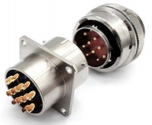 | Specification
 |  | Salt Spray | 1000h
 |  | Insulation Resistance | ≥5000MΩ
 |  | Withstand Voltage | 1500V
 |  | Mechanical Life | 500 cycles
 |  | Operating Temperature | - 55℃ ~ +200℃
 |  | Vibration | 10Hz ~ 2000Hz, 196m/s²
 |  | Shock | Acceleration: 980 m/s²
XCD series | 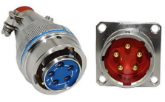 | Specification
 |  | Salt Spray | 1000h
 |  | Insulation Resistance | ≥5000MΩ
 |  | Withstand Voltage | 1500V
 |  | Mechanical Life | 1000 cycles
 |  | Operating Temperature | - 55℃ ~ +200℃
 |  | Vibration | 10Hz ~ 2000Hz, 196m/s²
 |  | Shock | Acceleration: 980 m/s²
XCE series | 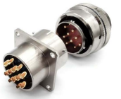 | Specification
 |  | Salt Spray | 1000 cycles
 |  | Insulation Resistance | ≥5000MΩ
 |  | Withstand Voltage | ≥1500V
 |  | Mechanical Life | 1000 cycles
 |  | Operating Temperature | - 55℃ ~ +200℃
 |  | Vibration | 10Hz ~ 2000Hz, 196m/s²
 |  | Shock | Acceleration: 980 m/s²
XCF series |  | Specification
 |  | Working height | 30000m
 |  | Insulation Resistance | ≥500MΩ
 |  | Withstand Voltage | 1000V
 |  | Mechanical Life | 1000 cycles
 |  | Operating Temperature | - 55℃ ~ +200℃
 |  | Vibration | 10Hz ~ 2000Hz, 196m/s²
 |  | Shock | Acceleration: 980 m/s²
YMA YMB series |   | Specification
 |  | Salt Spray | 1000h
 |  | Standard | Withstand 50m water depth
 |  | Insulation Resistance | ≥5000MΩ
 |  | Withstand Voltage | 1500V
 |  | Mechanical Life | 1000 cycles
 |  | Operating Temperature | - 55℃ ~ +200℃
 |  | Vibration | 10Hz ~ 2000Hz, 196m/s²
 |  | Shock | Acceleration: 980 m/s²
YMC series |  | Specification
 |  | Salt Spray | 1000h
 |  | Standard | Withstand 50m water depth
 |  | Insulation Resistance | ≥5000MΩ
 |  | Withstand Voltage | 1500V
 |  | Mechanical Life | 1000 cycles
 |  | Operating Temperature | - 55℃ ~ +200℃
 |  | Vibration | 10Hz ~ 2000Hz, 196m/s²
 |  | Shock | Acceleration: 980 m/s²
YMD series |  | Specification
 |  | Salt Spray | 1000h
 |  | Standard | Withstand 50m water depth
 |  | Insulation Resistance | ≥5000MΩ
 |  | Withstand Voltage | 2300V
 |  | Mechanical Life | 500 cycles
 |  | Operating Temperature | - 55℃ ~ +200℃
 |  | Vibration | 10Hz ~ 2000Hz, 196m/s²
 |  | Shock | Acceleration: 980 m/s²
YMG series |  | Specification
 |  | Salt Spray | 1000h
 |  | Standard | Withstand 50m water depth
 |  | Insulation Resistance | ≥5000MΩ
 |  | Withstand Voltage | 1500V
 |  | Mechanical Life | 1000 cycles
 |  | Operating Temperature | - 55℃ ~ +200℃
 |  | Vibration | 10Hz ~ 2000Hz, 196m/s²
 |  | Shock | Acceleration: 980 m/s²
Y50X series |  | Specification
 |  | Salt Spray | 96h
 |  | Insulation Resistance | ≥3000MΩ
 |  | Withstand Voltage | 1500V
 |  | Mechanical Life | 500 cycles
 |  | Operating Temperature | - 55℃ ~ +125℃
 |  | Vibration | 10Hz ~ 2000Hz, 196m/s²
 |  | Shock | Acceleration: 980.7 m/s²
Y50DX series |  | Specification
 |  | Salt Spray | 96h
 |  | Insulation Resistance | ≥5000MΩ
 |  | Withstand Voltage | 2300V
 |  | Mechanical Life | 500 cycles
 |  | Operating Temperature | - 55℃ ~ +125℃
 |  | Vibration | 10Hz ~ 2000Hz, 196m/s²
 |  | Shock | Acceleration: 980.7 m/s²
Y50EX series |  | Specification
 |  | Salt Spray | 96h
 |  | Insulation Resistance | ≥3000MΩ
 |  | Withstand Voltage | 1000V
 |  | Mechanical Life | 500 cycles
 |  | Operating Temperature | - 55℃ ~ +125℃
 |  | Vibration | 10Hz ~ 2000Hz, 147m/s²
 |  | Shock | Acceleration: 980 m/s²
YGD series |  | Specification
 |  | Salt Spray | 96h
 |  | Insulation Resistance | ≥5000MΩ
 |  | Withstand Voltage | 2300V
 |  | Mechanical Life | 2000 cycles
 |  | Operating Temperature | - 55℃ ~ +125℃
 |  | Vibration | 10Hz ~ 2000Hz, 196m/s²
 |  | Shock | Acceleration: 980 m/s²
Y27 series |  | Specification
 |  | Salt Spray | 1000h
 |  | Insulation Resistance | ≥5000MΩ
 |  | Withstand Voltage | 2500V
 |  | Mechanical Life | 500 cycles
 |  | Operating Temperature | - 55℃ ~ +125℃
 |  | Vibration | 10Hz ~ 2000Hz, 196m/s²
 |  | Shock | Acceleration: 980 m/s²
Y17 series |  | Specification |  | 删除此系列
 |  | Salt Spray
 |  | Insulation Resistance | ≥1000MΩ
 |  | Withstand Voltage | 1000V
 |  | Mechanical Life | 500 cycles
 |  | Operating Temperature | - 55℃ ~ +175℃
 |  | Vibration | 10Hz ~ 2000Hz, 98m/s²
 |  | Shock | Acceleration: 490 m/s²
YL series |  | Specification
 |  | Salt Spray | 96h
 |  | Insulation Resistance | ≥5000MΩ
 |  | Withstand Voltage | 2300V
 |  | Mechanical Life | 500 cycles
 |  | Operating Temperature | - 55℃ ~ +125℃
 |  | Vibration | 10Hz ~ 2000Hz, 196m/s²
 |  | Shock | Acceleration: 980 m/s²
YW series |  | Specification
 |  | Salt Spray | 96h
 |  | Insulation Resistance | ≥5000MΩ
 |  | Withstand Voltage | 1000V
 |  | Mechanical Life | 500 cycles
 |  | Operating Temperature | - 55℃ ~ +125℃
 |  | Vibration | 10Hz ~ 2000Hz, 147m/s²
 |  | Shock | Acceleration: 490 m/s²

BLDC Torque Motor
  |  | Specification
 |  | Large torque at low rotation speed
 |  | Dimensions range: φ17 to φ400
 |  | Torque values: 0.0075 Nm to 320 Nm
 |  | Low cogging design
 |  | Compact size, light weight,low inertia
 |  | Operating Temperature - 55℃ ~ +125℃

Resolver Transmitter
 |  | Specification
 |  | Diameter range: φ20 to φ150
 |  | Electrical error ≤ 10 (')
 |  | Operating Temperature - 55℃ ~ +125℃
 |  | High temperature resistance, vibration immunity
 |  | Long service life

Rorary Encoder
  |  | Specification
 |  | Contactless design, hollow shaft structure
 |  | High resolution and high precision ( 0.01°)
 |  | Highest speed up to 4000RPM
 |  | Ultra-thin(Dia.:25mm to 130mm) ultra-light (3g~90g)
 |  | Maximum number of bits per turn can reach 21 bit
 |  | SSI, BISS or UART interface
 |  | High tolerance to shock, humidity, EMI and RFI
 |  | Low power consumption
 |  | Anti-interference of magnetic field

