Data Plots
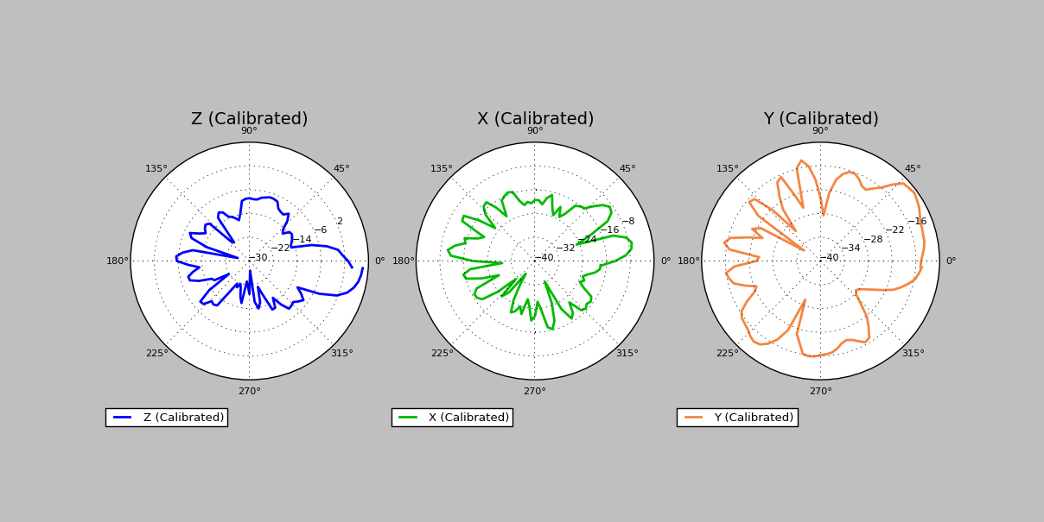
Data Collection Plots
Date: | 2017-08-15
DUT Label:
DUT Serial Number:

3D Radiation Pattern
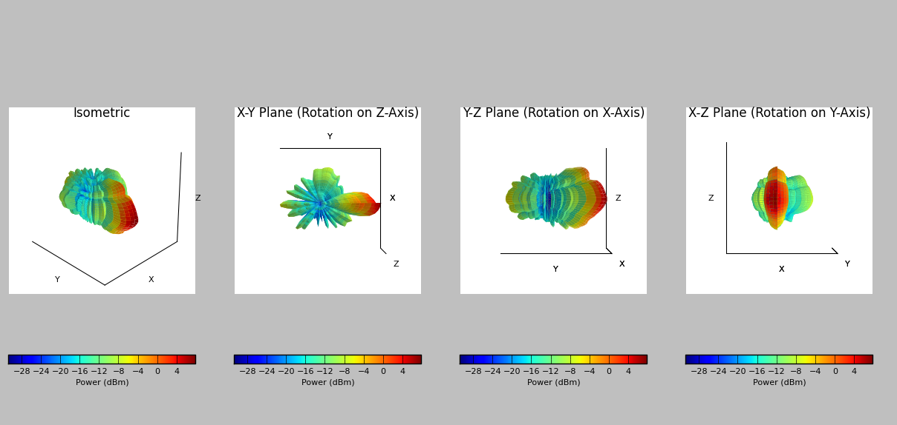
3D Radiation Pattern
Date: | 2017-08-15
DUT Label:
DUT Serial Number:

