Data Plots
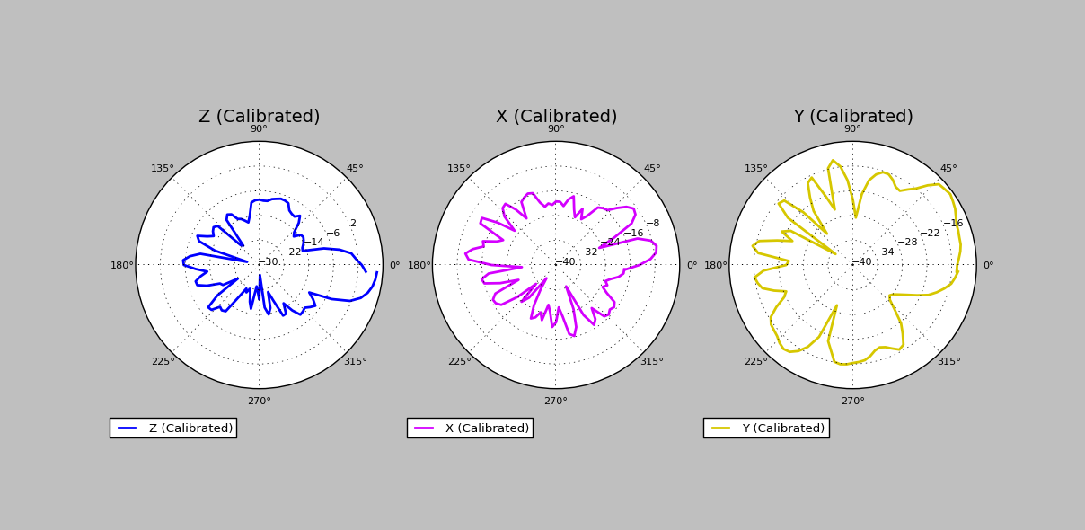
Data Collection Plots
Date: | 2017-08-04
DUT Label: | YAG
DUT Serial Number: | 243jj

EMC Compliance
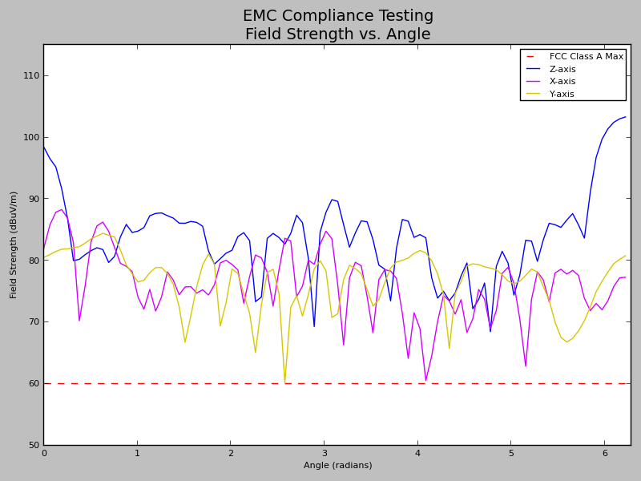
EMC Compliance Test Results
Date: | 2017-08-04
DUT Label: | YAG
DUT Serial Number: | 243jj
Regulatory Convention: | FCC
Class: | A
Electric Field Limit (dBuV/m): | 60
Test Status: | Fail
Error Margin (dB): | 0

3D Radiation Pattern
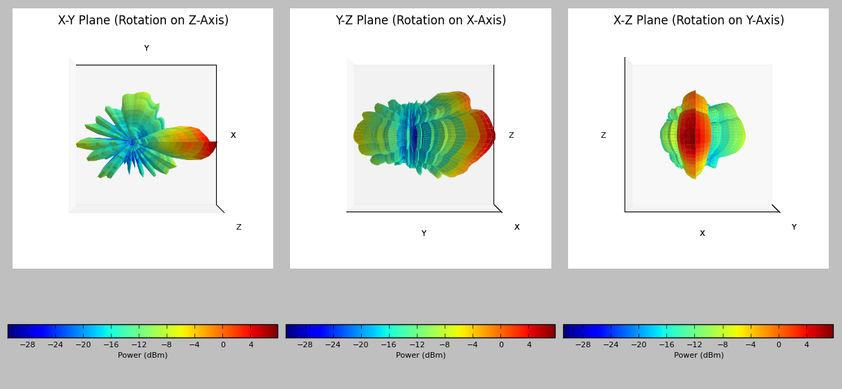
3D Radiation Pattern
Date: | 2017-08-04
DUT Label: | YAG
DUT Serial Number: | 243jj

