Plots
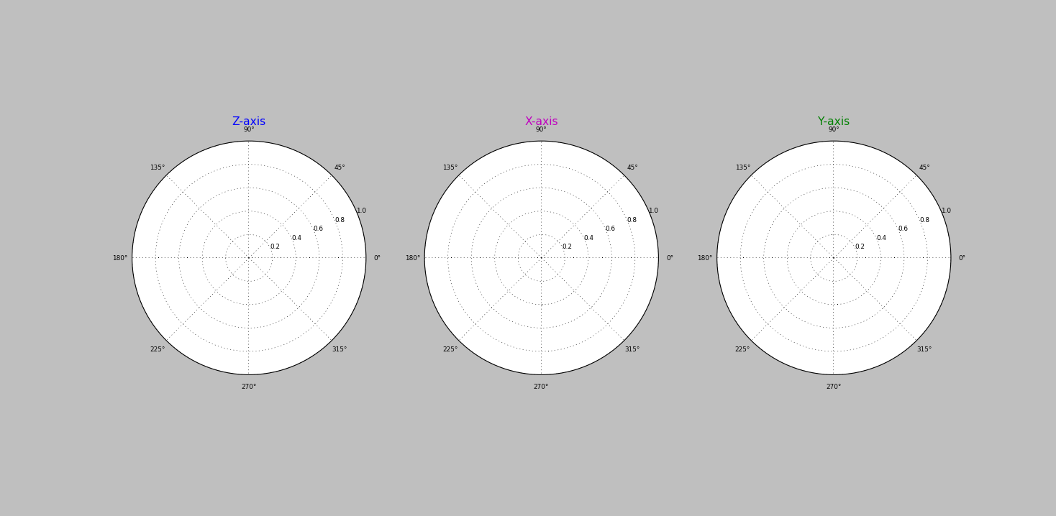
Data Collection Plots

EMC Compliance
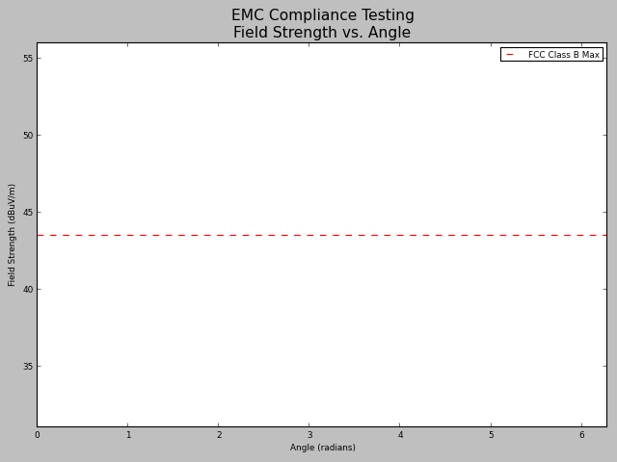
EMC Compliance Testing Result
Regulator: | FCC
Class: | B
Electric Field Limit (dBuV/m): | 43.5

