Data Plots
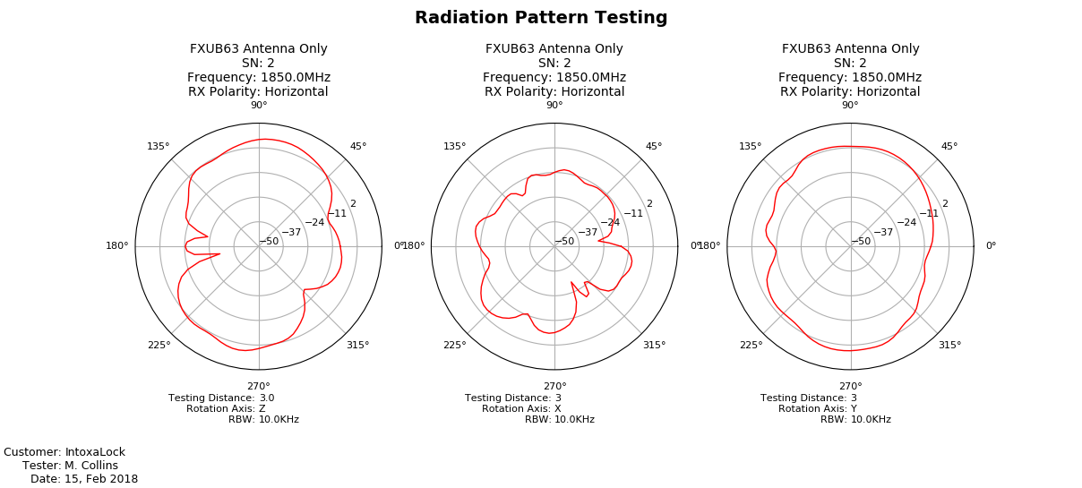
Data Collection Plots
Date: | 2018-02-15
DUT Label: | FXUB63 Antenna Only
DUT Serial Number: | 2

3D Radiation Pattern
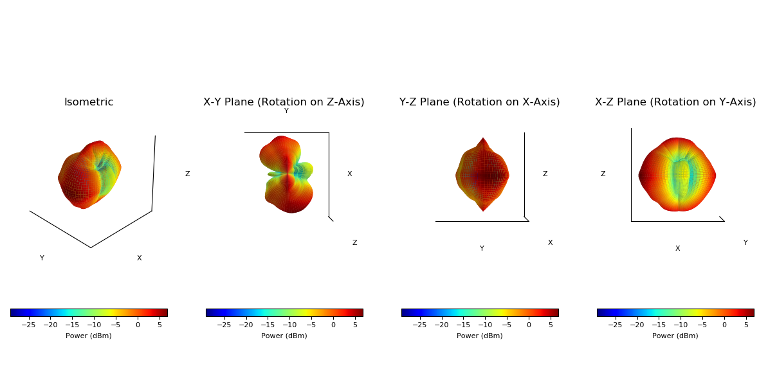
3D Radiation Pattern
Date: | 2018-02-15
DUT Label: | FXUB63 Antenna Only
DUT Serial Number: | 2

