Plots
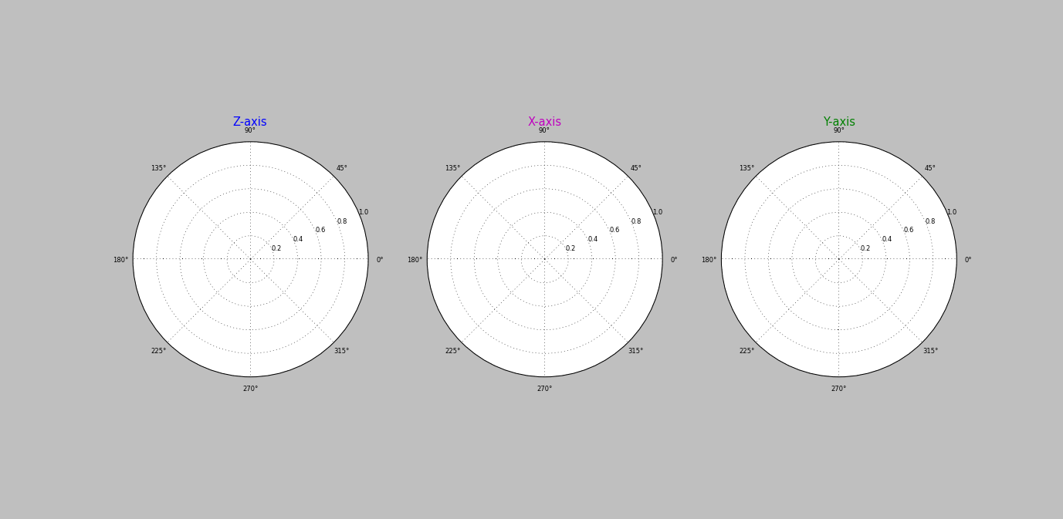
Data Collection Plots

EMC Compliance
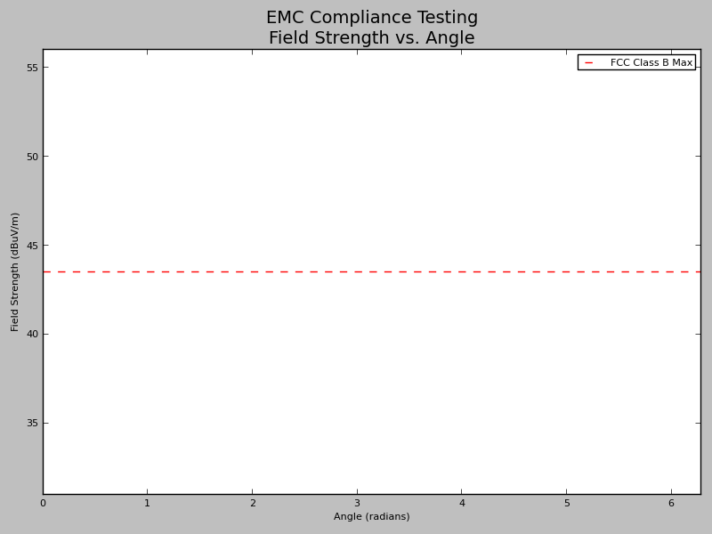
EMC Compliance Testing Result
Regulatory Convention: | FCC
Class: | B
Electric Field Limit (dBuV/m): | 43.5
Test Status: | Fail
Error Margin (dB): | 2

