Sheet
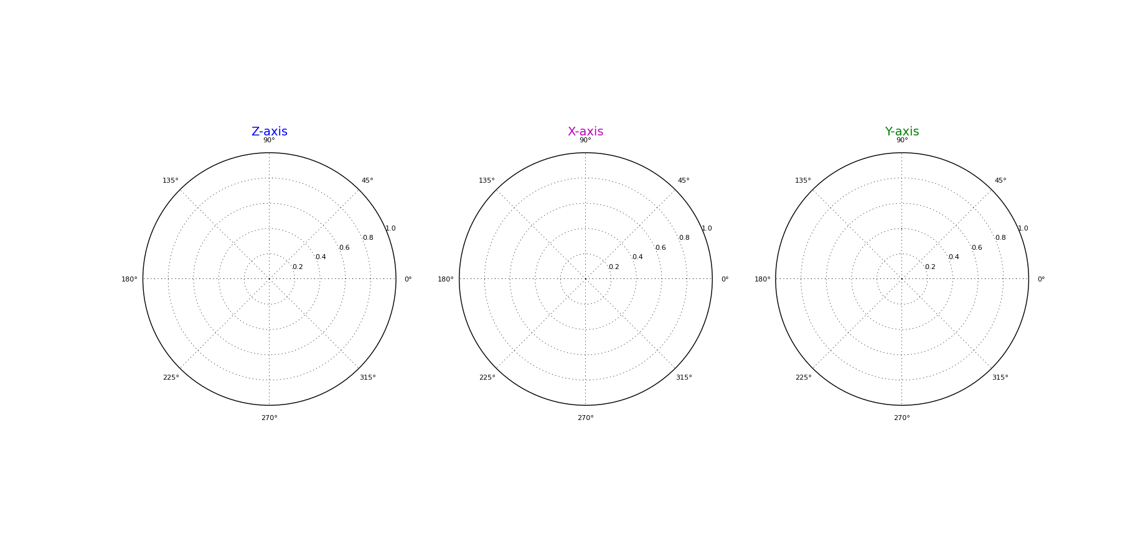
Gain Testing Report
Date: | 2017-07-13 | DUT Label:
Customer: | NGRF Internal | DUT Serial Number: | dfghgh
Tested By:
Comments:
Test Data |  |  |  |  |  |  | Test Setup
 | Z (Raw) | Z (Cal) | X (Raw) | X (Cal) | Y (Raw) | Y (Cal) | Test Frequency (Hz): | 100000000
Max Gain (dBi): |  |  |  |  |  |  | Frequency Span (Hz): | 200000
Average Gain (dBi): |  |  |  |  |  |  | Testing Distance (m): | 3
Angles (degrees) | - | - | - | - | - | - | Sweep Time (s): | 0.025
0 | 0 | 0 | 0 | 0 | 0 | 0 | Calibration
3.6 | 0 | 0 | 0 | 0 | 0 | 0 | Input Power (dBm): | 0
7.2 | 0 | 0 | 0 | 0 | 0 | 0 | PreAmplifier Gain (dB): | 0
10.8 | 0 | 0 | 0 | 0 | 0 | 0 | Tx Cable Loss (dB): | 0
14.4 | 0 | 0 | 0 | 0 | 0 | 0 | DUT Gain (dBi): | 0
18 | 0 | 0 | 0 | 0 | 0 | 0 | FSPL (dB): | -21.990208316
21.6 | 0 | 0 | 0 | 0 | 0 | 0 | Calibrated Antenna Gain (dBi): | 0
25.2 | 0 | 0 | 0 | 0 | 0 | 0 | Rx Cable Loss (dB): | 0
28.8 | 0 | 0 | 0 | 0 | 0 | 0 | Total (dB): | -21.990208316
32.4 | 0 | 0 | 0 | 0 | 0 | 0
36 | 0 | 0 | 0 | 0 | 0 | 0
39.6 | 0 | 0 | 0 | 0 | 0 | 0
43.2 | 0 | 0 | 0 | 0 | 0 | 0
46.8 | 0 | 0 | 0 | 0 | 0 | 0
50.4 | 0 | 0 | 0 | 0 | 0 | 0
54 | 0 | 0 | 0 | 0 | 0 | 0
57.6 | 0 | 0 | 0 | 0 | 0 | 0
61.2 | 0 | 0 | 0 | 0 | 0 | 0
64.8 | 0 | 0 | 0 | 0 | 0 | 0
68.4 | 0 | 0 | 0 | 0 | 0 | 0
72 | 0 | 0 | 0 | 0 | 0 | 0
75.6 | 0 | 0 | 0 | 0 | 0 | 0
79.2 | 0 | 0 | 0 | 0 | 0 | 0
82.8 | 0 | 0 | 0 | 0 | 0 | 0
86.4 | 0 | 0 | 0 | 0 | 0 | 0
90 | 0 | 0 | 0 | 0 | 0 | 0
93.6 | 0 | 0 | 0 | 0 | 0 | 0
97.2 | 0 | 0 | 0 | 0 | 0 | 0
100.8 | 0 | 0 | 0 | 0 | 0 | 0
104.4 | 0 | 0 | 0 | 0 | 0 | 0
108 | 0 | 0 | 0 | 0 | 0 | 0
111.6 | 0 | 0 | 0 | 0 | 0 | 0
115.2 | 0 | 0 | 0 | 0 | 0 | 0
118.8 | 0 | 0 | 0 | 0 | 0 | 0
122.4 | 0 | 0 | 0 | 0 | 0 | 0
126 | 0 | 0 | 0 | 0 | 0 | 0
129.6 | 0 | 0 | 0 | 0 | 0 | 0
133.2 | 0 | 0 | 0 | 0 | 0 | 0
136.8 | 0 | 0 | 0 | 0 | 0 | 0
140.4 | 0 | 0 | 0 | 0 | 0 | 0
144 | 0 | 0 | 0 | 0 | 0 | 0
147.6 | 0 | 0 | 0 | 0 | 0 | 0
151.2 | 0 | 0 | 0 | 0 | 0 | 0
154.8 | 0 | 0 | 0 | 0 | 0 | 0
158.4 | 0 | 0 | 0 | 0 | 0 | 0
162 | 0 | 0 | 0 | 0 | 0 | 0
165.6 | 0 | 0 | 0 | 0 | 0 | 0
169.2 | 0 | 0 | 0 | 0 | 0 | 0
172.8 | 0 | 0 | 0 | 0 | 0 | 0
176.4 | 0 | 0 | 0 | 0 | 0 | 0
180 | 0 | 0 | 0 | 0 | 0 | 0
183.6 | 0 | 0 | 0 | 0 | 0 | 0
187.2 | 0 | 0 | 0 | 0 | 0 | 0
190.8 | 0 | 0 | 0 | 0 | 0 | 0
194.4 | 0 | 0 | 0 | 0 | 0 | 0
198 | 0 | 0 | 0 | 0 | 0 | 0
201.6 | 0 | 0 | 0 | 0 | 0 | 0
205.2 | 0 | 0 | 0 | 0 | 0 | 0
208.8 | 0 | 0 | 0 | 0 | 0 | 0
212.4 | 0 | 0 | 0 | 0 | 0 | 0
216 | 0 | 0 | 0 | 0 | 0 | 0
219.6 | 0 | 0 | 0 | 0 | 0 | 0
223.2 | 0 | 0 | 0 | 0 | 0 | 0
226.8 | 0 | 0 | 0 | 0 | 0 | 0
230.4 | 0 | 0 | 0 | 0 | 0 | 0
234 | 0 | 0 | 0 | 0 | 0 | 0
237.6 | 0 | 0 | 0 | 0 | 0 | 0
241.2 | 0 | 0 | 0 | 0 | 0 | 0
244.8 | 0 | 0 | 0 | 0 | 0 | 0
248.4 | 0 | 0 | 0 | 0 | 0 | 0
252 | 0 | 0 | 0 | 0 | 0 | 0
255.6 | 0 | 0 | 0 | 0 | 0 | 0
259.2 | 0 | 0 | 0 | 0 | 0 | 0
262.8 | 0 | 0 | 0 | 0 | 0 | 0
266.4 | 0 | 0 | 0 | 0 | 0 | 0
270 | 0 | 0 | 0 | 0 | 0 | 0
273.6 | 0 | 0 | 0 | 0 | 0 | 0
277.2 | 0 | 0 | 0 | 0 | 0 | 0
280.8 | 0 | 0 | 0 | 0 | 0 | 0
284.4 | 0 | 0 | 0 | 0 | 0 | 0
288 | 0 | 0 | 0 | 0 | 0 | 0
291.6 | 0 | 0 | 0 | 0 | 0 | 0
295.2 | 0 | 0 | 0 | 0 | 0 | 0
298.8 | 0 | 0 | 0 | 0 | 0 | 0
302.4 | 0 | 0 | 0 | 0 | 0 | 0
306 | 0 | 0 | 0 | 0 | 0 | 0
309.6 | 0 | 0 | 0 | 0 | 0 | 0
313.2 | 0 | 0 | 0 | 0 | 0 | 0
316.8 | 0 | 0 | 0 | 0 | 0 | 0
320.4 | 0 | 0 | 0 | 0 | 0 | 0
324 | 0 | 0 | 0 | 0 | 0 | 0
327.6 | 0 | 0 | 0 | 0 | 0 | 0
331.2 | 0 | 0 | 0 | 0 | 0 | 0
334.8 | 0 | 0 | 0 | 0 | 0 | 0
338.4 | 0 | 0 | 0 | 0 | 0 | 0
342 | 0 | 0 | 0 | 0 | 0 | 0
345.6 | 0 | 0 | 0 | 0 | 0 | 0
349.2 | 0 | 0 | 0 | 0 | 0 | 0
352.8 | 0 | 0 | 0 | 0 | 0 | 0
356.4 | 0 | 0 | 0 | 0 | 0 | 0
360 | 0 | 0 | 0 | 0 | 0 | 0

