Data Plots
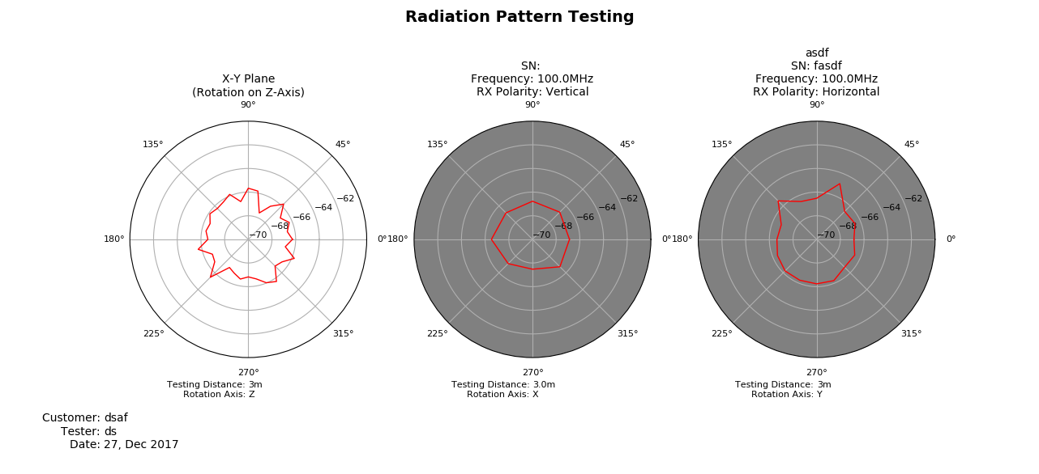
Data Collection Plots
Date: | 2017-12-27
DUT Label: | asdf
DUT Serial Number: | fasdf

