Regression
...
Residuals vs. Fitted
 | Residuals vs. Fitted
16.8386 | 1.1614
15.3133 | -0.3133
16.8582 | 1.1418
16.8733 | -0.8733
16.9547 | 0.0453
11.4965 | 3.5035
11.0735 | 2.9265
11.3673 | 2.6327
10.6328 | 3.3672
14.1125 | 0.8875
15.8904 | -0.8904
15.8198 | -1.8198
15.2126 | -0.2126
17.4126 | -3.4126
25.1985 | -1.1985
20.8043 | 1.1957
21.0706 | -3.0706
22.2123 | -1.2123
26.5374 | 0.4626
28.5911 | -2.5911
23.6874 | 1.3126
24.8640 | -0.8640
25.0613 | -0.0613
25.4830 | 0.5170
21.8222 | -0.8222
9.8331 | 0.1669
11.2868 | -1.2868
11.0941 | -0.0941
9.5979 | -0.5979
27.4478 | -0.4478
24.6769 | 3.3231
26.8380 | -1.8380
22.6412 | -3.6412
18.4840 | -2.4840
19.1222 | -2.1222
19.4537 | -0.4537
19.3298 | -1.3298
13.6111 | 0.3889
12.1576 | 1.8424
14.0844 | -0.0844
14.4268 | -0.4268
9.5903 | 2.4097
10.8109 | 2.1891
8.7348 | 4.2652
20.8180 | -2.8180
24.2401 | -2.2401
19.3601 | -0.3601
20.2790 | -2.2790
24.9647 | -1.9647
27.3288 | 0.6712
...
Normal Q-Q
 | Normal Q-Q | Identity
-3.0172 | -3.4517 | -3.0172
-2.6670 | -2.7328 | -2.6670
-2.6670 | -2.6063 | -2.6670
-2.3686 | -2.5586 | -2.3686
-2.3686 | -2.2383 | -2.3686
-2.3686 | -2.2366 | -2.3686
-2.3686 | -2.1379 | -2.3686
-2.0720 | -2.0637 | -2.0720
-2.0720 | -2.0303 | -2.0720
-2.0720 | -2.0195 | -2.0720
-2.0720 | -2.0157 | -2.0720
-2.0720 | -1.9077 | -2.0720
-2.0720 | -1.8200 | -2.0720
-1.8192 | -1.7232 | -1.8192
-1.8192 | -1.6897 | -1.8192
-1.8192 | -1.6852 | -1.8192
-1.8192 | -1.6746 | -1.8192
-1.8192 | -1.6319 | -1.8192
-1.8192 | -1.6267 | -1.8192
-1.8192 | -1.6264 | -1.8192
-1.8192 | -1.5269 | -1.8192
-1.8192 | -1.5175 | -1.8192
-1.8192 | -1.4769 | -1.8192
-1.8192 | -1.4375 | -1.8192
-1.8192 | -1.4339 | -1.8192
-1.8192 | -1.3819 | -1.8192
-1.8192 | -1.3375 | -1.8192
-1.8192 | -1.3071 | -1.8192
-1.8192 | -1.2992 | -1.8192
-1.8192 | -1.2648 | -1.8192
-1.8192 | -1.2629 | -1.8192
-1.8192 | -1.2606 | -1.8192
-1.8192 | -1.2378 | -1.8192
-1.3693 | -1.2152 | -1.3693
-1.3693 | -1.2128 | -1.3693
-1.3693 | -1.2081 | -1.3693
-1.3693 | -1.1983 | -1.3693
-1.3693 | -1.1807 | -1.3693
-1.3693 | -1.1693 | -1.3693
-1.3693 | -1.1670 | -1.3693
-1.3693 | -1.1524 | -1.3693
-1.3693 | -1.1409 | -1.3693
-1.3693 | -1.1267 | -1.3693
-1.3693 | -1.1208 | -1.3693
-1.3693 | -1.1080 | -1.3693
-1.3693 | -1.0776 | -1.3693
-1.3693 | -1.0767 | -1.3693
-1.3693 | -1.0640 | -1.3693
-1.3693 | -1.0306 | -1.3693
-1.3693 | -1.0254 | -1.3693
...
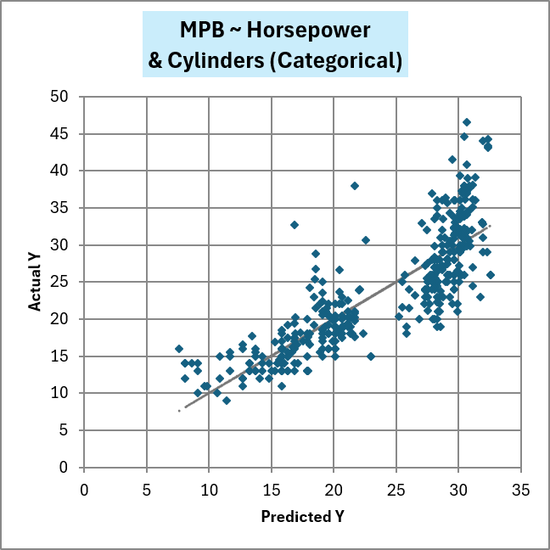
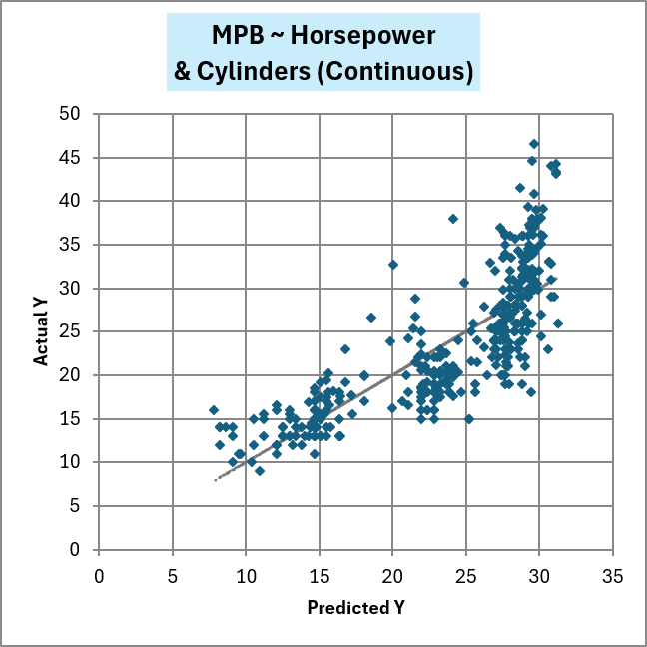
Cook's Distance | Normal Scores Ranked | Studentized Residuals Ranked | Scale-Location | PRESS Residual | Cook's Distance (Flagged)
0.0004 | -3.0172 | -3.4517 | 0.6217 | 1.2100 | #N/A
0.0000 | -2.6670 | -2.7328 | 0.3225 | -0.3249 | #N/A
0.0003 | -2.6670 | -2.6063 | 0.6157 | 1.1838 | #N/A
0.0002 | -2.3686 | -2.5586 | 0.5384 | -0.9054 | #N/A
0.0000 | -2.3686 | -2.2383 | 0.1227 | 0.0470 | #N/A
0.0034 | -2.3686 | -2.2366 | 1.0798 | 3.6511 | #N/A
0.0030 | -2.3686 | -2.1379 | 0.9896 | 3.0825 | #N/A
0.0023 | -2.0720 | -2.0637 | 0.9379 | 2.7655 | #N/A
0.0042 | -2.0720 | -2.0303 | 1.0621 | 3.5553 | #N/A
0.0002 | -2.0720 | -2.0195 | 0.5436 | 0.9258 | #N/A
0.0002 | -2.0720 | -2.0157 | 0.5440 | -0.9251 | #N/A
0.0008 | -2.0720 | -1.9077 | 0.7772 | -1.8866 | #N/A
0.0000 | -2.0720 | -1.8200 | 0.2657 | -0.2207 | #N/A
0.0104 | -1.8192 | -1.7232 | 1.0866 | -3.8435 | 0.0104
0.0006 | -1.8192 | -1.6897 | 0.6340 | -1.2682 | #N/A
0.0005 | -1.8192 | -1.6852 | 0.6322 | 1.2570 | #N/A
0.0030 | -1.8192 | -1.6746 | 1.0126 | -3.2219 | #N/A
0.0005 | -1.8192 | -1.6319 | 0.6371 | -1.2787 | #N/A
0.0001 | -1.8192 | -1.6267 | 0.3939 | 0.4895 | #N/A
0.0033 | -1.8192 | -1.6264 | 0.9355 | -2.7805 | #N/A
0.0007 | -1.8192 | -1.5269 | 0.6639 | 1.3926 | #N/A
Actual vs. Predicted
 | Actual vs. Predicted | Identity
16.8386 | 18.0000 | 16.8386
15.3133 | 15.0000 | 15.3133
16.8582 | 18.0000 | 16.8582
16.8733 | 16.0000 | 16.8733
16.9547 | 17.0000 | 16.9547
11.4965 | 15.0000 | 11.4965
11.0735 | 14.0000 | 11.0735
11.3673 | 14.0000 | 11.3673
10.6328 | 14.0000 | 10.6328
14.1125 | 15.0000 | 14.1125
15.8904 | 15.0000 | 15.8904
15.8198 | 14.0000 | 15.8198
15.2126 | 15.0000 | 15.2126
17.4126 | 14.0000 | 17.4126
25.1985 | 24.0000 | 25.1985
20.8043 | 22.0000 | 20.8043
21.0706 | 18.0000 | 21.0706
22.2123 | 21.0000 | 22.2123
26.5374 | 27.0000 | 26.5374
28.5911 | 26.0000 | 28.5911
23.6874 | 25.0000 | 23.6874
24.8640 | 24.0000 | 24.8640
25.0613 | 25.0000 | 25.0613
25.4830 | 26.0000 | 25.4830
21.8222 | 21.0000 | 21.8222
9.8331 | 10.0000 | 9.8331
11.2868 | 10.0000 | 11.2868
11.0941 | 11.0000 | 11.0941
9.5979 | 9.0000 | 9.5979
27.4478 | 27.0000 | 27.4478
24.6769 | 28.0000 | 24.6769
26.8380 | 25.0000 | 26.8380
22.6412 | 19.0000 | 22.6412
18.4840 | 16.0000 | 18.4840
19.1222 | 17.0000 | 19.1222
19.4537 | 19.0000 | 19.4537
19.3298 | 18.0000 | 19.3298
13.6111 | 14.0000 | 13.6111
12.1576 | 14.0000 | 12.1576
14.0844 | 14.0000 | 14.0844
14.4268 | 14.0000 | 14.4268
9.5903 | 12.0000 | 9.5903
10.8109 | 13.0000 | 10.8109
8.7348 | 13.0000 | 8.7348
20.8180 | 18.0000 | 20.8180
24.2401 | 22.0000 | 24.2401
19.3601 | 19.0000 | 19.3601
20.2790 | 18.0000 | 20.2790
24.9647 | 23.0000 | 24.9647
27.3288 | 28.0000 | 27.3288
...
Scale-Location
 | Scale-Location
16.8386 | 0.6217
15.3133 | 0.3225
16.8582 | 0.6157
16.8733 | 0.5384
16.9547 | 0.1227
11.4965 | 1.0798
11.0735 | 0.9896
11.3673 | 0.9379
10.6328 | 1.0621
14.1125 | 0.5436
15.8904 | 0.5440
15.8198 | 0.7772
15.2126 | 0.2657
17.4126 | 1.0866
25.1985 | 0.6340
20.8043 | 0.6322
21.0706 | 1.0126
22.2123 | 0.6371
26.5374 | 0.3939
28.5911 | 0.9355
23.6874 | 0.6639
24.8640 | 0.5378
25.0613 | 0.1432
25.4830 | 0.4158
21.8222 | 0.5244
9.8331 | 0.2360
11.2868 | 0.6545
11.0941 | 0.1771
9.5979 | 0.4465
27.4478 | 0.3871
24.6769 | 1.0534
26.8380 | 0.7843
22.6412 | 1.1013
18.4840 | 0.9093
19.1222 | 0.8405
19.4537 | 0.3891
19.3298 | 0.6653
13.6111 | 0.3602
12.1576 | 0.7847
14.0844 | 0.1677
14.4268 | 0.3770
9.5903 | 0.8989
10.8109 | 0.8559
8.7348 | 1.1976
20.8180 | 0.9682
24.2401 | 0.8643
19.3601 | 0.3462
20.2790 | 0.8715
24.9647 | 0.8100
27.3288 | 0.4744
...
0.0003 | -1.8192 | -1.5175 | 0.5378 | -0.9110 | #N/A
0.0000 | -1.8192 | -1.4769 | 0.1432 | -0.0645 | #N/A
0.0001 | -1.8192 | -1.4375 | 0.4158 | 0.5439 | #N/A
0.0002 | -1.8192 | -1.4339 | 0.5244 | -0.8651 | #N/A
0.0000 | -1.8192 | -1.3819 | 0.2360 | 0.1748 | #N/A
0.0005 | -1.8192 | -1.3375 | 0.6545 | -1.3417 | #N/A
0.0000 | -1.8192 | -1.3071 | 0.1771 | -0.0985 | #N/A
0.0001 | -1.8192 | -1.2992 | 0.4465 | -0.6252 | #N/A
0.0001 | -1.8192 | -1.2648 | 0.3871 | -0.4717 | #N/A
0.0036 | -1.8192 | -1.2629 | 1.0534 | 3.4866 | #N/A
0.0012 | -1.8192 | -1.2606 | 0.7843 | -1.9366 | #N/A
0.0038 | -1.8192 | -1.2378 | 1.1013 | -3.8005 | #N/A
0.0017 | -1.3693 | -1.2152 | 0.9093 | -2.5896 | #N/A
0.0013 | -1.3693 | -1.2128 | 0.8405 | -2.2128 | #N/A
0.0001 | -1.3693 | -1.2081 | 0.3891 | -0.4754 | #N/A
0.0005 | -1.3693 | -1.1983 | 0.6653 | -1.3858 | #N/A
0.0000 | -1.3693 | -1.1807 | 0.3602 | 0.4072 | #N/A
0.0011 | -1.3693 | -1.1693 | 0.7847 | 1.9358 | #N/A
0.0000 | -1.3693 | -1.1670 | 0.1677 | -0.0881 | #N/A
0.0001 | -1.3693 | -1.1524 | 0.3770 | -0.4455 | #N/A
0.0022 | -1.3693 | -1.1409 | 0.8989 | 2.5495 | #N/A
Cook's Distance
 | Cook's Distance | Flagged (D > 4/n or D > 0.9)
 | 0.0004 | #N/A
 | 0.0000 | #N/A
 | 0.0003 | #N/A
 | 0.0002 | #N/A
 | 0.0000 | #N/A
 | 0.0034 | #N/A
 | 0.0030 | #N/A
 | 0.0023 | #N/A
 | 0.0042 | #N/A
 | 0.0002 | #N/A
 | 0.0002 | #N/A
 | 0.0008 | #N/A
 | 0.0000 | #N/A
 | 0.0104 | 0.0104
 | 0.0006 | #N/A
 | 0.0005 | #N/A
 | 0.0030 | #N/A
 | 0.0005 | #N/A
 | 0.0001 | #N/A
 | 0.0033 | #N/A
 | 0.0007 | #N/A
 | 0.0003 | #N/A
 | 0.0000 | #N/A
 | 0.0001 | #N/A
 | 0.0002 | #N/A
 | 0.0000 | #N/A
 | 0.0005 | #N/A
 | 0.0000 | #N/A
 | 0.0001 | #N/A
 | 0.0001 | #N/A
 | 0.0036 | #N/A
 | 0.0012 | #N/A
 | 0.0038 | #N/A
 | 0.0017 | #N/A
 | 0.0013 | #N/A
 | 0.0001 | #N/A
 | 0.0005 | #N/A
 | 0.0000 | #N/A
 | 0.0011 | #N/A
 | 0.0000 | #N/A
 | 0.0001 | #N/A
 | 0.0022 | #N/A
 | 0.0017 | #N/A
 | 0.0077 | #N/A
 | 0.0021 | #N/A
 | 0.0015 | #N/A
 | 0.0000 | #N/A
 | 0.0015 | #N/A
 | 0.0012 | #N/A
 | 0.0002 | #N/A
...
Studentized Residuals vs. Leverage
 | Studentized Residuals vs. Leverage
0.0401 | 0.3865
0.0356 | -0.1040
0.0354 | 0.3790
0.0355 | -0.2899
0.0364 | 0.0150
0.0404 | 1.1660
0.0506 | 0.9792
0.0480 | 0.8797
0.0529 | 1.1280
0.0413 | 0.2955
0.0375 | -0.2959
0.0354 | -0.6041
0.0368 | -0.0706
0.1121 | -1.1807
0.0550 | -0.4019
0.0488 | 0.3997
0.0470 | -1.0254
0.0519 | -0.4059
0.0550 | 0.1551
0.0681 | -0.8751
0.0574 | 0.4408
0.0516 | -0.2892
0.0495 | -0.0205
0.0494 | 0.1729
0.0496 | -0.2750
0.0456 | 0.0557
0.0409 | -0.4284
0.0446 | -0.0314
0.0436 | -0.1993
0.0505 | -0.1498
0.0469 | 1.1097
0.0509 | -0.6151
0.0419 | -1.2128
0.0408 | -0.8269
0.0409 | -0.7065
0.0457 | -0.1514
0.0405 | -0.4426
0.0449 | 0.1297
0.0482 | 0.6157
0.0426 | -0.0281
0.0419 | -0.1422
0.0548 | 0.8081
0.0508 | 0.7326
0.0601 | 1.4343
0.0393 | -0.9374
0.0444 | -0.7471
0.0404 | -0.1199
0.0430 | -0.7595
0.0470 | -0.6561
0.0545 | 0.2250
...
0.0017 | -1.3693 | -1.1267 | 0.8559 | 2.3063 | #N/A
0.0077 | -1.3693 | -1.1208 | 1.1976 | 4.5379 | #N/A
0.0021 | -1.3693 | -1.1080 | 0.9682 | -2.9334 | #N/A
0.0015 | -1.3693 | -1.0776 | 0.8643 | -2.3441 | #N/A
0.0000 | -1.3693 | -1.0767 | 0.3462 | -0.3753 | #N/A
0.0015 | -1.3693 | -1.0640 | 0.8715 | -2.3813 | #N/A
0.0012 | -1.3693 | -1.0306 | 0.8100 | -2.0615 | #N/A
0.0002 | -1.3693 | -1.0254 | 0.4744 | 0.7098 | #N/A
0.0016 | -1.3693 | -1.0214 | 0.8380 | 2.2109 | #N/A
0.0017 | -1.3693 | -1.0101 | 0.8484 | 2.2670 | #N/A
0.0007 | -1.1080 | -1.0076 | 0.6775 | 1.4455 | #N/A
0.0080 | -1.0963 | -1.0043 | 1.2450 | 4.8863 | #N/A
0.0019 | -1.0963 | -0.9771 | 0.8736 | -2.4046 | #N/A
0.0001 | -1.0963 | -0.9731 | 0.4352 | -0.5962 | #N/A
0.0006 | -1.0963 | -0.9598 | 0.6663 | -1.3956 | #N/A
0.0002 | -1.0963 | -0.9573 | 0.4903 | 0.7569 | #N/A
0.0035 | -1.0963 | -0.9475 | 1.0021 | -3.1696 | #N/A
0.0023 | -1.0963 | -0.9374 | 0.9479 | -2.8218 | #N/A
0.0024 | -1.0963 | -0.9318 | 0.9463 | -2.8170 | #N/A
0.0003 | -1.0963 | -0.9270 | 0.5695 | 1.0156 | #N/A
0.0021 | -1.0963 | -0.9177 | 0.9483 | 2.8190 | #N/A
0.0011 | -1.0963 | -0.9031 | 0.8211 | 2.1097 | #N/A
PRESS Residuals
 | PRESS Residuals
 | 1.2100
 | -0.3249
 | 1.1838
 | -0.9054
 | 0.0470
 | 3.6511
 | 3.0825
 | 2.7655
 | 3.5553
 | 0.9258
 | -0.9251
 | -1.8866
 | -0.2207
 | -3.8435
 | -1.2682
 | 1.2570
 | -3.2219
 | -1.2787
 | 0.4895
 | -2.7805
 | 1.3926
 | -0.9110
 | -0.0645
 | 0.5439
 | -0.8651
 | 0.1748
 | -1.3417
 | -0.0985
 | -0.6252
 | -0.4717
 | 3.4866
 | -1.9366
 | -3.8005
 | -2.5896
 | -2.2128
 | -0.4754
 | -1.3858
 | 0.4072
 | 1.9358
 | -0.0881
 | -0.4455
 | 2.5495
 | 2.3063
 | 4.5379
 | -2.9334
 | -2.3441
 | -0.3753
 | -2.3813
 | -2.0615
 | 0.7098
...
0.0003 | -1.0963 | -0.8985 | 0.5896 | 1.0878 | #N/A
0.0008 | -1.0963 | -0.8954 | 0.7481 | 1.7516 | #N/A
0.0009 | -1.0963 | -0.8870 | 0.7072 | 1.5794 | #N/A
0.0012 | -1.0963 | -0.8791 | 0.8097 | 2.0566 | #N/A
0.0002 | -1.0963 | -0.8786 | 0.5210 | 0.8506 | #N/A
0.0015 | -0.9257 | -0.8751 | 0.8436 | 2.2371 | #N/A
0.0120 | -0.9257 | -0.8601 | 1.4198 | -6.3366 | 0.0120
0.0002 | -0.9257 | -0.8585 | 0.5146 | 0.8283 | #N/A
0.0001 | -0.9257 | -0.8436 | 0.4021 | -0.5070 | #N/A
0.0001 | -0.9257 | -0.8289 | 0.4726 | 0.7005 | #N/A
0.0001 | -0.8777 | -0.8269 | 0.4938 | 0.7629 | #N/A
0.0044 | -0.8777 | -0.8228 | 1.0992 | -3.7997 | #N/A
0.0019 | -0.8777 | -0.8125 | 0.8838 | -2.4580 | #N/A
0.0002 | -0.8777 | -0.8083 | 0.5135 | -0.8309 | #N/A
0.0000 | -0.8777 | -0.7960 | 0.1628 | -0.0834 | #N/A
0.0002 | -0.8777 | -0.7893 | 0.5239 | -0.8622 | #N/A
0.0024 | -0.8777 | -0.7811 | 0.9451 | 2.8081 | #N/A
0.0004 | -0.8777 | -0.7726 | 0.6175 | -1.1986 | #N/A
0.0053 | -0.8777 | -0.7684 | 1.1438 | 4.1173 | #N/A
0.0001 | -0.8777 | -0.7633 | 0.4685 | 0.6904 | #N/A
0.0001 | -0.8777 | -0.7595 | 0.4516 | 0.6355 | #N/A
0.0002 | -0.8777 | -0.7575 | 0.5624 | -0.9835 | #N/A
0.0000 | -0.8777 | -0.7546 | 0.3805 | -0.4502 | #N/A
0.0001 | -0.7614 | -0.7545 | 0.4831 | 0.7267 | #N/A
0.0001 | -0.7529 | -0.7471 | 0.4358 | 0.5903 | #N/A
0.0046 | -0.7529 | -0.7419 | 1.1957 | 4.4683 | #N/A
0.0009 | -0.7529 | -0.7363 | 0.8251 | 2.1242 | #N/A
0.0005 | -0.7276 | -0.7228 | 0.7438 | 1.7223 | #N/A
0.0007 | -0.7193 | -0.7065 | 0.7937 | 1.9607 | #N/A
0.0061 | -0.7193 | -0.6939 | 1.2225 | 4.6898 | #N/A
0.0076 | -0.7193 | -0.6868 | 1.2584 | 4.9804 | #N/A
...

