YOLOE文本提示
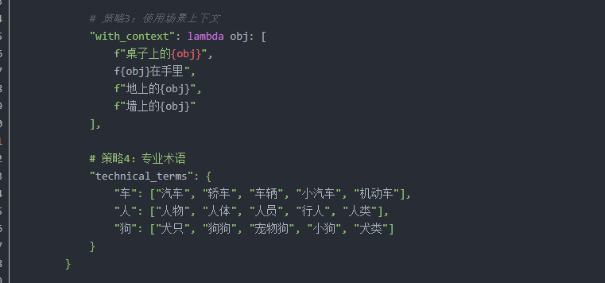
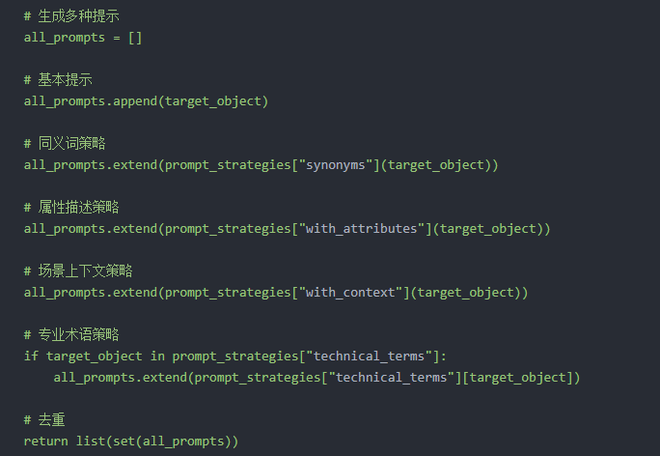
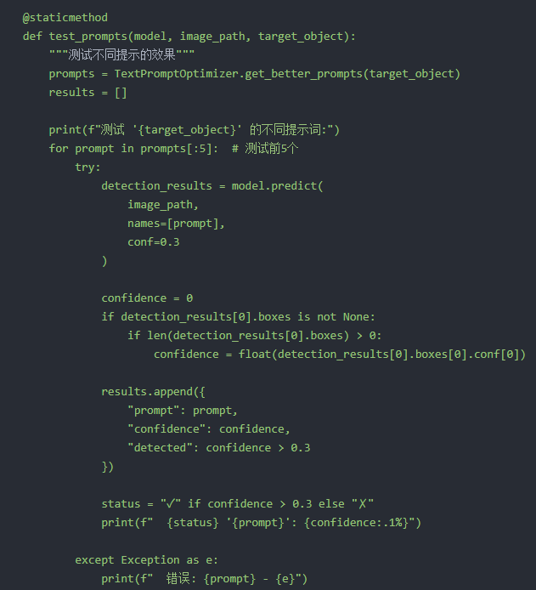
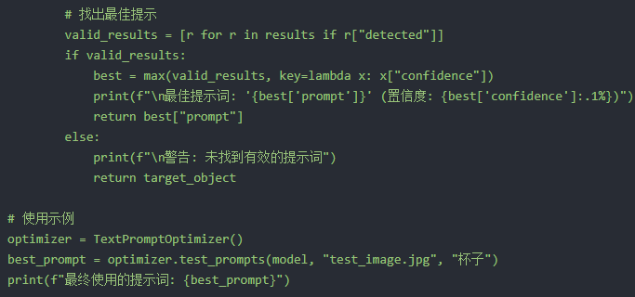

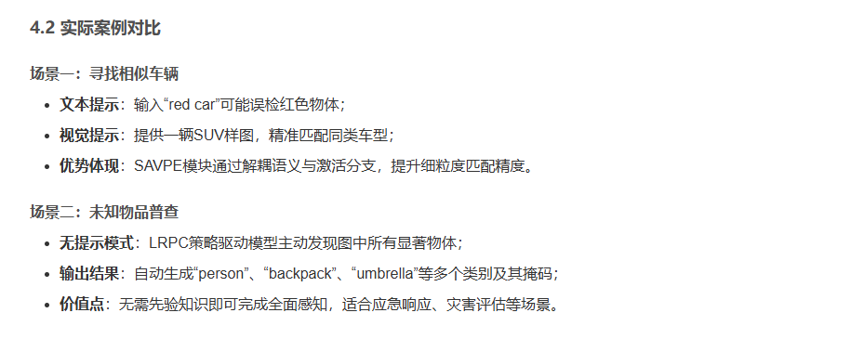

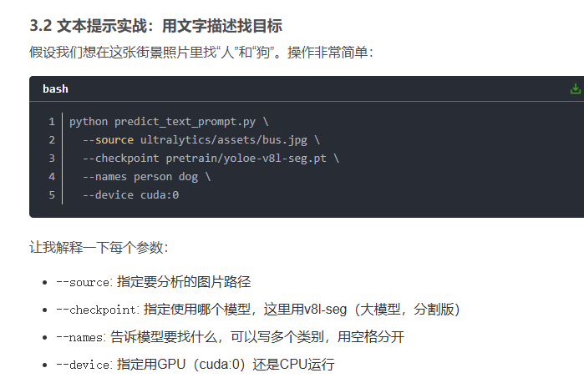

LVIS数据集

440: fire engine/fire truck 441: fire extinguisher/extinguisher 442: fire hose 443: fireplace 444: fireplug/fire hydrant/hydrant

Wildfire

Ultralytics 🚀 AGPL-3.0 License - https://ultralytics.com/license # LVIS dataset http://www.lvisdataset.org by Facebook AI Research. # Documentation: https://docs.ultralytics.com/datasets/detect/lvis/ # Example usage: yolo train data=lvis.yaml # parent # ├── ultralytics # └── datasets # └── lvis ← downloads here (20.1 GB) # Train/val/test sets as 1) dir: path/to/imgs, 2) file: path/to/imgs.txt, or 3) list: [path/to/imgs1, path/to/imgs2, ..] path: lvis # dataset root dir train: train.txt # train images (relative to 'path') 100170 images val: val.txt # val images (relative to 'path') 19809 images minival: minival.txt # minival images (relative to 'path') 5000 images names: 0: aerosol can/spray can 1: air conditioner 2: airplane/aeroplane 3: alarm clock 4: alcohol/alcoholic beverage 5: alligator/gator 6: almond 7: ambulance 8: amplifier 9: anklet/ankle bracelet 10: antenna/aerial/transmitting aerial 11: apple 12: applesauce 13: apricot 14: apron 15: aquarium/fish tank 16: arctic/arctic type of shoe/galosh/golosh/rubber/rubber type of shoe/gumshoe 17: armband 18: armchair 19: armoire 20: armor 21: artichoke 22: trash can/garbage can/wastebin/dustbin/trash barrel/trash bin 23: ashtray 24: asparagus 25: atomizer/atomiser/spray/sprayer/nebulizer/nebuliser 26: avocado 27: award/accolade 28: awning 29: ax/axe 30: baboon 31: baby buggy/baby carriage/perambulator/pram/stroller 32: basketball backboard 33: backpack/knapsack/packsack/rucksack/haversack 34: handbag/purse/pocketbook 35: suitcase/baggage/luggage 36: bagel/beigel 37: bagpipe 38: baguet/baguette 39: bait/lure 40: ball 41: ballet skirt/tutu 42: balloon 43: bamboo 44: banana 45: Band Aid 46: bandage 47: bandanna/bandana 48: banjo 49: banner/streamer 50: barbell 51: barge 52: barrel/cask 53: barrette 54: barrow/garden cart/lawn cart/wheelbarrow 55: baseball base 56: baseball 57: baseball bat 58: baseball cap/jockey cap/golf cap 59: baseball glove/baseball mitt 60: basket/handbasket 61: basketball 62: bass horn/sousaphone

微调
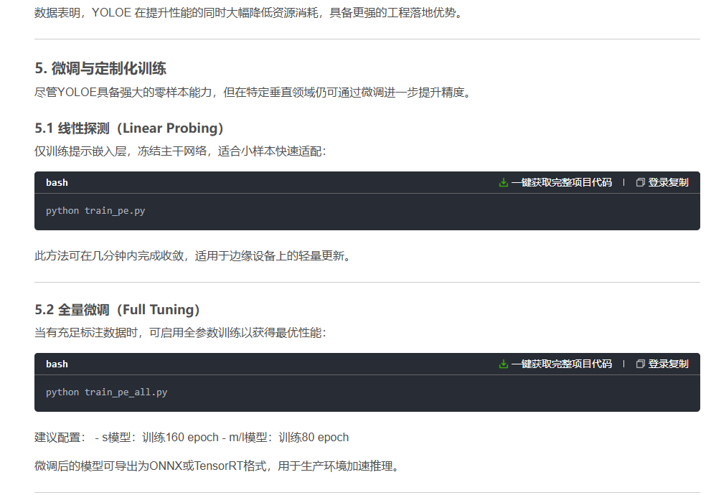
大概 | 详细
 | https://blog.csdn.net/weixin_42509513/article/details/157314896

