CBAM
https://blog.csdn.net/weixin_52603404/article/details/145946084
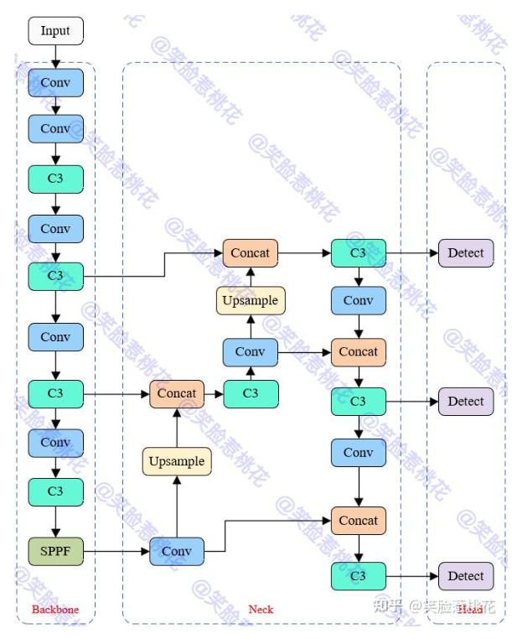

common.py
class ChannelAttention(nn.Module):
def __init__(self, in_planes, ratio=16):
super(ChannelAttention,self).__init__()
self.avg_pool=nn.AdaptiveAvgPool2d(1)
self.max_pool=nn.AdaptiveMaxPool2d(1)

self.fc1=nn.Conv2d(in_planes, in_planes//ratio, 1, bias=False)
self.relu1=nn.ReLU()
self.fc2=nn.Conv2d(in_planes//ratio, in_planes, 1, bias=False)
self.sigmoid=nn.Sigmoid()

def forward(self,x):
avg_out = self.fc2(self.relu1(self.fc1(self.avg_pool(x))))
max_out = self.fc2(self.relu1(self.fc1(self.max_pool(x))))
out = avg_out + max_out
return self.sigmoid(out)

# Defining the spatial module atenttion
class SpatialAttention(nn.Module):
def __init__(self, kernel_size=7):
CBAM
super(SpatialAttention,self).__init__()
self.conv1 = nn.Conv2d(2, 1, kernel_size,padding=3,bias=False)
# kernel size = 7 padding is 3: (n-7+1) +2p = n
self.sigmoid = nn.Sigmoid()

def forward(self,x):
avg_out = torch.mean(x,dim=1,keepdim=True)
max_out,_ = torch.max(x,dim=1,keepdim=True)
x = torch.cat([avg_out,max_out],dim=1)
x = self.conv1(x)
return self.sigmoid(x)

class CBAM(nn.Module):
def __init__(self,channelin, a, c):
super(CBAM,self).__init__()
self.channel_attention= ChannelAttention(channelin)
self.spatial_attention = SpatialAttention()

def forward(self, x):
out = self.channel_attention(x)*x
out = self.spatial_attention(out)*out
return out

class CBAMBottleneck(nn.Module):
# Standard bottleneck
def __init__(self, c1, c2, shortcut=True, g=1, e=0.5): # ch_in, ch_out, shortcut, groups, expansion
super().__init__()
c_ = int(c2 * e) # hidden channels
self.cv1 = Conv(c1, c_, 1, 1)
self.cv2 = Conv(c_, c2, 3, 1, g=g)
self.add = shortcut and c1 == c2
# 鍔犲叆CBAM妯″潡
self.channel_attention = ChannelAttention(c2, 16)
self.spatial_attention = SpatialAttention(7)

def forward(self, x):
x2 = self.cv2(self.cv1(x)) # x鍜寈2鐨刢hannel鏁扮浉鍚? # 鍦╞ottleneck妯″潡涓璼hortcut涔嬪墠鍔犲叆CBAM妯″潡
out = self.channel_attention(x2) * x2
out = self.spatial_attention(out) * out
return x + out if self.add else out
# return x + self.cv2(self.cv1(x)) if self.add else self.cv2(self.cv1(x))

class CBAMC3(C3):
# C3 module with cross-convolutions
def __init__(self, c1, c2, n=1, shortcut=True, g=1, e=0.5):
super().__init__(c1, c2, n, shortcut, g, e)
c_ = int(c2 * e)
self.m = nn.Sequential(*(CBAMBottleneck(c_, c_, shortcut) for _ in range(n)))

yaml
# YOLOv5 馃殌 by Ultralytics, GPL-3.0 license

# Parameters
nc: 80 # number of classes
depth_multiple: 0.33 # model depth multiple
width_multiple: 0.50 # layer channel multiple
anchors:
- [10,13, 16,30, 33,23] # P3/8
- [30,61, 62,45, 59,119] # P4/16
- [116,90, 156,198, 373,326] # P5/32

# YOLOv5 v6.0 backbone
backbone:
# [from, number, module, args]
[[-1, 1, Conv, [64, 6, 2, 2]], # 0-P1/2
[-1, 1, Conv, [128, 3, 2]], # 1-P2/4
[-1, 3, C3, [128]],
[-1, 1, Conv, [256, 3, 2]], # 3-P3/8
[-1, 6, C3, [256]],
[-1, 1, Conv, [512, 3, 2]], # 5-P4/16
[-1, 9, C3, [512]],
[-1, 1, Conv, [1024, 3, 2]], # 7-P5/32
[-1, 3, C3, [1024]],
[-1, 1, CBAM,[1024]], #CBAM #9
[-1, 1, SPPF, [1024, 5]], # 10
]

# YOLOv5 v6.0 head
head:
[[-1, 1, Conv, [512, 1, 1]],
[-1, 1, nn.Upsample, [None, 2, 'nearest']],
[[-1, 6], 1, Concat, [1]], # cat backbone P4
[-1, 3, C3, [512, False]], # 13

[-1, 1, Conv, [256, 1, 1]],
[-1, 1, nn.Upsample, [None, 2, 'nearest']],
[[-1, 4], 1, Concat, [1]], # cat backbone P3
[-1, 3, C3, [256, False]], # 18 (P3/8-small)

[-1, 1, Conv, [256, 3, 2]],
[[-1, 14], 1, Concat, [1]], # cat head P4
[-1, 3, C3, [512, False]], # 21 (P4/16-medium)

[-1, 1, Conv, [512, 3, 2]],
[[-1, 10], 1, Concat, [1]], # cat head P5
[-1, 3, C3, [1024, False]], # 24 (P5/32-large)

[[18, 21, 24], 1, Detect, [nc, anchors]], # Detect(P3, P4, P5)
]

yolo.py
注册CBAM

