C1_Transverse
WEAK STOREY CHECK FOR SEISMIC LOAD (LONGITUDINAL DIRECTION):
240C1MCS

Steel Yield Strength, Fy | = | 350 | MPa
 | A | B | Total Storey Shear (kN) | Comments
EL 632.100
Column Size | W250x49 | W250x49
TOS EL 640.750 m
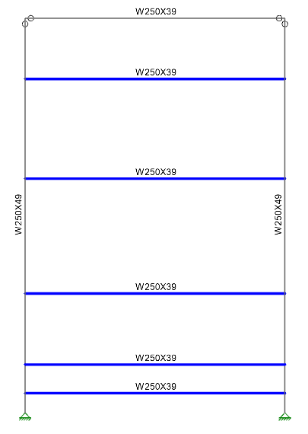
Zx = Plastic Moment of Inertia (mm^3) | 633000 | 633000
Mc = FyZx (kN-m) | 221.55 | 221.55 |  |  | M @ Top [EL 138'-4"]
Number of Columns at Joint | 2 | 2 |  |  |  | Mb,top / 2 = | 89.8 | 89.8 | kN.m
TOS EL 639.350 m
h
Beam Size | W250x39 | W250x39
Number of Beam at Joint | 1 | 1 |  |  | M @ Bot [EL 123'-9"]
Plastic Moment of Inertia (mm^3) | 513000 | 513000 |  |  |  | Mb,bot / 2 = | 0.0 | 0.0 | kN.m
Mb = FyZx (kN-m) | 179.55 | 179.55
Joint Type | Strong Column - Weak Beam | Strong Column - Weak Beam |  |  |  | V = [Mtop + Mbot] / h = | 173.3 | 173.3 | kN
TOS EL 637.050 m
Moment at the Base Mf (kN-m) | 0 | 0
h
Depth of Beam(m) | 0.262 | 0.262 |  |  |  | Story Shear = | 346.6 | kN
Storey Height (m) | 0.78 | 0.78 |  | Average Height was considered
Clear Height, h (m) | 0.518 | 0.518
Storey Shear (kN) | 347 | 347 | 693
EL 632.760
Column Size | W250x49 | W250x49
TOS EL 634.400 m
h
Zx = Plastic Moment of Inertia (mm^3) | 633000 | 633000
Mc = FyZx (kN-m) | 221.55 | 221.55 |  |  | M @ Top [EL 138'-4"]
Number of Columns at Joint | 2 | 2 |  |  |  | Mb,top / 2 = | 89.8 | 89.8 | kN.m
h
Beam Size | W250x39 | W250x39
TOS EL 632.760 m
Number of Beam at Joint | 1 | 1 |  |  | M @ Bot [EL 123'-9"]
TOS EL 632.100 m
Plastic Moment of Inertia (mm^3) | 513000 | 513000 |  |  |  | Mb,bot / 2 = | 89.8 | 89.8 | kN.m
h
Mb = FyZx (kN-m) | 179.55 | 179.55
U/S BP EL 631.650 m
Joint Type | Strong Column - Weak Beam | Strong Column - Weak Beam |  |  |  | V = [Mtop + Mbot] / h = | 202.2 | 202.2 | kN
Moment at the Base Mf (kN-m) | 0 | 0
Depth of Beam(m) | 0.262 | 0.262 |  |  |  | Story Shear = | 404.4 | kN
Storey Height (m) | 1.15 | 1.15 |  | Average Height was considered
Clear Height, h (m) | 0.888 | 0.888
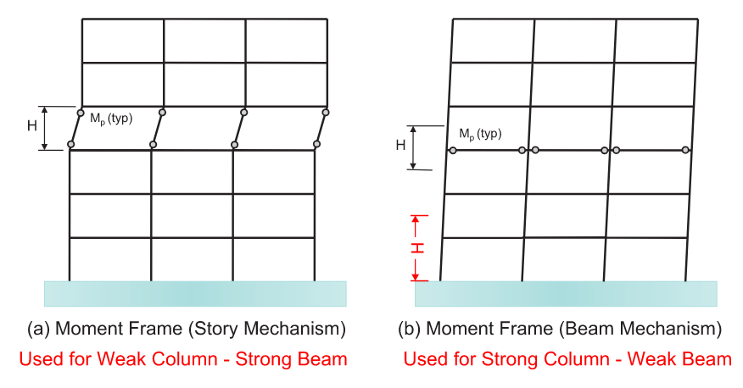
Storey Shear (kN) | 202 | 202 | 404
EL 634.400
Column Size | W250x49 | W250x49
Zx = Plastic Moment of Inertia (mm^3) | 633000 | 633000
Mc = FyZx (kN-m) | 221.55 | 221.55
Number of Columns at Joint | 2 | 2
Beam Size | W250x39 | W250x39
Number of Beam at Joint | 1 | 1
Plastic Moment of Inertia (mm^3) | 513000 | 513000
Mb = FyZx (kN-m) | 179.55 | 179.55
Joint Type | Strong Column - Weak Beam | Strong Column - Weak Beam
Moment at the Base Mf (kN-m) | 0 | 0
Depth of Beam(m) | 0.262 | 0.262
Storey Height (m) | 2.145 | 2.145 |  | Average Height was considered
Clear Height, h (m) | 1.883 | 1.883
Storey Shear (kN) | 95 | 95 | 191
EL 637.050
Column Size | W250x49 | W250x49
Zx = Plastic Moment of Inertia (mm^3) | 633000 | 633000
Mc = FyZx (kN-m) | 221.55 | 221.55 |  |  | M @ Top [EL 138'-4"]
Number of Columns at Joint | 2 | 2 |  |  |  | Mb,top / 2 = | 89.8 | 89.8 | kN.m
Beam Size | W250x39 | W250x39
Number of Beam at Joint | 1 | 1 |  |  | M @ Bot [EL 123'-9"]
Plastic Moment of Inertia (mm^3) | 513000 | 513000 |  |  |  | Mb,bot / 2 = | 89.8 | 89.8 | kN.m
Mb = FyZx (kN-m) | 179.55 | 179.55
Joint Type | Strong Column - Weak Beam | Strong Column - Weak Beam |  |  |  | V = [Mtop + Mbot] / h = | 81.1 | 81.1 | kN
Moment at the Base Mf (kN-m) | 0 | 0
Depth of Beam(m) | 0.262 | 0.262 |  |  |  | Story Shear = | 162.3 | kN
Storey Height (m) | 2.475 | 2.475 |  | Average Height was considered
Clear Height, h (m) | 2.213 | 2.213
Storey Shear (kN) | 81 | 81 | 162
EL 639.350 |  |  |  |  | 2550
Column Size | W250x49 | W250x49
Zx = Plastic Moment of Inertia (mm^3) | 633000 | 633000
Mc = FyZx (kN-m) | 221.55 | 221.55 |  |  | M @ Top [EL 138'-4"]
Number of Columns at Joint | 2 | 2 |  |  |  | Mb,top / 2 = | 89.8 | 89.8 | kN.m
Beam Size | W250x39 | W250x39
Number of Beam at Joint | 1 | 1 |  |  | M @ Bot [EL 123'-9"]
Plastic Moment of Inertia (mm^3) | 513000 | 513000 |  |  |  | Mb,bot / 2 = | 89.8 | 89.8 | kN.m
Mb = FyZx (kN-m) | 179.55 | 179.55
Joint Type | Strong Column - Weak Beam | Strong Column - Weak Beam |  |  |  | V = [Mtop + Mbot] / h = | 78.5 | 78.5 | kN
Moment at the Base Mf (kN-m) | 0 | 0
Depth of Beam(m) | 0.262 | 0.262 |  |  |  | Story Shear = | 156.9 | kN
Storey Height (m) | 2.55 | 2.55 |  | Height to top of structure used
Clear Height, h (m) | 2.288 | 2.288
Storey Shear (kN) | 78 | 78 | 157
Weak Storey Does Not Exist

C1_Longitudinal
WEAK STOREY CHECK FOR SEISMIC LOAD (TRANSVERSE DIRECTION):
240C1MCS

Steel Yield Strength, Fy | = | 345 | Mpa | Modulus of Elasticity, E | = | 200000 | MPa |  | n = | 1.34
EL | Bracing Size | Bracing Length (m) | Gross Area (mm^2) | min. Radius of Gyration (mm) | Slenderness Ratio | Fe (MPa) | λ | Bracing Compression Capacity (kN)* | Angle (degree) | Horizontal Component (kN) | Bracing Tension Capacity (kN) | Horizontal Component (kN) | Number of Compression Bracing | Number of Tension Bracing | Storey Shear Strength (kN)
634.400 | 2L102x76x13 | 3.397 | 4200 | 21.9 | 155.1 | 82.0 | 2.1 | 514 | 42.6 | 378 | 1304 | 960 | 1 | 0 | 378
637.050 | 2L102x76x9.5 | 3.643 | 3210 | 22.3 | 163.4 | 73.9 | 2.2 | 361 | 46.7 | 248 | 997 | 684 | 1 | 0 | 248
639.350 | 2L76x76x9.5 | 3.397 | 2720 | 23.2 | 146.4 | 92.0 | 1.9 | 203 | 42.6 | 149 | 845 | 622 | 1 | 0 | 149
640.750 | 2L76x51x6.4 | 2.806 | 1530 | 14.6 | 192.2 | 53.4 | 2.5 | 168 | 27.0 | 150 | 475 | 423 | 1 | 0 | 150
 |  |  |  |  |  |  |  |  |  |  |  |  | Weak Storey
*Bracing compression capacity is taken from Double-Angle Struts Compression Capacity Tables in CISC Handbook of Steel Construction. Values are interpolated for brace length.
*Compression values are based on 345 MPa as per CISC design tables. Actual values will be lower as 300 MPa is spec'd, but only relative strength difference matters in this check

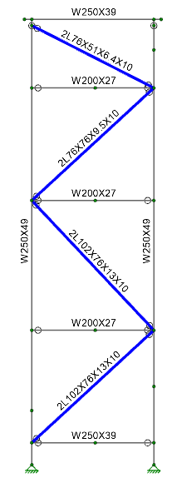
TOS EL 640.750 m

 |  |  |  |  |  |  |  |  |  |  | The top elevations are nearly identical in weak story strength. The minor deviation of +/- 1 kN is acceptable by engineering judgement. OK.

TOS EL 639.350 m

TOS EL 637.050 m

TOS EL 634.400 m

TOS EL 632.100 m
U/S BP EL 631.650 m

D1_Transverse
WEAK STOREY CHECK FOR SEISMIC LOAD (LONGITUDINAL DIRECTION):
240D1MCS

Steel Yield Strength, Fy | = | 350 | MPa
 | A | B | Total Storey Shear (kN) | Comments
EL 633.065
Column Size | W250x58 | W250x58
Zx = Plastic Moment of Inertia (mm^3) | 770000 | 770000
TOS EL 640.400 m
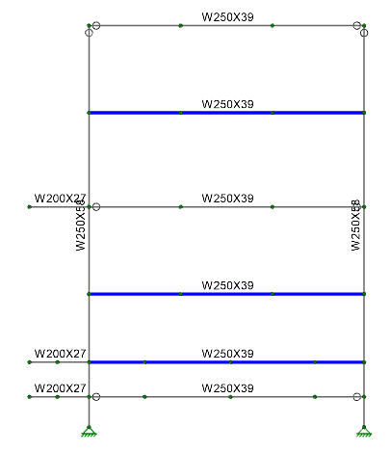
Mc = FyZx (kN-m) | 269.5 | 269.5 |  |  | M @ Top [EL 138'-4"]
Number of Columns at Joint | 2 | 2 |  |  |  | Mb,top / 2 = | 89.8 | 89.8 | kN.m
Beam Size | W250x39 | W250x39
Number of Beam at Joint | 1 | 1 |  |  | M @ Bot [EL 123'-9"]
Plastic Moment of Inertia (mm^3) | 513000 | 513000 |  |  |  | Mb,bot / 2 = | 0.0 | 0.0 | kN.m
TOS EL 638.500 m
h
Mb = FyZx (kN-m) | 179.55 | 179.55
Joint Type | Strong Column - Weak Beam | Strong Column - Weak Beam |  |  |  | V = [Mtop + Mbot] / h = | 47.4 | 47.4 | kN
Moment at the Base Mf (kN-m) | 0 | 0
Depth of Beam(m) | 0.262 | 0.262 |  |  |  | Story Shear = | 94.7 | kN
Storey Height (m) | 2.16 | 2.16 |  | Average Height was considered
Clear Height, h (m) | 1.8955 | 1.8955
Storey Shear (kN) | 95 | 95 | 189
EL 634.750
h
Column Size | W250x58 | W250x58
TOS EL 634.550 m
Zx = Plastic Moment of Inertia (mm^3) | 770000 | 770000
Mc = FyZx (kN-m) | 269.5 | 269.5 |  |  | M @ Top [EL 138'-4"]
Number of Columns at Joint | 2 | 2 |  |  |  | Mb,top / 2 = | 89.8 | 89.8 | kN.m
TOS EL 633.065 m
Beam Size | W250x39 | W250x39
Number of Beam at Joint | 1 | 1 |  |  | M @ Bot [EL 123'-9"]
h
Plastic Moment of Inertia (mm^3) | 513000 | 513000 |  |  |  | Mb,bot / 2 = | 89.8 | 89.8 | kN.m
Mb = FyZx (kN-m) | 179.55 | 179.55
U/S BP EL 631.650 m
Joint Type | Strong Column - Weak Beam | Strong Column - Weak Beam |  |  |  | V = [Mtop + Mbot] / h = | 73.1 | 73.1 | kN
Moment at the Base Mf (kN-m) | 0 | 0
Depth of Beam(m) | 0.262 | 0.262 |  |  |  | Story Shear = | 146.2 | kN
Storey Height (m) | 2.72 | 2.72 |  | Average Height was considered
Clear Height, h (m) | 2.4555 | 2.4555
Storey Shear (kN) | 73 | 73 | 146
EL 638.500
Column Size | W250x58 | W250x58
Zx = Plastic Moment of Inertia (mm^3) | 770000 | 770000
Mc = FyZx (kN-m) | 269.5 | 269.5 |  |  | M @ Top [EL 138'-4"]
Number of Columns at Joint | 2 | 2 |  |  |  | Mb,top / 2 = | 89.8 | 89.8 | kN.m
Beam Size | W250x39 | W250x39
Number of Beam at Joint | 1 | 1 |  |  | M @ Bot [EL 123'-9"]
Plastic Moment of Inertia (mm^3) | 513000 | 513000 |  |  |  | Mb,bot / 2 = | 89.8 | 89.8 | kN.m
Mb = FyZx (kN-m) | 179.55 | 179.55
Joint Type | Strong Column - Weak Beam | Strong Column - Weak Beam |  |  |  | V = [Mtop + Mbot] / h = | 49.7 | 49.7 | kN
Moment at the Base Mf (kN-m) | 0 | 0
Depth of Beam(m) | 0.262 | 0.262 |  |  |  | Story Shear = | 99.4 | kN
Storey Height (m) | 3.88 | 3.88 |  | Average Height was considered
Clear Height, h (m) | 3.613 | 3.613
Storey Shear (kN) | 50 | 50 | 99
Weak Storey Does Not Exist

D1_Longitudinal
WEAK STOREY CHECK FOR SEISMIC LOAD (TRANSVERSE DIRECTION):
240C1MCS

Steel Yield Strength, Fy | = | 345 | Mpa | Modulus of Elasticity, E | = | 200000 | MPa |  | n = | 1.34
EL | Bracing Size | Bracing Length (m) | Gross Area (mm^2) | min. Radius of Gyration (mm) | Slenderness Ratio | Fe (Mpa) | λ | Bracing Compression Capacity (kN)* | Angle (degree) | Horizontal Component (kN) | Bracing Tension Capacity (kN) | Horizontal Component (kN) | Number of Compression Bracing | Number of Tension Bracing | Storey Shear Strength (kN)
634.550 | 2L102x76x13 | 2.696 | 4200 | 21.9 | 123.1 | 130.1 | 1.6 | 695 | 56.2 | 387 | 1304 | 726 | 1 | 1 | 1113
636.450 | 2L76x76x9.5 | 2.421 | 2720 | 23.2 | 104.4 | 181.1 | 1.4 | 345 | 51.7 | 214 | 845 | 524 | 1 | 1 | 737
638.500 | 2L76x76x9.5 | 2.54 | 2720 | 23.2 | 109.5 | 164.5 | 1.4 | 321 | 53.8 | 189 | 845 | 499 | 1 | 1 | 688
640.400 | 2L76x51x6.4 | 2.324 | 1530 | 14.6 | 159.2 | 77.8 | 2.1 | 220 | 49.8 | 142 | 475 | 307 | 1 | 1 | 449
 |  |  |  |  |  |  |  |  |  |  |  |  | Weak Storey Not Exist
*Bracing compression capacity is taken from Double-Angle Struts Compression Capacity Tables in CISC Handbook of Steel Construction. Values are interpolated for brace length.
*Compression values are based on 345 MPa as per CISC design tables. Actual values will be lower as 300 MPa is spec'd, but only relative strength difference matters in this check

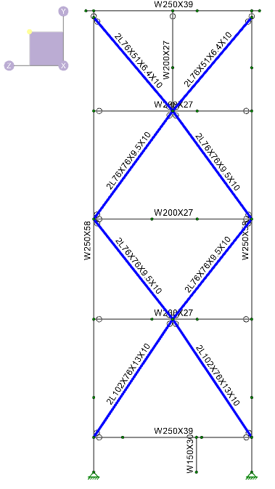
TOS EL 640.400 m

TOS EL 638.500 m

TOS EL 636.45 m

TOS EL 634.550 m

TOS EL 632.310 m

U/S BP EL 631.650 m

