2L_Check - L102
2L Brace Capacity Calculation

 | Bracing Members: | M91, M92, M99, M100, M148, M149, M157, M158

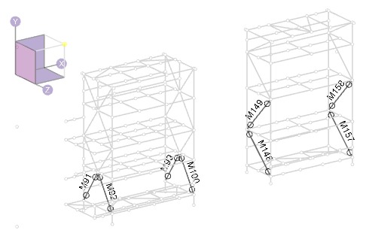

Maximum member forces occur in the in-situ condition:
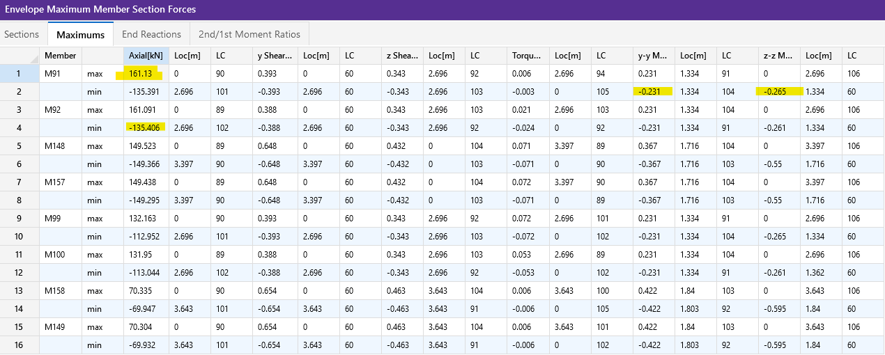

Member M91 has the largest compression force and governs the design:

 | Tf = | 140.0 | kN | : maximum factored tension
 | Cf = | 165.0 | kN | : maximum factored compression
 | Mf,y-y = | 0.2 | kNm | : maximum factored weak-axis moment
 | Mf,z-z = | 0.2 | kNm | : maximum factored strong-axis moment

Member Information:

 | Steel Grade: | 300W
 | E= | 200000 | MPa | : elastic modulus
 | Fy = | 300 | MPa | : yield stress
 | Fu = | 450 | MPa | : ultimate stress
 | G = | 77000 | MPa | : shear modulus
 | φ = | 0.90 |  | : material resistance factor

 | Section Properties:
 | Shape: | 2L102x76x13

 | dbr = | 102 | mm | : section depth
 | bbr = | 76 | mm | : section with; excluding gusset pl
 | wbr = | 13 | mm | : web/stem thickness
 | tbr = | 13 | mm | : flanges thickness

 | y = | 33.9 | mm | : distance to section COG
 | y0 = | 27.5 | mm | : distance to section shear center
 | rx = | 31.8 | mm | : radius of gyration, x-axis
 | ry = | 34.0 | mm | : radius of gyration, y-axis; assume 10 mm gusset

 | r0 = | 54.1 | mm
 | Ω = | 0.741

 | A = | 4200 | mm2 | : area
 | Ix = | 4250000 | mm4 | : moment of intertia, x-axis
 | Sx = | 62400 | mm3 | : section elastic modulus, x-axis
 | Iy = | 3.58E+06 | mm4 | : moment of intertia, y-axis |  |  | 33467.28972
 | Sy = | 44101 | mm3 | : section elastic modulus, y-axis; Iy / (bbr + tgp/2)

 | J = | 226000 | mm4 | : polar moment of intertia
 | Cw = | 138000000 | mm6 | : warping torsional constant

 | Brace Geometry: | Based on the longest brace length

 | Lx = | 3400 | mm | : brace length, X-axis buckling
 | Ly = | 3400 | mm | : brace length, Y-axis buckling
 | Lz = | 3400 | mm | : brace length, Z-axis buckling
 | Kx = | 1 |  | : effective length, X-axis; pinned at both ends
 | Ky = | 1 |  | : effective length, Y-axis; pinned at both ends
 | Kz = | 1 |  | : effective length, Z-axis; pinned at both ends

 | (KL/r)x = | 107 | < 200, OK
 | (KL/r)y = | 100 | < 200, OK

 | tgp = | 10 | mm | : gusset plate thickness, assumed
 | edge = | 40 | mm | : assumed bolt edge distance to bottom of stem
 | e = | 28.1 | mm | : bolt eccentricity; dbr - edge - y

Loading Information:
Loading is taken from RISA-3D:

 | Tfbr = | 140.0 | kN | : maximum factored tension
 | Cfbr = | 165.0 | kN | : maximum factored compression
 | Mfx = | 0.2 | kNm | : maximum factored x-axis moment
 | Mfy = | 0.2 | kNm | : maximum factored y-axis moment

 | Mf,ecc = | 4.6 | kNm | : eccentric moment; max(Cfbr, Tfbr) * e

 | Mfx,total = | 4.8 | kNm | : total factored x-axis moment; Mfx + Mf,ecc

Section Capacity:

 | i. Determine Euler Buckling Stress for Flexural, Torsional, or Flexural-Torsional Buckling (Cl. 13.3.1.1):
 | B) Singly symmetric section, with the y-axis taken as the axis of symmetry, Fe taken as the lesser of Fex and Feyz:

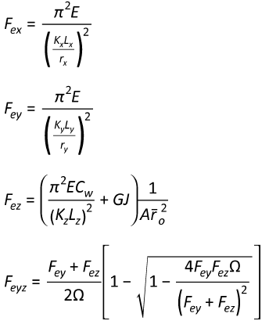
 | Fex = | 173 | MPa

 | Fey = | 197 | MPa

 | Fez = | 1419 | MPa

 | Feyz = | 189.8 | MPa

 | Fe is taken as the lesser of Fex and Feyz:

 | Fex Governs
 | Fe = | 173 | MPa

 | ii. Determine Factored Axial Compressive Resistance in accordance with Cl 13.3.1:

 | n = | 1.34 |  | : for hot rolled, fabricated steel sections
 | λ = | 1.318

 | Cr = | 488 | kN | : compression resistance

 | iii. Determine Factored Axial Tension Resistance in accordance with Cl 13.2:
 | A) The least of:

 | i) | Tr = Φ Ag Fy = | 1134 | kN

 | ii) | Shear block tearout not assessed. This is a connection limit state that is to be assessed by the connection engineer.

 | iii) | Tr = Φu Ane Fu = | 1063 | kN
 |  | Ane = | 3150 | mm2 | : net effective area.
 |  | Φu = | 0.75 |  | : material resistance factor for rupture

 | Tr is taken as the lesser of the capacity determined using sentences (i), (ii), and (iii):
 | Sentence (iii) Governs - Rupture Due to Shear Lag

 |  | Tr = | 1063 | kN

 | iv. Class of Section (Table 2)
 | Determine Class of Section in Bending (Per Table 2):

 |  | Legs of Double Angle Sections:

 |  |  |  | Class 1 | Class 2 | Class 3
 |  |  | Classification Limit: (bel / t) < | 145 / √Fy | 170 / √Fy | 200 / √Fy
 |  | (bel / t) = | 5.00 | 8.37 | 9.81 | 11.55

 |  | *bel = bbr - wbr

 |  |  | Angle legs are class: | 1

 | v. Bending Resistance - Laterally Unsupported Members (i.e. Bending About Principal Axes) (Cl 13.6e)
 | For singly symmetric sections, bending about the principal X-axis:

 | Myx = | 18.72 | kN m |  | : SxFy

 | Myrx = | 13.10 | kN m |  | : 0.7SxFy

 | ω3 = | 1 |  |  | : 1.0 for T-sections in single curvature, per Cl 13.6e.ii
 | L = | 3400 | mm |  | : member unbraced length
 | βx = | 0 |  |  | : asymmetry parameter. Approximate formula is not valid for WT
 | Cw = | 0 |  |  | : taken = 0 per the CISC Commentary on S16 Cl 13.6e

 | Mu = | 103.2 | kN.m

 | Mu > Myrx? | TRUE | Use 13.6e.i

 | dc = | 34 | mm |  | : y; use distance to COG as neutral axis
 | bc = | 152 | mm |  | : total width of section; 2 * bbr
 | tc = | 13 | mm |  | : tbr
 | w = | 25 | mm |  | : web thickness, use 2*wbr

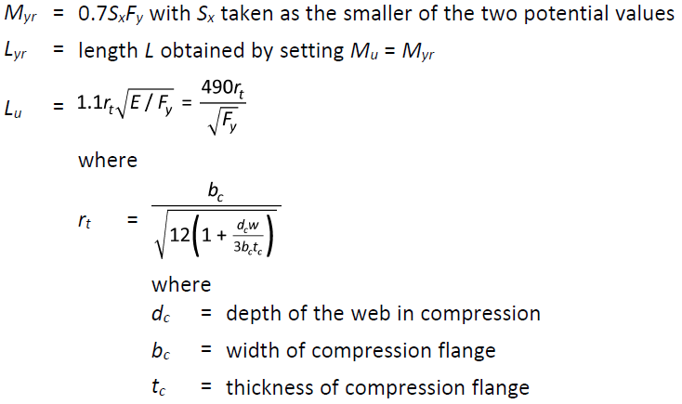
 | rt = | 41.1 | mm
 | Lu = | 1166 | mm

 | Lyr = | 26765 | mm
 | Mu, test = | 13.10 | kN.m

 | Mr,LTB = | 16.41 | kN.m |  | : determined iteratively by setting Mu,test = Myr

 | vi. Bending Resistance - Laterally Unsupported Members (i.e. Bending About Principal Axes) (Cl 13.6e)
 | For singly symmetric sections, bending about the principal Y-axis:

 | Mry = | 11.91 | kN m |  | : φSyFy

 | vii. Combined Compression and Flexure - S16 Cl 13.8.4
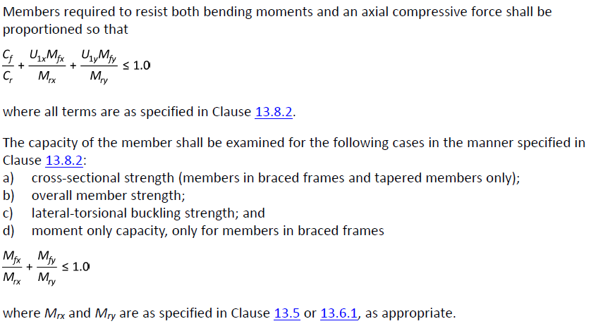

 | Cex = | 726 | kN
 | k = | -1 |  | : negative for single curvature, Cl 13.8.6a
 | ω1 = | 1 |  | : 0.6 - 0.4k
 | U1x = | 1.29

 | Cey = | 611 | kN
 | k = | -1 |  | : negative for single curvature, Cl 13.8.6a
 | ω1 = | 1 |  | : 0.6 - 0.4k
 | U1y = | 1.37

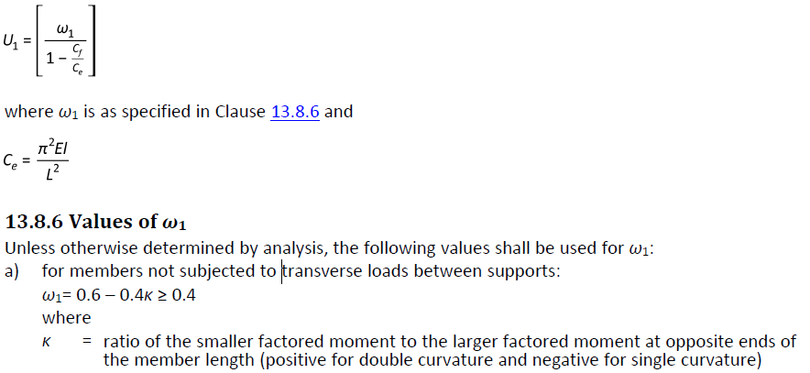

 | 13.8.4.a) - Cross Sectional Strength

 | Cr = | 1134.0 | kN |  | : φAFy; Cl. 13.3
 | Mrx = | 16.85 | kN.m |  | : φMyx =φSxFy; Cl.13.5
 | Mry = | 11.91 | kN.m |  | : φSyFy; Cl. 13.5

 | U1x, U1y per Cl 13.8.5, not less than 1.0
 | U1x = | 1.29
 | U1y = | 1.37

 | Cf / Cr = | 0.15
 | Mfx / Mrx = | 0.29
 | Mfy / Mry = | 0.02

 |  | Cf / Cr + U1xMfx / Mrx + U1yMfy / Mry = | 0.54 | < 1.0. OK

 | 13.8.4.b) Overall Member Strength
 | Cr = | 488 | kN |  | : φAFy / (1 + λ2n)1/n; Cl. 13.3.1.1
 | Mrx = | 16.85 | kN.m |  | : φMyx =φSxFy; Cl.13.5
 | Mry = | 11.91 | kN.m |  | : φSyFy; Cl. 13.5

 | U1x, U1y per Cl 13.8.5, not less than 1.0
 | U1x = | 1.29
 | U1y = | 1.37

 | Cf / Cr = | 0.34
 | Mfx / Mrx = | 0.29
 | Mfy / Mry = | 0.02

 |  | Cf / Cr + U1xMfx / Mrx + U1yMfy / Mry = | 0.74 | < 1.0. OK

 | 13.8.4.c) Overall Member Strength
 | Cr = | 488 | kN |  | : φAFy / (1 + λ2n)1/n; Cl. 13.3.1.1
 | Mrx = | 16.41 | kN.m |  | : Mr,LTB
 | Mry = | 11.91 | kN.m |  | : φSyFy; Cl. 13.5

 | U1x, U1y per Cl 13.8.5, not less than 1.0
 | U1x = | 1.29
 | U1y = | 1.37

 | Cf / Cr = | 0.34
 | Mfx / Mrx = | 0.29
 | Mfy / Mry = | 0.02

 |  | Cf / Cr + U1xMfx / Mrx + U1yMfy / Mry = | 0.75 | < 1.0. OK

 | 13.8.4.d) Moment Only Capacity
 | Mrx = | 16.41 | kN.m |  | : Mr,LTB
 | Mry = | 11.91 | kN.m |  | : φSyFy; Cl. 13.5

 | Mfx / Mrx = | 0.29
 | Mfy / Mry = | 0.02

 |  | Mfx / Mrx + Mfy / Mry = | 0.31 | < 1.0. OK

 | viii. Combined Tension and Flexure - S16 Cl 13.9

 | Clause 13.9.1
 | Tr = | 1063 | kN
 | Mrx = | 16.85 | kN.m |  | : φMyx =φSxFy; Cl.13.5
 | Mry = | 11.91 | kN.m |  | : φSyFy; Cl. 13.5

 | Tf / Tr = | 0.13
 | Mfx / Mrx = | 0.29
 | Mfy / Mry = | 0.02

 |  | Tf / Tr + Mfx / Mrx + Mfy / Mry = | 0.44 | < 1.0. OK

 | Clause 13.9.3
 | *conservatively use Sx for all section classes.

 | Mrx = | 16.41 | kN.m |  | : Mr,LTB
 | Mry = | 11.91 | kN.m |  | : φSyFy; Cl. 13.5

 | TfSx / MrxA = | 0.13
 | Mfx / Mrx = | 0.29
 | Mfy / Mry = | 0.02

 |  | Mfx / Mrx + Mfy / Mry - TfSx / MrxA= | 0.19 | < 1.0. OK

2L_Check - L76
2L Brace Capacity Calculation

 | Bracing Members: | M91, M92, M99, M100, M148, M149, M157, M158

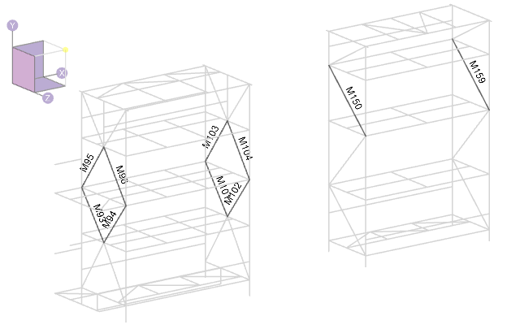

Maximum member forces occur in the in-situ condition:
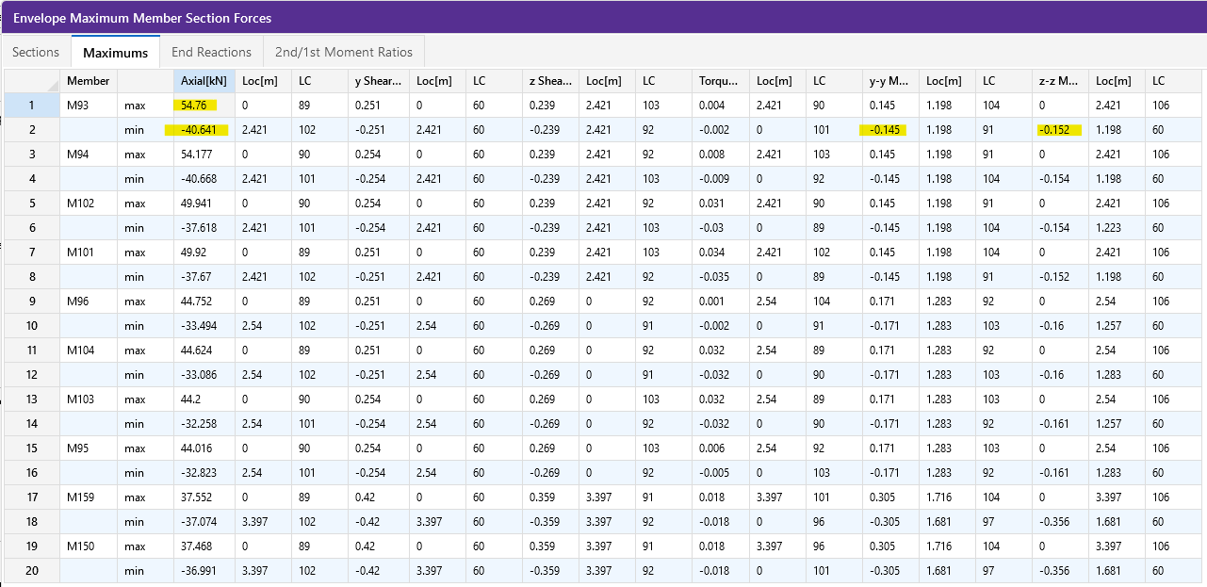

Member M93 has the largest compression force and governs the design:

 | Tf = | 45.0 | kN | : maximum factored tension
 | Cf = | 55.0 | kN | : maximum factored compression
 | Mf,y-y = | 0.1 | kNm | : maximum factored weak-axis moment
 | Mf,z-z = | 0.2 | kNm | : maximum factored strong-axis moment

Member Information:

 | Steel Grade: | 300W
 | E= | 200000 | MPa | : elastic modulus
 | Fy = | 300 | MPa | : yield stress
 | Fu = | 450 | MPa | : ultimate stress
 | G = | 77000 | MPa | : shear modulus
 | φ = | 0.90 |  | : material resistance factor

 | Section Properties:
 | Shape: | 2L76x76x9.5

 | dbr = | 76 | mm | : section depth
 | bbr = | 76 | mm | : section with; excluding gusset pl
 | wbr = | 10 | mm | : web/stem thickness
 | tbr = | 10 | mm | : flanges thickness

 | y = | 22.5 | mm | : distance to section COG
 | y0 = | 17.8 | mm | : distance to section shear center
 | rx = | 23.2 | mm | : radius of gyration, x-axis
 | ry = | 36.0 | mm | : radius of gyration, y-axis; assume 10 mm gusset

 | r0 = | 46.4 | mm
 | Ω = | 0.853

 | A = | 2720 | mm2 | : area
 | Ix = | 1470000 | mm4 | : moment of intertia, x-axis |  |  | 27374.301676
 | Sx = | 27300 | mm3 | : section elastic modulus, x-axis
 | Iy = | 3.52E+06 | mm4 | : moment of intertia, y-axis
 | Sy = | 43411 | mm3 | : section elastic modulus, y-axis; Iy / (bbr + tgp/2)

 | J = | 82400 | mm4 | : polar moment of intertia
 | Cw = | 35100000 | mm6 | : warping torsional constant

 | Brace Geometry: | Based on the longest brace length

 | Lx = | 3400 | mm | : brace length, X-axis buckling
 | Ly = | 3400 | mm | : brace length, Y-axis buckling
 | Lz = | 3400 | mm | : brace length, Z-axis buckling
 | Kx = | 1 |  | : effective length, X-axis; pinned at both ends
 | Ky = | 1 |  | : effective length, Y-axis; pinned at both ends
 | Kz = | 1 |  | : effective length, Z-axis; pinned at both ends

 | (KL/r)x = | 147 | < 200, OK
 | (KL/r)y = | 94 | < 200, OK

 | tgp = | 10 | mm | : gusset plate thickness, assumed
 | edge = | 38 | mm | : assumed bolt edge distance to bottom of stem
 | e = | 15.7 | mm | : bolt eccentricity; dbr - edge - y

Loading Information:
Loading is taken from RISA-3D:

 | Tfbr = | 45.0 | kN | : maximum factored tension
 | Cfbr = | 55.0 | kN | : maximum factored compression
 | Mfx = | 0.2 | kNm | : maximum factored x-axis moment
 | Mfy = | 0.1 | kNm | : maximum factored y-axis moment

 | Mf,ecc = | 0.9 | kNm | : eccentric moment; max(Cfbr, Tfbr) * e

 | Mfx,total = | 1.0 | kNm | : total factored x-axis moment; Mfx + Mf,ecc

Section Capacity:

 | i. Determine Euler Buckling Stress for Flexural, Torsional, or Flexural-Torsional Buckling (Cl. 13.3.1.1):
 | B) Singly symmetric section, with the y-axis taken as the axis of symmetry, Fe taken as the lesser of Fex and Feyz:

 | Fex = | 92 | MPa

 | Fey = | 221 | MPa

 | Fez = | 1085 | MPa

 | Feyz = | 213.6 | MPa

 | Fe is taken as the lesser of Fex and Feyz:

 | Fex Governs
 | Fe = | 92 | MPa

 | ii. Determine Factored Axial Compressive Resistance in accordance with Cl 13.3.1:

 | n = | 1.34 |  | : for hot rolled, fabricated steel sections
 | λ = | 1.807

 | Cr = | 196 | kN | : compression resistance

 | iii. Determine Factored Axial Tension Resistance in accordance with Cl 13.2:
 | A) The least of:

 | i) | Tr = Φ Ag Fy = | 734 | kN

 | ii) | Shear block tearout not assessed. This is a connection limit state that is to be assessed by the connection engineer.

 | iii) | Tr = Φu Ane Fu = | 689 | kN
 |  | Ane = | 2040 | mm2 | : net effective area.
 |  | Φu = | 0.75 |  | : material resistance factor for rupture

 | Tr is taken as the lesser of the capacity determined using sentences (i), (ii), and (iii):
 | Sentence (iii) Governs - Rupture Due to Shear Lag

 |  | Tr = | 689 | kN

 | iv. Class of Section (Table 2)
 | Determine Class of Section in Bending (Per Table 2):

 |  | Legs of Double Angle Sections:

 |  |  |  | Class 1 | Class 2 | Class 3
 |  |  | Classification Limit: (bel / t) < | 145 / √Fy | 170 / √Fy | 200 / √Fy
 |  | (bel / t) = | 7.00 | 8.37 | 9.81 | 11.55

 |  | *bel = bbr - wbr

 |  |  | Angle legs are class: | 1

 | v. Bending Resistance - Laterally Unsupported Members (i.e. Bending About Principal Axes) (Cl 13.6e)
 | For singly symmetric sections, bending about the principal X-axis:

 | Myx = | 8.19 | kN m |  | : SxFy

 | Myrx = | 5.73 | kN m |  | : 0.7SxFy

 | ω3 = | 1 |  |  | : 1.0 for T-sections in single curvature, per Cl 13.6e.ii
 | L = | 3400 | mm |  | : member unbraced length
 | βx = | 0 |  |  | : asymmetry parameter. Approximate formula is not valid for WT
 | Cw = | 0 |  |  | : taken = 0 per the CISC Commentary on S16 Cl 13.6e

 | Mu = | 61.8 | kN.m

 | Mu > Myrx? | TRUE | Use 13.6e.i

 | dc = | 23 | mm |  | : y; use distance to COG as neutral axis
 | bc = | 152 | mm |  | : total width of section; 2 * bbr
 | tc = | 10 | mm |  | : tbr
 | w = | 19 | mm |  | : web thickness, use 2*wbr

 | rt = | 42.0 | mm
 | Lu = | 1192 | mm

 | Lyr = | 36650 | mm
 | Mu, test = | 5.73 | kN.m

 | Mr,LTB = | 7.23 | kN.m |  | : determined iteratively by setting Mu,test = Myr

 | vi. Bending Resistance - Laterally Unsupported Members (i.e. Bending About Principal Axes) (Cl 13.6e)
 | For singly symmetric sections, bending about the principal Y-axis:

 | Mry = | 11.72 | kN m |  | : φSyFy

 | vii. Combined Compression and Flexure - S16 Cl 13.8.4

 | Cex = | 251 | kN
 | k = | -1 |  | : negative for single curvature, Cl 13.8.6a
 | ω1 = | 1 |  | : 0.6 - 0.4k
 | U1x = | 1.28

 | Cey = | 602 | kN
 | k = | -1 |  | : negative for single curvature, Cl 13.8.6a
 | ω1 = | 1 |  | : 0.6 - 0.4k
 | U1y = | 1.10

 | 13.8.4.a) - Cross Sectional Strength

 | Cr = | 734.4 | kN |  | : φAFy; Cl. 13.3
 | Mrx = | 7.37 | kN.m |  | : φMyx =φSxFy; Cl.13.5
 | Mry = | 11.72 | kN.m |  | : φSyFy; Cl. 13.5

 | U1x, U1y per Cl 13.8.5, not less than 1.0
 | U1x = | 1.28
 | U1y = | 1.10

 | Cf / Cr = | 0.07
 | Mfx / Mrx = | 0.14
 | Mfy / Mry = | 0.01

 |  | Cf / Cr + U1xMfx / Mrx + U1yMfy / Mry = | 0.26 | < 1.0. OK

 | 13.8.4.b) Overall Member Strength
 | Cr = | 196 | kN |  | : φAFy / (1 + λ2n)1/n; Cl. 13.3.1.1
 | Mrx = | 7.37 | kN.m |  | : φMyx =φSxFy; Cl.13.5
 | Mry = | 11.72 | kN.m |  | : φSyFy; Cl. 13.5

 | U1x, U1y per Cl 13.8.5, not less than 1.0
 | U1x = | 1.28
 | U1y = | 1.10

 | Cf / Cr = | 0.28
 | Mfx / Mrx = | 0.14
 | Mfy / Mry = | 0.01

 |  | Cf / Cr + U1xMfx / Mrx + U1yMfy / Mry = | 0.47 | < 1.0. OK

 | 13.8.4.c) Overall Member Strength
 | Cr = | 196 | kN |  | : φAFy / (1 + λ2n)1/n; Cl. 13.3.1.1
 | Mrx = | 7.23 | kN.m |  | : Mr,LTB
 | Mry = | 11.72 | kN.m |  | : φSyFy; Cl. 13.5

 | U1x, U1y per Cl 13.8.5, not less than 1.0
 | U1x = | 1.28
 | U1y = | 1.10

 | Cf / Cr = | 0.28
 | Mfx / Mrx = | 0.14
 | Mfy / Mry = | 0.01

 |  | Cf / Cr + U1xMfx / Mrx + U1yMfy / Mry = | 0.47 | < 1.0. OK

 | 13.8.4.d) Moment Only Capacity
 | Mrx = | 7.23 | kN.m |  | : Mr,LTB
 | Mry = | 11.72 | kN.m |  | : φSyFy; Cl. 13.5

 | Mfx / Mrx = | 0.14
 | Mfy / Mry = | 0.01

 |  | Mfx / Mrx + Mfy / Mry = | 0.15 | < 1.0. OK

 | viii. Combined Tension and Flexure - S16 Cl 13.9

 | Clause 13.9.1
 | Tr = | 689 | kN
 | Mrx = | 7.37 | kN.m |  | : φMyx =φSxFy; Cl.13.5
 | Mry = | 11.72 | kN.m |  | : φSyFy; Cl. 13.5

 | Tf / Tr = | 0.07
 | Mfx / Mrx = | 0.14
 | Mfy / Mry = | 0.01

 |  | Tf / Tr + Mfx / Mrx + Mfy / Mry = | 0.22 | < 1.0. OK

 | Clause 13.9.3
 | *conservatively use Sx for all section classes.

 | Mrx = | 7.23 | kN.m |  | : Mr,LTB
 | Mry = | 11.72 | kN.m |  | : φSyFy; Cl. 13.5

 | TfSx / MrxA = | 0.06
 | Mfx / Mrx = | 0.14
 | Mfy / Mry = | 0.01

 |  | Mfx / Mrx + Mfy / Mry - TfSx / MrxA= | 0.09 | < 1.0. OK

WT_Check - WT100
2L Brace Capacity Calculation

 | Bracing Members: | M82, M83, M84, M86, M87, M88, M110, M163, M164, M165, M166, M167, M174

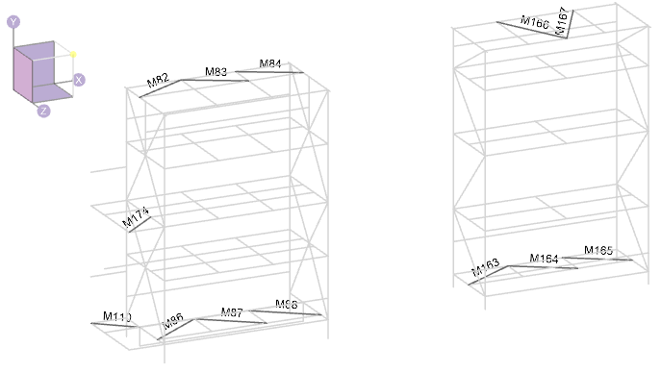

Maximum member forces occur in the transportation condition:
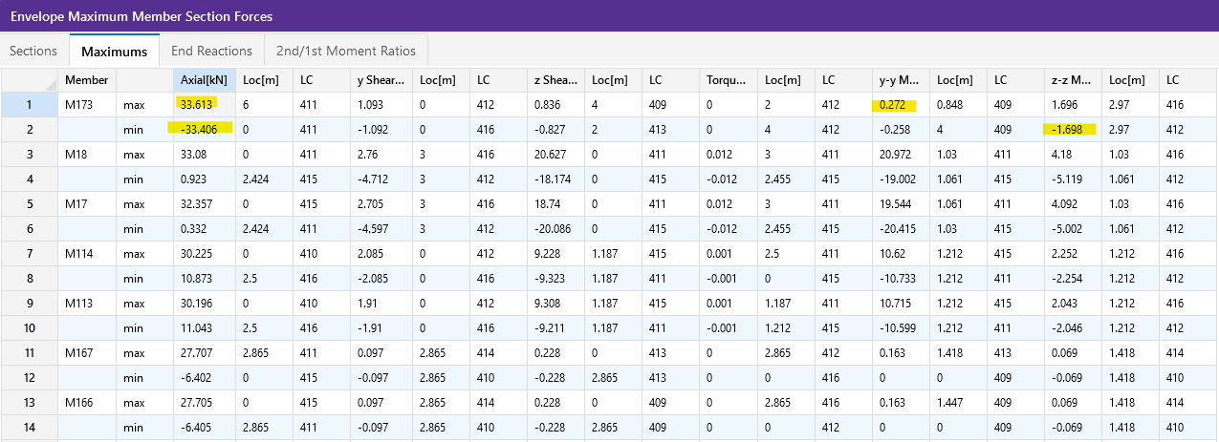

Member M93 has the larger compression force and governs the design:

 | Tf = | 40.0 | kN | : maximum factored tension
 | Cf = | 40.0 | kN | : maximum factored compression
 | Mf,y-y = | 0.2 | kNm | : maximum factored weak-axis moment
 | Mf,z-z = | 0.1 | kNm | : maximum factored strong-axis moment

Member Information:

 | Steel Grade: | 350W
 | E= | 200000 | MPa | : elastic modulus
 | Fy = | 350 | MPa | : yield stress
 | Fu = | 450 | MPa | : ultimate stress
 | G = | 77000 | MPa | : shear modulus
 | φ = | 0.90 |  | : material resistance factor

 | Section Properties:
 | Shape: | WT100x13.5

 | dbr = | 104 | mm | : section depth
 | bbr = | 133 | mm | : section with; excluding gusset pl
 | wbr = | 5.8 | mm | : web/stem thickness
 | tbr = | 8.4 | mm | : flanges thickness

 | y = | 21.3 | mm | : distance to section COG
 | y0 = | 17.1 | mm | : distance to section shear center
 | rx = | 29.1 | mm | : radius of gyration, x-axis
 | ry = | 31.2 | mm | : radius of gyration, y-axis; assume 10 mm gusset

 | r0 = | 46.0 | mm
 | Ω = | 0.862

 | A = | 1700 | mm2 | : area
 | Ix = | 1430000 | mm4 | : moment of intertia, x-axis |  |  | 17291.414752
 | Sx = | 17300 | mm3 | : section elastic modulus, x-axis
 | Iy = | 1650000 | mm4 | : moment of intertia, y-axis
 | Sy = | 24800 | mm3 | : section elastic modulus, y-axis; Iy / (bbr + tgp/2)

 | J = | 35500 | mm4 | : polar moment of intertia
 | Cw = | 15100000 | mm6 | : warping torsional constant

 | Brace Geometry: | Based on the longest brace length

 | Lx = | 2900 | mm | : brace length, X-axis buckling
 | Ly = | 2900 | mm | : brace length, Y-axis buckling
 | Lz = | 2900 | mm | : brace length, Z-axis buckling
 | Kx = | 1 |  | : effective length, X-axis; pinned at both ends
 | Ky = | 1 |  | : effective length, Y-axis; pinned at both ends
 | Kz = | 1 |  | : effective length, Z-axis; pinned at both ends

 | (KL/r)x = | 100 | < 200, OK
 | (KL/r)y = | 93 | < 200, OK

 | tgp = | 12.7 | mm | : gusset plate thickness, assumed
 | e = | 27.65 | mm | : bolt eccentricity; tgp / 2 + y

 | NOTE: Small additional eccentricity due to member vertical deflection is negligible, by engineering judgement. OK.

Loading Information:
Loading is taken from RISA-3D:

 | Tfbr = | 40.0 | kN | : maximum factored tension
 | Cfbr = | 40.0 | kN | : maximum factored compression
 | Mfx = | 0.1 | kNm | : maximum factored x-axis moment
 | Mfy = | 0.2 | kNm | : maximum factored y-axis moment

 | Mf,ecc = | 1.1 | kNm | : eccentric moment; max(Cfbr, Tfbr) * e

 | Mfx,total = | 1.2 | kNm | : total factored x-axis moment; Mfx + Mf,ecc

Section Capacity:

 | i. Determine Euler Buckling Stress for Flexural, Torsional, or Flexural-Torsional Buckling (Cl. 13.3.1.1):
 | B) Singly symmetric section, with the y-axis taken as the axis of symmetry, Fe taken as the lesser of Fex and Feyz:

 | Fex = | 199 | MPa

 | Fey = | 228 | MPa

 | Fez = | 762 | MPa

 | Feyz = | 216.6 | MPa

 | Fe is taken as the lesser of Fex and Feyz:

 | Fex Governs
 | Fe = | 199 | MPa

 | ii. Determine Factored Axial Compressive Resistance in accordance with Cl 13.3.1:

 | n = | 1.34 |  | : for hot rolled, fabricated steel sections
 | λ = | 1.327

 | Cr = | 228 | kN | : compression resistance

 | iii. Determine Factored Axial Tension Resistance in accordance with Cl 13.2:
 | A) The least of:

 | i) | Tr = Φ Ag Fy = | 536 | kN

 | ii) | Shear block tearout not assessed. This is a connection limit state that is to be assessed by the connection engineer.

 | iii) | Tr = Φu Ane Fu = | 430 | kN
 |  | Ane = | 1275 | mm2 | : net effective area.
 |  | Φu = | 0.75 |  | : material resistance factor for rupture

 | Tr is taken as the lesser of the capacity determined using sentences (i), (ii), and (iii):
 | Sentence (iii) Governs - Rupture Due to Shear Lag

 |  | Tr = | 430 | kN

 | iv. Class of Section (Table 2)
 | Determine Class of Section in Bending (Per Table 2):

 |  | Legs of Double Angle Sections:

 |  |  |  | Class 1 | Class 2 | Class 3
 |  |  | Classification Limit: (bel / t) < | 145 / √Fy | 170 / √Fy | 200 / √Fy
 |  | (bel / t) = | 15.14 | 7.75 | 9.09 | 10.69

 |  | *bel = bbr - wbr

 |  |  | Angle legs are class: | 4

 | v. Bending Resistance - Laterally Unsupported Members (i.e. Bending About Principal Axes) (Cl 13.6e)
 | For singly symmetric sections, bending about the principal X-axis:

 | Myx = | 6.06 | kN m |  | : SxFy

 | Myrx = | 4.24 | kN m |  | : 0.7SxFy

 | ω3 = | 1 |  |  | : 1.0 for T-sections in single curvature, per Cl 13.6e.ii
 | L = | 2900 | mm |  | : member unbraced length
 | βx = | 0 |  |  | : asymmetry parameter. Approximate formula is not valid for WT
 | Cw = | 0 |  |  | : taken = 0 per the CISC Commentary on S16 Cl 13.6e

 | Mu = | 32.5 | kN.m

 | Mu > Myrx? | TRUE | Use 13.6e.i

 | dc = | 21 | mm |  | : y; use distance to COG as neutral axis
 | bc = | 266 | mm |  | : total width of section; 2 * bbr
 | tc = | 8 | mm |  | : tbr
 | w = | 12 | mm |  | : web thickness, use 2*wbr

 | rt = | 75.4 | mm
 | Lu = | 1983 | mm

 | Lyr = | 22261 | mm
 | Mu, test = | 4.24 | kN.m

 | Mr,LTB = | 5.38 | kN.m |  | : determined iteratively by setting Mu,test = Myr

 | vi. Bending Resistance - Laterally Unsupported Members (i.e. Bending About Principal Axes) (Cl 13.6e)
 | For singly symmetric sections, bending about the principal Y-axis:

 | Mry = | 7.81 | kN m |  | : φSyFy

 | vii. Combined Compression and Flexure - S16 Cl 13.8.4

 | Cex = | 336 | kN
 | k = | -1 |  | : negative for single curvature, Cl 13.8.6a
 | ω1 = | 1 |  | : 0.6 - 0.4k
 | U1x = | 1.14

 | Cey = | 387 | kN
 | k = | -1 |  | : negative for single curvature, Cl 13.8.6a
 | ω1 = | 1 |  | : 0.6 - 0.4k
 | U1y = | 1.12

 | 13.8.4.a) - Cross Sectional Strength

 | Cr = | 535.5 | kN |  | : φAFy; Cl. 13.3
 | Mrx = | 5.45 | kN.m |  | : φMyx =φSxFy; Cl.13.5
 | Mry = | 7.81 | kN.m |  | : φSyFy; Cl. 13.5

 | U1x, U1y per Cl 13.8.5, not less than 1.0
 | U1x = | 1.14
 | U1y = | 1.12

 | Cf / Cr = | 0.07
 | Mfx / Mrx = | 0.21
 | Mfy / Mry = | 0.02

 |  | Cf / Cr + U1xMfx / Mrx + U1yMfy / Mry = | 0.34 | < 1.0. OK

 | 13.8.4.b) Overall Member Strength
 | Cr = | 228 | kN |  | : φAFy / (1 + λ2n)1/n; Cl. 13.3.1.1
 | Mrx = | 5.45 | kN.m |  | : φMyx =φSxFy; Cl.13.5
 | Mry = | 7.81 | kN.m |  | : φSyFy; Cl. 13.5

 | U1x, U1y per Cl 13.8.5, not less than 1.0
 | U1x = | 1.14
 | U1y = | 1.12

 | Cf / Cr = | 0.18
 | Mfx / Mrx = | 0.21
 | Mfy / Mry = | 0.02

 |  | Cf / Cr + U1xMfx / Mrx + U1yMfy / Mry = | 0.44 | < 1.0. OK

 | 13.8.4.c) Overall Member Strength
 | Cr = | 228 | kN |  | : φAFy / (1 + λ2n)1/n; Cl. 13.3.1.1
 | Mrx = | 5.38 | kN.m |  | : Mr,LTB
 | Mry = | 7.81 | kN.m |  | : φSyFy; Cl. 13.5

 | U1x, U1y per Cl 13.8.5, not less than 1.0
 | U1x = | 1.14
 | U1y = | 1.12

 | Cf / Cr = | 0.18
 | Mfx / Mrx = | 0.22
 | Mfy / Mry = | 0.02

 |  | Cf / Cr + U1xMfx / Mrx + U1yMfy / Mry = | 0.44 | < 1.0. OK

 | 13.8.4.d) Moment Only Capacity
 | Mrx = | 5.38 | kN.m |  | : Mr,LTB
 | Mry = | 7.81 | kN.m |  | : φSyFy; Cl. 13.5

 | Mfx / Mrx = | 0.22
 | Mfy / Mry = | 0.02

 |  | Mfx / Mrx + Mfy / Mry = | 0.24 | < 1.0. OK

 | viii. Combined Tension and Flexure - S16 Cl 13.9

 | Clause 13.9.1
 | Tr = | 430 | kN
 | Mrx = | 5.45 | kN.m |  | : φMyx =φSxFy; Cl.13.5
 | Mry = | 7.81 | kN.m |  | : φSyFy; Cl. 13.5

 | Tf / Tr = | 0.09
 | Mfx / Mrx = | 0.21
 | Mfy / Mry = | 0.02

 |  | Tf / Tr + Mfx / Mrx + Mfy / Mry = | 0.33 | < 1.0. OK

 | Clause 13.9.3
 | *conservatively use Sx for all section classes.

 | Mrx = | 5.38 | kN.m |  | : Mr,LTB
 | Mry = | 7.81 | kN.m |  | : φSyFy; Cl. 13.5

 | TfSx / MrxA = | 0.08
 | Mfx / Mrx = | 0.22
 | Mfy / Mry = | 0.02

 |  | Mfx / Mrx + Mfy / Mry - TfSx / MrxA= | 0.16 | < 1.0. OK

