C1_Transverse
WEAK STOREY CHECK FOR SEISMIC LOAD (TRANSVERSE DIRECTION):
225B2MCS
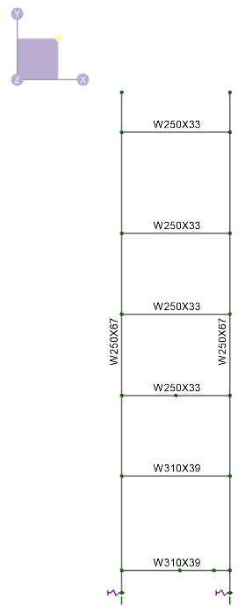
Steel Yield Strength, Fy | = | 350 | MPa
 | A | B | Total Storey Shear (kN) | Comments
EL 631.150
Column Size | W250x67 | W250x67 |  |  | Aside check per SEAOC Design Guide:
TOS EL 642.850 m
Zx = Plastic Moment of Inertia (mm^3) | 901000 | 901000
Mc = FyZx (kN-m) | 315.35 | 315.35 |  |  |  | M @ Top [EL 631.150 m]
Number of Columns at Joint | 2 | 2 |  |  |  |  | Mb,top / 2 = | 106.8 | 106.8 | kN.m
h
Beam Size | W310x39 | W310x39
Number of Beam at Joint | 1 | 1 |  |  |  | M @ Bot [631.150 m]
Plastic Moment of Inertia (mm^3) | 610000 | 610000 |  |  |  |  | Mb,bot / 2 = | 0.0 | 0.0 | kN.m
TOS EL 640.150 m
h
Mb = FyZx (kN-m) | 213.5 | 213.5 |  |  |  |  | h= | 0.6
Joint Type | Strong Column - Weak Beam | Strong Column - Weak Beam |  |  |  |  | V = [Mtop + Mbot] / h = | 368.1 | 368.1 | kN
Moment at the Base Mf (kN-m) | 0 | 0
Depth of Beam(m) | 0.31 | 0.31 |  |  |  |  | Story Shear = | 736.2 | kN
TOS EL 637.990 m
Storey Height (m) | 1.86 | 1.86 |  | Average Height was considered
h
Clear Height, h (m) | 1.55 | 1.55
Storey Shear (kN) | 138 | 138 | 275
EL 633.670
Column Size | W250x67 | W250x67
TOS EL 635.820 m
h
Zx = Plastic Moment of Inertia (mm^3) | 901000 | 901000
Mc = FyZx (kN-m) | 315.35 | 315.35 |  |  |  | M @ Top [EL 633.670 m]
Number of Columns at Joint | 2 | 2 |  |  |  |  | Mb,top / 2 = | 106.8 | 106.8 | kN.m
Beam Size | W310x39 | W310x39
TOS EL 633.670 m
Number of Beam at Joint | 1 | 1 |  |  |  | M @ Bot [631.150 m]
h
Plastic Moment of Inertia (mm^3) | 610000 | 610000 |  |  |  |  | Mb,bot / 2 = | 106.8 | 106.8 | kN.m
Mb = FyZx (kN-m) | 213.5 | 213.5 |  |  |  |  | h= | 2.5
Joint Type | Strong Column - Weak Beam | Strong Column - Weak Beam |  |  |  |  | V = [Mtop + Mbot] / h = | 96.6 | 96.6 | kN
Moment at the Base Mf (kN-m) | 0 | 0
TOS EL 631.150 m
Depth of Beam(m) | 0.31 | 0.31 |  |  |  |  | Story Shear = | 193.2 | kN
h
Storey Height (m) | 2.335 | 2.335 |  | Average Height was considered
U/S BP EL 630.550 m
Clear Height, h (m) | 2.025 | 2.025
Storey Shear (kN) | 105 | 105 | 211
EL 635.820
Column Size | W250x67 | W250x67
Zx = Plastic Moment of Inertia (mm^3) | 901000 | 901000
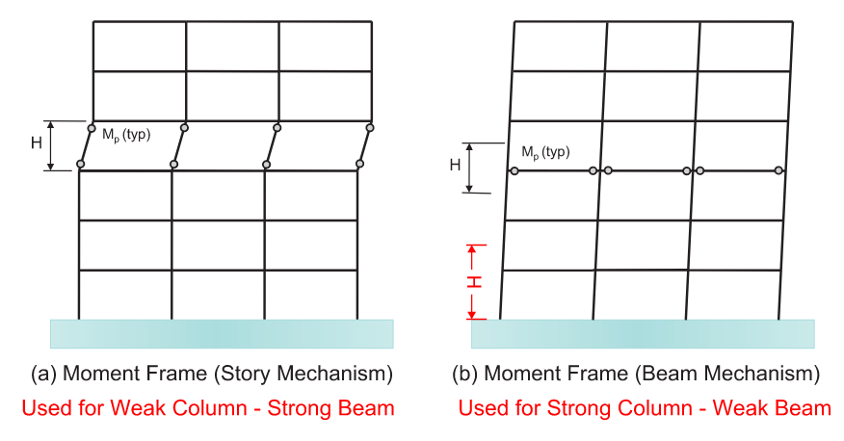
Mc = FyZx (kN-m) | 315.35 | 315.35 |  |  |  | M @ Top [EL 635.820 m]
Number of Columns at Joint | 2 | 2 |  |  |  |  | Mb,top / 2 = | 74.2 | 74.2 | kN.m
Beam Size | W250x33 | W250x33
Number of Beam at Joint | 1 | 1 |  |  |  | M @ Bot [633.670 m]
Plastic Moment of Inertia (mm^3) | 424000 | 424000 |  |  |  |  | Mb,bot / 2 = | 106.8 | 106.8 | kN.m
Mb = FyZx (kN-m) | 148.4 | 148.4 |  |  |  |  | h= | 2.2
Joint Type | Strong Column - Weak Beam | Strong Column - Weak Beam |  |  |  |  | V = [Mtop + Mbot] / h = | 95.6 | 95.6 | kN
Moment at the Base Mf (kN-m) | 0 | 0
Depth of Beam(m) | 0.258 | 0.258 |  |  |  |  | Story Shear = | 191.3 | kN
Storey Height (m) | 2.16 | 2.16 |  | Average Height was considered
Clear Height, h (m) | 1.902 | 1.902
Storey Shear (kN) | 78 | 78 | 156
EL 637.990
Column Size | W250x67 | W250x67
Zx = Plastic Moment of Inertia (mm^3) | 901000 | 901000
Mc = FyZx (kN-m) | 315.35 | 315.35 |  |  |  | M @ Top [EL 637.990 m]
Number of Columns at Joint | 2 | 2 |  |  |  |  | Mb,top / 2 = | 74.2 | 74.2 | kN.m
Beam Size | W250x33 | W250x33
Number of Beam at Joint | 1 | 1 |  |  |  | M @ Bot [EL 635.820 m]
Plastic Moment of Inertia (mm^3) | 424000 | 424000 |  |  |  |  | Mb,bot / 2 = | 74.2 | 74.2 | kN.m
Mb = FyZx (kN-m) | 148.4 | 148.4 |  |  |  |  | h= | 2.17
Joint Type | Strong Column - Weak Beam | Strong Column - Weak Beam |  |  |  |  | V = [Mtop + Mbot] / h = | 77.6 | 77.6 | kN
Moment at the Base Mf (kN-m) | 0 | 0
Depth of Beam(m) | 0.258 | 0.258 |  |  |  |  | Story Shear = | 155.2 | kN
Storey Height (m) | 2.16 | 2.16 |  | Average Height was considered
Clear Height, h (m) | 1.902 | 1.902
Storey Shear (kN) | 78 | 78 | 156
EL 640.150
Column Size | W250x67 | W250x67
Zx = Plastic Moment of Inertia (mm^3) | 901000 | 901000
Mc = FyZx (kN-m) | 315.35 | 315.35 |  |  |  | M @ Top [EL 640.150 m]
Number of Columns at Joint | 2 | 2 |  |  |  |  | Mb,top / 2 = | 74.2 | 74.2 | kN.m
Beam Size | W250x33 | W250x33
Number of Beam at Joint | 1 | 1 |  |  |  | M @ Bot [EL 637.990 m]
Plastic Moment of Inertia (mm^3) | 424000 | 424000 |  |  |  |  | Mb,bot / 2 = | 74.2 | 74.2 | kN.m
Mb = FyZx (kN-m) | 148.4 | 148.4 |  |  |  |  | h= | 2.16
Joint Type | Strong Column - Weak Beam | Strong Column - Weak Beam |  |  |  |  | V = [Mtop + Mbot] / h = | 78.0 | 78.0 | kN
Moment at the Base Mf (kN-m) | 0 | 0
Depth of Beam(m) | 0.258 | 0.258 |  |  |  |  | Story Shear = | 156.0 | kN
Storey Height (m) | 2.43 | 2.43 |  | Average Height was considered
Clear Height, h (m) | 2.172 | 2.172
Storey Shear (kN) | 68 | 68 | 137
EL 642.85
Column Size | W250x67 | W250x67
Zx = Plastic Moment of Inertia (mm^3) | 901000 | 901000
Mc = FyZx (kN-m) | 315.35 | 315.35 |  |  |  | M @ Top [EL 138'-4"]
Number of Columns at Joint | 1 | 1 |  |  |  |  | Mb,top / 2 = | 74.2 | 74.2 | kN.m
Beam Size | W250x33 | W250x33
Number of Beam at Joint | 1 | 1 |  |  |  | M @ Bot [EL 123'-9"]
Plastic Moment of Inertia (mm^3) | 424000 | 424000 |  |  |  |  | Mb,bot / 2 = | 74.2 | 74.2 | kN.m
Mb = FyZx (kN-m) | 148.4 | 148.4 |  |  |  |  | h= | 2.7
Joint Type | Strong Column - Weak Beam | Strong Column - Weak Beam |  |  |  |  | V = [Mtop + Mbot] / h = | 60.8 | 60.8 | kN
Moment at the Base Mf (kN-m) | 0 | 0
Depth of Beam(m) | 0.258 | 0.258 |  |  |  |  | Story Shear = | 121.5 | kN
Storey Height (m) | 2.7 | 2.7 |  | Full height of story considered for top
Clear Height, h (m) | 2.442 | 2.442
Storey Shear (kN) | 61 | 61 | 122
Weak Storey Does Not Exist

C1_Longitudinal
WEAK STOREY CHECK FOR SEISMIC LOAD (LONGITUDINAL DIRECTION):
225B1MCS

Steel Yield Strength, Fy | = | 345 | MPa | Modulus of Elasticity, E | = | 200000 | MPa |  | n = | 1.34
EL | Bracing Size | Bracing Length (m) | Gross Area (mm^2) | min. Radius of Gyration (mm) | Slenderness Ratio | Fe (MPa) | λ | Bracing Compression Capacity (kN)* | Angle (degree) | Horizontal Component (kN) | Bracing Tension Capacity (kN) | Horizontal Component (kN) | Number of Compression Bracing | Number of Tension Bracing | Storey Shear Strength (kN)
633.670 | 2L102x76x9.5 | 4.330 | 3210 | 22.3 | 194.2 | 52.3 | 2.6 | 353 | 46.1 | 245 | 997 | 691 | 1 | 1 | 936
635.820 | 2L76x76x9.5 | 3.700 | 2720 | 23.2 | 159.5 | 77.5 | 2.1 | 175 | 35.6 | 142 | 845 | 687 | 1 | 1 | 829
637.990 | 2L76x76x9.5 | 3.700 | 2720 | 23.2 | 159.5 | 77.5 | 2.1 | 175 | 35.9 | 142 | 845 | 684 | 1 | 1 | 826
640.150 | 2L76x76x9.5 | 3.700 | 2720 | 23.2 | 159.5 | 77.5 | 2.1 | 175 | 35.8 | 142 | 845 | 685 | 1 | 1 | 827
642.850 | 2L76x76x9.5 | 4.040 | 2720 | 23.2 | 174.1 | 65.0 | 2.3 | 149 | 42.0 | 111 | 845 | 628 | 1 | 1 | 739
 |  |  |  |  |  |  |  |  |  |  |  |  | Weak Storey Not Exist
*Bracing compression capacity is taken from Double-Angle Struts Compression Capacity Tables in CISC Handbook of Steel Construction. Values are interpolated for brace length.
*Compression values are based on 345 MPa as per CISC design tables. Actual values will be lower as 300 MPa is spec'd, but only relative strength difference matters in this check

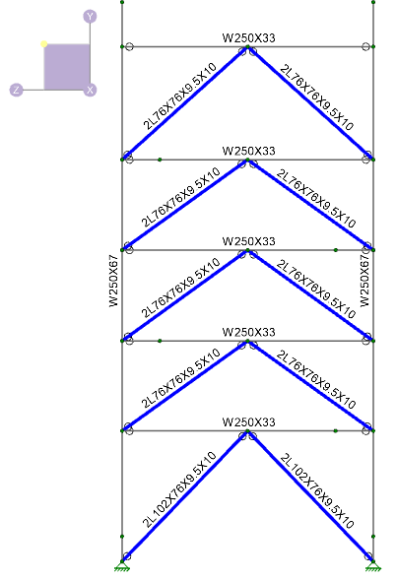
 |  |  |  |  |  |  |  |  |  |  | The middle elevations are nearly identical in story height and resulting weak story strength. The minor deviation of +/- 1 kN is acceptable by engineering judgement. OK.
TOS EL 642.850 m

TOS EL 640.150 m

TOS EL 637.990 m

TOS EL 635.820 m

TOS EL 633.670 m

U/S BP EL 630.550 m

