2L_Check - L102
2L Brace Capacity Calculation

 | Bracing Members: | M29, M30, M39, M40
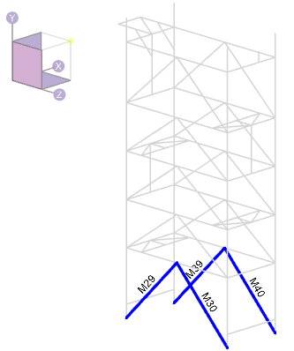

Maximum member forces occur in the in-situ condition:

Member M40 has the larger compression force and governs the design:

 | Tf = | 50.0 | kN | : maximum factored tension |  |  |  | 0.53
 | Cf = | 50.0 | kN | : maximum factored compression
 | Mf,y-y = | 0.6 | kNm | : maximum factored weak-axis moment
 | Mf,z-z = | 1.1 | kNm | : maximum factored strong-axis moment

Member Information:

 | Steel Grade: | 300W
 | E= | 200000 | MPa | : elastic modulus
 | Fy = | 300 | MPa | : yield stress
 | Fu = | 450 | MPa | : ultimate stress
 | G = | 77000 | MPa | : shear modulus
 | φ = | 0.90 |  | : material resistance factor

 | Section Properties:
 | Shape: | 2L102x76x9.5

 | dbr = | 102 | mm | : section depth
 | bbr = | 76 | mm | : section with; excluding gusset pl
 | wbr = | 10 | mm | : web/stem thickness
 | tbr = | 10 | mm | : flanges thickness

 | y = | 32.7 | mm | : distance to section COG
 | y0 = | 28.0 | mm | : distance to section shear center
 | rx = | 32.2 | mm | : radius of gyration, x-axis
 | ry = | 33.4 | mm | : radius of gyration, y-axis; assume 10 mm gusset

 | r0 = | 54.2 | mm
 | Ω = | 0.733

 | A = | 3210 | mm2 | : area
 | Ix = | 3340000 | mm4 | : moment of intertia, x-axis
 | Sx = | 48200 | mm3 | : section elastic modulus, x-axis
 | Iy = | 3.58E+06 | mm4 | : moment of intertia, y-axis |  |  | 33467.28972
 | Sy = | 44101 | mm3 | : section elastic modulus, y-axis; Iy / (bbr + tgp/2)

 | J = | 97300 | mm4 | : polar moment of intertia
 | Cw = | 61700000 | mm6 | : warping torsional constant

 | Brace Geometry: | Based on the longest brace length

 | Lx = | 4330 | mm | : brace length, X-axis buckling
 | Ly = | 4330 | mm | : brace length, Y-axis buckling
 | Lz = | 4330 | mm | : brace length, Z-axis buckling
 | Kx = | 1 |  | : effective length, X-axis; pinned at both ends
 | Ky = | 1 |  | : effective length, Y-axis; pinned at both ends
 | Kz = | 1 |  | : effective length, Z-axis; pinned at both ends

 | (KL/r)x = | 134 | < 200, OK
 | (KL/r)y = | 130 | < 200, OK

 | tgp = | 10 | mm | : gusset plate thickness, assumed
 | edge = | 30 | mm | : assumed bolt edge distance to bottom of stem
 | e = | 39.3 | mm | : bolt eccentricity; dbr - edge - y

Loading Information:
Loading is taken from RISA-3D:

 | Tfbr = | 50.0 | kN | : maximum factored tension
 | Cfbr = | 50.0 | kN | : maximum factored compression
 | Mfx = | 1.1 | kNm | : maximum factored x-axis moment
 | Mfy = | 0.6 | kNm | : maximum factored y-axis moment

 | Mf,ecc = | 2.0 | kNm | : eccentric moment; max(Cfbr, Tfbr) * e

 | Mfx,total = | 3.1 | kNm | : total factored x-axis moment; Mfx + Mf,ecc

Section Capacity:

 | i. Determine Euler Buckling Stress for Flexural, Torsional, or Flexural-Torsional Buckling (Cl. 13.3.1.1):
 | B) Singly symmetric section, with the y-axis taken as the axis of symmetry, Fe taken as the lesser of Fex and Feyz:

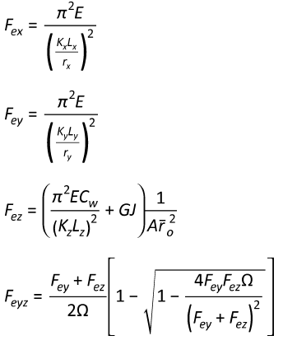
 | Fex = | 109 | MPa

 | Fey = | 117 | MPa

 | Fez = | 796 | MPa

 | Feyz = | 112.5 | MPa

 | Fe is taken as the lesser of Fex and Feyz:

 | Fex Governs
 | Fe = | 109 | MPa

 | ii. Determine Factored Axial Compressive Resistance in accordance with Cl 13.3.1:

 | n = | 1.34 |  | : for hot rolled, fabricated steel sections
 | λ = | 1.658

 | Cr = | 266 | kN | : compression resistance

 | iii. Determine Factored Axial Tension Resistance in accordance with Cl 13.2:
 | A) The least of:

 | i) | Tr = Φ Ag Fy = | 867 | kN

 | ii) | Shear block tearout not assessed. This is a connection limit state that is to be assessed by the connection engineer.

 | iii) | Tr = Φu Ane Fu = | 813 | kN
 |  | Ane = | 2407.5 | mm2 | : net effective area.
 |  | Φu = | 0.75 |  | : material resistance factor for rupture

 | Tr is taken as the lesser of the capacity determined using sentences (i), (ii), and (iii):
 | Sentence (iii) Governs - Rupture Due to Shear Lag

 |  | Tr = | 813 | kN

 | iv. Class of Section (Table 2)
 | Determine Class of Section in Bending (Per Table 2):

 |  | Legs of Double Angle Sections:

 |  |  |  | Class 1 | Class 2 | Class 3
 |  |  | Classification Limit: (bel / t) < | 145 / √Fy | 170 / √Fy | 200 / √Fy
 |  | (bel / t) = | 7.00 | 8.37 | 9.81 | 11.55

 |  | *bel = bbr - wbr

 |  |  | Angle legs are class: | 1

 | v. Bending Resistance - Laterally Unsupported Members (i.e. Bending About Principal Axes) (Cl 13.6e)
 | For singly symmetric sections, bending about the principal X-axis:

 | Myx = | 14.46 | kN m |  | : SxFy

 | Myrx = | 10.12 | kN m |  | : 0.7SxFy

 | ω3 = | 1 |  |  | : 1.0 for T-sections in single curvature, per Cl 13.6e.ii
 | L = | 4330 | mm |  | : member unbraced length
 | βx = | 0 |  |  | : asymmetry parameter. Approximate formula is not valid for WT
 | Cw = | 0 |  |  | : taken = 0 per the CISC Commentary on S16 Cl 13.6e

 | Mu = | 53.1 | kN.m

 | Mu > Myrx? | TRUE | Use 13.6e.i

 | dc = | 33 | mm |  | : y; use distance to COG as neutral axis
 | bc = | 152 | mm |  | : total width of section; 2 * bbr
 | tc = | 10 | mm |  | : tbr
 | w = | 19 | mm |  | : web thickness, use 2*wbr

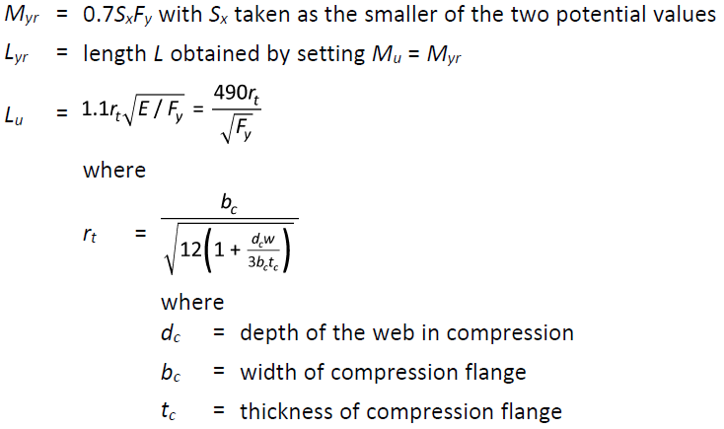
 | rt = | 41.1 | mm
 | Lu = | 1169 | mm

 | Lyr = | 22735 | mm
 | Mu, test = | 10.12 | kN.m

 | Mr,LTB = | 12.44 | kN.m |  | : determined iteratively by setting Mu,test = Myr

 | vi. Bending Resistance - Laterally Unsupported Members (i.e. Bending About Principal Axes) (Cl 13.6e)
 | For singly symmetric sections, bending about the principal Y-axis:

 | Mry = | 11.91 | kN m |  | : φSyFy

 | vii. Combined Compression and Flexure - S16 Cl 13.8.4
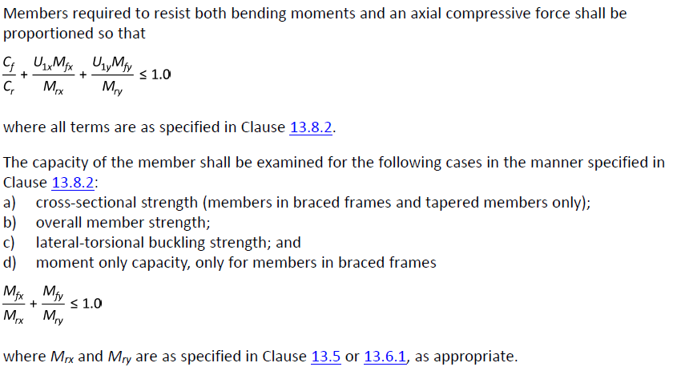

 | Cex = | 352 | kN
 | k = | -1 |  | : negative for single curvature, Cl 13.8.6a
 | ω1 = | 1 |  | : 0.6 - 0.4k
 | U1x = | 1.17

 | Cey = | 377 | kN
 | k = | -1 |  | : negative for single curvature, Cl 13.8.6a
 | ω1 = | 1 |  | : 0.6 - 0.4k
 | U1y = | 1.15

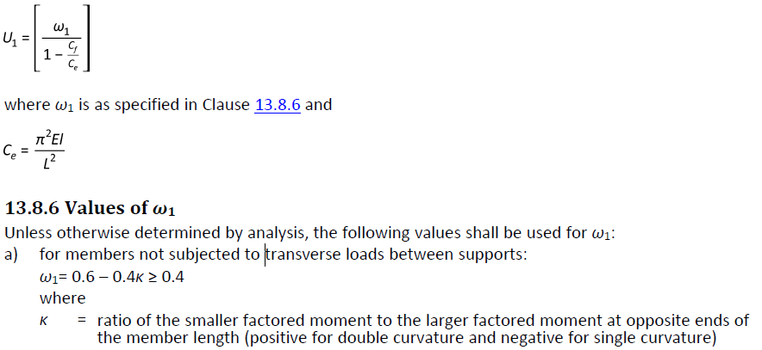

 | 13.8.4.a) - Cross Sectional Strength

 | Cr = | 866.7 | kN |  | : φAFy; Cl. 13.3
 | Mrx = | 13.01 | kN.m |  | : φMyx =φSxFy; Cl.13.5
 | Mry = | 11.91 | kN.m |  | : φSyFy; Cl. 13.5

 | U1x, U1y per Cl 13.8.5, not less than 1.0
 | U1x = | 1.17
 | U1y = | 1.15

 | Cf / Cr = | 0.06
 | Mfx / Mrx = | 0.24
 | Mfy / Mry = | 0.05

 |  | Cf / Cr + U1xMfx / Mrx + U1yMfy / Mry = | 0.39 | < 1.0. OK

 | 13.8.4.b) Overall Member Strength
 | Cr = | 266 | kN |  | : φAFy / (1 + λ2n)1/n; Cl. 13.3.1.1
 | Mrx = | 13.01 | kN.m |  | : φMyx =φSxFy; Cl.13.5
 | Mry = | 11.91 | kN.m |  | : φSyFy; Cl. 13.5

 | U1x, U1y per Cl 13.8.5, not less than 1.0
 | U1x = | 1.17
 | U1y = | 1.15

 | Cf / Cr = | 0.19
 | Mfx / Mrx = | 0.24
 | Mfy / Mry = | 0.05

 |  | Cf / Cr + U1xMfx / Mrx + U1yMfy / Mry = | 0.52 | < 1.0. OK

 | 13.8.4.c) Overall Member Strength
 | Cr = | 266 | kN |  | : φAFy / (1 + λ2n)1/n; Cl. 13.3.1.1
 | Mrx = | 12.44 | kN.m |  | : Mr,LTB
 | Mry = | 11.91 | kN.m |  | : φSyFy; Cl. 13.5

 | U1x, U1y per Cl 13.8.5, not less than 1.0
 | U1x = | 1.17
 | U1y = | 1.15

 | Cf / Cr = | 0.19
 | Mfx / Mrx = | 0.25
 | Mfy / Mry = | 0.05

 |  | Cf / Cr + U1xMfx / Mrx + U1yMfy / Mry = | 0.53 | < 1.0. OK

 | 13.8.4.d) Moment Only Capacity
 | Mrx = | 12.44 | kN.m |  | : Mr,LTB
 | Mry = | 11.91 | kN.m |  | : φSyFy; Cl. 13.5

 | Mfx / Mrx = | 0.25
 | Mfy / Mry = | 0.05

 |  | Mfx / Mrx + Mfy / Mry = | 0.30 | < 1.0. OK

 | viii. Combined Tension and Flexure - S16 Cl 13.9

 | Clause 13.9.1
 | Tr = | 813 | kN
 | Mrx = | 13.01 | kN.m |  | : φMyx =φSxFy; Cl.13.5
 | Mry = | 11.91 | kN.m |  | : φSyFy; Cl. 13.5

 | Tf / Tr = | 0.06
 | Mfx / Mrx = | 0.24
 | Mfy / Mry = | 0.05

 |  | Tf / Tr + Mfx / Mrx + Mfy / Mry = | 0.35 | < 1.0. OK

 | Clause 13.9.3
 | *conservatively use Sx for all section classes.

 | Mrx = | 12.44 | kN.m |  | : Mr,LTB
 | Mry = | 11.91 | kN.m |  | : φSyFy; Cl. 13.5

 | TfSx / MrxA = | 0.06
 | Mfx / Mrx = | 0.25
 | Mfy / Mry = | 0.05

 |  | Mfx / Mrx + Mfy / Mry - TfSx / MrxA= | 0.24 | < 1.0. OK

2L_Check - L76
2L Brace Capacity Calculation

 | Bracing Members: | M38, M34, M33, M32, M31, M37, M41, M42, M43, M44, M45, M35, M47, M48, M46, M36, M71, M70

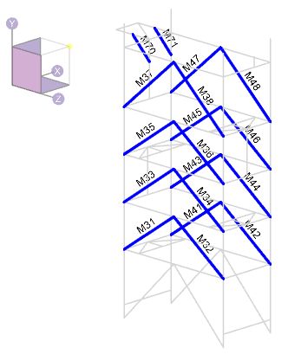

Maximum member forces occur in the in-situ condition:

Only the top 5 axial forces are shown below:

Member M42 has the largest compression force and governs the design:

 | Tf = | 30.0 | kN | : maximum factored tension |  |  | 0.35
 | Cf = | 40.0 | kN | : maximum factored compression
 | Mf,y-y = | 0.4 | kNm | : maximum factored weak-axis moment
 | Mf,z-z = | 0.7 | kNm | : maximum factored strong-axis moment

Member Information:

 | Steel Grade: | 300W
 | E= | 200000 | MPa | : elastic modulus
 | Fy = | 300 | MPa | : yield stress
 | Fu = | 450 | MPa | : ultimate stress
 | G = | 77000 | MPa | : shear modulus
 | φ = | 0.90 |  | : material resistance factor

 | Section Properties:
 | Shape: | 2L102x76x9.5

 | dbr = | 102 | mm | : section depth
 | bbr = | 76 | mm | : section with; excluding gusset pl
 | wbr = | 10 | mm | : web/stem thickness
 | tbr = | 10 | mm | : flanges thickness

 | y = | 32.7 | mm | : distance to section COG
 | y0 = | 28.0 | mm | : distance to section shear center
 | rx = | 32.2 | mm | : radius of gyration, x-axis
 | ry = | 33.4 | mm | : radius of gyration, y-axis; assume 10 mm gusset

 | r0 = | 54.2 | mm
 | Ω = | 0.733

 | A = | 3210 | mm2 | : area
 | Ix = | 3340000 | mm4 | : moment of intertia, x-axis |  |  | 48196.248196
 | Sx = | 48200 | mm3 | : section elastic modulus, x-axis
 | Iy = | 3.52E+06 | mm4 | : moment of intertia, y-axis
 | Sy = | 43411 | mm3 | : section elastic modulus, y-axis; Iy / (bbr + tgp/2)

 | J = | 97300 | mm4 | : polar moment of intertia
 | Cw = | 61700000 | mm6 | : warping torsional constant

 | Brace Geometry: | Based on the longest brace length

 | Lx = | 3700 | mm | : brace length, X-axis buckling
 | Ly = | 3700 | mm | : brace length, Y-axis buckling
 | Lz = | 3700 | mm | : brace length, Z-axis buckling
 | Kx = | 1 |  | : effective length, X-axis; pinned at both ends
 | Ky = | 1 |  | : effective length, Y-axis; pinned at both ends
 | Kz = | 1 |  | : effective length, Z-axis; pinned at both ends

 | (KL/r)x = | 115 | < 200, OK
 | (KL/r)y = | 111 | < 200, OK

 | tgp = | 10 | mm | : gusset plate thickness, assumed
 | edge = | 30 | mm | : assumed bolt edge distance to bottom of stem
 | e = | 39.3 | mm | : bolt eccentricity; dbr - edge - y

Loading Information:
Loading is taken from RISA-3D:

 | Tfbr = | 30.0 | kN | : maximum factored tension
 | Cfbr = | 40.0 | kN | : maximum factored compression
 | Mfx = | 0.7 | kNm | : maximum factored x-axis moment
 | Mfy = | 0.4 | kNm | : maximum factored y-axis moment

 | Mf,ecc = | 1.6 | kNm | : eccentric moment; max(Cfbr, Tfbr) * e

 | Mfx,total = | 2.3 | kNm | : total factored x-axis moment; Mfx + Mf,ecc

Section Capacity:

 | i. Determine Euler Buckling Stress for Flexural, Torsional, or Flexural-Torsional Buckling (Cl. 13.3.1.1):
 | B) Singly symmetric section, with the y-axis taken as the axis of symmetry, Fe taken as the lesser of Fex and Feyz:

 | Fex = | 149 | MPa

 | Fey = | 161 | MPa

 | Fez = | 796 | MPa

 | Feyz = | 151.4 | MPa

 | Fe is taken as the lesser of Fex and Feyz:

 | Fex Governs
 | Fe = | 149 | MPa

 | ii. Determine Factored Axial Compressive Resistance in accordance with Cl 13.3.1:

 | n = | 1.34 |  | : for hot rolled, fabricated steel sections
 | λ = | 1.417

 | Cr = | 337 | kN | : compression resistance

 | iii. Determine Factored Axial Tension Resistance in accordance with Cl 13.2:
 | A) The least of:

 | i) | Tr = Φ Ag Fy = | 867 | kN

 | ii) | Shear block tearout not assessed. This is a connection limit state that is to be assessed by the connection engineer.

 | iii) | Tr = Φu Ane Fu = | 813 | kN
 |  | Ane = | 2407.5 | mm2 | : net effective area.
 |  | Φu = | 0.75 |  | : material resistance factor for rupture

 | Tr is taken as the lesser of the capacity determined using sentences (i), (ii), and (iii):
 | Sentence (iii) Governs - Rupture Due to Shear Lag

 |  | Tr = | 813 | kN

 | iv. Class of Section (Table 2)
 | Determine Class of Section in Bending (Per Table 2):

 |  | Legs of Double Angle Sections:

 |  |  |  | Class 1 | Class 2 | Class 3
 |  |  | Classification Limit: (bel / t) < | 145 / √Fy | 170 / √Fy | 200 / √Fy
 |  | (bel / t) = | 7.00 | 8.37 | 9.81 | 11.55

 |  | *bel = bbr - wbr

 |  |  | Angle legs are class: | 1

 | v. Bending Resistance - Laterally Unsupported Members (i.e. Bending About Principal Axes) (Cl 13.6e)
 | For singly symmetric sections, bending about the principal X-axis:

 | Myx = | 14.46 | kN m |  | : SxFy

 | Myrx = | 10.12 | kN m |  | : 0.7SxFy

 | ω3 = | 1 |  |  | : 1.0 for T-sections in single curvature, per Cl 13.6e.ii
 | L = | 3700 | mm |  | : member unbraced length
 | βx = | 0 |  |  | : asymmetry parameter. Approximate formula is not valid for WT
 | Cw = | 0 |  |  | : taken = 0 per the CISC Commentary on S16 Cl 13.6e

 | Mu = | 61.7 | kN.m

 | Mu > Myrx? | TRUE | Use 13.6e.i

 | dc = | 33 | mm |  | : y; use distance to COG as neutral axis
 | bc = | 152 | mm |  | : total width of section; 2 * bbr
 | tc = | 10 | mm |  | : tbr
 | w = | 19 | mm |  | : web thickness, use 2*wbr

 | rt = | 41.1 | mm
 | Lu = | 1169 | mm

 | Lyr = | 36650 | mm
 | Mu, test = | 6.23 | kN.m

 | Mr,LTB = | 12.74 | kN.m |  | : determined iteratively by setting Mu,test = Myr

 | vi. Bending Resistance - Laterally Unsupported Members (i.e. Bending About Principal Axes) (Cl 13.6e)
 | For singly symmetric sections, bending about the principal Y-axis:

 | Mry = | 11.72 | kN m |  | : φSyFy

 | vii. Combined Compression and Flexure - S16 Cl 13.8.4

 | Cex = | 482 | kN
 | k = | -1 |  | : negative for single curvature, Cl 13.8.6a
 | ω1 = | 1 |  | : 0.6 - 0.4k
 | U1x = | 1.09

 | Cey = | 508 | kN
 | k = | -1 |  | : negative for single curvature, Cl 13.8.6a
 | ω1 = | 1 |  | : 0.6 - 0.4k
 | U1y = | 1.09

 | 13.8.4.a) - Cross Sectional Strength

 | Cr = | 866.7 | kN |  | : φAFy; Cl. 13.3
 | Mrx = | 13.01 | kN.m |  | : φMyx =φSxFy; Cl.13.5
 | Mry = | 11.72 | kN.m |  | : φSyFy; Cl. 13.5

 | U1x, U1y per Cl 13.8.5, not less than 1.0
 | U1x = | 1.09
 | U1y = | 1.09

 | Cf / Cr = | 0.05
 | Mfx / Mrx = | 0.17
 | Mfy / Mry = | 0.03

 |  | Cf / Cr + U1xMfx / Mrx + U1yMfy / Mry = | 0.27 | < 1.0. OK

 | 13.8.4.b) Overall Member Strength
 | Cr = | 337 | kN |  | : φAFy / (1 + λ2n)1/n; Cl. 13.3.1.1
 | Mrx = | 13.01 | kN.m |  | : φMyx =φSxFy; Cl.13.5
 | Mry = | 11.72 | kN.m |  | : φSyFy; Cl. 13.5

 | U1x, U1y per Cl 13.8.5, not less than 1.0
 | U1x = | 1.09
 | U1y = | 1.09

 | Cf / Cr = | 0.12
 | Mfx / Mrx = | 0.17
 | Mfy / Mry = | 0.03

 |  | Cf / Cr + U1xMfx / Mrx + U1yMfy / Mry = | 0.35 | < 1.0. OK

 | 13.8.4.c) Overall Member Strength
 | Cr = | 337 | kN |  | : φAFy / (1 + λ2n)1/n; Cl. 13.3.1.1
 | Mrx = | 12.74 | kN.m |  | : Mr,LTB
 | Mry = | 11.72 | kN.m |  | : φSyFy; Cl. 13.5

 | U1x, U1y per Cl 13.8.5, not less than 1.0
 | U1x = | 1.09
 | U1y = | 1.09

 | Cf / Cr = | 0.12
 | Mfx / Mrx = | 0.18
 | Mfy / Mry = | 0.03

 |  | Cf / Cr + U1xMfx / Mrx + U1yMfy / Mry = | 0.35 | < 1.0. OK

 | 13.8.4.d) Moment Only Capacity
 | Mrx = | 12.74 | kN.m |  | : Mr,LTB
 | Mry = | 11.72 | kN.m |  | : φSyFy; Cl. 13.5

 | Mfx / Mrx = | 0.18
 | Mfy / Mry = | 0.03

 |  | Mfx / Mrx + Mfy / Mry = | 0.21 | < 1.0. OK

 | viii. Combined Tension and Flexure - S16 Cl 13.9

 | Clause 13.9.1
 | Tr = | 813 | kN
 | Mrx = | 13.01 | kN.m |  | : φMyx =φSxFy; Cl.13.5
 | Mry = | 11.72 | kN.m |  | : φSyFy; Cl. 13.5

 | Tf / Tr = | 0.04
 | Mfx / Mrx = | 0.17
 | Mfy / Mry = | 0.03

 |  | Tf / Tr + Mfx / Mrx + Mfy / Mry = | 0.25 | < 1.0. OK

 | Clause 13.9.3
 | *conservatively use Sx for all section classes.

 | Mrx = | 12.74 | kN.m |  | : Mr,LTB
 | Mry = | 11.72 | kN.m |  | : φSyFy; Cl. 13.5

 | TfSx / MrxA = | 0.04
 | Mfx / Mrx = | 0.18
 | Mfy / Mry = | 0.03

 |  | Mfx / Mrx + Mfy / Mry - TfSx / MrxA= | 0.18 | < 1.0. OK

WT_Check - WT100
WT Horizontal Brace Capacity Calculation

 | Bracing Members: | M50, M51, M55, M56, M58, M60, M63, M64, M69
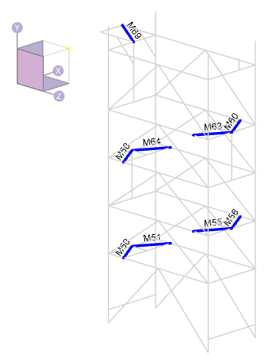

Maximum member forces occur in the transportation condition:

 | Maximum In-situ h-brace axial force:

 | Maximum Transportation h-brace axial force:

Member M60 has the largest compression force and governs the design:

 | Tf = | 40.0 | kN | : maximum factored tension
 | Cf = | 40.0 | kN | : maximum factored compression
 | Mf,y-y = | 0.1 | kNm | : maximum factored weak-axis moment
 | Mf,z-z = | 0.1 | kNm | : maximum factored strong-axis moment

Member Information:

 | Steel Grade: | 350W
 | E= | 200000 | MPa | : elastic modulus
 | Fy = | 350 | MPa | : yield stress
 | Fu = | 450 | MPa | : ultimate stress
 | G = | 77000 | MPa | : shear modulus
 | φ = | 0.90 |  | : material resistance factor

 | Section Properties:
 | Shape: | WT100x13.5

 | dbr = | 104 | mm | : section depth
 | bbr = | 133 | mm | : section with; excluding gusset pl
 | wbr = | 6 | mm | : web/stem thickness
 | tbr = | 8 | mm | : flanges thickness

 | y = | 21.3 | mm | : distance to section COG
 | y0 = | 17.1 | mm | : distance to section shear center
 | rx = | 29.1 | mm | : radius of gyration, x-axis
 | ry = | 31.2 | mm | : radius of gyration, y-axis; assume 10 mm gusset

 | r0 = | 46.0 | mm
 | Ω = | 0.862

 | A = | 1700 | mm2 | : area
 | Ix = | 1430000 | mm4 | : moment of intertia, x-axis |  |  | 17291.414752
 | Sx = | 17300 | mm3 | : section elastic modulus, x-axis
 | Iy = | 1.65E+06 | mm4 | : moment of intertia, y-axis
 | Sy = | 24800 | mm3 | : section elastic modulus, y-axis; Iy / (bbr + tgp/2)

 | J = | 35500 | mm4 | : polar moment of intertia
 | Cw = | 15100000 | mm6 | : warping torsional constant

 | Brace Geometry: | Based on the longest brace length

 | Lx = | 1700 | mm | : brace length, X-axis buckling
 | Ly = | 1700 | mm | : brace length, Y-axis buckling
 | Lz = | 1700 | mm | : brace length, Z-axis buckling
 | Kx = | 1 |  | : effective length, X-axis; pinned at both ends
 | Ky = | 1 |  | : effective length, Y-axis; pinned at both ends
 | Kz = | 1 |  | : effective length, Z-axis; pinned at both ends

 | (KL/r)x = | 58 | < 200, OK
 | (KL/r)y = | 54 | < 200, OK

 | tgp = | 12.7 | mm | : gusset plate thickness, assumed
 | e = | 27.65 | mm | : bolt eccentricity; tgp / 2 + y

Loading Information:
Loading is taken from RISA-3D:

 | Tfbr = | 40.0 | kN | : maximum factored tension
 | Cfbr = | 40.0 | kN | : maximum factored compression
 | Mfx = | 0.1 | kNm | : maximum factored x-axis moment
 | Mfy = | 0.1 | kNm | : maximum factored y-axis moment

 | Mf,ecc = | 1.1 | kNm | : eccentric moment; max(Cfbr, Tfbr) * e

 | Mfx,total = | 1.2 | kNm | : total factored x-axis moment; Mfx + Mf,ecc

Section Capacity:

 | i. Determine Euler Buckling Stress for Flexural, Torsional, or Flexural-Torsional Buckling (Cl. 13.3.1.1):
 | B) Singly symmetric section, with the y-axis taken as the axis of symmetry, Fe taken as the lesser of Fex and Feyz:

 | Fex = | 578 | MPa

 | Fey = | 665 | MPa

 | Fez = | 764 | MPa

 | Feyz = | 516.1 | MPa

 | Fe is taken as the lesser of Fex and Feyz:

 | Feyz Governs
 | Fe = | 516 | MPa

 | ii. Determine Factored Axial Compressive Resistance in accordance with Cl 13.3.1:

 | n = | 1.34 |  | : for hot rolled, fabricated steel sections
 | λ = | 0.823

 | Cr = | 378 | kN | : compression resistance

 | iii. Determine Factored Axial Tension Resistance in accordance with Cl 13.2:
 | A) The least of:

 | i) | Tr = Φ Ag Fy = | 536 | kN

 | ii) | Shear block tearout not assessed. This is a connection limit state that is to be assessed by the connection engineer.

 | iii) | Tr = Φu Ane Fu = | 430 | kN
 |  | Ane = | 1275 | mm2 | : net effective area.
 |  | Φu = | 0.75 |  | : material resistance factor for rupture

 | Tr is taken as the lesser of the capacity determined using sentences (i), (ii), and (iii):
 | Sentence (iii) Governs - Rupture Due to Shear Lag

 |  | Tr = | 430 | kN

 | iv. Class of Section (Table 2)
 | Determine Class of Section in Bending (Per Table 2):

 |  | Legs of Double Angle Sections:

 |  |  |  | Class 1 | Class 2 | Class 3
 |  |  | Classification Limit: (bel / t) < | 145 / √Fy | 170 / √Fy | 200 / √Fy
 |  | (bel / t) = | 15.14 | 7.75 | 9.09 | 10.69

 |  | *bel = bbr - wbr

 |  |  | Angle legs are class: | 4

 | v. Bending Resistance - Laterally Unsupported Members (i.e. Bending About Principal Axes) (Cl 13.6e)
 | For singly symmetric sections, bending about the principal X-axis:

 | Myx = | 6.06 | kN m |  | : SxFy

 | Myrx = | 4.24 | kN m |  | : 0.7SxFy

 | ω3 = | 1 |  |  | : 1.0 for T-sections in single curvature, per Cl 13.6e.ii
 | L = | 1700 | mm |  | : member unbraced length
 | βx = | 0 |  |  | : asymmetry parameter. Approximate formula is not valid for WT
 | Cw = | 0 |  |  | : taken = 0 per the CISC Commentary on S16 Cl 13.6e

 | Mu = | 55.5 | kN.m

 | Mu > Myrx? | TRUE | Use 13.6e.i

 | dc = | 21 | mm |  | : y; use distance to COG as neutral axis
 | bc = | 266 | mm |  | : total width of section; 2 * bbr
 | tc = | 8 | mm |  | : tbr
 | w = | 12 | mm |  | : web thickness, use 2*wbr

 | rt = | 75.4 | mm
 | Lu = | 1983 | mm

 | Lyr = | 22261 | mm
 | Mu, test = | 4.24 | kN.m

 | Mr,LTB = | 5.47 | kN.m |  | : determined iteratively by setting Mu,test = Myr

 | vi. Bending Resistance - Laterally Unsupported Members (i.e. Bending About Principal Axes) (Cl 13.6e)
 | For singly symmetric sections, bending about the principal Y-axis:

 | Mry = | 7.81 | kN m |  | : φSyFy

 | vii. Combined Compression and Flexure - S16 Cl 13.8.4

 | Cex = | 977 | kN
 | k = | -1 |  | : negative for single curvature, Cl 13.8.6a
 | ω1 = | 1 |  | : 0.6 - 0.4k
 | U1x = | 1.04

 | Cey = | 1127 | kN
 | k = | -1 |  | : negative for single curvature, Cl 13.8.6a
 | ω1 = | 1 |  | : 0.6 - 0.4k
 | U1y = | 1.04

 | 13.8.4.a) - Cross Sectional Strength

 | Cr = | 535.5 | kN |  | : φAFy; Cl. 13.3
 | Mrx = | 5.45 | kN.m |  | : φMyx =φSxFy; Cl.13.5
 | Mry = | 7.81 | kN.m |  | : φSyFy; Cl. 13.5

 | U1x, U1y per Cl 13.8.5, not less than 1.0
 | U1x = | 1.04
 | U1y = | 1.04

 | Cf / Cr = | 0.07
 | Mfx / Mrx = | 0.22
 | Mfy / Mry = | 0.01

 |  | Cf / Cr + U1xMfx / Mrx + U1yMfy / Mry = | 0.32 | < 1.0. OK

 | 13.8.4.b) Overall Member Strength
 | Cr = | 378 | kN |  | : φAFy / (1 + λ2n)1/n; Cl. 13.3.1.1
 | Mrx = | 5.45 | kN.m |  | : φMyx =φSxFy; Cl.13.5
 | Mry = | 7.81 | kN.m |  | : φSyFy; Cl. 13.5

 | U1x, U1y per Cl 13.8.5, not less than 1.0
 | U1x = | 1.04
 | U1y = | 1.04

 | Cf / Cr = | 0.11
 | Mfx / Mrx = | 0.22
 | Mfy / Mry = | 0.01

 |  | Cf / Cr + U1xMfx / Mrx + U1yMfy / Mry = | 0.35 | < 1.0. OK

 | 13.8.4.c) Overall Member Strength
 | Cr = | 378 | kN |  | : φAFy / (1 + λ2n)1/n; Cl. 13.3.1.1
 | Mrx = | 5.47 | kN.m |  | : Mr,LTB
 | Mry = | 7.81 | kN.m |  | : φSyFy; Cl. 13.5

 | U1x, U1y per Cl 13.8.5, not less than 1.0
 | U1x = | 1.04
 | U1y = | 1.04

 | Cf / Cr = | 0.11
 | Mfx / Mrx = | 0.22
 | Mfy / Mry = | 0.01

 |  | Cf / Cr + U1xMfx / Mrx + U1yMfy / Mry = | 0.35 | < 1.0. OK

 | 13.8.4.d) Moment Only Capacity
 | Mrx = | 5.47 | kN.m |  | : Mr,LTB
 | Mry = | 7.81 | kN.m |  | : φSyFy; Cl. 13.5

 | Mfx / Mrx = | 0.22
 | Mfy / Mry = | 0.01

 |  | Mfx / Mrx + Mfy / Mry = | 0.23 | < 1.0. OK

 | viii. Combined Tension and Flexure - S16 Cl 13.9

 | Clause 13.9.1
 | Tr = | 430 | kN
 | Mrx = | 5.45 | kN.m |  | : φMyx =φSxFy; Cl.13.5
 | Mry = | 7.81 | kN.m |  | : φSyFy; Cl. 13.5

 | Tf / Tr = | 0.09
 | Mfx / Mrx = | 0.22
 | Mfy / Mry = | 0.01

 |  | Tf / Tr + Mfx / Mrx + Mfy / Mry = | 0.33 | < 1.0. OK

 | Clause 13.9.3
 | *conservatively use Sx for all section classes.

 | Mrx = | 5.47 | kN.m |  | : Mr,LTB
 | Mry = | 7.81 | kN.m |  | : φSyFy; Cl. 13.5

 | TfSx / MrxA = | 0.07
 | Mfx / Mrx = | 0.22
 | Mfy / Mry = | 0.01

 |  | Mfx / Mrx + Mfy / Mry - TfSx / MrxA= | 0.16 | < 1.0. OK

