3. Risk Closure_R1
 |  |  |  |  |  |  |  |  |  |  |  |  | Reminder to go into Page Setup and modify the Header/Footer | -
3. RISK CLOSURE |  |  |  |  |  |  |  |  |  |  |  |  | Reminder to check page breaks before printing to Adobe | Y
This foundation calculation is revised to close the risks and uncertainties stated in Section 1 of Revision 0. |  |  |  |  |  |  |  |  |  |  |  |  | This section should go through each of the BLC's and how/where they are applied | N

Revision 0 had one open risk regarding lack of Stress information for the pump suction and discharge lines.

The Stress information is now received, and the risk is considered CLOSED per the validation below.
No modififications to the foundation design are required.

Refer to attached Stress Isometrics: ML-NGL-7015-01, ML-NGL-7016-01, ML-NGL-7017-01, and ML-NGL-7940-01.

3.1 Comparison Between Stress Isometrics and Assumed Loading
The local foundation for the pipe supports was designed in Section 10 of the Rev 0 calculation.

The assumed loading was as follows:

The Stress isometrics have the following loading, see attached.
The supports are base support only, with no guides or anchors.

 | PM-6008:

 |  | Pipe No. |  |  |  |  |  | Stress Iso |  |  | Stress Node | PO [kN]
 |  | 219.1-03K-NGL-7015 |  |  |  |  |  | ML-NGL-7015-01 |  |  | N02 | 16.5
 |  | 219.1-03K-NGL-7017 |  |  |  |  |  | ML-NGL-7017-10 |  |  | J03 | 7.0

 |  |  |  | PO | = | 23.5 |  | kN | < POassumed

 | PM-6009:

 |  | Pipe No. |  |  |  |  |  | Stress Iso |  |  | Stress Node | PO [kN]
 |  | 219.1-03K-NGL-7940 |  |  |  |  |  | ML-NGL-7940-01 |  |  | C02 | 16.5
 |  | 219.1-03K-NGL-7016 |  |  |  |  |  | ML-NGL-7016-01 |  |  | K03 | 7.0

 |  |  |  | PO | = | 23.5 |  | kN | < POassumed

As can be seen, the Stress provided total PO is less than the assumed PO.

Therefore, the foundation and pile design are acceptable, OK.

3.2 Anchorage Validation
As per Stress request, the pipe base supports are standard length and shall be supported on CSA steel.
The design of the steel support and associated Hilti anchorage is by Others.

However, a preliminary check of the Hilti anchorage is performed to validate the foundation size.

 | 3.2.1 Support Arrangement
 | A W200x27 stub column with cap plate is provided at the pipe support location.
 | Due to limited edge distances, use BP01 base connection design on standard drawing P07-019-MEC-ST-04-3001:

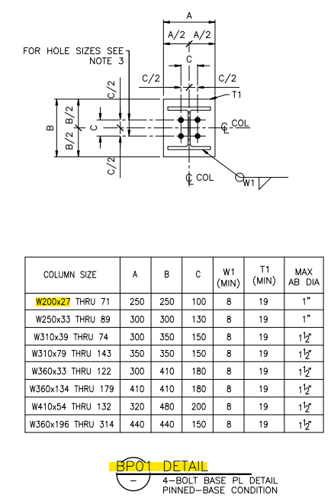
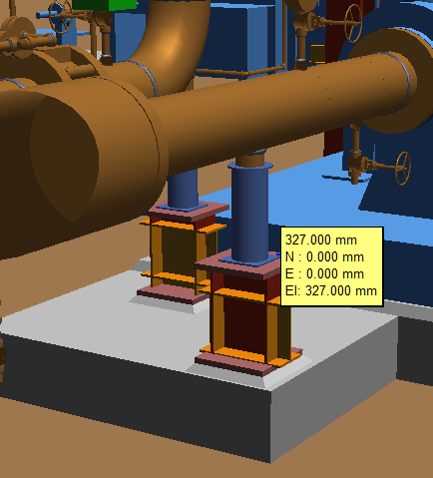

 | Although this connection is called out as a "Pinned-base condition" on the standard drawing, it can still be considered a moment connection provided the applied moment is designed for.

 | The only moment acting on the support is due to pipe friction and the moment is expected to be small. Therefore, designing the BP01 connection detail as a moment connection is acceptable by engineering judgement

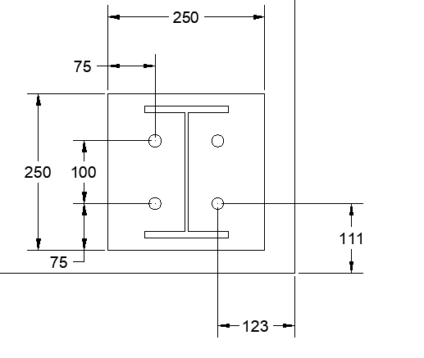

 | 3.2.2 Load Calculation
 | The pipe supports are base supports only, with no anchors or guides.
 | Therefore, the only lateral load applied is due to pipe friction

 | As per specification 19005-019-GEN-SPC-04-050, pipe friction = 0.4*PO for single pipes.

 |  |  | PO | = | 16.5 |  | kN |  |  | : maximum pipe operating load
 |  |  | F | = | 6.6 |  | kN |  |  | : pipe friction

 |  |  | e | = | 327.0 |  | mm |  |  | : support eccentricity
 |  |  | MF | = | 2.2 |  | kN.m |  |  | : moment due to friction; F*e

 | The anchorage is checked in Hilti Profis.

 | For design, use LC: 0.9PO + 1.25F to maximize potential anchor tension.

 |  |  | Cf | = | 14.9 |  | kN |  |  | : factored vertical load (compression)
 |  |  | Vf | = | 8.3 |  | kN |  |  | : factored shear
 |  |  | Mf | = | 2.7 |  | kN |  |  | : factored moment

 | 3.2.3 Hilti Profis Design
 | The anchorage was validated in Hilti Profis.
 | 3/4" Diameter HAS anchors were assumed.

 | The Hilti design is acceptable. No modifications to the foundation design are needed. OK.

 | Refer to attached Hilti Profis report for detailed anchorage calculations.

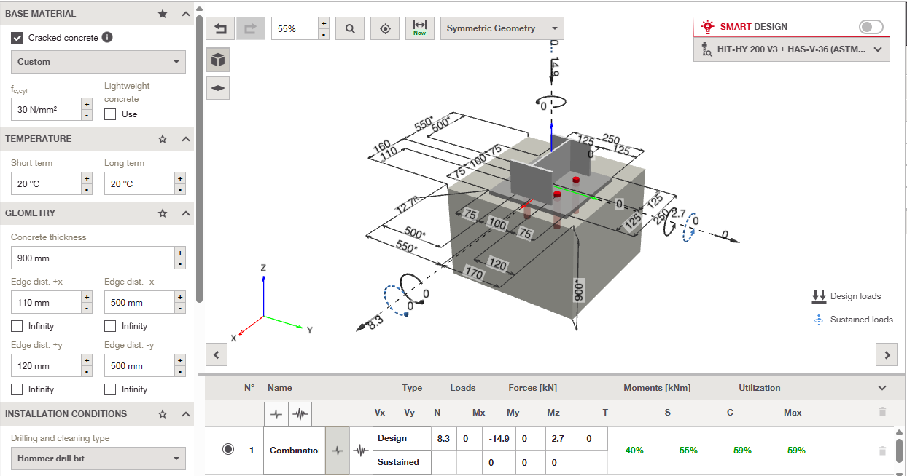

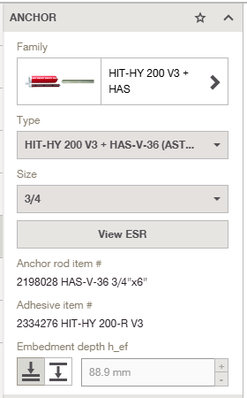
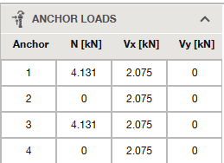
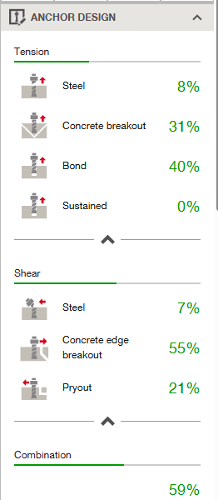

4. F3KY-215-CAL-047 - REVISION 0

3. Desc of Calc
 |  |  |  | Reminder to go into Page Setup and modify the Header/Footer
3. DESCRIPTION OF CALCULATION
 |  |  |  | Reminder to check page breaks before printing to Adobe
 | The purpose of this calculation is to perform the pile and concrete foundation design for the two (2) raw feed booster pumps located in the Injection Pump Building BU-6258: PM-6008 and PM-6009. Both of the pumps are identical and supported on individual foundations. Therefore, only a single foundation design is performed. The raw feed booster pumps are 300 hp centrifugal pumps with an operating speed of 3600 rpm for both pump and motor. The total skid weight is approximately 3800 kg. As per project specification 19005-018-GEN-SPC-04-050 Section 3.7.3, since the rated power < 500 hp and operating speed > 1200 rpm, a detailed dynamic analysis is not required:

 | Each pump is mounted on a Vendor designed steel skid and supported on a concrete pile cap foundation. The concrete pile cap is founded on four (4) driven steel pipe piles. The pile and pile cap geometry was determined based on the pile static loading, the Geotechnical Report, and Industry Guideline recommendations for dynamic foundations. The scope of this calculation involves foundation load development, the pile cap geometric, mass ratio, and rigidity validation, driven steel pile design, concrete foundation design, and cast-in anchor bolt design.

3.1 Location on Plot Plan

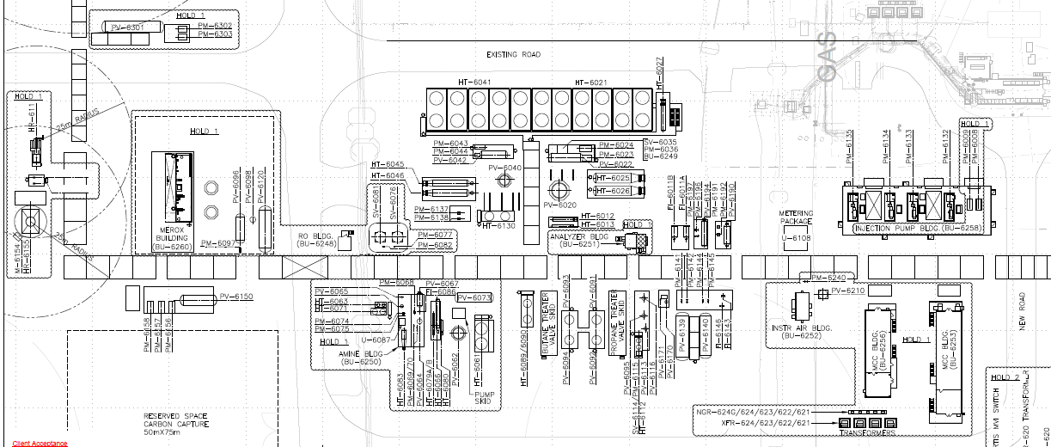

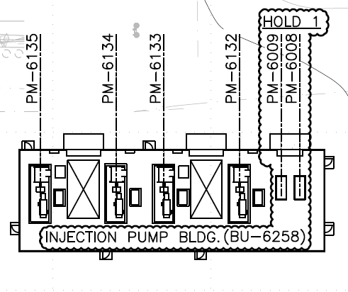

Figure 3-1: Key Plan
Scope: PM-6008 & PM-6009 FDN Design

3.2 Description of the Structure
 | The raw feed booster pumps are supported on a Vendor supplied steel skid. The pump skid is 2.724 m long x 1.524 m wide and is founded on a concrete pile cap foundation. The concrete foundation is 3.0 m long x 1.8 m wide and is 0.9 m thick. The top of concrete elevation is approximately 0.300 m above the building slab. The pile cap is supported on four (4) 219 mm diameter x 12 m long embedment length steel piles. The pump foundations are designed as independent foundations, isolated from the building foundation, interior slab, and adjacent miscellaneous pipe supports.

3.3 Model Snapshots

 |  | 3.3.1 BU-6258 Isometric View:
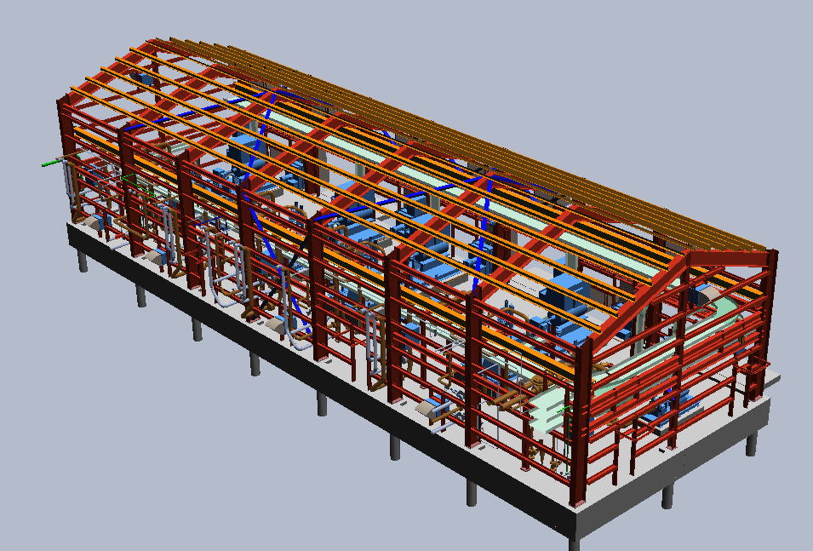

North

 |  |  | Figure 3-2: BU-6258 Isometric View

 |  |  | With steel hidden for clarity:

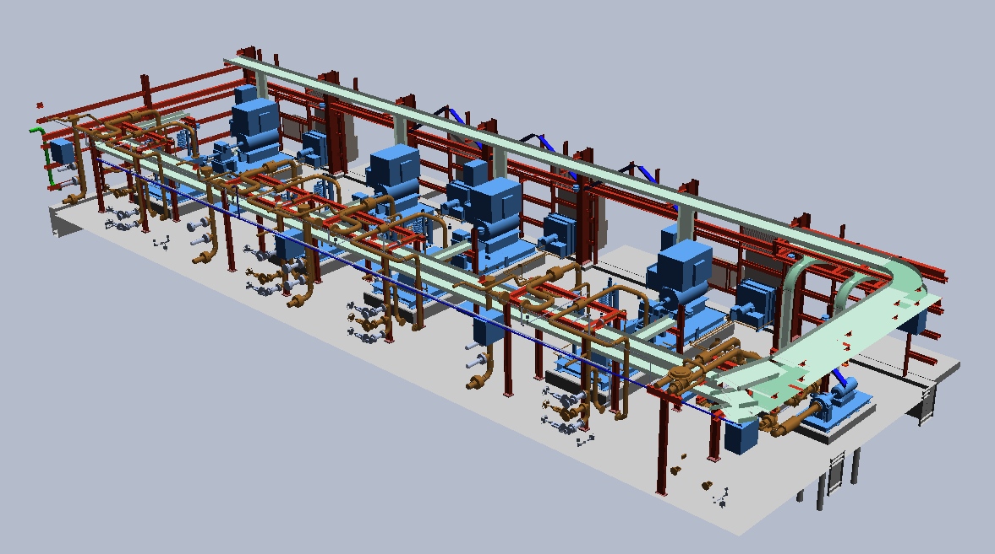

PM-6008 & PM-6009

North

 |  |  | Figure 3-3: BU-6258 Isometric View (building steel hidden for clarity)

 |  | 3.3.2 BU-6258 Plan View:
North
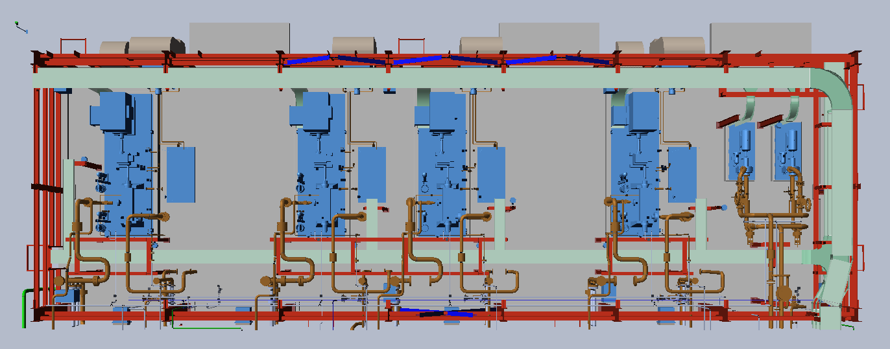

PM-6009
PM-6008

 |  |  | Figure 3-4: BU-6258 Plan View

 |  | 3.3.3 Injection Pump Isometric View
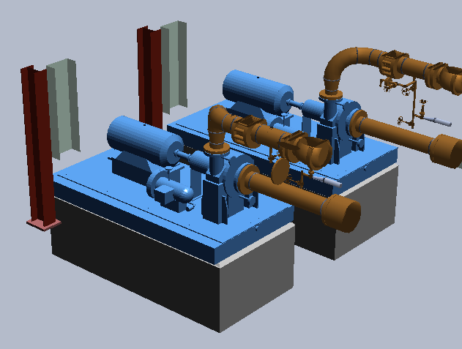
North

 |  |  | Figure 3-5: PM-6008 and PM-6009 Isometric View

4. Basis of Design
 |  |  |  |  |  |  |  |  |  |  |  |  |  | Reminder to go into Page Setup and modify the Header/Footer
4. BASIS OF DESIGN |  |  |  |  |  |  |  |  |  |  |  |  |  | Reminder to check page breaks before printing to Adobe

4.1 Site Location |  |  |  |  |  |  |  |  |  |  |  |  |  | Lead to fill in as much of this section as possible, so that the information is the same for all the calculations on the project.

 | The Keyera Frac 3 unit is located within the existing Keyera Fort Saskatchewan facility in Fort Saskatchewan, Alberta. It is a brown field site with some existing facilities due to be demolished to make room for the new unit.

 | The address is: 12310 River Road, Fort Saskatchewan, AB T8L 4J1.

4.2 Checking Level
 |  |  |  |  |  |  |  |  |  |  |  |  |  | Lead to ensure matches Activity Plan Checking descriptions
 | The following calculation checking levels are applied to the following calculation. Descriptions for the checking levels are found in the Activity Plan – Civil Structural Engineering.

 |  | Check where applicable |  |  | Checking Level |  | Description
 |  |  |  |  | 1A |  | Detailed check in accordance with governing work instruction or practice |  |  |  |  |  |  | Engineer to check where applicable, with confirmation from Lead
 |  |  |  |  | 2A |  | Selective Check with particular attention to critical and interface points.
 |  |  |  |  | 3A |  | Spot check, applied as established by project lead
 |  |  |  |  | 4A |  | Self Check only

 | Checking Level 2A is used. The analysis is considered as "Minor Equipment supports", not subject to significant dynamic loads.

 |  |  |  |  |  |  |  |  |  |  |  |  |  | This is a requirement of the Calgary CSA DM
4.3 Codes and Specifications

 | 4.3.1 Governing Codes and Standards

 |  |  | NBC (AE) 2023 – National Building Code - Alberta Edition 2023
 |  |  | NBCC 2020 – Structural Commentaries

 |  |  | CAN/CSA-A23.3-19 – Design of Concrete Structures

 |  |  | ACI 351.3R-18 – Report on Foundations for Dynamic Equipment
 |  |  | API RP 686 - Recommended Practice for Machinery Installation and Installation Design

 | 4.3.2 Specifications
 |  |  |  |  |  |  |  |  |  |  |  |  |  | Engineers to add any additional specifications utilized
 |  |  | 19005-019-GEN-SPC-04-050 |  |  |  |  |  |  | Civil and Structural Design Criteria

 |  |  | Keyera Specifications:
 |  |  | 03-300 |  |  |  |  |  |  | Design Criteria and Loads for Structures
 |  |  | 03-301 |  |  |  |  |  |  | Pile Foundations
 |  |  | 03-304 |  |  |  |  |  |  | Grouting and Baseplates for Structural Steel and Equipment
 |  |  | 03-309 |  |  |  |  |  |  | Reinforced Concrete Foundations
 |  |  | 03-310 |  |  |  |  |  |  | Concrete Construction Requirements
 |  |  | 03-111 |  |  |  |  |  |  | API 610 Centrifugal Pumps
 |  |  | 03-134 |  |  |  |  |  |  | Machinery Installation Requirements (API 686)

 | 4.3.3 Other Reference Data

 |  |  | Geotechnical Report:
 |  |  | KEYERA FORT SASKATCHEWAN PLANT
 |  |  | C3+ FRACTIONATION TRAIN 3 ADDITION PROJECT
 |  |  | GEOTECHNICAL INVESTIGATION

 |  |  | Thurber Engineering Ld.
 |  |  | Date: April 11, 2025
 |  |  | Revision 2
 |  |  | File No.: 34430
 |  |  | Keyera Doc No.: P-19005-GEN-RPT-0023

 |  |  | Structural Job Data Book:
 |  |  | JDB 2.A.04.1 |  |  |  |  |  |  | Deep Foundation Philosophy
 |  |  | JDB 2.B.01 |  |  |  |  |  |  | Piperack and Process Structure Design Loads
 |  |  | JDB 2.B.03 |  |  |  |  |  |  | Process Structure BLCs-LCs
 |  |  | JDB 2.C.02 |  |  |  |  |  |  | Typical Foundation Design
 |  |  | JDB 2.H.02 |  |  |  |  |  |  | Seismic Design Guideline
 |  |  | JDB 2.I.03 |  |  |  |  |  |  | Vibratory Equipment Foundation Design

 |  |  | Fluor Guidelines:
 |  |  | 000.215.1227 |  |  |  |  |  |  | Pump Foundations
 |  |  | 000.215.1234 |  |  |  |  |  |  | Rigid Foundations for Vibratory Equipment

4.4 Material Properties

 |  | Concrete: |  |  |  |  |  | Specified min. compressive strength at 28 days, 30 MPa

 |  | Reinforcing Steel: |  |  |  |  |  | CSA G30.18, Grade 400

 |  | Anchor Bolts (UNO): |  |  |  |  |  | ASTM F1554 Grade 36

 |  | Structural Steel (UNO): |  |  |  |  |  | Structural Steel W, HP, S, WT ASTM A992 or CSA G40.21 Grade 350W
 |  |  |  |  |  |  |  | Structural HSS – CSA G40.21 Class C, Grade 350W
 |  |  |  |  |  |  |  | Angles, Channels and Angles – CSA G40.21 Grade 300W
 |  |  |  |  |  |  |  | Steel Plate and flat bar – CSA G40.21 Grade 300W
 |  |  |  |  |  |  |  | Checkered floor plate material – ASTM A786
 |  |  |  |  |  |  |  | Grating and Stair Tread – 32x5 steel grating, Type 30-102M, top edge serrated), ASTM A1011

 |  | Structural Bolts (UNO): |  |  |  |  |  | High Strength bolts –ASTM F3125 Grade A325, Type 1

 |  | Connection plate: |  |  |  |  |  | Min. fillet weld size shall be 6mm
 |  |  |  |  |  |  |  | All gusset plates and connection plate materials shall be min. 10 mm thick

 |  | Soil Bearing: |  |  |  |  |  | Refer to Geotechnical Report

 |  | Pile Capacity |  |  |  |  |  | Refer to JDB 2.04.1 – Deep Foundation Philosophy

4.5 Software

 | The following outlines the list of computer software used for analysis. Refer to the Computer File Index for files:

 |  |  |  | Excel |  |  |  | v. 2016

4.6 Replication of Frac 2
 | With reference to the replication philosophy for the project (P-19005-GEN-PLN-0014) – is the structure in the scope of this calculation intended to be replicated from Frac 2? Have you obtained the applicable Frac 2 design drawings and vendor data for comparison and reference?

 | Does this calculation have scope that is to be replicated?
 |  |  |  |  |  |  |  |  |  |  |  | Yes | No

 | Are the Frac 2 design drawings and vendor data used as a reference and comparison?
 |  |  |  |  |  |  |  |  |  |  |  | Yes | No

 | Have the reasons for any differences between Frac 2 and Frac 3 structural design been reviewed?
 |  |  |  |  |  |  |  |  |  |  |  | Yes | No

 | Replication Basis:
 | The raw feed booster pumps PM-6008 and PM-6009 are not explicitly included in the replication plan P-19005-GEN-PLN-0014. However, the pumps are similar to the existing pumps, and the CWA 250 injection pumps are part of the replication plan. Therefore, the same replication concept for the injection pumps is also applied to the raw feed booster pumps.

 | The existing pump Vendor was CPC Pumps International. Refer to GA Dwg. 3110A-B01.

 | The existing pile layout and schedule drawings are available. Refer to pile layout dwg. P07019MEC-CV04390 and pile schedule P07019MEC-CV04401.

 | The existing foundation drawings are available. Refer to foundation dwg. P07019MEC-CV04330.

 | Refer to Appendix 11.3 for existing Frac 2 Vendor and foundation drawings.

 | Replication Plan P-19005-GEN-PLN-0014 indicated a target 80% replication for the foundation design:

 | A summary of the deviations between the current design and the Frac 2 existing design is presented below.
 | The primary driver for the changes is due to changes in the pump size, rated power, and weight.

 |  | 1. | Pump package overall weight increased from 2,963 kg (Frac 2) to 3,777 kg (current). This is an increase of 27%, requiring validation of the required minimum 3:1 mass ratio.

 |  | 2. | The pump rated power increased from 200 hp (Frac 2) to 300 hp (current). This increase leads to the increase in pump weight. However, it still does not necessitate an in-depth dynamic analysis.

 |  | 3. | The pump skid base dimensions increased from 2.724 m x 1.219m (Frac 2) to 2.724 m x 1.524 m (current). The foundation is widened to account for the larger skid.

 | Frac 2: |  |  |  |  |  |  |  |  |  | Current Frac 3:

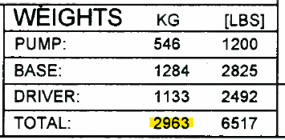
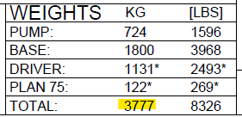

 | Pile Design:
 | Item |  |  |  |  | Frac 2 Design |  |  | Current Design |  | Reason for Change
 | No. Piles |  |  |  |  | 4 |  |  | 4 |  | No change.
 | Pile Diameter |  |  |  |  | 219 mm |  |  | 219 mm |  | No change.
 | Pile Length |  |  |  |  | 9.0 m |  |  | 12.0 m |  | Equipment weight increased.
 | Pile Spacing |  |  |  |  | 2.2 m x 0.8 m |  |  | 2.2 m x 1.0 m |  | Vendor skid size increase.
 | Pile Anchorage |  |  |  |  | Nelson Studs |  |  | D2L Bars |  | Negligible change.

 | Foundation Design:
 | Item |  |  |  |  | Frac 2 Design |  |  | Current Design |  | Reason for Change
 | Width |  |  |  |  | 1400 mm |  |  | 1800 mm |  | Vendor skid size increase.
 | Length |  |  |  |  | 3000 mm |  |  | 3000 mm |  | No change.
 | Thickness |  |  |  |  | 600 mm |  |  | 900 mm |  | Equipment weight increased.
 | Flexure Reinf. |  |  |  |  | 20M @ ~300 mm |  |  | 25M @ 250 mm |  | Meet minimum reinforcement ratios.
 | Anchor Diameter |  |  |  |  | 10 - 3/4" |  |  | 10 - 3/4" |  | No change.
 | Anchor Length |  |  |  |  | 490 mm |  |  | 600 mm |  | Negligible change.
 | Grout |  |  |  |  | 50 mm Epoxy |  |  | 40 mm Epoxy |  | Client Specs / Std. Dwg.

6. Pump Info
 |  |  |  |  |  |  |  |  |  |  |  |  |  |  |  |  |  |  |  |  | Reminder to go into Page Setup and modify the Header/Footer | -
6. VENDOR INFORMATION AND PILE CAP GEOMETRY |  |  |  |  |  |  |  |  |  |  |  |  |  |  |  |  |  |  |  |  | Reminder to check page breaks before printing to Adobe | Y
This section summarizes the Vendor provide information and validates the pile cap geometry requirements as per project and industry codes and standards. |  |  |  |  |  |  |  |  |  |  |  |  |  |  |  |  |  |  |  |  | This section should go through each of the BLC's and how/where they are applied | N

6.1 PM-6008 and PM-6009 Vendor Information
The general information for the injection pumps is taken from Vendor GA drawings. Refer to Appendix 11.2 for Vendor information.

 |  |  |  |  |  | Rated Power | = | 300 |  |  | hp | = | 224 |  |  | kW
 |  |  |  |  |  | Operating Speed, Fope | = | 3600 |  |  | rpm

 |  | Weights:
 |  |  |  |  |  | Pump | = | 724 |  |  | kg | = | 7.1 |  |  | kN
 |  |  |  |  |  | Driver | = | 1131 |  |  | kg | = | 11.1 |  |  | kN
 |  |  |  |  |  | Base | = | 1800 |  |  | kg | = | 17.7 |  |  | kN
 |  |  |  |  |  | Plan 75 | = | 84 |  |  | kg | = | 0.8 |  |  | kN

 |  |  |  |  |  | TOTAL | = | 3739 |  |  | kg | = | 36.7 |  |  | kN

 |  | Skid Dimensions:

 |  |  |  |  |  | Lskid | = | 2.724 |  |  | m |  |  | : length of skid
 |  |  |  |  |  | Wskid | = | 1.480 |  |  | m |  |  | : width of skid

 |  |  |  |  |  | COGX | = | 1.546 |  |  | m |  |  | : COG along the length "L" dimension
 |  |  |  |  |  | COGZ | = | 0.773 |  |  | m |  |  | : COG along the width "W" dimension
 |  |  |  |  |  | COGY | = | 0.596 |  |  | m |  |  | : COG along the height, from underside of skid

 |  | Anchor Bolt Dimensions:
 |  |  |  |  |  | La | = | 2.452 |  |  | m |  |  |  | : total length of anchor bolt spacing
 |  |  |  |  |  | Wa | = | 1.429 |  |  | m |  |  |  | : total width of anchor bolt spacing
 |  |  |  |  |  | sa | = | 0.613 |  |  |  |  |  |  | : anchor spacing
 |  |  |  |  |  | Na | = | 10 |  |  |  |  |  |  | : number of anchors
 |  |  |  |  |  | da | = | 19.05 |  |  | mm |  |  |  | : anchor diameter, 3/4"

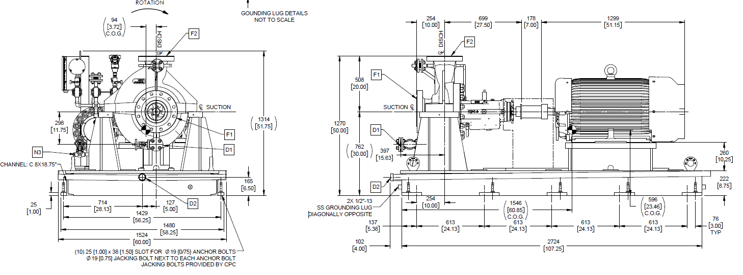

COG_{Z}

COG_{X}
COG_{Y}
W_{skid}
Anchors
L_{skid}

6.2 Foundation Geometry Validation
The foundation geometry is validated as per Fluor Guidelines 000.215.1227 and 00.215.1234, project specifications 19005-019-GEN-SPC-04-050 and 03-309, and CSA A23.3-19 anchor bolt edge distance requirements.

 | 6.2.1 Pile Cap Geometry

 |  |  |  | Lcap | = | 3.00 |  |  | m |  |  |  |  | : length of pile cap
 |  |  |  | Wcap | = | 1.80 |  |  | m |  |  |  |  | : width of pile cap
 |  |  |  | Hcap | = | 0.90 |  |  | m |  |  |  |  | : height of pile cap
 |  |  |  | tg | = | 0.04 |  |  | m |  |  |  |  | : grout thickness

 |  |  |  | Lpile | = | 2.2 |  |  | m |  |  |  |  | : pile spacing, along pile cap length
 |  |  |  | Wpile | = | 1.0 |  |  | m |  |  |  |  | : pile spacing, along pile cap width
 |  |  |  | Dpile | = | 0.219 |  |  | m |  |  |  |  | : pile diameter

 | 6.2.2 Mass Ratio Validation
 | As per Fluor Practice 000.215.1234 and Specification 03-309, the mass ratio between weight of foundation and weight of equipment shall be greater than 3:1 for rotary machines.

 |  | Self-Weight of Pile Cap Foundation:
 |  | The weight of the pile cap foundation is summarized below. The weight of the skid infill grout is conservatively ignored for the mass ratio calculation.

 |  |  |  |  |  | L [m] |  |  |  | W [m] |  |  |  | H [m] |  |  |  | Vol [m3]
 |  | Pile Cap |  |  |  | 3.00 |  |  |  | 1.80 |  |  |  | 0.90 |  |  |  | 4.86
 |  | Grout |  |  |  | 3.00 |  |  |  | 1.80 |  |  |  | 0.04 |  |  |  | 0.22 |  | : grout btw fdn and U/S skid
 |  |  |  |  |  |  |  |  |  |  |  |  |  |  |  |  | TOTAL Volume = | 5.1 | m3

 |  |  |  |  |  |  |  |  |  | Density of Reinforced Concrete = | 23.5 |  |  | kN/m3 |  |  |  | : 2400 kg/m3; assume grout density is similar to concrete
 |  |  |  |  |  |  |  |  |  | Total weight of foundation = | 119.5 |  |  | kN

 |  | Weight of Pump Skid:
 |  | Weight of pump skid is provided by the vendor, summarized in Section 6.1 above.

 |  |  |  |  |  | Weq | = | 36.7 |  |  | kN

 |  | Mass Ratio: |  |  |  | Weight of foundation / Weight of equipment

 |  |  |  |  |  | Mass Ratio | = | 3.26 |  |  | > 3:1, Okay.

 | The mass ratio requirements are satisfied. OK.

 | 6.2.3 Pile Cap Rigidity Validation
 | Foundation rigidity is checked as per Fluor Guideline 000.215.1234 and ACI 351.3R-18 Cl. 6.2.

 |  | i. The foundation mat thickness shall be > 0.60 m.

 |  |  | tcap |  | = | 0.90 |  |  | m | > 0.60 m, OK.

 |  | ii. The foundation pile cap thickness should not be less than tcap ≥ 0.6 + L / 30.

 |  |  |  | L | = | longest foundation dimension
 |  |  |  | L1 | = | 3.00 |  |  | m |  |  |  | : length of foundation
 |  |  |  | L2 | = | 1.80 |  |  | m |  |  |  | : width of foundation
 |  |  |  | L | = | 3.00 |  |  | m |  |  |  | : governing length

 |  |  | tmin |  | = | 0.70 |  |  | m |  |  |  | : 0.6 + L / 30
 |  |  | tcap |  | = | 0.90 |  |  | m | > tmin, OK.

 |  | iii. In relation to the soil shear modulus, the foundation pile cap thickness should not be less than tcap ≥ 0.01(GsL4 / b)1/3

 |  |  |  | L | = | 0.29 |  |  | m |  |  |  | : mat cantilever dimension in rocking direction; use pile edge distance
 |  |  |  |  |  |  |  |  |  |  |  |  | : (Wcap - Wpile - Dpile) / 2
 |  |  |  | Gs | = | 160000 |  |  | kN/m2 |  |  |  | : soil shear modulus; use max. upper bound per Geotechnical Report
 |  |  |  | b | = | 1.80 |  |  | m |  |  |  | : width of mat perpendicular to rocking direction; Wcap

 |  |  | tmin |  | = | 0.09 |  |  | m
 |  |  | tcap |  | = | 0.90 |  |  | m | > tmin, OK.

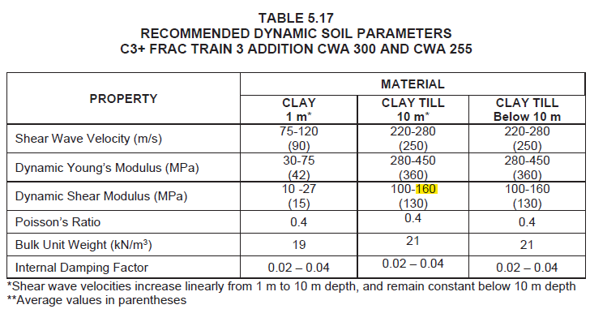

 | The pile cap is considered sufficiently rigid. OK.

 | 6.2.4 Eccentricity Validation
 | As per Fluor Practice 000.215.1234 and ACI 351.3R-18 Cl. 7.1.2.1, the combined center of gravity of the machine-foundation system shall be within 5% of the center of resistance for the pile group.

 |  |  | Pile Cap COG:
 |  |  | Measured from pile cap corner.

 |  |  |  |  | COGX,cap | = | 1.500 |  |  | m |  |  | : COG along the length "L" dimension; Lcap / 2
 |  |  |  |  | COGZ,cap | = | 0.900 |  |  | m |  |  | : COG along the width "W" dimension; Wcap / 2
 |  |  |  |  | Wcap | = | 119.5 |  |  | kN |  |  | : weight of cap

 |  |  | Pump COG:
 |  |  | Measured from pile cap corner.

 |  |  |  |  | eX | = | 0.14 |  |  | m |  |  | : pump skid edge distance; (Lcap - Lskid) / 2
 |  |  |  |  | eZ | = | 0.16 |  |  | m |  |  | : pump skid edge distance; (Wcap - Wskid) / 2

 |  |  |  |  | COG'X | = | 1.684 |  |  | m |  |  | : COG along the length "L" dimension; COGX + ex
 |  |  |  |  | COG'Z | = | 0.933 |  |  | m |  |  | : COG along the width "W" dimension; COGZ + eZ
 |  |  |  |  | Wpump | = | 36.7 |  |  | kN |  |  | : weight of pump skid

 |  |  | Combined COG:
 |  |  | (COGcap * Wcap + COGpump * Wpump) / (Wcap + Wpump)

 |  |  |  |  | COGX,combined | = | 1.543 |  |  | m
 |  |  |  |  | COGZ,combined | = | 0.908 |  |  | m

 |  |  | Eccentricity Relative to Center of Resistance:
 |  |  | The center of resistance corresponds with the pile cap COG:

 |  |  |  |  | CRX | = | 1.500 |  |  | m |  |  |  | : center of resistance, along the length "L" dimension; COGx,cap
 |  |  |  |  | eccX | = | 0.043 |  |  | m |  |  |  | : COGX,combined - CRX
 |  |  |  |  | eccX / CRX | = | 2.9% |  |  | < 5%, OK

 |  |  |  |  | CRZ | = | 0.900 |  |  | m |  |  |  | : center of resistance, along the width "W" dimension; COGZ,cap
 |  |  |  |  | eccZ | = | 0.008 |  |  | m |  |  |  | : COGZ,combined - CRZ
 |  |  |  |  | eccZ / CRZ | = | 0.8% |  |  | < 5%, OK

 | The system COG eccentricity is acceptable. OK.

 | 6.2.5 Approximation of Foundation Natural Frequency
 | Fluor Guideline 000.215.1227 provides equations for calculating the foundation natural frequency for a block foundation supported directly on soil:

 |  |  |  | Wtotal | = | 156 |  |  | kN |  |  | : total weight of system
 |  |  |  | Pg | = | 29 |  |  | kPa |  |  | : gross bearing pressure; Wtotal / LcapWcap
 |  |  |  | K | = | 30000 |  |  | kN/m3 |  |  | : soil subgrade modulus

 |  |  |  | Fmin | = | 1353 |  |  | rpm
 |  |  |  | Fope | = | 3600 |  |  | rpm |  | > Fmin, OK.

 | However, as the foundation is supported on piles, it is more reasonable to idealize the structural system as a simple mass-spring system:

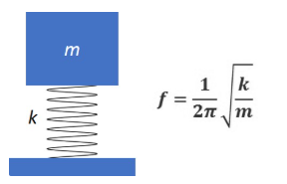

 |  | where, |  |  | f | = | frequency
 |  |  |  |  | k | = | system spring stiffness (pile stiffness)

 |  |  |  |  | m | = | system mass
 |  |  |  |  | wfdn | = | 137.9 |  |  | kN |  |  |  | : weight of foundation + grout + infill grout; refer to Section 7.0
 |  |  |  |  | EO | = | 36.7 |  |  | kN |  |  |  | : static weight of equipment
 |  |  |  |  | m | = | 174.6 |  |  | kN

 |  | i. Lateral Direction:
 |  | The pile stiffness is estimated from the JDB 2.A.04.1 Deep Foundation Philosophy LPILE Analysis.
 |  | The L-Pile run "219mm_V=100 kN (fixed).lp12d" is modified for 0 mm corrosion allowance, Compression = 0 kN, and Shear = 1 kN unit load.

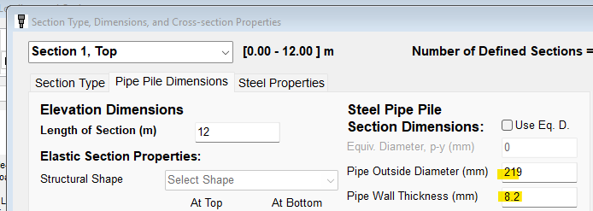

 |  |  |  |  | Δ | = | 3.47E-06 |  |  | m |  |  |  | : pile head deflection, from LPILE
 |  |  |  |  | k | = | 288184 |  |  | kN/m |  |  |  | : single pile stiffness = 1 kN / Δ

 |  |  |  |  | ksys | = | 1152738 |  |  | kN/m |  |  |  | : k * 4 piles; no reduction in stiffness due to group effects assumed, as to maximize group stiffness.

 |  |  |  |  | f | = | 12.93 |  |  | cycles / s
 |  |  |  |  |  | = | 776 |  |  | rpm |  | < 0.8* Fope

 |  | As can be seen, the foundation frequency is well outside the pump operating frequency of 3600 rpm. OK.

 |  | ii. Vertical Direction:
 |  | The pile stiffness in the vertical direction is calculated as the elastic stiffness of the piles only.

 |  |  |  |  | k | = | EA / L |  |  |  |  |  |  | : axial elastic stiffness
 |  |  |  |  | E | = | 200000 |  |  | MPa |  |  |  | : elastic modulus of pile steel
 |  |  |  |  | Dpile | = | 0.219 |  |  | m |  |  |  | : pile diameter
 |  |  |  |  | twall | = | 0.0082 |  |  | m |  |  |  | : pile wall thickness
 |  |  |  |  | A | = | 0.00543 |  |  | m2 |  |  |  | : gross area; π/4∙(Dpile2-(Dpile - 2twall)2)
 |  |  |  |  | L | = | 12.0 |  |  | m |  |  |  | : pile length

 |  |  |  |  | k | = | 90507.19 |  |  | kN/m |  |  |  | : axial stiffness of single pile

 |  |  |  |  | ksys | = | 362029 |  |  | kN/m |  |  |  | : k * 4 piles; no reduction in stiffness due to group effects assumed, as to maximize group stiffness.

 |  |  |  |  | f | = | 7.25 |  |  | cycles / s
 |  |  |  |  |  | = | 435 |  |  | rpm |  | < 0.8* Fope

 |  |  | As can be seen, the foundation frequency is well outside the pump operating frequency of 3600 rpm. OK.

 | 6.2.6 Pile Cap Width Validation

 |  | i. Pump Skid Edge Distance:
 |  | As per Fluor Guideline 000.215.1234, foundation shall extend minimum 50 mm beyond the edge of the skid drip pan:

 |  |  |  | L | = | 2.88 |  |  | m |  |  | : length of skid drip pan
 |  |  |  | Lmin | = | 2.98 |  |  | m |  |  | : minimum length of cap; L + 2*50 mm
 |  |  |  | Lcap | = | 3.00 |  |  | m | ≥ Lmin, OK

 |  |  |  | W | = | 1.52 |  |  | m |  |  | : width of skid drip pan
 |  |  |  | Wmin | = | 1.62 |  |  | m |  |  | : minimum width of cap; W + 2*50 mm
 |  |  |  | Wcap | = | 1.80 |  |  | m | > Wmin, OK

 |  | ii. Cap Width Relative to COG:
 |  | As per Fluor Guideline 000.215.1234, the width of the pile cap to the height of the crank shaft is validated:

 |  |  |  | hcap | = | 0.90 |  |  | m |  |  | : thickness of pile cap
 |  |  |  | tg | = | 0.04 |  |  | m |  |  | : thickness of grout
 |  |  |  | hcs | = | 0.762 |  |  | m |  |  | : height of crankshaft above underside of skid

 |  |  |  | Wmin | = | 1.28 |  |  | m |  |  | : minimum width of cap; 3/4 *(hcap + tg + hcs)
 |  |  |  | Wcap | = | 1.80 |  |  | m | > Wmin, OK

 |  | The width of the cap is acceptable.

 |  | iii. Anchor Bolt Edge Distance:
 |  | As per CSA A23.3-19, Section D.9.3, minimum edge distance for torqued anchor bolts shall be 6da.
 |  | As per ASCE Anchorage Design for Petrochemical and Other Industrial Facilities, when sleeves are used, the edge distance shall be increased by 0.5*(dsleeve - da).

 |  |  |  | da | = | 19.0 |  |  | mm |  |  |  | : anchor bolt diameter; 3/4"
 |  |  |  | 6da | = | 114.3 |  |  | mm
 |  |  |  | dsleeve | = | 50.8 |  |  | mm |  |  |  | : sleeve diameter, per P07-019-MEC-FDN-04-3002 for 3/4" bolts.
 |  |  |  | ea,min | = | 130.2 |  |  | mm |  |  |  | : min. edge distance = 6da + 0.5(dsleeve - da)

 |  |  |  | ea | = | 185.5 |  |  | mm |  | > ea,min, OK |  |  |  |  | : actual anchor bolt edge distance; (Wcap - Wa) / 2

 |  | The anchor bolt edge distance is acceptable. OK.

7. Load Development
 |  |  |  |  |  |  |  |  |  |  |  |  |  |  |  |  |  |  |  |  | Reminder to go into Page Setup and modify the Header/Footer | -
7. LOAD DEVELOPMENT |  |  |  |  |  |  |  |  |  |  |  |  |  |  |  |  |  |  |  |  | Reminder to check page breaks before printing to Adobe | Y
 |  |  |  |  |  |  |  |  |  |  |  |  |  |  |  |  |  |  |  |  | This section should go through each of the BLC's and how/where they are applied | N
 | Basic Load Cases: The table below shows the basic load cases that were specified from the job data book JDB 2.B.01

 | Table 7-1 Basic Load Cases
 | Basic Load Case |  |  |  | Symbol |  | Description |  |  |  |  |  |  |  |  |  |  |  | Applied |  | Lead to review this with the JDB items and layout on BLC’s to ensure alignment.
 | BLC 1 |  |  |  | SW |  | Structural Self Weight (SW) - Excludes FP |  |  |  |  |  |  |  |  |  |  |  | Y |  | This will be relooked at when the JDB 2.20 load combinations is reviewed
 | BLC 2 |  |  |  | PO |  | Piping Operating (PO) |  |  |  |  |  |  |  |  |  |  |  | N
 | BLC 3 |  |  |  | PE |  | Piping Empty (PE) |  |  |  |  |  |  |  |  |  |  |  | N |  | Engineer to pick Y or N
 | BLC 4 |  |  |  | ET |  | Pipe / Equipment Test Load (ET) - "Content Weight alone" |  |  |  |  |  |  |  |  |  |  |  | N
 | BLC 5 |  |  |  | F |  | Pipe Friction Load (F) |  |  |  |  |  |  |  |  |  |  |  | N
 | BLC 6 |  |  |  | AT |  | Pipe Anchor Thermal (AT) |  |  |  |  |  |  |  |  |  |  |  | N
 | BLC 7 |  |  |  | AF |  | Pipe Anchor Friction (AF) |  |  |  |  |  |  |  |  |  |  |  | N
 | BLC 8 |  |  |  | AS |  | Pipe Anchor Seismic (AS) |  |  |  |  |  |  |  |  |  |  |  | N
 | BLC 9 |  |  |  | GL |  | Guide Load (GL) |  |  |  |  |  |  |  |  |  |  |  | N
 | BLC 10 |  |  |  | SG |  | Slug or Upset (SG) |  |  |  |  |  |  |  |  |  |  |  | N
 | BLC 11 |  |  |  | EL |  | Electrical (EL) |  |  |  |  |  |  |  |  |  |  |  | N
 | BLC 12 |  |  |  | EO |  | Equipment Operating (EO) |  |  |  |  |  |  |  |  |  |  |  | Y
 | BLC 13 |  |  |  | EE |  | Equipment Empty (EE) |  |  |  |  |  |  |  |  |  |  |  | Y
 | BLC 14 |  |  |  | EM |  | Eqpt Maintenance (EM) |  |  |  |  |  |  |  |  |  |  |  | N
 | BLC 15 |  |  |  | L |  | Live Load (L) |  |  |  |  |  |  |  |  |  |  |  | N
 | BLC 16 |  |  |  | S |  | Snow Load (S) |  |  |  |  |  |  |  |  |  |  |  | N
 | BLC 17 |  |  |  | WT |  | Wind Transverse (WT) |  |  |  |  |  |  |  |  |  |  |  | N
 | BLC 18 |  |  |  | WL |  | Wind Longitudinal (WL) |  |  |  |  |  |  |  |  |  |  |  | N
 | BLC 19 |  |  |  | STOpe |  | Seismic Transverse Operating (STOpe) |  |  |  |  |  |  |  |  |  |  |  | Y
 | BLC 20 |  |  |  | STEmpty |  | Seismic Transverse Empty (STEmpty) |  |  |  |  |  |  |  |  |  |  |  | Y
 | BLC 21 |  |  |  | SLOpe |  | Seismic Long Operating (SLOpe) |  |  |  |  |  |  |  |  |  |  |  | N
 | BLC 22 |  |  |  | SLEmpty |  | Seismic Long Empty (SLEmpty) |  |  |  |  |  |  |  |  |  |  |  | N
 | BLC 23 |  |  |  | Di |  | Atmospheric Ice (Di), if applicable |  |  |  |  |  |  |  |  |  |  |  | N
 | BLC 24 |  |  |  | T, STcon |  | Thermal Contraction (T, STcon) |  |  |  |  |  |  |  |  |  |  |  | N
 | BLC 25 |  |  |  | T, STexp |  | Thermal Expansion (T, STexp) |  |  |  |  |  |  |  |  |  |  |  | N
 | BLC 26 |  |  |  | NT |  | Notional Transverse (NT) |  |  |  |  |  |  |  |  |  |  |  | N
 | BLC 27 |  |  |  | NL |  | Notional Longitudinal (NL) |  |  |  |  |  |  |  |  |  |  |  | N
 | BLC 28 |  |  |  | FP |  | Fireproofing (FP) |  |  |  |  |  |  |  |  |  |  |  | N

 |  |  |  |  |  |  | Transportation
 | BLC 29 |  |  |  | T1 |  | Selfweight Long |  |  |  |  |  |  |  |  |  |  |  | N
 | BLC 30 |  |  |  | T2 |  | Selfweight Trans |  |  |  |  |  |  |  |  |  |  |  | N
 | BLC 31 |  |  |  | T3 |  | Pipe Empty Long |  |  |  |  |  |  |  |  |  |  |  | N
 | BLC 32 |  |  |  | T4 |  | Pipe Empty Trans |  |  |  |  |  |  |  |  |  |  |  | N
 | BLC 33 |  |  |  | T5 |  | Equip. Empty Long |  |  |  |  |  |  |  |  |  |  |  | N
 | BLC 34 |  |  |  | T6 |  | Equip. Empty Trans |  |  |  |  |  |  |  |  |  |  |  | N
 | BLC 35 |  |  |  | T7 |  | Elect. Long |  |  |  |  |  |  |  |  |  |  |  | N
 | BLC 36 |  |  |  | T8 |  | Elect. Trans |  |  |  |  |  |  |  |  |  |  |  | N
 | BLC 37 |  |  |  | T9 |  | Snow Long |  |  |  |  |  |  |  |  |  |  |  | N
 | BLC 38 |  |  |  | T10 |  | Snow Trans |  |  |  |  |  |  |  |  |  |  |  | N
 | BLC 39 |  |  |  | T11 |  | Fireproofing Long |  |  |  |  |  |  |  |  |  |  |  | N
 | BLC 40 |  |  |  | T12 |  | Fireproofing Trans |  |  |  |  |  |  |  |  |  |  |  | N

7.1 Basic Load Case Development
The basic load cases described below are taken per the project standard load cases in JDB 2.B.01.

 | 7.1.1 BLC 1: Structural Self Weight (SW)
 | The self-weight of the foundation includes the weight of the concrete pile cap, grout between cap and underside of skid, and the skid infill grout.

 | For simplicity, the unit weight of grout is taken the same as concrete.

 |  |  |  |  |  | L [m] |  |  | W [m] |  |  |  | H [m] |  |  | Vol [m3]
 |  | Pile Cap |  |  |  | 3.00 |  |  | 1.80 |  |  |  | 0.90 |  |  | 4.86
 |  | Infill Grout |  |  |  | 2.72 |  |  | 1.48 |  |  |  | 0.19 |  |  | 0.78
 |  | Grout |  |  |  | 3.00 |  |  | 1.80 |  |  |  | 0.04 |  |  | 0.22
 |  |  |  |  |  |  |  |  |  |  |  |  |  |  | TOTAL Volume = | 5.86 |  | m3

 |  |  |  |  |  |  |  |  |  | Density of Reinforced Concrete = | 23.5 |  |  | kN/m3 |  |  | : 2400 kg/m3; assume grout density is similar to concrete
 |  |  |  |  |  |  |  |  |  | Total weight of foundation = | 138 |  |  | kN

 | 7.1.2 - 7.1.3 BLC 2: Pipe Operating (PO) and BLC 3 Pipe Empty (PE)
 | Not applicable. There are no pipe supports on the pump foundation.
 | The pipes are supported on the adjacent building slab.

 | 7.1.4 BLC 4: Pipe / Equipment Test Load (ET) - "Content Weight Alone"
 | Not applicable. The operating, empty, and test weight of the pump are all assumed equal.
 | There are no pipe supports on the pump foundation.

 |  |  |  |  |  |  |  |  |  |  |  |  |  |  |  |  |  |  |  | 8.1.5 BLC 5: Pipe Friction (F)
 |  |  |  |  |  |  |  |  |  |  |  |  |  |  |  |  |  |  |  | Not applicable. There are no pipe supports supported on the pump foundation.
 | 7.1.5-7.1.10 BLC 5 - BLC 10: Pipe Lateral Loading |  |  |  |  |  |  |  |  |  |  |  |  |  |  |  |  |  |  | 8.1.6 BLC 6: Pipe Anchor Thermal (AT)
 |  |  |  |  |  |  |  |  |  |  |  |  |  |  |  |  |  |  |  | Not applicable. There are no pipe supports supported on the pump foundation.
 |  | BLC 5: Pipe Friction (F) |  |  |  |  |  |  |  |  |  |  |  |  |  |  |  |  |  | 8.1.7 BLC 7: Pipe Anchor Friction (AF)
 |  | BLC 6: Pipe Anchor Thermal (AT) |  |  |  |  |  |  |  |  |  |  |  |  |  |  |  |  |  | Not applicable. There are no pipe supports supported on the pump foundation.
 |  | BLC 7: Pipe Anchor Friction (AF) |  |  |  |  |  |  |  |  |  |  |  |  |  |  |  |  |  | 8.1.8 BLC 8: Pipe Anchor Seismic (AS)
 |  | BLC 8: Pipe Anchor Seismic (AS) |  |  |  |  |  |  |  |  |  |  |  |  |  |  |  |  |  | Not applicable. There are no pipe supports supported on the pump foundation.
 |  | BLC 9: Guide Load (GL) |  |  |  |  |  |  |  |  |  |  |  |  |  |  |  |  |  | 8.1.9 BLC 9: Guide Load (GL)
 |  | BLC 10: Slug or Upset (SG) |  |  |  |  |  |  |  |  |  |  |  |  |  |  |  |  |  | Not applicable. There are no pipe supports supported on the pump foundation.
 |  |  |  |  |  |  |  |  |  |  |  |  |  |  |  |  |  |  |  | 8.1.10 BLC 10: Slug or Upset (SG)
 | Not applicable. There are no pipe supports on the pump foundation. |  |  |  |  |  |  |  |  |  |  |  |  |  |  |  |  |  |  | Not applicable. There are no pipe supports supported on the pump foundation.
 |  |  |  |  |  |  |  |  |  |  |  |  |  |  |  |  |  |  |  | There are no upset conditions for the pump.

 | 7.1.11 BLC 11: Electrical (EL)
 | Not applicable. There are no primary electrical trays supported on the pump foundation.
 | Any miscellaneous field run electrical scope is considered negligeable.

 | 7.1.12 BLC 12: Equipment Operating (EO)
 | The weight of the pump package is taken from the Vendor GA dwg. 4205A-B01.
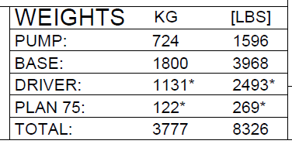

 |  |  |  | EO | = | 3739 |  | kg |  |  |  | : total weight of pump package
 |  |  |  |  | = | 36.7 |  | kN

 | However, the Vendor has also provided vertical static load per anchor bolt.

 | As per Vendor correspondence, these loads include the equipment weight plus applicable vertical nozzle loads in accordance with API 610.

 | Therefore, use the Vendor provided loading for EO.

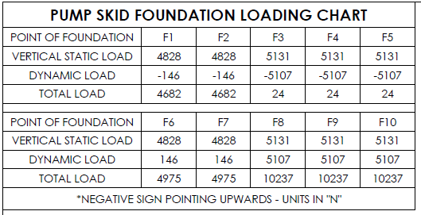

 |  |  |  | EO | = | 50.1 |  | kN |  |  |  | : Vendor provided total static loading

 | 7.1.13 BLC 13: Equipment Empty (EE)
 | The empty weight of the equipment is taken equal to the total weight of the skid.

 |  |  |  | EE | = | 36.7 |  | kN |  |  |  | : total weight of pump package

 | 7.1.14 BLC 14: Equipment Maintenance (EM)
 | Not applicable. Pump maintenance is performed by the building overhead crane.

 | 71.15 BLC 15: Live Load (L)
 | Not applicable. There is no live load applied to the pump foundation.

 | 7.1.16 BLC 16: Snow Load (S)
 | Not applicable. The pumps are located within a building.

 | 7.1.17 - 7.1.18 BLC 17: Wind Transverse (WT) and BLC 18: Wind Longitudinal (WL)
 | Not applicable. The pumps are located within a building.

 | 7.1.19 BLC 19: Seismic Transverse Operating (STOpe)
 | Seismic loading is calculated as per NBC(AE) 2023.
 | The pump skid and foundation are considered to be rigid elements.

 | Seismic Design Force:
 | Per the Geotechnical Report, the site is Site Class D:

 |  |  | PGA | = | 0.100
 |  |  | Sa(0.2, XD) | = | 0.164 |  |  |  |  |  | S(≤0.2) | = | 0.164 |  |  | :NBC(AE) 2023 - Table 4.1.8.4-C |  |  |  | 7.7725118483
 |  |  | Sa(0.5, XD) | = | 0.145 |  |  |  |  |  | S(0.5) | = | 0.145 |  |  | :NBC(AE) 2023 - Table 4.1.8.4-C
 |  |  | Sa(1.0, XD) | = | 0.081 |  |  |  |  |  | S(1.0) | = | 0.081 |  |  | :NBC(AE) 2023 - Table 4.1.8.4-C
 |  |  | Sa(2.0, XD) | = | 0.043 |  |  |  |  |  | S(2.0) | = | 0.043 |  |  | :NBC(AE) 2023 - Table 4.1.8.4-C
 |  |  | Sa(5.0, XD) | = | 0.021 |  |  |  |  |  | S(5.0) | = | 0.021 |  |  | :NBC(AE) 2023 - Table 4.1.8.4-C
 |  |  | Sa(10.0, XD) | = | 0.012 |  |  |  |  |  | S(10.0) | = | 0.012 |  |  | :NBC(AE) 2023 - Table 4.1.8.4-C

 |  |  | IE | = | 1.30 |  |  |  |  | : Importance Factor, High

 |  | Check if Equivalent Static Force Procedure is applicable, per Article 4.1.8.7 (1a):
 |  | The equivalent static force procedure may be used for structures in Seismic Design Category SC1 or SC2.

 |  |  |  | IE*S(0.2) | = | 0.213 |  | > 0.2, < 0.35 |  |  |  |  | : SC2
 |  |  |  | IE*S(1.0) | = | 0.106 |  | >0.1, < 0.2 |  |  |  |  | : SC2

 |  | Therefore, the seismic design category = SC2 and the equivalent static force procedure can be used.

 |  | i. Equipment Seismic Force:
 |  | The seismic base shear of the equipment is calculated using Article 4.1.8.18:

 |  |  | Vpump | = | 0.3S(0.2)IESpWp
 |  |  | Sp | = | 4.0 |  |  |  |  | : maximum value as per Article 4.1.8.18
 |  |  | Wp | = | 36.7 |  | kN |  |  | : weight of equipment

 |  |  | Vpump | = | 9.38 |  | kN |  |  | : seismic base shear

 |  | ii. Pile Cap Foundation Seismic Force:
 |  | As per JDB 2.H.02, the seismic force due to the weight of the pile cap is calculated assuming a period of 0.2s and RdRo = 1.3.

 |  |  | Vfdn | = | S(Ta)MvIEWcap / RdRo
 |  |  | Ta | = | 0.20 |  | s |  |  | : fundamental period
 |  |  | S(Ta) | = | 0.164
 |  |  | Mv | = | 1 |  |  |  |  | : per Table 4.1.8.11, S(0.2) / S(5.0) < 20, Ta < 0.5
 |  |  | RdRo | = | 1.3

 |  |  | Wfdn | = | 137.9 |  | kN |  |  | : weight of foundation
 |  |  | Vfdn | = | 22.6 |  | kN |  |  | : seismic base shear of foundation

 |  | iii. Total Base Shear and Moment:
 |  | The respective seismic forces are applied at the component centroids, measured from underside of foundation:

 |  |  | hpump | = | 0.596 |  | m |  |  | : centroid of pump package; COGY
 |  |  | epump | = | 1.436 |  | m |  |  | : centroid of pump package above pile elevation; hpump + Hcap + hgrout - 0.1 pile embedment

 |  |  | efdn | = | 0.500 |  | m |  |  | : centroid of fdn; approximated as 2/3 * pile cap = 2/3 * 900 mm - 100 mm embedment

 |  |  | For pile loading:
 |  |  |  | Vtot | = | 32.0 |  | kN |  |  | : total base shear = Vpump + Vfdn
 |  |  |  | Mtot | = | 24.8 |  | kN.m |  |  | : foundation moment = (V*e)pump + (V*e)fdn

 |  |  | For anchor bolt loading:
 |  |  |  | Vtot | = | 9.4 |  | kN |  |  | : total base shear = Vpump
 |  |  |  | Mtot | = | 5.6 |  | kN.m |  |  | : anchor moment = (V*h)pump

 | 7.1.20 BLC 20: Seismic Transverse Empty (STEmpty)
 | Not applicable. Seismic operating will govern the design.

 | 7.1.21 BLC 21: Seismic Longitudinal Operating (SLOpe)
 | Seismic operating force in the longitudinal direction is the same as calculated for the transverse direction.

 |  |  | For pile loading:
 |  |  |  | Vtot | = | 32.0 |  | kN |  |  | : total base shear = Vpump + Vfdn
 |  |  |  | Mtot | = | 24.8 |  | kN.m |  |  | : foundation moment = (V*e)pump + (V*e)fdn

 |  |  | For anchor bolt loading:
 |  |  |  | Vtot | = | 9.4 |  | kN |  |  | : total base shear = Vpump
 |  |  |  | Mtot | = | 5.6 |  | kN.m |  |  | : anchor moment = (V*h)pump

 | Due to pile spacing, the transverse direction loading will govern the pile and anchor bolt design.

 | 7.1.22 BLC 22: Seismic Longitudinal Empty (SLEmpty)
 | Not applicable. Seismic operating will govern the design.

 |  |  |  |  |  |  |  |  |  |  |  |  |  |  |  |  |  |  |  | 8.1.24 BLC 24: Thermal Contraction (T, STcon)
 | 7.1.23 - 7.1.25 BLC 23: Atmospheric Ice, (Di) and BLC 24/25 Thermal |  |  |  |  |  |  |  |  |  |  |  |  |  |  |  |  |  |  | Not applicable. The pumps are located within a building.
 |  |  |  |  |  |  |  |  |  |  |  |  |  |  |  |  |  |  |  | 8.1.25 BLC 25: Thermal Expansion (T, STexp)
 |  | BLC 23: Atmospheric Ice (Di) |  |  |  |  |  |  |  |  |  |  |  |  |  |  |  |  |  | Not applicable. The pumps are located within a building.
 |  | BLC 24: Thermal Contraction (T, STcon)
 |  | BLC 25: Thermal Expansion (T, STexp)

 | Not applicable. The pumps are located within a building.

 | 7.1.26 - 7.1.27 BLC 26: Notional Transverse (NT) and BLC 27 Notional Longitudinal (NL)
 | Not applicable, notional loads are considered negligible for the pump foundations.

 | 7.1.28 BLC28: Fireproofing
 | Not applicable.

 | 7.1.29 Pump Unbalanced Dynamic Force
 | The Vendor provided Dynamic Load reactions for each anchor bolt.
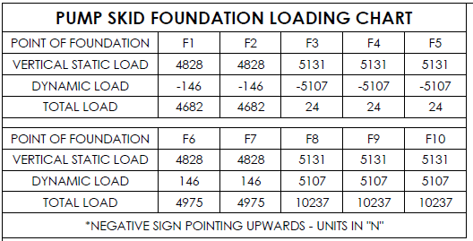

 | As per Vendor correspondence, the dynamic loads are considered to be short-circuit equivalent static loads.
 | As noted by the Vendor, the loading is manually calculated and not resolved to the shaft centerline.

 | However, for the purposes of pile design, the loading is resolved to the shaft centerline below:

 | The anchor reactions are assumed representative of a couple force resulting from the lateral dynamic load applied at the pump crank shaft elevation.

 |  |  |  | (T / C)dyn | = | 15.6 |  | kN |  |  |  | : total dynamic couple force
 |  |  |  | Wa | = | 1.429 |  | m |  |  |  | : anchor spacing in transverse direction
 |  |  |  | hcs | = | 0.762 |  | m |  |  |  | : height of crankshaft above U/S skid

 |  |  |  | Mdyn | = | 22.3 |  | kN.m |  |  |  | : anchor moment due to dynamic forces; (T/C)dyn * Wa

 |  |  |  | Vdyn | = | 29.3 |  | kN |  |  |  | : dynamic shear force; Mdyn / hcs

 | The total dynamic force appear to be very large for the size of the pump.
 | However, these values are conservatively used for design.

 | As per ACI 351.3R-18 Section 7.1.2.2, if forces are not provided by the Vendor, then 50% EO may be considered for the vertical force and 25% of EO for the lateral force.

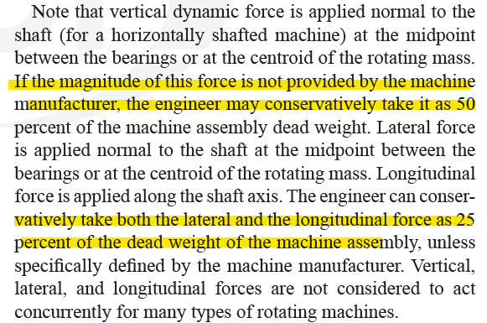

 |  |  | Vdyn / EE | = | 0.80 |  | > 0.5. OK.

 | The Vendor provided dynamic loading is larger than the ACI recommendation, OK.

 | For anchor bolt loading: |  |  |  |  |  | Use the vendor provided anchor loads. OK. Single anchor loads are calculate below.

 |  |  |  | Tdyn,anchor | = | 5.1 |  | kN |  |  |  | : maximum anchor tension
 |  |  |  | Vdyn,anchor | = | 4.8 |  | kN |  |  |  | : associated anchor shear; Tdyn,anchor * Wa / hcs / 2 anchors

 | For pile loading:

 |  |  |  | epiles | = | 1.6 |  | m |  |  |  | : eccentricity to piles; hcs + hgrout + hcap - 0.1 pile embedment

 |  |  |  | Vdyn,piles | = | 29.3 |  | kN
 |  |  |  | Mdyn,piles | = | 46.9 |  | kN.m

8. Pile Design
 |  |  |  |  |  |  |  |  |  |  |  |  |  |  |  |  |  |  |  |  | Reminder to go into Page Setup and modify the Header/Footer
8. PILE DESIGN |  |  |  |  |  |  |  |  |  |  |  |  |  |  |  |  |  |  |  |  | Reminder to check page breaks before printing to Adobe
The static pile design is presented below.

8.1 Load Combinations and Pile Reactions
Load combinations applicable to the pump foundation are adapted from the project standard load combinations in JDB 2.B.03.

Due to the smaller pile spacing, loading in the transverse direction governs the design.

 | 8.1.1 ULS Load Combinations:

 | Operating:
 |  |  | LC 1: | 1.4(SW + EO) |  |  |  |  |  |  |  |  |  |  |  | : maximum compression
 |  |  | LC 2: | 1.25(SW + EO) + 1.5(1.0Fdyn) |  |  |  |  |  |  |  |  |  |  |  | : maximum compression with shear
 |  |  | LC 3: | 0.9(SW + EE) - 1.5(1.0Fdyn) |  |  |  |  |  |  |  |  |  |  |  | : maximum tension with shear

 | Seismic:
 |  |  | LC 4: | 1.0(SW + EO) + 1.0STOpe + 1.5(1.0Fdyn) |  |  |  |  |  |  |  |  |  |  |  | : maximum seismic compression and shear
 |  |  | LC 5: | 1.0(SW + EE) - 1.0STOpe - 1.5(1.0Fdyn) |  |  |  |  |  |  |  |  |  |  |  | : maximum seismic tension and shear

 | : For Fdyn dynamic force: As per Vendor correspondence, the loading is already considered equivalent static loads. Therefore, no additional dynamic amplification factor needs to be applied. The loading is considered a short-circuit load and is treated as a "Live Load" with a 1.5 load factor applied. Fdyn is taken as acting in the transverse direction - governs over the vertical direction.

 | 8.1.2 SLS Load Combinations:

 |  | For Pile Settlement:
 |  | Pile settlement is checked under sustained loading, DLO:

 |  |  | LC 6: | 1.0(SW + EO) |  |  |  |  |  |  |  |  |  |  |  | : sustained loading

 |  | For Pile Lateral Displacement:
 |  | The only lateral load acting on the piles is from the pump unbalanced forces. Typically, these forces are relatively small and the lateral performance of the foundation is governed by the dynamic response. The vendor provided loading appears to be quite high, by engineering judgement. Conservatively, this loading will still be included in the pile lateral displacement checks.

 |  |  | LC 7: | 1.0(SW + EO) + 1.0(1.0Fdyn) |  |  |  |  |  |  |  |  |  |  |  | : maximum lateral loading

 | 8.1.3 Summary of Pile Load Cases
 | Refer to Section 7.1 for basic load case calculations.

 | The pile compression loading = Pf / Np + Mf / s / Np,M
 | The pile shear loading = Vf / Np,eff

 |  |  | Pf | = | total factored vertical force
 |  |  | Vf | = | total factored lateral force
 |  |  | Mf | = | total factored moment, at underside of foundation

 |  |  | Np | = | 4 |  |  |  |  | : number of piles
 |  |  | Np,M | = | 2 |  |  |  |  | : number of piles resisting moment couple force = Np / 2
 |  |  | s | = | 1.0 |  |  | m |  | : pile spacing in transverse direction

 |  |  |  |  | Foundation Forces |  |  |  |  |  |  |  |  |  | Pile Forces
 |  |  |  |  | Pf [kN] |  |  | Vf [kN] |  |  | Mf [kN.m] |  |  |  | Pf [kN] |  |  | Vf [kN]

 |  | SW |  |  | 137.9 |  |  | 0 |  |  | 0 |  |  |  | 34.5 |  |  | 0
 |  | EO |  |  | 50.1 |  |  | 0 |  |  | 0 |  |  |  | 12.5 |  |  | 0
 |  | EE |  |  | 36.7 |  |  | 0 |  |  | 0 |  |  |  | 9.2 |  |  | 0
 |  | STOpe |  |  | 0 |  |  | 32.0 |  |  | 24.8 |  |  |  | 12.4 |  |  | 8.0
 |  | Fdyn |  |  | 0 |  |  | 29.3 |  |  | 46.9 |  |  |  | 23.5 |  |  | 7.3

 | 8.1.4 ULS and SLS Pile Loading:

 |  | ULS Pile Loading:

 |  |  |  |  |  | Pile Forces
 |  |  |  |  |  | Cf [kN] |  |  | Vf [kN]

 |  |  | LC 1 |  |  | 65.8 |  |  | 0.0
 |  |  | LC 2 |  |  | 93.9 |  |  | 11.0
 |  |  | LC 3 |  |  | 4.1 |  |  | -11.0
 |  |  | LC 4 |  |  | 94.6 |  |  | 19.0
 |  |  | LC 5 |  |  | -3.9 |  |  | -19.0

 |  |  |  | Cf | = | 94.6 |  |  | kN |  |  |  | : maximum pile compression
 |  |  |  | Tf | = | -3.9 |  |  | kN |  |  |  | : maximum pile tension
 |  |  |  | Vf | = | 19.0 |  |  | kN |  |  |  | : maximum pile shear

 |  | SLS Pile Loading:

 |  |  |  |  |  | Pile Forces
 |  |  |  |  |  | Cs [kN] |  |  | Vs [kN]

 |  |  | LC 7 |  |  | 47.0 |  |  | 0.0
 |  |  | LC 8 |  |  | 70.4 |  |  | 7.3

 |  |  |  | Cs | = | 70.4 |  |  | kN |  |  |  | : maximum pile compression
 |  |  |  | Ts | = | 0.0 |  |  | kN |  |  |  | : maximum pile tension
 |  |  |  | Vs | = | 7.3 |  |  | kN |  |  |  | : maximum pile shear

8.2 Pile Capacity Check
As per the Geotechnical Report Section 5.14.2 recommendations, the maximum static and dynamic factored load shall be limited to 75% of the design static geotechnical resistance of the pile. However, Fluor Guideline 000.215.1234 states the static pile load should be limited to 50% of the geotechnical capacity to ensure elastic soil behaviour.

Therefore, under factored static load, the resistance of the piles are limited to 0.50 unity for the pump foundation.

 | 8.2.1 Calculate Pile Geotechnical Capacity
 | The pile Geotechnical capacities (compression, tension, and lateral) are calculated with reference to JDB 2.04.1 Deep Foundation Philosophy.

 |  |  |  | Dp | = | 0.219 |  |  | m |  | : Pile diameter
 |  |  |  | Lp | = | 12 |  |  | m |  | : Pile embedded length

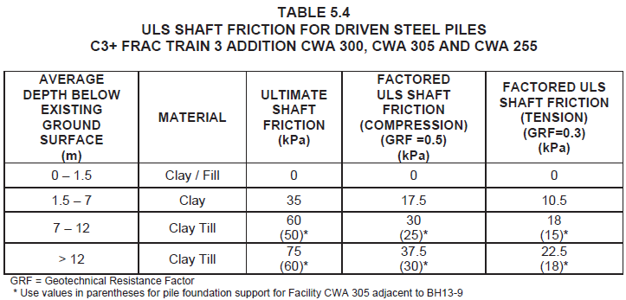

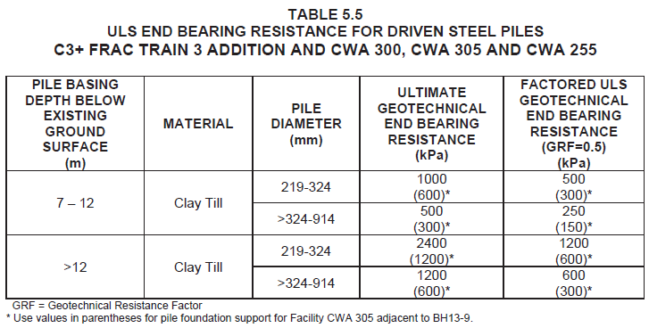

 |  |  |  |  |  | (0 - 1.5 m) | = | 0 |  |  | kPa |  | : Clay/Clay Fill
 |  |  |  |  |  | (1.5 - 7 m) | = | 35 |  |  | kPa |  | : Clay/Clay Till
 |  |  |  |  |  | (7 - 'L' m) | = | 60 |  |  | kPa |  | : Clay Till
 |  |  |  |  |  | End Bearing | = | 2400 |  |  | kPa |  | : End bearing at pile tip (Clay Till)

 |  |  | Shaft Friction: |  |  |  | = | π * Dp * Height of Soil Layer * Soil Resistance

 |  |  |  |  |  | (0 - 1.5 m) | = | 0 |  |  | kN |  | : Neglect top 1.5 m for potential soil shrinkage
 |  |  |  |  |  | (1.5 - 7 m) | = | 132 |  |  | kN |  | : Clay
 |  |  |  |  |  | (7 - 'L' m) | = | 206 |  |  | kN |  | : Clay till
 |  |  |  |  |  | Ultimate Shaft Friction | = | 339 |  |  | kN

 |  |  |  |  |  | Ultimate End Bearing | = | 90 |  |  | kN |  | : π/4 * Dp2 * End Bearing

 |  | 8.2.1.1 Compression Capacity:
 |  | Pile compression capacity is calculated as the sum of shaft friction and end bearing resistance. A geotechnical reduction factor = 0.5 is applied to the ultimate resistance values, as per the Geotechnical Report.

 |  |  |  |  |  | Cnom | = | 429.2 |  |  | kN |  |  | : Nominal compression resistance = Shaft Friction + End Bearing
 |  |  |  |  |  | φc | = | 0.5 |  |  |  |  |  | : Geotechnical resistance factor, compression
 |  |  |  |  |  | Cr | = | 214.6 |  |  | kN |  |  | : Compression resistance of single pile, φcCnom

 |  |  |  |  |  | Cf | = | 94.6 |  |  | kN |  |  |  | : Maximum applied compression force
 |  |  |  |  |  | Cr / Cf | = | 0.44 |  |  | < 0.50, OK |  |  |  | : Unity ratio

 |  | Therefore, use 12 m embedment length, OK.

 |  |  |  |  |  |  |  |  |  |  |  |  |  |  | For Pile Schedule loading, use 2.0 * Cf + 25 kN = | 215.0 |  |  | kN

 |  | 8.2.1.2 Tension Capacity:
 |  | Pile tension capacity is calculated as the sum of shaft friction resistance. A geotechnical reduction factor = 0.3 is applied to the ultimate resistance values, as per the Geotechnical Report.

 |  |  |  |  |  | Tnom | = | 338.8 |  |  | kN |  |  | : Nominal tension resistance = shaft friction
 |  |  |  |  |  | φT | = | 0.3 |  |  |  |  |  | : Geotechnical resistance factor, tension
 |  |  |  |  |  | Tr | = | 101.7 |  |  | kN |  |  | : Tension resistance of single pile, φTTnom

 |  |  |  |  |  | Tf | = | 3.9 |  |  | kN |  |  |  | : Maximum applied tension force
 |  |  |  |  |  | Tr / Tf | = | 0.04 |  |  | < 1.0. OK |  |  |  | : Unity ratio

 |  |  |  |  |  |  |  |  |  |  |  |  |  |  | For Pile Schedule loading, use Tf = | 10.0 |  |  | kN

 |  | 8.2.1.3 Frost Check:

 |  |  |  |  |  | Zfp | = | 2.2 |  |  | m |  | : Frost penetration depth, 1:50 year event
 |  |  |  |  |  | Adfreeze Stress | = | 100 |  |  | kPa
 |  |  |  |  |  | Frost Heave | = | 50 |  |  | mm
 |  |  |  |  |  | RFf | = | 0.8 |  |  |  |  | : Resistance factor against frost uplift

 |  | Frost Resistance:
 |  | The pile frost resistance is calculated as the shaft friction resistance of the pile length below the frost line (ie. shaft resistance of pile below 2.2 m):

 |  |  |  |  |  | Tr, nom | = | 322 |  |  | kN |  | : Total nominal frost resistance
 |  |  |  |  |  | Tr | = | 257.6 |  |  | kN |  | : Factored frost resistance; 0.8 Tr,nom

 |  | Jacking Force on Pile due to Adfreeze:
 |  |  |  |  |  | Lp,f | = | 2.2 |  |  | m |  | : Length of pile in frost susceptible layer (assume no soil cover)
 |  |  |  |  |  | Tf,ad | = | 151.4 |  |  | kN |  | : Jacking force on pile due to adfreeze; σad * πDLp,f

 |  | Jacking Force on Pile Cap Perimeter due to Adfreeze:
 |  | As per the geotechnical report and Deep Foundation Philosophy, a bond breaker is to be applied around on the vertical faces of pile caps. As a result, concrete jacking forces can be neglected around the perimeter of the foundation.

 |  |  |  |  |  | Jacking Force | = | 0.0 |  |  | kN

 |  | Case 1 - Single Pile Subjected to Ad-freeze (ie. No pile cap):
 |  |  |  |  |  | Tr | = | 257.6 |  |  | kN
 |  |  |  |  |  | Tf,ad | = | 151.4 |  |  | kN |  | = | 155.0 |  |  | kN | Rounded up for pile schedule.
 |  |  |  |  |  | Unity Ratio | = | 0.59 |  |  | <1.0 OK

 |  | Case 2 - Piled Foundation (ie. With pile cap) Subject to Ad-Freeze & Frost Heave
 |  |  |  |  |  | Tr | = | 257.6 |  |  | kN |  | : Tensile resistance of single pile to frost heave
 |  |  |  |  |  | N | = | 4 |  |  |  |  | : Number of piles
 |  |  |  |  |  | SWSI | = | 114.4 |  |  | kN |  | : Super-imposed dead load; pile cap only
 |  |  |  |  |  | Tf,ad | = | 151.4 |  |  | kN |  | : Uplift due to ad-freeze on single pile; assume foundation not backfilled

 |  |  |  |  |  | TFJ | = | 0.0 |  |  | kN |  | : Uplift due to frost jacking on perimeter of pile cap
 |  |  |  |  |  | TFH | = | 218.3 |  |  | kN |  | : Uplift due to frost heave; see Section 8.3 below. |  |  |  |  |  |  | 115.35002958
 |  |  |  |  |  |  |  |  |  |  |  |  |  |  |  |  |  |  |  | 14.418753698
 |  |  |  |  |  | Tr,total | = | 1030.4 |  |  | kN |  | : Total pile resistance to uplift, Tr x N
 |  |  |  |  |  | Tf, total | = | 720.8 |  |  | kN |  | : Total frost uplift force, Tf,ad x N +TFJ + TFH - 0.9SWcap
 |  |  |  |  |  | Unity Ratio | = | 0.70 |  |  | <1 OK

 |  |  |  |  |  | Tfrost | = | Tf , total / N |  |  |  |  | : frost heave force per pile
 |  |  |  |  |  |  | = | 180.2 |  |  | kN

 |  | Case 3: Pile Foundation Subject to Adfreeze and Sustained Tension:
 |  | No net sustained tension will occur on the pile group during the frost heave scenario. Therefore, Case 3 check does not apply.

 |  | For pile schedule loading: |  |  |  |  |  |  |  | Tfrost | = | 185 |  |  | kN |  | : rounded up for pile schedule; no margin required.

 |  | 8.2.1.4 Pile Deflection Check:
 |  | Pile head deflection is calculated from the Appendix D charts in JDB 2.A.04.1.

 |  | The pile head is anchored to the foundation using D2L bars, per pile cap detail 1C on P07-019-MEC-FDN-04-3000.
 |  | However, these piles are still conservatively considered as "free-head" for design.
 |  | The influence of the D2L bars is ignored.

 |  | Therefore, the graphs for "Free-Head" piles are used for design.

 |  |  |  | Cs | = | 70.4 |  |  | kN |  |  | : SLS compression, corresponding with maximum shear
 |  |  |  | Vs | = | 7.3 |  |  | kN |  |  | : SLS shear

 |  |  |  |  |  | Δs,max | = | 1.0 |  |  | mm |  |  | : estimated pile deflection at grade, from chart below

 |  |  |  |  |  | Pile Spacing | = | 1.0 |  |  | m |  | : minimum pile spacing
 |  |  |  |  |  |  | = | 4.6 |  |  | x D

 |  |  |  |  |  | Group Factor | = | 1.4 |  |  |  |  |  | : 2x2 pile group at ~4.5D spacing
 |  |  |  |  |  | Δs | = | 1.4 |  |  | mm |  | < 12 mm, OK
 |  |  |  |  |  | Utilization | = | 0.12

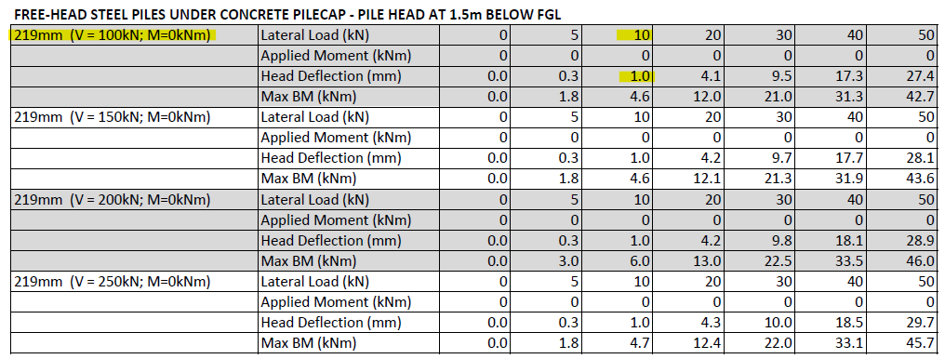

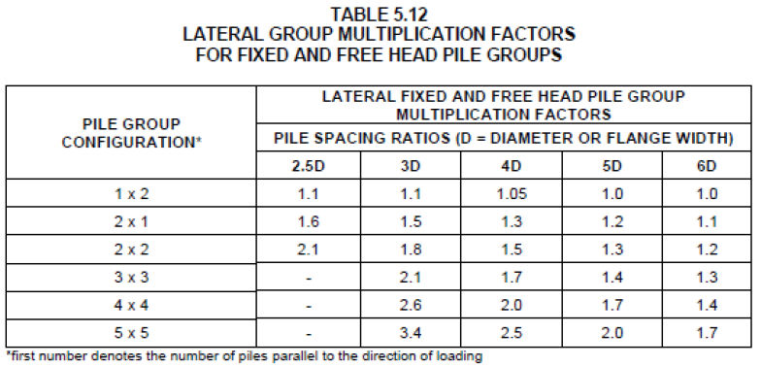

 |  | 8.2.1.5 Pile Vertical Settlement
 |  | As per JDB 2.04.1 Deep Foundation Philosophy, for an SLS compression load = 30% of the ultimate compression resistance, pile settlement = 4 mm.

 |  | For an SLS compression load = 50% of the ultimate compression resistance, pile settlement = 12 mm.

 |  |  |  |  |  |  |  |  | Cs | = | 70.4 |  |  | kN |  |  | : SLS sustained dead load
 |  |  |  |  |  |  |  |  | Cnom | = | 429.2 |  |  | kN |  |  | : ultimate pile compression resistance
 |  |  |  |  |  |  |  |  | Cs / Cnom | = | 0.16

 |  | Since Cs / Cnom < 30%, the upper bound pile settlement is prorated between 0 and 4 mm:

 |  |  |  |  |  |  |  |  | Pile Settlement | = | 2.2 |  |  | mm

 |  |  |  |  |  |  |  |  | Group Settlement Ratio | = | 1.48 |  |  |  |  | : 2x2 pile group at ~4.5D spacing

 |  |  |  |  |  |  |  |  | Group Settlement | = | 3.2 |  |  | mm |  | < 12 mm, OK.
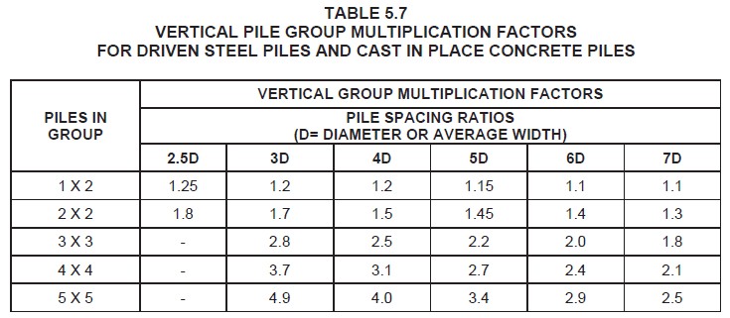

 |  | Differential Settlement:
 |  | The pile cap is considered sufficiently rigid that it is reasonable to assume the piles are approximately equally loaded. Therefore, differential settlement is not a concern by engineering judgement. OK. The compressive load will be re-distributed to adjacent piles at the onset of any differential settlement.

 | 8.2.2 Calculate Pile Structural Capacity
 | The pile compression is limited to less than 50% geotechnical utilization and the piles are subjected to minimal lateral force. Therefore, the structural capacity is acceptable by inspection and engineering judgement. OK.

 |  |  |  | Cf | = | 94.6 |  |  | kN |  |  | : maximum ULS pile compression
 |  |  |  | Tf | = | -3.9 |  |  | kN |  |  | : maximum ULS pile tension
 |  |  |  | Vf | = | 19.0 |  |  | kN |  |  | : maximum ULS pile shear

 |  | i. Pile to Pile Cap Weld Check:
 |  | As per P07-019-MEC-FDN-04-3000, the pile is welded to the pile cap with an 8 mm fillet weld, all around.
 |  | As per CISC Handbook of Steel Construction, Table 3-25, an 8 mm fillet weld has a shear resistance of 1.24 kN/mm.

 |  |  |  | Lweld | = | 688.0 |  |  | mm |  |  | : π * Dp
 |  |  |  | Vr,weld | = | 853.1 |  |  | kN |  |  | : Lweld * 1.24 kN/mm
 |  |  |  | (Vf2 + Tf2)0.5 | = | 19.4 |  |  | kN

 |  |  |  | Unity Ratio | = | 0.02 |  |  | < 1.0, OK

 |  | ii. D2L Bars Design for Pile Cap Type 1C
 |  | The piles are Pile Type 1C 07-019-MEC-FDN-04-3000, anchored to the concrete with D2L bars. However, the piles are considered as "free-head" for design.

 |  |  |  | N | = | 4 |  |  |  |  |  | : number of bars
 |  |  |  | B | = | 0.219 |  |  | m |  |  | : anchor bar diameter spacing

 |  | The D2L bars are validated as per the ICC-ES Evaluation Report ESR-2907.

 |  |  |  | dbar | = | 19 |  |  | mm |  | = | 0.75 |  |  | inches
 |  |  |  | f'c | = | 30 |  |  | MPa |  | = | 4352 |  |  | psi

 |  |  | a) Tension Development Length:
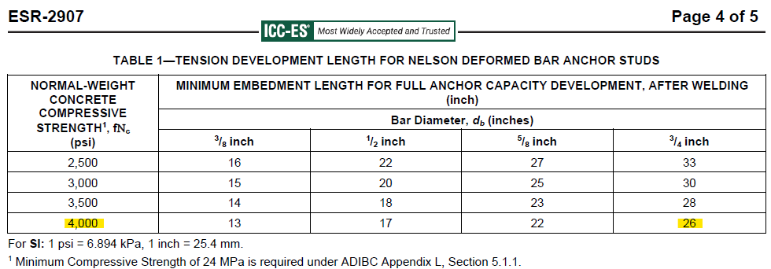

 |  |  |  |  | Ld,req | = | 26 |  |  | inches |  | = | 660 |  |  | mm

 |  |  |  |  | Ld,act | = | 650 |  |  | mm

 |  |  | The actual concrete strength > 4,000 psi. Therefore, provide Ld = 650 mm. Acceptable by extrapolation. OK.

 |  |  | b) Edge Distance and Spacing.
 |  |  | The edge distance and spacing is validated against the tension load requirements:

 |  |  |  |  | pileedge | = | 400 |  |  | mm |  |  | : pile edge distance, from center of pile
 |  |  |  |  | Dp | = | 219 |  |  | mm |  |  | : pile diameter
 |  |  |  |  | Tolerance | = | 75 |  |  | mm |  |  | : pile installation tolerance

 |  |  |  |  | eedge | = | 216 |  |  | mm |  |  | : D2L edge distance = pileedge - Dp / 2 - Tolerance
 |  |  |  |  | 10db | = | 191 |  |  | mm

 |  |  | eedge > 10 db. The edge spacing is acceptable. OK.

 |  |  |  |  | sbar | = | 172 |  |  | mm |  |  | : D2L bar spacing = πDp / N
 |  |  |  |  | 7.5db | = | 143 |  |  | mm

 |  |  | sbar > 7.5db. The anchor spacing is acceptable. OK.

 |  |  | c) Allowable Tension Capacity:
 |  |  | The D2L allowable tension capacity is validated based on the Steel Ultimate Strength:

 |  |  |  |  | Tr | = | 8200 |  |  | lbs |  | = | 36.5 |  |  | kN

 |  |  |  |  | Tf | = | 3.9 |  |  | kN |  |  | : minimum pile tensionforce

 |  |  | There is negligible tension acting on the piles. The D2L bars are acceptable, OK.

 |  |  | d) Allowable Shear Capacity

 |  |  |  |  | Vr | = | 6500 |  |  | lbs |  | = | 28.9 |  |  | kN

 |  |  | Although the required edge distance for shear (20db) is not met, the shear resistance of the bars is acceptable by inspection. OK.

 |  |  |  | 1. | The pile are embedded in the concrete. Shear is additionally resisted by bearing at the pile embedment.
 |  |  |  | 2. | D2L bar tension is negligible. There is full bar capacity available for shear resistance.
 |  |  |  | 3. | The shear per pile is low. Even if the bars are assumed to resist 100% of the applied shear force, the LRFD shear / bar is < 5 kN.

 |  | Summary:
 |  | The pile structural capacity is acceptable for the applied forces. OK.
 |  | The D2L anchors are acceptable for the "free-head" pile condition. OK.

 | 8.2.3 Pile Spacing and Edge Distance
 | As per Section 5.7.2 of the Geotechnical Report, minimum pile spacing = 3D:

 |  | Dp | = | 219 |  |  | mm |  |  | : pile diameter
 |  | s | = | 1000 |  |  | mm |  |  | : minimum pile spacing
 |  | s / Dp | = | 4.6 |  |  | > 3D |  |  | : pile spacing ratio

 | Pile spacing is acceptable.

 | As per JDB 2.C.03, typical minimum pile edge distance = 1.25 dia.

 |  |  | 1.25Dp | = | 274 |  |  | mm |  |  | : pile diameter
 |  |  | eedge | = | 400 |  |  | mm |  |  | : pile edge distance
 |  |  | eedge / Dp | = | 1.83 |  |  | > 1.25Dp, OK

8.3 Void Form Design
The pump foundations are located within a heated building. However, the foundation may be subjected to a freeze-thaw cycle throughout it’s lifetime during construction, turnaround activities, etc. To avoid potential frost heave issues, a void form is provided beneath the pile cap - calculated below.

 |  |  | Void Form | = | Nordic Void Form 200
 |  |  | tVF | = | 200 |  |  | mm |  |  |  | : thickness of void form
 |  |  | γ'c | = | 23.5 |  |  | kN/m3 |  |  |  | : assumed density of reinforced concrete; 2400 kg/m3
 |  |  | hc | = | 0.900 |  |  | m |  |  |  | : weight of concrete placement on void form; thickness of pile cap
 |  |  | Pc | = | 21.2 |  |  | kPa |  |  |  | : total load of fresh concrete considered for initial deformation of void form
 |  |  | LLi | = | 0 |  |  | kPa |  |  |  | : construction live load considered for initial deformation of void form
 |  |  | σi | = | 21.2 |  |  | kPa |  |  |  | : total load considered for initial deformation of void form
 |  |  |  | = | 3.1 |  |  | psi |  |  |  | : total load considered for initial deformation of void form
 |  |  | Δi | = | 3 |  |  | % |  |  |  | : initial deformation of void form due to initial load considered
 |  |  | ΔFH | = | 50 |  |  | mm |  |  |  | : additional deformation due to frost heave, from geotech report
 |  |  |  | = | 25 |  |  | % |  |  |  | : % deformation = ΔFH / tVF
 |  |  | Δtotal | = | 28 |  |  | % | < 30% |  |  | : total deformation of void form, to be < 30% per Norseman Design Manual

 |  |  | σtotal | = | 62.7 |  |  | kPa |  |  |  | : total stress applied to void form; ~9.1 psi.
 |  |  | σFH | = | 41.6 |  |  | kPa |  |  |  | : stress due to frost heave; σtotal - σi

 |  |  | Tfrost | = | 218.3 |  |  | kN |  |  |  | : uplift due to frost heave; σfh*[Lx*Ly - NpπDp2 / 4]

3%
28%
9.1 psi
3.1 psi

9. Pile Cap
 |  |  |  |  |  |  |  |  |  |  |  |  |  |  |  |  |  |  |  | Reminder to go into Page Setup and modify the Header/Footer
9. PILE CAP DESIGN |  |  |  |  |  |  |  |  |  |  |  |  |  |  |  |  |  |  |  | Reminder to check page breaks before printing to Adobe
The static pile cap foundation design is presented below.

9.1 Pile Cap Reinforcement Design
The pile cap is expected to follow minimum reinforcement as per CSA A23.3-19 requirements and ACI 351.3R-18 guidelines.

The resulting section bending capacity is checked against the maximum factored bending moment.
The resulting one-way shear capacity is checked against the maximum factored shear force.
The resulting punching shear resistance at the piles is checked against the maximum pile compression.

The pile cap acts similar to a beam. Therefore, the longitudinal reinforcement is designed below and the same reinforcement design is used for the transverse direction.

The Frac 2 existing pump foundations use 5 - 20M bars as per dwg P07019MEC-CV04330. The rebar size is increased to 25M to meet the recommended reinforcement ratios, due to the thicker foundation section.

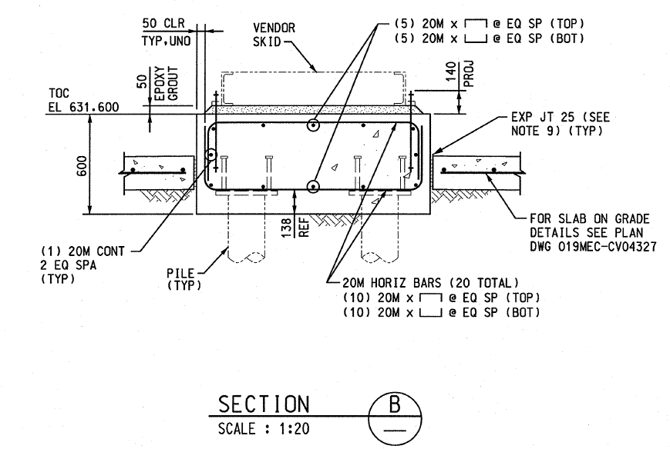

 |  | Pile Cap Geometry and Reinforcement Design:
 |  |  | b | = | 1800 |  |  | mm |  |  | : section width
 |  |  | h | = | 900 |  |  | mm |  |  | : section height

 |  |  | Rebar | = | 25M
 |  |  | dbar | = | 25.4 |  |  | mm |  |  | : diameter of 25M bar
 |  |  | Abar | = | 500 |  |  | mm2 |  |  | : nominal area of 25M bar
 |  |  | cc | = | 50 |  |  | mm |  |  | : bar clear cover
 |  |  | cbot | = | 150 |  |  | mm |  |  | : bar clear cover at bottom; 100 mm pile embedment + 50 mm cover
 |  |  | d | = | 712 |  |  | mm |  |  | : effective depth of reinforcement = h - ccbot - 1.5dbar

 |  | Frac 2 Spacing:
 |  |  |  |  | nbar,Frac2 | = | 5 |  |  |  |  |  | : number of bars in cross section, for top and bottom
 |  |  |  |  | sFrac2 | = | 306.0 |  |  | mm |  |  | : approximate rebar spacing for existing Frac 2 design
 |  |  |  |  |  |  |  |  |  |  |  |  | = (b - 2*cc - 2*dbar - dbar) / (nbar - 1); b = 1400 mm for Frac 2

 |  | The existing Frac 2 design has an approximate bar spacing = 300 mm.

 |  | For the current design, use a 250 mm bar spacing:

 |  |  | s | = | 250 |  |  | mm |  |  | : rebar spacing
 |  |  | nbar | = | 7.5 |  |  |  |  |  | : approximate number of bars
 |  |  |  | = | 7 |  |  |  |  |  | : number of bars used for design
 |  |  | As | = | 3500 |  |  | mm2 |  |  | : area of reinforcement per face, nbar * Abar
 |  |  | As,total | = | 7000 |  |  | mm2 |  |  | : total area of reinforcement; 2 * As

 |  | Material Properties:

 |  |  | Concrete:
 |  |  |  | φc | = | 0.65 |  |  |  |  |  | : concrete material resistance factor
 |  |  |  | f'c | = | 30 |  |  | MPa |  |  | : concrete compressive strength
 |  |  |  | α1 | = | 0.85 |  |  |  |  |  | : 0.85 - 0.0015f'c; A23.3-19 Cl. 10.1.7
 |  |  |  | β | = | 0.97 |  |  |  |  |  | : 0.97 - 0.0025f'c; A23.3-19 Cl. 10.1.7
 |  |  |  | λ | = | 1 |  |  |  |  |  | : modification factor; 1.0 for normal density concrete

 |  |  | Steel Rebar:
 |  |  |  | φs | = | 0.85 |  |  |  |  |  | : steel reinforcement material resistance factor
 |  |  |  | fy | = | 400 |  |  | MPa |  |  | : steel reinforcement yield strength

 | Check for "Deep Flexural Member"
 | CSA A23.3-19 Cl. 10.7.1 defines deep flexural members as members with an clear span to depth ratio less than 2.0.

 |  |  |  | spile | = | 2200 |  |  | mm |  |  | : pile spacing, longitudinal direction
 |  |  |  | dpile | = | 219 |  |  | mm |  |  | : pile diameter
 |  |  |  | sclear | = | 1981 |  |  | mm |  |  | : clear span = spile - dpile

 |  |  |  | sclear / h | = | 2.20 |  |  | > 2.0, OK

 | The pile cap is not considered a deep flexural member in the longitudinal direction. OK.

 | In addition, as will be shown in Section 9.1.2, the resulting factored moment is small and the section is not expected to crack under the applied loading. The minimum reinforcement requirements govern the foundation design.

 | 9.1.1 Minimum Reinforcement Requirements

 |  | As,total | = | 7000 |  |  | mm2 |  |  | : total area of reinforcement; 2 * As

 |  | i. Minimum Reinforcement for Shrinkage and Temperature; CSA A23.3-19 Cl. 7.8.1:

 |  |  | As,min | = | 0.002Ag
 |  |  |  | = | 3240 |  |  | mm2 |  | As,total > As,min; OK

 |  | ii. Minimum Reinforcement Recommendations per ACI 351.3R-18 Cl. 7.3.2:
 |  | ACI 351.3R-18 provides recommended reinforcement ratios for large equipment. These recommendations are conservatively used for the pump foundation.

 |  |  | As,min | = | 0.0038Ag
 |  |  |  | = | 6156 |  |  | mm2 |  | As,tot > As,min; OK

 |  | iii. Minimum Flexural Reinforcement; CSA A23.3-19 Cl. 10.5.1.1
 |  | The pile cap is considered a flexural member:

 |  |  | Mr | > | 1.2Mcr |  |  |  |  |  |  | : minimum moment resistance

 |  |  | Cracking Moment:
 |  |  |  | Mcr | = | frIg / yt |  |  |  |  |  |  | : cracking moment
 |  |  |  | fr | = | 0.6λ√f'c |  |  |  |  |  |  | : concrete modulus of rupture, Cl. 8.6.4
 |  |  |  |  | = | 3.29 |  |  | MPa
 |  |  |  | Ig | = | 1.09E+11 |  |  | mm4 |  |  |  | : Section gross moment of inertia, 1/12*b*h3
 |  |  |  | yt | = | 450 |  |  | mm |  |  |  | : distance to extreme tension fiber, h / 2

 |  |  |  | Mcr | = | 798.6 |  |  | kN.m
 |  |  |  | 1.2Mcr | = | 958.3 |  |  | kN.m

 |  |  | Moment Resistance:

 |  |  |  | Mr | = | 823.4 |  |  | kN.m |  | < 1.2 Mcr; Not OK |  |  |  |  |  | : factored moment capacity of section |  | 1.03

 |  | However, as per CSA A23.3-19 Cl. 10.5.1.3, the requirement may be waived if Mr > 1.33 Mf.
 |  | Refer below for calculation of Mf.

 | 9.1.2 Moment Resistance Check
 | Moment resistance of the pile cap is as calculated as:

 |  |  | Mr | = | 823.4 |  |  | kN.m |  |  |  | : factored moment capacity of section

 | The factored moment is calculated as the maximum moment due to pile compression or pile tension.

 |  | Pile tension is due to frost heave, per Section 6.5:

 |  |  |  | Tfrost,heave | = | 218.3 |  |  | kN |  |  | : frost heave acting on foundation cap
 |  |  |  | SWSI | = | 114.4 |  |  | kN |  |  | : super-imposed dead load; pile cap only
 |  |  |  | Tf | = | 28.8 |  |  | kN |  |  | : net tension due to frost heave = (Tfrost,heave - 0.9 SWSI) / Np

 |  | Pile compression is taken from Section 8.1

 |  |  |  | Cf | = | 94.6 |  |  | kN |  |  |  | : maximum pile compression

 | As can be seen, pile compression governs the design.

 | The factored moment is conservatively estimated as:

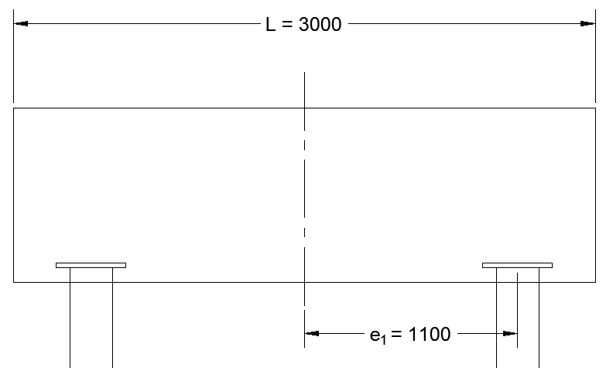

w

b = L / 2

C_{f}

 |  |  | Mf | = | 2Cf * e1 - w*b2/2

 |  |  | e1 | = | 1.1 |  |  | m |  |  |  | : moment arm to piles
 |  |  | L | = | 3.0 |  |  | m |  |  |  | : length of pile cap
 |  |  | b | = | 1.5 |  |  | m |  |  |  | : L / 2

 |  |  | w | = | 1.0DL / L |  |  |  |  |  |  | : distributed load applied to cap; use a load factor of 1.0, conservative.
 |  |  |  | = | 62.7 |  |  | kN/m

 |  |  | Mf | = | 137.5 |  |  | kN.m |  |  |  | : factored moment

 |  |  | Mf / Mr | = | 0.17 |  |  | < 1.0 OK. |  |  |  |  |  |  |  |  |  |  | 6.0

 | This is a conservative estimate for the factored moment as it uses the maximum pile compression force for all piles and a load factor = 1.0 for the counteracting dead load moment. OK.

 | The section moment resistance >> 1.33 Mf. Therefore, the minimum reinforcement requirements per A23.3-19 Cl. 10.5.1.1 as calculated above need not apply. OK.

 | In fact, the cracking moment resistance of the section is much larger than the factored moment.

 | Therefore, the section is not expected to crack under the applied loading, and additional crack control reinforcement is not required to be checked. OK.

 | 9.1.3 One-Way Shear Check
 | One-way shear is checked using Vf = 2Cf after the first set of piles. This ignores the reduction in shear due to the dead load; conservative.

 |  | Vf | = | 189.1 |  |  | kN |  |  |  | : maximum factored shear; 2Cf

 | One-way shear resistance is calculated as per CSA A23.3-19 Cl. 11.3.4:

 |  |  | Vc | = | φcλβ√f'cbwdv |  |  |  |  |  |  | : section shear capacity, Cl. 11.3.4

 |  |  | dv | = | 648.0 |  |  | mm |  |  |  | : effective shear depth, max(0.9d, 0.72h)
 |  |  | bw | = | 1800 |  |  | mm |  |  |  | : width of shear critical section, b
 |  |  | β | = | 0.140 |  |  |  |  |  |  | : Cl. 11.3.6.3b; 230 / (1000+dv), no shear reinforcement provided

 |  |  | Vc | = | 579.6 |  |  | kN

 |  |  | Vf / Vc | = | 0.33 |  |  | < 1.0. OK

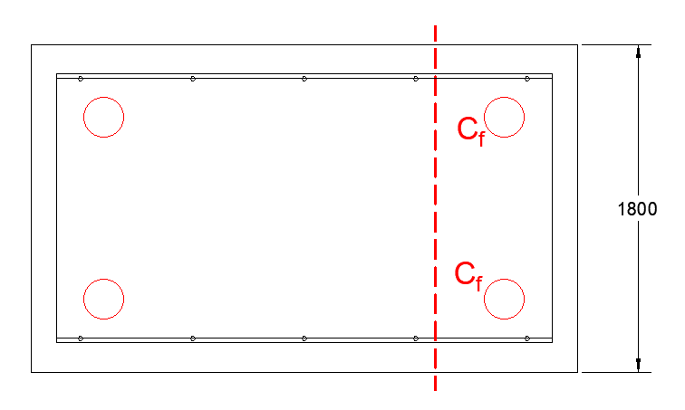

 | 9.1.4 Two-Way Shear Check
 | Two-way (punching) shear is checked at the piles for maximum compression.

 |  |  | Cf | = | 94.6 |  |  | kN |  |  |  |  | : maximum pile compression, from Section 8.2

 | Punching shear at the pile is checked as per CSA A23.3-19 Cl. 13.3.6 Alternate Analysis for Corner Columns.
 | The pile is considered as a corner column.
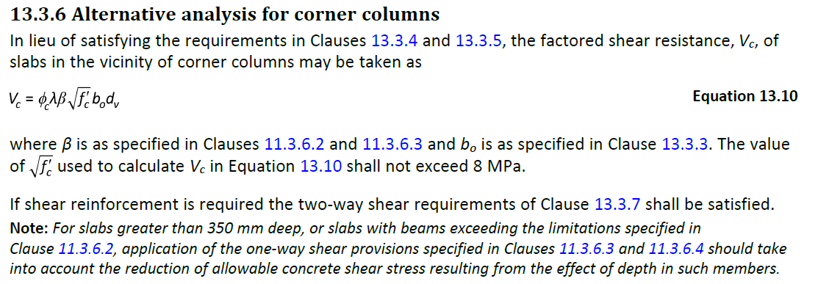

 |  | Shape of Load/Reaction Area:
 |  | As per CSA A23.3-19 Cl. 13.3.3.3.2, a circular load area may be treated as a square of equal area when determining critical section for two-way shear calculations.

 |  |  | dpile | = | 219.0 |  |  | mm |  |  |  | : diameter of pile
 |  |  | Apile | = | 37668 |  |  | mm2 |  |  |  | : area of pile
 |  |  | bpile | = | 194.1 |  |  | mm |  |  |  | : width of equivalent square area

 |  | Calculation of Two-Way Shear Capacity:

 |  |  | Vc | = | φcλβ√f'cbodv |  |  |  |  |  |  | : section shear capacity, Cl. 13.3.6

 |  |  | d | = | 711.9 |  |  | mm |  |  |  | : effective depth of reinforcement
 |  |  | d/2 | = | 356.0 |  |  | mm |  |  |  | : two-way shear perimeter offset
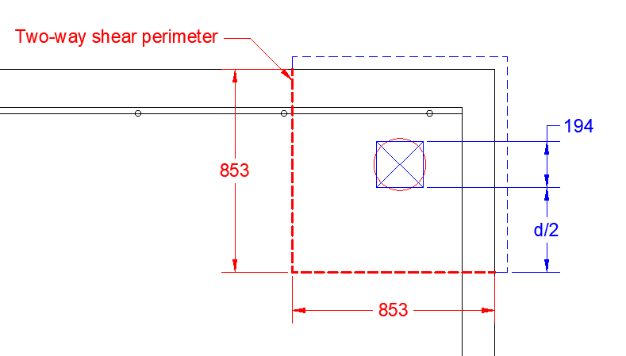

 |  |  | dv | = | 648.0 |  |  | mm |  |  |  | : effective shear depth, max(0.9d, 0.72h)
 |  |  | bo | = | 1706 |  |  | mm |  |  |  | : perimeter of shear critical section; 853 mm + 853 mm
 |  |  | β | = | 0.140 |  |  |  |  |  |  | : Cl. 11.3.6.3b; 230 / (1000+dv), no shear reinforcement provided

 |  |  | Vc | = | 549.3 |  |  | kN

 |  | As per the Note in Cl.13.6.3, for slabs greater than 350 mm deep, the calculated shear resistance shall take into account a reduction of allowable concrete stress due to the depth of such members:

 |  |  | RF | = | 1300 / (1000 + d) |  |  |  |  |  |  | : reduction in shear resistance due to member depth; Cl. 13.3.4.3
 |  |  |  | = | 0.76

 |  |  | V'c | = | 417.1 |  |  | kN |  |  |  | : reduced shear capacity; Vc * RF
 |  |  | Cf / V'c | = | 0.23 |  |  | < 1.0. OK.

 | As Cl. 13.3.6 is satisfied, the requirements of 13.3.4 and 13.3.5 need not apply. OK.

 | 9.1.5 Perimeter Skin Reinforcement
 | As per CSA A23.3-19 Cl. 10.6.2, perimeter skin reinforcement is provided for members with an overall depth exceeding 750 mm:

 |  |  | h | = | 900 |  |  | mm |  |  |  | > 750 mm, therefore skin reinforcement is required

 |  |  | d | = | 711.9 |  |  | mm |  |  |  | : effective depth of reinforcement
 |  |  | dbar | = | 16.0 |  |  | mm |  |  |  | : diameter of skin reinforcement bar, use 15M
 |  |  | Abar | = | 200 |  |  | mm |  |  |  | : area of skin reinforcement bar, use 15M
 |  |  | Ls | = | 73.80 |  |  | mm |  |  |  | : length of strip to place skin reinforcement; 0.5h - 2*(h-d)
 |  |  | ws | = | 116 |  |  | mm |  |  |  | : width of strip skin reinf. area; 2*(cc + dbar/2)
 |  |  | Acs | = | 8560.8 |  |  | mm |  |  |  | : area for placement of skin reinf.
 |  |  | ρsk | = | 0.01 |  |  |  |  |  |  | : reinforcement ratio for skin reinf. ; exterior exposure

 |  |  | Ask, req | = | 85.6 |  |  | mm2 |  |  |  | : required area of skin reinforcement; ρsk * Acs
 |  |  | Ask | = | 200.0 |  |  | mm2 |  |  |  | : Area of reinforcement provided, 1 - 15M bars

 |  |  | Ask > Ask,req; OK. Provide minimum of 1 - 15M perimeter bars for skin reinforcement.

 | As per Cl. 10.6.2, maximum skin reinforcement spacing = 200 mm.

9.2 Anchor Bolt Design
The anchor bolts are designed for the maximum tension and shear reaction forces.
Anchor bolt sizing and pretension requirements are provided by the Vendor.

 | 9.2.1 Calculation of Anchor Reaction Forces
 | The anchor reaction forces are calculated in the same manner as the pile reactions, with the eccentricity measured from the underside of pump skid elevation.

 | The anchor tension / compression loading = Pf / Na + Mf / s / Na,M
 | The anchor shear loading = Vf / Na

 |  |  | Pf | = | total factored vertical force
 |  |  | Vf | = | total factored lateral force
 |  |  | Mf | = | total factored moment, at underside of pump skid

 |  |  | Na | = | 10 |  |  |  |  | : number of anchors, from Vendor GA
 |  |  | Np,M | = | 5 |  |  |  |  | : number of anchors resisting moment couple force = Na / 2
 |  |  | s | = | 1.43 |  |  | m |  | : anchor spacing in transverse direction, from Vendor GA

 |  | Summary of Anchor Reactions:
 |  | Refer to Section 6.2 or basic load case calculations.

 |  |  |  |  | Foundation Forces |  |  |  |  |  |  |  |  | Anchor Forces
 |  |  |  |  | Pf [kN] |  |  | Vf [kN] |  |  | Mf [kN.m] |  |  | Pf [kN] |  | Vf [kN]

 |  | SW |  |  | 0.0 |  |  | 0 |  |  | 0 |  |  | 0 |  | 0 |  | : ignore infill grout
 |  | EO |  |  | 50.1 |  |  | 0 |  |  | 0 |  |  | 5.0 |  | 0
 |  | EE |  |  | 36.7 |  |  | 0 |  |  | 0 |  |  | 3.7 |  | 0
 |  | STOpe |  |  | 0 |  |  | 9.4 |  |  | 5.6 |  |  | 0.8 |  | 0.9
 |  | Fdyn |  |  | 5.1 |  |  | 4.8 |  |  | 0.0 |  |  | 5.1 |  | 4.8 |  | * Fdyn forces are already per anchor

 |  | ULS Anchor Reactions:

 |  |  |  |  | Anchor Forces
 |  |  |  |  | Pf [kN] |  |  | Vf [kN]

 |  | LC 1 |  |  | 7.0 |  |  | 0.0
 |  | LC 2 |  |  | 13.9 |  |  | 7.2
 |  | LC 3 |  |  | -4.4 |  |  | 7.2
 |  | LC 4 |  |  | 13.5 |  |  | 8.1
 |  | LC 5 |  |  | -4.8 |  |  | 8.1

 |  |  |  | Tf | = | -4.8 |  |  | kN |  |  |  | : maximum anchor tension
 |  |  |  | Vf | = | 8.1 |  |  | kN |  |  |  | : maximum anchor shear

 | 9.2.2 Anchor Bolt Geometry and Material

 |  | Anchor Bolt Geometry:
 |  | Anchor bolt diameter was provided by the Vendor.

 |  |  | da | = | 19.0 |  |  | mm |  |  |  | : anchor bolt diameter; 3/4"
 |  |  | deff | = | 15.9 |  |  | mm |  |  |  | : effective anchor diameter, assumed 1/8" corrosion allowance
 |  |  | dh | = | 30.8 |  |  | mm |  |  |  | : heavy hex nut; min 1.212" width across flats; treat as a circle
 |  |  | Ah | = | 744.3 |  |  | mm |  |  |  | : heavy hex nut nominal area; conservatively use π/4 * dh2
 |  |  | dw | = | 0 |  |  | mm |  |  |  | : dimension of square washer plate - no washer plate required
 |  |  | nt | = | 10 |  |  |  |  |  |  | : UNC threads per inch
 |  |  | Ag | = | 285.0 |  |  | mm2 |  |  |  | : bolt gross area; π/4*da2
 |  |  | Agr.eff | = | 197.9 |  |  | mm2 |  |  |  | : bolt gross area, including corrosion; π/4*deff2
 |  |  | Ase | = | 215.8 |  |  | mm2 |  |  |  | : bolt effective area; π/4(da - 0.9743/nt)2; ASME B1.1
 |  |  | Abrg | = | 459.3 |  |  | mm2 |  |  |  | : bolt head effective bearing area; Anut - Aanchor(non-corroded)

 |  | Anchor Length:
 |  |  | La | = | 450 |  |  | mm |  |  |  | : total anchor length
 |  |  | tG | = | 40 |  |  | mm |  |  |  | : grout thickness; per std dwg P07-019-MEC-CON-04-3000
 |  |  | P1 | = | 32 |  |  | mm |  |  |  | : nut height and thread length at bottom of anchor
 |  |  | N2 + 25 | = | 82 |  |  | mm |  |  |  | : nut height and thread length at top of anchor; double nuts = 57 mm + 25 mm
 |  |  | tskid | = | 31 |  |  | mm |  |  |  | : thickness of skid flange = 25 mm + 6 mm washer
 |  |  | P | = | 155 |  |  | mm |  |  |  | : projection = tg + hskid + N2+25; rounded up to nearest 5 mm
 |  |  | hef | = | 263.0 |  |  | mm |  |  |  | : effective anchor embedment depth = La - P - P1
 |  |  |  |  |  |  |  |  |  |  |  | : >12da = 230 mm. OK.

 |  | Edge Distances:
 |  |  | ca1 | = | 185.5 |  |  | mm |  |  |  | : anchor edge distance, transverse direction
 |  |  | ca2 | = | 274.0 |  |  | mm |  |  |  | : anchor edge distance, longitudinal direction
 |  |  | s | = | 613.0 |  |  | mm |  |  |  | : anchor spacing

 |  | Material Properties:

 |  |  | Concrete:
 |  |  | φc | = | 0.65 |  |  |  |  |  |  | : concrete material resistance factor
 |  |  | f'c | = | 30 |  |  | MPa |  |  |  | : concrete compressive strength
 |  |  | λa | = | 1 |  |  |  |  |  |  | : modification factor; 1.0 for normal density concrete

 |  |  | Anchor:
 |  |  | Designation | = | F1554 Gr. 36
 |  |  | fy | = | 248 |  |  | MPa |  |  |  | : anchor yield stress; 36 ksi
 |  |  | futa | = | 400 |  |  | MPa |  |  |  | : anchor ultimate strength; 58 ksi
 |  |  | φs | = | 0.85 |  |  |  |  |  |  | : anchor material resistance factor

 |  |  | Steel Reinforcement:
 |  |  | φs | = | 0.85 |  |  |  |  |  |  | : steel reinforcement material resistance factor
 |  |  | fy | = | 400 |  |  | MPa |  |  |  | : steel material yield strength

 | 9.2.3 Anchor Tension Resistance
 | As per Section 9.2, there is only nominal anchor tension:

 |  | Tf,a | = | 4.8 |  |  | kN |  |  | : design anchor tension force

 |  | Pretension Requirements:
 |  | The anchor bolts are to be installed as per API RP 686. Therefore, the anchor pretension force is taken from Annex B:

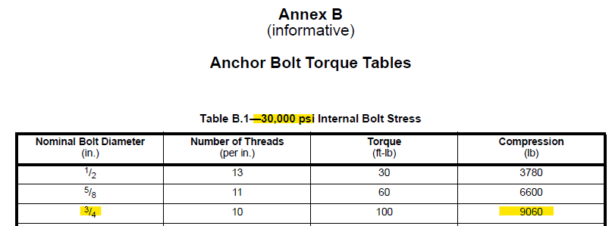

 |  |  |  | Tpt | = | 40.2 |  |  | kN |  |  | : design anchor pretension force, 9060 lbs.

 |  |  | Validation of anchor pretension force:
 |  |  | As per ASCE "Design of Anchor Bolts in Petrochemical Facilities" a minimum pretension load = 1/3*Fu is used:

 |  |  |  |  | Designation | = | F1554 Gr. 36
 |  |  |  |  | fu | = | 400.0 |  |  | MPa |  |  | : anchor ultimate strength; 58 ksi
 |  |  |  |  | 1/3*fu | = | 133.3 |  |  | MPa
 |  |  |  |  |  | = | 19338 |  |  | psi |  | < 30,000 psi per API 686.

 |  |  | Therefore, the API 686 pretension force governs the design.

 | NOTE: Since the pretension force is larger than the applied anchor tension, no net positive tension is expected due to external loading. However, anchors will be conservatively designed based on the pretension force. OK.

 |  |  |  |  |  |  | Tf = max(Tf,a, Tpt) | = | 40.2 |  |  | kN

 |  | 9.2.3.1 D.6.1 - Steel Resistance of Anchor in Tension:

 |  |  |  | R | = | 0.8 |  |  |  |  |  |  | : resistance factor for ductile steel element
 |  |  |  | Nsar | = | Ase,NφsfutaR |  |  |  |  |  |  | : steel resistance of single anchor in tension; D.6.1.2
 |  |  |  |  | = | 58.7 |  |  | kN

 |  |  |  | Tf / Nsar | = | 0.69 |  |  | < 1.0. OK

 |  | 9.2.3.2 D.6.2 - Concrete Breakout Resistance of Anchor in Tension:
 |  | As per ASCE Anchorage Design for Petrochemical and Other Industrial Facilities, 2nd Edition, Section 3.8.5, in the case of a stiff baseplate covering the concrete failure pyramid, the concrete breakout strength need only be designed for the external uplift force:

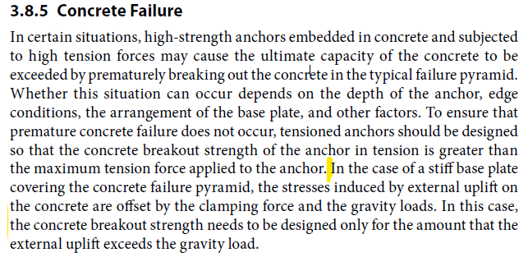

 |  | Conservatively, the anchor breakout is checked for tension breakout as the baseplate stiffness is unknown.

 |  |  |  | Ncbr | = | ANc / ANco*ψec,Nψed,Nψc,Nψcp,NNbr |  |  |  |  |  |  |  |  | : breakout resistance of single anchor in tension; D.6.2.2

 |  | As per Figure D.8, the anchor edge distance is < 1.5 hef. Therefore, hef is modified:
 |  | The anchors are analyzed as single anchors; therefore, 1/2 the anchor spacing is treated as an "edge".

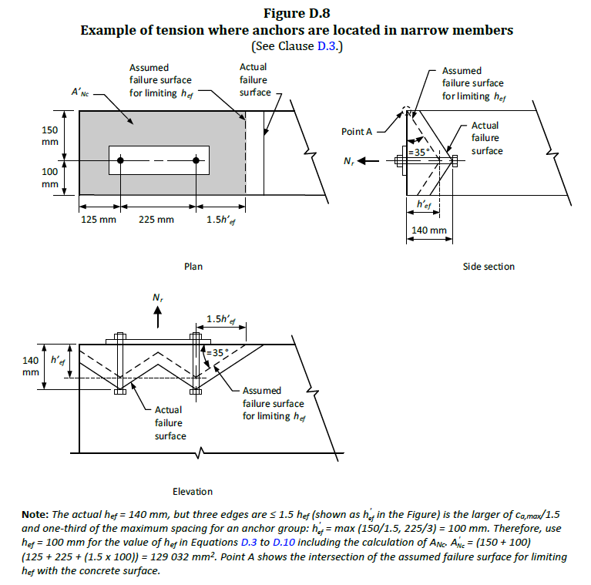

 |  |  |  | h'ef | = | max(ca,max / 1.5, s / 3)
 |  |  |  |  | = | 204 |  |  | mm

 |  |  |  | ANc | = | 285852 |  |  | mm2 |  |  |  | : projected area of the failure surface; 581*492; see sketch
 |  |  |  | ANco | = | 375769 |  |  | mm2 |  |  |  | : idealized projected area of failure surface; 9hef2
 |  |  |  | k | = | 10 |  |  |  |  |  |  | : calibration factor, cast-in headed bolts
 |  |  |  | R | = | 1.0 |  |  |  |  |  |  | : resistance factor for concrete failure, assume Condition B
 |  |  |  | Nbr | = | kφcλa√f'ch'ef1.5R |  |  |  |  |  |  | : breakout resistance of single anchor in tension
 |  |  |  |  | = | 104.0 |  |  | kN

 |  |  |  | ψec,N | = | 1.00 |  |  |  |  |  |  | : modification factor for eccentric loading. No eccentricity, use 1.0.
 |  |  |  | ψed,N | = | 0.84 |  |  |  |  |  |  | : modification factor for edge effects, 0.7 + 0.3 c1 / 1.5hef
 |  |  |  | ψc,N | = | 1.00 |  |  |  |  |  |  | : modification factor for cracking, assume cracking
 |  |  |  | ψcp,N | = | 1.00 |  |  |  |  |  |  | : modification factor for post-installed. N/A, cast-in headed bolts

 |  |  |  | Ncbr | = | 66.5 |  |  | kN

 |  |  |  | Tf / Nsar | = | 0.60 |  |  | < 1.0. OK

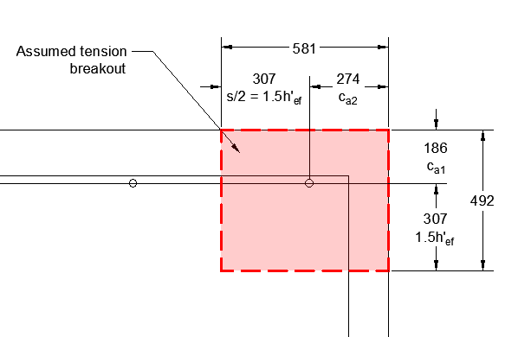

 |  | 9.2.3.3 D.6.3 - Pullout Resistance of Cast-in Anchor in Tension:

 |  |  |  | Ncpr | = | ψc,PNpr |  |  |  |  |  |  | : pullout resistance of anchor in tension; D.6.3.1
 |  |  |  | ψc,P | = | 1.0 |  |  |  |  |  |  | : assumed cracked concrete; D.6.3.6
 |  |  |  | R | = | 1.0 |  |  |  |  |  |  | : resistance factor for concrete failure, assume Condition B
 |  |  |  | Npr | = | 8Abrgφcf'cR |  |  |  |  |  |  | : pullout resistance of single headed bolt; D.6.3.4
 |  |  |  |  | = | 71.7 |  |  | kN
 |  |  |  | Ncpr | = | 71.7 |  |  | kN

 |  |  |  | Tf / Ncpr | = | 0.56 |  |  | < 1.0. OK

 |  | 9.2.3.4 D.6.4 - Concrete Side-face Blowout Resistance of Anchor in Tension:
 |  | Concrete side-face blowout is checked under the bolt pretension force.

 |  |  |  | R | = | 1.0 |  |  |  |  |  |  | : resistance factor for concrete failure, assume Condition B
 |  |  |  | ca1 | = | 185.5 |  |  | mm |  |  |  | : minimum edge distance for anchor in tension
 |  |  |  | ca2 | = | 274.0 |  |  | mm |  |  |  | : other edge distance for anchor in tension
 |  |  |  | Reduction Factor | = | 0.62 |  |  |  |  |  |  | : (1 + ca2/ca1) / 4; D.6.4.1
 |  |  |  | Nsbr | = | 13.3ca1√Abrgφcλa√f'cR
 |  |  |  |  |  | 116.6 |  |  | kN

 |  |  |  | Tf / Nsbr | = | 0.34 |  |  | < 1.0. OK

 |  | Side-face blowout is acceptable for the applied anchor pretension force. OK.

 |  | Side-face Blowout for Anchor Group:
 |  | As per D.6.4.2, side-face blowout for the anchor group shall not exceed:

 |  |  |  | Nsbrg | = | (1 + s / 6ca1)*Nsbrg
 |  |  |  | s | = | 2.452 |  |  | mm |  |  |  | : spacing of outer most anchors

 |  |  |  | Nsbrg | = | 373.4 |  |  | kN |  |  |  | : total group side-face blowout resistance

 |  |  | The capacity is checked against the total group pretension force = 5 anchors * Tpt

 |  |  |  | 5Tpt / Nsbrg | = | 0.54 |  |  | < 1.0. OK

 | 9.2.4 Anchor Shear Resistance
 | The anchors are pretensioned. Therefore, it is expected that the shear will be transferred to the foundation through friction.

 | However, the anchors are still conservatively checked for the maximum shear force per anchor.

 |  | Vf | = | 8.1 |  |  | kN |  |  | : design anchor shear force

 | The anchors are designed for steel and breakout strength per CSA A23.3-19 Section D.7.

 |  | 9.2.4.1 D.7.1 - Steel Resistance of Anchor in Shear:

 |  |  | R | = | 0.75 |  |  |  |  |  |  | : resistance factor for ductile steel element
 |  |  | RF | = | 0.80 |  |  |  |  |  |  | : reduction factor for "Built Up Grout Pads" D.7.1.3
 |  |  | Vsr | = | Aseφs0.6futaR*RF
 |  |  |  | = | 26.4 |  |  | kN

 |  |  | Vf / Vsr | = | 0.31 |  |  | < 1.0. OK

 |  | 9.2.4.2 D.7.2 - Concrete Breakout Resistance of Anchor in Shear

 |  |  | R | = | 1.0 |  |  |  |  |  |  | : resistance factor for concrete failure, assume Condition B
 |  |  | ca1 | = | 185.5 |  |  | mm |  |  |  | : minimum edge distance perpendicular to shear force
 |  |  | Avc | = | 154846 |  |  | mm2 |  |  |  | : actual breakout cone area, 4.5ca12
 |  |  | Avco | = | 154846 |  |  | mm2 |  |  |  | : idealized breakout cone area, 4.5ca12

 |  |  | le | = | 152.4 |  |  | mm |  |  |  | : bearing length of anchor, taken equal to < 8da, per D.7.2.2

 |  |  | As per Cl. D.7.2.2, the breakout resistance of a single anchor shall be the smaller of:

 |  |  |  | Vbr | = | 0.58(le/da)0.2√daφcλa√fc'c11.5R
 |  |  |  |  | = | 34.5 |  |  | kN
 |  |  |  | Vbr | = | 3.75λaφc√fc'c11.5R
 |  |  |  |  | = | 33.7 |  |  | kN

 |  |  |  | Vbr | = | 33.7 |  |  | kN

 |  |  | ψec,v | = | 1.00 |  |  |  |  |  |  | : modification factor for eccentric loading. No eccentricity, use 1.0.
 |  |  | ψed,v | = | 1.00 |  |  |  |  |  |  | : modification factor for edge effects. 0.7 + 0.3*(ca2/1.5ca1)
 |  |  | ψc,V | = | 1.00 |  |  |  |  |  |  | : modification factor for supplemental reinforcement; take = 1.0, no reinf.
 |  |  | ψh,V | = | 1.00 |  |  |  |  |  |  | : modification factor member depth. ha > 1.5ca1; take = 1.0

 |  |  | Vcbr | = | AVc / AVco*ψec,Vψed,Vψc,Vψh,VVbr
 |  |  | Vcbr | = | 33.6 |  |  | kN

 |  |  | Vf / Vcbr | = | 0.24 |  |  | < 1.0, OK. No supplemental shear reinforcement required

 |  | 9.2.4.2 D.7.3 - Concrete Pryout Resistance of an Anchor in Shear:

 |  |  | kcp | = | 2 |  |  |  |  |  |  |  |  | : 2 for hef > 65mm
 |  |  | Vcpr | = | kcp * Ncbr
 |  |  |  | = | 133.1 |  |  | kN

 |  |  | Vf / Vcpr | = | 0.06 |  |  | < 1.0, OK.

 | From above, no shear reinforcement is required.

 | 9.2.5 Anchor Tension / Shear Interaction

 |  |  |  |  |  |  | (Tf / Tr)max | = | 0.69
 |  |  |  |  |  |  | (Vf / Vr)max | = | 0.31
 |  |  |  |  |  |  | (Tf / Tr)max + (Vf / Vr)max | = | 0.99 |  |  | < 1.2. OK

 | The tension and shear interaction is acceptable. OK.

 | 9.2.6 Edge Distance and Spacing Limitations
 | The minimum edge distance was checked in section 6.2.6. Anchor spacing is checked as per CSA A23.3-19 Section D.9.

 |  | i. Minimum anchor spacing:
 |  | Minimum anchor spacing for torqued cast-in anchors = 6da.

 |  |  |  | smin | = | 114.3 |  |  | mm |  |  | : minimum anchor spacing, 6da, Cl. D.9.2 for torqued anchors
 |  |  |  | sact | = | 613.0 |  |  | mm |  |  | : anchor spacing per Vendor GA 4205A-B01

 |  | sact > smin. OK.

10. Local FDN
 |  |  |  |  |  |  |  |  |  |  |  |  |  |  |  |  |  |  |  |  | Reminder to go into Page Setup and modify the Header/Footer | -
10. ADDITIONAL PIPE SUPPORT FOUNDATION |  |  |  |  |  |  |  |  |  |  |  |  |  |  |  |  |  |  |  |  | Reminder to check page breaks before printing to Adobe | Y
As per Stress requirements, the first base support of the suction and discharge lines are to be supported on a common foundation with the pump . |  |  |  |  |  |  |  |  |  |  |  |  |  |  |  |  |  |  |  |  | This section should go through each of the BLC's and how/where they are applied | N

Therefore, a local foundation extension is provided for the pipe supports.

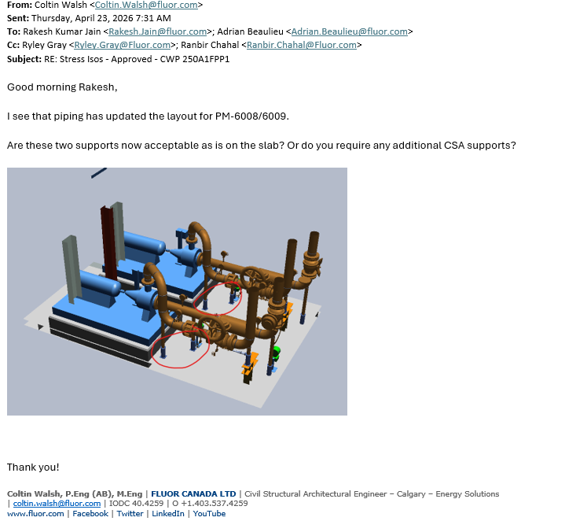

10.1 Load Development
A local extension of the concrete is provided for the pipe supports.
The support location is localized to avoid clashing with the access envelopes around the pump piping:

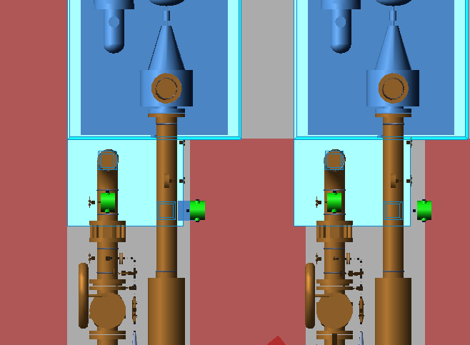

As to not impact the previously calculated pile design, an additional pile is added at the center of the local foundation.
Therefore, no update is needed to sections 6, 7, 8 and 9 of this calculation. Supplemental checks for the local foundation are performed below.

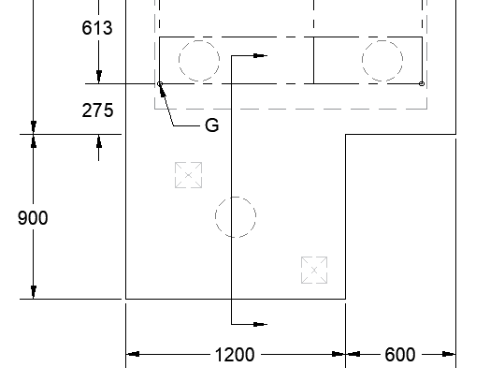

Further, to not impact the previously calculated reinforcement design, the local foundation is designedto have the same reinforcement spacing:

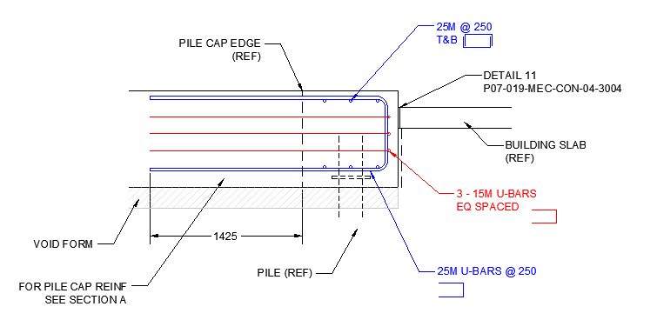

 | 10.1.1 BLC 1: Structural Self Weight (SW)

 |  | i. Foundation extension:

 |  |  |  |  |  | L [m] |  |  | W [m] |  |  |  | H [m] |  |  | Vol [m3]
 |  | Pile Cap |  |  |  | 0.90 |  |  | 1.20 |  |  |  | 0.90 |  |  | 0.97
 |  |  |  |  |  |  |  |  |  |  |  |  |  |  | TOTAL Volume = | 0.97 |  |  | m3

 |  |  |  |  |  |  |  |  | Density of Reinforced Concrete | = | 23.5 |  |  | kN/m3 |  |  | : 2400 kg/m3
 |  |  |  |  |  |  |  |  | SWfdn | = | 22.9 |  |  | kN

 | 10.1.2 BLC 2: Pipe Operating (PO)
 | Stress information is not available for these lines.

 | Therefore, the pipe operating load is estimated using Fluor Guideline 000.215.1250 for a DN200 pipe

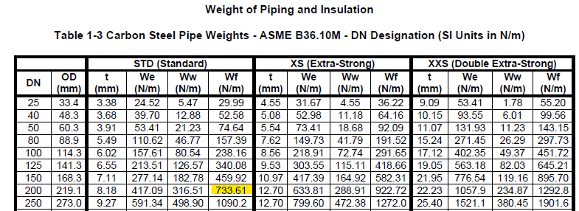

 |  |  |  |  | PO | = | 0.73 |  | kN/m

 |  | Discharge Pipe 219.1-03K-NGL-7016 also has a ball valve, with estimated weight = 325 kg:

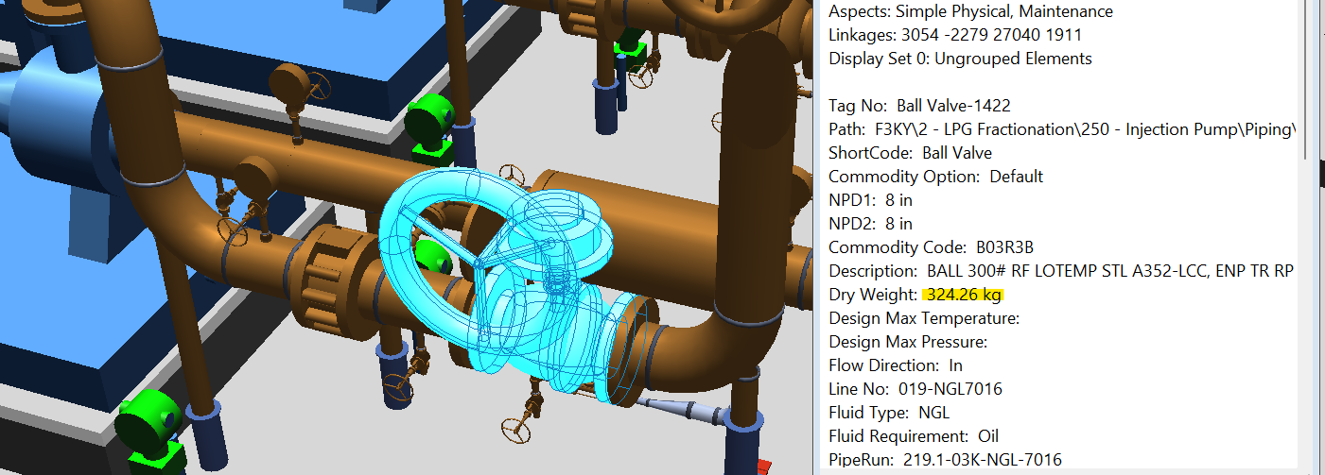

 |  | A higher PO* is used for design, to ensure a conservative design.
 |  | The PO* is selected to match the injection pump PM-6132-6135 suction and discharge lines - Refer to calculation F3KY-215-CAL-006 and attached Stress Isometrics: ML-NGL-7062-02 and ML-NGL-7976-01.

 |  | Pipe No. |  |  |  |  |  | Trib. L [m] |  |  |  | PO [kN] |  |  | Valve [kN] |  |  | PO* [kN]
 |  | 219.1-03K-NGL-7016 |  |  |  |  |  | 3.00 |  |  |  | 2.2 |  |  | 3.2 |  |  | 20.0
 |  | 219.1-03K-NGL-7940 |  |  |  |  |  | 2.00 |  |  |  | 1.5 |  |  | - |  |  | 13.0

 |  |  |  | PO | = | 33.0 |  | kN |  |  |  | : resulting compression force

 | 10.1.3 Piping Lateral Loads
 | There are no Stress isometrics available. The supports are currently modeled as base supports only (ie. no guides or anchors).

 | However, as per the design below, there is sufficient redundant capacity in the pile and foundation design for miscellaneous pipe friction, guide, or anchor loads. Any applied lateral loads will be resisted by the pile group.

 | As a result, no lateral loads are applied; but relatively minor lateral loading is acceptable by inspection. OK.

 | 10.1.4 Seismic Loading
 | No modifications to the seismic loading is made.

 | As per below, the tributary axial load on the new pile is lower than the average load on the previously designed piles.

 | Therefore, it is concluded that the additional seismic base shear on the pile cap is smaller than the increase in seismic resistance of the pile group. The pile group resistance is acceptable by inspection. OK.

10.2 Load Combinations
Refer to Section 8.1 for applicable load combinations.

The governing load combination = 1.4DL.

 |  | DL | = | SWfdn + PO
 |  |  | = | 55.9 |  |  | kN

 |  | 1.4DL | = | 78.2 |  |  | kN

 | As per Section 8.0, the previously designed pile compression, Cf = |  |  |  |  |  |  |  |  |  |  |  |  |  |  |  | 94.6 |  | kN | , for comparison.

 | As can be seen, the applied tributary axial load on the local pile is lower than the previous pile design.

10.3 Pile Design
The pump piles were designed in Section 8.0. Refer to Section 8.0 for detailed calculations. The same pile design is used for the additional pile.

 |  | Dp | = | 0.219 |  |  | m | : pile diameter
 |  | Lp | = | 12 |  |  | m | : pile embedded length

 | i. Pile Compression:
 |  | Cr | = | 215 |  |  | kN | : pile compression resistance
 |  | 1.4DL / Cr | = | 0.36 |  |  | < 0.50 OK.

 | ii. Pile Tension:
 | The pile is not subjected to net tension by inspection. OK.

 | iii. Pile Lateral Resistance:
 | The pile is not subjected to significant lateral forces. Given the pile cap is monolithic, the total foundation lateral load is resisted by 5 piles and is acceptable by inspection. OK.

 | iv. Pile Vertical Settlement:
 | Given the low compression unity ratio and mat foundation design, pile settlement is acceptable by inspection. OK.

 | iv. Pile Structural Capacity:
 | The pile compression is limited to less than 50% geotechnical utilization and the piles are subjected to minimal lateral force.

 | Therefore, the structural capacity is acceptable by inspection and engineering judgement. OK.

 | vi. Pile Schedule Loading:
 | Use the same pile schedule loading as per Section 8.0

 |  | Cf | = | 215 |  |  | kN |  | : pile schedule ultimate compression
 |  | Tf | = | 10 |  |  | kN |  | : pile transient tension
 |  | Tfrost | = | 185 |  |  | kN |  | : pile schedule tension due to frost; use same as existing pile design given the smaller pile tributary area. OK.

10.4 Foundation Design
The local foundation extension uses the same reinforcement design.
The foundation is checked for the local moment and shear at the interface:

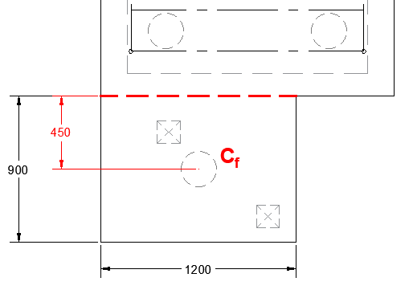

 |  | Vf | = | 1.4DL |  |  |  |  |  | : factored one-way shear at the critical section.
 |  |  | = | 78 |  |  | kN

 |  | Mf | = | 1.4DL * e |  |  |  |  |  | : factored moment at critical section
 |  | e | = | 450 |  |  | mm |  |  | : eccentricity of applied force; pile reaction
 |  | Mf | = | 35 |  |  | kN.m

The applied shear and moment is small and acceptable by inspection.

Use 25M bars @ 250 mm. OK.

Refer to Section 9.1 for detailed calculations of the moment capacity, cracking moment, and shear resistance of the pile cap section.

Although the pile cap section is 1800 mm wide, while the local extension is only 1200 mm wide; the moment and shear capacity is acceptable by comparison. OK.

For simplicity, the capacities are simply reduced by the ratio 1200 mm / 1800 mm:

 |  | Mr,1800 | = | 823 |  |  | kN.m |  |  | : moment resistance of 1800 mm wide section.
 |  | Mr,1200 | = | 549 |  |  | kN.m |  |  | : approximate moment resistance of 1200 mm wide section

 |  | Mcr,1800 | = | 799 |  |  | kN.m |  |  | : cracking moment capacity of 1800 mm wide section.
 |  | Mcr,1200 | = | 532 |  |  | kN.m |  |  | : cracking moment capacity of 1200 mm wide section

 |  | Vr,1800 | = | 580 |  |  | kN |  |  | : one-way resistance of 1800 mm wide section.
 |  | Vr,1200 | = | 386 |  |  | kN.m |  |  | : one-way resistance of 1200 mm wide section.

 |  | Vr,punching | = | 417 |  |  | kN |  |  | : two-way punching shear resistance at the pile. No change is required as the original check is based on a corner pile. OK.

The section capacities are acceptable. OK.

