Dashboard
Exercise
We want to create a similar dashboard that has the following specifications. Follow similar steps as the example in the video.
a) Structure:
- Line chart.
- Months are displayed on the X-axis.
- The user has to option to filter based on Weekday.
- Two series are shown: Min and Max Closing Price.
b) Formatting:
- Format the slicer, background of the chart and cells like a dashboard.
- TItle the chart "Closing Price Summary".
- Data labels: Add data labels to every point, color and position them well
- Remove the legend. Instead to indicate what each line represents, lets edit only the first data label of each series. Find the best option to choose and make any edits to our setup to have more concise labels.
c) Here are some things to consider about the plot we have up to now:
- Do we need the gridlines and vertical axis labels or not? Do data labels for EVERY point become too much? Is there overcrowding of numbers?
Dynamic Dashboards via Pivot Tables and Pivot Charts
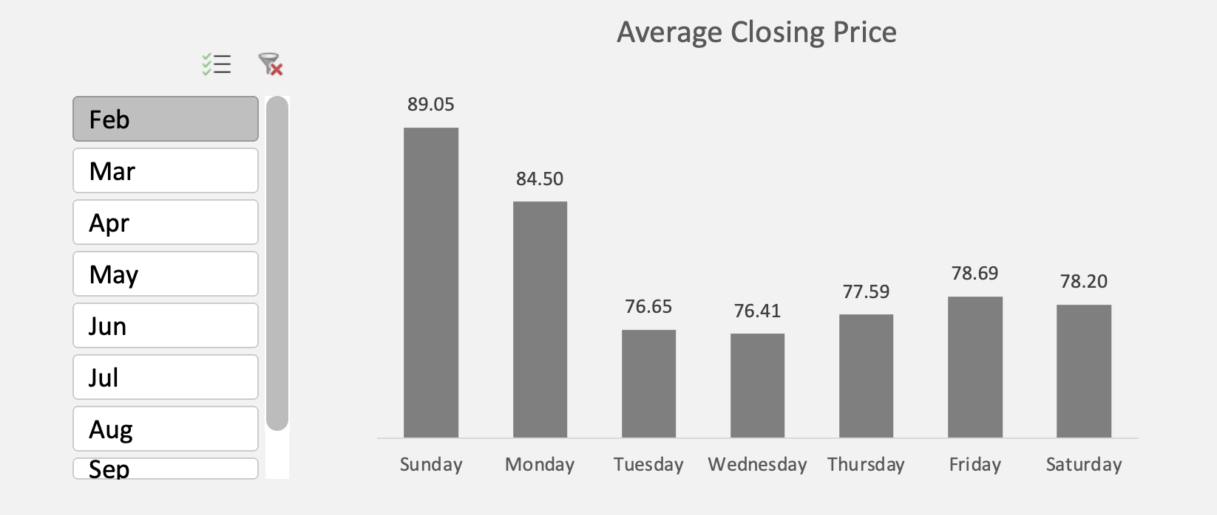
Insert Pivot Table below:

Date | Closing Price | Weekday
2016-02-08 | 82.3 | Monday
2016-02-09 | 74.44 | Tuesday
2016-02-10 | 75.19 | Wednesday
2016-02-11 | 76.51 | Thursday
2016-02-12 | 76.23 | Friday
2016-02-13 | 75.74 | Saturday
2016-02-14 | 93.97 | Sunday
2016-02-15 | 83.59 | Monday
2016-02-16 | 76.67 | Tuesday
Insert Pivot Chart below:
2016-02-17 | 75.6 | Wednesday
2016-02-18 | 76.71 | Thursday
2016-02-19 | 79.42 | Friday
2016-02-20 | 79.895 | Saturday
2016-02-21 | 83.53 | Sunday
2016-02-22 | 79.91 | Monday
2016-02-23 | 78.84 | Tuesday
2016-02-24 | 78.45 | Wednesday
2016-02-25 | 79.56 | Thursday
2016-02-26 | 80.41 | Friday
2016-02-27 | 78.97 | Saturday
2016-02-28 | 89.66 | Sunday
2016-02-29 | 92.2 | Monday
2016-03-01 | 95.11 | Tuesday
2016-03-02 | 79.75 | Wednesday
2016-03-03 | 79.6 | Thursday
2016-03-04 | 80.895 | Friday
2016-03-05 | 81.21 | Saturday
2016-03-06 | 80.005 | Sunday
2016-03-07 | 93.65 | Monday
2016-03-08 | 90.98 | Tuesday
2016-03-09 | 79.44 | Wednesday
2016-03-10 | 77.55 | Thursday
2016-03-11 | 77.57 | Friday
2016-03-12 | 78.93 | Saturday
2016-03-13 | 78.05 | Sunday
2016-03-14 | 78.69 | Monday
2016-03-15 | 89.8 | Tuesday
2016-03-16 | 78.07 | Wednesday
2016-03-17 | 79.365 | Thursday
2016-03-18 | 80.91 | Friday
2016-03-19 | 82.75 | Saturday
2016-03-20 | 83.8 | Sunday
2016-03-21 | 78.35 | Monday
2016-03-22 | 76.53 | Tuesday
2016-03-23 | 84.43 | Wednesday
2016-03-24 | 85.31 | Thursday
2016-03-25 | 82.92 | Friday
2016-03-26 | 83.01 | Saturday
2016-03-27 | 83.3 | Sunday
2016-03-28 | 95.9 | Monday
2016-03-29 | 87.06 | Tuesday
2016-03-30 | 83.195 | Wednesday
2016-03-31 | 82.215 | Thursday
2016-04-01 | 81.665 | Friday
2016-04-02 | 81.555 | Saturday
2016-04-03 | 85.29 | Sunday
2016-04-04 | 83.97 | Monday
2016-04-05 | 75.96 | Tuesday
2016-04-06 | 82.44 | Wednesday
2016-04-07 | 82.32 | Thursday
2016-04-08 | 82.275 | Friday
2016-04-09 | 82.17 | Saturday
2016-04-10 | 82.04 | Sunday
2016-04-11 | 74.72 | Monday
2016-04-12 | 88.89 | Tuesday
2016-04-13 | 83.01 | Wednesday
2016-04-14 | 83.515 | Thursday
2016-04-15 | 82.705 | Friday
2016-04-16 | 82.31 | Saturday
2016-04-17 | 80.775 | Sunday
2016-04-18 | 74.31 | Monday
2016-04-19 | 95.89 | Tuesday
2016-04-20 | 83.09 | Wednesday
2016-04-21 | 83.62 | Thursday
2016-04-22 | 84.63 | Friday
2016-04-23 | 82.41 | Saturday
2016-04-24 | 81.53 | Sunday
2016-04-25 | 76.45 | Monday
2016-04-26 | 75.78 | Tuesday
2016-04-27 | 81.91 | Wednesday
2016-04-28 | 80.68 | Thursday
2016-04-29 | 80.465 | Friday
2016-04-30 | 78.77 | Saturday
2016-05-01 | 78.99 | Sunday
2016-05-02 | 89.44 | Monday
2016-05-03 | 94.43 | Tuesday
2016-05-04 | 78.81 | Wednesday
2016-05-05 | 77.56 | Thursday
2016-05-06 | 78.1 | Friday
2016-05-07 | 78.425 | Saturday
2016-05-08 | 78.51 | Sunday
2016-05-09 | 80.31 | Monday
2016-05-10 | 90.41 | Tuesday
2016-05-11 | 78.01 | Wednesday
2016-05-12 | 77.46 | Thursday
2016-05-13 | 78.44 | Friday
2016-05-14 | 81.37 | Saturday
2016-05-15 | 80.42 | Sunday
2016-05-16 | 91.23 | Monday
2016-05-17 | 79.87 | Tuesday
2016-05-18 | 80.88 | Wednesday
2016-05-19 | 80.63 | Thursday
2016-05-20 | 80.55 | Friday
2016-05-21 | 80.48 | Saturday
2016-05-22 | 80.54 | Sunday
2016-05-23 | 86.84 | Monday
2016-05-24 | 91.47 | Tuesday
2016-05-25 | 74.67 | Wednesday
2016-05-26 | 79.335 | Thursday
2016-05-27 | 80.55 | Friday
2016-05-28 | 80.145 | Saturday
2016-05-29 | 79.19 | Sunday
2016-05-30 | 74.31 | Monday
2016-05-31 | 81.51 | Tuesday
2016-06-01 | 80.29 | Wednesday
2016-06-02 | 80.445 | Thursday
2016-06-03 | 82.44 | Friday
2016-06-04 | 82.05 | Saturday
2016-06-05 | 82.14 | Sunday
2016-06-06 | 79.35 | Monday
2016-06-07 | 92.04 | Tuesday
2016-06-08 | 80.67 | Wednesday
2016-06-09 | 80.67 | Thursday
2016-06-10 | 82.16 | Friday
2016-06-11 | 81.83 | Saturday
2016-06-12 | 81.53 | Sunday
2016-06-13 | 82.17 | Monday
2016-06-14 | 78.08 | Tuesday
2016-06-15 | 80.71 | Wednesday
2016-06-16 | 81.06 | Thursday
2016-06-17 | 81.79 | Friday
2016-06-18 | 82.905 | Saturday
2016-06-19 | 82.51 | Sunday
2016-06-20 | 84.9 | Monday
2016-06-21 | 91.87 | Tuesday
2016-06-22 | 84.74 | Wednesday
2016-06-23 | 87.88 | Thursday
2016-06-24 | 88.86 | Friday
2016-06-25 | 87.98 | Saturday
2016-06-26 | 88.01 | Sunday
2016-06-27 | 83.94 | Monday
2016-06-28 | 95.17 | Tuesday
2016-06-29 | 85.8 | Wednesday
2016-06-30 | 85.765 | Thursday
2016-07-01 | 86.91 | Friday
2016-07-02 | 87.285 | Saturday
2016-07-03 | 91.8 | Sunday
2016-07-04 | 74.33 | Monday
2016-07-05 | 80.33 | Tuesday
2016-07-06 | 87.55 | Wednesday
2016-07-07 | 87.22 | Thursday
2016-07-08 | 85.65 | Friday
2016-07-09 | 85.88 | Saturday
2016-07-10 | 87.95 | Sunday
2016-07-11 | 91.65 | Monday
2016-07-12 | 77.5 | Tuesday
2016-07-13 | 90.1 | Wednesday
2016-07-14 | 89.68 | Thursday
2016-07-15 | 75.95 | Friday
2016-07-16 | 90.85 | Saturday
2016-07-17 | 94.97 | Sunday
2016-07-18 | 86.52 | Monday
2016-07-19 | 95.01 | Tuesday
2016-07-20 | 97.91 | Wednesday
2016-07-21 | 98.39 | Thursday
2016-07-22 | 97.04 | Friday
2016-07-23 | 95.44 | Saturday
2016-07-24 | 96.95 | Sunday
2016-07-25 | 81.99 | Monday
2016-07-26 | 75.39 | Tuesday
2016-07-27 | 94.17 | Wednesday
2016-07-28 | 95.29 | Thursday
2016-07-29 | 96.99 | Friday
2016-07-30 | 95.21 | Saturday
2016-07-31 | 94.01 | Sunday
2016-08-01 | 92.82 | Monday
2016-08-02 | 82.2 | Tuesday
2016-08-03 | 94.14 | Wednesday
2016-08-04 | 94.06 | Thursday
2016-08-05 | 96.44 | Friday
2016-08-06 | 95.12 | Saturday
2016-08-07 | 94.3 | Sunday
2016-08-08 | 94.14 | Monday
2016-08-09 | 94.06 | Tuesday

