M1 VaR Concept
Module 1 | Value at Risk (VaR) — Concept Note |  | ◄ Back to Index

1. WHAT IS IT?
Value at Risk is the maximum loss a portfolio is expected to suffer over a defined holding period, at a given confidence level, under normal market conditions. A statement such as “1-day 99% VaR is ₹5 crore” means that on 99 trading days out of 100 the loss should not exceed ₹5 crore — and on roughly one day in a hundred, it will. VaR therefore has three inputs: the confidence level, the holding period and the loss distribution of the portfolio.

2. WHY IS IT IMPORTANT?
• Converts exposures in equities, bonds, currencies and commodities into one comparable rupee number for the Board.
• Basis for trading limits, risk appetite statements and desk-level capital allocation.
• Regulatory use: Basel market-risk capital (internal models), exchange margins (SEBI’s VaR margin in the cash segment), and ICAAP under Pillar 2.
• Communicates risk in plain language to non-specialists — one of the reasons J.P. Morgan’s “4:15 report” and its RiskMetrics methodology (1994) made VaR an industry standard.

3. HOW IS IT USED IN INDUSTRY?
• Banks’ treasury and trading desks — daily VaR reports by desk, product and risk factor; limit breaches escalate to the ALCO/Risk Committee.
• Clearing corporations (NSE Clearing, ICCL) — VaR margins plus extreme-loss margins are collected from members on cash-market positions.
• Mutual funds, insurers and PMS — VaR and tracking-error limits in investment policy statements; stress tests alongside VaR.
• Corporates — Cash-flow-at-Risk / FX VaR for import–export exposures and commodity procurement.

4. KEY FORMULAS
Measure | Formula
Parametric VaR | VaR = z_c × σ × V (z₉₅ = 1.645, z₉₉ = 2.326)
Mean-adjusted VaR | VaR = (z_c × σ − μ) × V
Square-root-of-time scaling | VaR_T-day = VaR_1-day × √T (assumes i.i.d. returns)
Two-asset portfolio VaR | VaR_p = √(VaR₁² + VaR₂² + 2ρ·VaR₁·VaR₂)
Diversification benefit | Σ standalone VaRs − Portfolio VaR
Expected Shortfall (normal) | ES_c = σ × V × φ(z_c) / (1 − c)
Bond VaR (delta-normal) | VaR = V × Modified Duration × σ(Δy) × z_c

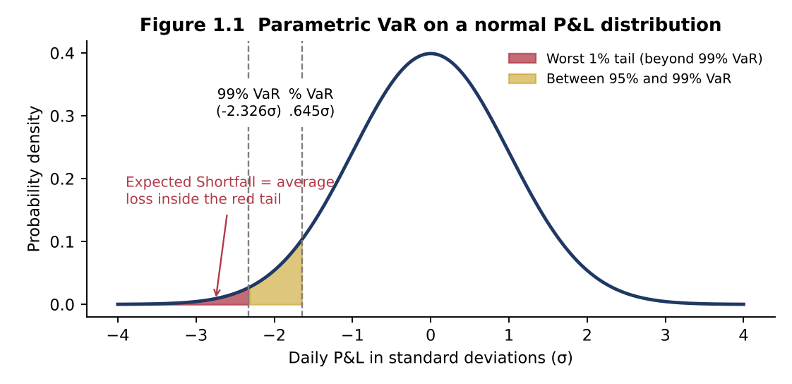
5. GRAPHICAL ILLUSTRATION

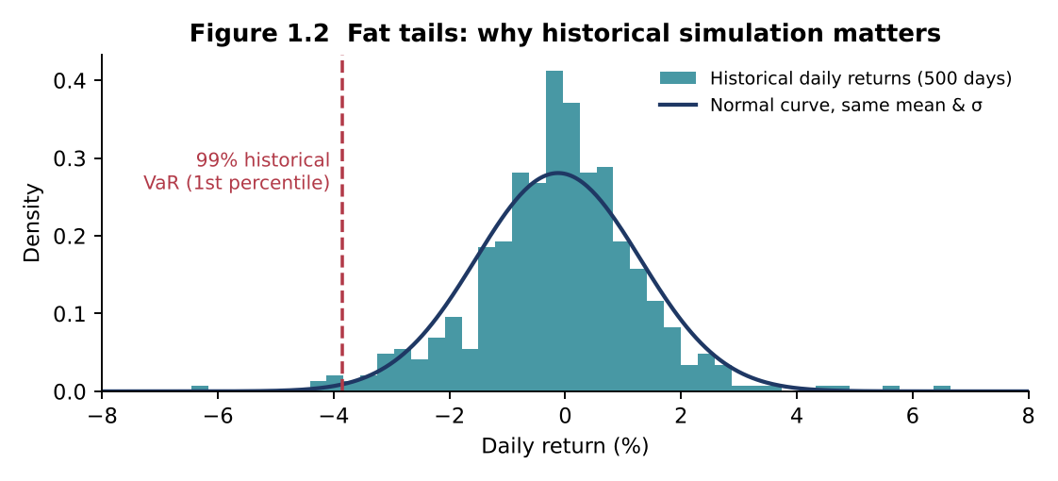
Shaded tails show what VaR measures (the threshold) and what Expected Shortfall measures (the average beyond it).

Real market returns have fatter tails than the normal curve, so parametric VaR can understate extreme losses.

6. REAL-LIFE EXAMPLES
J.P. Morgan — “London Whale” (2012)
The Chief Investment Office changed its VaR model in January 2012; the new model roughly halved the reported VaR of the synthetic credit portfolio. Positions grew, and losses eventually exceeded US$6 billion. Lesson: VaR model changes need independent validation and VaR must never be the only limit.
Long-Term Capital Management (1998)
LTCM’s risk models, calibrated on calm historical data, implied a very low probability of large losses. After Russia’s default, correlations converged and liquidity vanished; a Federal Reserve-brokered consortium of 14 institutions injected about US$3.6 billion. Lesson: VaR says nothing about the size of losses beyond the threshold or about liquidity.
Basel FRTB — move from VaR to Expected Shortfall
Under the Fundamental Review of the Trading Book (final standard, January 2019), internal-model banks replace 99% VaR with 97.5% Expected Shortfall calibrated to a period of stress, because ES captures tail severity and is sub-additive.
Indian equity market margins
In India’s cash segment, clearing corporations collect a VaR-based margin together with an Extreme Loss Margin (ELM); scrips are grouped by liquidity and volatility, so illiquid stocks attract materially higher VaR margins.

7. COMMON MISTAKES
• Treating VaR as the “worst-case loss” — it is a threshold, not a maximum.
• Applying √T scaling to returns that are autocorrelated or to portfolios that change during the horizon.
• Adding standalone VaRs to get portfolio VaR (ignores correlation) — or assuming correlations stay stable during a crisis.
• Using parametric VaR for option-heavy books where P&L is non-linear.
• Ignoring backtesting results; a model with too many exceptions must be recalibrated.

8. INTERVIEW QUESTIONS
Q1. What does a 10-day 99% VaR of ₹20 crore mean?
Model answer: There is a 1% probability that the portfolio will lose more than ₹20 crore over the next 10 trading days under normal market conditions.
Q2. Why is VaR not a coherent risk measure?
Model answer: It can violate sub-additivity: the VaR of a combined portfolio can exceed the sum of individual VaRs, which penalises diversification. Expected Shortfall is coherent.
Q3. How would you choose between historical and Monte Carlo VaR?
Model answer: Historical for linear books where recent history is representative; Monte Carlo for option-heavy or path-dependent books where full revaluation across many scenarios is required.
Q4. What is backtesting and the Basel traffic-light approach?
Model answer: Comparing actual daily P&L against predicted VaR. Over 250 days at 99%, 0–4 exceptions = green, 5–9 = yellow (capital multiplier rises from 3 towards 4), 10+ = red.
Q5. What is Stressed VaR?
Model answer: VaR computed with model inputs calibrated to a continuous 12-month period of significant financial stress, introduced in Basel 2.5 after 2008.

1.3 Historical VaR & ES
Case 1.3 | Historical Simulation VaR and Expected Shortfall |  | ◄ Back to Index
Historical VaR | Expected Shortfall | Fat tails

BACKGROUND
The market risk unit of Konark Bank re-priced its ₹80 crore equity trading book over the last 500 trading days. The 15 worst daily returns (sorted) are shown below. Bank policy uses the 5th worst observation as the 99% VaR (500 × 1% = 5) and the average of the worst 12 observations as the 97.5% ES (500 × 2.5% = 12.5, rounded down).

REQUIRED
(a) Compute the 1-day 99% historical VaR in % and ₹.
(b) Compute the 1-day 99% Expected Shortfall (average of the worst 5) and the 97.5% ES (average of the worst 12).
(c) If the book’s daily σ is 1.50%, compute 99% parametric VaR and compare it with the historical estimate.
(d) Graph task: plot the 15 worst returns as a bar chart and mark the VaR cut-off.
(e) What does the gap between the two VaR numbers tell you about the return distribution?

INPUTS (BLUE = GIVEN DATA; CHANGE THEM TO RUN WHAT-IF ANALYSIS)
Parameter | Value
Portfolio value (₹ crore) | 80.00
Rank used for 99% VaR (500 × 1%) | 5
Observations averaged for 97.5% ES | 12
Daily σ for parametric comparison | 1.50%
z-value 99% | 2.3260

15 worst daily returns (VaR cut-off = rank 5)
Rank | Daily return
1 | (6.85%)
2 | (5.92%)
3 | (5.10%)
4 | (4.78%)
5 | (4.41%)
6 | (4.05%)
7 | (3.88%)
8 | (3.62%)
9 | (3.45%)
10 | (3.31%)
11 | (3.20%)
12 | (3.12%)
13 | (3.02%)
14 | (2.95%)
15 | (2.88%)

SOLUTION WORKINGS (LIVE FORMULAS)
99% historical VaR (%) | 4.41%
99% historical VaR (₹ crore) | 3.5280
99% ES — average of worst k (%) | 5.41%
99% ES (₹ crore) | 4.3296
97.5% ES — average of worst 12 (%) | 4.31%
97.5% ES (₹ crore) | 3.4460
Parametric 99% VaR (%) | 3.49%
Parametric 99% VaR (₹ crore) | 2.7912
Historical minus parametric (₹ crore) | 0.7368

FACULTY COMMENTARY (BASED ON THE BASE-CASE INPUTS)
Historical VaR exceeds parametric VaR by ₹0.74 crore (26%). The empirical distribution has fatter left tails than the normal distribution, so the parametric model would understate capital and limits. Expected Shortfall adds information VaR omits: when losses breach VaR, they average about 5.4%.
Note for discussion: under the normal distribution 97.5% ES ≈ 99% VaR; here 97.5% ES (4.31%) is close to 99% historical VaR (4.41%), which is exactly the calibration logic behind FRTB.
Key answer: Hist VaR ₹3.53 crore; ES99 ₹4.33 crore; Parametric ₹2.79 crore

1.4 VaR Backtesting
Case 1.4 | VaR Backtesting and the Basel Traffic-Light Test |  | ◄ Back to Index
Backtesting | Exceptions | Capital multiplier

BACKGROUND
Over the last 250 trading days, Deccan Bank’s 1-day 99% VaR model recorded 8 days on which the actual trading loss exceeded the predicted VaR. The average 10-day 99% VaR over the last 60 days is ₹15 crore. The Head of Market Risk must present the backtesting result to the Risk Management Committee of the Board.

REQUIRED
(a) How many exceptions would you expect for a correctly calibrated model?
(b) Using the binomial distribution, compute the probability of 8 or more exceptions if the model is correct.
(c) Identify the Basel zone and the capital multiplier.
(d) Compute the VaR-based capital charge (multiplier × average VaR) and the additional capital versus the green zone.
(e) Recommend two actions for the Risk Committee.

INPUTS (BLUE = GIVEN DATA; CHANGE THEM TO RUN WHAT-IF ANALYSIS)
Parameter | Value
Observation days | 250
Exceptions observed | 8
Tail probability (1 − 99%) | 1.00%
Average 10-day 99% VaR, last 60 days (₹ crore) | 15.00
Base multiplier | 3.00

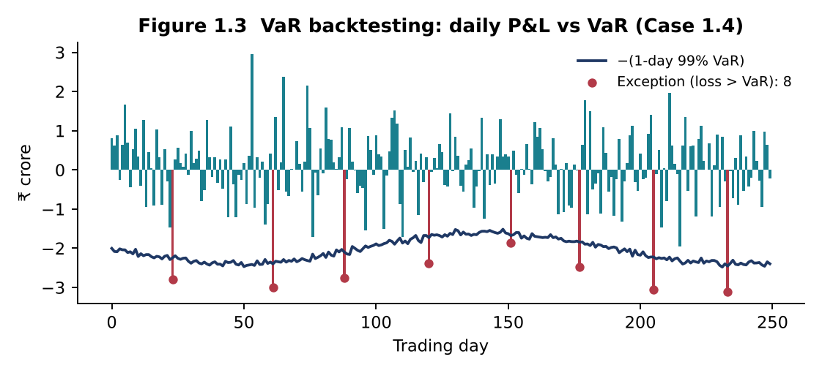
Exceptions (yellow zone) | Plus factor
5 | 0.40
6 | 0.50
7 | 0.65
8 | 0.75
9 | 0.85
Basel traffic light: 0–4 exceptions = Green (plus factor 0); 5–9 = Yellow (table above); 10+ = Red (plus factor 1.00).

SOLUTION WORKINGS (LIVE FORMULAS)
Expected exceptions | 2.50
P(X ≥ observed) if model is correct | 0.0040
Basel zone | Yellow
Plus factor | 0.75
Capital multiplier | 3.75
VaR capital charge (₹ crore) | 56.2500
Green-zone capital charge (₹ crore) | 45.0000
Additional capital (₹ crore) | 11.2500

FACULTY COMMENTARY (BASED ON THE BASE-CASE INPUTS)
Such an outcome would occur only about 0.4% of the time if the model were accurate — strong evidence that the model underestimates risk. Eight exceptions fall in the yellow zone; multiplier = 3 + 0.75 = 3.75.
• Investigate the exceptions: were they clustered (volatility regime shift), driven by one desk, or by missing risk factors such as basis or option gamma?
• Recalibrate (shorter or volatility-weighted look-back, EWMA), add stressed VaR / ES overlays and report a Kupiec/Christoffersen test going forward.
Key answer: Expected 2.5; P(≥8) 0.40%; yellow zone, k = 3.75; capital ₹56.25 crore

M2 Sensitivity Concept
Module 2 | Sensitivity Measures — Concept Note |  | ◄ Back to Index

1. WHAT IS IT?
Sensitivity measures quantify how much the value of a position changes for a small change in one risk factor, holding others constant. They are the “first line” of market-risk management: duration, convexity and PV01/DV01 for interest rates; beta for equities; and the option Greeks — delta, gamma, vega, theta and rho — for derivatives. Unlike VaR, they do not need a probability distribution; they answer the question “what happens if this factor moves by one unit?”

2. WHY IS IT IMPORTANT?
• They identify which risk factor drives P&L and therefore what to hedge and how much.
• They are additive across positions (PV01s and deltas can be summed), making limit-setting and aggregation simple.
• Inputs to VaR (delta-normal), stress tests and regulatory capital (the FRTB Standardised Approach is built on sensitivities).
• Essential for ALM: duration gap and earnings sensitivity drive Interest Rate Risk in the Banking Book (IRRBB).

3. HOW IS IT USED IN INDUSTRY?
• Bank treasuries — PV01 limits per portfolio and tenor bucket; duration of AFS/HFT books reported daily.
• ALM / IRRBB — duration gap and economic value of equity (EVE) sensitivity to ±200 bps shocks.
• Options desks and market makers — delta-hedge continuously, manage gamma and vega limits.
• Portfolio managers — beta-adjust portfolios with index futures; duration-manage debt funds.

4. KEY FORMULAS
Measure | Formula
Macaulay duration | D_Mac = Σ [t × PV(CFₜ)] / Price
Modified duration | D_Mod = D_Mac / (1 + y/m)
Price change (duration + convexity) | ΔP/P ≈ −D_Mod × Δy + ½ × Convexity × (Δy)²
PV01 / DV01 | PV01 = D_Mod × Price × 0.0001
Effective duration & convexity | ED = (P₋ − P₊)/(2·P₀·Δy); EC = (P₋ + P₊ − 2P₀)/(P₀·Δy²)
Beta hedge (futures) | N = (β_target − β_current) × Portfolio value / (Futures price × Lot size)
Delta–gamma approximation | ΔC ≈ Δ × ΔS + ½ × Γ × (ΔS)²
Duration gap | DGAP = D_A − (L/A) × D_L; ΔE ≈ −DGAP × A × Δy/(1 + y)

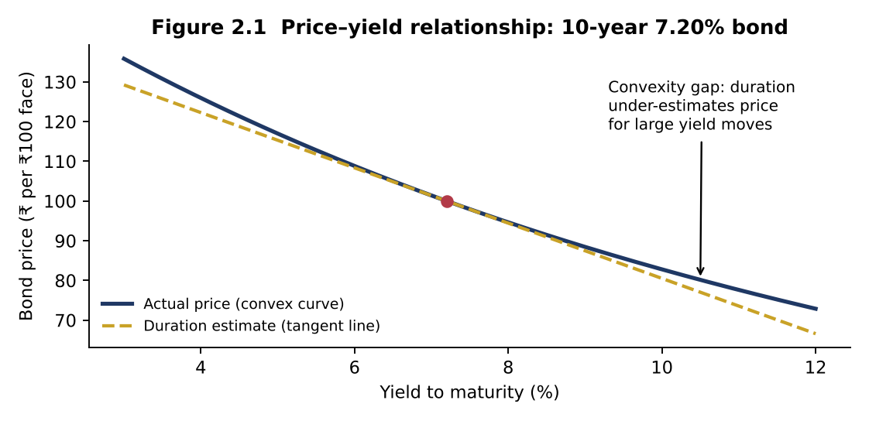
5. GRAPHICAL ILLUSTRATION

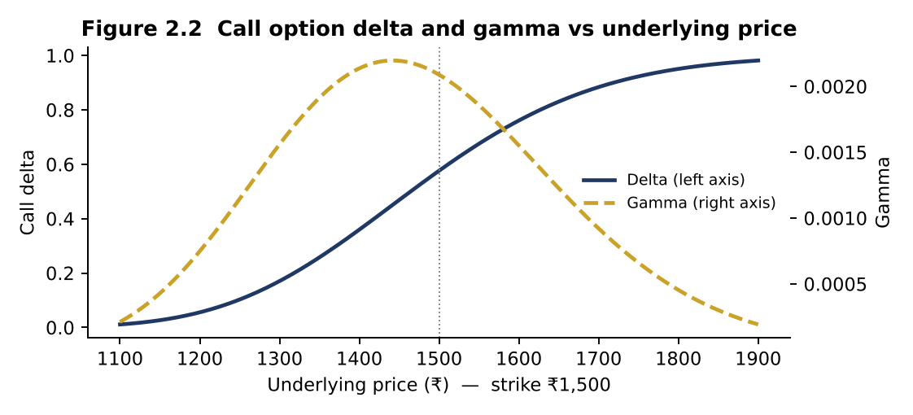
Duration is the slope (tangent) of the price–yield curve; convexity is its curvature.

Delta rises from 0 to 1 as the option moves into the money; gamma peaks at-the-money near expiry, where hedges need the most frequent rebalancing.

6. REAL-LIFE EXAMPLES
Silicon Valley Bank (March 2023)
SVB invested deposit inflows in long-duration Treasuries and MBS. As the Fed raised rates by ~450 bps, unrealised losses on its securities exceeded its equity. A US$1.8 billion realised loss on sale of AFS securities triggered a deposit run and the bank failed on 10 March 2023 — a textbook duration-gap failure.
Orange County, California (1994)
The county investment pool used leveraged reverse repos to buy rate-sensitive notes, effectively running a very high duration. When the Fed raised rates through 1994, losses of about US$1.7 billion forced the county into bankruptcy.
Indian banks’ MTM losses (2017–18)
When the 10-year G-sec yield rose by roughly 100 bps between mid-2017 and early 2018, banks faced heavy mark-to-market losses on their bond books; the RBI permitted banks to spread these losses over four quarters. Banks subsequently tightened PV01 and duration limits.
Index options market-making in India
NSE is among the world’s largest derivatives exchanges by contracts traded, dominated by index options. Market makers manage net delta and gamma intraday; on expiry days gamma near the strike is extreme, which is why SEBI’s 2024 measures on index derivatives targeted expiry-day risk.

7. COMMON MISTAKES
• Using modified duration for bonds with embedded options — use effective duration instead.
• Ignoring convexity for large shocks such as the ±200 bps IRRBB scenarios.
• Confusing the sign of DV01 for long vs short positions when netting a hedge.
• Assuming a delta hedge is permanent — delta changes with price (gamma) and time (charm).
• Using beta estimated from a short or unrepresentative window when sizing hedges.

8. INTERVIEW QUESTIONS
Q1. Why does a zero-coupon bond have the highest duration for a given maturity?
Model answer: All cash flow occurs at maturity, so Macaulay duration equals maturity; coupon bonds return cash earlier, reducing duration.
Q2. What is negative convexity?
Model answer: Price rises less than it falls for equal yield moves; seen in callable bonds and MBS because prepayment/call caps price gains when yields fall.
Q3. How do you make a portfolio delta- and gamma-neutral?
Model answer: First use another option to neutralise gamma (shares have zero gamma), then use the underlying to neutralise the resulting delta.
Q4. Explain PV01 vs modified duration.
Model answer: Modified duration is the % price sensitivity per 1% yield change; PV01 is the rupee change for a 1 bp move — PV01 = MD × value × 0.0001.
Q5. What caused SVB’s failure from a risk perspective?
Model answer: A large positive duration gap — long-duration assets funded by short-duration, run-prone deposits — with no hedging of rate risk.

2.2 Convexity
Case 2.2 | Convexity Adjustment for Large Rate Shocks |  |  |  |  |  | ◄ Back to Index
Convexity | IRRBB shocks | Graph

BACKGROUND
A bank’s ALM desk holds a 10-year 7.20% annual-coupon G-sec trading at par (YTM 7.20%). For IRRBB reporting it must estimate price changes under ±100 bps and ±200 bps parallel shocks.

REQUIRED
(a) Compute Macaulay duration, modified duration and convexity.
(b) For shocks of −200, −100, +100 and +200 bps, estimate % price change using (a) duration only and (b) duration + convexity.
(c) Compare with the actual % change from full repricing.
(d) Graph task: plot the three estimates for each shock as a clustered bar chart and comment.

INPUTS (BLUE = GIVEN DATA; CHANGE THEM TO RUN WHAT-IF ANALYSIS)
Parameter | Value
Annual coupon rate | 7.20%
Yield to maturity | 7.20%
Maturity (years) | 10
Face value (₹) | 100.00

Duration vs convexity-adjusted vs actual
SOLUTION WORKINGS (LIVE FORMULAS)
Year (t) | Cash flow | Discount factor | PV | t × PV | t(t+1) × PV
1 | 7.2000 | 0.9328 | 6.7164 | 6.7164 | 13.4328
2 | 7.2000 | 0.8702 | 6.2653 | 12.5306 | 37.5919
3 | 7.2000 | 0.8117 | 5.8445 | 17.5335 | 70.1341
4 | 7.2000 | 0.7572 | 5.4520 | 21.8079 | 109.0394
5 | 7.2000 | 0.7064 | 5.0858 | 25.4290 | 152.5738
6 | 7.2000 | 0.6589 | 4.7442 | 28.4653 | 199.2568
7 | 7.2000 | 0.6147 | 4.4256 | 30.9790 | 247.8318
8 | 7.2000 | 0.5734 | 4.1283 | 33.0266 | 297.2396
9 | 7.2000 | 0.5349 | 3.8511 | 34.6595 | 346.5947
10 | 107.2000 | 0.4989 | 53.4868 | 534.8684 | 5883.5523

Bond price (₹) | 100.0000
Macaulay duration | 7.4602
Modified duration | 6.9591
Convexity | 64.0215

Yield shock | Duration only | Duration + convexity | Actual (repricing) | New price (₹)
-2.00% | 13.92% | 15.20% | 15.29% | 115.2946
-1.00% | 6.96% | 7.28% | 7.29% | 107.2908
+1.00% | (6.96%) | (6.64%) | (6.65%) | 93.3500
+2.00% | (13.92%) | (12.64%) | (12.72%) | 87.2769

FACULTY COMMENTARY (BASED ON THE BASE-CASE INPUTS)
Duration alone underestimates gains when rates fall and overestimates losses when rates rise; the error grows with the square of the shock. Adding convexity brings the estimate within about 0.1% of the actual — sufficient for IRRBB reporting, though full revaluation remains the benchmark.
Key answer: ModD 6.959; Convexity 64.02

M3 RAROC Concept
Module 3 | Risk-Adjusted Return on Capital (RAROC) — Concept Note |  | ◄ Back to Index

1. WHAT IS IT?
RAROC measures the return a business, product or customer earns on the economic capital it consumes. It adjusts profit for expected loss (the average cost of risk) and divides by economic capital (the buffer against unexpected loss). A loan that looks highly profitable on yield may destroy value once its credit risk and capital consumption are recognised.

2. WHY IS IT IMPORTANT?
• Puts businesses with very different risk profiles — retail loans, corporate lending, treasury, fee businesses — on one comparable scale.
• Drives risk-based pricing: the minimum rate a bank should charge to meet shareholder expectations.
• Links risk management to value creation: Economic Value Added (EVA) = (RAROC − hurdle) × capital.
• Supports ICAAP, capital budgeting across divisions and performance-linked compensation.

3. HOW IS IT USED IN INDUSTRY?
• Loan pricing — relationship managers use a RAROC calculator before sanctioning; deals below hurdle need higher pricing, collateral or fee cross-sell.
• Capital allocation — the Board allocates economic capital to business lines that earn above-hurdle RAROC.
• Performance measurement — business heads are measured on risk-adjusted profit rather than volumes.
• Portfolio strategy — exit or re-price segments where RAROC is persistently below the cost of equity.

4. KEY FORMULAS
Measure | Formula
RAROC | RAROC = (Revenue − Funding cost − Operating cost − Expected loss ± Other) × (1 − tax) / Economic Capital
Expected loss | EL = PD × LGD × EAD
Economic capital (credit) | EC = Credit VaR at 99.9% − EL (= Unexpected loss)
Value creation | EVA (SVA) = (RAROC − Hurdle rate) × Economic Capital
Decision rule | Accept if RAROC ≥ Hurdle (cost of equity)
Break-even loan rate | Rate = [Hurdle × EC/(1 − t) + Funding + Op. cost + EL] / Exposure

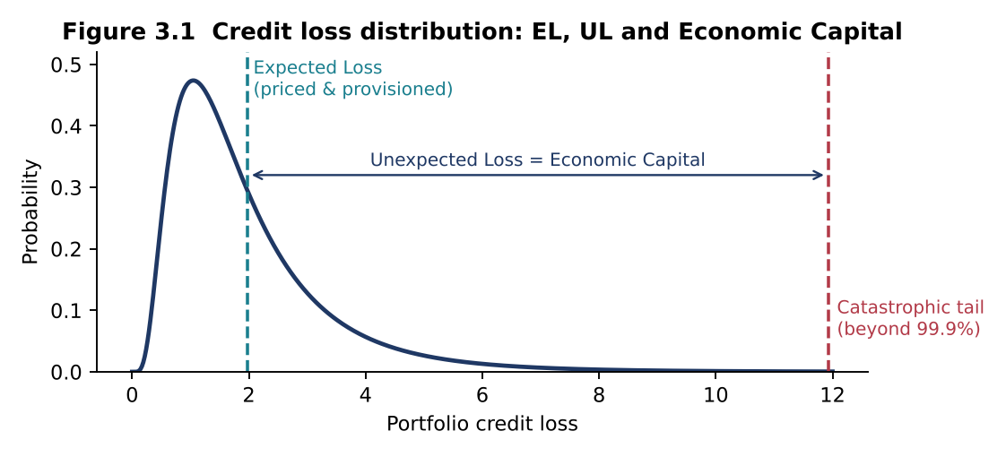
5. GRAPHICAL ILLUSTRATION

Expected loss is a cost of doing business (priced and provisioned); economic capital covers the unexpected loss up to the chosen confidence level.

6. REAL-LIFE EXAMPLES
Bankers Trust — origin of RAROC (late 1970s)
Under Charles Sanford, Bankers Trust developed RAROC to compare businesses with different risk levels and allocate capital accordingly. The framework became the template for economic-capital systems at global banks.
Indian banks — Basel III and ICAAP
RBI requires a minimum total capital ratio of 9% plus a 2.5% capital conservation buffer (11.5%) and an Internal Capital Adequacy Assessment Process. Large banks complement regulatory capital with economic-capital and RAROC models for pricing and allocation.
The low-rate corporate loan dilemma
Highly rated corporates borrow at thin spreads, often close to the cost of funds. On ROA they look unattractive, yet their low PD and capital consumption can deliver above-hurdle RAROC — especially with cash-management, FX and trade-finance cross-sell.
Unsecured retail and MSME lending
Personal loans and unsecured MSME credit carry high yields but also high EL and capital. RBI’s November 2023 increase in risk weights on consumer credit raised capital consumption and pushed banks to re-price these products — a direct RAROC effect.

7. COMMON MISTAKES
• Deducting unexpected loss in the numerator — UL is covered by capital, only EL is a cost.
• Comparing pre-tax RAROC with a post-tax hurdle (or vice versa).
• Ignoring the return earned on allocated capital, or double-counting it alongside full funding cost.
• Allocating stand-alone capital without diversification — penalises every business and distorts rankings.
• Using RAROC alone: high RAROC on a tiny capital base may add little absolute value — look at EVA too.

8. INTERVIEW QUESTIONS
Q1. Why is expected loss deducted but unexpected loss used as the denominator?
Model answer: EL is predictable and priced like a cost; UL is uncertain and must be absorbed by capital, so it determines how much capital the activity consumes.
Q2. What is the difference between RAROC and RORAC?
Model answer: Strictly, RAROC risk-adjusts the numerator (deducts EL) while RORAC divides by risk-adjusted capital. In practice banks use “RAROC” for both adjustments.
Q3. How do you set the hurdle rate?
Model answer: Usually the cost of equity from CAPM (risk-free + β × equity risk premium), sometimes with a strategic premium.
Q4. Can a loan with RAROC below hurdle still be approved?
Model answer: Yes, if relationship-level RAROC including fees and cross-sell exceeds the hurdle, or for strategic reasons with explicit Board approval.
Q5. How does collateral affect RAROC?
Model answer: It lowers LGD, which reduces both EL (numerator) and economic capital (denominator) — usually improving RAROC sharply.

3.7 Capital Allocation
Case 3.7 | Capital Allocation with Diversification |  |  |  |  |  | ◄ Back to Index
Group EC | Diversification | Graph

BACKGROUND
A bank’s three business units have stand-alone economic capital totalling ₹1,300 crore, but group-level EC after diversification is only ₹1,000 crore. The CFO proposes allocating the diversification benefit pro-rata to stand-alone capital.

REQUIRED
(a) Compute stand-alone RAROC for each unit.
(b) Allocate group EC pro-rata and compute diversified RAROC.
(c) Graph task: plot stand-alone vs diversified RAROC against the 15% hurdle.
(d) Which unit’s decision changes, and what allocation method is theoretically better?

INPUTS (BLUE = GIVEN DATA; CHANGE THEM TO RUN WHAT-IF ANALYSIS)
Parameter | Value
Group economic capital after diversification (₹ crore) | 1,000
Hurdle rate | 15.0%

Business unit | Stand-alone EC (₹ cr) | Post-tax profit (₹ cr)
Retail Banking | 400 | 70.00
Corporate Banking | 600 | 85.00
Treasury | 300 | 50.00

SOLUTION WORKINGS (LIVE FORMULAS)
Sum of stand-alone EC (₹ crore) | 1,300
Allocation factor | 0.7692
Group RAROC | 20.50%

Business unit | RAROC stand-alone | Allocated EC (₹ cr) | RAROC diversified | Hurdle | Decision change?
Retail Banking | 17.50% | 307.69 | 22.75% | 15.00% | No
Corporate Banking | 14.17% | 461.54 | 18.42% | 15.00% | Yes — crosses hurdle
Treasury | 16.67% | 230.77 | 21.67% | 15.00% | No
RAROC by business unit vs 15% hurdle

FACULTY COMMENTARY (BASED ON THE BASE-CASE INPUTS)
Allocation factor = 1,000 / 1,300 = 0.7692. Corporate Banking moves from below hurdle (14.17%) to above hurdle (18.42%). Group RAROC = 205/1,000 = 20.5%.
Pro-rata allocation is simple but ignores how much each unit actually contributes to group risk. Marginal or Euler (risk-contribution) allocation is theoretically superior — units that diversify the group receive more of the benefit.
Key answer: Corporate: 14.17% → 18.42% (crosses hurdle)

M4 Regression Concept
Module 4 | Regression & Variance Analysis — Concept Note |  | ◄ Back to Index

1. WHAT IS IT?
Regression analysis estimates the relationship between a dependent variable (Y) and one or more explanatory variables (X). Ordinary Least Squares (OLS) fits the line that minimises the sum of squared residuals. Variance analysis measures and decomposes dispersion — how much a return, cost or portfolio value varies, and which sources drive that variation. Together they answer: How sensitive is Y to X? How much of the risk is explained? What remains unexplained?

2. WHY IS IT IMPORTANT?
• Beta, hedge ratios, factor exposures and stress-test models are all regression outputs.
• Variance (σ²) is the core input to VaR, portfolio optimisation and risk budgeting.
• R² and the ANOVA decomposition show how much risk is systematic (hedgeable) versus idiosyncratic (diversifiable).
• Cost-behaviour regression supports flexible budgets and budget-vs-actual variance analysis in FP&A.

3. HOW IS IT USED IN INDUSTRY?
• Equity research and fund management — beta estimation, factor models (Fama–French), performance attribution.
• Banks’ risk and stress testing — regressing NPAs on GDP growth and interest rates; the RBI’s Financial Stability Report uses macro-stress-test models of this type.
• Corporate treasury and commodities — minimum-variance hedge ratios for fuel, metals and currencies.
• FP&A and cost accounting — separating fixed and variable costs, building flexible budgets and explaining variances.

4. KEY FORMULAS
Measure | Formula
Simple regression slope | β = Cov(X, Y) / Var(X) α = Ȳ − β·X̄
Coefficient of determination | R² = SSR/SST = 1 − SSE/SST (simple regression: R² = ρ²)
Adjusted R² | R̄² = 1 − (1 − R²)(n − 1)/(n − k − 1)
F-statistic | F = (SSR/k) / (SSE/(n − k − 1))
Sample variance | s² = Σ(xᵢ − x̄)² / (n − 1) Annualised σ = σ_monthly × √12
Portfolio variance | σₚ² = wᵀ Σ w = Σᵢ Σⱼ wᵢ wⱼ σᵢ σⱼ ρᵢⱼ
Variance decomposition | σᵢ² = βᵢ² σₘ² + σ²(ε)
Minimum-variance hedge ratio | h* = ρ × σ_S / σ_F; hedge effectiveness = ρ²

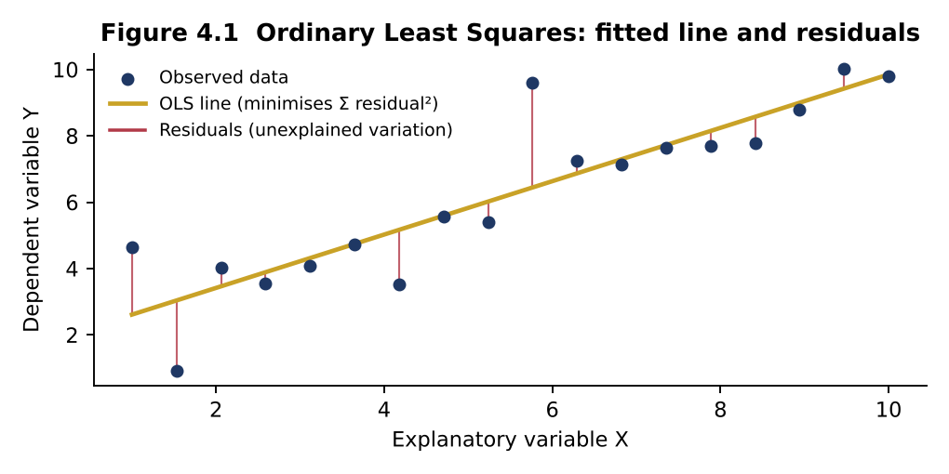
5. GRAPHICAL ILLUSTRATION

OLS picks the line that minimises the sum of squared vertical distances (residuals); the residual variance is the unexplained risk.

6. REAL-LIFE EXAMPLES
CAPM beta and cost of equity
Analysts regress a stock’s returns on Nifty 50 or Sensex returns (typically 2–5 years of weekly or monthly data) to estimate beta, which feeds the cost of equity in DCF valuations and the hurdle rate in RAROC.
Airline fuel hedging
Jet fuel has no deep futures market in most regions, so airlines cross-hedge with crude oil futures sized by the minimum-variance hedge ratio. Southwest Airlines’ systematic fuel-hedging programme is widely cited for saving it billions of dollars during the 2000s oil price spike.
Macro stress testing of bank NPAs
Regulators and banks estimate regressions of gross NPA ratios on GDP growth, interest rates and credit growth, then feed in baseline, medium and severe macro scenarios — the approach behind the stress-test projections in the RBI’s Financial Stability Report.
Markowitz portfolio theory and risk budgeting
Harry Markowitz (1952) showed that portfolio variance depends on covariances, not just individual variances. Pension funds and multi-asset funds today run risk-budgeting frameworks that decompose total variance into each asset’s contribution.

7. COMMON MISTAKES
• Confusing correlation with causation; spurious regressions on trending (non-stationary) series such as price levels instead of returns.
• Using population variance (÷n) where sample variance (÷n−1) is required.
• Judging a model only by R²; a high R² with insignificant coefficients often signals multicollinearity.
• Extrapolating far outside the observed range of X.
• Ignoring heteroskedasticity and autocorrelation, which make t-statistics unreliable (use robust/Newey–West SEs).

8. INTERVIEW QUESTIONS
Q1. What is the relationship between beta, correlation and volatility?
Model answer: β = ρ × σ_stock / σ_market. A stock can have low correlation but high beta if it is very volatile.
Q2. What does an R² of 0.30 for a stock-on-index regression mean?
Model answer: 30% of the stock’s return variance is explained by the market (systematic); 70% is stock-specific and diversifiable.
Q3. Why use adjusted R²?
Model answer: R² never falls when variables are added; adjusted R² penalises additional regressors that do not improve explanatory power.
Q4. What is multicollinearity and how do you detect it?
Model answer: High correlation among explanatory variables; detected by VIF > 5–10 or significant F with insignificant individual t-stats.
Q5. How is the minimum-variance hedge ratio derived?
Model answer: It is the slope from regressing spot price changes on futures price changes: h* = Cov(ΔS, ΔF)/Var(ΔF) = ρσ_S/σ_F.

4.1 Beta Regression
Case 4.1 | Estimating Stock Beta by OLS Regression |  |  | ◄ Back to Index
Simple regression | Beta | R² | Graph

BACKGROUND
An equity research analyst covering a listed capital-goods company must estimate its beta for a DCF valuation. Monthly returns for the stock and the Nifty 50 for the last 12 months are given below. (Data are illustrative; in practice use 36–60 months.)

REQUIRED
(a) Compute mean returns, the covariance of the stock with Nifty and the variance of Nifty (sample).
(b) Estimate beta and alpha. Verify with Excel’s SLOPE, INTERCEPT and RSQ.
(c) Compute R² and interpret it.
(d) Graph task: draw a scatter plot with the fitted regression line (characteristic line).
(e) Predict the stock’s return in a month when Nifty falls 5%.

Characteristic line: Stock vs Nifty
INPUTS (BLUE = GIVEN DATA; CHANGE THEM TO RUN WHAT-IF ANALYSIS)
Month | Nifty return (%) | Stock return (%)
M1 | 2.10 | 3.60
M2 | (1.50) | (1.20)
M3 | 3.40 | 3.50
M4 | 0.80 | 1.90
M5 | (2.70) | (2.60)
M6 | 1.90 | 1.40
M7 | 4.20 | 6.30
M8 | (0.60) | 0.40
M9 | 1.10 | 0.20
M10 | (3.30) | (5.30)
M11 | 2.60 | 4.40
M12 | 0.50 | (0.80)
Nifty return scenario for prediction (%) | (5.00)

SOLUTION WORKINGS (LIVE FORMULAS)
Mean Nifty return (%) | 0.7083
Mean stock return (%) | 0.9833
Covariance (sample) | 7.1883
Variance of Nifty (sample) | 5.5317
Beta = Cov / Var | 1.2995
Check: SLOPE() | 1.2995
Alpha (% per month) | 0.0629
Check: INTERCEPT() | 0.0629
R² | 0.8907
Correlation | 0.9438
Predicted stock return for scenario (%) | (6.43)

FACULTY COMMENTARY (BASED ON THE BASE-CASE INPUTS)
Beta of 1.30 means the stock tends to move 1.30% for every 1% move in Nifty — an aggressive, cyclical stock, consistent with capital goods. About 89% of return variance is market-driven. The small positive alpha is not economically or statistically meaningful on 12 observations.
Key answer: β 1.299; α 0.063%; R² 0.891

4.5 Variance Decomposition
Case 4.5 | Systematic vs Idiosyncratic Variance |  |  | ◄ Back to Index
Variance decomposition | Diversification | Graph

BACKGROUND
The Nifty 50 has an annual volatility of 15%. Stock X has beta 1.30 and total volatility 28%. A diversified large-cap fund has beta 0.95 and total volatility 15.2%.

REQUIRED
(a) Decompose total variance of Stock X and the fund into systematic and idiosyncratic components.
(b) Compute the share of systematic variance (equivalent to R² of the market model).
(c) Graph task: show the decomposition as a stacked bar chart.
(d) Which component is rewarded by the market under CAPM and why?

INPUTS (BLUE = GIVEN DATA; CHANGE THEM TO RUN WHAT-IF ANALYSIS)
Parameter | Stock X | Diversified fund
Market (Nifty 50) annual σ | 15.0%
Beta | 1.30 | 0.95
Total annual σ | 28.0% | 15.2%

SOLUTION WORKINGS (LIVE FORMULAS)
Measure | Stock X | Diversified fund
Total variance | 0.078400 | 0.023104
Systematic variance (β²σₘ²) | 0.038025 | 0.020306
Idiosyncratic variance | 0.040375 | 0.002798
Idiosyncratic σ | 20.09% | 5.29%
Systematic share (= R²) | 48.5% | 87.9%
Idiosyncratic share | 51.5% | 12.1%
Variance decomposition

FACULTY COMMENTARY (BASED ON THE BASE-CASE INPUTS)
Only systematic risk is rewarded under CAPM, because idiosyncratic risk can be diversified away at no cost. Stock X carries roughly half its variance as diversifiable risk; the diversified fund has eliminated most of it.
Key answer: Stock X systematic 48.5%; fund 87.9%

4.7 Flexible Budget
Case 4.7 | Regression-Based Flexible Budget and Cost Variance Analysis |  |  | ◄ Back to Index
Cost behaviour | Flexible budget | FP&A | Graph

BACKGROUND
The FP&A team of a manufacturing plant uses regression to separate the fixed and variable elements of power cost. Eight months of data are below. For Month 9, the budget assumed 17,000 machine hours; actual activity was 19,000 hours and actual power cost was ₹13.90 lakh.

REQUIRED
(a) Estimate the cost function (fixed cost + variable cost per '000 hours) and R².
(b) Graph task: plot the data with the fitted cost line and mark the Month 9 actual.
(c) Compute the static budget cost, flexible budget cost and actual cost for Month 9.
(d) Compute the volume variance and spending variance, and label each Favourable/Adverse.
(e) What should management investigate?

Cost behaviour line
INPUTS (BLUE = GIVEN DATA; CHANGE THEM TO RUN WHAT-IF ANALYSIS)
Month | Machine hours ('000) | Power cost (₹ lakh)
M1 | 12.00 | 9.80
M2 | 15.00 | 11.60
M3 | 10.00 | 8.70
M4 | 18.00 | 12.40
M5 | 14.00 | 11.20
M6 | 20.00 | 13.90
M7 | 16.00 | 11.50
M8 | 11.00 | 9.60

Parameter | Value
Budgeted activity, Month 9 ('000 hrs) | 17.00
Actual activity, Month 9 ('000 hrs) | 19.00
Actual power cost, Month 9 (₹ lakh) | 13.90
Rupees per lakh | 100,000

SOLUTION WORKINGS (LIVE FORMULAS)
Variable cost per '000 hours (₹ lakh) | 0.4768
Fixed cost per month (₹ lakh) | 4.1741
R² | 0.9718
Variable cost per machine hour (₹) | 47.68
Static budget cost (₹ lakh) | 12.2795
Flexible budget cost (₹ lakh) | 13.2330
Volume variance (₹ lakh) | 0.9536
— label | Adverse
Spending variance (₹ lakh) | 0.6670
— label | Adverse
Total variance (₹ lakh) | 1.6205

FACULTY COMMENTARY (BASED ON THE BASE-CASE INPUTS)
Most of the overrun is explained by higher activity, which is not a cost-control failure. The genuine spending overrun of ₹0.67 lakh (5.0% of flexible budget) warrants investigation: tariff revisions, peak-hour consumption, machine inefficiency or idle running.
Key answer: Cost = 4.17 + 0.477×MH; spending var ₹0.67 lakh (A)

