M1 VaR Concept
Module 1 | Value at Risk (VaR) — Concept Note |  | ◄ Back to Index

1. WHAT IS IT?
Value at Risk is the maximum loss a portfolio is expected to suffer over a defined holding period, at a given confidence level, under normal market conditions. A statement such as “1-day 99% VaR is ₹5 crore” means that on 99 trading days out of 100 the loss should not exceed ₹5 crore — and on roughly one day in a hundred, it will. VaR therefore has three inputs: the confidence level, the holding period and the loss distribution of the portfolio.

2. WHY IS IT IMPORTANT?
• Converts exposures in equities, bonds, currencies and commodities into one comparable rupee number for the Board.
• Basis for trading limits, risk appetite statements and desk-level capital allocation.
• Regulatory use: Basel market-risk capital (internal models), exchange margins (SEBI’s VaR margin in the cash segment), and ICAAP under Pillar 2.
• Communicates risk in plain language to non-specialists — one of the reasons J.P. Morgan’s “4:15 report” and its RiskMetrics methodology (1994) made VaR an industry standard.

3. HOW IS IT USED IN INDUSTRY?
• Banks’ treasury and trading desks — daily VaR reports by desk, product and risk factor; limit breaches escalate to the ALCO/Risk Committee.
• Clearing corporations (NSE Clearing, ICCL) — VaR margins plus extreme-loss margins are collected from members on cash-market positions.
• Mutual funds, insurers and PMS — VaR and tracking-error limits in investment policy statements; stress tests alongside VaR.
• Corporates — Cash-flow-at-Risk / FX VaR for import–export exposures and commodity procurement.

4. KEY FORMULAS
Measure | Formula
Parametric VaR | VaR = z_c × σ × V (z₉₅ = 1.645, z₉₉ = 2.326)
Mean-adjusted VaR | VaR = (z_c × σ − μ) × V
Square-root-of-time scaling | VaR_T-day = VaR_1-day × √T (assumes i.i.d. returns)
Two-asset portfolio VaR | VaR_p = √(VaR₁² + VaR₂² + 2ρ·VaR₁·VaR₂)
Diversification benefit | Σ standalone VaRs − Portfolio VaR
Expected Shortfall (normal) | ES_c = σ × V × φ(z_c) / (1 − c)
Bond VaR (delta-normal) | VaR = V × Modified Duration × σ(Δy) × z_c

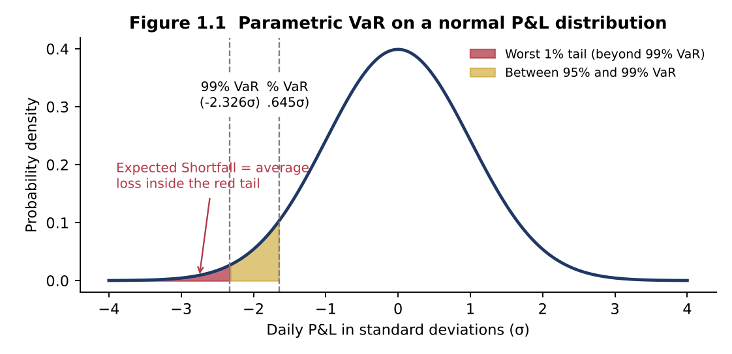
5. GRAPHICAL ILLUSTRATION

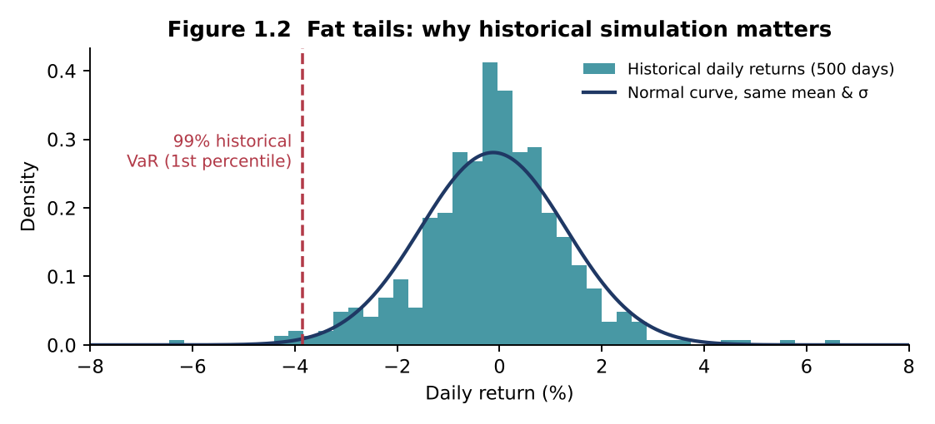
Shaded tails show what VaR measures (the threshold) and what Expected Shortfall measures (the average beyond it).

Real market returns have fatter tails than the normal curve, so parametric VaR can understate extreme losses.

6. REAL-LIFE EXAMPLES
J.P. Morgan — “London Whale” (2012)
The Chief Investment Office changed its VaR model in January 2012; the new model roughly halved the reported VaR of the synthetic credit portfolio. Positions grew, and losses eventually exceeded US$6 billion. Lesson: VaR model changes need independent validation and VaR must never be the only limit.
Long-Term Capital Management (1998)
LTCM’s risk models, calibrated on calm historical data, implied a very low probability of large losses. After Russia’s default, correlations converged and liquidity vanished; a Federal Reserve-brokered consortium of 14 institutions injected about US$3.6 billion. Lesson: VaR says nothing about the size of losses beyond the threshold or about liquidity.
Basel FRTB — move from VaR to Expected Shortfall
Under the Fundamental Review of the Trading Book (final standard, January 2019), internal-model banks replace 99% VaR with 97.5% Expected Shortfall calibrated to a period of stress, because ES captures tail severity and is sub-additive.
Indian equity market margins
In India’s cash segment, clearing corporations collect a VaR-based margin together with an Extreme Loss Margin (ELM); scrips are grouped by liquidity and volatility, so illiquid stocks attract materially higher VaR margins.

7. COMMON MISTAKES
• Treating VaR as the “worst-case loss” — it is a threshold, not a maximum.
• Applying √T scaling to returns that are autocorrelated or to portfolios that change during the horizon.
• Adding standalone VaRs to get portfolio VaR (ignores correlation) — or assuming correlations stay stable during a crisis.
• Using parametric VaR for option-heavy books where P&L is non-linear.
• Ignoring backtesting results; a model with too many exceptions must be recalibrated.

8. INTERVIEW QUESTIONS
Q1. What does a 10-day 99% VaR of ₹20 crore mean?
Q2. Why is VaR not a coherent risk measure?
Q3. How would you choose between historical and Monte Carlo VaR?
Q4. What is backtesting and the Basel traffic-light approach?
Q5. What is Stressed VaR?

M2 Sensitivity Concept
Module 2 | Sensitivity Measures — Concept Note |  | ◄ Back to Index

1. WHAT IS IT?
Sensitivity measures quantify how much the value of a position changes for a small change in one risk factor, holding others constant. They are the “first line” of market-risk management: duration, convexity and PV01/DV01 for interest rates; beta for equities; and the option Greeks — delta, gamma, vega, theta and rho — for derivatives. Unlike VaR, they do not need a probability distribution; they answer the question “what happens if this factor moves by one unit?”

2. WHY IS IT IMPORTANT?
• They identify which risk factor drives P&L and therefore what to hedge and how much.
• They are additive across positions (PV01s and deltas can be summed), making limit-setting and aggregation simple.
• Inputs to VaR (delta-normal), stress tests and regulatory capital (the FRTB Standardised Approach is built on sensitivities).
• Essential for ALM: duration gap and earnings sensitivity drive Interest Rate Risk in the Banking Book (IRRBB).

3. HOW IS IT USED IN INDUSTRY?
• Bank treasuries — PV01 limits per portfolio and tenor bucket; duration of AFS/HFT books reported daily.
• ALM / IRRBB — duration gap and economic value of equity (EVE) sensitivity to ±200 bps shocks.
• Options desks and market makers — delta-hedge continuously, manage gamma and vega limits.
• Portfolio managers — beta-adjust portfolios with index futures; duration-manage debt funds.

4. KEY FORMULAS
Measure | Formula
Macaulay duration | D_Mac = Σ [t × PV(CFₜ)] / Price
Modified duration | D_Mod = D_Mac / (1 + y/m)
Price change (duration + convexity) | ΔP/P ≈ −D_Mod × Δy + ½ × Convexity × (Δy)²
PV01 / DV01 | PV01 = D_Mod × Price × 0.0001
Effective duration & convexity | ED = (P₋ − P₊)/(2·P₀·Δy); EC = (P₋ + P₊ − 2P₀)/(P₀·Δy²)
Beta hedge (futures) | N = (β_target − β_current) × Portfolio value / (Futures price × Lot size)
Delta–gamma approximation | ΔC ≈ Δ × ΔS + ½ × Γ × (ΔS)²
Duration gap | DGAP = D_A − (L/A) × D_L; ΔE ≈ −DGAP × A × Δy/(1 + y)

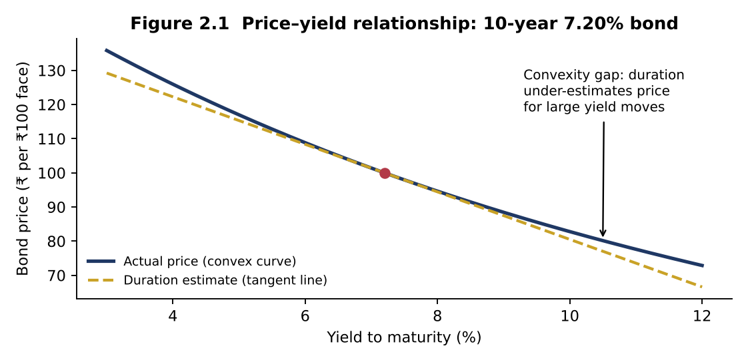
5. GRAPHICAL ILLUSTRATION

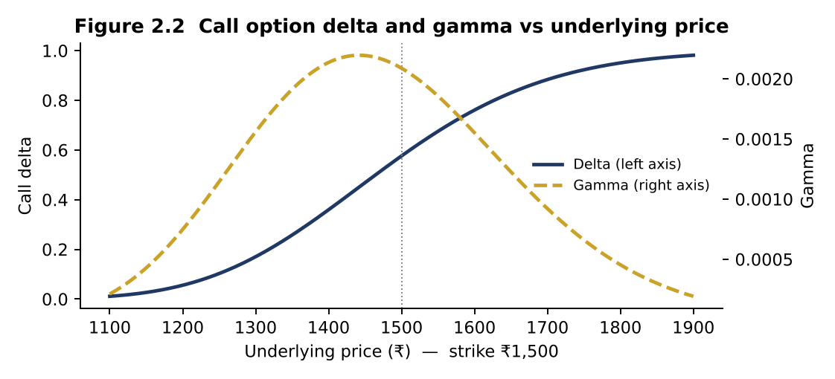
Duration is the slope (tangent) of the price–yield curve; convexity is its curvature.

Delta rises from 0 to 1 as the option moves into the money; gamma peaks at-the-money near expiry, where hedges need the most frequent rebalancing.

6. REAL-LIFE EXAMPLES
Silicon Valley Bank (March 2023)
SVB invested deposit inflows in long-duration Treasuries and MBS. As the Fed raised rates by ~450 bps, unrealised losses on its securities exceeded its equity. A US$1.8 billion realised loss on sale of AFS securities triggered a deposit run and the bank failed on 10 March 2023 — a textbook duration-gap failure.
Orange County, California (1994)
The county investment pool used leveraged reverse repos to buy rate-sensitive notes, effectively running a very high duration. When the Fed raised rates through 1994, losses of about US$1.7 billion forced the county into bankruptcy.
Indian banks’ MTM losses (2017–18)
When the 10-year G-sec yield rose by roughly 100 bps between mid-2017 and early 2018, banks faced heavy mark-to-market losses on their bond books; the RBI permitted banks to spread these losses over four quarters. Banks subsequently tightened PV01 and duration limits.
Index options market-making in India
NSE is among the world’s largest derivatives exchanges by contracts traded, dominated by index options. Market makers manage net delta and gamma intraday; on expiry days gamma near the strike is extreme, which is why SEBI’s 2024 measures on index derivatives targeted expiry-day risk.

7. COMMON MISTAKES
• Using modified duration for bonds with embedded options — use effective duration instead.
• Ignoring convexity for large shocks such as the ±200 bps IRRBB scenarios.
• Confusing the sign of DV01 for long vs short positions when netting a hedge.
• Assuming a delta hedge is permanent — delta changes with price (gamma) and time (charm).
• Using beta estimated from a short or unrepresentative window when sizing hedges.

8. INTERVIEW QUESTIONS
Q1. Why does a zero-coupon bond have the highest duration for a given maturity?
Q2. What is negative convexity?
Q3. How do you make a portfolio delta- and gamma-neutral?
Q4. Explain PV01 vs modified duration.
Q5. What caused SVB’s failure from a risk perspective?

M3 RAROC Concept
Module 3 | Risk-Adjusted Return on Capital (RAROC) — Concept Note |  | ◄ Back to Index

1. WHAT IS IT?
RAROC measures the return a business, product or customer earns on the economic capital it consumes. It adjusts profit for expected loss (the average cost of risk) and divides by economic capital (the buffer against unexpected loss). A loan that looks highly profitable on yield may destroy value once its credit risk and capital consumption are recognised.

2. WHY IS IT IMPORTANT?
• Puts businesses with very different risk profiles — retail loans, corporate lending, treasury, fee businesses — on one comparable scale.
• Drives risk-based pricing: the minimum rate a bank should charge to meet shareholder expectations.
• Links risk management to value creation: Economic Value Added (EVA) = (RAROC − hurdle) × capital.
• Supports ICAAP, capital budgeting across divisions and performance-linked compensation.

3. HOW IS IT USED IN INDUSTRY?
• Loan pricing — relationship managers use a RAROC calculator before sanctioning; deals below hurdle need higher pricing, collateral or fee cross-sell.
• Capital allocation — the Board allocates economic capital to business lines that earn above-hurdle RAROC.
• Performance measurement — business heads are measured on risk-adjusted profit rather than volumes.
• Portfolio strategy — exit or re-price segments where RAROC is persistently below the cost of equity.

4. KEY FORMULAS
Measure | Formula
RAROC | RAROC = (Revenue − Funding cost − Operating cost − Expected loss ± Other) × (1 − tax) / Economic Capital
Expected loss | EL = PD × LGD × EAD
Economic capital (credit) | EC = Credit VaR at 99.9% − EL (= Unexpected loss)
Value creation | EVA (SVA) = (RAROC − Hurdle rate) × Economic Capital
Decision rule | Accept if RAROC ≥ Hurdle (cost of equity)
Break-even loan rate | Rate = [Hurdle × EC/(1 − t) + Funding + Op. cost + EL] / Exposure

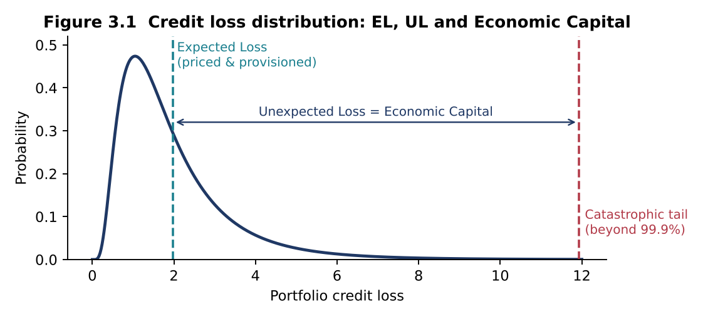
5. GRAPHICAL ILLUSTRATION

Expected loss is a cost of doing business (priced and provisioned); economic capital covers the unexpected loss up to the chosen confidence level.

6. REAL-LIFE EXAMPLES
Bankers Trust — origin of RAROC (late 1970s)
Under Charles Sanford, Bankers Trust developed RAROC to compare businesses with different risk levels and allocate capital accordingly. The framework became the template for economic-capital systems at global banks.
Indian banks — Basel III and ICAAP
RBI requires a minimum total capital ratio of 9% plus a 2.5% capital conservation buffer (11.5%) and an Internal Capital Adequacy Assessment Process. Large banks complement regulatory capital with economic-capital and RAROC models for pricing and allocation.
The low-rate corporate loan dilemma
Highly rated corporates borrow at thin spreads, often close to the cost of funds. On ROA they look unattractive, yet their low PD and capital consumption can deliver above-hurdle RAROC — especially with cash-management, FX and trade-finance cross-sell.
Unsecured retail and MSME lending
Personal loans and unsecured MSME credit carry high yields but also high EL and capital. RBI’s November 2023 increase in risk weights on consumer credit raised capital consumption and pushed banks to re-price these products — a direct RAROC effect.

7. COMMON MISTAKES
• Deducting unexpected loss in the numerator — UL is covered by capital, only EL is a cost.
• Comparing pre-tax RAROC with a post-tax hurdle (or vice versa).
• Ignoring the return earned on allocated capital, or double-counting it alongside full funding cost.
• Allocating stand-alone capital without diversification — penalises every business and distorts rankings.
• Using RAROC alone: high RAROC on a tiny capital base may add little absolute value — look at EVA too.

8. INTERVIEW QUESTIONS
Q1. Why is expected loss deducted but unexpected loss used as the denominator?
Q2. What is the difference between RAROC and RORAC?
Q3. How do you set the hurdle rate?
Q4. Can a loan with RAROC below hurdle still be approved?
Q5. How does collateral affect RAROC?

M4 Regression Concept
Module 4 | Regression & Variance Analysis — Concept Note |  | ◄ Back to Index

1. WHAT IS IT?
Regression analysis estimates the relationship between a dependent variable (Y) and one or more explanatory variables (X). Ordinary Least Squares (OLS) fits the line that minimises the sum of squared residuals. Variance analysis measures and decomposes dispersion — how much a return, cost or portfolio value varies, and which sources drive that variation. Together they answer: How sensitive is Y to X? How much of the risk is explained? What remains unexplained?

2. WHY IS IT IMPORTANT?
• Beta, hedge ratios, factor exposures and stress-test models are all regression outputs.
• Variance (σ²) is the core input to VaR, portfolio optimisation and risk budgeting.
• R² and the ANOVA decomposition show how much risk is systematic (hedgeable) versus idiosyncratic (diversifiable).
• Cost-behaviour regression supports flexible budgets and budget-vs-actual variance analysis in FP&A.

3. HOW IS IT USED IN INDUSTRY?
• Equity research and fund management — beta estimation, factor models (Fama–French), performance attribution.
• Banks’ risk and stress testing — regressing NPAs on GDP growth and interest rates; the RBI’s Financial Stability Report uses macro-stress-test models of this type.
• Corporate treasury and commodities — minimum-variance hedge ratios for fuel, metals and currencies.
• FP&A and cost accounting — separating fixed and variable costs, building flexible budgets and explaining variances.

4. KEY FORMULAS
Measure | Formula
Simple regression slope | β = Cov(X, Y) / Var(X) α = Ȳ − β·X̄
Coefficient of determination | R² = SSR/SST = 1 − SSE/SST (simple regression: R² = ρ²)
Adjusted R² | R̄² = 1 − (1 − R²)(n − 1)/(n − k − 1)
F-statistic | F = (SSR/k) / (SSE/(n − k − 1))
Sample variance | s² = Σ(xᵢ − x̄)² / (n − 1) Annualised σ = σ_monthly × √12
Portfolio variance | σₚ² = wᵀ Σ w = Σᵢ Σⱼ wᵢ wⱼ σᵢ σⱼ ρᵢⱼ
Variance decomposition | σᵢ² = βᵢ² σₘ² + σ²(ε)
Minimum-variance hedge ratio | h* = ρ × σ_S / σ_F; hedge effectiveness = ρ²

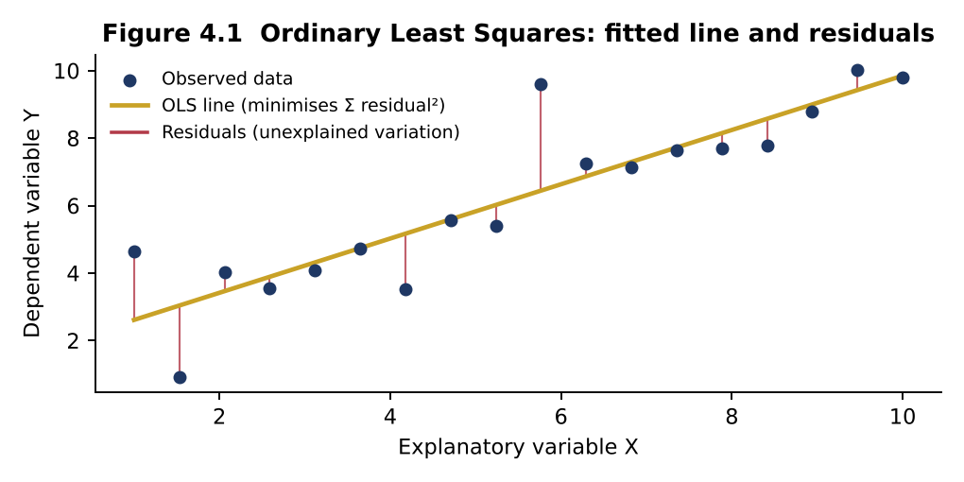
5. GRAPHICAL ILLUSTRATION

OLS picks the line that minimises the sum of squared vertical distances (residuals); the residual variance is the unexplained risk.

6. REAL-LIFE EXAMPLES
CAPM beta and cost of equity
Analysts regress a stock’s returns on Nifty 50 or Sensex returns (typically 2–5 years of weekly or monthly data) to estimate beta, which feeds the cost of equity in DCF valuations and the hurdle rate in RAROC.
Airline fuel hedging
Jet fuel has no deep futures market in most regions, so airlines cross-hedge with crude oil futures sized by the minimum-variance hedge ratio. Southwest Airlines’ systematic fuel-hedging programme is widely cited for saving it billions of dollars during the 2000s oil price spike.
Macro stress testing of bank NPAs
Regulators and banks estimate regressions of gross NPA ratios on GDP growth, interest rates and credit growth, then feed in baseline, medium and severe macro scenarios — the approach behind the stress-test projections in the RBI’s Financial Stability Report.
Markowitz portfolio theory and risk budgeting
Harry Markowitz (1952) showed that portfolio variance depends on covariances, not just individual variances. Pension funds and multi-asset funds today run risk-budgeting frameworks that decompose total variance into each asset’s contribution.

7. COMMON MISTAKES
• Confusing correlation with causation; spurious regressions on trending (non-stationary) series such as price levels instead of returns.
• Using population variance (÷n) where sample variance (÷n−1) is required.
• Judging a model only by R²; a high R² with insignificant coefficients often signals multicollinearity.
• Extrapolating far outside the observed range of X.
• Ignoring heteroskedasticity and autocorrelation, which make t-statistics unreliable (use robust/Newey–West SEs).

8. INTERVIEW QUESTIONS
Q1. What is the relationship between beta, correlation and volatility?
Q2. What does an R² of 0.30 for a stock-on-index regression mean?
Q3. Why use adjusted R²?
Q4. What is multicollinearity and how do you detect it?
Q5. How is the minimum-variance hedge ratio derived?

