Sheet1
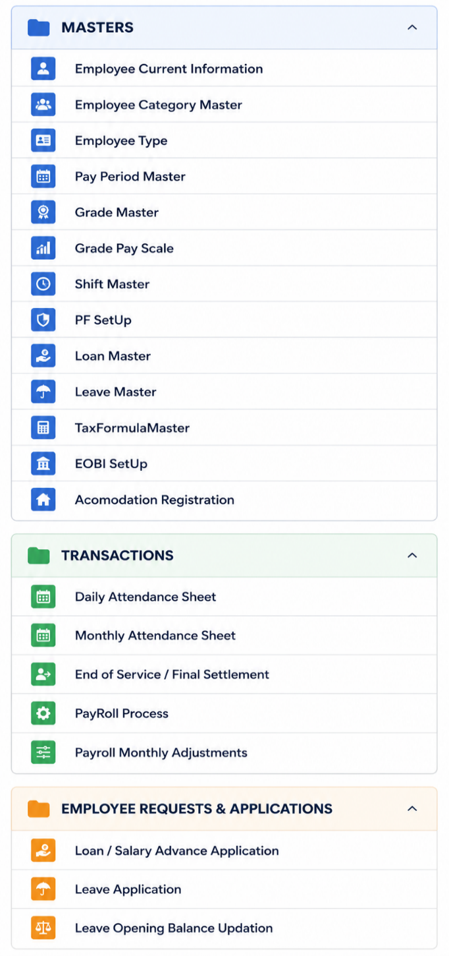
Main Group | Form | Recommended Form Name | Search... | 1. Setup & Masters
Employee Management | Employee Current Information | Employee Profile | Master
 | Employee Category Master | Employee Categories | Company | Forms that define the basic HR and payroll configuration.
 | Employee Type | Employee Types | Employees
 | Accommodation Registration | Employee Accommodation | Employee Category Master | Organization
Organization & Compensation | Grade Master | Employee Grades | Department Setup
 | Grade Pay Scale | Grade Pay Scales | Pay Elements | Company
 | Pay Period Master | Payroll Periods | Pay Period | Department Setup
 | PF Setup | Provident Fund Setup | Bonus Master
 | EOBI Setup | EOBI Setup | Formula Master | Employee Setup
 | Tax Formula Master | Payroll Tax Rules | Leave Master
Time & Attendance | Shift Master | Work Shifts | Loan Master | Employees
 | Daily Attendance Sheet | Daily Attendance | Overtime Master | Employee Category Master
 | Monthly Attendance Sheet | Monthly Attendance | Tax Formula Calculation
Leave Management | Leave Master | Leave Types | EOBI Setup | Payroll Setup
 | Leave Application | Leave Request
 | Leave Opening Balance Update | Leaves Opening Balance |  | Pay Elements
Loan & Advances | Loan Master | Loan Setup |  | Pay Period
 | Loan / Salary Advance Application | Loan & Salary Advance Request | Transaction | Bonus Master
Payroll Processing | Payroll Process | Payroll Processing | Daily Attendance Sheet | Formula Master
 | Payroll Monthly Adjustments | Monthly Adjustments | Monthly Attendance Sheet | Tax Formula Calculation
 | End of Service / Final Settlement | End of Service Settlements | Monthly Addition | EOBI Setup
 |  |  | Monthly Deduction
 |  |  | Payments and Deductions | Leave & Benefits
 |  |  | Payroll Process
 |  |  | Overtime Process | Leave Master
Employee Management |  |  | Overtime Formula | Loan Master
Organization & Compensation |  |  | Leave Application | Overtime Master
Payroll Setup |  |  | Leave Settlement
Time & Attendance |  |  | Loan Application
Leave Management
Loan & Advances |  |  |  | 2. Time & Attendance
Payroll Processing
Employee Separation |  |  | Reports | Everything related to employee attendance and working hours.
 |  |  | Personal Detail
 |  |  | Address Detail | Daily Attendance Sheet
 |  |  | Bank Detail | Monthly Attendance Sheet
 |  |  | Job Detail | Overtime Process
 |  |  |  | Overtime Formula

 |  |  |  | 3. Employee Transactions

 |  |  |  | Day-to-day employee requests and adjustments.

 |  |  |  | Payroll Adjustments

 |  |  |  | Monthly Addition
 |  |  |  | Monthly Deduction
 |  |  |  | Payments and Deductions

 |  |  |  | Employee Requests

 |  |  |  | Leave Application
 |  |  |  | Leave Settlement
 |  |  |  | Loan Application

