SubFamily-level
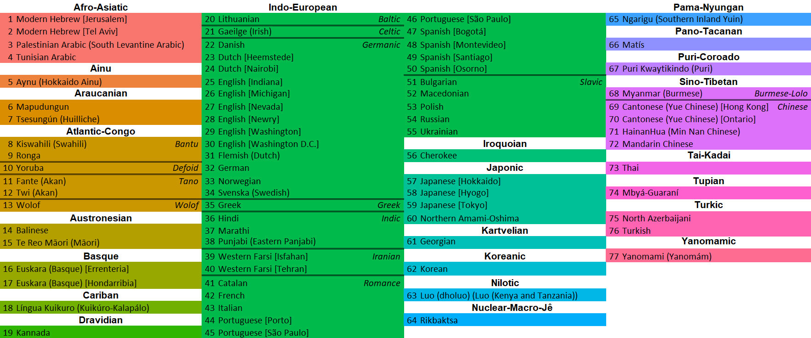
Afro-Asiatic |  |  | Indo-European |  |  |  |  |  | Pama-Nyungan
1 | Modern Hebrew [Jerusalem] |  | 20 | Lithuanian | Baltic | 46 | Portuguese [São Paulo] |  | 65 | Ngarigu (Southern Inland Yuin)
2 | Modern Hebrew [Tel Aviv] |  | 21 | Gaeilge (Irish) | Celtic | 47 | Spanish [Bogotá] |  | Pano-Tacanan
3 | Palestinian Arabic (South Levantine Arabic) |  | 22 | Danish | Germanic | 48 | Spanish [Montevideo] |  | 66 | Matís
4 | Tunisian Arabic |  | 23 | Dutch [Heemstede] |  | 49 | Spanish [Santiago] |  | Puri-Coroado
Ainu |  |  | 24 | Dutch [Nairobi] |  | 50 | Spanish [Osorno] |  | 67 | Puri Kwaytikindo (Puri)
5 | Aynu (Hokkaido Ainu) |  | 25 | English [Indiana] |  | 51 | Bulgarian | Slavic | Sino-Tibetan
Araucanian |  |  | 26 | English [Michigan] |  | 52 | Macedonian |  | 68 | Myanmar (Burmese) | Burmese-Lolo
6 | Mapudungun |  | 27 | English [Nevada] |  | 53 | Polish |  | 69 | Cantonese (Yue Chinese) [Hong Kong] | Chinese
7 | Tsesungún (Huilliche) |  | 28 | English [Newry] |  | 54 | Russian |  | 70 | Cantonese (Yue Chinese) [Ontario]
Atlantic-Congo |  |  | 29 | English [Washington] |  | 55 | Ukrainian |  | 71 | HainanHua (Min Nan Chinese)
8 | Kiswahili (Swahili) | Bantu | 30 | English [Washington D.C.] |  | Iroquoian |  |  | 72 | Mandarin Chinese
9 | Ronga |  | 31 | Flemish (Dutch) |  | 56 | Cherokee |  | Tai-Kadai
10 | Yoruba | Defoid | 32 | German |  | Japonic |  |  | 73 | Thai
11 | Fante (Akan) | Tano | 33 | Norwegian |  | 57 | Japanese [Hokkaido] |  | Tupian
12 | Twi (Akan) |  | 34 | Svenska (Swedish) |  | 58 | Japanese [Hyogo] |  | 74 | Mbyá-Guaraní
13 | Wolof | Wolof | 35 | Greek | Greek | 59 | Japanese [Tokyo] |  | Turkic
Austronesian |  |  | 36 | Hindi | Indic | 60 | Northern Amami-Oshima |  | 75 | North Azerbaijani
14 | Balinese |  | 37 | Marathi |  | Kartvelian |  |  | 76 | Turkish
15 | Te Reo Māori (Māori) |  | 38 | Punjabi (Eastern Panjabi) |  | 61 | Georgian |  | Yanomamic
Basque |  |  | 39 | Western Farsi [Isfahan] | Iranian | Koreanic |  |  | 77 | Yanomami (Yanomám)
16 | Euskara (Basque) [Errenteria] |  | 40 | Western Farsi [Tehran] |  | 62 | Korean
17 | Euskara (Basque) [Hondarribia] |  | 41 | Catalan | Romance | Nilotic
Cariban |  |  | 42 | French |  | 63 | Luo (dholuo) (Luo (Kenya and Tanzania))
18 | Língua Kuikuro (Kuikúro-Kalapálo) |  | 43 | Italian |  | Nuclear-Macro-Jê
Dravidian |  |  | 44 | Portuguese [Porto] |  | 64 | Rikbaktsa
19 | Kannada |  | 45 | Portuguese [São Paulo]

